BRA
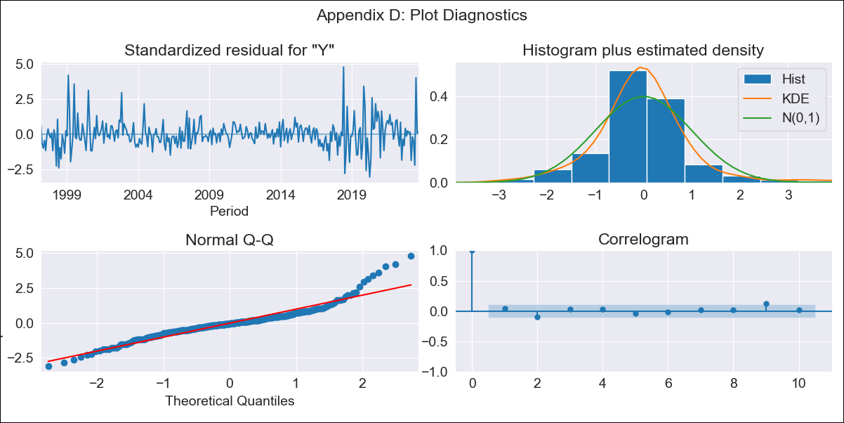
BRA - Inflation - Next 12 months forecast as of: 2023-09-01

Model | SARIMAX - [(1, 1, 0), (0, 0, 1, 12)] | Exogenous Variables | YoY Increase Crude oil WTI, YoY Increase Index Energy, YoY Increase Index Food
Training Data | 1996-01-01 to 2022-10-01
Test Data | 2022-10-01 to 2023-09-01

Date | Inflation Change YoY % | Lower Bound - 95% Confidence Interval | Upper Bound - 95% Confidence Interval
2023-10-01 | 5.45 | 4.76 | 6.25
2023-11-01 | 5.62 | 4.39 | 7.23
2023-12-01 | 5.67 | 4 | 8.08
2024-01-01 | 5.68 | 3.66 | 8.87
2024-02-01 | 5.66 | 3.37 | 9.61
2024-03-01 | 6.06 | 3.36 | 11.15
2024-04-01 | 6.34 | 3.29 | 12.54
2024-05-01 | 6.65 | 3.25 | 14.08
2024-06-01 | 7.45 | 3.44 | 16.97
2024-07-01 | 6.74 | 2.95 | 16.1
2024-08-01 | 6.37 | 2.65 | 15.96
2024-09-01 | 6.15 | 2.44 | 16.18

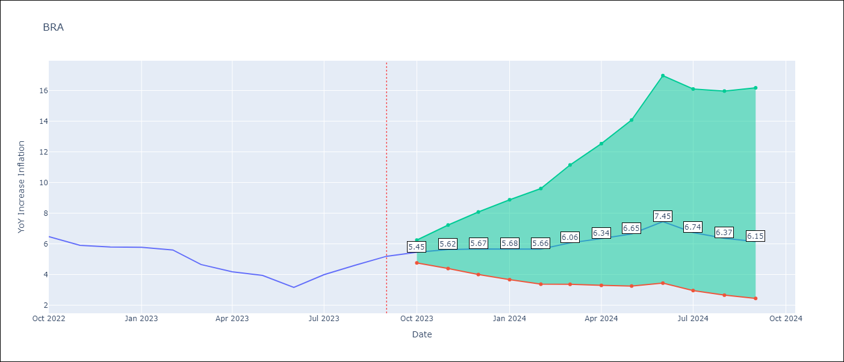

Test Metrics
RMSE | 0.67
Naive RMSE | 0.57
MAPE | 13.01%

Test Predictions
Date | Predicted | Actual
2022-10-01 | 6.29 | 6.47
2022-11-01 | 5.74 | 5.9
2022-12-01 | 5.55 | 5.79
2023-01-01 | 5.44 | 5.77
2023-02-01 | 5.21 | 5.6
2023-03-01 | 4.9 | 4.65
2023-04-01 | 4.79 | 4.18
2023-05-01 | 4.82 | 3.94
2023-06-01 | 4.7 | 3.16
2023-07-01 | 4.96 | 3.99
2023-08-01 | 5.19 | 4.61
2023-09-01 | 5.5 | 5.19

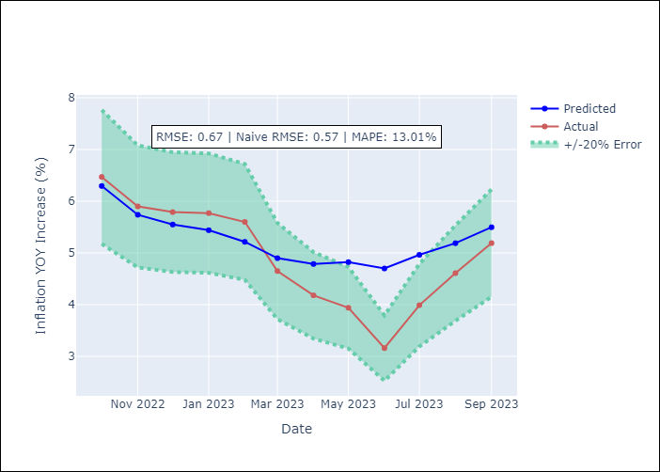

Appendix A: Model Summary
Model | SARIMAX(1, 1, 0)x(0, 0, [1], 12)
Sample | 01-01-1996- 09-01-2023
No. of Observations | 333
Terms | P-value (Statistical significance)
YoY Increase Crude oil WTI | 0.561
YoY Increase Index Energy | 0.590
YoY Increase Index Food | 0.833
ar.L1 | 0.000
ma.S.L12 | 0.000
sigma2 | 0.000
Assumptions | P-value
Ljung-Box (L1) | 0.42
Heteroskedasticity | 0.04
Jarque-Bera | 0.00
Skew | 0.92
Kurtosis | 7.10

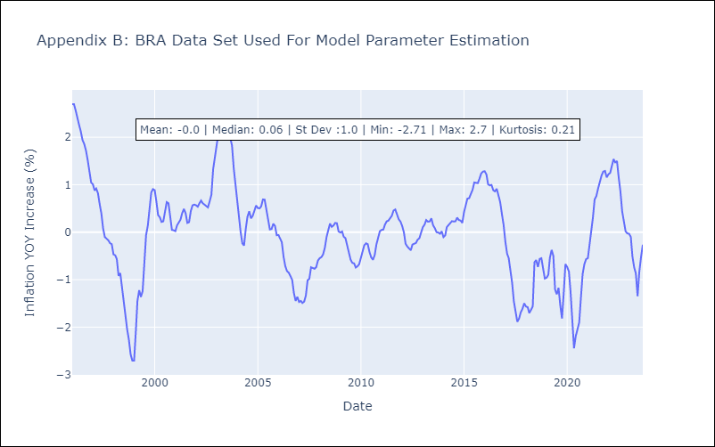

Appendix C: Residuals Analysis
Mean | 0.0
White Noise? | Yes
Normal? | No

