BRAlt
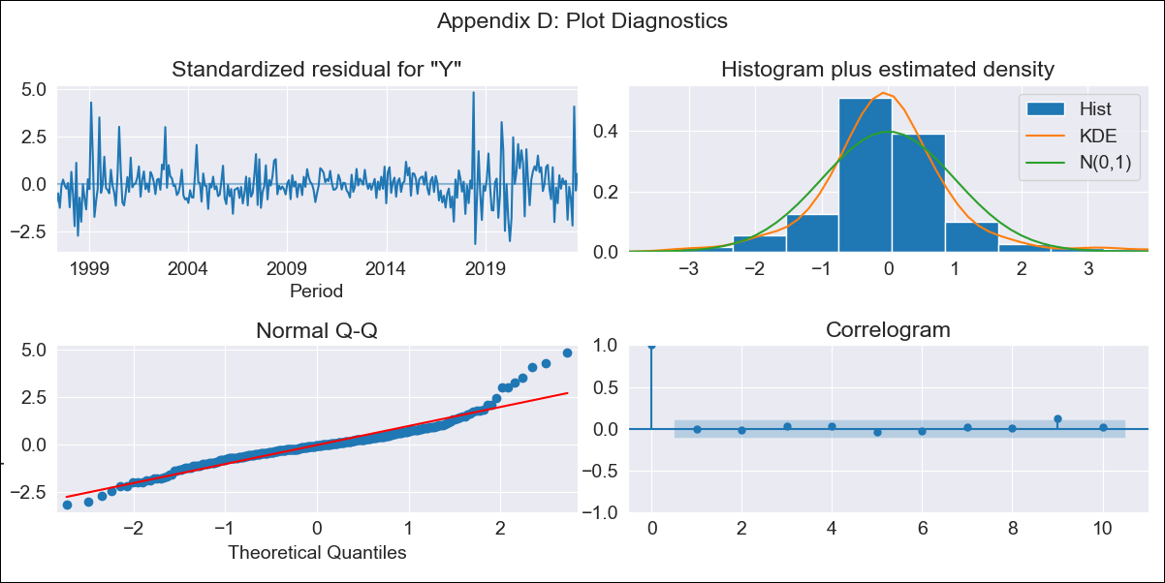
BRAlt - Inflation - Next 12 months forecast as of: 2023-09-01

Model | SARIMAX - [(1, 1, 2), (0, 0, 1, 12)] | Exogenous Variables | YoY Increase Crude oil WTI, YoY Increase Index Energy, YoY Increase Index Food
Training Data | 1996-01-01 to 2022-10-01
Test Data | 2022-10-01 to 2023-09-01

Date | Inflation Change YoY % | Lower Bound - 95% Confidence Interval | Upper Bound - 95% Confidence Interval
2023-10-01 | 5.47 | 4.78 | 6.27
2023-11-01 | 5.64 | 4.38 | 7.28
2023-12-01 | 5.68 | 3.99 | 8.11
2024-01-01 | 5.69 | 3.67 | 8.89
2024-02-01 | 5.66 | 3.39 | 9.58
2024-03-01 | 6.08 | 3.39 | 11.09
2024-04-01 | 6.37 | 3.33 | 12.47
2024-05-01 | 6.69 | 3.31 | 14.01
2024-06-01 | 7.52 | 3.51 | 16.91
2024-07-01 | 6.79 | 3.02 | 15.98
2024-08-01 | 6.4 | 2.71 | 15.8
2024-09-01 | 6.18 | 2.5 | 15.96

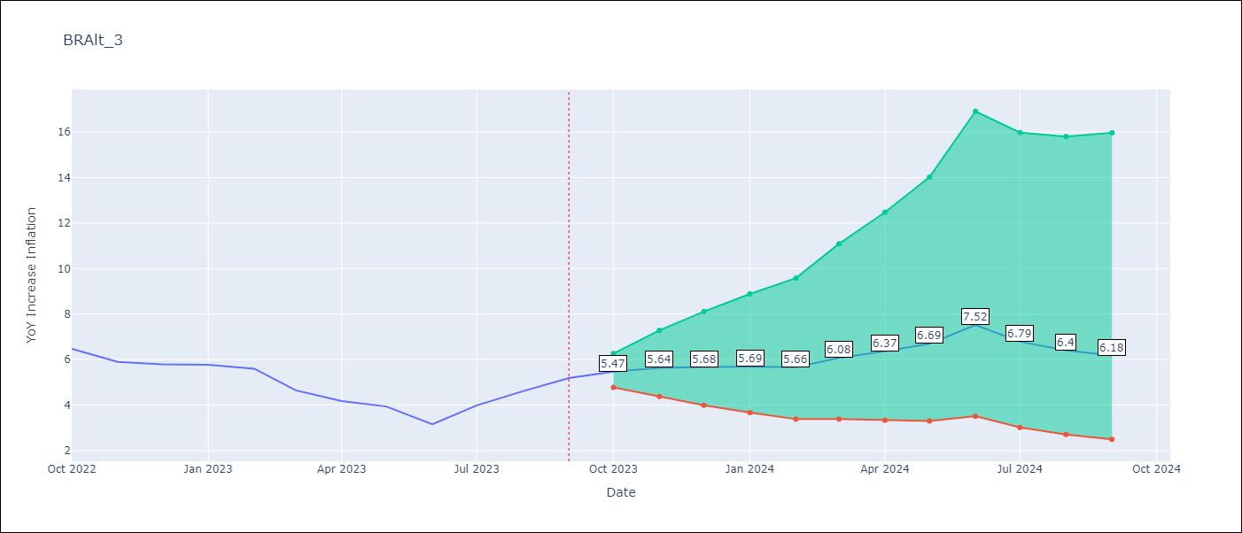

Test Metrics
RMSE | 0.67
Naive RMSE | 0.57
MAPE | 13.15%

Test Predictions
Date | Predicted | Actual
2022-10-01 | 6.27 | 6.47
2022-11-01 | 5.74 | 5.9
2022-12-01 | 5.55 | 5.79
2023-01-01 | 5.45 | 5.77
2023-02-01 | 5.22 | 5.6
2023-03-01 | 4.89 | 4.65
2023-04-01 | 4.78 | 4.18
2023-05-01 | 4.83 | 3.94
2023-06-01 | 4.71 | 3.16
2023-07-01 | 4.98 | 3.99
2023-08-01 | 5.21 | 4.61
2023-09-01 | 5.52 | 5.19

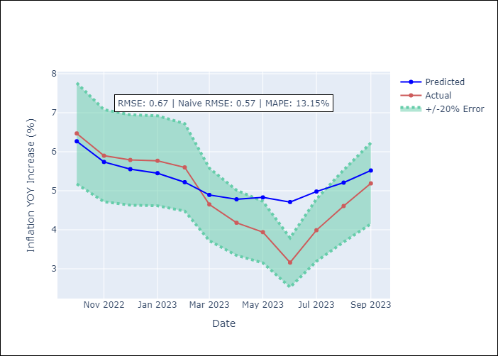

Appendix A: Model Summary
Model | SARIMAX(1, 1, 2)x(0, 0, [1], 12)
Sample | 01-01-1996- 09-01-2023
No. of Observations | 333
Terms | P-value (Statistical significance)
YoY Increase Crude oil WTI | 0.583
YoY Increase Index Energy | 0.714
YoY Increase Index Food | 0.916
ar.L1 | 0.001
ma.L1 | 0.869
ma.L2 | 0.327
ma.S.L12 | 0.000
sigma2 | 0.000
Assumptions | P-value
Ljung-Box (L1) | 0.92
Heteroskedasticity | 0.04
Jarque-Bera | 0.00
Skew | 0.91
Kurtosis | 7.25

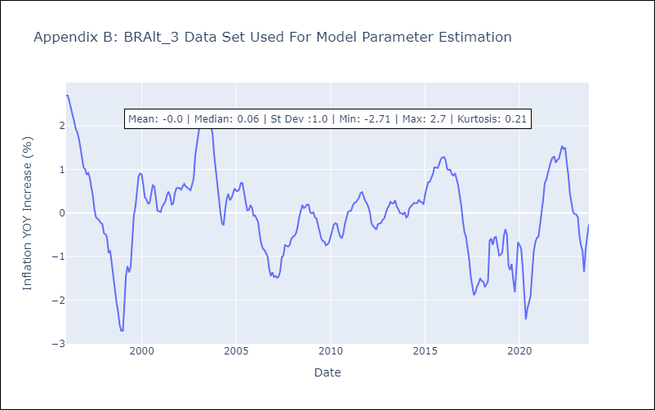

Appendix C: Residuals Analysis
Mean | 0.0
White Noise? | No - Correlation at Lags [1]
Normal? | No

