CRI
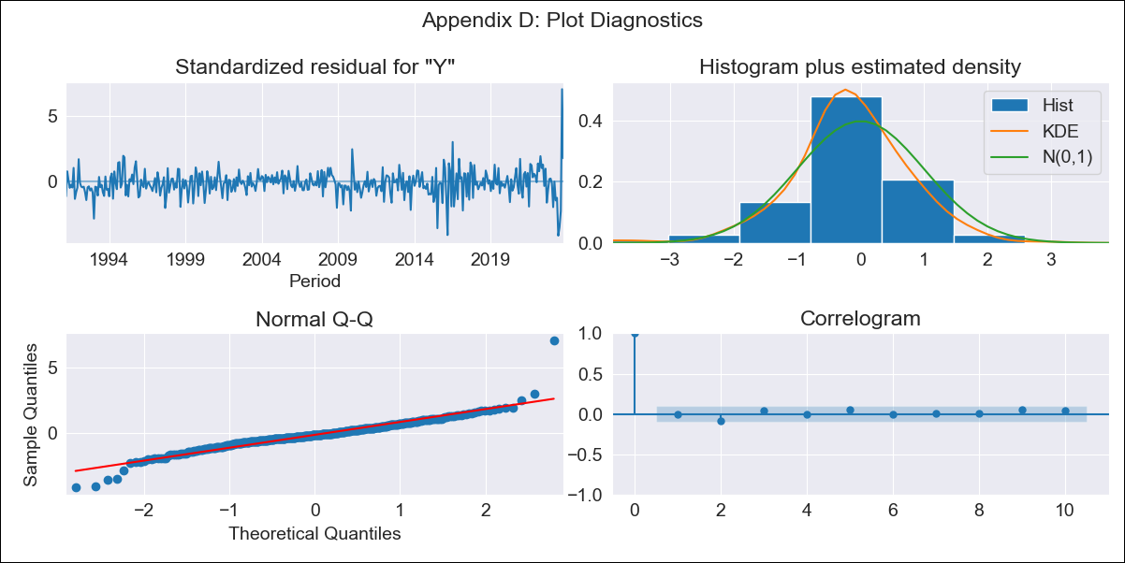
CRI - Inflation - Next 12 months forecast as of: 2023-10-01

Model | ARIMA - [(1, 1, 0), (0, 0, 1, 12)]
Training Data | 1990-01-01 to 2022-11-01
Test Data | 2022-11-01 to 2023-10-01

Date | Inflation Change YoY % | Lower Bound - 95% Confidence Interval | Upper Bound - 95% Confidence Interval
2023-11-01 | -0.85 | -1.29 | -0.36
2023-12-01 | -0.69 | -1.46 | 0.26
2024-01-01 | -0.6 | -1.64 | 0.84
2024-02-01 | -0.19 | -1.54 | 1.95
2024-03-01 | 0.01 | -1.59 | 2.73
2024-04-01 | 0.45 | -1.48 | 3.88
2024-05-01 | 0.99 | -1.33 | 5.19
2024-06-01 | 2.6 | -0.66 | 8.06
2024-07-01 | 4.84 | 0.3 | 11.68
2024-08-01 | 7.01 | 1.34 | 15.09
2024-09-01 | 4.69 | -0.14 | 12.43
2024-10-01 | 3.1 | -0.99 | 10.56

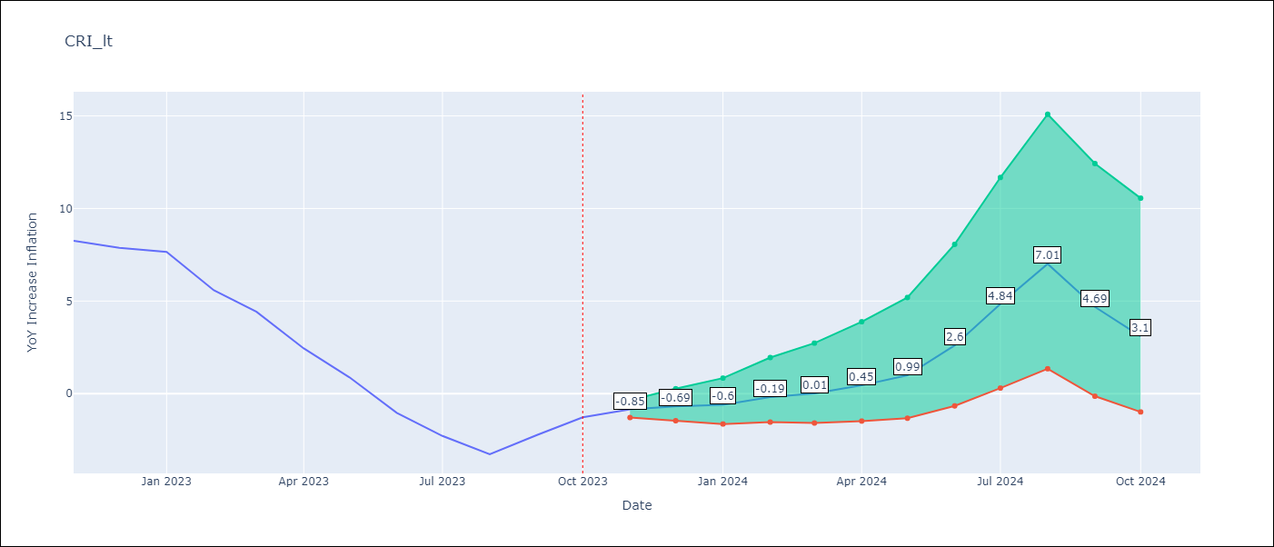

Test Metrics
RMSE | 3.43
Naive RMSE | 1.36
MAPE | 157.28%

Test Predictions
Date | Predicted | Actual
2022-11-01 | 8.16 | 8.26
2022-12-01 | 7.61 | 7.88
2023-01-01 | 7.41 | 7.65
2023-02-01 | 6.65 | 5.58
2023-03-01 | 5.97 | 4.42
2023-04-01 | 4.83 | 2.44
2023-05-01 | 3.95 | 0.88
2023-06-01 | 3.1 | -1.04
2023-07-01 | 2.87 | -2.29
2023-08-01 | 2.43 | -3.28
2023-09-01 | 2.83 | -2.24
2023-10-01 | 3.23 | -1.28

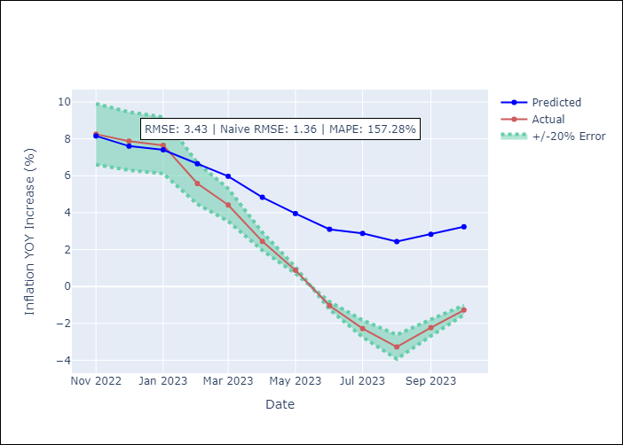

Appendix A: Model Summary
Model | ARIMA(1, 1, 0)x(0, 0, [1], 12)
Sample | 01-01-1990- 10-01-2023
No. of Observations | 406
Terms | P-value (Statistical significance)
ar.L1 | 0.000
ma.S.L12 | 0.000
sigma2 | 0.000
Assumptions | P-value
Ljung-Box (L1) | 0.84
Heteroskedasticity | 0.00
Jarque-Bera | 0.00
Skew | 0.55
Kurtosis | 11.25

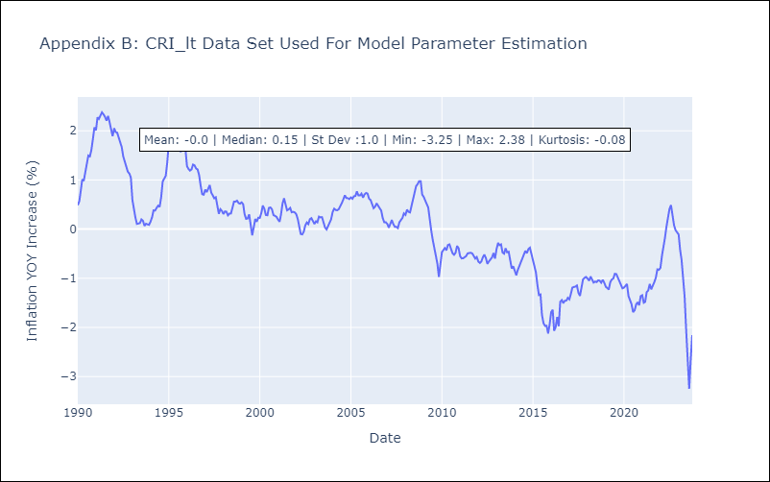

Appendix C: Residuals Analysis
Mean | -0.01
White Noise? | Yes
Normal? | No

CUB
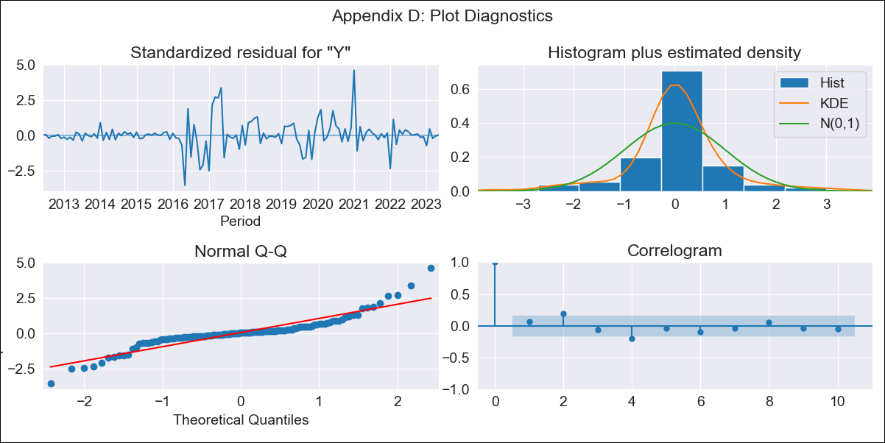
CUB - Inflation - Next 12 months forecast as of: 2023-05-01

Model | ARIMA - [(0, 2, 2), (0, 0, 1, 12)]
Training Data | 2011-01-01 to 2022-06-01
Test Data | 2022-06-01 to 2023-05-01

Date | Inflation Change YoY % | Lower Bound - 95% Confidence Interval | Upper Bound - 95% Confidence Interval
2023-06-01 | 44.44 | 24.21 | 76.39
2023-07-01 | 43.28 | 14.21 | 107.49
2023-08-01 | 43.53 | 9.65 | 137.76
2023-09-01 | 44.19 | 6.89 | 169.21
2023-10-01 | 44.52 | 4.92 | 200.7
2023-11-01 | 46.02 | 3.68 | 238.01
2023-12-01 | 47.87 | 2.77 | 279.37
2024-01-01 | 53.42 | 2.43 | 340.7
2024-02-01 | 53.57 | 1.65 | 381.53
2024-03-01 | 54.92 | 1.13 | 430.94
2024-04-01 | 56.95 | 0.75 | 487.52
2024-05-01 | 58.13 | 0.39 | 542.87

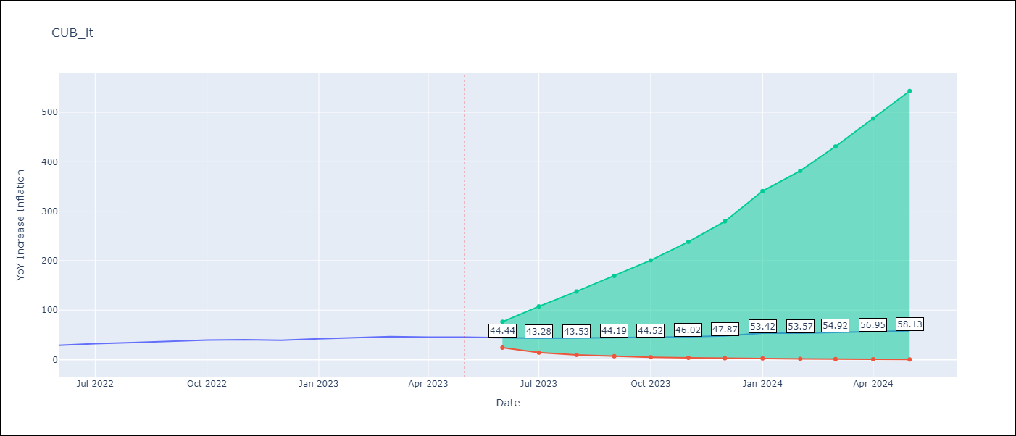

Test Metrics
RMSE | 7.75
Naive RMSE | 2.18
MAPE | 18.11%

Test Predictions
Date | Predicted | Actual
2022-06-01 | 25.31 | 28.85
2022-07-01 | 24.76 | 32.31
2022-08-01 | 25.12 | 34.3
2022-09-01 | 26.84 | 37.24
2022-10-01 | 27.53 | 39.73
2022-11-01 | 28.71 | 40.26
2022-12-01 | 29.03 | 39.07
2023-01-01 | 39.54 | 42.08
2023-02-01 | 39.64 | 44.5
2023-03-01 | 41.64 | 46.42
2023-04-01 | 42.14 | 45.35
2023-05-01 | 42.01 | 45.48

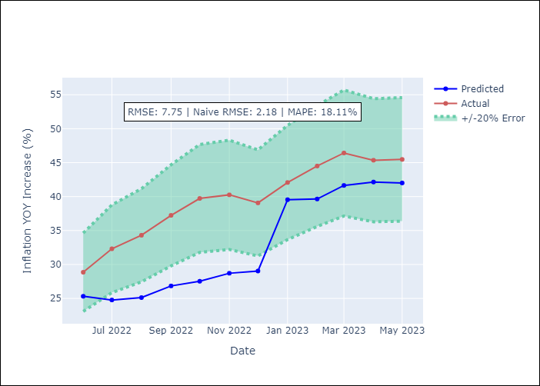

Appendix A: Model Summary
Model | ARIMA(0, 2, 2)x(0, 0, [1], 12)
Sample | 01-01-2011- 05-01-2023
No. of Observations | 149
Terms | P-value (Statistical significance)
ma.L1 | 0.000
ma.L2 | 0.000
ma.S.L12 | 0.000
sigma2 | 0.000
Assumptions | P-value
Ljung-Box (L1) | 0.43
Heteroskedasticity | 0.00
Jarque-Bera | 0.00
Skew | 0.56
Kurtosis | 8.01

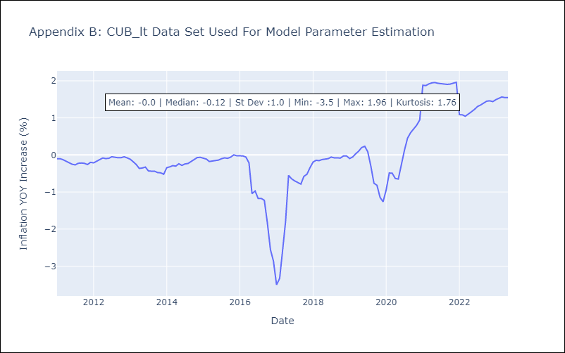

Appendix C: Residuals Analysis
Mean | 0.01
White Noise? | No - Correlation at Lags [2 4 5 6 7]
Normal? | No

DOM
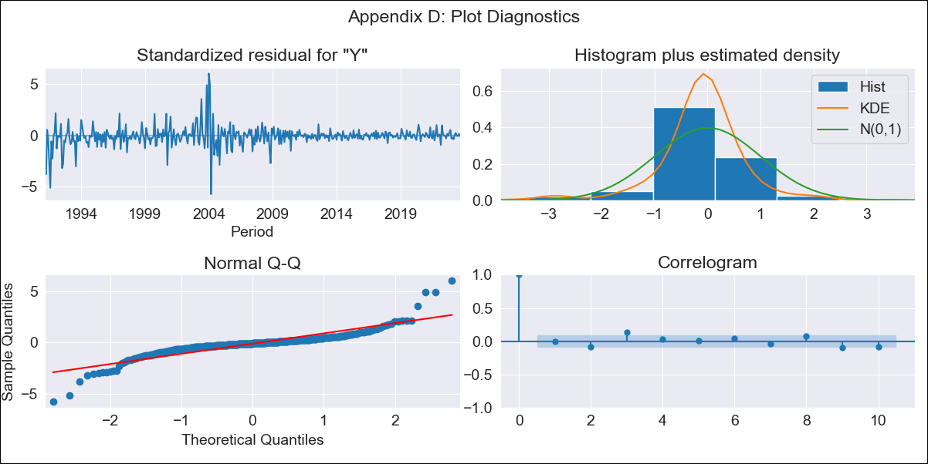
DOM - Inflation - Next 12 months forecast as of: 2023-09-01

Model | SARIMAX - [(1, 1, 0), (0, 0, 1, 12)] | Exogenous Variables | YoY Increase Crude oil WTI, YoY Increase Index Energy, YoY Increase Index Food
Training Data | 1990-01-01 to 2022-10-01
Test Data | 2022-10-01 to 2023-09-01

Date | Inflation Change YoY % | Lower Bound - 95% Confidence Interval | Upper Bound - 95% Confidence Interval
2023-10-01 | 4.52 | 1.88 | 7.16
2023-11-01 | 4.45 | -0.77 | 9.67
2023-12-01 | 3.96 | -3.87 | 11.78
2024-01-01 | 3.97 | -6.38 | 14.31
2024-02-01 | 4.17 | -8.57 | 16.91
2024-03-01 | 4.51 | -10.49 | 19.5
2024-04-01 | 4.75 | -12.36 | 21.87
2024-05-01 | 4.93 | -14.17 | 24.03
2024-06-01 | 5.14 | -15.83 | 26.1
2024-07-01 | 5.26 | -17.46 | 27.98
2024-08-01 | 5.2 | -19.18 | 29.59
2024-09-01 | 5.27 | -20.69 | 31.23

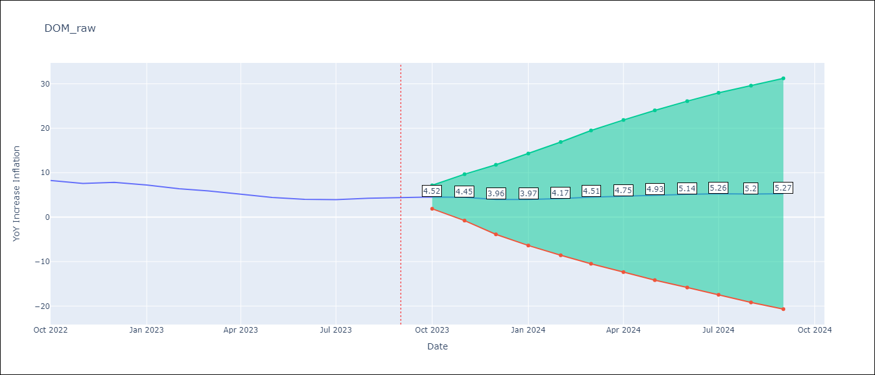

Test Metrics
RMSE | 0.4
Naive RMSE | 0.54
MAPE | 7.04%

Test Predictions
Date | Predicted | Actual
2022-10-01 | 8.47 | 8.24
2022-11-01 | 7.72 | 7.58
2022-12-01 | 7.33 | 7.83
2023-01-01 | 6.76 | 7.24
2023-02-01 | 6.06 | 6.38
2023-03-01 | 5.69 | 5.9
2023-04-01 | 4.84 | 5.15
2023-05-01 | 4.48 | 4.43
2023-06-01 | 4.48 | 4
2023-07-01 | 4.57 | 3.95
2023-08-01 | 4.82 | 4.27
2023-09-01 | 4.87 | 4.41

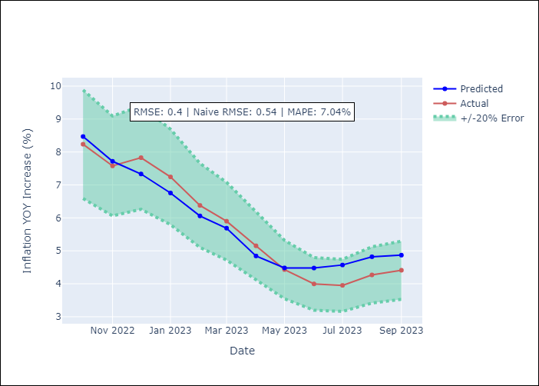

Appendix A: Model Summary
Model | SARIMAX(1, 1, 0)x(0, 0, [1], 12)
Sample | 01-01-1990- 09-01-2023
No. of Observations | 405
Terms | P-value (Statistical significance)
YoY Increase Crude oil WTI | 0.889
YoY Increase Index Energy | 0.114
YoY Increase Index Food | 0.279
ar.L1 | 0.000
ma.S.L12 | 0.000
sigma2 | 0.000
Assumptions | P-value
Ljung-Box (L1) | 0.97
Heteroskedasticity | 0.00
Jarque-Bera | 0.00
Skew | 0.10
Kurtosis | 14.17

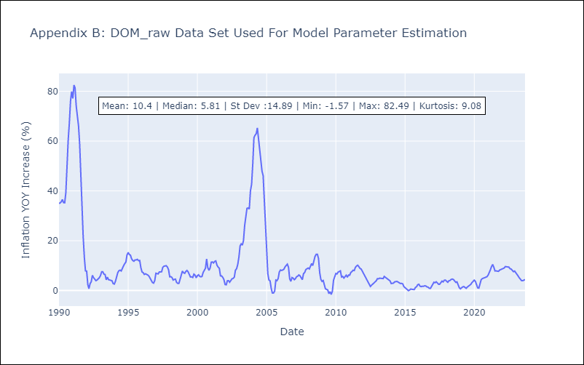

Appendix C: Residuals Analysis
Mean | -0.05
White Noise? | No - Correlation at Lags [ 1 2 3 4 5 6 7 8 9 10 11 12]
Normal? | No

HTI
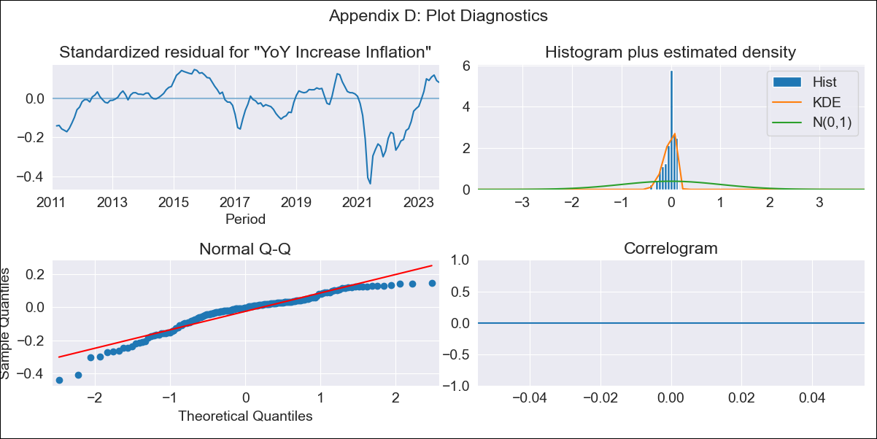
HTI - Inflation - Next 12 months forecast as of: 2023-09-01

Model | VARMAX - (1, 1, 1, 0, 0, 3, 12) | Exogenous Variables | YoY Increase Crude oil WTI, YoY Increase Index Energy, YoY Increase Index Food
Training Data | 2011-01-01 to 2022-10-01
Test Data | 2022-10-01 to 2023-09-01

Date | Inflation Change YoY % | Lower Bound - 95% Confidence Interval | Upper Bound - 95% Confidence Interval
2023-10-01 | -842.78 | -5015.74
2023-11-01 |  | -122332.28
2023-12-01 | -865542.47 | -12671026.21
2024-01-01 | -80525121.06 | -478778742.48
2024-02-01 | -3710120337.8 | -26173213085
2024-03-01 |  | -4.430410585E+11
2024-04-01 |  | -6.8024258774E+13
2024-05-01 | -2.9371749848E+14 | -1.8750720216E+15
2024-06-01 | -2.5216473309E+16 | -1.5255193181E+17
2024-07-01 | -3.7227696571E+17 | -6.5270842351E+18
2024-08-01 |  | -2.9861185213E+20
2024-09-01 |  | -1.8015975283E+22

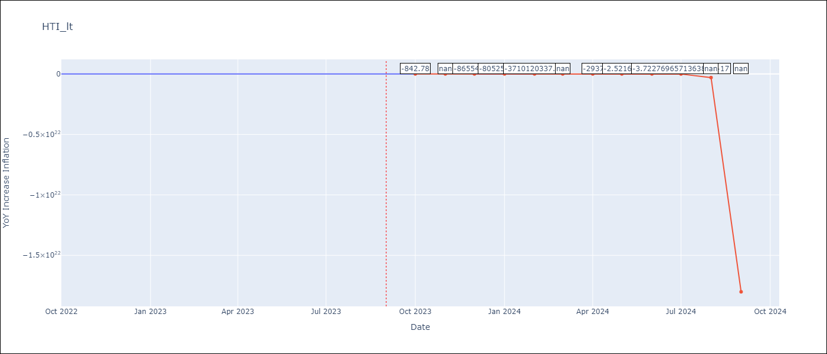

Test Metrics
RMSE | 3.37
Naive RMSE | 2.56
MAPE | 5.66%

Test Predictions
Date | Predicted | Actual
2022-10-01 | 42.11 | 47.25
2022-11-01 | 45.94 | 45.42
2022-12-01 | 47.76 | 48.13
2023-01-01 | 48.27 | 49.09
2023-02-01 | 48 | 48
2023-03-01 | 47.28 | 48.06
2023-04-01 | 46.31 | 47.04
2023-05-01 | 45.22 | 46.18
2023-06-01 | 44.06 | 43.75
2023-07-01 | 42.89 | 39.71
2023-08-01 | 41.73 | 37.27
2023-09-01 | 40.6 | 31.86

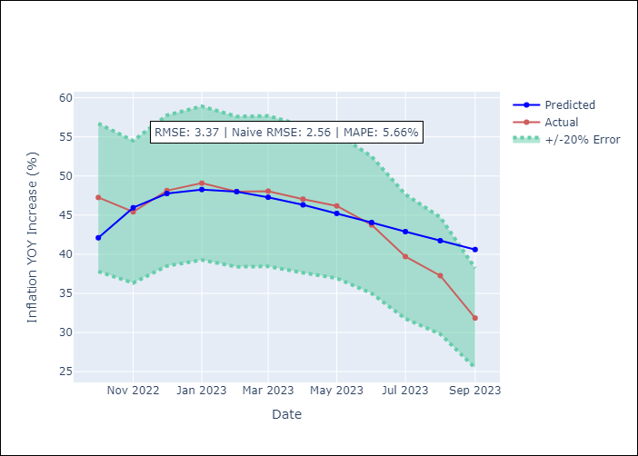

Appendix A: Model Summary
Model | VARMA(1,1)
Sample | 01-01-2011- 09-01-2023
No. of Observations | 153
Terms | P-value (Statistical significance)
intercept | nan
L1.YoY Increase Inflation | 0.999
L1.YoY Increase Crude oil WTI | 0.991
L1.YoY Increase Index Energy | 0.945
L1.YoY Increase Index Food | 0.755
L1.e(YoY Increase Inflation) | 0.998
L1.e(YoY Increase Crude oil WTI) | 0.748
L1.e(YoY Increase Index Energy) | 0.791
L1.e(YoY Increase Index Food) | 0.999
Assumptions | P-value
Ljung-Box (L1) | nan, nan, nan, nan
Heteroskedasticity | 0.00, 0.00, 0.00, 0.00
Jarque-Bera | 0.00, 0.00, 0.00, 0.00
Skew | -1.07, 1.27, -1.22, 1.44
Kurtosis | 4.29, 6.50, 5.54, 7.67

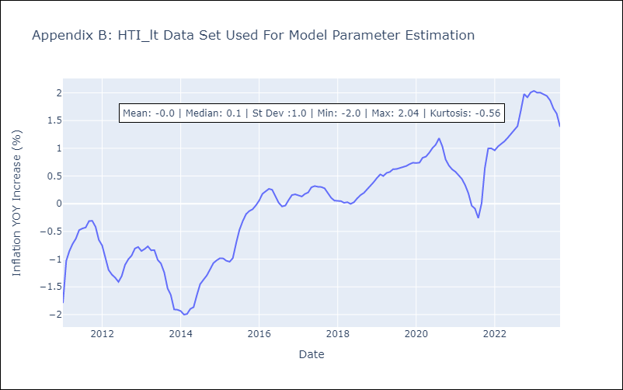

Appendix C: Residuals Analysis
Mean | -449365.8
White Noise? | No - Correlation at Lags [ 1 2 3 4 5 6 7 8 9 10 11 12]
Normal? | No

GTM
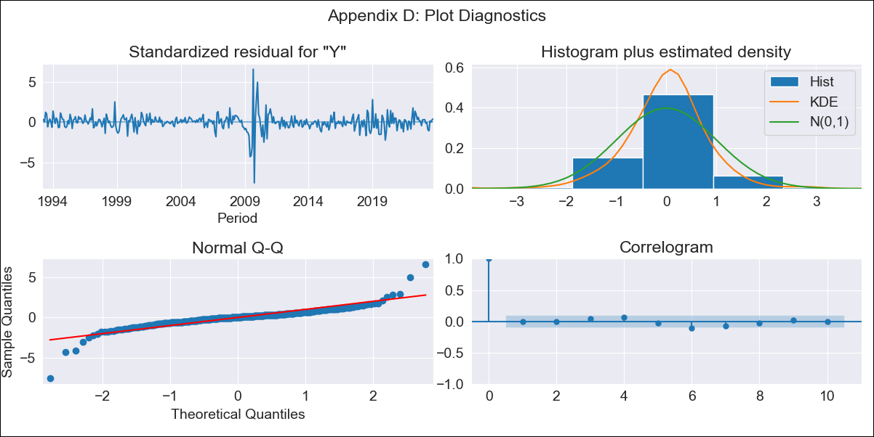
GTM - Inflation - Next 12 months forecast as of: 2023-10-01

Model | ARIMA - [(2, 0, 2), (2, 0, 0, 12)]
Training Data | 1991-01-01 to 2022-11-01
Test Data | 2022-11-01 to 2023-10-01

Date | Inflation Change YoY % | Lower Bound - 95% Confidence Interval | Upper Bound - 95% Confidence Interval
2023-11-01 | 5.23 | 3.85 | 6.96
2023-12-01 | 5.16 | 3.11 | 8.07
2024-01-01 | 5.05 | 2.58 | 8.92
2024-02-01 | 4.95 | 2.24 | 9.48
2024-03-01 | 5.06 | 2.08 | 10.37
2024-04-01 | 5.09 | 1.92 | 10.99
2024-05-01 | 5.5 | 1.98 | 12.32
2024-06-01 | 5.98 | 2.09 | 13.74
2024-07-01 | 6.09 | 2.02 | 14.43
2024-08-01 | 6.05 | 1.9 | 14.79
2024-09-01 | 5.9 | 1.75 | 14.89
2024-10-01 | 5.69 | 1.58 | 14.78

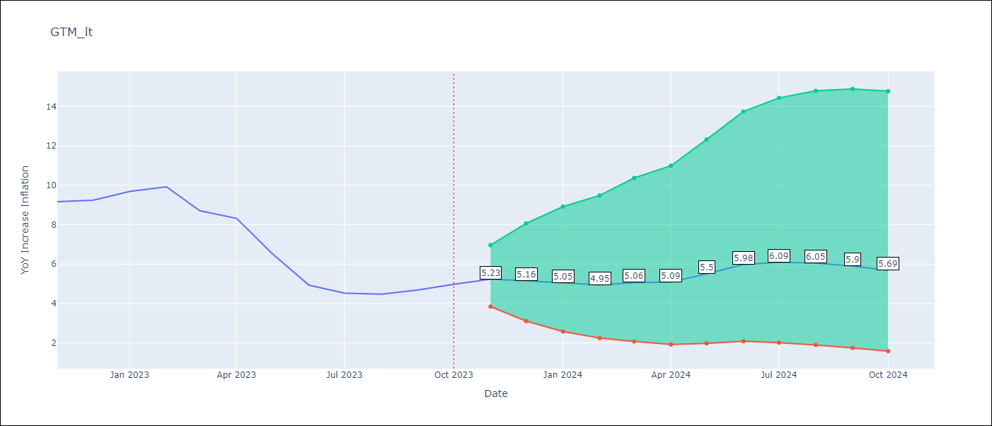

Test Metrics
RMSE | 1.04
Naive RMSE | 0.85
MAPE | 16.2%

Test Predictions
Date | Predicted | Actual
2022-11-01 | 9.7 | 9.17
2022-12-01 | 9.57 | 9.24
2023-01-01 | 9.56 | 9.69
2023-02-01 | 9.18 | 9.92
2023-03-01 | 8.14 | 8.71
2023-04-01 | 7.89 | 8.32
2023-05-01 | 7.15 | 6.54
2023-06-01 | 6.6 | 4.93
2023-07-01 | 6.27 | 4.53
2023-08-01 | 6.1 | 4.47
2023-09-01 | 5.99 | 4.69
2023-10-01 | 5.91 | 4.98

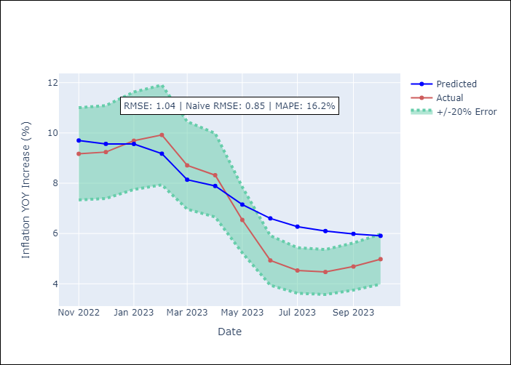

Appendix A: Model Summary
Model | ARIMA(2, 0, 2)x(2, 0, [], 12)
Sample | 01-01-1991- 10-01-2023
No. of Observations | 394
Terms | P-value (Statistical significance)
const | 0.547
ar.L1 | 0.056
ar.L2 | 0.000
ma.L1 | 0.000
ma.L2 | 0.000
ar.S.L12 | 0.000
ar.S.L24 | 0.097
sigma2 | 0.000
Assumptions | P-value
Ljung-Box (L1) | 0.94
Heteroskedasticity | 0.06
Jarque-Bera | 0.00
Skew | -0.46
Kurtosis | 18.78

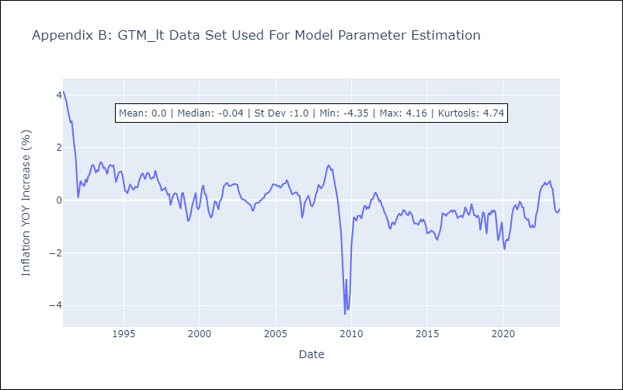

Appendix C: Residuals Analysis
Mean | 0.02
White Noise? | No - Correlation at Lags [ 1 2 3 4 5 6 7 8 9 10 11 12]
Normal? | No

HND
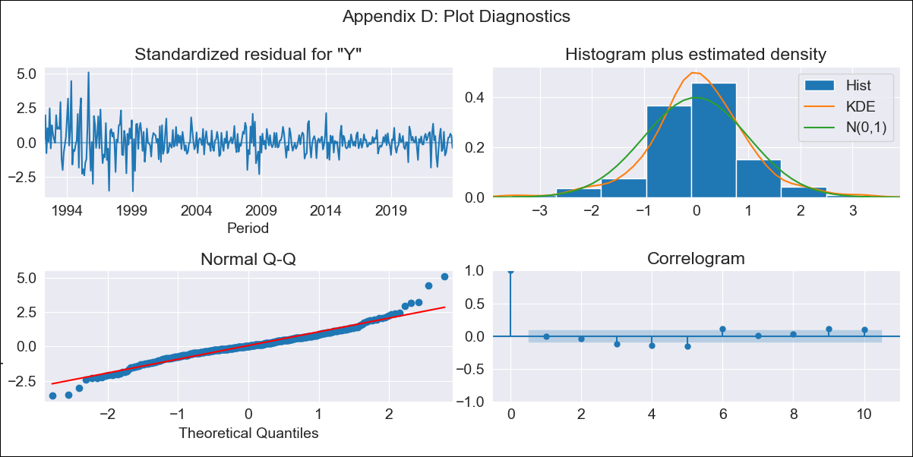
HND - Inflation - Next 12 months forecast as of: 2023-10-01

Model | ARIMA - [(2, 2, 0), (0, 0, 1, 12)]
Training Data | 1991-01-01 to 2022-11-01
Test Data | 2022-11-01 to 2023-10-01

Date | Inflation Change YoY % | Lower Bound - 95% Confidence Interval | Upper Bound - 95% Confidence Interval
2023-11-01 | 5.45 | 4.35 | 6.56
2023-12-01 | 5.65 | 3.65 | 7.66
2024-01-01 | 5.83 | 2.89 | 8.77
2024-02-01 | 5.44 | 1.36 | 9.53
2024-03-01 | 5.81 | 0.46 | 11.16
2024-04-01 | 6.36 | -0.35 | 13.06
2024-05-01 | 6.68 | -1.49 | 14.84
2024-06-01 | 6.88 | -2.84 | 16.6
2024-07-01 | 7.03 | -4.33 | 18.39
2024-08-01 | 6.94 | -6.15 | 20.02
2024-09-01 | 6.74 | -8.15 | 21.63
2024-10-01 | 6.87 | -9.9 | 23.65

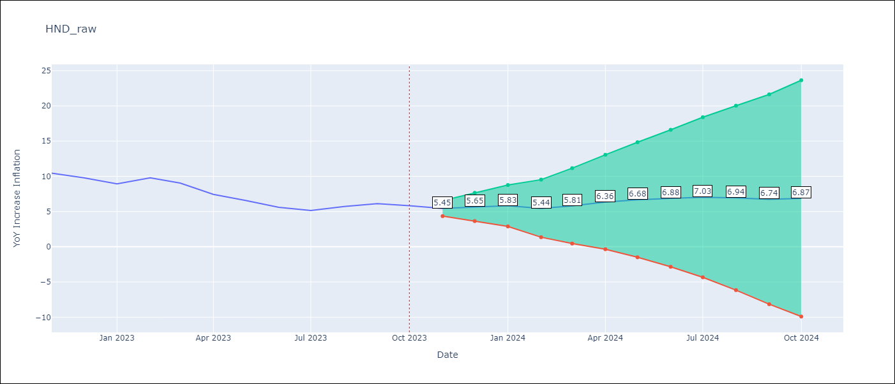

Test Metrics
RMSE | 0.51
Naive RMSE | 0.83
MAPE | 6.74%

Test Predictions
Date | Predicted | Actual
2022-11-01 | 9.88 | 10.44
2022-12-01 | 9.32 | 9.8
2023-01-01 | 8.66 | 8.93
2023-02-01 | 9.01 | 9.8
2023-03-01 | 8.6 | 9.05
2023-04-01 | 7.58 | 7.44
2023-05-01 | 7.02 | 6.58
2023-06-01 | 6.22 | 5.6
2023-07-01 | 5.88 | 5.15
2023-08-01 | 6.27 | 5.71
2023-09-01 | 6.41 | 6.13
2023-10-01 | 6.21 | 5.84

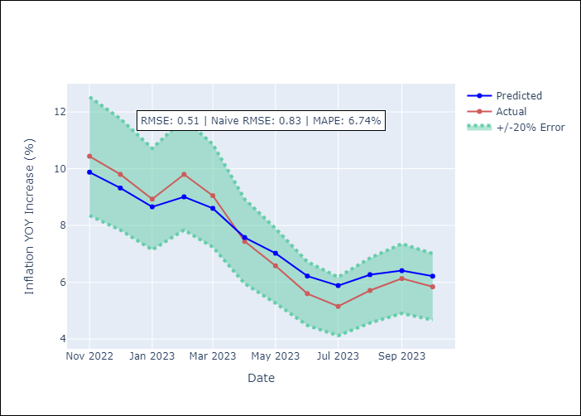

Appendix A: Model Summary
Model | ARIMA(2, 2, 0)x(0, 0, [1], 12)
Sample | 01-01-1991- 10-01-2023
No. of Observations | 394
Terms | P-value (Statistical significance)
ar.L1 | 0.000
ar.L2 | 0.000
ma.S.L12 | 0.000
sigma2 | 0.000
Assumptions | P-value
Ljung-Box (L1) | 1.00
Heteroskedasticity | 0.00
Jarque-Bera | 0.00
Skew | 0.37
Kurtosis | 6.40

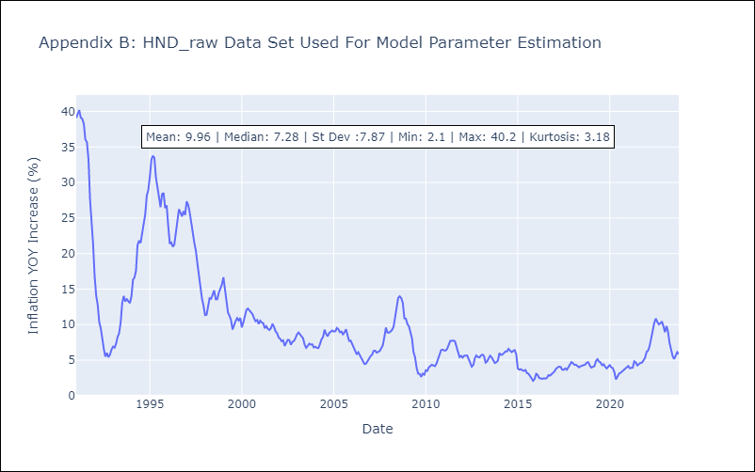

Appendix C: Residuals Analysis
Mean | 0.05
White Noise? | No - Correlation at Lags [ 1 2 3 4 5 6 7 8 9 10 11 12]
Normal? | No

MEX
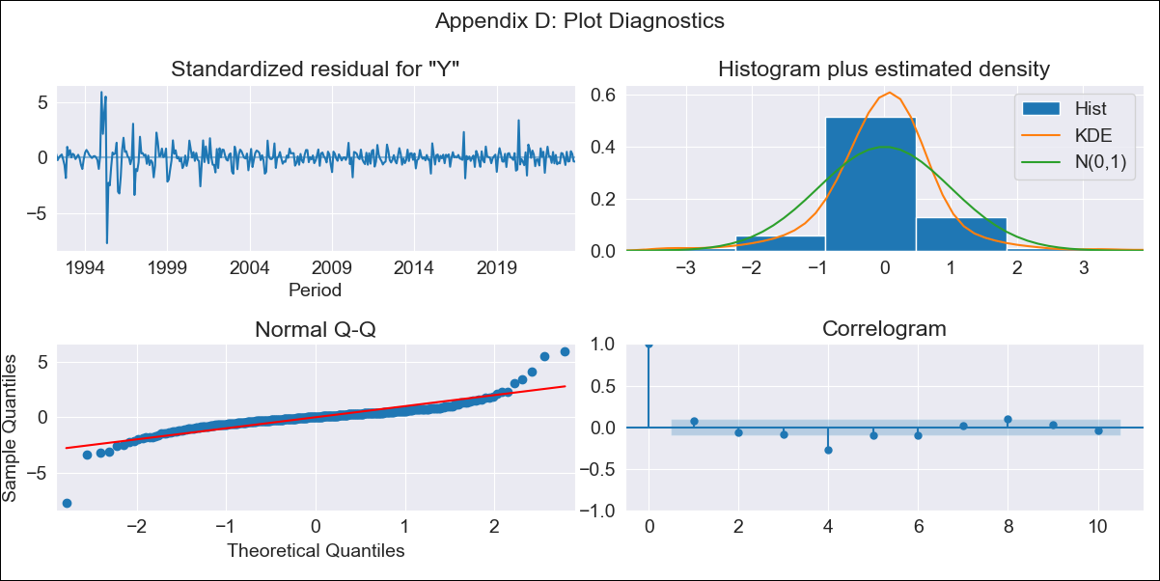
MEX - Inflation - Next 12 months forecast as of: 2023-10-01

Model | ARIMA - [(0, 2, 0), (2, 0, 2, 12)]
Training Data | 1990-01-01 to 2022-11-01
Test Data | 2022-11-01 to 2023-10-01

Date | Inflation Change YoY % | Lower Bound - 95% Confidence Interval | Upper Bound - 95% Confidence Interval
2023-11-01 | 4.15 | 3.14 | 5.16
2023-12-01 | 4.04 | 1.78 | 6.3
2024-01-01 | 3.82 | 0.04 | 7.6
2024-02-01 | 3.53 | -2.01 | 9.06
2024-03-01 | 3.48 | -4.02 | 10.97
2024-04-01 | 3.21 | -6.43 | 12.86
2024-05-01 | 3.12 | -8.84 | 15.08
2024-06-01 | 3.09 | -11.35 | 17.53
2024-07-01 | 2.88 | -14.19 | 19.95
2024-08-01 | 2.48 | -17.36 | 22.32
2024-09-01 | 2.28 | -20.46 | 25.03
2024-10-01 | 2.27 | -23.51 | 28.04

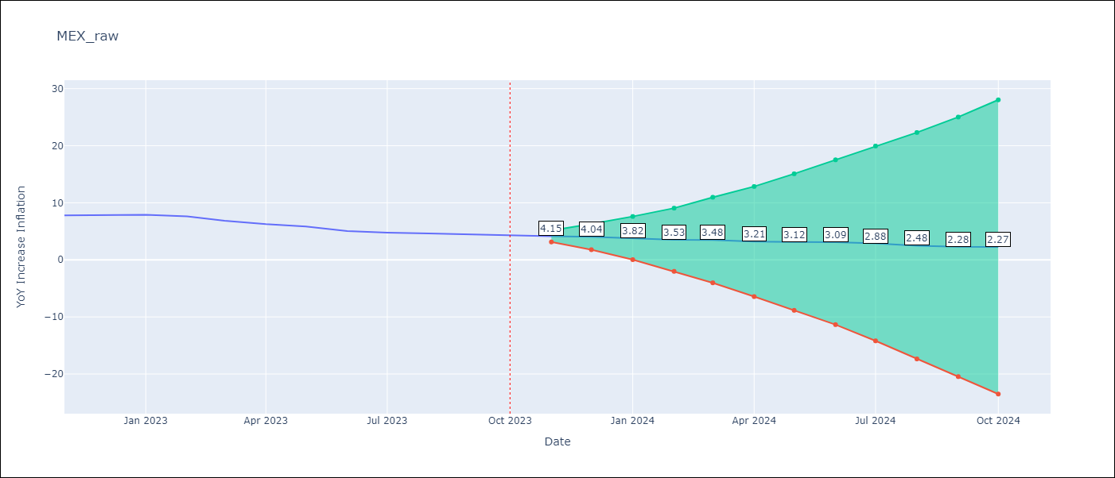

Test Metrics
RMSE | 0.28
Naive RMSE | 0.43
MAPE | 4.42%

Test Predictions
Date | Predicted | Actual
2022-11-01 | 8.06 | 7.8
2022-12-01 | 8.12 | 7.82
2023-01-01 | 8.05 | 7.91
2023-02-01 | 7.63 | 7.62
2023-03-01 | 7.06 | 6.85
2023-04-01 | 6.37 | 6.25
2023-05-01 | 6.07 | 5.84
2023-06-01 | 5.55 | 5.06
2023-07-01 | 5.24 | 4.79
2023-08-01 | 4.87 | 4.64
2023-09-01 | 4.62 | 4.45
2023-10-01 | 4.56 | 4.26

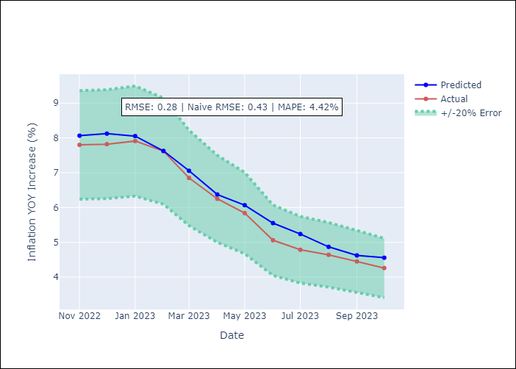

Appendix A: Model Summary
Model | ARIMA(0, 2, 0)x(2, 0, [1, 2], 12)
Sample | 01-01-1990- 10-01-2023
No. of Observations | 406
Terms | P-value (Statistical significance)
ar.S.L12 | 0.971
ar.S.L24 | 0.046
ma.S.L12 | 0.000
ma.S.L24 | 0.707
sigma2 | 0.000
Assumptions | P-value
Ljung-Box (L1) | 0.16
Heteroskedasticity | 0.00
Jarque-Bera | 0.00
Skew | -0.23
Kurtosis | 18.53

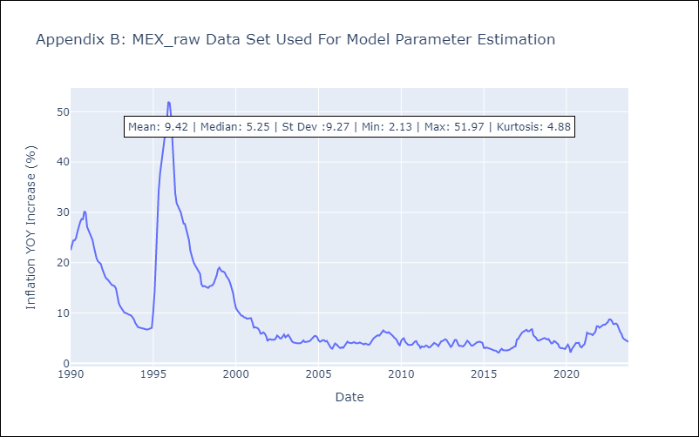

Appendix C: Residuals Analysis
Mean | 0.02
White Noise? | No - Correlation at Lags [ 1 2 3 4 5 6 7 8 9 10 11 12]
Normal? | No

NIC
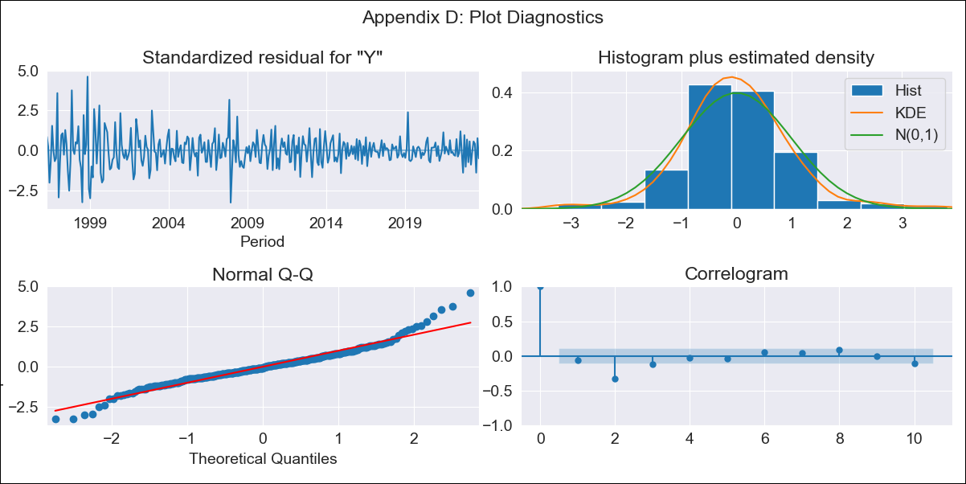
NIC - Inflation - Next 12 months forecast as of: 2023-09-01

Model | SARIMAX - [(1, 2, 0), (3, 0, 1, 12)] | Exogenous Variables | YoY Increase Crude oil WTI, YoY Increase Index Energy, YoY Increase Index Food
Training Data | 1993-01-01 to 2022-10-01
Test Data | 2022-10-01 to 2023-09-01

Date | Inflation Change YoY % | Lower Bound - 95% Confidence Interval | Upper Bound - 95% Confidence Interval
2023-10-01 | 6.11 | 4.43 | 7.8
2023-11-01 | 5.98 | 2.51 | 9.45
2023-12-01 | 5.27 | -0.37 | 10.91
2024-01-01 | 5.15 | -2.98 | 13.27
2024-02-01 | 4.5 | -6.39 | 15.38
2024-03-01 | 4.37 | -9.54 | 18.27
2024-04-01 | 4.14 | -13.02 | 21.3
2024-05-01 | 3.62 | -17.01 | 24.25
2024-06-01 | 3.02 | -21.29 | 27.33
2024-07-01 | 3.33 | -24.85 | 31.52
2024-08-01 | 2.96 | -29.29 | 35.2
2024-09-01 | 3.11 | -33.37 | 39.59

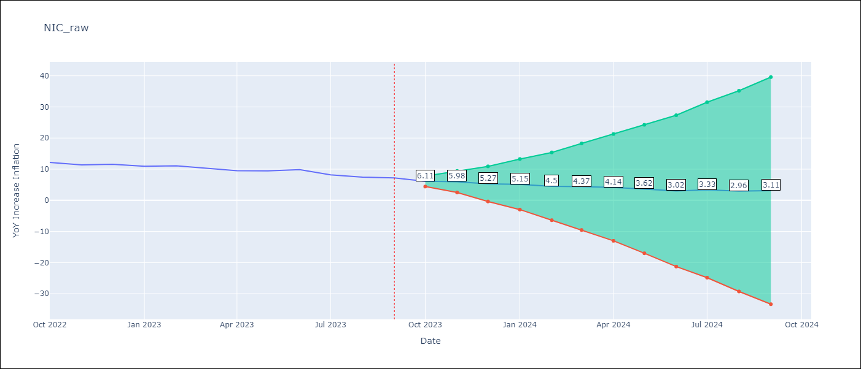

Test Metrics
RMSE | 0.95
Naive RMSE | 0.74
MAPE | 9.17%

Test Predictions
Date | Predicted | Actual
2022-10-01 | 11.36 | 12.16
2022-11-01 | 10.83 | 11.38
2022-12-01 | 10.5 | 11.59
2023-01-01 | 10.08 | 10.92
2023-02-01 | 9.77 | 11.1
2023-03-01 | 9.31 | 10.39
2023-04-01 | 8.59 | 9.53
2023-05-01 | 8.43 | 9.47
2023-06-01 | 8.46 | 9.87
2023-07-01 | 7.53 | 8.17
2023-08-01 | 6.67 | 7.46
2023-09-01 | 6.77 | 7.17

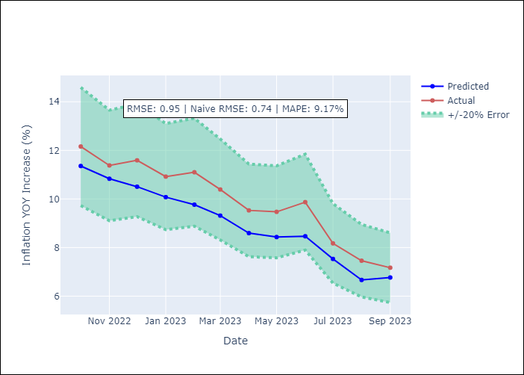

Appendix A: Model Summary
Model | SARIMAX(1, 2, 0)x(3, 0, [1], 12)
Sample | 01-01-1993- 09-01-2023
No. of Observations | 369
Terms | P-value (Statistical significance)
YoY Increase Crude oil WTI | 0.997
YoY Increase Index Energy | 0.520
YoY Increase Index Food | 0.558
ar.L1 | 0.000
ar.S.L12 | 0.000
ar.S.L24 | 0.000
ar.S.L36 | 0.997
ma.S.L12 | 0.000
sigma2 | 0.000
Assumptions | P-value
Ljung-Box (L1) | 0.21
Heteroskedasticity | 0.00
Jarque-Bera | 0.00
Skew | 0.47
Kurtosis | 5.73

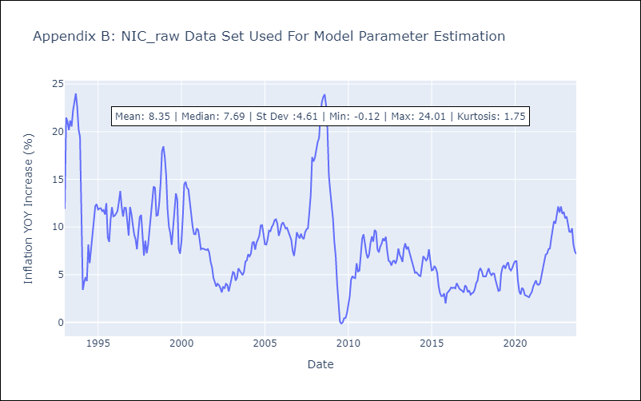

Appendix C: Residuals Analysis
Mean | 0.01
White Noise? | No - Correlation at Lags [ 2 3 4 5 6 7 8 9 10 11 12]
Normal? | No

PAN
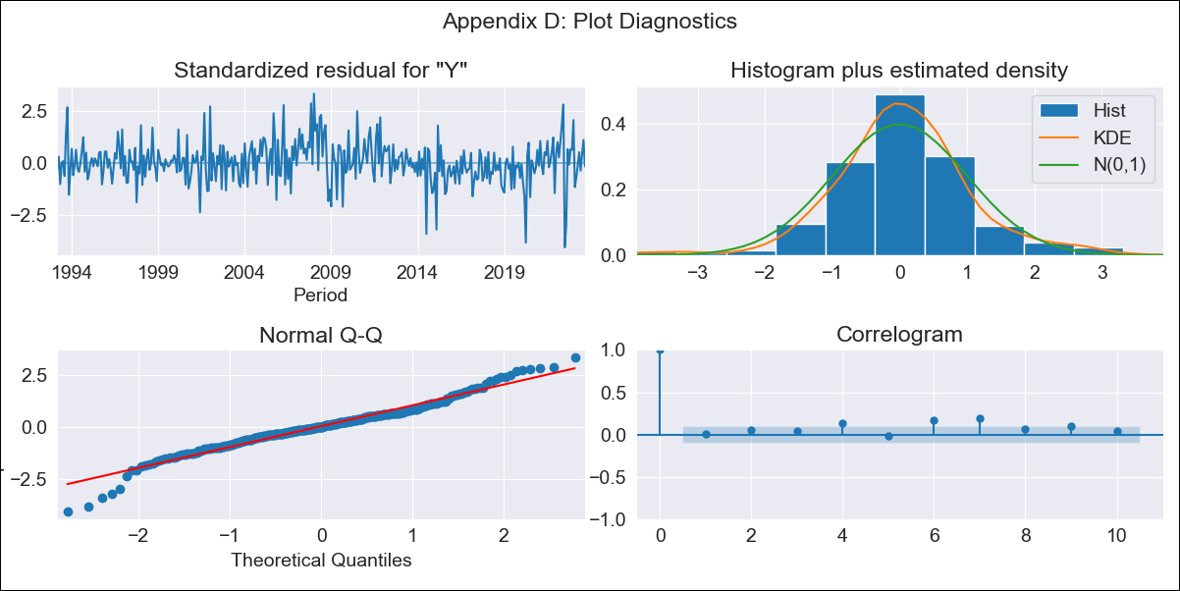
PAN - Inflation - Next 12 months forecast as of: 2023-09-01

Model | SARIMAX - [(1, 0, 1), (0, 0, 1, 12)] | Exogenous Variables | YoY Increase Crude oil WTI, YoY Increase Index Energy, YoY Increase Index Food
Training Data | 1992-01-01 to 2022-10-01
Test Data | 2022-10-01 to 2023-09-01

Date | Inflation Change YoY % | Lower Bound - 95% Confidence Interval | Upper Bound - 95% Confidence Interval
2023-10-01 | 2.3 | 1.6 | 3.01
2023-11-01 | 2.17 | 1.05 | 3.29
2023-12-01 | 2.01 | 0.6 | 3.43
2024-01-01 | 1.41 | -0.25 | 3.08
2024-02-01 | 1.63 | -0.24 | 3.51
2024-03-01 | 1.88 | -0.18 | 3.95
2024-04-01 | 1.96 | -0.28 | 4.2
2024-05-01 | 1.87 | -0.53 | 4.28
2024-06-01 | 1.99 | -0.56 | 4.55
2024-07-01 | 1.9 | -0.8 | 4.59
2024-08-01 | 1.54 | -1.29 | 4.37
2024-09-01 | 1.51 | -1.45 | 4.47

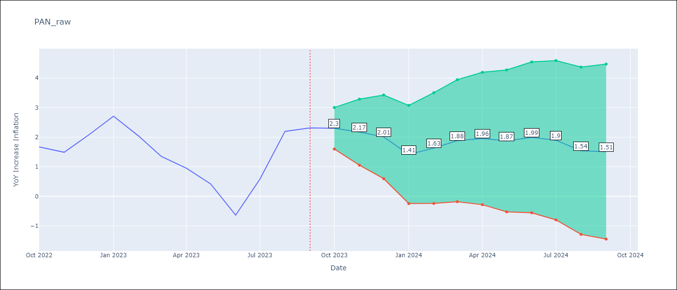

Test Metrics
RMSE | 0.81
Naive RMSE | 0.82
MAPE | 62.91%

Test Predictions
Date | Predicted | Actual
2022-10-01 | 1.73 | 1.67
2022-11-01 | 1.37 | 1.49
2022-12-01 | 1.71 | 2.07
2023-01-01 | 1.61 | 2.71
2023-02-01 | 1.17 | 2.04
2023-03-01 | 0.67 | 1.35
2023-04-01 | 0.19 | 0.95
2023-05-01 | -0.37 | 0.42
2023-06-01 | -1.19 | -0.64
2023-07-01 | -0.14 | 0.58
2023-08-01 | 0.98 | 2.2
2023-09-01 | 1 | 2.31

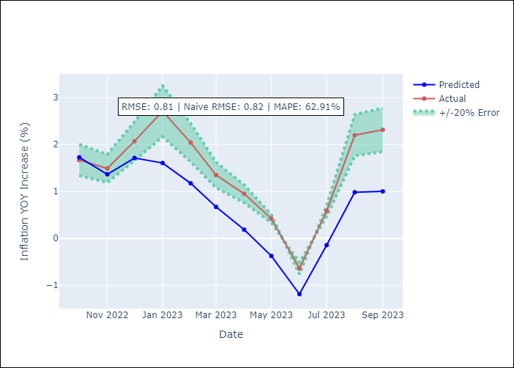

Appendix A: Model Summary
Model | SARIMAX(1, 0, 1)x(0, 0, 1, 12)
Sample | 01-01-1992- 09-01-2023
No. of Observations | 381
Terms | P-value (Statistical significance)
YoY Increase Crude oil WTI | 0.844
YoY Increase Index Energy | 0.199
YoY Increase Index Food | 0.083
ar.L1 | 0.000
ma.L1 | 0.000
ma.S.L12 | 0.000
sigma2 | 0.000
Assumptions | P-value
Ljung-Box (L1) | 0.81
Heteroskedasticity | 0.01
Jarque-Bera | 0.00
Skew | -0.15
Kurtosis | 5.00

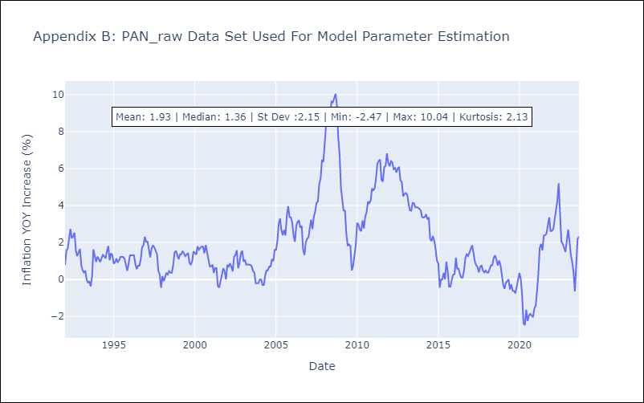

Appendix C: Residuals Analysis
Mean | 0.01
White Noise? | No - Correlation at Lags [ 4 6 7 8 9 10 11 12]
Normal? | No

SLV
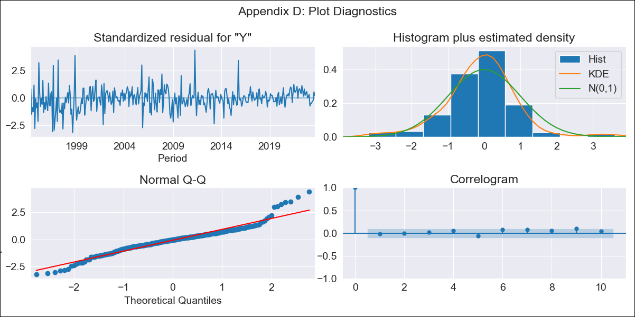
SLV - Inflation - Next 12 months forecast as of: 2023-09-01

Model | ARIMA - [(2, 1, 0), (3, 0, 0, 12)]
Training Data | 1991-01-01 to 2022-10-01
Test Data | 2022-10-01 to 2023-09-01

Date | Inflation Change YoY % | Lower Bound - 95% Confidence Interval | Upper Bound - 95% Confidence Interval
2023-10-01 | 2.81 | 1.53 | 4.08
2023-11-01 | 2.59 | 0.73 | 4.46
2023-12-01 | 2.63 | 0.19 | 5.07
2024-01-01 | 2.59 | -0.33 | 5.5
2024-02-01 | 2.5 | -0.84 | 5.85
2024-03-01 | 2.91 | -0.82 | 6.63
2024-04-01 | 3.22 | -0.85 | 7.3
2024-05-01 | 3.56 | -0.84 | 7.95
2024-06-01 | 3.88 | -0.81 | 8.58
2024-07-01 | 4.2 | -0.78 | 9.17
2024-08-01 | 4.09 | -1.16 | 9.33
2024-09-01 | 4.09 | -1.41 | 9.59

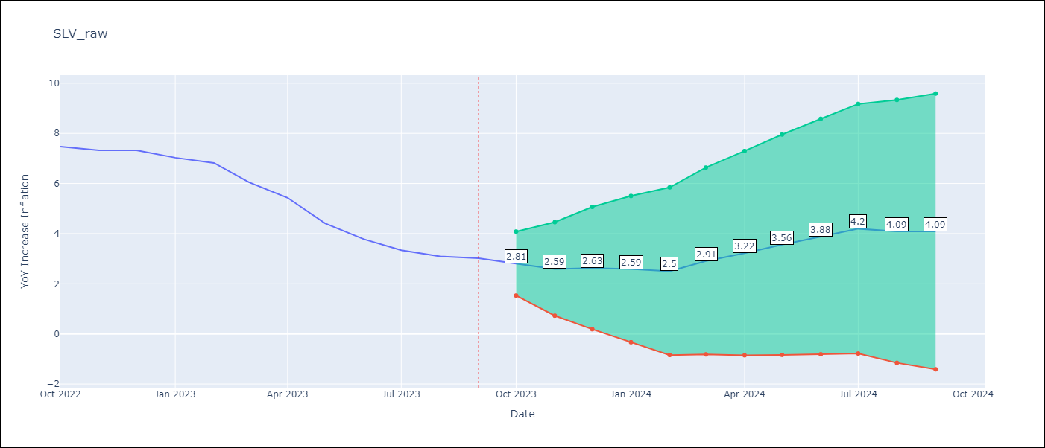

Test Metrics
RMSE | 0.61
Naive RMSE | 0.51
MAPE | 9.98%

Test Predictions
Date | Predicted | Actual
2022-10-01 | 7.18 | 7.47
2022-11-01 | 6.64 | 7.32
2022-12-01 | 6.57 | 7.32
2023-01-01 | 6.14 | 7.03
2023-02-01 | 5.71 | 6.82
2023-03-01 | 5.38 | 6.05
2023-04-01 | 5.11 | 5.43
2023-05-01 | 4.51 | 4.41
2023-06-01 | 4.16 | 3.78
2023-07-01 | 3.98 | 3.34
2023-08-01 | 3.44 | 3.09
2023-09-01 | 3.26 | 3.02

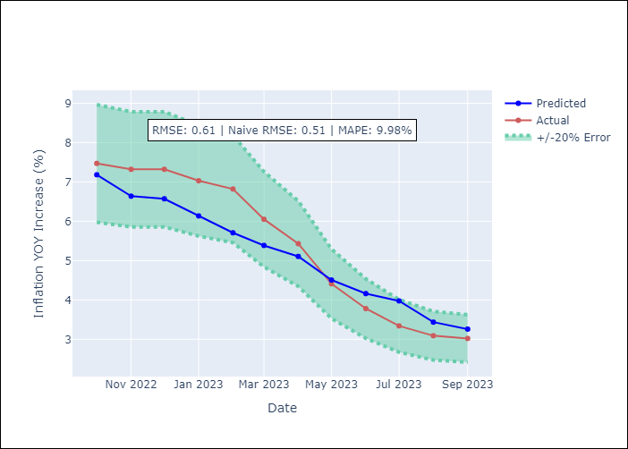

Appendix A: Model Summary
Model | ARIMA(2, 1, 0)x(3, 0, 0, 12)
Sample | 01-01-1991- 09-01-2023
No. of Observations | 393
Terms | P-value (Statistical significance)
ar.L1 | 0.118
ar.L2 | 0.000
ar.S.L12 | 0.000
ar.S.L24 | 0.000
ar.S.L36 | 0.000
sigma2 | 0.000
Assumptions | P-value
Ljung-Box (L1) | 0.77
Heteroskedasticity | 0.00
Jarque-Bera | 0.00
Skew | 0.35
Kurtosis | 5.98

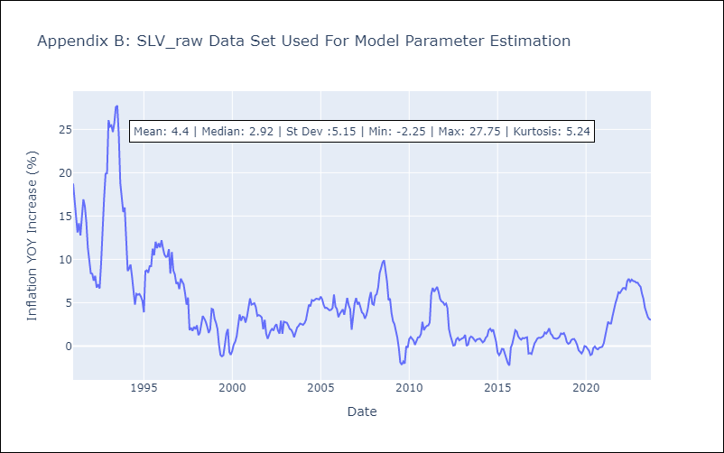

Appendix C: Residuals Analysis
Mean | -0.0
White Noise? | No - Correlation at Lags [ 2 3 4 5 6 7 8 9 10 11 12]
Normal? | No

