ATG
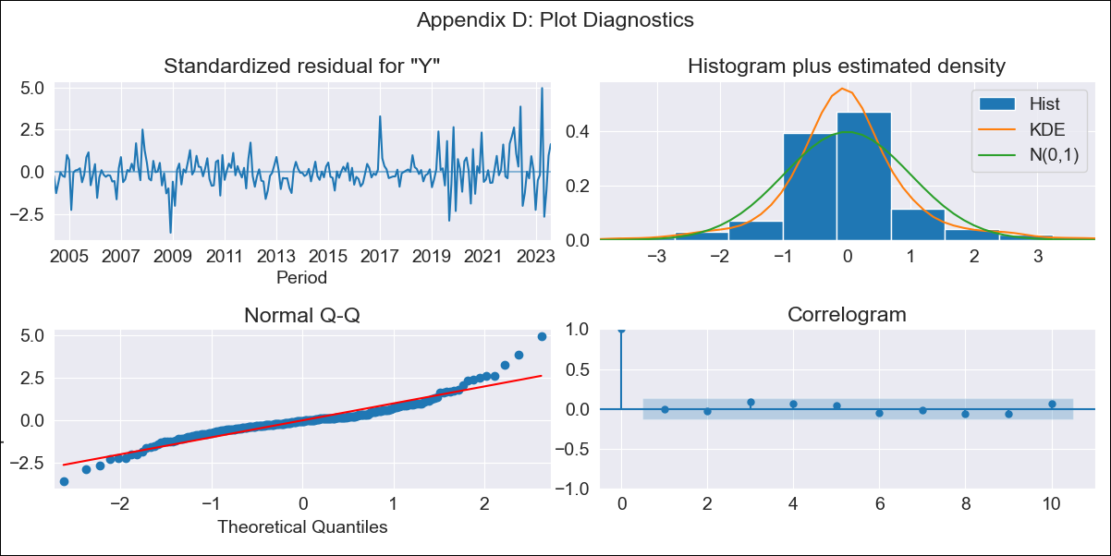
ATG - Inflation - Next 12 months forecast as of: 2023-08-01

Model | ARIMA - [(0, 2, 2), (0, 0, 1, 12)]
Training Data | 2003-01-01 to 2022-09-01
Test Data | 2022-09-01 to 2023-08-01

Date | Inflation Change YoY % | Lower Bound - 95% Confidence Interval | Upper Bound - 95% Confidence Interval
2023-09-01 | 6.4 | 5.03 | 7.76
2023-10-01 | 6.69 | 4.87 | 8.51
2023-11-01 | 6.21 | 4 | 8.43
2023-12-01 | 6.28 | 3.71 | 8.85
2024-01-01 | 7.62 | 4.72 | 10.53
2024-02-01 | 7.82 | 4.6 | 11.05
2024-03-01 | 8 | 4.46 | 11.54
2024-04-01 | 5.3 | 1.46 | 9.14
2024-05-01 | 7.23 | 3.09 | 11.37
2024-06-01 | 7.71 | 3.27 | 12.15
2024-07-01 | 7.16 | 2.43 | 11.89
2024-08-01 | 6.39 | 1.37 | 11.41

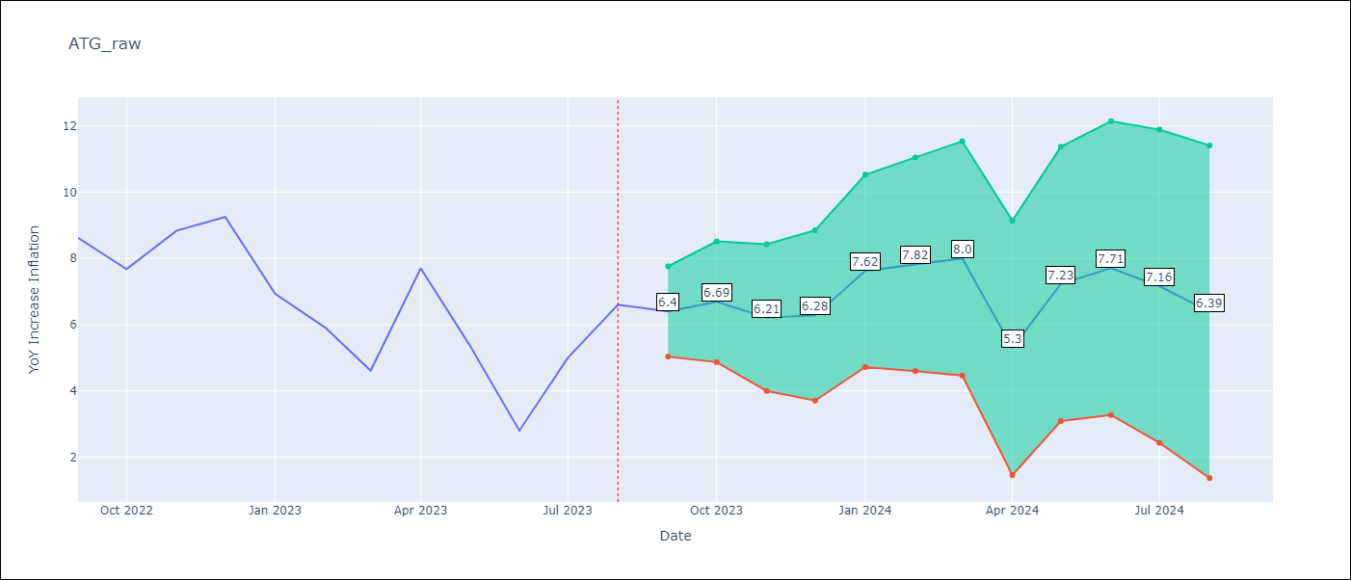

Test Metrics
RMSE | 0.97
Naive RMSE | 1.9
MAPE | 12.24%

Test Predictions
Date | Predicted | Actual
2022-09-01 | 8.54 | 8.62
2022-10-01 | 7.85 | 7.68
2022-11-01 | 8.31 | 8.84
2022-12-01 | 8.69 | 9.25
2023-01-01 | 7.9 | 6.93
2023-02-01 | 7.01 | 5.91
2023-03-01 | 5.81 | 4.61
2023-04-01 | 5.48 | 7.7
2023-05-01 | 5.43 | 5.4
2023-06-01 | 3.3 | 2.8
2023-07-01 | 4.72 | 5
2023-08-01 | 5.26 | 6.6

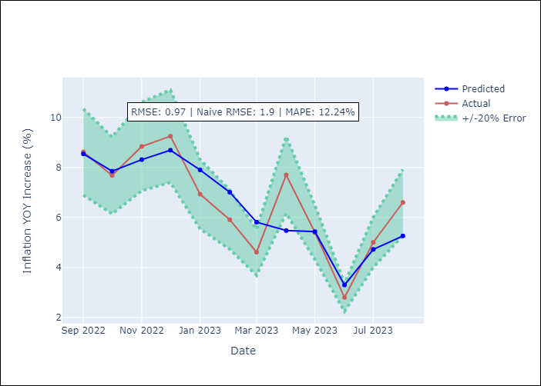

Appendix A: Model Summary
Model | ARIMA(0, 2, 2)x(0, 0, [1], 12)
Sample | 01-01-2003- 08-01-2023
No. of Observations | 248
Terms | P-value (Statistical significance)
ma.L1 | 0.000
ma.L2 | 0.012
ma.S.L12 | 0.000
sigma2 | 0.000
Assumptions | P-value
Ljung-Box (L1) | 0.89
Heteroskedasticity | 0.00
Jarque-Bera | 0.00
Skew | 0.73
Kurtosis | 7.31

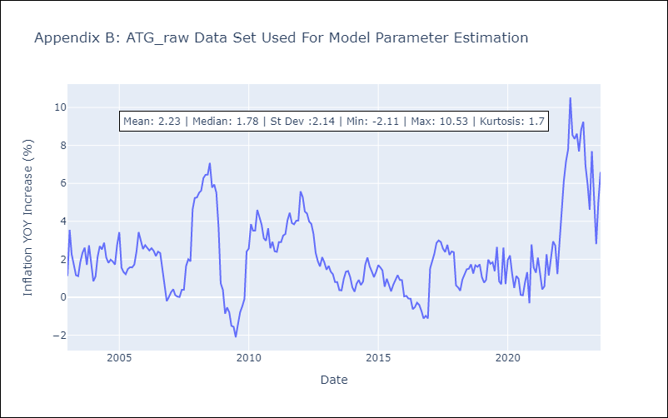

Appendix C: Residuals Analysis
Mean | 0.0
White Noise? | Yes
Normal? | No

BHS
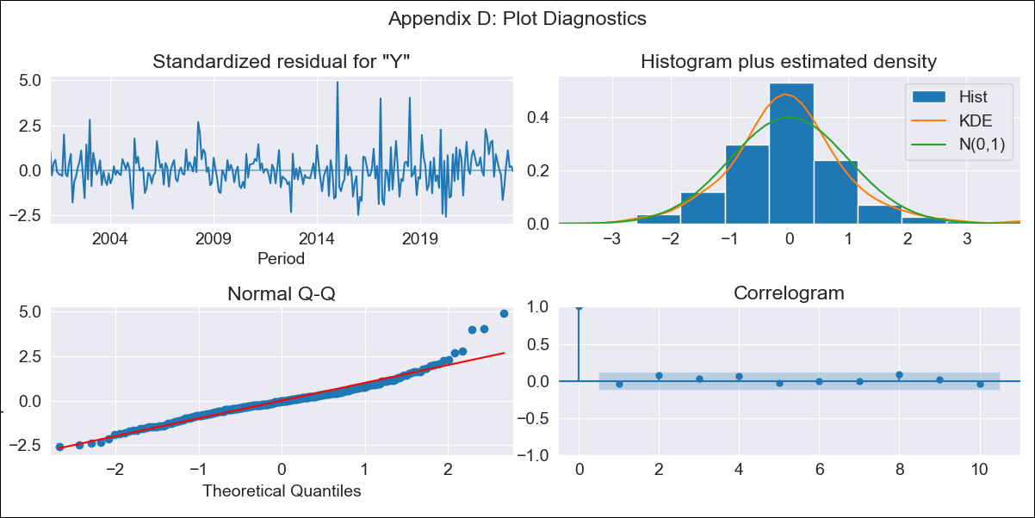
BHS - Inflation - Next 12 months forecast as of: 2023-07-01

Model | ARIMA - [(1, 0, 0), (3, 0, 0, 12)]
Training Data | 1998-01-01 to 2022-08-01
Test Data | 2022-08-01 to 2023-07-01

Date | Inflation Change YoY % | Lower Bound - 95% Confidence Interval | Upper Bound - 95% Confidence Interval
2023-08-01 | 2.32 | 1.42 | 3.22
2023-09-01 | 2.12 | 0.86 | 3.38
2023-10-01 | 1.85 | 0.33 | 3.37
2023-11-01 | 1.93 | 0.19 | 3.66
2023-12-01 | 1.95 | 0.04 | 3.86
2024-01-01 | 2.6 | 0.54 | 4.67
2024-02-01 | 2.44 | 0.24 | 4.64
2024-03-01 | 2.32 | 0 | 4.64
2024-04-01 | 1.69 | -0.73 | 4.12
2024-05-01 | 1.84 | -0.68 | 4.36
2024-06-01 | 1.67 | -0.95 | 4.28
2024-07-01 | 1.49 | -1.2 | 4.19

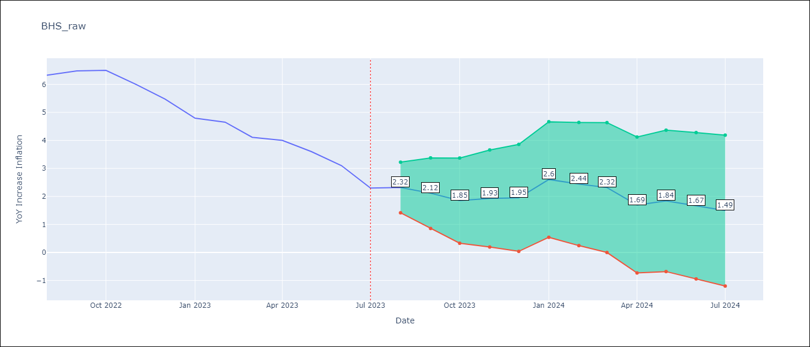

Test Metrics
RMSE | 0.4
Naive RMSE | 0.47
MAPE | 6.85%

Test Predictions
Date | Predicted | Actual
2022-08-01 | 6.48 | 6.33
2022-09-01 | 6.22 | 6.48
2022-10-01 | 6.03 | 6.5
2022-11-01 | 5.52 | 6
2022-12-01 | 5.11 | 5.48
2023-01-01 | 5.21 | 4.79
2023-02-01 | 5.44 | 4.65
2023-03-01 | 4.73 | 4.11
2023-04-01 | 4.06 | 4
2023-05-01 | 3.58 | 3.6
2023-06-01 | 2.96 | 3.1
2023-07-01 | 2.16 | 2.3

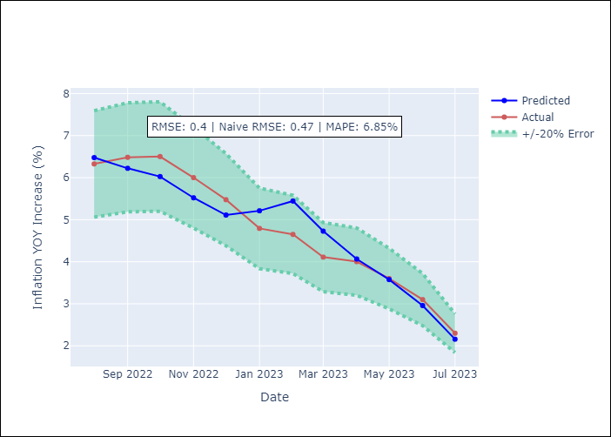

Appendix A: Model Summary
Model | ARIMA(1, 0, 0)x(3, 0, 0, 12)
Sample | 01-01-1998- 07-01-2023
No. of Observations | 307
Terms | P-value (Statistical significance)
const | 0.000
ar.L1 | 0.000
ar.S.L12 | 0.000
ar.S.L24 | 0.000
ar.S.L36 | 0.000
sigma2 | 0.000
Assumptions | P-value
Ljung-Box (L1) | 0.51
Heteroskedasticity | 0.00
Jarque-Bera | 0.00
Skew | 0.88
Kurtosis | 6.40

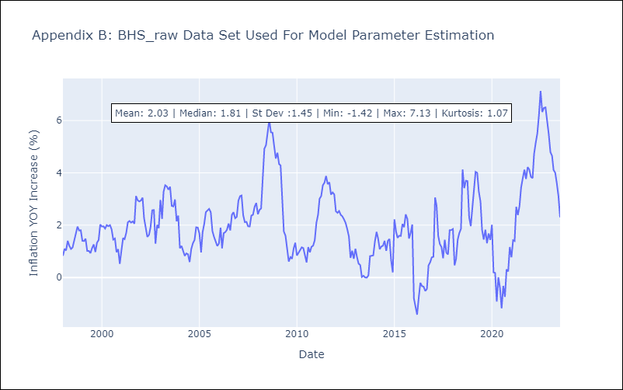

Appendix C: Residuals Analysis
Mean | -0.01
White Noise? | Yes
Normal? | No

BLZ
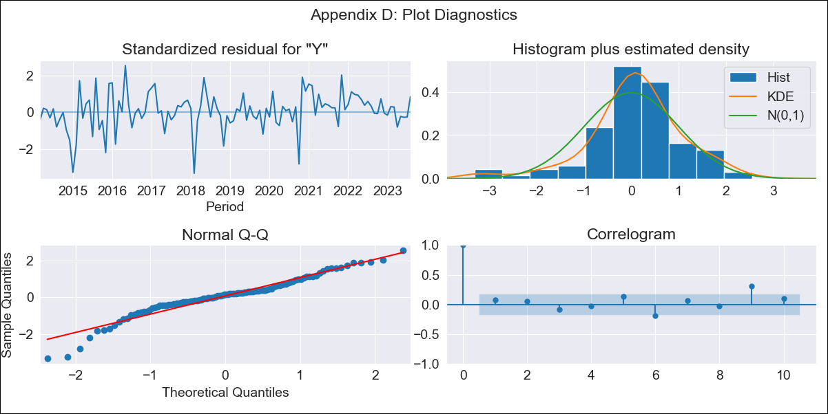
BLZ - Inflation - Next 12 months forecast as of: 2023-08-01

Model | ARIMA - [(0, 1, 0), (0, 0, 2, 12)]
Training Data | 2012-01-01 to 2022-09-01
Test Data | 2022-09-01 to 2023-08-01

Date | Inflation Change YoY % | Lower Bound - 95% Confidence Interval | Upper Bound - 95% Confidence Interval
2023-09-01 | 3.49 | 1.92 | 5.72
2023-10-01 | 3.35 | 1.34 | 6.64
2023-11-01 | 3.36 | 1.02 | 7.62
2023-12-01 | 3.42 | 0.8 | 8.63
2024-01-01 | 3.63 | 0.7 | 9.93
2024-02-01 | 3.7 | 0.56 | 10.94
2024-03-01 | 3.75 | 0.43 | 11.91
2024-04-01 | 4.61 | 0.6 | 14.84
2024-05-01 | 5.02 | 0.61 | 16.77
2024-06-01 | 5.38 | 0.59 | 18.68
2024-07-01 | 5.82 | 0.61 | 20.85
2024-08-01 | 5.15 | 0.31 | 20.06

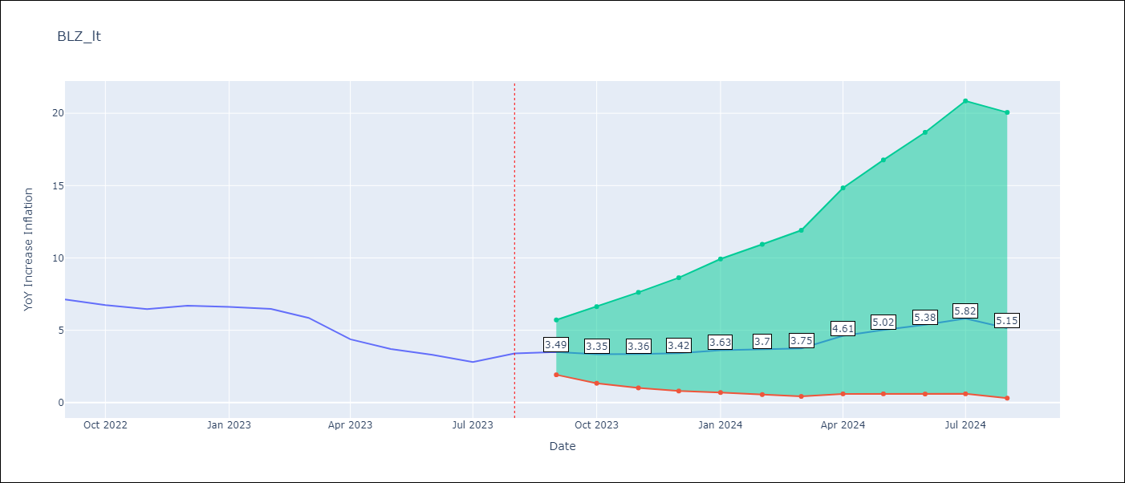

Test Metrics
RMSE | 0.68
Naive RMSE | 0.61
MAPE | 10.09%

Test Predictions
Date | Predicted | Actual
2022-09-01 | 7.21 | 7.13
2022-10-01 | 6.93 | 6.75
2022-11-01 | 5.56 | 6.46
2022-12-01 | 5.83 | 6.7
2023-01-01 | 5.94 | 6.62
2023-02-01 | 5.37 | 6.48
2023-03-01 | 4.48 | 5.86
2023-04-01 | 4.03 | 4.38
2023-05-01 | 3.59 | 3.7
2023-06-01 | 3.44 | 3.3
2023-07-01 | 3.14 | 2.8
2023-08-01 | 2.98 | 3.4

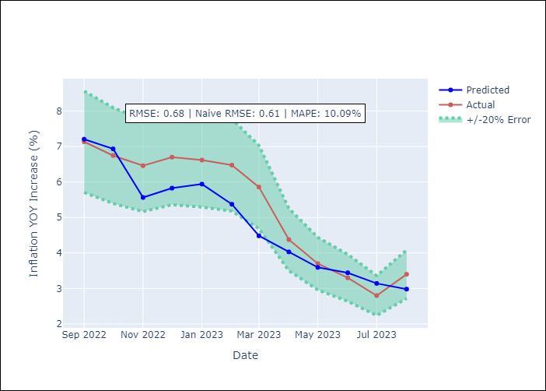

Appendix A: Model Summary
Model | ARIMA(0, 1, 0)x(0, 0, [1, 2], 12)
Sample | 01-01-2012- 08-01-2023
No. of Observations | 140
Terms | P-value (Statistical significance)
ma.S.L12 | 0.000
ma.S.L24 | 0.001
sigma2 | 0.000
Assumptions | P-value
Ljung-Box (L1) | 0.41
Heteroskedasticity | 0.08
Jarque-Bera | 0.00
Skew | -0.68
Kurtosis | 4.82

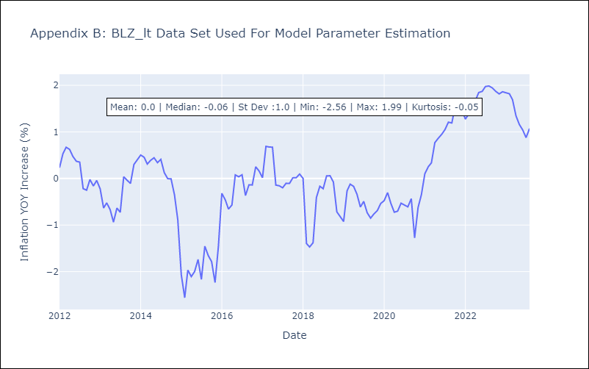

Appendix C: Residuals Analysis
Mean | 0.02
White Noise? | No - Correlation at Lags [ 9 10]
Normal? | No

BRB
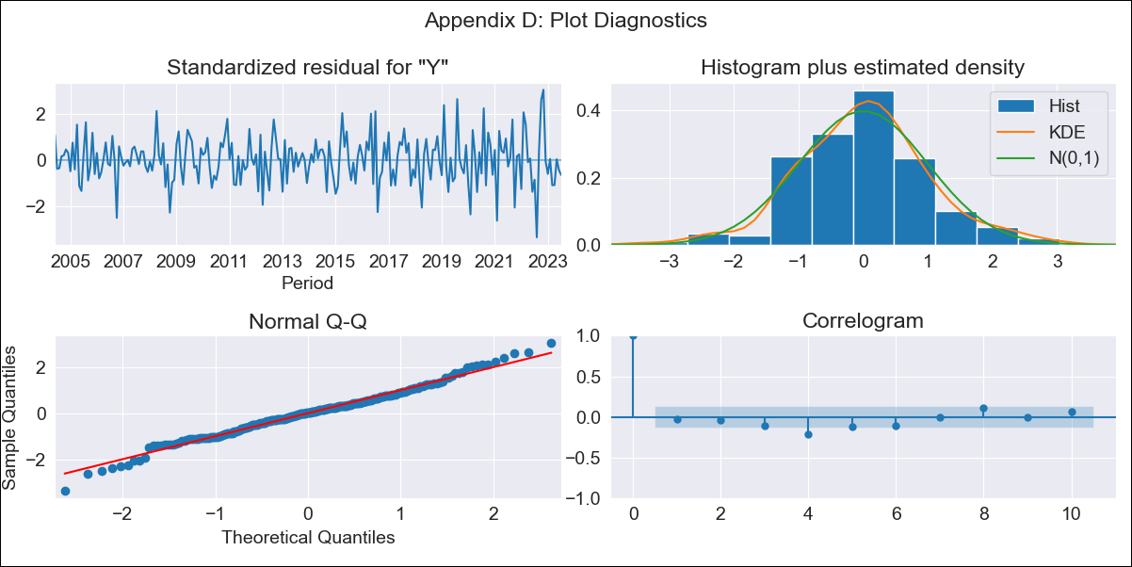
BRB - Inflation - Next 12 months forecast as of: 2023-07-01

Model | SARIMAX - [(3, 2, 0), (3, 0, 0, 12)] | Exogenous Variables | YoY Increase Crude oil WTI, YoY Increase Index Energy, YoY Increase Index Food
Training Data | 2001-01-01 to 2022-08-01
Test Data | 2022-08-01 to 2023-07-01

Date | Inflation Change YoY % | Lower Bound - 95% Confidence Interval | Upper Bound - 95% Confidence Interval
2023-08-01 | 12.35 | 10.63 | 14.07
2023-09-01 | 12.66 | 9.56 | 15.75
2023-10-01 | 11.67 | 7.04 | 16.31
2023-11-01 | 9.07 | 2.83 | 15.31
2023-12-01 | 7.9 | -0.19 | 15.99
2024-01-01 | 7.23 | -2.85 | 17.32
2024-02-01 | 5.46 | -6.77 | 17.69
2024-03-01 | 4.9 | -9.59 | 19.4
2024-04-01 | 4.78 | -12.11 | 21.67
2024-05-01 | 4.24 | -15.17 | 23.64
2024-06-01 | 4.19 | -17.85 | 26.23
2024-07-01 | 4.37 | -20.4 | 29.15

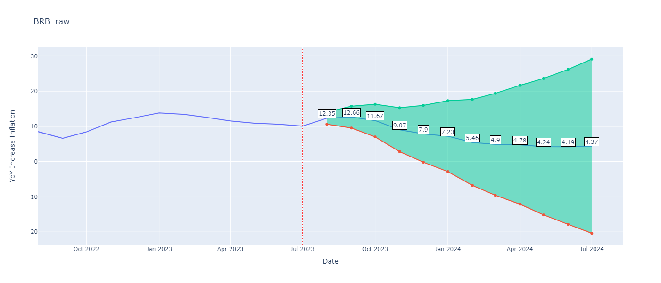

Test Metrics
RMSE | 2.05
Naive RMSE | 1.38
MAPE | 16.95%

Test Predictions
Date | Predicted | Actual
2022-08-01 | 11.82 | 8.51
2022-09-01 | 11.14 | 6.62
2022-10-01 | 12.03 | 8.45
2022-11-01 | 12.04 | 11.26
2022-12-01 | 12.42 | 12.48
2023-01-01 | 13.33 | 13.83
2023-02-01 | 11.95 | 13.45
2023-03-01 | 11.25 | 12.61
2023-04-01 | 10.8 | 11.58
2023-05-01 | 10.23 | 10.93
2023-06-01 | 10.32 | 10.62
2023-07-01 | 10.58 | 10.08

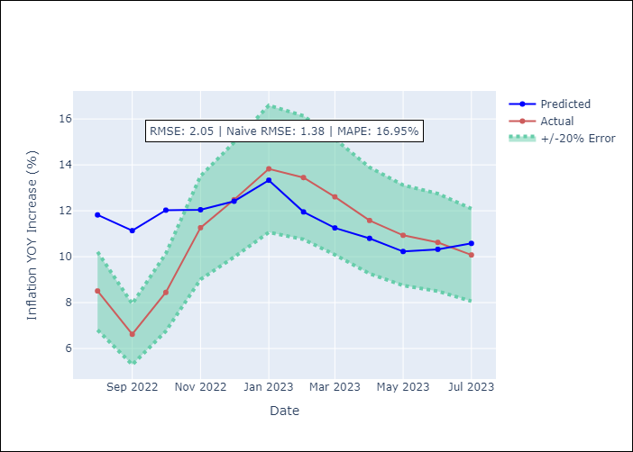

Appendix A: Model Summary
Model | SARIMAX(3, 2, 0)x(3, 0, 0, 12)
Sample | 01-01-2001- 07-01-2023
No. of Observations | 271
Terms | P-value (Statistical significance)
YoY Increase Crude oil WTI | 0.677
YoY Increase Index Energy | 0.455
YoY Increase Index Food | 0.983
ar.L1 | 0.000
ar.L2 | 0.002
ar.L3 | 0.006
ar.S.L12 | 0.000
ar.S.L24 | 0.000
ar.S.L36 | 0.000
sigma2 | 0.000
Assumptions | P-value
Ljung-Box (L1) | 0.73
Heteroskedasticity | 0.00
Jarque-Bera | 0.09
Skew | 0.02
Kurtosis | 3.70

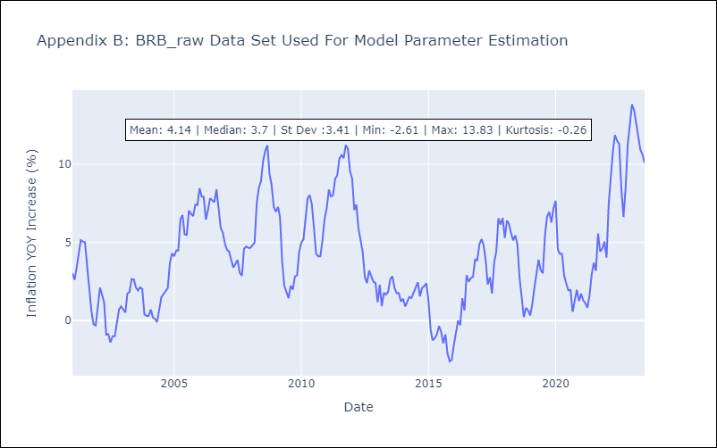

Appendix C: Residuals Analysis
Mean | -0.01
White Noise? | No - Correlation at Lags [ 4 5 6 7 8 9 10 11 12]
Normal? | No

DMA
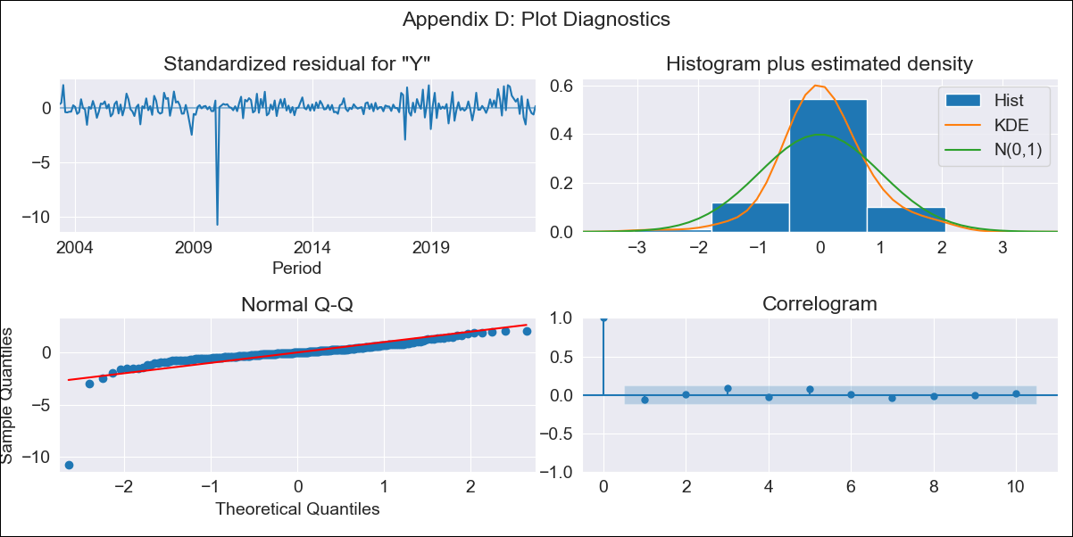
DMA - Inflation - Next 12 months forecast as of: 2023-06-01

Model | SARIMAX - [(0, 2, 1), (0, 0, 1, 12)] | Exogenous Variables | YoY Increase Crude oil WTI, YoY Increase Index Energy, YoY Increase Index Food
Training Data | 2002-01-01 to 2022-07-01
Test Data | 2022-07-01 to 2023-06-01

Date | Inflation Change YoY % | Lower Bound - 95% Confidence Interval | Upper Bound - 95% Confidence Interval
2023-07-01 | 3.18 | 1.4 | 4.77
2023-08-01 | 2.85 | 0.07 | 5.12
2023-09-01 | 2.36 | -1.71 | 5.19
2023-10-01 | 2.77 | -1.87 | 5.96
2023-11-01 | 2.19 | -3.99 | 5.85
2023-12-01 | 2.89 | -3.37 | 6.76
2024-01-01 | 3.93 | -1.91 | 7.93
2024-02-01 | 3.53 | -3.55 | 7.88
2024-03-01 | 3.51 | -4.36 | 8.14
2024-04-01 | 3.82 | -4.37 | 8.64
2024-05-01 | 4.3 | -3.9 | 9.29
2024-06-01 | 4.31 | -4.6 | 9.53

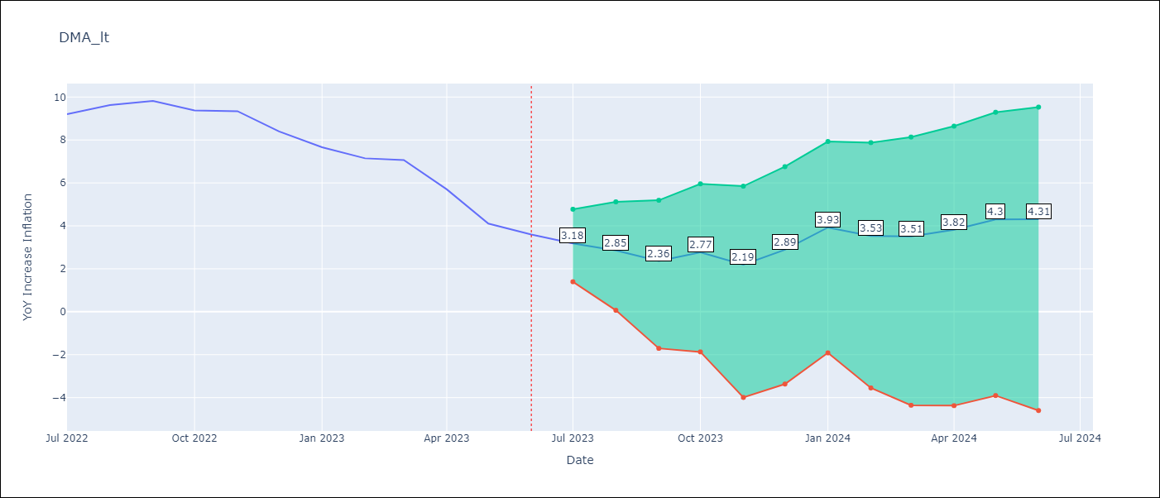

Test Metrics
RMSE | 0.8
Naive RMSE | 0.79
MAPE | 8.97%

Test Predictions
Date | Predicted | Actual
2022-07-01 | 8.72 | 9.2
2022-08-01 | 8.76 | 9.63
2022-09-01 | 8.47 | 9.82
2022-10-01 | 8.51 | 9.37
2022-11-01 | 7.82 | 9.34
2022-12-01 | 7.53 | 8.4
2023-01-01 | 7.97 | 7.66
2023-02-01 | 6.95 | 7.15
2023-03-01 | 6.81 | 7.07
2023-04-01 | 5.76 | 5.7
2023-05-01 | 4.7 | 4.11
2023-06-01 | 4.24 | 3.6

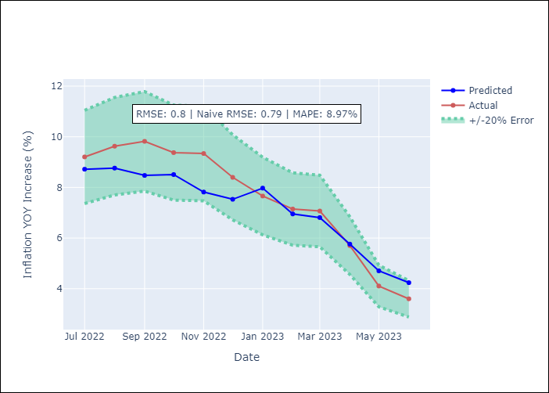

Appendix A: Model Summary
Model | SARIMAX(0, 2, 1)x(0, 0, 1, 12)
Sample | 01-01-2002- 06-01-2023
No. of Observations | 258
Terms | P-value (Statistical significance)
YoY Increase Crude oil WTI | 0.372
YoY Increase Index Energy | 0.461
YoY Increase Index Food | 0.596
ma.L1 | 0.000
ma.S.L12 | 0.000
sigma2 | 0.000
Assumptions | P-value
Ljung-Box (L1) | 0.30
Heteroskedasticity | 0.00
Jarque-Bera | 0.00
Skew | -5.14
Kurtosis | 57.08

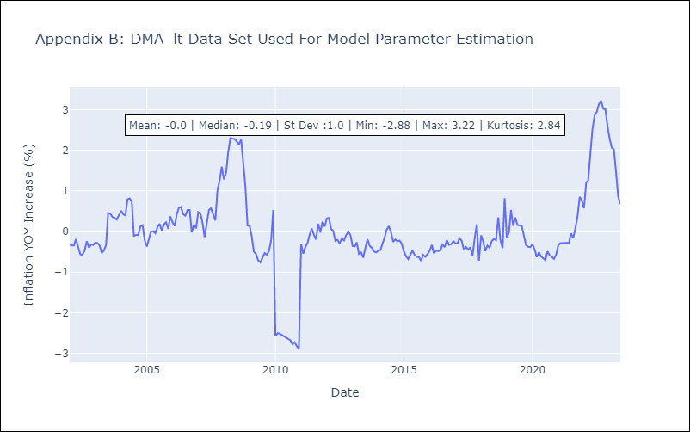

Appendix C: Residuals Analysis
Mean | 0.0
White Noise? | Yes
Normal? | No

GRD
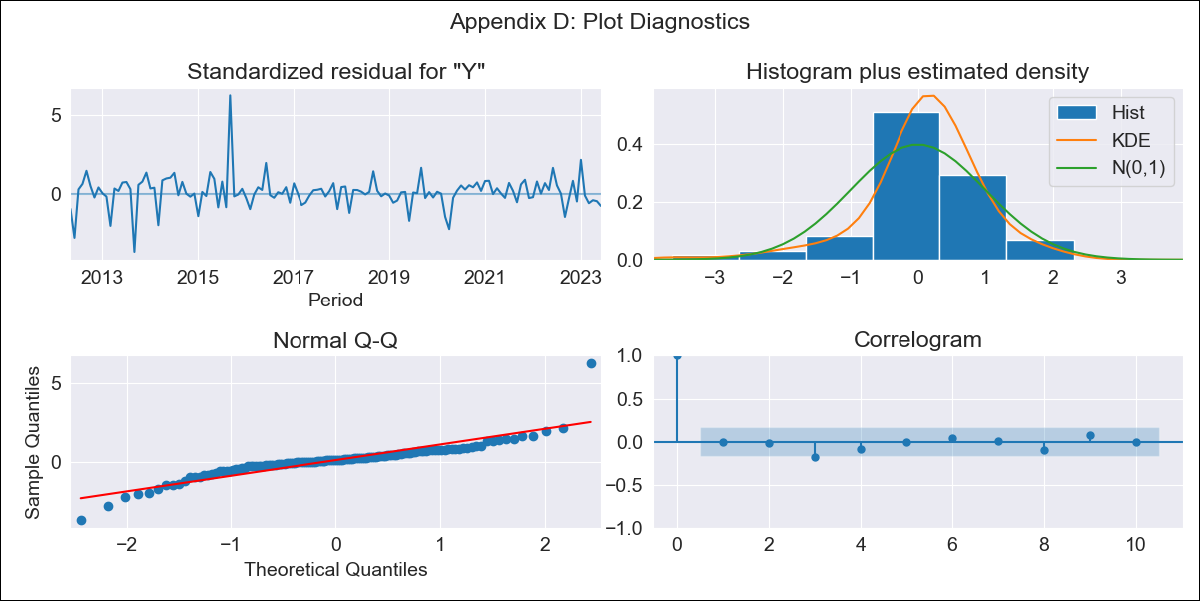
GRD - Inflation - Next 12 months forecast as of: 2023-06-01

Model | ARIMA - [(0, 2, 1), (0, 0, 1, 12)]
Training Data | 2011-01-01 to 2022-07-01
Test Data | 2022-07-01 to 2023-06-01

Date | Inflation Change YoY % | Lower Bound - 95% Confidence Interval | Upper Bound - 95% Confidence Interval
2023-07-01 | 1.98 | 1.14 | 2.82
2023-08-01 | 1.91 | 0.69 | 3.16
2023-09-01 | 2.43 | 0.86 | 4.04
2023-10-01 | 2.53 | 0.66 | 4.47
2023-11-01 | 2.2 | 0.05 | 4.44
2023-12-01 | 2.36 | -0.09 | 4.91
2024-01-01 | 1.49 | -1.16 | 4.33
2024-02-01 | 1.44 | -1.47 | 4.58
2024-03-01 | 1.58 | -1.61 | 5.04
2024-04-01 | 1.67 | -1.8 | 5.45
2024-05-01 | 1.8 | -1.96 | 5.9
2024-06-01 | 2.05 | -2.01 | 6.5

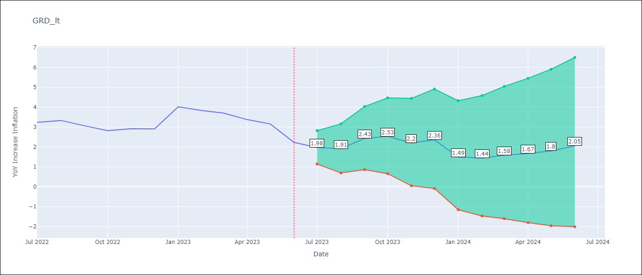

Test Metrics
RMSE | 0.35
Naive RMSE | 0.47
MAPE | 10.08%

Test Predictions
Date | Predicted | Actual
2022-07-01 | 3 | 3.24
2022-08-01 | 3.07 | 3.33
2022-09-01 | 3.41 | 3.06
2022-10-01 | 3.32 | 2.82
2022-11-01 | 3.1 | 2.91
2022-12-01 | 3.3 | 2.9
2023-01-01 | 3.49 | 4.02
2023-02-01 | 3.29 | 3.83
2023-03-01 | 3.37 | 3.7
2023-04-01 | 3.18 | 3.37
2023-05-01 | 3.14 | 3.16
2023-06-01 | 2.53 | 2.23

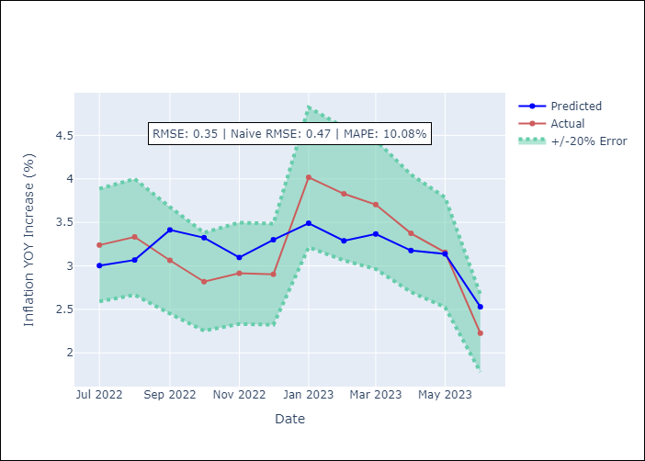

Appendix A: Model Summary
Model | ARIMA(0, 2, 1)x(0, 0, 1, 12)
Sample | 01-01-2011- 06-01-2023
No. of Observations | 150
Terms | P-value (Statistical significance)
ma.L1 | 0.000
ma.S.L12 | 0.980
sigma2 | 0.980
Assumptions | P-value
Ljung-Box (L1) | 0.95
Heteroskedasticity | 0.00
Jarque-Bera | 0.00
Skew | 1.01
Kurtosis | 14.34

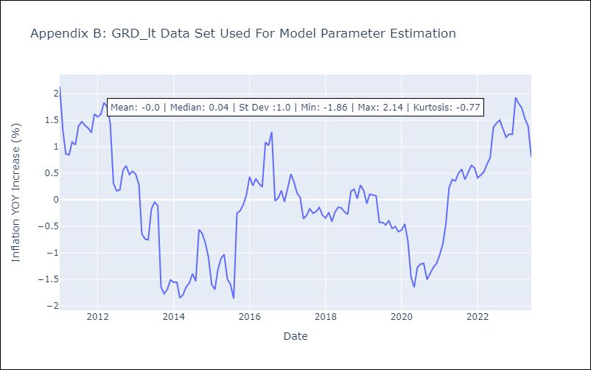

Appendix C: Residuals Analysis
Mean | 0.04
White Noise? | No - Correlation at Lags [1 2 3 4]
Normal? | No

GUY
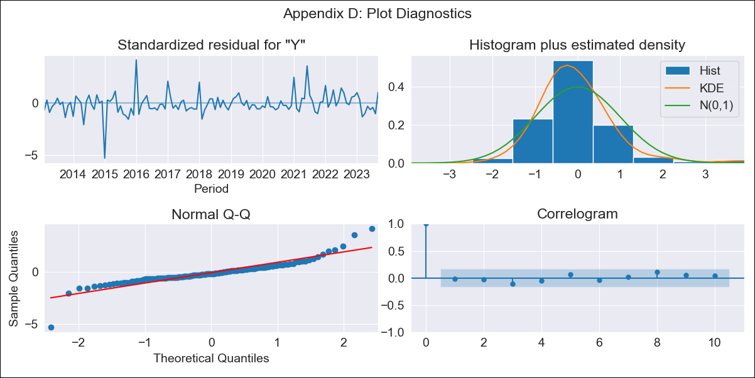
GUY - Inflation - Next 12 months forecast as of: 2023-09-01

Model | SARIMAX - [(1, 0, 0), (0, 0, 2, 12)] | Exogenous Variables | YoY Increase Crude oil WTI, YoY Increase Index Energy, YoY Increase Index Food
Training Data | 2011-01-01 to 2022-10-01
Test Data | 2022-10-01 to 2023-09-01

Date | Inflation Change YoY % | Lower Bound - 95% Confidence Interval | Upper Bound - 95% Confidence Interval
2023-10-01 | 1.26 | 0.24 | 2.52
2023-11-01 | 1.19 | -0.14 | 2.98
2023-12-01 | 1.1 | -0.4 | 3.28
2024-01-01 | 0.73 | -0.79 | 3.1
2024-02-01 | 0.75 | -0.9 | 3.4
2024-03-01 | 1.11 | -0.79 | 4.19
2024-04-01 | 1.3 | -0.77 | 4.68
2024-05-01 | 1.57 | -0.7 | 5.28
2024-06-01 | 1.83 | -0.64 | 5.84
2024-07-01 | 1.78 | -0.72 | 5.95
2024-08-01 | 2.05 | -0.64 | 6.5
2024-09-01 | 1.71 | -0.87 | 6.15

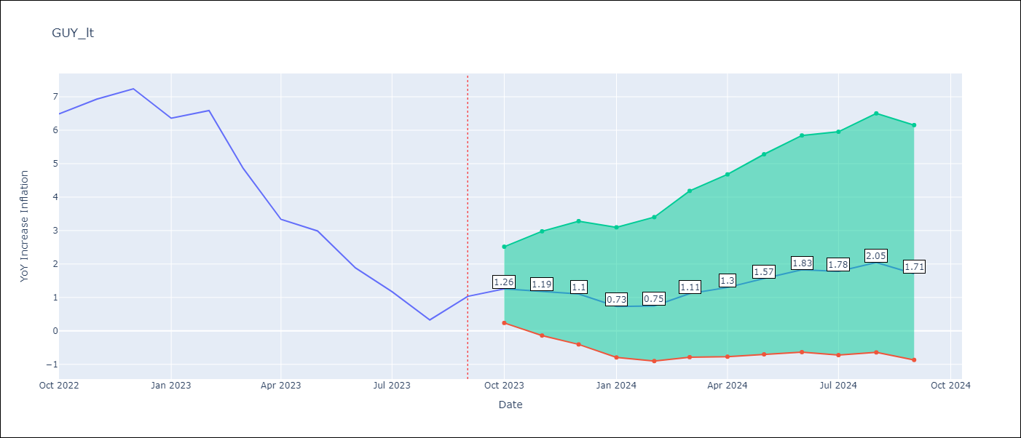

Test Metrics
RMSE | 0.98
Naive RMSE | 0.93
MAPE | 73.48%

Test Predictions
Date | Predicted | Actual
2022-10-01 | 6.76 | 6.49
2022-11-01 | 6.79 | 6.93
2022-12-01 | 6.64 | 7.24
2023-01-01 | 5.19 | 6.36
2023-02-01 | 5.05 | 6.59
2023-03-01 | 4.24 | 4.86
2023-04-01 | 3.44 | 3.33
2023-05-01 | 3.38 | 2.99
2023-06-01 | 2.94 | 1.88
2023-07-01 | 2.41 | 1.17
2023-08-01 | 2.06 | 0.33
2023-09-01 | 2.13 | 1.03

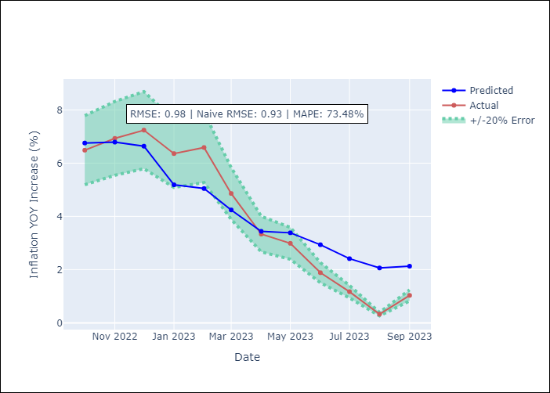

Appendix A: Model Summary
Model | SARIMAX(1, 0, 0)x(0, 0, [1, 2], 12)
Sample | 01-01-2011- 09-01-2023
No. of Observations | 153
Terms | P-value (Statistical significance)
YoY Increase Crude oil WTI | 0.514
YoY Increase Index Energy | 0.512
YoY Increase Index Food | 0.384
ar.L1 | 0.000
ma.S.L12 | 0.000
ma.S.L24 | 0.003
sigma2 | 0.000
Assumptions | P-value
Ljung-Box (L1) | 0.80
Heteroskedasticity | 0.07
Jarque-Bera | 0.00
Skew | 0.05
Kurtosis | 10.96

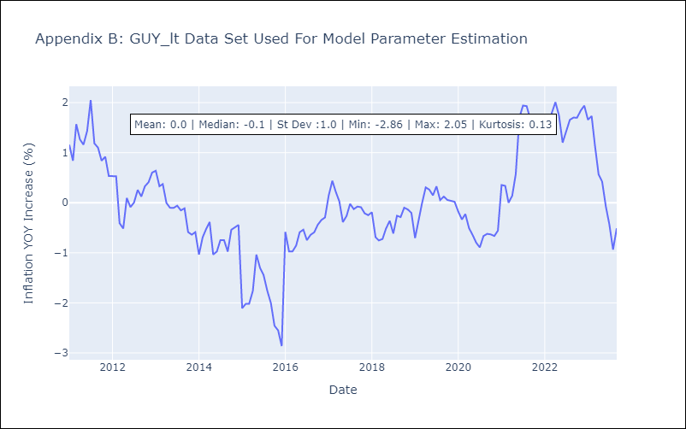

Appendix C: Residuals Analysis
Mean | -0.02
White Noise? | Yes
Normal? | No

JAM
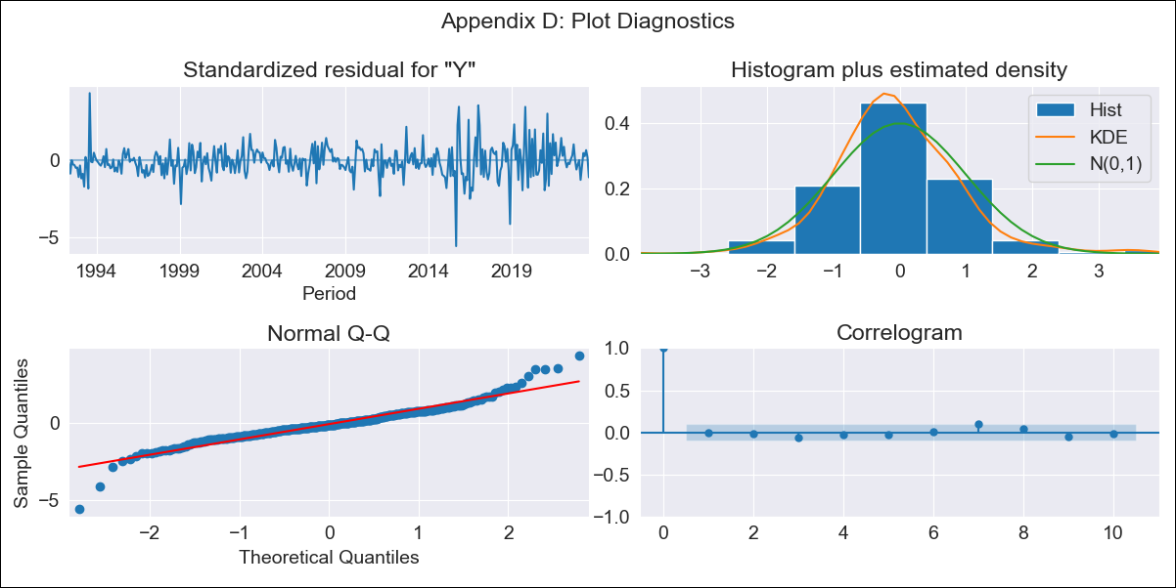
JAM - Inflation - Next 12 months forecast as of: 2023-09-01

Model | SARIMAX - [(0, 1, 2), (1, 0, 1, 12)] | Exogenous Variables | YoY Increase Crude oil WTI, YoY Increase Index Energy, YoY Increase Index Food
Training Data | 1991-01-01 to 2022-10-01
Test Data | 2022-10-01 to 2023-09-01

Date | Inflation Change YoY % | Lower Bound - 95% Confidence Interval | Upper Bound - 95% Confidence Interval
2023-10-01 | 5.47 | 4.42 | 6.82
2023-11-01 | 5.41 | 3.89 | 7.72
2023-12-01 | 5.63 | 3.66 | 9.03
2024-01-01 | 5.77 | 3.46 | 10.22
2024-02-01 | 5.95 | 3.33 | 11.52
2024-03-01 | 6.15 | 3.23 | 12.97
2024-04-01 | 6.39 | 3.17 | 14.65
2024-05-01 | 6.32 | 2.98 | 15.52
2024-06-01 | 6.22 | 2.8 | 16.25
2024-07-01 | 6.05 | 2.62 | 16.72
2024-08-01 | 5.88 | 2.45 | 17.12
2024-09-01 | 6.29 | 2.5 | 19.98

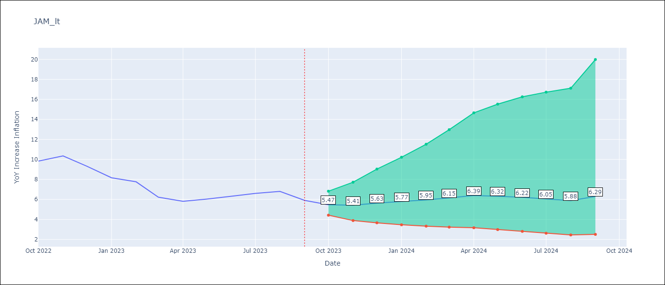

Test Metrics
RMSE | 0.89
Naive RMSE | 0.76
MAPE | 11.53%

Test Predictions
Date | Predicted | Actual
2022-10-01 | 8.92 | 9.83
2022-11-01 | 9.24 | 10.34
2022-12-01 | 9.04 | 9.32
2023-01-01 | 8.57 | 8.16
2023-02-01 | 8.4 | 7.76
2023-03-01 | 7.24 | 6.22
2023-04-01 | 7.38 | 5.81
2023-05-01 | 7.25 | 6.04
2023-06-01 | 7.27 | 6.32
2023-07-01 | 7.05 | 6.6
2023-08-01 | 6.94 | 6.8
2023-09-01 | 6.78 | 5.9

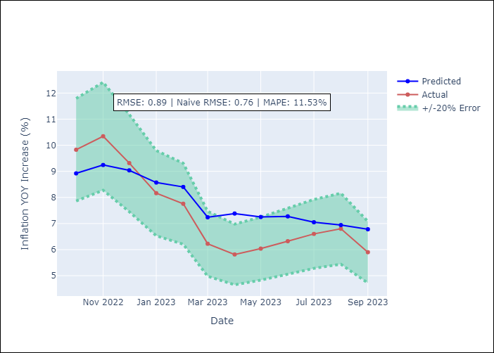

Appendix A: Model Summary
Model | SARIMAX(0, 1, 2)x(1, 0, [1], 12)
Sample | 01-01-1991- 09-01-2023
No. of Observations | 393
Terms | P-value (Statistical significance)
YoY Increase Crude oil WTI | 0.001
YoY Increase Index Energy | 0.001
YoY Increase Index Food | 0.057
ma.L1 | 0.000
ma.L2 | 0.018
ar.S.L12 | 0.063
ma.S.L12 | 0.000
sigma2 | 0.000
Assumptions | P-value
Ljung-Box (L1) | 0.98
Heteroskedasticity | 0.00
Jarque-Bera | 0.00
Skew | 0.08
Kurtosis | 7.62

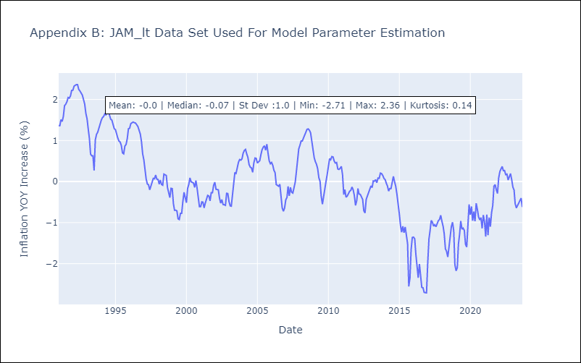

Appendix C: Residuals Analysis
Mean | -0.01
White Noise? | Yes
Normal? | No

KNA
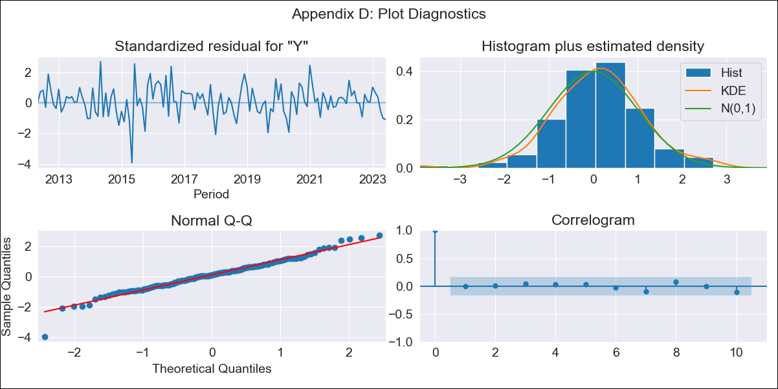
KNA - Inflation - Next 12 months forecast as of: 2023-06-01

Model | ARIMA - [(2, 2, 1), (0, 0, 1, 12)]
Training Data | 2011-01-01 to 2022-07-01
Test Data | 2022-07-01 to 2023-06-01

Date | Inflation Change YoY % | Lower Bound - 95% Confidence Interval | Upper Bound - 95% Confidence Interval
2023-07-01 | 3.63 | 1.85 | 5.64
2023-08-01 | 3.77 | 1.57 | 6.33
2023-09-01 | 4.29 | 1.72 | 7.32
2023-10-01 | 3.9 | 1.06 | 7.37
2023-11-01 | 3.98 | 0.8 | 7.95
2023-12-01 | 4.14 | 0.63 | 8.62
2024-01-01 | 3.57 | -0.02 | 8.42
2024-02-01 | 3.39 | -0.37 | 8.69
2024-03-01 | 3.38 | -0.6 | 9.17
2024-04-01 | 3.76 | -0.61 | 10.17
2024-05-01 | 4.31 | -0.54 | 11.42
2024-06-01 | 4.82 | -0.5 | 12.63

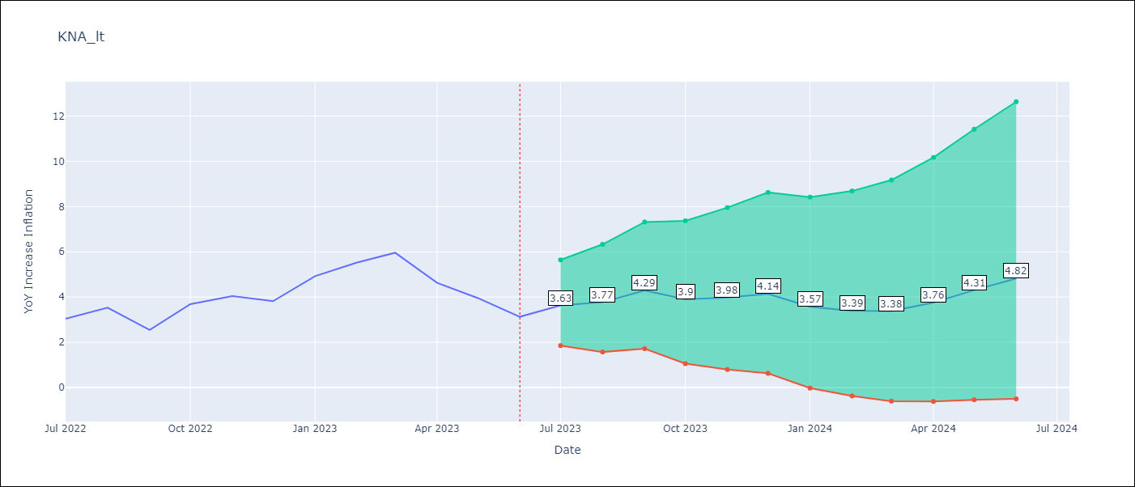

Test Metrics
RMSE | 0.67
Naive RMSE | 0.82
MAPE | 14.79%

Test Predictions
Date | Predicted | Actual
2022-07-01 | 3.08 | 3.04
2022-08-01 | 3.66 | 3.53
2022-09-01 | 3.57 | 2.54
2022-10-01 | 4.02 | 3.68
2022-11-01 | 4.41 | 4.04
2022-12-01 | 4.38 | 3.82
2023-01-01 | 4.44 | 4.93
2023-02-01 | 4.62 | 5.53
2023-03-01 | 4.94 | 5.96
2023-04-01 | 4.22 | 4.63
2023-05-01 | 4.4 | 3.96
2023-06-01 | 4.26 | 3.13

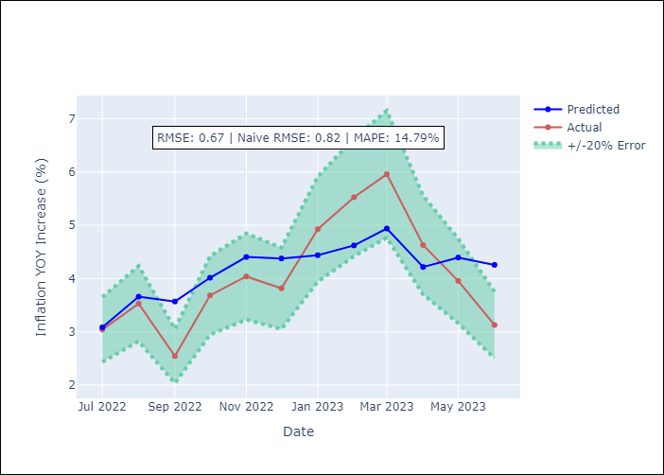

Appendix A: Model Summary
Model | ARIMA(2, 2, 1)x(0, 0, 1, 12)
Sample | 01-01-2011- 06-01-2023
No. of Observations | 150
Terms | P-value (Statistical significance)
ar.L1 | 0.000
ar.L2 | 0.055
ma.L1 | 0.000
ma.S.L12 | 0.000
sigma2 | 0.000
Assumptions | P-value
Ljung-Box (L1) | 0.94
Heteroskedasticity | 0.04
Jarque-Bera | 0.00
Skew | -0.25
Kurtosis | 4.55

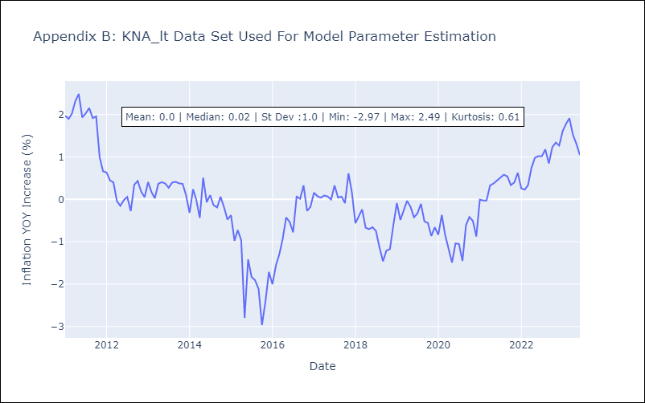

Appendix C: Residuals Analysis
Mean | 0.04
White Noise? | Yes
Normal? | No

LCA
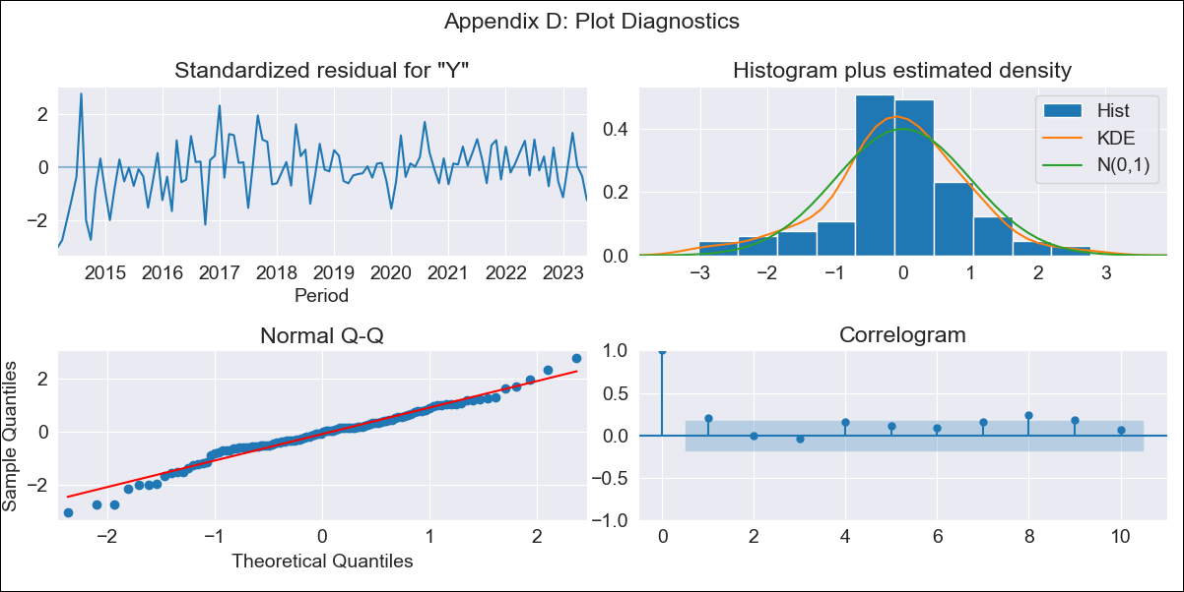
LCA - Inflation - Next 12 months forecast as of: 2023-06-01

Model | SARIMAX - [(0, 2, 1), (3, 0, 0, 12)] | Exogenous Variables | YoY Increase Crude oil WTI, YoY Increase Index Energy, YoY Increase Index Food
Training Data | 2011-01-01 to 2022-07-01
Test Data | 2022-07-01 to 2023-06-01

Date | Inflation Change YoY % | Lower Bound - 95% Confidence Interval | Upper Bound - 95% Confidence Interval
2023-07-01 | 4.53 | 2.9 | 6.18
2023-08-01 | 4.26 | 1.91 | 6.65
2023-09-01 | 4.06 | 1.12 | 7.05
2023-10-01 | 4.39 | 0.92 | 7.92
2023-11-01 | 4.43 | 0.48 | 8.47
2023-12-01 | 4.71 | 0.29 | 9.24
2024-01-01 | 4.66 | -0.2 | 9.65
2024-02-01 | 4.74 | -0.55 | 10.19
2024-03-01 | 4.18 | -1.49 | 10.07
2024-04-01 | 3.93 | -2.13 | 10.27
2024-05-01 | 4.29 | -2.19 | 11.08
2024-06-01 | 4.94 | -2 | 12.19

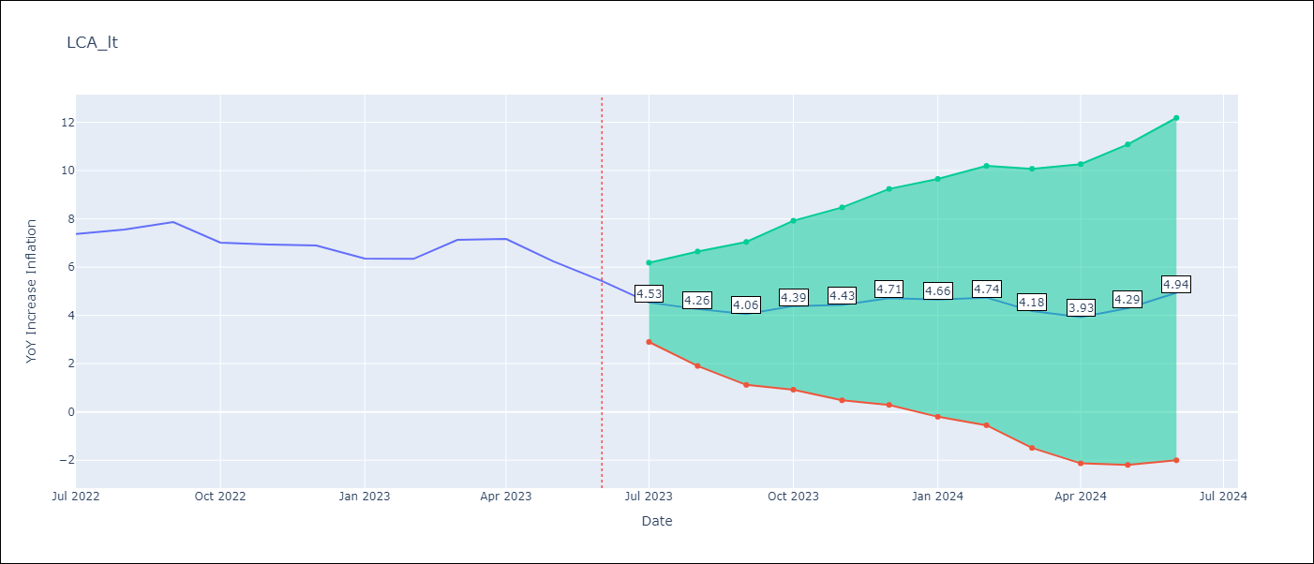

Test Metrics
RMSE | 0.78
Naive RMSE | 0.55
MAPE | 9.5%

Test Predictions
Date | Predicted | Actual
2022-07-01 | 6.58 | 7.37
2022-08-01 | 6.9 | 7.56
2022-09-01 | 6.98 | 7.86
2022-10-01 | 6.88 | 7.01
2022-11-01 | 6.33 | 6.94
2022-12-01 | 6.88 | 6.9
2023-01-01 | 7.47 | 6.36
2023-02-01 | 7.52 | 6.34
2023-03-01 | 7.17 | 7.13
2023-04-01 | 7.34 | 7.17
2023-05-01 | 6.6 | 6.25
2023-06-01 | 6.93 | 5.43

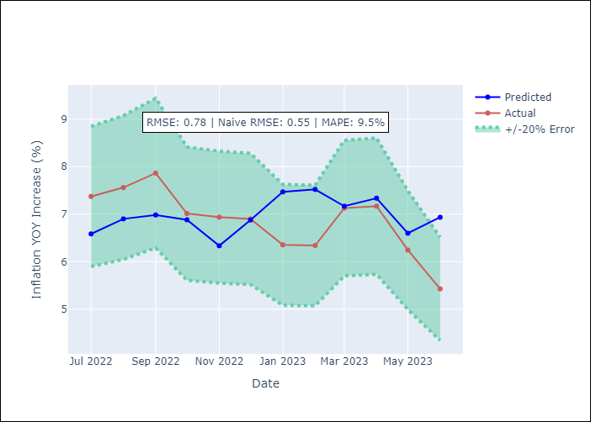

Appendix A: Model Summary
Model | SARIMAX(0, 2, 1)x(3, 0, [], 12)
Sample | 01-01-2011- 06-01-2023
No. of Observations | 150
Terms | P-value (Statistical significance)
YoY Increase Crude oil WTI | 0.489
YoY Increase Index Energy | 0.527
YoY Increase Index Food | 0.807
ma.L1 | 0.000
ar.S.L12 | 0.000
ar.S.L24 | 0.000
ar.S.L36 | 0.000
sigma2 | 0.000
Assumptions | P-value
Ljung-Box (L1) | 0.03
Heteroskedasticity | 0.00
Jarque-Bera | 0.08
Skew | -0.29
Kurtosis | 3.88

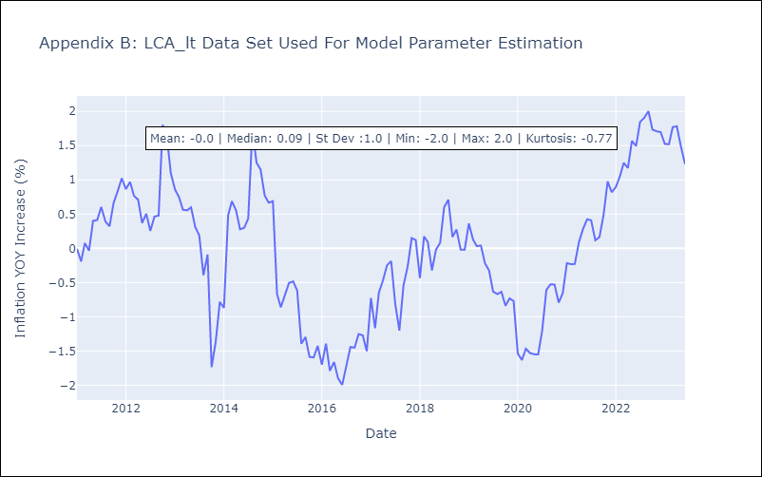

Appendix C: Residuals Analysis
Mean | -0.01
White Noise? | No - Correlation at Lags [1 2 3 4 5]
Normal? | No

SUR
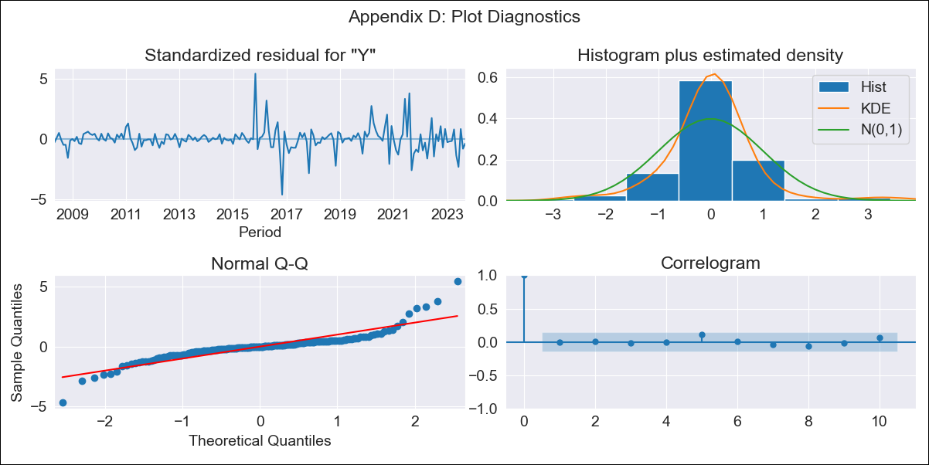
SUR - Inflation - Next 12 months forecast as of: 2023-09-01

Model | SARIMAX - [(1, 2, 1), (0, 0, 1, 12)] | Exogenous Variables | YoY Increase Crude oil WTI, YoY Increase Index Energy, YoY Increase Index Food
Training Data | 2007-01-01 to 2022-10-01
Test Data | 2022-10-01 to 2023-09-01

Date | Inflation Change YoY % | Lower Bound - 95% Confidence Interval | Upper Bound - 95% Confidence Interval
2023-10-01 | 47.25 | 41.33 | 53.16
2023-11-01 | 46.23 | 35.94 | 56.51
2023-12-01 | 42.84 | 28.58 | 57.1
2024-01-01 | 41.33 | 23.29 | 59.37
2024-02-01 | 40.07 | 18.34 | 61.8
2024-03-01 | 40.22 | 14.82 | 65.62
2024-04-01 | 37.73 | 8.64 | 66.82
2024-05-01 | 38.57 | 5.74 | 71.4
2024-06-01 | 42.94 | 6.31 | 79.57
2024-07-01 | 42.29 | 1.79 | 82.78
2024-08-01 | 43.86 | -0.58 | 88.3
2024-09-01 | 44.65 | -3.81 | 93.11

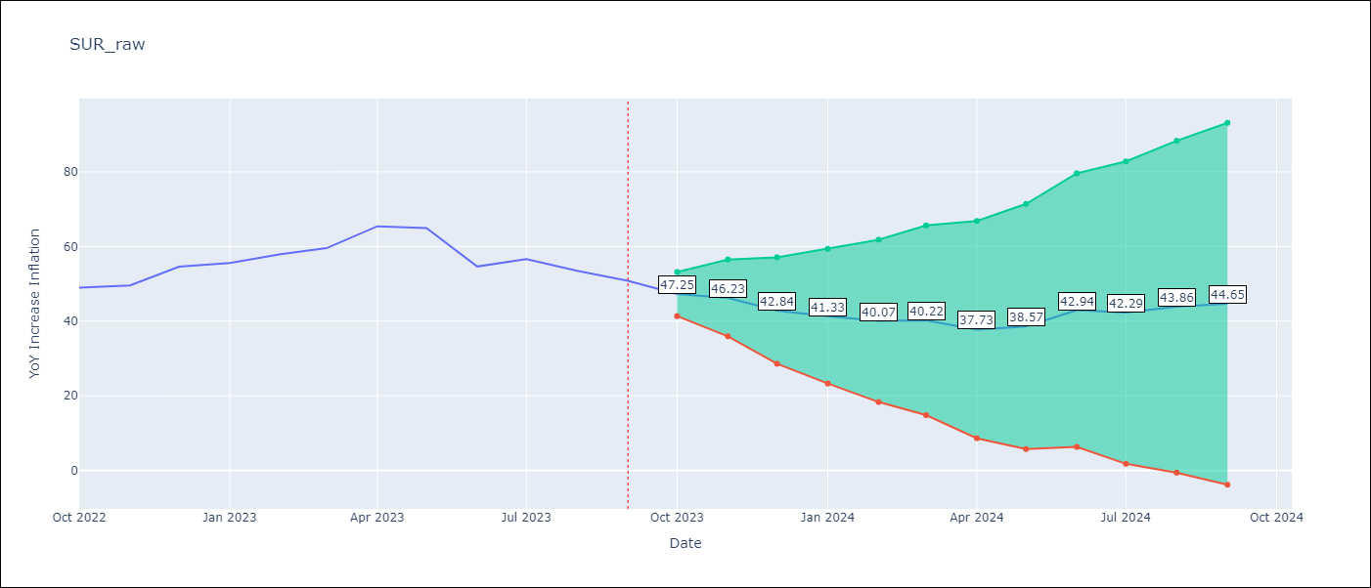

Test Metrics
RMSE | 6.72
Naive RMSE | 4.23
MAPE | 10.76%

Test Predictions
Date | Predicted | Actual
2022-10-01 | 44.68 | 48.97
2022-11-01 | 44.97 | 49.55
2022-12-01 | 46.76 | 54.56
2023-01-01 | 46.51 | 55.57
2023-02-01 | 48.3 | 57.91
2023-03-01 | 52.23 | 59.54
2023-04-01 | 56.87 | 65.41
2023-05-01 | 58.07 | 64.95
2023-06-01 | 55.24 | 54.63
2023-07-01 | 57.61 | 56.62
2023-08-01 | 58.17 | 53.5
2023-09-01 | 59.16 | 50.8

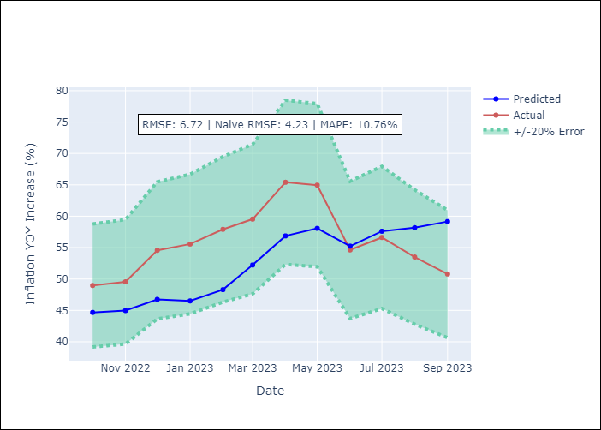

Appendix A: Model Summary
Model | SARIMAX(1, 2, 1)x(0, 0, 1, 12)
Sample | 01-01-2007- 09-01-2023
No. of Observations | 201
Terms | P-value (Statistical significance)
YoY Increase Crude oil WTI | 0.212
YoY Increase Index Energy | 0.005
YoY Increase Index Food | 0.496
ar.L1 | 0.002
ma.L1 | 0.000
ma.S.L12 | 0.000
sigma2 | 0.000
Assumptions | P-value
Ljung-Box (L1) | 0.96
Heteroskedasticity | 0.00
Jarque-Bera | 0.00
Skew | 0.70
Kurtosis | 11.42

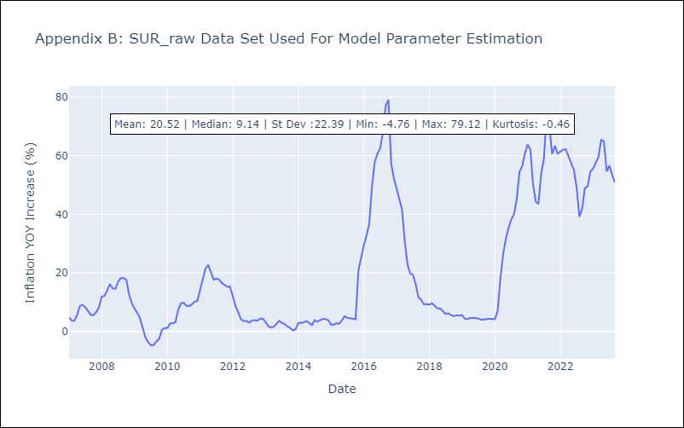

Appendix C: Residuals Analysis
Mean | 0.03
White Noise? | Yes
Normal? | No

TTO
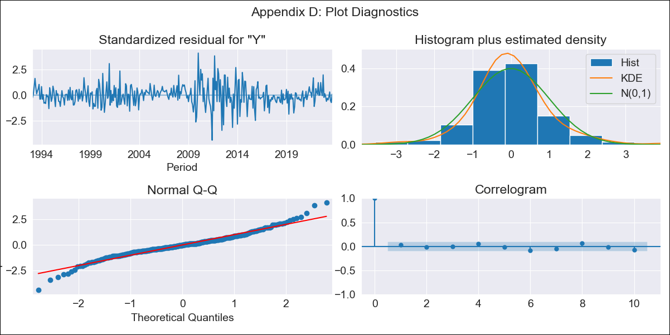
TTO - Inflation - Next 12 months forecast as of: 2023-09-01

Model | SARIMAX - [(3, 0, 0), (0, 0, 2, 12)] | Exogenous Variables | YoY Increase Crude oil WTI, YoY Increase Index Energy, YoY Increase Index Food
Training Data | 1991-01-01 to 2022-10-01
Test Data | 2022-10-01 to 2023-09-01

Date | Inflation Change YoY % | Lower Bound - 95% Confidence Interval | Upper Bound - 95% Confidence Interval
2023-10-01 | 3.04 | 1.94 | 4.41
2023-11-01 | 3.08 | 1.54 | 5.18
2023-12-01 | 2.95 | 1.13 | 5.67
2024-01-01 | 2.94 | 0.88 | 6.23
2024-02-01 | 3.11 | 0.79 | 7.05
2024-03-01 | 3.3 | 0.73 | 7.85
2024-04-01 | 3.46 | 0.67 | 8.58
2024-05-01 | 3.52 | 0.58 | 9.14
2024-06-01 | 3.41 | 0.42 | 9.36
2024-07-01 | 3.54 | 0.39 | 9.99
2024-08-01 | 3.81 | 0.42 | 10.88
2024-09-01 | 3.8 | 0.34 | 11.22

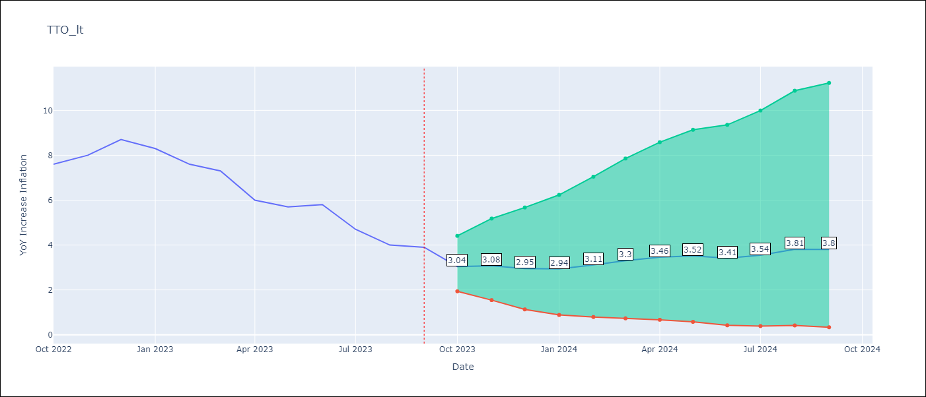

Test Metrics
RMSE | 1.5
Naive RMSE | 0.67
MAPE | 16.78%

Test Predictions
Date | Predicted | Actual
2022-10-01 | 5.54 | 7.6
2022-11-01 | 5.9 | 8
2022-12-01 | 6.11 | 8.7
2023-01-01 | 5.85 | 8.3
2023-02-01 | 5.83 | 7.6
2023-03-01 | 6.11 | 7.3
2023-04-01 | 5.45 | 6
2023-05-01 | 5.42 | 5.7
2023-06-01 | 5.23 | 5.8
2023-07-01 | 4.61 | 4.7
2023-08-01 | 4.45 | 4
2023-09-01 | 4.37 | 3.9

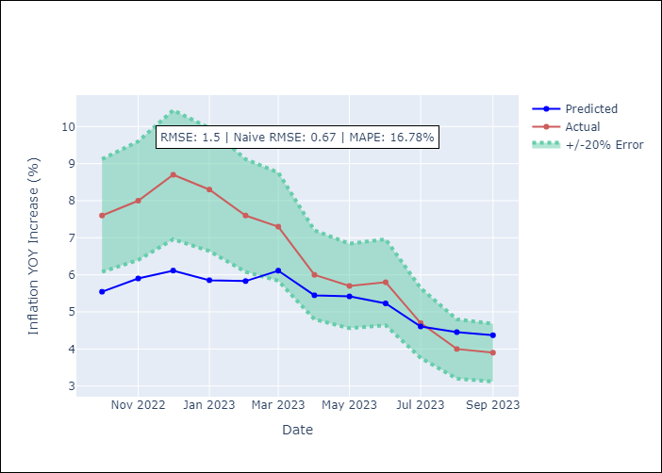

Appendix A: Model Summary
Model | SARIMAX(3, 0, 0)x(0, 0, [1, 2], 12)
Sample | 01-01-1991- 09-01-2023
No. of Observations | 393
Terms | P-value (Statistical significance)
YoY Increase Crude oil WTI | 0.487
YoY Increase Index Energy | 0.360
YoY Increase Index Food | 0.584
ar.L1 | 0.000
ar.L2 | 0.667
ar.L3 | 0.015
ma.S.L12 | 0.000
ma.S.L24 | 0.045
sigma2 | 0.000
Assumptions | P-value
Ljung-Box (L1) | 0.63
Heteroskedasticity | 0.21
Jarque-Bera | 0.00
Skew | 0.06
Kurtosis | 5.58

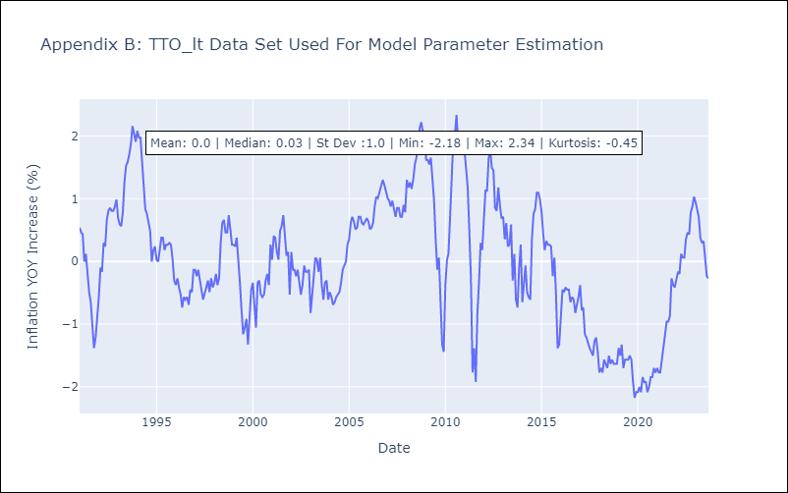

Appendix C: Residuals Analysis
Mean | -0.0
White Noise? | Yes
Normal? | No

VCT

VCT - Inflation - Next 12 months forecast as of: 2023-08-01

Model | ARIMA - [(0, 1, 1), (3, 0, 0, 12)]
Training Data | 2001-01-01 to 2022-09-01
Test Data | 2022-09-01 to 2023-08-01

Date | Inflation Change YoY % | Lower Bound - 95% Confidence Interval | Upper Bound - 95% Confidence Interval
2023-09-01 | 3.43 | 1.78 | 5.09
2023-10-01 | 3.31 | 1.14 | 5.48
2023-11-01 | 3.26 | 0.68 | 5.84
2023-12-01 | 3.56 | 0.63 | 6.5
2024-01-01 | 3.92 | 0.67 | 7.18
2024-02-01 | 3.96 | 0.41 | 7.5
2024-03-01 | 4.02 | 0.21 | 7.83
2024-04-01 | 3.91 | -0.15 | 7.97
2024-05-01 | 3.74 | -0.56 | 8.03
2024-06-01 | 3.42 | -1.1 | 7.94
2024-07-01 | 3.4 | -1.33 | 8.13
2024-08-01 | 3.75 | -1.18 | 8.68

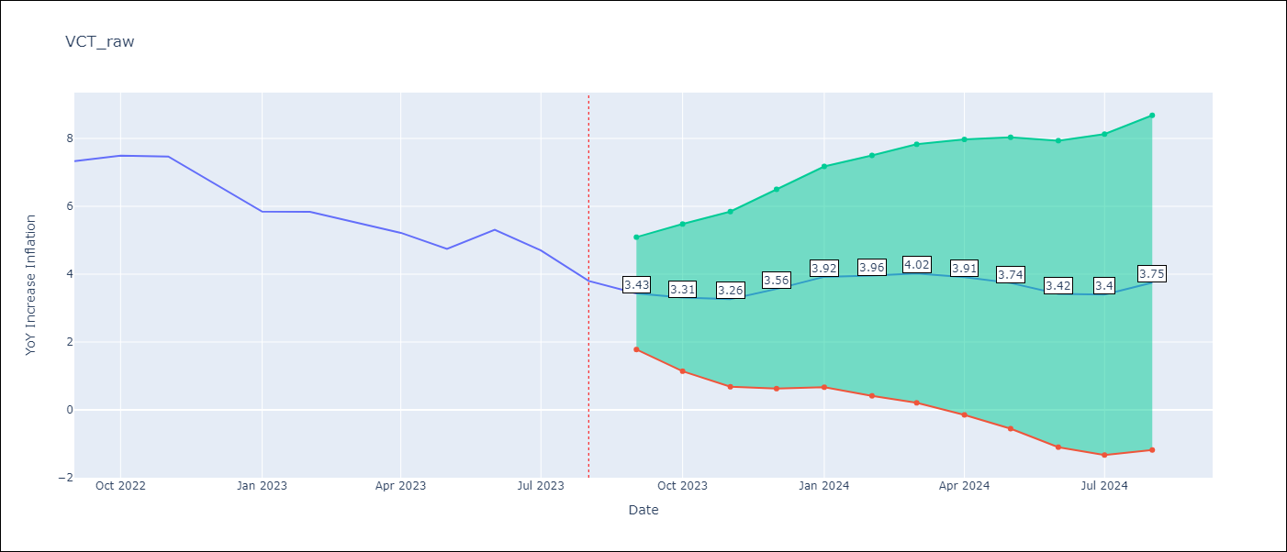

Test Metrics
RMSE | 0.75
Naive RMSE | 0.54
MAPE | 9.94%

Test Predictions
Date | Predicted | Actual
2022-09-01 | 6.41 | 7.33
2022-10-01 | 6.34 | 7.5
2022-11-01 | 6.19 | 7.47
2022-12-01 | 5.97 | 6.67
2023-01-01 | 5.82 | 5.84
2023-02-01 | 5.81 | 5.84
2023-03-01 | 5.62 | 5.55
2023-04-01 | 5.11 | 5.22
2023-05-01 | 4.32 | 4.75
2023-06-01 | 4.3 | 5.31
2023-07-01 | 3.7 | 4.7
2023-08-01 | 3.41 | 3.8

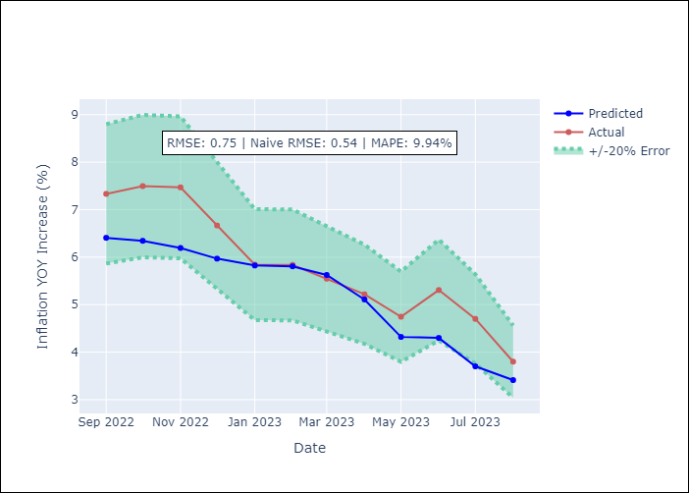

Appendix A: Model Summary
Model | ARIMA(0, 1, 1)x(3, 0, [], 12)
Sample | 01-01-2001- 08-01-2023
No. of Observations | 272
Terms | P-value (Statistical significance)
ma.L1 | 0.000
ar.S.L12 | 0.000
ar.S.L24 | 0.000
ar.S.L36 | 0.001
sigma2 | 0.000
Assumptions | P-value
Ljung-Box (L1) | 0.91
Heteroskedasticity | 0.00
Jarque-Bera | 0.00
Skew | 0.56
Kurtosis | 14.32



Appendix C: Residuals Analysis
Mean | 0.03
White Noise? | No - Correlation at Lags [ 3 4 5 6 7 8 9 10 11 12]
Normal? | No

