HTI
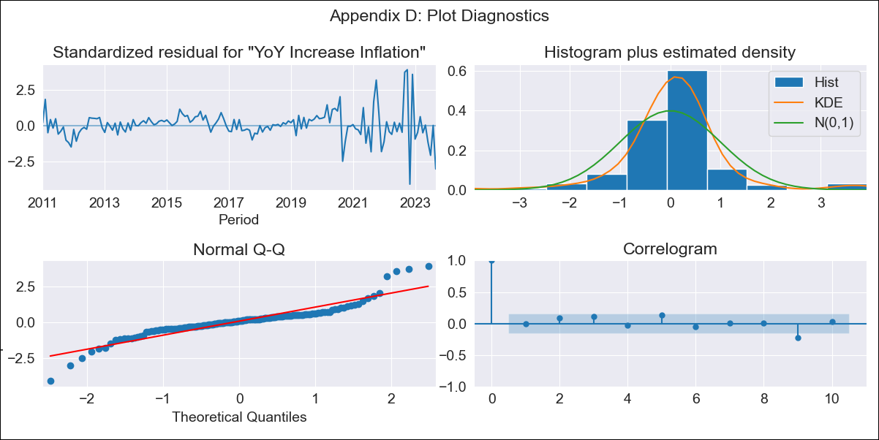
HTI - Inflation - Next 12 months forecast as of: 2023-09-01

Model | VARMAX - (1, 1, 1, 0, 0, 0, 12) | Exogenous Variables | YoY Increase Crude oil WTI, YoY Increase Index Energy, YoY Increase Index Food
Training Data | 2011-01-01 to 2022-10-01
Test Data | 2022-10-01 to 2023-09-01

Date | Inflation Change YoY % | Lower Bound - 95% Confidence Interval | Upper Bound - 95% Confidence Interval
2023-10-01 | 28.33 | 25.96 | 30.71
2023-11-01 | 26.49 | 22.23 | 30.76
2023-12-01 | 24.94 | 19.27 | 30.6
2024-01-01 | 23.58 | 16.76 | 30.4
2024-02-01 | 22.38 | 14.55 | 30.21
2024-03-01 | 21.3 | 12.58 | 30.03
2024-04-01 | 20.33 | 10.8 | 29.87
2024-05-01 | 19.45 | 9.17 | 29.73
2024-06-01 | 18.65 | 7.67 | 29.64
2024-07-01 | 17.93 | 6.27 | 29.59
2024-08-01 | 17.28 | 4.96 | 29.59
2024-09-01 | 16.69 | 3.73 | 29.64

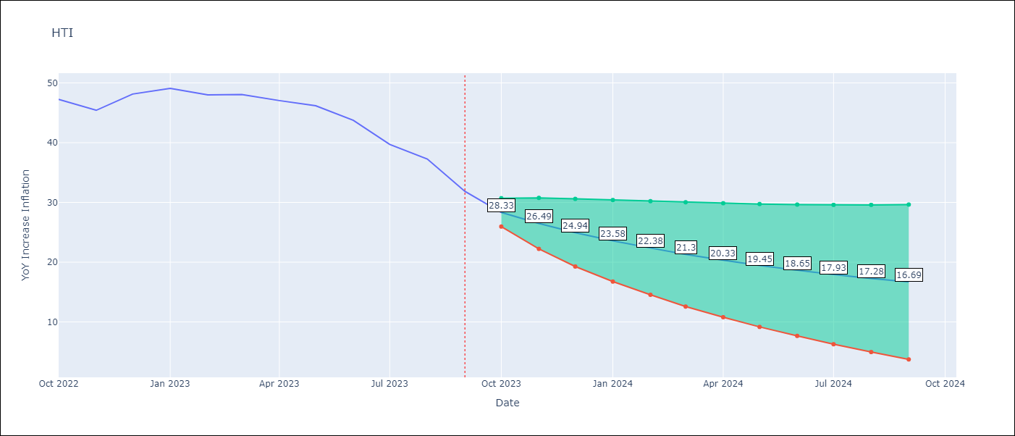

Test Metrics
RMSE | 5.2
Naive RMSE | 2.56
MAPE | 10.08%

Test Predictions
Date | Predicted | Actual
2022-10-01 | 42.29 | 47.25
2022-11-01 | 43.8 | 45.42
2022-12-01 | 44.75 | 48.13
2023-01-01 | 45.35 | 49.09
2023-02-01 | 45.7 | 48
2023-03-01 | 45.88 | 48.06
2023-04-01 | 45.91 | 47.04
2023-05-01 | 45.83 | 46.18
2023-06-01 | 45.66 | 43.75
2023-07-01 | 45.4 | 39.71
2023-08-01 | 45.06 | 37.27
2023-09-01 | 44.65 | 31.86

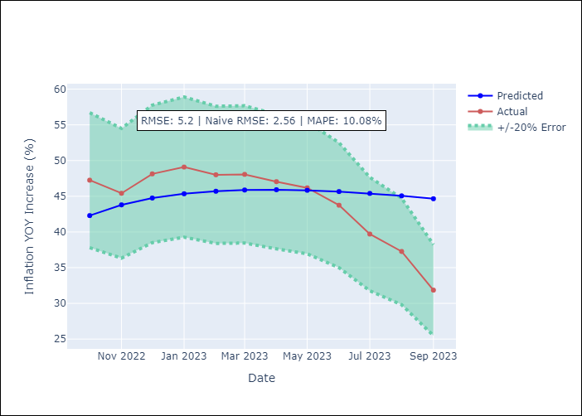

Appendix A: Model Summary
Model | VARMA(1,1)
Sample | - 09-01-2023opg
No. of Observations | 153
Terms | P-value (Statistical significance)
L1.YoY Increase Inflation | 0.000
L1.YoY Increase Crude oil WTI | 0.042
L1.YoY Increase Index Energy | 0.006
L1.YoY Increase Index Food | 0.383
L1.e(YoY Increase Inflation) | 0.000
L1.e(YoY Increase Crude oil WTI) | 0.245
L1.e(YoY Increase Index Energy) | 0.355
L1.e(YoY Increase Index Food) | 0.701
Assumptions | P-value
Ljung-Box (L1) | 0.90, 0.74, 0.68, 0.85
Heteroskedasticity | 0.00, 0.00, 0.00, 0.79
Jarque-Bera | 0.00, 0.00, 0.00, 0.16
Skew | 0.31, 3.42, 0.15, -0.02
Kurtosis | 8.44, 29.63, 9.49, 3.76

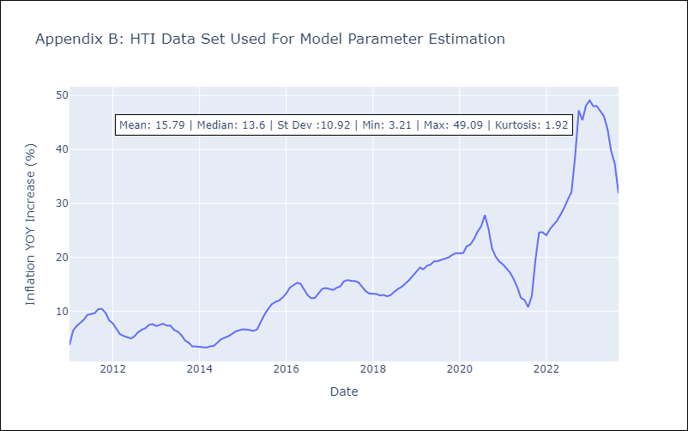

Appendix C: Residuals Analysis
Mean | 0.14
White Noise? | Yes
Normal? | No

