HTI
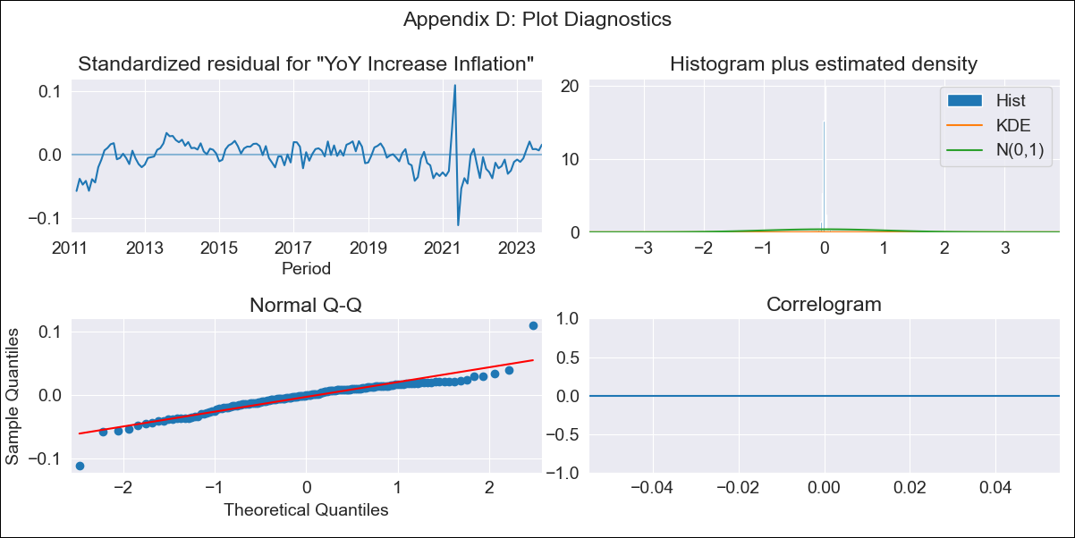
HTI - Inflation - Next 12 months forecast as of: 2023-09-01

Model | VARMAX - (1, 1, 1, 0, 0, 3, 12) | Exogenous Variables | YoY Increase Crude oil WTI, YoY Increase Index Energy, YoY Increase Index Food
Training Data | 2011-01-01 to 2022-10-01
Test Data | 2022-10-01 to 2023-09-01

Date | Inflation Change YoY % | Lower Bound - 95% Confidence Interval | Upper Bound - 95% Confidence Interval
2023-10-01 | -588.37 | -5309.43
2023-11-01 |  | -212080.16
2023-12-01 | -704335.18 | -6538463.31
2024-01-01 | -86716039.1 | -634090992.16
2024-02-01 | -3297316204.2 | -25609551270
2024-03-01 |  | -1.5301848328E+12
2024-04-01 |  | -8.3391335485E+13
2024-05-01 | -4.6284275159E+14 | -3.4455472427E+15
2024-06-01 | -3.1522825844E+16 | -2.5410098699E+17
2024-07-01 |  | -6.0597492589E+18
2024-08-01 |  | -7.0216652167E+20
2024-09-01 |  | -2.0755952336E+22

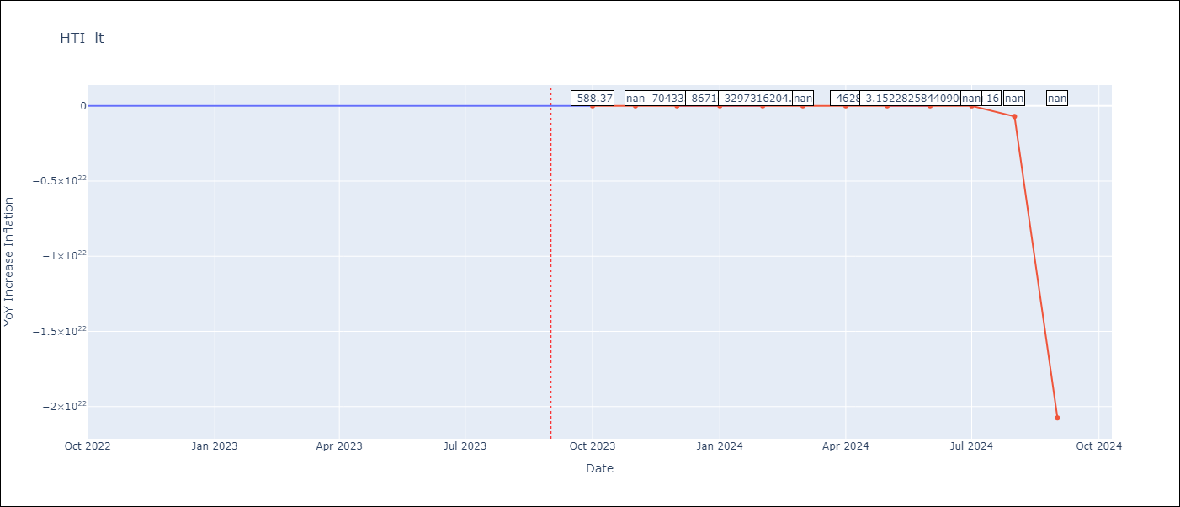

Test Metrics
RMSE | 3.37
Naive RMSE | 2.56
MAPE | 5.66%

Test Predictions
Date | Predicted | Actual
2022-10-01 | 42.11 | 47.25
2022-11-01 | 45.94 | 45.42
2022-12-01 | 47.76 | 48.13
2023-01-01 | 48.27 | 49.09
2023-02-01 | 48 | 48
2023-03-01 | 47.28 | 48.06
2023-04-01 | 46.31 | 47.04
2023-05-01 | 45.22 | 46.18
2023-06-01 | 44.06 | 43.75
2023-07-01 | 42.89 | 39.71
2023-08-01 | 41.73 | 37.27
2023-09-01 | 40.6 | 31.86

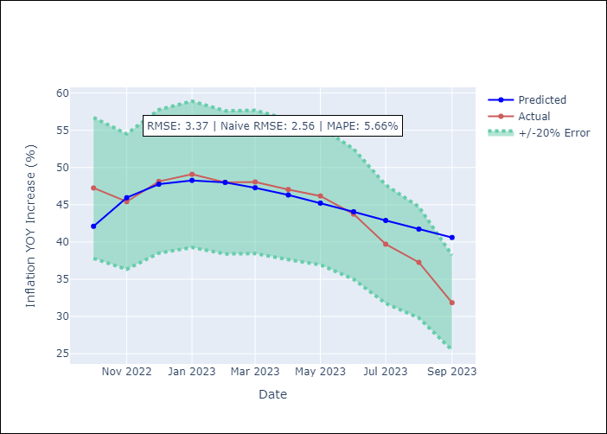

Appendix A: Model Summary
Model | VARMA(1,1)
Sample | - 09-01-2023opg
No. of Observations | 153
Terms | P-value (Statistical significance)
L1.YoY Increase Inflation | 0.999
L1.YoY Increase Crude oil WTI | 0.965
L1.YoY Increase Index Energy | 0.991
L1.YoY Increase Index Food | 0.785
L1.e(YoY Increase Inflation) | 0.997
L1.e(YoY Increase Crude oil WTI) | 0.913
L1.e(YoY Increase Index Energy) | 0.801
L1.e(YoY Increase Index Food) | 0.999
Assumptions | P-value
Ljung-Box (L1) | nan, nan, nan, nan
Heteroskedasticity | 0.01, 0.00, 0.00, 0.00
Jarque-Bera | 0.00, 0.00, 0.00, 0.00
Skew | -0.31, 1.28, -1.22, 1.58
Kurtosis | 8.14, 6.21, 5.52, 9.19

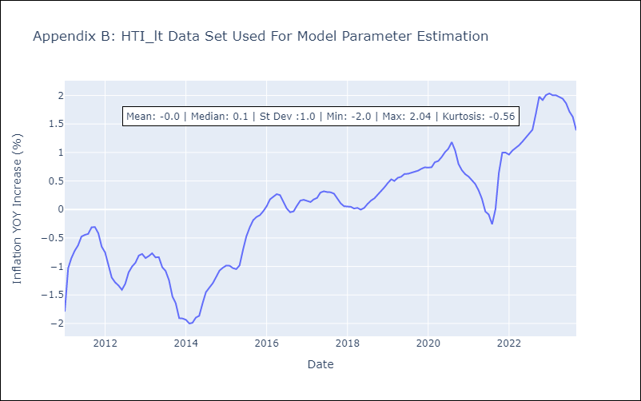

Appendix C: Residuals Analysis
Mean | -111361.95
White Noise? | No - Correlation at Lags [ 1 2 3 4 5 6 7 8 9 10 11 12]
Normal? | No

