HTI
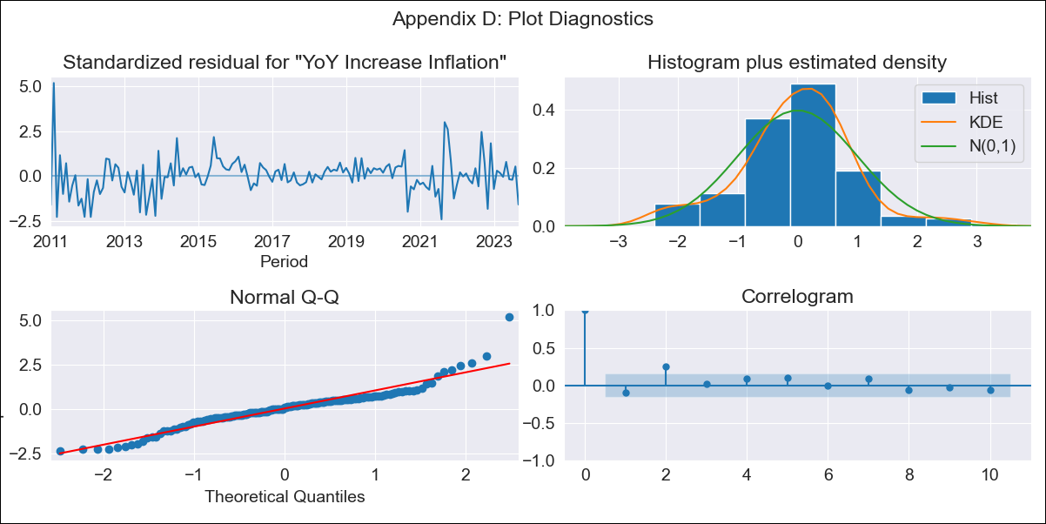
HTI - Inflation - Next 12 months forecast as of: 2023-09-01

Model | VARMAX - (1, 1, 1, 0, 0, 3, 12) | Exogenous Variables | YoY Increase Crude oil WTI, YoY Increase Index Energy, YoY Increase Index Food
Training Data | 2011-01-01 to 2022-10-01
Test Data | 2022-10-01 to 2023-09-01

Date | Inflation Change YoY % | Lower Bound - 95% Confidence Interval | Upper Bound - 95% Confidence Interval
2023-10-01 | 26.89 | 23.55 | 30.71
2023-11-01 | 24.36 | 18.81 | 31.59
2023-12-01 | 22.62 | 16 | 32.03
2024-01-01 | 21.38 | 14.09 | 32.49
2024-02-01 | 20.45 | 12.71 | 32.95
2024-03-01 | 19.76 | 11.68 | 33.44
2024-04-01 | 19.22 | 10.89 | 33.95
2024-05-01 | 18.82 | 10.27 | 34.5
2024-06-01 | 18.51 | 9.76 | 35.11
2024-07-01 | 18.29 | 9.34 | 35.8
2024-08-01 | 18.12 | 8.98 | 36.57
2024-09-01 | 18.01 | 8.66 | 37.44

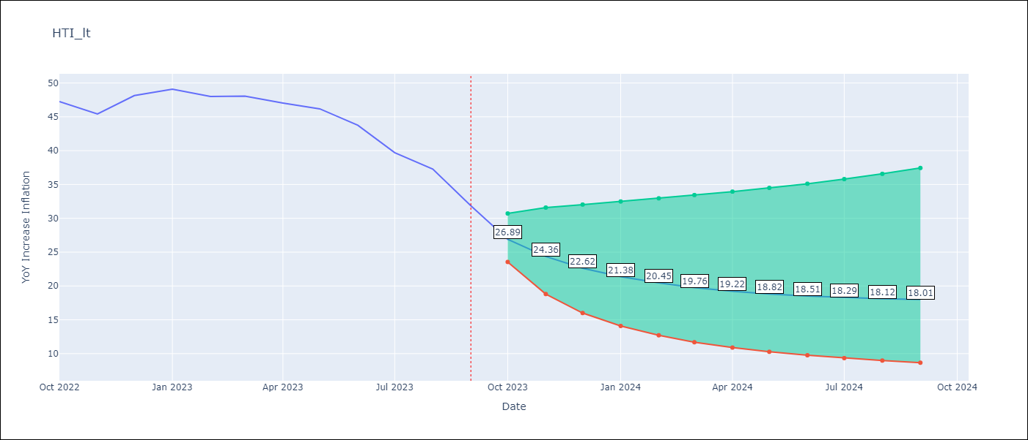

Test Metrics
RMSE | 3.37
Naive RMSE | 2.56
MAPE | 5.66%

Test Predictions
Date | Predicted | Actual
2022-10-01 | 42.11 | 47.25
2022-11-01 | 45.94 | 45.42
2022-12-01 | 47.76 | 48.13
2023-01-01 | 48.27 | 49.09
2023-02-01 | 48 | 48
2023-03-01 | 47.28 | 48.06
2023-04-01 | 46.31 | 47.04
2023-05-01 | 45.22 | 46.18
2023-06-01 | 44.06 | 43.75
2023-07-01 | 42.89 | 39.71
2023-08-01 | 41.73 | 37.27
2023-09-01 | 40.6 | 31.86

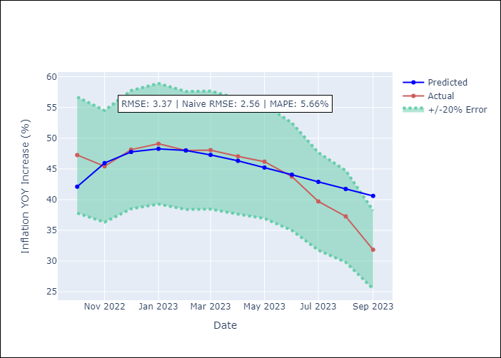

Appendix A: Model Summary
Model | VARMA(1,1)
Sample | - 09-01-2023opg
No. of Observations | 153
Terms | P-value (Statistical significance)
L1.YoY Increase Inflation | 0.000
L1.YoY Increase Crude oil WTI | 0.098
L1.YoY Increase Index Energy | 0.083
L1.YoY Increase Index Food | 0.216
L1.e(YoY Increase Inflation) | 0.000
L1.e(YoY Increase Crude oil WTI) | 0.068
L1.e(YoY Increase Index Energy) | 0.218
L1.e(YoY Increase Index Food) | 0.180
Assumptions | P-value
Ljung-Box (L1) | 0.20, 0.59, 0.93, 0.50
Heteroskedasticity | 0.11, 0.00, 0.00, 0.79
Jarque-Bera | 0.00, 0.00, 0.00, 0.22
Skew | 0.71, 2.44, 0.21, -0.04
Kurtosis | 7.17, 24.72, 8.77, 3.68

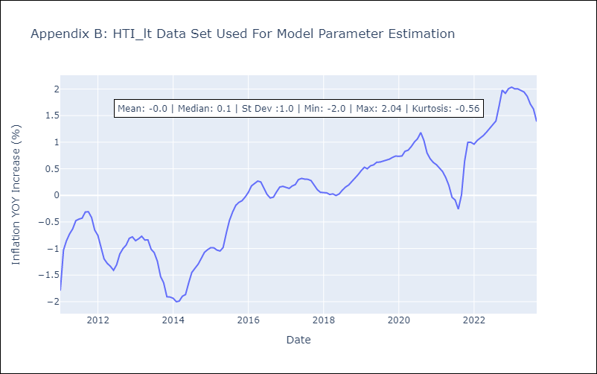

Appendix C: Residuals Analysis
Mean | -0.01
White Noise? | No - Correlation at Lags [1 2 3 4 5 6 7 8]
Normal? | No

