ARG
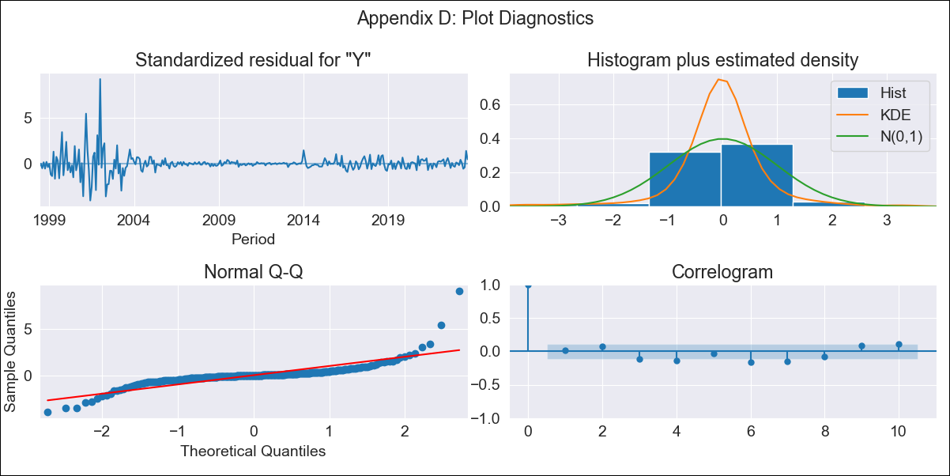
ARG - Inflation - Next 12 months forecast as of: 2023-09-01

Model | SARIMAX - [(1, 2, 2), (0, 0, 2, 12)] | Exogenous Variables | YoY Increase Crude oil WTI, YoY Increase Index Energy, YoY Increase Index Food
Training Data | 1996-01-01 to 2022-10-01
Test Data | 2022-10-01 to 2023-09-01

Date | Inflation Change YoY % | Lower Bound - 95% Confidence Interval | Upper Bound - 95% Confidence Interval
2023-10-01 | 147.79 | 131.28 | 165.65
2023-11-01 | 158.29 | 126.22 | 195.45
2023-12-01 | 169.95 | 121.9 | 229.42
2024-01-01 | 180.99 | 115.6 | 267.71
2024-02-01 | 192.28 | 108.32 | 311.94
2024-03-01 | 204.39 | 100.59 | 363.76
2024-04-01 | 215.29 | 91.38 | 420.92
2024-05-01 | 226.97 | 82.16 | 487.18
2024-06-01 | 241.42 | 73.95 | 567.15
2024-07-01 | 256.85 | 65.82 | 659.26
2024-08-01 | 266.2 | 55.42 | 750.6
2024-09-01 | 276.29 | 45.88 | 854.53

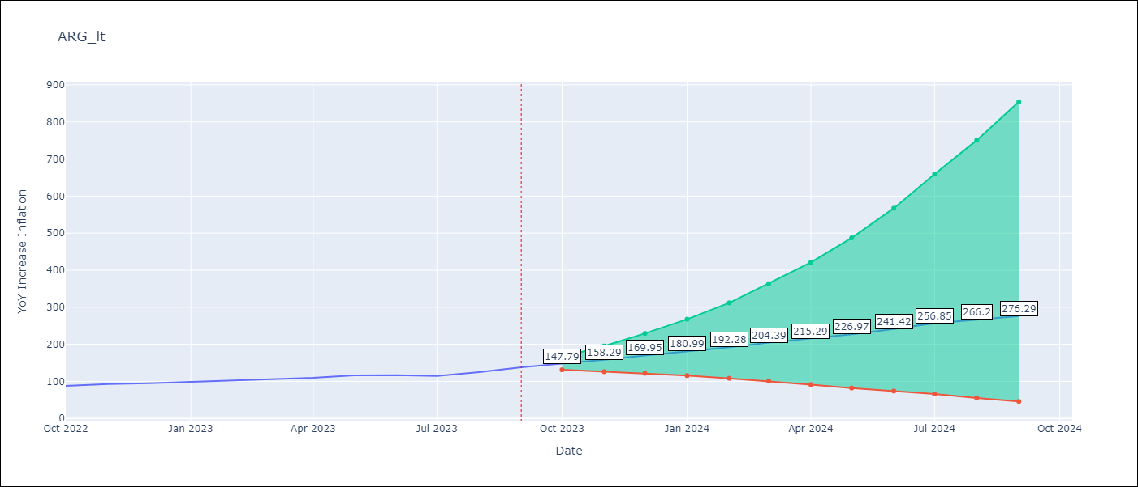

Test Metrics
RMSE | 6.76
Naive RMSE | 6.17
MAPE | 4.97%

Test Predictions
Date | Predicted | Actual
2022-10-01 | 87.44 | 87.8
2022-11-01 | 93.62 | 92.82
2022-12-01 | 98.86 | 95.19
2023-01-01 | 103.7 | 99.01
2023-02-01 | 108.42 | 103.06
2023-03-01 | 112.77 | 105.25
2023-04-01 | 117.04 | 109.89
2023-05-01 | 121.47 | 116.26
2023-06-01 | 125.99 | 116.97
2023-07-01 | 129.06 | 114.59
2023-08-01 | 132.83 | 125.24
2023-09-01 | 138.31 | 138.3

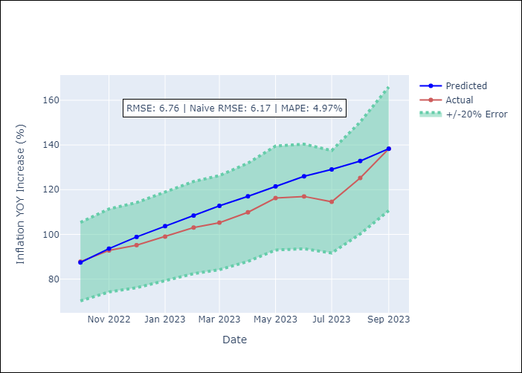

Appendix A: Model Summary
Model | SARIMAX(1, 2, 2)x(0, 0, 2, 12)
Sample | 01-01-1996- 09-01-2023
No. of Observations | 333
Terms | P-value (Statistical significance)
YoY Increase Crude oil WTI | 0.673
YoY Increase Index Energy | 0.872
YoY Increase Index Food | 0.978
ar.L1 | 0.142
ma.L1 | 0.402
ma.L2 | 0.000
ma.S.L12 | 0.000
ma.S.L24 | 0.214
sigma2 | 0.000
Assumptions | P-value
Ljung-Box (L1) | 0.77
Heteroskedasticity | 0.00
Jarque-Bera | 0.00
Skew | 2.60
Kurtosis | 29.98

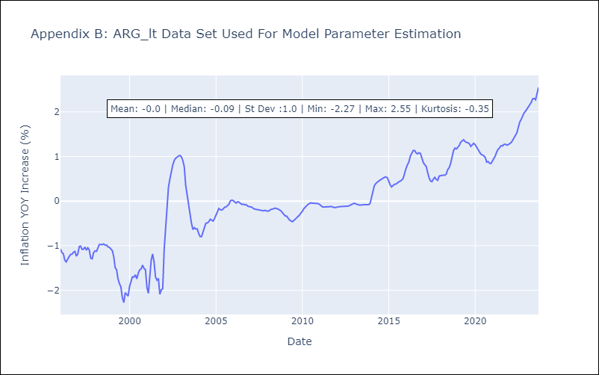

Appendix C: Residuals Analysis
Mean | -0.0
White Noise? | No - Correlation at Lags [1 7]
Normal? | No

BOL
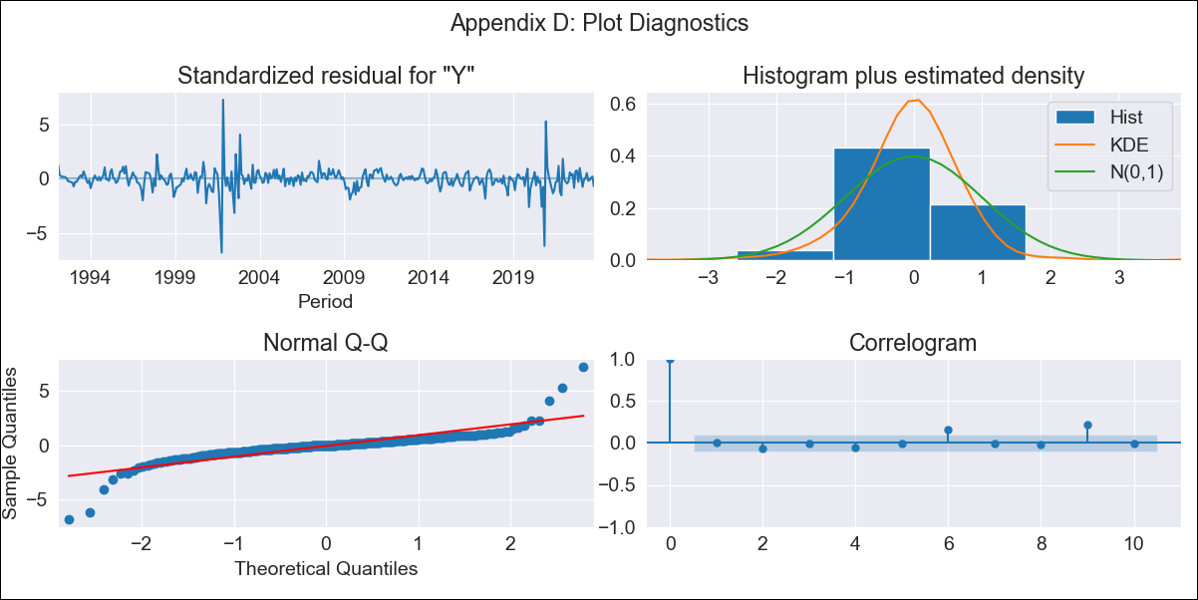
BOL - Inflation - Next 12 months forecast as of: 2023-10-01

Model | SARIMAX - [(1, 0, 1), (2, 0, 0, 12)] | Exogenous Variables | YoY Increase Crude oil WTI, YoY Increase Index Energy, YoY Increase Index Food
Training Data | 1990-01-01 to 2022-11-01
Test Data | 2022-11-01 to 2023-10-01

Date | Inflation Change YoY % | Lower Bound - 95% Confidence Interval | Upper Bound - 95% Confidence Interval
2023-11-01 | 1.99 | 0.88 | 3.55
2023-12-01 | 2.1 | 0.67 | 4.35
2024-01-01 | 2.21 | 0.53 | 5.07
2024-02-01 | 2.44 | 0.5 | 5.98
2024-03-01 | 2.45 | 0.37 | 6.45
2024-04-01 | 2.41 | 0.25 | 6.81
2024-05-01 | 2.31 | 0.12 | 6.99
2024-06-01 | 2.43 | 0.09 | 7.6
2024-07-01 | 2.49 | 0.05 | 8.08
2024-08-01 | 2.55 | 0.02 | 8.54
2024-09-01 | 2.62 | -0.01 | 9
2024-10-01 | 2.86 | 0.03 | 9.84

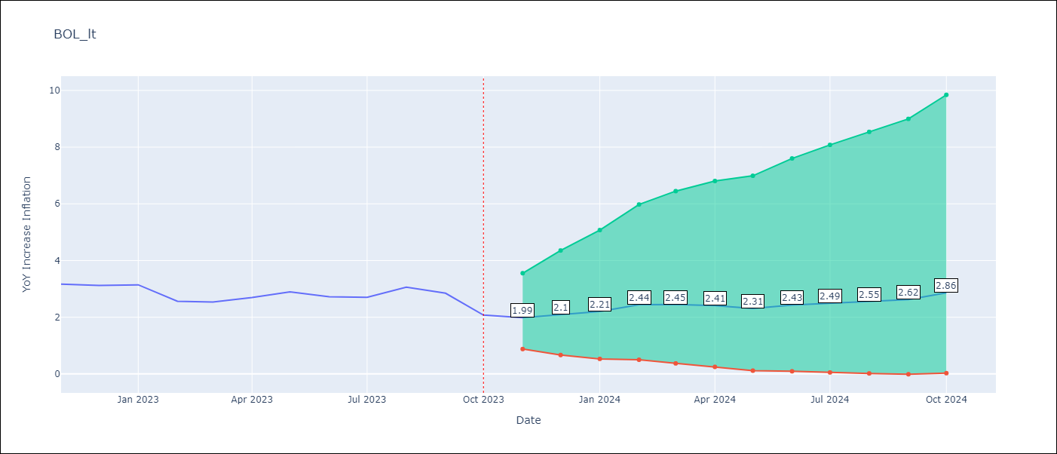

Test Metrics
RMSE | 0.33
Naive RMSE | 0.33
MAPE | 8.68%

Test Predictions
Date | Predicted | Actual
2022-11-01 | 3.66 | 3.17
2022-12-01 | 2.54 | 3.12
2023-01-01 | 2.53 | 3.14
2023-02-01 | 2.53 | 2.57
2023-03-01 | 2.55 | 2.53
2023-04-01 | 2.74 | 2.7
2023-05-01 | 2.5 | 2.9
2023-06-01 | 2.63 | 2.73
2023-07-01 | 2.67 | 2.7
2023-08-01 | 3.01 | 3.06
2023-09-01 | 2.61 | 2.85
2023-10-01 | 2.48 | 2.08

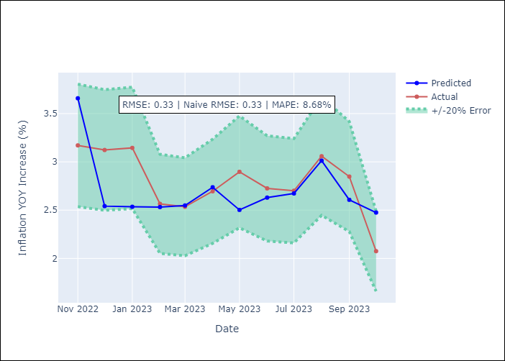

Appendix A: Model Summary
Model | SARIMAX(1, 0, 1)x(2, 0, [], 12)
Sample | 01-01-1990- 10-01-2023
No. of Observations | 406
Terms | P-value (Statistical significance)
YoY Increase Crude oil WTI | 0.838
YoY Increase Index Energy | 0.851
YoY Increase Index Food | 0.095
ar.L1 | 0.000
ma.L1 | 0.003
ar.S.L12 | 0.000
ar.S.L24 | 0.023
sigma2 | 0.000
Assumptions | P-value
Ljung-Box (L1) | 0.91
Heteroskedasticity | 0.02
Jarque-Bera | 0.00
Skew | -0.16
Kurtosis | 22.19

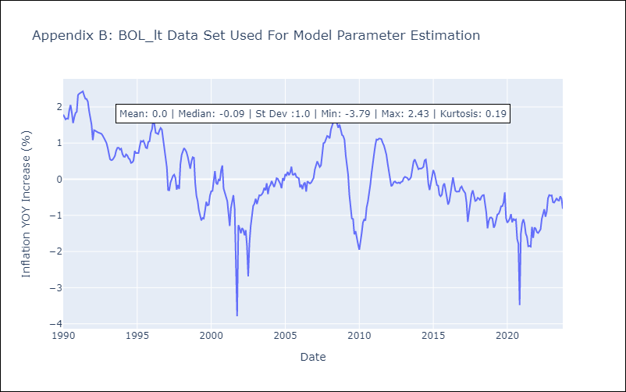

Appendix C: Residuals Analysis
Mean | -0.0
White Noise? | No - Correlation at Lags [ 9 10 11 12]
Normal? | No

BRA
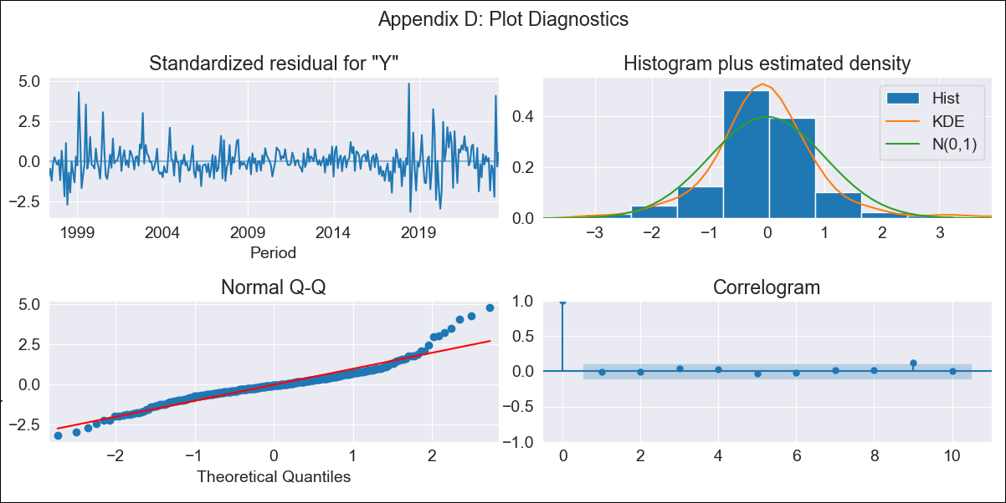
BRA - Inflation - Next 12 months forecast as of: 2023-09-01

Model | ARIMA - [(1, 1, 2), (0, 0, 1, 12)]
Training Data | 1996-01-01 to 2022-10-01
Test Data | 2022-10-01 to 2023-09-01

Date | Inflation Change YoY % | Lower Bound - 95% Confidence Interval | Upper Bound - 95% Confidence Interval
2023-10-01 | 5.46 | 4.77 | 6.26
2023-11-01 | 5.62 | 4.36 | 7.26
2023-12-01 | 5.65 | 3.97 | 8.06
2024-01-01 | 5.65 | 3.65 | 8.82
2024-02-01 | 5.62 | 3.37 | 9.49
2024-03-01 | 6.04 | 3.38 | 10.99
2024-04-01 | 6.37 | 3.35 | 12.43
2024-05-01 | 6.66 | 3.3 | 13.86
2024-06-01 | 7.47 | 3.51 | 16.67
2024-07-01 | 6.74 | 3.02 | 15.73
2024-08-01 | 6.36 | 2.71 | 15.53
2024-09-01 | 6.14 | 2.5 | 15.69

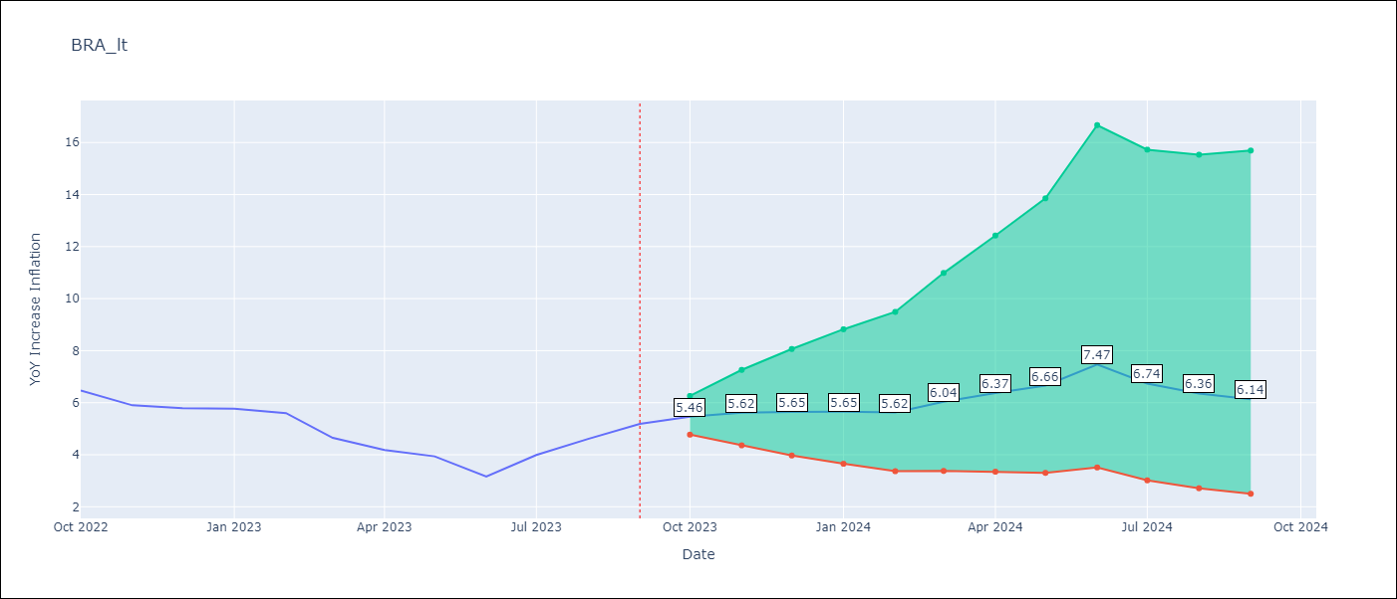

Test Metrics
RMSE | 0.67
Naive RMSE | 0.57
MAPE | 13.09%

Test Predictions
Date | Predicted | Actual
2022-10-01 | 6.27 | 6.47
2022-11-01 | 5.73 | 5.9
2022-12-01 | 5.54 | 5.79
2023-01-01 | 5.44 | 5.77
2023-02-01 | 5.2 | 5.6
2023-03-01 | 4.88 | 4.65
2023-04-01 | 4.77 | 4.18
2023-05-01 | 4.81 | 3.94
2023-06-01 | 4.7 | 3.16
2023-07-01 | 4.98 | 3.99
2023-08-01 | 5.2 | 4.61
2023-09-01 | 5.52 | 5.19

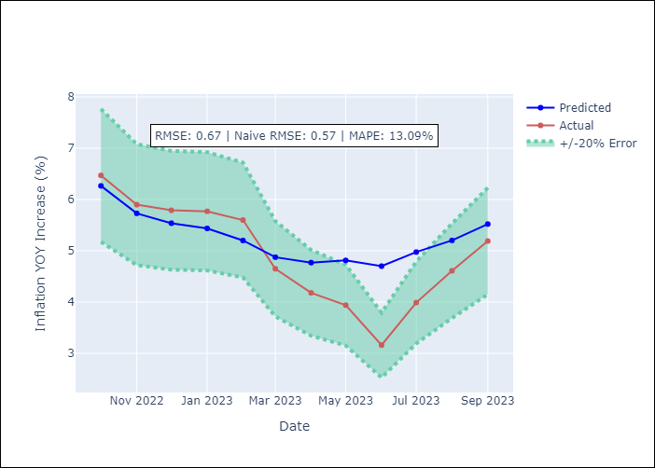

Appendix A: Model Summary
Model | ARIMA(1, 1, 2)x(0, 0, [1], 12)
Sample | 01-01-1996- 09-01-2023
No. of Observations | 333
Terms | P-value (Statistical significance)
ar.L1 | 0.003
ma.L1 | 0.787
ma.L2 | 0.376
ma.S.L12 | 0.000
sigma2 | 0.000
Assumptions | P-value
Ljung-Box (L1) | 0.89
Heteroskedasticity | 0.04
Jarque-Bera | 0.00
Skew | 0.90
Kurtosis | 7.23

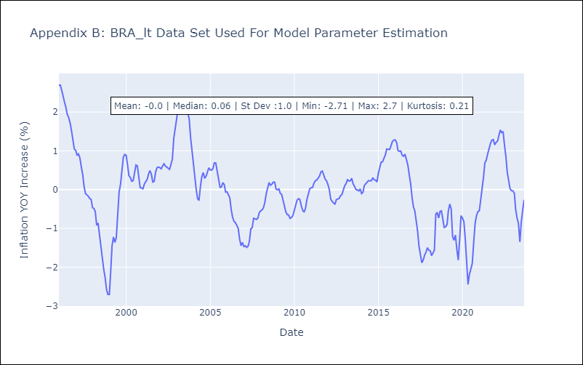

Appendix C: Residuals Analysis
Mean | 0.0
White Noise? | No - Correlation at Lags [1]
Normal? | No

CHL
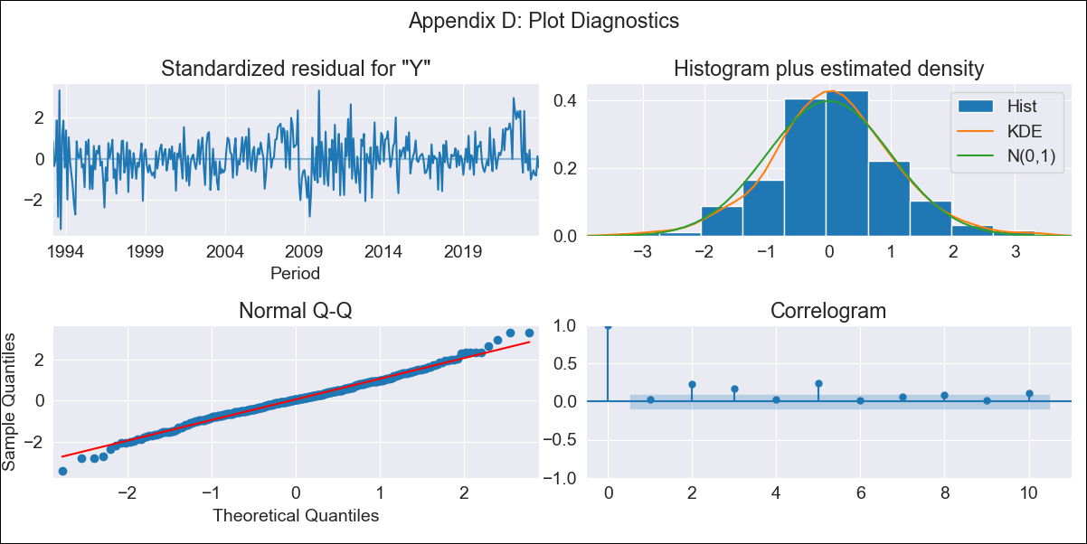
CHL - Inflation - Next 12 months forecast as of: 2023-10-01

Model | SARIMAX - [(2, 0, 1), (0, 0, 3, 12)] | Exogenous Variables | YoY Increase Crude oil WTI, YoY Increase Index Energy, YoY Increase Index Food
Training Data | 1990-01-01 to 2022-11-01
Test Data | 2022-11-01 to 2023-10-01

Date | Inflation Change YoY % | Lower Bound - 95% Confidence Interval | Upper Bound - 95% Confidence Interval
2023-11-01 | 4.33 | 3.46 | 5.21
2023-12-01 | 4.24 | 2.87 | 5.61
2024-01-01 | 4.15 | 2.43 | 5.88
2024-02-01 | 4.24 | 2.23 | 6.26
2024-03-01 | 3.92 | 1.66 | 6.19
2024-04-01 | 3.97 | 1.48 | 6.45
2024-05-01 | 4.12 | 1.43 | 6.8
2024-06-01 | 4.19 | 1.32 | 7.06
2024-07-01 | 4.34 | 1.3 | 7.38
2024-08-01 | 4.44 | 1.24 | 7.64
2024-09-01 | 4.49 | 1.14 | 7.83
2024-10-01 | 4.71 | 1.23 | 8.2

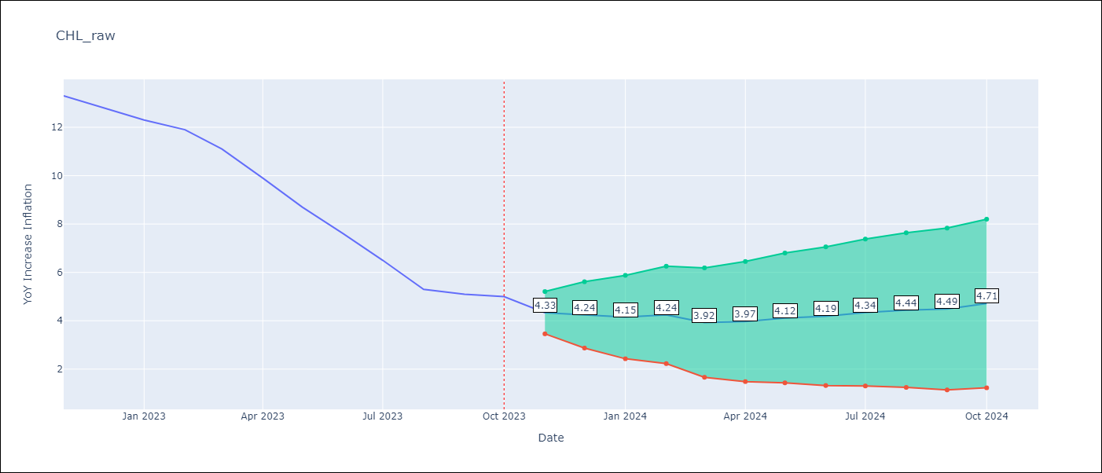

Test Metrics
RMSE | 1.06
Naive RMSE | 0.86
MAPE | 13.43%

Test Predictions
Date | Predicted | Actual
2022-11-01 | 12.55 | 13.3
2022-12-01 | 12.16 | 12.8
2023-01-01 | 11.76 | 12.3
2023-02-01 | 11.67 | 11.9
2023-03-01 | 10.6 | 11.1
2023-04-01 | 9.75 | 9.9
2023-05-01 | 9.08 | 8.7
2023-06-01 | 8.41 | 7.6
2023-07-01 | 7.76 | 6.5
2023-08-01 | 7 | 5.3
2023-09-01 | 6.81 | 5.1
2023-10-01 | 6.91 | 5

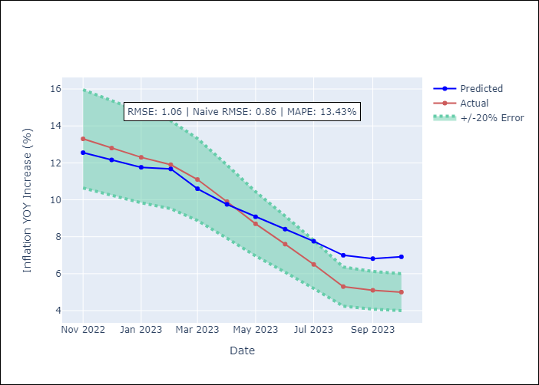

Appendix A: Model Summary
Model | SARIMAX(2, 0, 1)x(0, 0, [1, 2, 3], 12)
Sample | 01-01-1990- 10-01-2023
No. of Observations | 406
Terms | P-value (Statistical significance)
YoY Increase Crude oil WTI | 0.421
YoY Increase Index Energy | 0.057
YoY Increase Index Food | 0.444
ar.L1 | 0.000
ar.L2 | 0.976
ma.L1 | 0.315
ma.S.L12 | 0.008
ma.S.L24 | 0.000
ma.S.L36 | 0.000
sigma2 | 0.014
Assumptions | P-value
Ljung-Box (L1) | 0.67
Heteroskedasticity | 0.16
Jarque-Bera | 0.01
Skew | 0.02
Kurtosis | 3.77

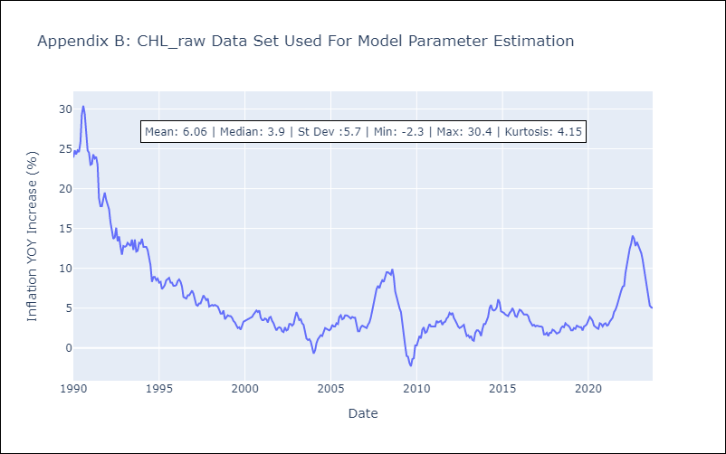

Appendix C: Residuals Analysis
Mean | 0.07
White Noise? | Yes
Normal? | No

COL
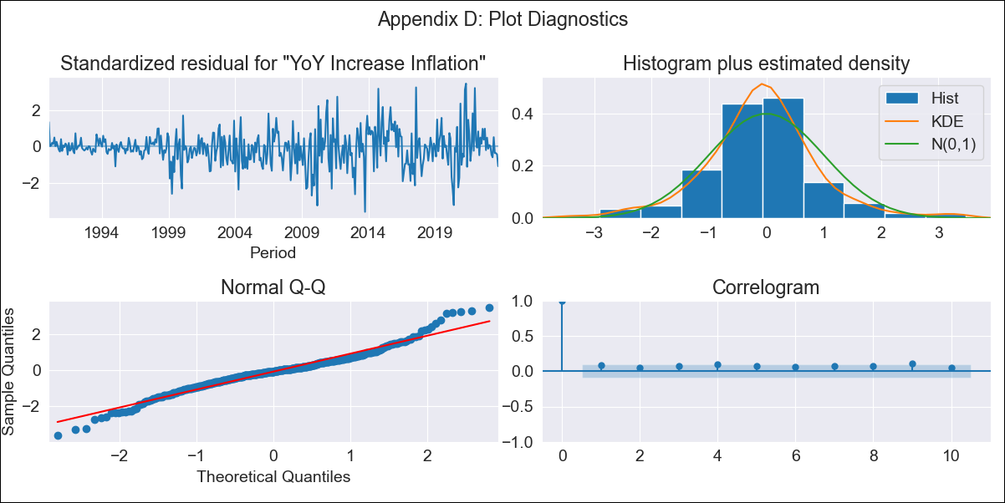
COL - Inflation - Next 12 months forecast as of: 2023-10-01

Model | VARMAX - (1, 1, 2, 0, 0, 2, 12) | Exogenous Variables | YoY Increase Crude oil WTI, YoY Increase Index Energy, YoY Increase Index Food
Training Data | 1990-01-01 to 2022-11-01
Test Data | 2022-11-01 to 2023-10-01

Date | Inflation Change YoY % | Lower Bound - 95% Confidence Interval | Upper Bound - 95% Confidence Interval
2023-11-01 | 10.14 | 9 | 11.45
2023-12-01 | 10.1 | 8.21 | 12.53
2024-01-01 | 10.02 | 7.63 | 13.35
2024-02-01 | 9.94 | 7.18 | 14.03
2024-03-01 | 9.86 | 6.8 | 14.65
2024-04-01 | 9.77 | 6.47 | 15.22
2024-05-01 | 9.69 | 6.17 | 15.77
2024-06-01 | 9.61 | 5.9 | 16.32
2024-07-01 | 9.52 | 5.65 | 16.86
2024-08-01 | 9.45 | 5.42 | 17.41
2024-09-01 | 9.37 | 5.2 | 17.96
2024-10-01 | 9.3 | 5 | 18.52

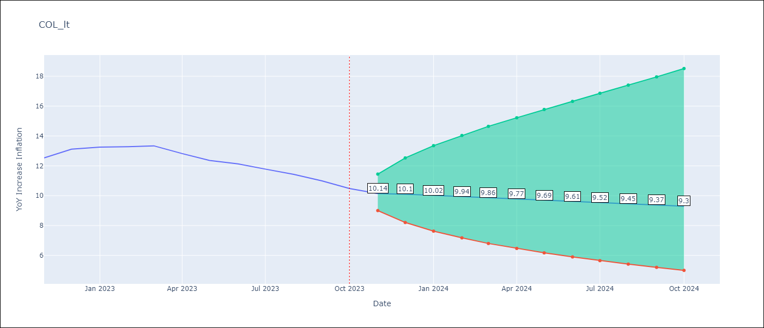

Test Metrics
RMSE | 1.42
Naive RMSE | 0.38
MAPE | 9.04%

Test Predictions
Date | Predicted | Actual
2022-11-01 | 12.85 | 12.53
2022-12-01 | 13.16 | 13.12
2023-01-01 | 13.24 | 13.25
2023-02-01 | 13.31 | 13.28
2023-03-01 | 13.36 | 13.34
2023-04-01 | 13.4 | 12.82
2023-05-01 | 13.42 | 12.36
2023-06-01 | 13.44 | 12.13
2023-07-01 | 13.44 | 11.78
2023-08-01 | 13.43 | 11.43
2023-09-01 | 13.41 | 10.99
2023-10-01 | 13.38 | 10.48

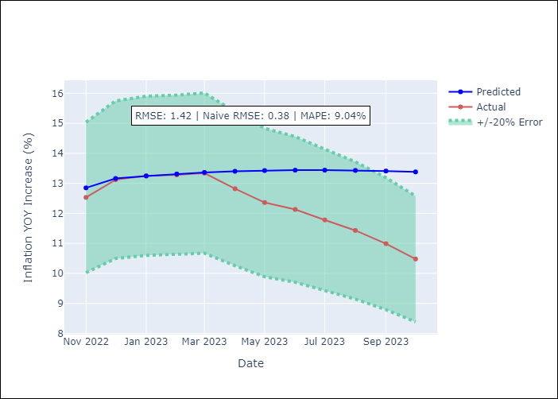

Appendix A: Model Summary
Model | VARMA(1,2)
Sample | - 10-01-2023opg
No. of Observations | 406
Terms | P-value (Statistical significance)
L1.YoY Increase Inflation | 0.000
L1.YoY Increase Crude oil WTI | 0.540
L1.YoY Increase Index Energy | 0.865
L1.YoY Increase Index Food | 0.148
L1.e(YoY Increase Inflation) | 0.000
L1.e(YoY Increase Crude oil WTI) | 0.402
L1.e(YoY Increase Index Energy) | 0.585
L1.e(YoY Increase Index Food) | 0.936
L2.e(YoY Increase Inflation) | 0.138
L2.e(YoY Increase Crude oil WTI) | 0.445
L2.e(YoY Increase Index Energy) | 0.537
L2.e(YoY Increase Index Food) | 0.061
Assumptions | P-value
Ljung-Box (L1) | 0.09, 0.67, 0.62, 0.72
Heteroskedasticity | 0.00, 0.00, 0.00, 0.84
Jarque-Bera | 0.00, 0.00, 0.00, 0.00
Skew | 0.11, 2.34, -0.82, -0.00
Kurtosis | 4.89, 26.90, 18.57, 4.01

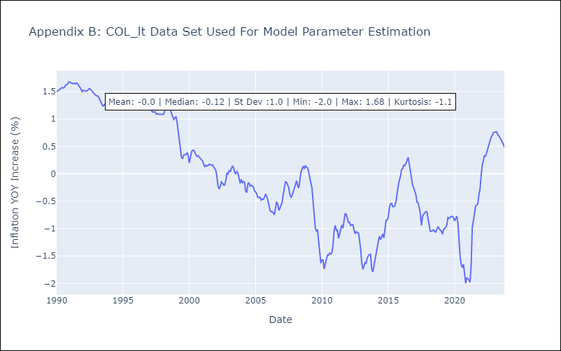

Appendix C: Residuals Analysis
Mean | -0.0
White Noise? | Yes
Normal? | No

ECU
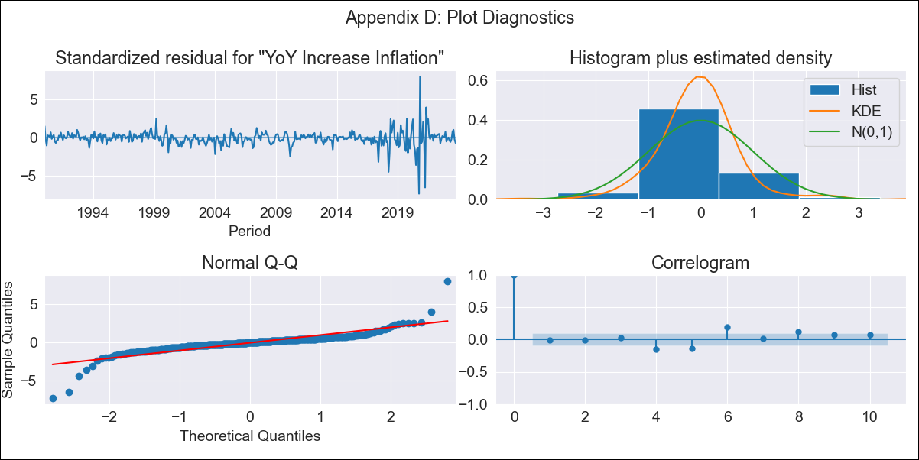
ECU - Inflation - Next 12 months forecast as of: 2023-10-01

Model | VARMAX - (2, 1, 2, 2, 0, 0, 12) | Exogenous Variables | YoY Increase Crude oil WTI, YoY Increase Index Energy, YoY Increase Index Food
Training Data | 1990-01-01 to 2022-11-01
Test Data | 2022-11-01 to 2023-10-01

Date | Inflation Change YoY % | Lower Bound - 95% Confidence Interval | Upper Bound - 95% Confidence Interval
2023-11-01 | 2.2 | 1.26 | 3.49
2023-12-01 | 2.63 | 1.18 | 4.91
2024-01-01 | 2.87 | 1.07 | 6.01
2024-02-01 | 3.03 | 0.95 | 6.96
2024-03-01 | 3.16 | 0.82 | 7.98
2024-04-01 | 3.28 | 0.69 | 9.11
2024-05-01 | 3.39 | 0.57 | 10.33
2024-06-01 | 3.5 | 0.45 | 11.61
2024-07-01 | 3.6 | 0.36 | 12.95
2024-08-01 | 3.7 | 0.27 | 14.32
2024-09-01 | 3.8 | 0.19 | 15.71
2024-10-01 | 3.89 | 0.12 | 17.11

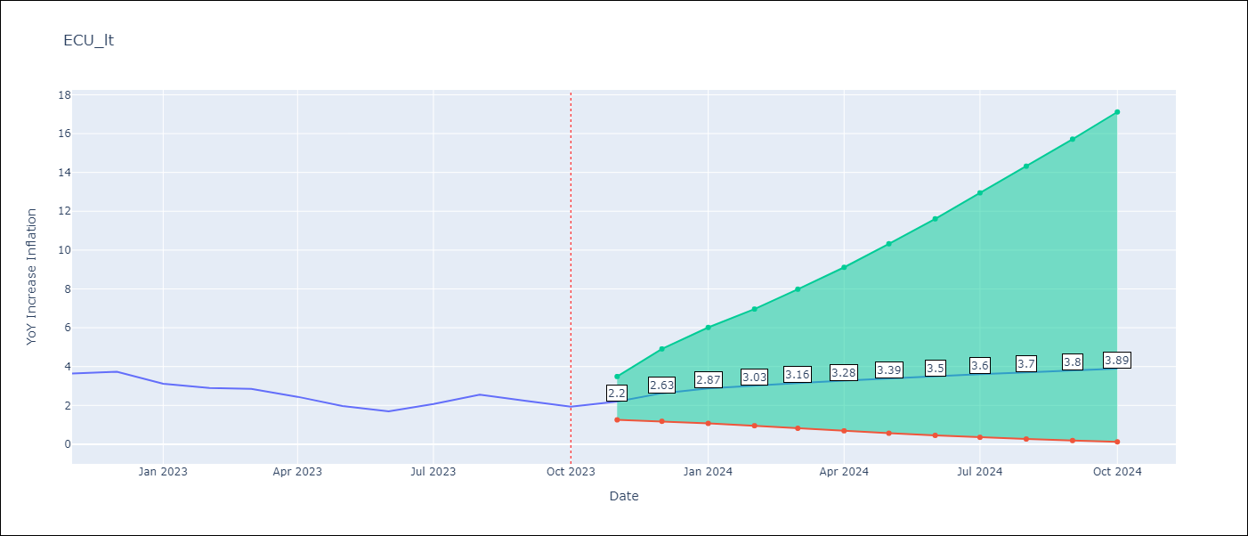

Test Metrics
RMSE | 0.37
Naive RMSE | 0.37
MAPE | 12.34%

Test Predictions
Date | Predicted | Actual
2022-11-01 | 3.56 | 3.64
2022-12-01 | 3.03 | 3.74
2023-01-01 | 2.71 | 3.12
2023-02-01 | 2.49 | 2.9
2023-03-01 | 2.35 | 2.85
2023-04-01 | 2.25 | 2.44
2023-05-01 | 2.19 | 1.97
2023-06-01 | 2.15 | 1.69
2023-07-01 | 2.14 | 2.07
2023-08-01 | 2.13 | 2.56
2023-09-01 | 2.14 | 2.23
2023-10-01 | 2.15 | 1.93

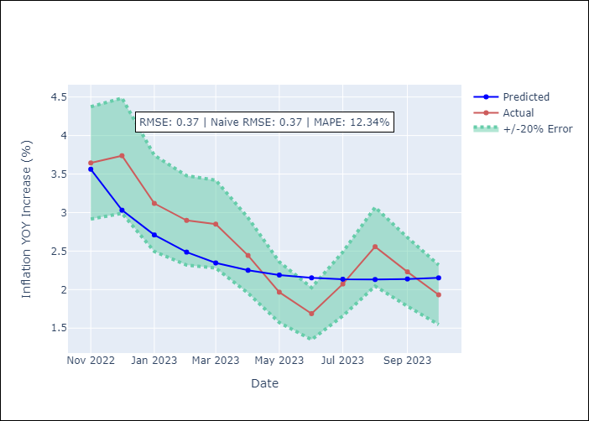

Appendix A: Model Summary
Model | VARMA(2,2)
Sample | - 10-01-2023opg
No. of Observations | 406
Terms | P-value (Statistical significance)
L1.YoY Increase Inflation | 0.057
L1.YoY Increase Crude oil WTI | 0.948
L1.YoY Increase Index Energy | 0.943
L1.YoY Increase Index Food | 0.999
L2.YoY Increase Inflation | 0.957
L2.YoY Increase Crude oil WTI | 0.551
L2.YoY Increase Index Energy | 0.858
L2.YoY Increase Index Food | 0.999
L1.e(YoY Increase Inflation) | 0.940
L1.e(YoY Increase Crude oil WTI) | 0.912
L1.e(YoY Increase Index Energy) | 0.937
L1.e(YoY Increase Index Food) | 0.998
L2.e(YoY Increase Inflation) | 0.855
L2.e(YoY Increase Crude oil WTI) | 0.025
L2.e(YoY Increase Index Energy) | 0.441
L2.e(YoY Increase Index Food) | 0.891
Assumptions | P-value
Ljung-Box (L1) | 0.77, 0.59, 0.87, 0.92
Heteroskedasticity | 0.00, 0.00, 0.00, 0.94
Jarque-Bera | 0.00, 0.00, 0.00, 0.01
Skew | -0.34, 1.37, -0.24, 0.11
Kurtosis | 24.26, 14.33, 13.87, 3.74

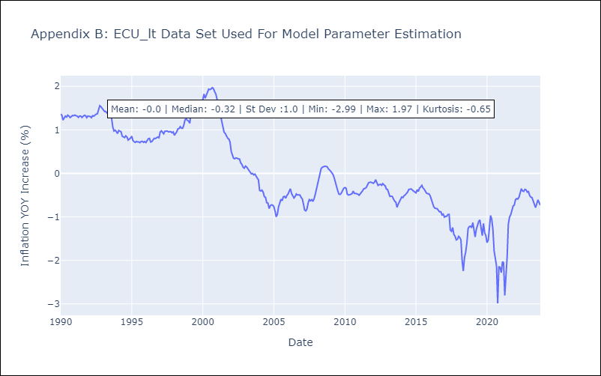

Appendix C: Residuals Analysis
Mean | -0.01
White Noise? | No - Correlation at Lags [ 6 7 8 9 10 11 12]
Normal? | No

PER
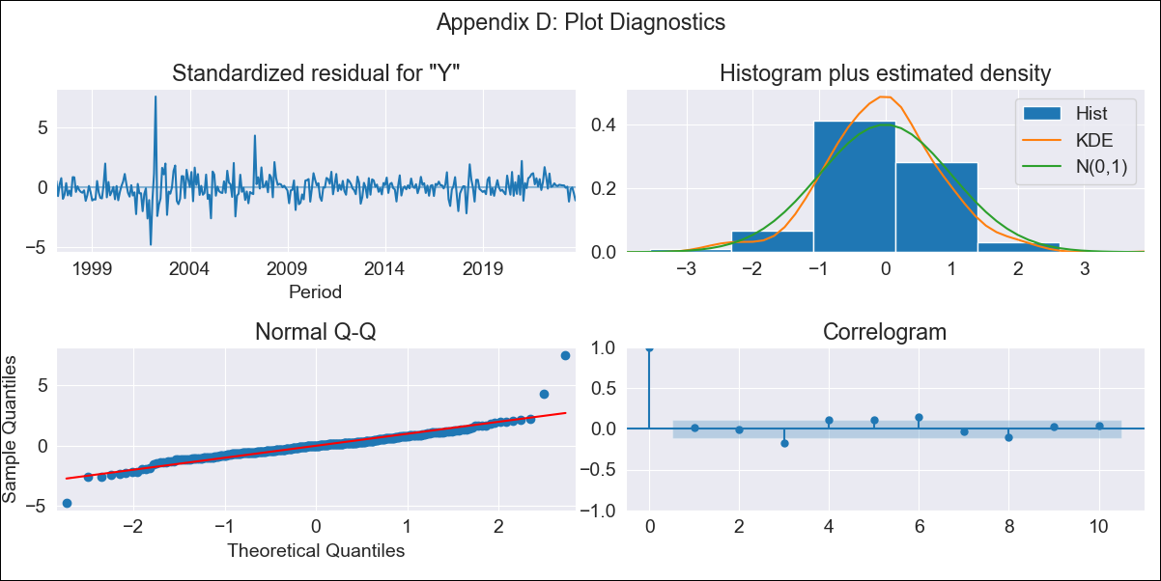
PER - Inflation - Next 12 months forecast as of: 2023-10-01

Model | SARIMAX - [(1, 1, 0), (0, 0, 1, 12)] | Exogenous Variables | YoY Increase Crude oil WTI, YoY Increase Index Energy, YoY Increase Index Food
Training Data | 1996-01-01 to 2022-11-01
Test Data | 2022-11-01 to 2023-10-01

Date | Inflation Change YoY % | Lower Bound - 95% Confidence Interval | Upper Bound - 95% Confidence Interval
2023-11-01 | 4.2 | 3.3 | 5.21
2023-12-01 | 3.99 | 2.59 | 5.73
2024-01-01 | 3.85 | 2.07 | 6.19
2024-02-01 | 3.77 | 1.71 | 6.67
2024-03-01 | 3.73 | 1.43 | 7.12
2024-04-01 | 3.72 | 1.23 | 7.59
2024-05-01 | 3.65 | 1.01 | 7.92
2024-06-01 | 3.91 | 1 | 8.75
2024-07-01 | 4.07 | 0.94 | 9.42
2024-08-01 | 4.11 | 0.83 | 9.9
2024-09-01 | 4.28 | 0.8 | 10.59
2024-10-01 | 4.61 | 0.84 | 11.54

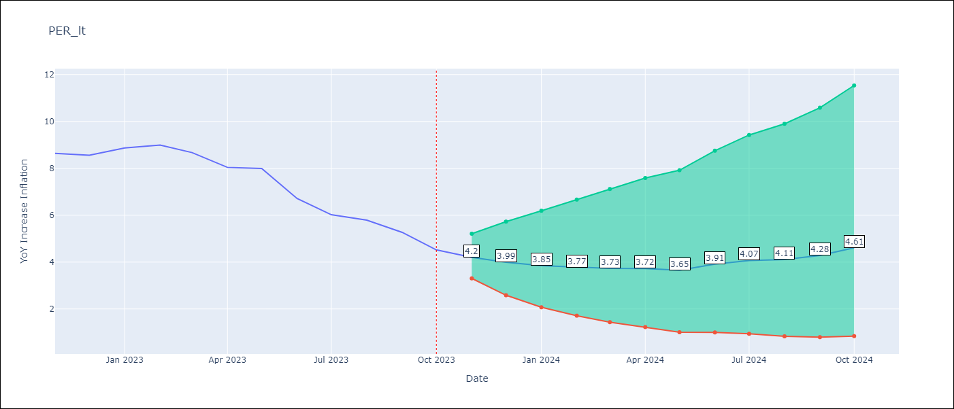

Test Metrics
RMSE | 0.67
Naive RMSE | 0.57
MAPE | 8.71%

Test Predictions
Date | Predicted | Actual
2022-11-01 | 8.51 | 8.64
2022-12-01 | 8.18 | 8.56
2023-01-01 | 8.24 | 8.87
2023-02-01 | 8.22 | 8.99
2023-03-01 | 7.84 | 8.67
2023-04-01 | 7.37 | 8.04
2023-05-01 | 7.17 | 7.99
2023-06-01 | 6.56 | 6.71
2023-07-01 | 6.25 | 6.02
2023-08-01 | 6.13 | 5.79
2023-09-01 | 5.97 | 5.27
2023-10-01 | 5.85 | 4.52

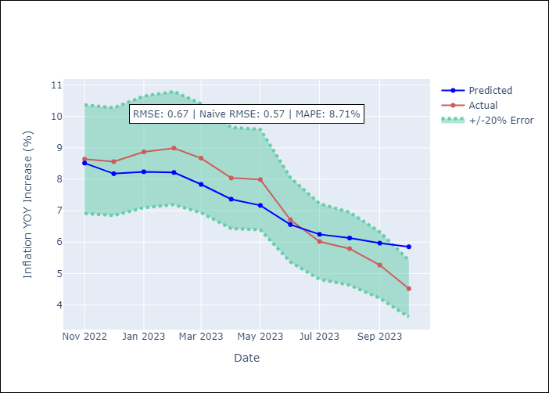

Appendix A: Model Summary
Model | SARIMAX(1, 1, 0)x(0, 0, [1], 12)
Sample | 01-01-1996- 10-01-2023
No. of Observations | 334
Terms | P-value (Statistical significance)
YoY Increase Crude oil WTI | 0.875
YoY Increase Index Energy | 0.847
YoY Increase Index Food | 0.166
ar.L1 | 0.000
ma.S.L12 | 0.000
sigma2 | 0.000
Assumptions | P-value
Ljung-Box (L1) | 0.75
Heteroskedasticity | 0.00
Jarque-Bera | 0.00
Skew | 1.16
Kurtosis | 14.91

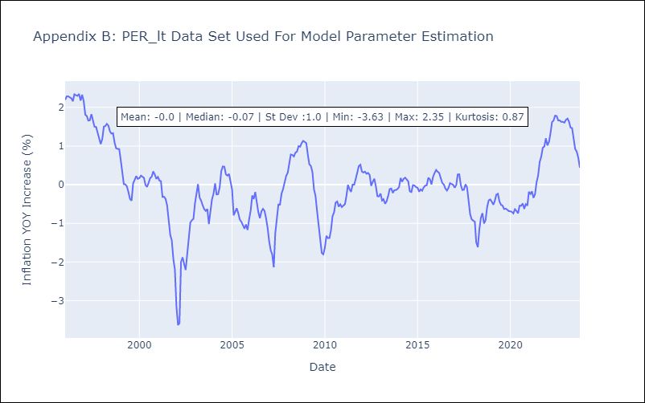

Appendix C: Residuals Analysis
Mean | -0.0
White Noise? | No - Correlation at Lags [6]
Normal? | No

PRY
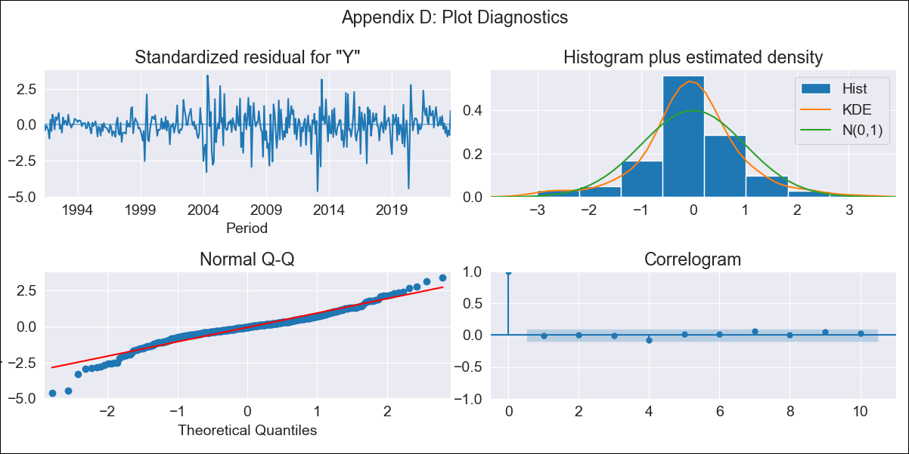
PRY - Inflation - Next 12 months forecast as of: 2023-09-01

Model | ARIMA - [(1, 1, 2), (0, 0, 1, 12)]
Training Data | 1990-01-01 to 2022-10-01
Test Data | 2022-10-01 to 2023-09-01

Date | Inflation Change YoY % | Lower Bound - 95% Confidence Interval | Upper Bound - 95% Confidence Interval
2023-10-01 | 3.67 | 2.6 | 5.12
2023-11-01 | 3.56 | 2.1 | 5.9
2023-12-01 | 3.62 | 1.87 | 6.71
2024-01-01 | 3.49 | 1.62 | 7.07
2024-02-01 | 3.61 | 1.55 | 7.85
2024-03-01 | 3.65 | 1.47 | 8.43
2024-04-01 | 3.91 | 1.49 | 9.49
2024-05-01 | 4.03 | 1.47 | 10.25
2024-06-01 | 4.38 | 1.55 | 11.6
2024-07-01 | 4.61 | 1.57 | 12.69
2024-08-01 | 4.94 | 1.64 | 14.11
2024-09-01 | 4.57 | 1.44 | 13.44

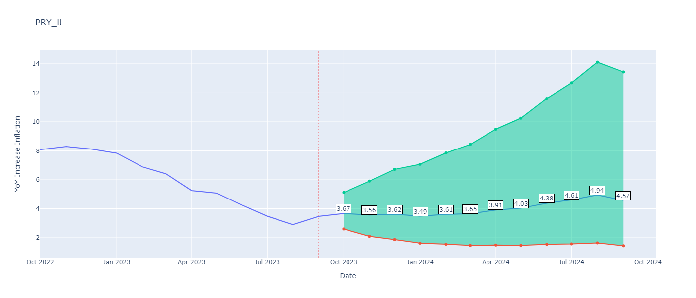

Test Metrics
RMSE | 0.82
Naive RMSE | 0.65
MAPE | 14.62%

Test Predictions
Date | Predicted | Actual
2022-10-01 | 8.04 | 8.07
2022-11-01 | 7.56 | 8.29
2022-12-01 | 7.38 | 8.12
2023-01-01 | 6.47 | 7.83
2023-02-01 | 5.93 | 6.88
2023-03-01 | 5.54 | 6.41
2023-04-01 | 5.05 | 5.25
2023-05-01 | 5.09 | 5.08
2023-06-01 | 4.9 | 4.24
2023-07-01 | 4.4 | 3.48
2023-08-01 | 4.17 | 2.9
2023-09-01 | 4.24 | 3.47

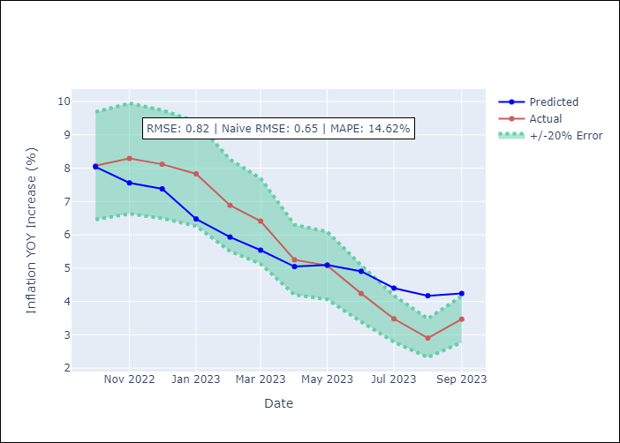

Appendix A: Model Summary
Model | ARIMA(1, 1, 2)x(0, 0, [1], 12)
Sample | 01-01-1990- 09-01-2023
No. of Observations | 405
Terms | P-value (Statistical significance)
ar.L1 | 0.000
ma.L1 | 0.000
ma.L2 | 0.000
ma.S.L12 | 0.000
sigma2 | 0.000
Assumptions | P-value
Ljung-Box (L1) | 0.96
Heteroskedasticity | 0.00
Jarque-Bera | 0.00
Skew | -0.46
Kurtosis | 5.95

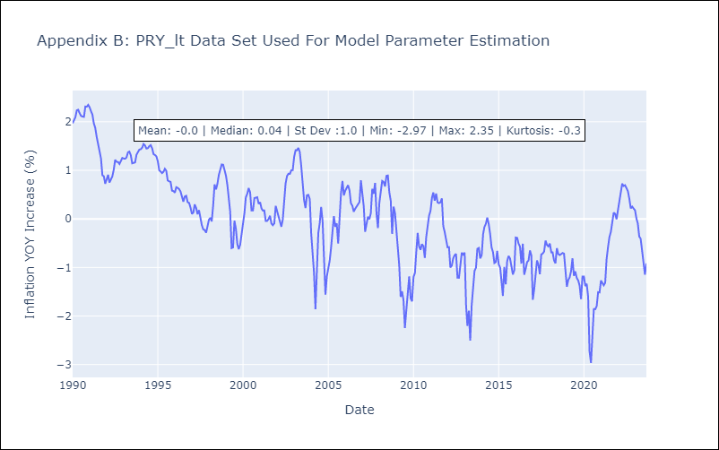

Appendix C: Residuals Analysis
Mean | -0.01
White Noise? | Yes
Normal? | No

URY
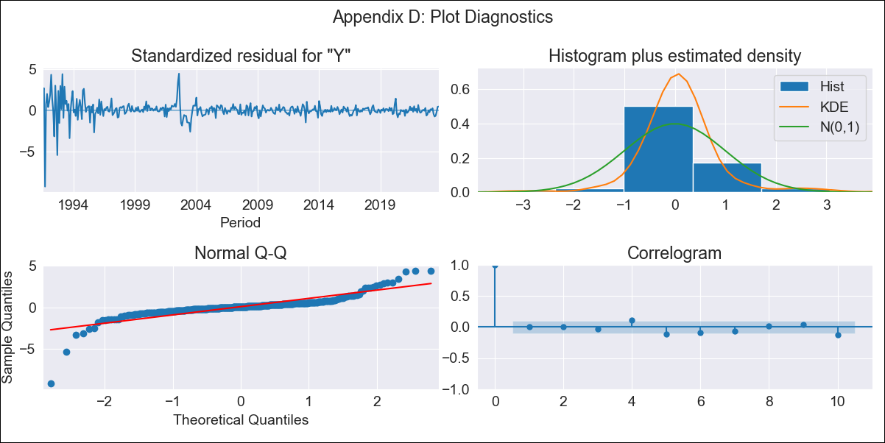
URY - Inflation - Next 12 months forecast as of: 2023-10-01

Model | SARIMAX - [(0, 2, 3), (0, 0, 1, 12)] | Exogenous Variables | YoY Increase Crude oil WTI, YoY Increase Index Energy, YoY Increase Index Food
Training Data | 1990-01-01 to 2022-11-01
Test Data | 2022-11-01 to 2023-10-01

Date | Inflation Change YoY % | Lower Bound - 95% Confidence Interval | Upper Bound - 95% Confidence Interval
2023-11-01 | 4.27 | 2.09 | 6.45
2023-12-01 | 3.91 | 0.43 | 7.39
2024-01-01 | 3.76 | -0.8 | 8.33
2024-02-01 | 3.46 | -2.26 | 9.19
2024-03-01 | 3.11 | -3.86 | 10.07
2024-04-01 | 2.67 | -5.62 | 10.95
2024-05-01 | 2.65 | -7.03 | 12.32
2024-06-01 | 2.91 | -8.22 | 14.05
2024-07-01 | 3.18 | -9.48 | 15.84
2024-08-01 | 3.19 | -11.05 | 17.43
2024-09-01 | 2.87 | -13.02 | 18.76
2024-10-01 | 2.47 | -15.12 | 20.07

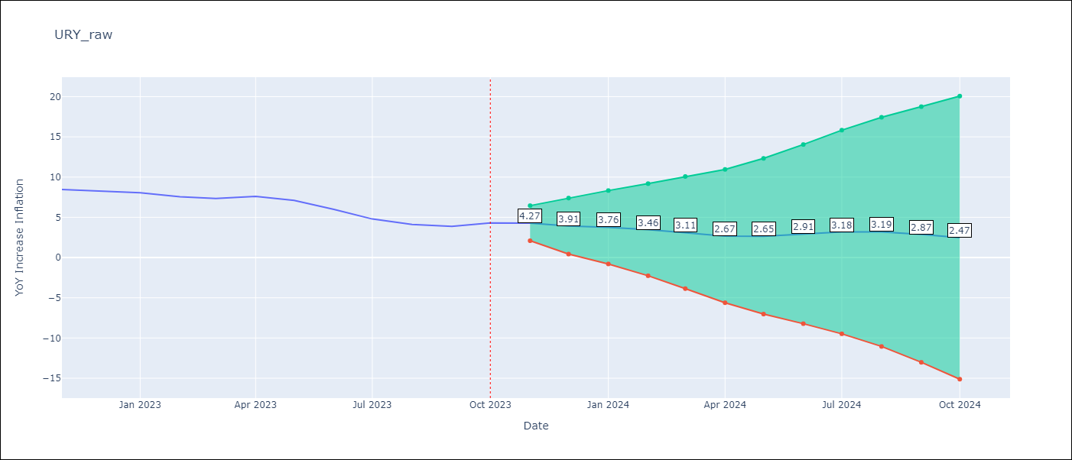

Test Metrics
RMSE | 2.54
Naive RMSE | 0.61
MAPE | 42.5%

Test Predictions
Date | Predicted | Actual
2022-11-01 | 9.02 | 8.46
2022-12-01 | 9.02 | 8.29
2023-01-01 | 9.12 | 8.05
2023-02-01 | 8.68 | 7.55
2023-03-01 | 8.39 | 7.33
2023-04-01 | 8.5 | 7.61
2023-05-01 | 8.54 | 7.1
2023-06-01 | 8.48 | 5.98
2023-07-01 | 8.34 | 4.79
2023-08-01 | 8.29 | 4.11
2023-09-01 | 8.05 | 3.87
2023-10-01 | 8.36 | 4.3

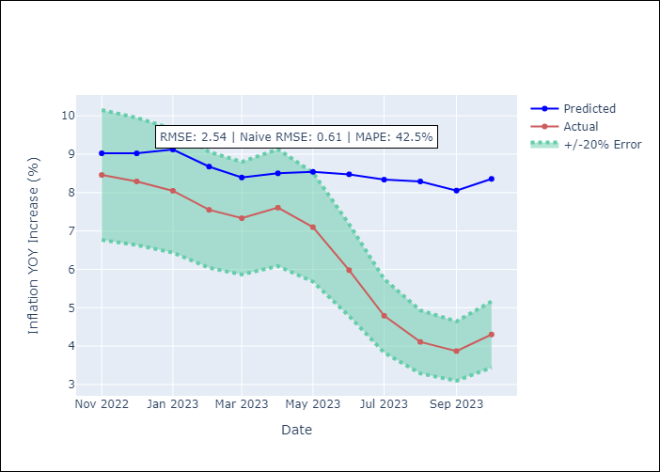

Appendix A: Model Summary
Model | SARIMAX(0, 2, 3)x(0, 0, [1], 12)
Sample | 01-01-1990- 10-01-2023
No. of Observations | 406
Terms | P-value (Statistical significance)
YoY Increase Crude oil WTI | 0.899
YoY Increase Index Energy | 0.822
YoY Increase Index Food | 0.920
ma.L1 | 0.000
ma.L2 | 0.000
ma.L3 | 0.000
ma.S.L12 | 0.000
sigma2 | 0.000
Assumptions | P-value
Ljung-Box (L1) | 0.87
Heteroskedasticity | 0.00
Jarque-Bera | 0.00
Skew | -1.70
Kurtosis | 26.79

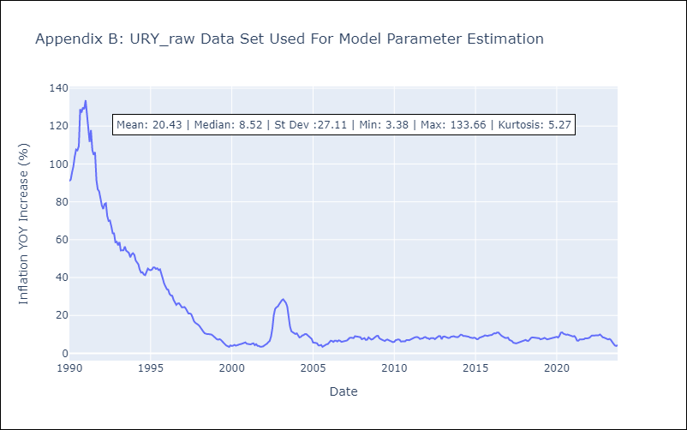

Appendix C: Residuals Analysis
Mean | 0.15
White Noise? | No - Correlation at Lags [ 1 2 3 4 5 6 7 8 9 10 11 12]
Normal? | No

VEN
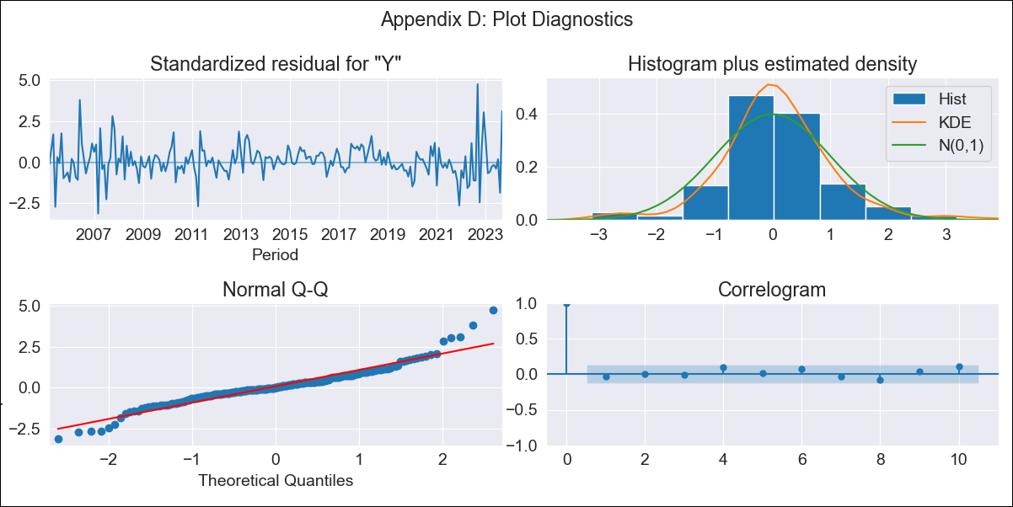
VEN - Inflation - Next 12 months forecast as of: 2023-09-01

Model | SARIMAX - [(1, 1, 0), (0, 0, 0, 12)] | Exogenous Variables | YoY Increase Crude oil WTI, YoY Increase Index Energy, YoY Increase Index Food
Training Data | 2005-01-01 to 2022-10-01
Test Data | 2022-10-01 to 2023-09-01

Date | Inflation Change YoY % | Lower Bound - 95% Confidence Interval | Upper Bound - 95% Confidence Interval
2023-10-01 | 456.36 | 360.04 | 588.47
2023-11-01 | 497.55 | 317.35 | 833.55
2023-12-01 | 523.45 | 274.59 | 1154.99
2024-01-01 | 540.71 | 238.46 | 1576.96
2024-02-01 | 551.42 | 208.85 | 2122.55
2024-03-01 | 564.53 | 186.46 | 2880.36
2024-04-01 | 570.26 | 167.13 | 3836.1
2024-05-01 | 570.91 | 150.63 | 5037.54
2024-06-01 | 570.88 | 137 | 6612.45
2024-07-01 | 570.97 | 125.65 | 8713.53
2024-08-01 | 572.33 | 116.21 | 11607.09
2024-09-01 | 570.29 | 107.71 | 15356.63

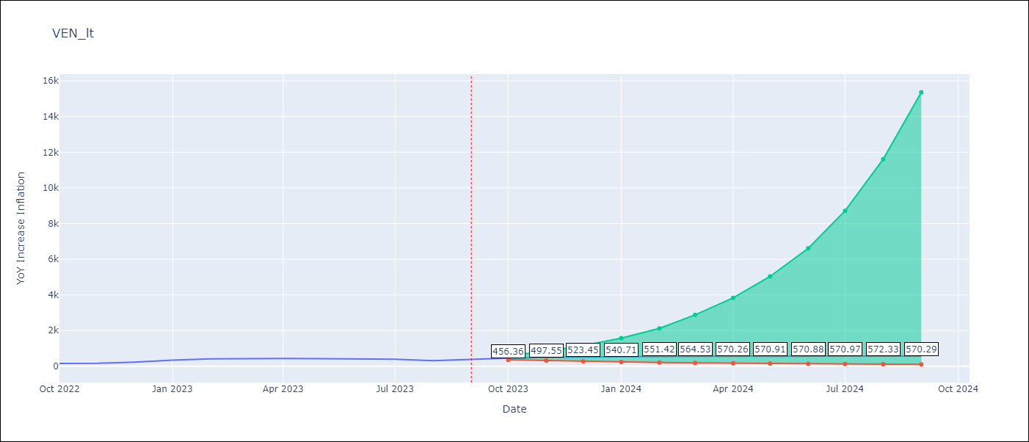

Test Metrics
RMSE | 83.85
Naive RMSE | 57.04
MAPE | 21.8%

Test Predictions
Date | Predicted | Actual
2022-10-01 | 197.45 | 155.8
2022-11-01 | 228.04 | 165.6
2022-12-01 | 252.23 | 234.08
2023-01-01 | 271.84 | 344.91
2023-02-01 | 288.48 | 415.57
2023-03-01 | 310.53 | 439.61
2023-04-01 | 320.31 | 436.34
2023-05-01 | 325.22 | 429.21
2023-06-01 | 325.08 | 404.37
2023-07-01 | 325.82 | 398.19
2023-08-01 | 326.96 | 317.63
2023-09-01 | 328.64 | 394.76

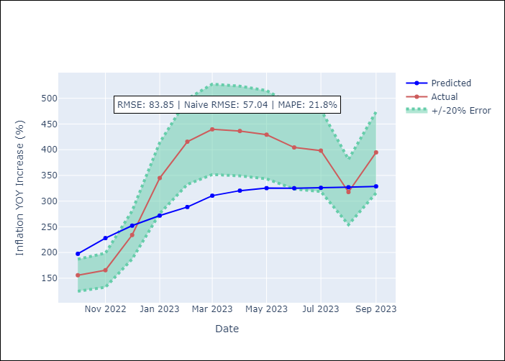

Appendix A: Model Summary
Model | SARIMAX(1, 1, 0)
Sample | 01-01-2005- 09-01-2023
No. of Observations | 225
Terms | P-value (Statistical significance)
YoY Increase Crude oil WTI | 0.725
YoY Increase Index Energy | 0.423
YoY Increase Index Food | 0.932
ar.L1 | 0.000
sigma2 | 0.000
Assumptions | P-value
Ljung-Box (L1) | 0.64
Heteroskedasticity | 0.99
Jarque-Bera | 0.00
Skew | 0.56
Kurtosis | 6.56

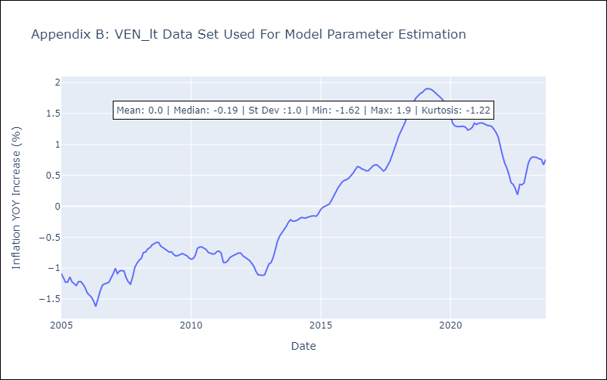

Appendix C: Residuals Analysis
Mean | -0.0
White Noise? | No - Correlation at Lags [1 2]
Normal? | No

