CRI
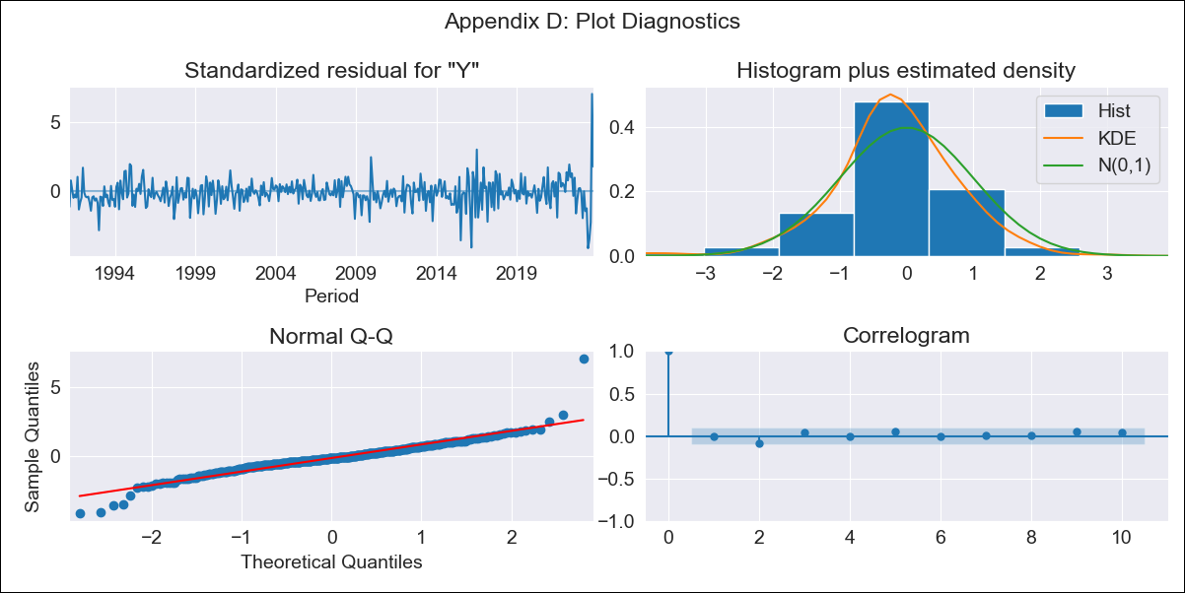
CRI - Inflation - Next 12 months forecast as of: 2023-10-01

Model | ARIMA - [(1, 1, 0), (0, 0, 1, 12)]
Training Data | 1990-01-01 to 2022-11-01
Test Data | 2022-11-01 to 2023-10-01

Date | Inflation Change YoY % | Lower Bound - 95% Confidence Interval | Upper Bound - 95% Confidence Interval
2023-11-01 | -0.85 | -1.29 | -0.36
2023-12-01 | -0.69 | -1.46 | 0.26
2024-01-01 | -0.6 | -1.64 | 0.84
2024-02-01 | -0.19 | -1.54 | 1.95
2024-03-01 | 0.01 | -1.59 | 2.73
2024-04-01 | 0.45 | -1.48 | 3.88
2024-05-01 | 0.99 | -1.33 | 5.19
2024-06-01 | 2.6 | -0.66 | 8.06
2024-07-01 | 4.84 | 0.3 | 11.68
2024-08-01 | 7.01 | 1.34 | 15.09
2024-09-01 | 4.69 | -0.14 | 12.43
2024-10-01 | 3.1 | -0.99 | 10.56

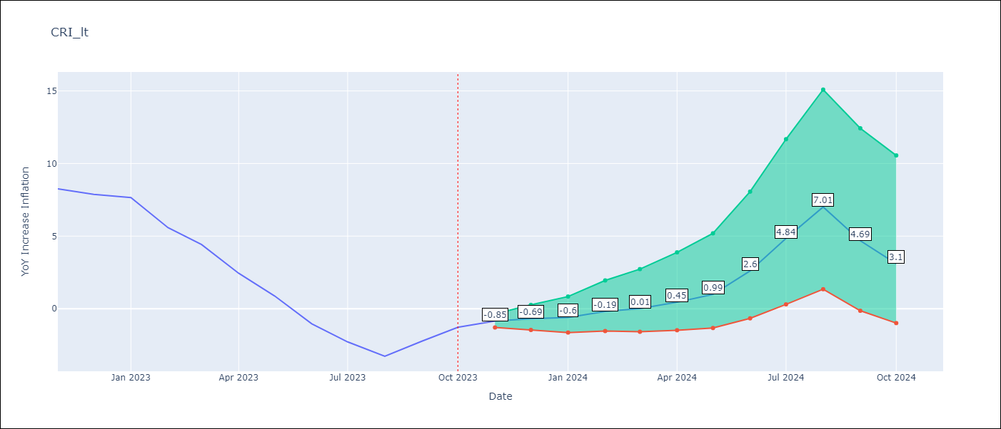

Test Metrics
RMSE | 3.43
Naive RMSE | 1.36
MAPE | 157.28%

Test Predictions
Date | Predicted | Actual
2022-11-01 | 8.16 | 8.26
2022-12-01 | 7.61 | 7.88
2023-01-01 | 7.41 | 7.65
2023-02-01 | 6.65 | 5.58
2023-03-01 | 5.97 | 4.42
2023-04-01 | 4.83 | 2.44
2023-05-01 | 3.95 | 0.88
2023-06-01 | 3.1 | -1.04
2023-07-01 | 2.87 | -2.29
2023-08-01 | 2.43 | -3.28
2023-09-01 | 2.83 | -2.24
2023-10-01 | 3.23 | -1.28

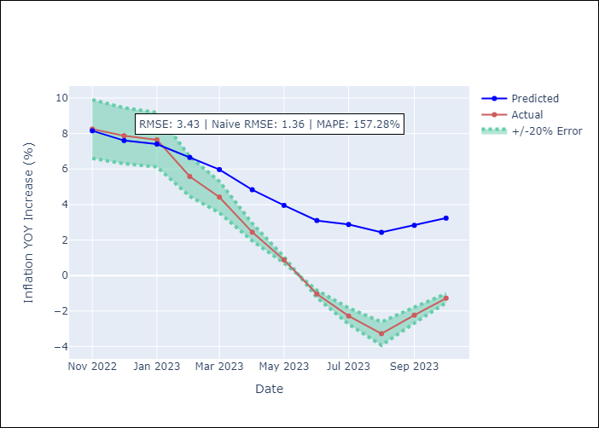

Appendix A: Model Summary
Model | ARIMA(1, 1, 0)x(0, 0, [1], 12)
Sample | 01-01-1990- 10-01-2023
No. of Observations | 406
Terms | P-value (Statistical significance)
ar.L1 | 0.000
ma.S.L12 | 0.000
sigma2 | 0.000
Assumptions | P-value
Ljung-Box (L1) | 0.84
Heteroskedasticity | 0.00
Jarque-Bera | 0.00
Skew | 0.55
Kurtosis | 11.25

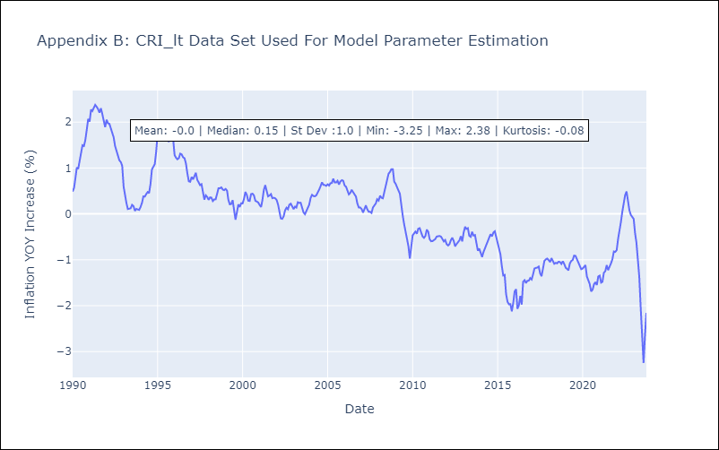

Appendix C: Residuals Analysis
Mean | -0.01
White Noise? | Yes
Normal? | No

CUB
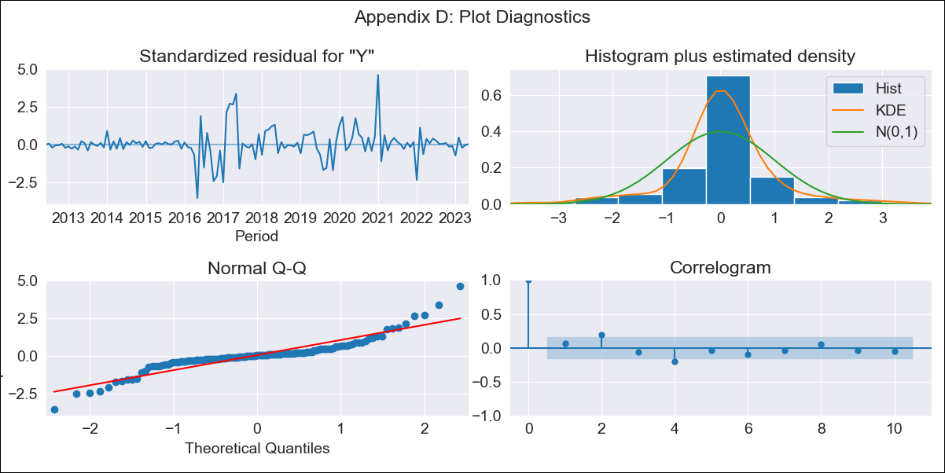
CUB - Inflation - Next 12 months forecast as of: 2023-05-01

Model | ARIMA - [(0, 2, 2), (0, 0, 1, 12)]
Training Data | 2011-01-01 to 2022-06-01
Test Data | 2022-06-01 to 2023-05-01

Date | Inflation Change YoY % | Lower Bound - 95% Confidence Interval | Upper Bound - 95% Confidence Interval
2023-06-01 | 44.44 | 24.21 | 76.39
2023-07-01 | 43.28 | 14.21 | 107.49
2023-08-01 | 43.53 | 9.65 | 137.76
2023-09-01 | 44.19 | 6.89 | 169.21
2023-10-01 | 44.52 | 4.92 | 200.7
2023-11-01 | 46.02 | 3.68 | 238.01
2023-12-01 | 47.87 | 2.77 | 279.37
2024-01-01 | 53.42 | 2.43 | 340.7
2024-02-01 | 53.57 | 1.65 | 381.53
2024-03-01 | 54.92 | 1.13 | 430.94
2024-04-01 | 56.95 | 0.75 | 487.52
2024-05-01 | 58.13 | 0.39 | 542.87

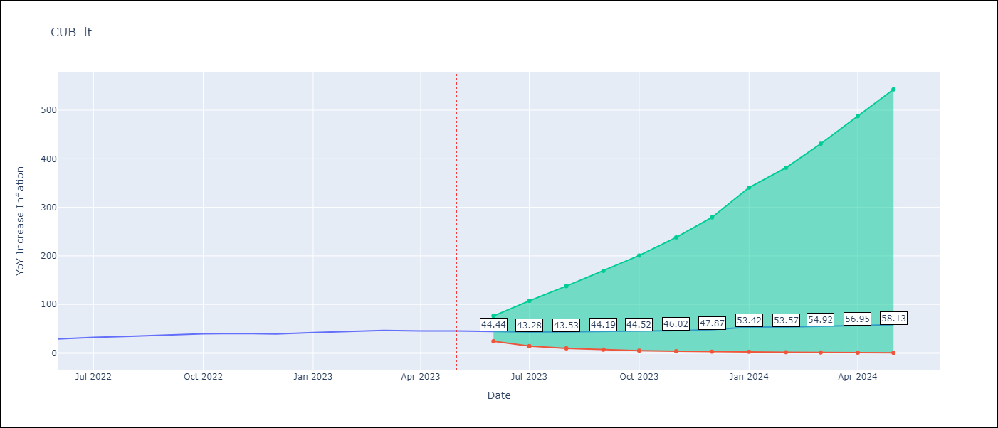

Test Metrics
RMSE | 7.75
Naive RMSE | 2.18
MAPE | 18.11%

Test Predictions
Date | Predicted | Actual
2022-06-01 | 25.31 | 28.85
2022-07-01 | 24.76 | 32.31
2022-08-01 | 25.12 | 34.3
2022-09-01 | 26.84 | 37.24
2022-10-01 | 27.53 | 39.73
2022-11-01 | 28.71 | 40.26
2022-12-01 | 29.03 | 39.07
2023-01-01 | 39.54 | 42.08
2023-02-01 | 39.64 | 44.5
2023-03-01 | 41.64 | 46.42
2023-04-01 | 42.14 | 45.35
2023-05-01 | 42.01 | 45.48

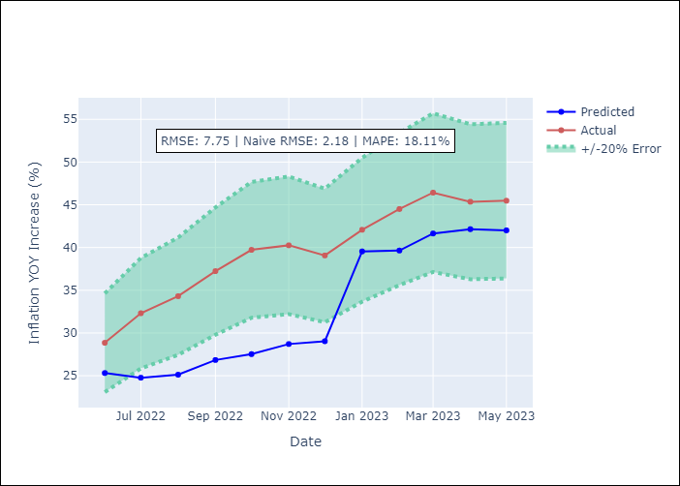

Appendix A: Model Summary
Model | ARIMA(0, 2, 2)x(0, 0, [1], 12)
Sample | 01-01-2011- 05-01-2023
No. of Observations | 149
Terms | P-value (Statistical significance)
ma.L1 | 0.000
ma.L2 | 0.000
ma.S.L12 | 0.000
sigma2 | 0.000
Assumptions | P-value
Ljung-Box (L1) | 0.43
Heteroskedasticity | 0.00
Jarque-Bera | 0.00
Skew | 0.56
Kurtosis | 8.01

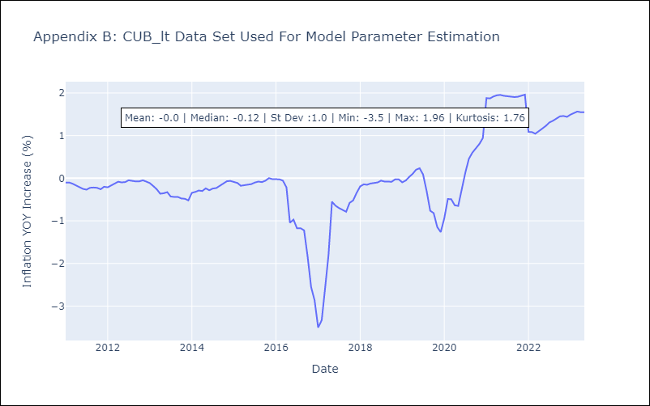

Appendix C: Residuals Analysis
Mean | 0.01
White Noise? | No - Correlation at Lags [2 4 5 6 7]
Normal? | No

DOM
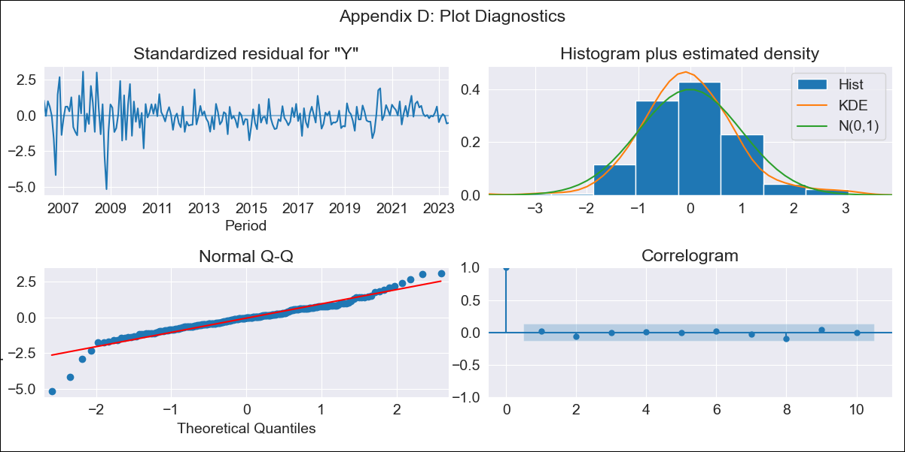
DOM - Inflation - Next 12 months forecast as of: 2023-06-01

Model | SARIMAX - [(1, 1, 0), (0, 0, 1, 12)] | Exogenous Variables | Exchange rates (nominal), Monetary Policiy rate, M1 money supply ($mm local currency)
Training Data | 2005-01-01 to 2022-07-01
Test Data | 2022-07-01 to 2023-06-01

Date | Inflation Change YoY % | Lower Bound - 95% Confidence Interval | Upper Bound - 95% Confidence Interval
2023-07-01 | 3.8 | 2.65 | 4.96
2023-08-01 | 3.91 | 1.86 | 5.95
2023-09-01 | 3.97 | 1.16 | 6.79
2023-10-01 | 4.06 | 0.59 | 7.54
2023-11-01 | 3.95 | -0.11 | 8.01
2023-12-01 | 3.52 | -1.06 | 8.1
2024-01-01 | 3.65 | -1.4 | 8.7
2024-02-01 | 3.77 | -1.72 | 9.25
2024-03-01 | 3.75 | -2.14 | 9.63
2024-04-01 | 3.79 | -2.47 | 10.05
2024-05-01 | 4.14 | -2.48 | 10.75
2024-06-01 | 4.57 | -2.38 | 11.52

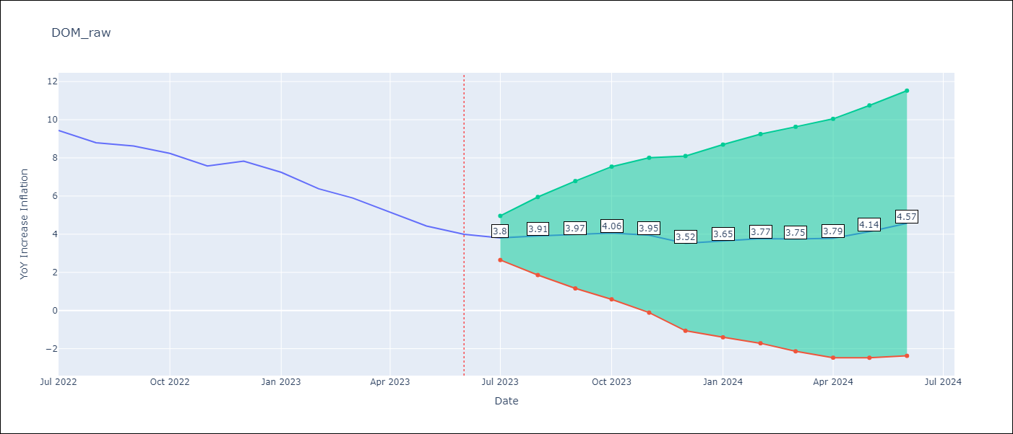

Test Metrics
RMSE | 0.35
Naive RMSE | 0.58
MAPE | 4.83%

Test Predictions
Date | Predicted | Actual
2022-07-01 | 9.48 | 9.43
2022-08-01 | 9.14 | 8.8
2022-09-01 | 9.12 | 8.63
2022-10-01 | 8.74 | 8.24
2022-11-01 | 7.85 | 7.58
2022-12-01 | 7.5 | 7.83
2023-01-01 | 6.92 | 7.24
2023-02-01 | 6.11 | 6.38
2023-03-01 | 5.56 | 5.9
2023-04-01 | 4.84 | 5.15
2023-05-01 | 4.49 | 4.43
2023-06-01 | 4.48 | 4

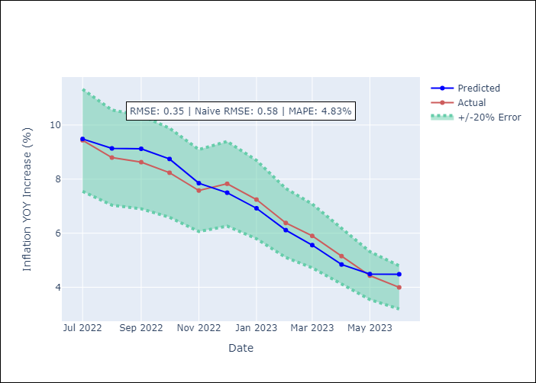

Appendix A: Model Summary
Model | SARIMAX(1, 1, 0)x(0, 0, [1], 12)
Sample | 01-01-2005- 06-01-2023
No. of Observations | 222
Terms | P-value (Statistical significance)
Exchange rates (nominal) | 0.001
Monetary Policiy rate | 0.455
M1 money supply ($mm local currency) | 0.028
ar.L1 | 0.000
ma.S.L12 | 0.998
sigma2 | 0.998
Assumptions | P-value
Ljung-Box (L1) | 0.77
Heteroskedasticity | 0.00
Jarque-Bera | 0.00
Skew | -0.56
Kurtosis | 7.50

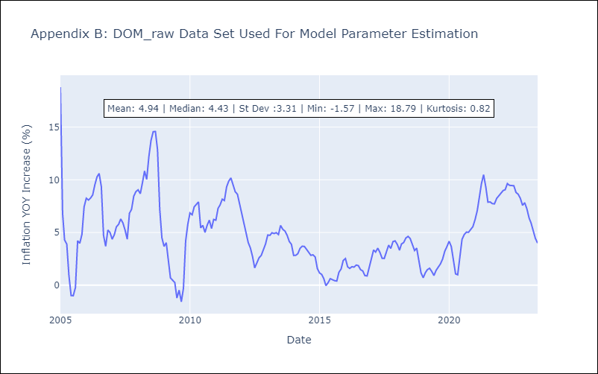

Appendix C: Residuals Analysis
Mean | 0.0
White Noise? | No - Correlation at Lags [ 1 2 3 4 5 6 7 8 9 10 11 12]
Normal? | No

GTM
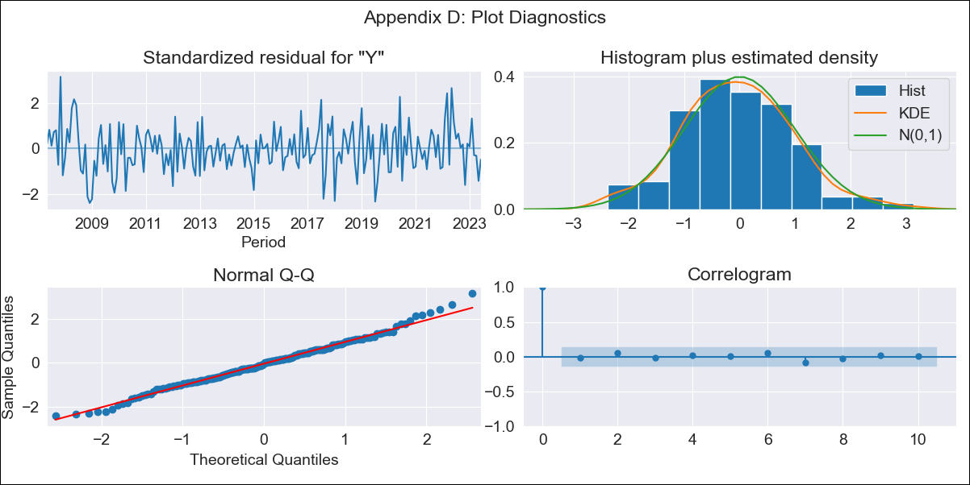
GTM - Inflation - Next 12 months forecast as of: 2023-06-01

Model | SARIMAX - [(3, 1, 2), (1, 0, 1, 12)] | Exogenous Variables | Exchange rates (nominal), Monetary Policiy rate, M1 money supply ($mm local currency)
Training Data | 2006-01-01 to 2022-07-01
Test Data | 2022-07-01 to 2023-06-01

Date | Inflation Change YoY % | Lower Bound - 95% Confidence Interval | Upper Bound - 95% Confidence Interval
2023-07-01 | 4.13 | 3.27 | 4.99
2023-08-01 | 3.42 | 1.96 | 4.88
2023-09-01 | 2.9 | 0.98 | 4.83
2023-10-01 | 2.27 | -0.08 | 4.62
2023-11-01 | 2.67 | -0.12 | 5.45
2023-12-01 | 2.66 | -0.56 | 5.88
2024-01-01 | 2.44 | -1.2 | 6.08
2024-02-01 | 1.95 | -2.08 | 5.98
2024-03-01 | 2.29 | -2.08 | 6.67
2024-04-01 | 2.53 | -2.17 | 7.23
2024-05-01 | 3.54 | -1.46 | 8.55
2024-06-01 | 4.31 | -0.99 | 9.61

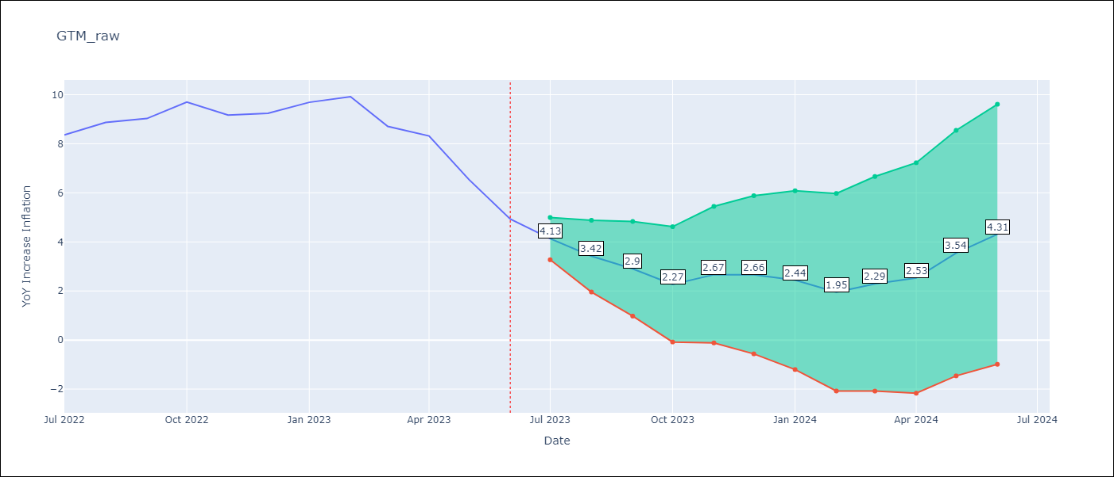

Test Metrics
RMSE | 0.5
Naive RMSE | 0.89
MAPE | 4.96%

Test Predictions
Date | Predicted | Actual
2022-07-01 | 8.25 | 8.36
2022-08-01 | 8.47 | 8.87
2022-09-01 | 8.54 | 9.03
2022-10-01 | 9.02 | 9.7
2022-11-01 | 8.99 | 9.17
2022-12-01 | 9.11 | 9.24
2023-01-01 | 9.41 | 9.69
2023-02-01 | 9.06 | 9.92
2023-03-01 | 7.85 | 8.71
2023-04-01 | 7.69 | 8.32
2023-05-01 | 6.59 | 6.54
2023-06-01 | 5.33 | 4.93

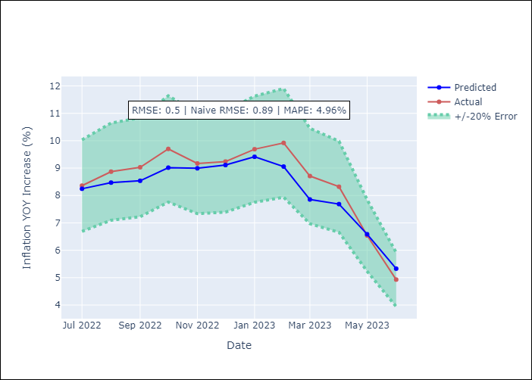

Appendix A: Model Summary
Model | SARIMAX(3, 1, 2)x(1, 0, [1], 12)
Sample | 01-01-2006- 06-01-2023
No. of Observations | 210
Terms | P-value (Statistical significance)
Exchange rates (nominal) | 0.375
Monetary Policiy rate | 0.980
M1 money supply ($mm local currency) | 0.607
ar.L1 | 0.000
ar.L2 | 0.000
ar.L3 | 0.000
ma.L1 | 0.000
ma.L2 | 0.006
ar.S.L12 | 0.000
ma.S.L12 | 0.000
sigma2 | 0.000
Assumptions | P-value
Ljung-Box (L1) | 0.82
Heteroskedasticity | 0.50
Jarque-Bera | 0.41
Skew | 0.19
Kurtosis | 3.28

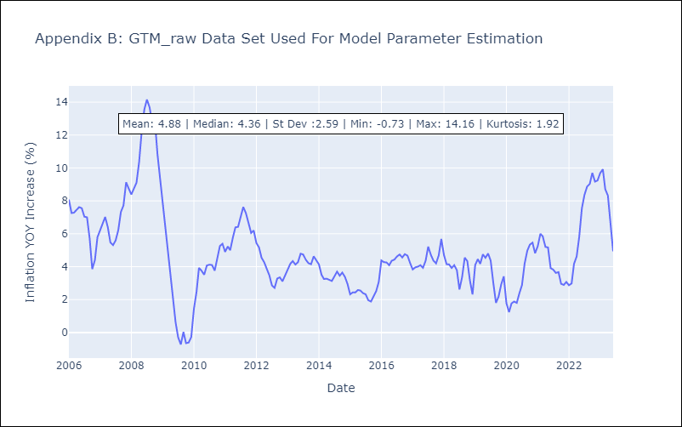

Appendix C: Residuals Analysis
Mean | 0.0
White Noise? | No - Correlation at Lags [ 1 2 3 4 5 6 7 8 9 10 11 12]
Normal? | No

HND
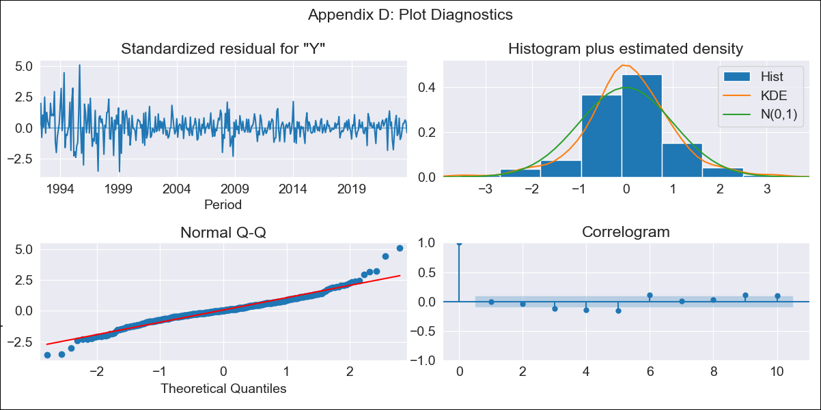
HND - Inflation - Next 12 months forecast as of: 2023-10-01

Model | ARIMA - [(2, 2, 0), (0, 0, 1, 12)]
Training Data | 1991-01-01 to 2022-11-01
Test Data | 2022-11-01 to 2023-10-01

Date | Inflation Change YoY % | Lower Bound - 95% Confidence Interval | Upper Bound - 95% Confidence Interval
2023-11-01 | 5.45 | 4.35 | 6.56
2023-12-01 | 5.65 | 3.65 | 7.66
2024-01-01 | 5.83 | 2.89 | 8.77
2024-02-01 | 5.44 | 1.36 | 9.53
2024-03-01 | 5.81 | 0.46 | 11.16
2024-04-01 | 6.36 | -0.35 | 13.06
2024-05-01 | 6.68 | -1.49 | 14.84
2024-06-01 | 6.88 | -2.84 | 16.6
2024-07-01 | 7.03 | -4.33 | 18.39
2024-08-01 | 6.94 | -6.15 | 20.02
2024-09-01 | 6.74 | -8.15 | 21.63
2024-10-01 | 6.87 | -9.9 | 23.65

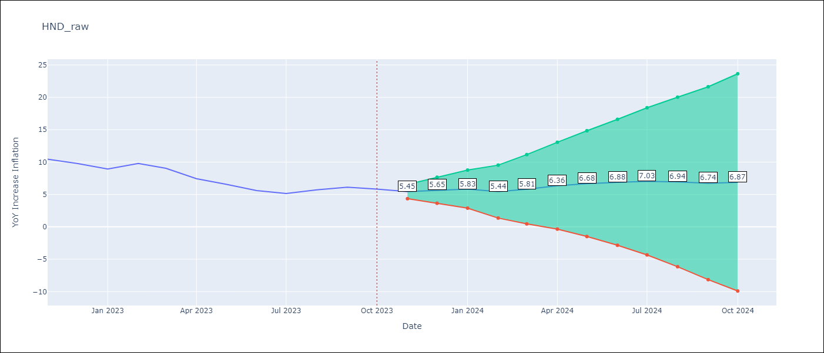

Test Metrics
RMSE | 0.51
Naive RMSE | 0.83
MAPE | 6.74%

Test Predictions
Date | Predicted | Actual
2022-11-01 | 9.88 | 10.44
2022-12-01 | 9.32 | 9.8
2023-01-01 | 8.66 | 8.93
2023-02-01 | 9.01 | 9.8
2023-03-01 | 8.6 | 9.05
2023-04-01 | 7.58 | 7.44
2023-05-01 | 7.02 | 6.58
2023-06-01 | 6.22 | 5.6
2023-07-01 | 5.88 | 5.15
2023-08-01 | 6.27 | 5.71
2023-09-01 | 6.41 | 6.13
2023-10-01 | 6.21 | 5.84

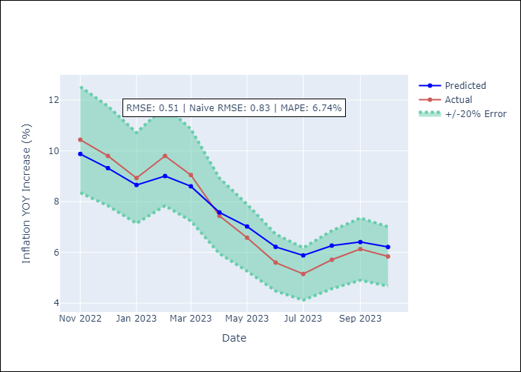

Appendix A: Model Summary
Model | ARIMA(2, 2, 0)x(0, 0, [1], 12)
Sample | 01-01-1991- 10-01-2023
No. of Observations | 394
Terms | P-value (Statistical significance)
ar.L1 | 0.000
ar.L2 | 0.000
ma.S.L12 | 0.000
sigma2 | 0.000
Assumptions | P-value
Ljung-Box (L1) | 1.00
Heteroskedasticity | 0.00
Jarque-Bera | 0.00
Skew | 0.37
Kurtosis | 6.40

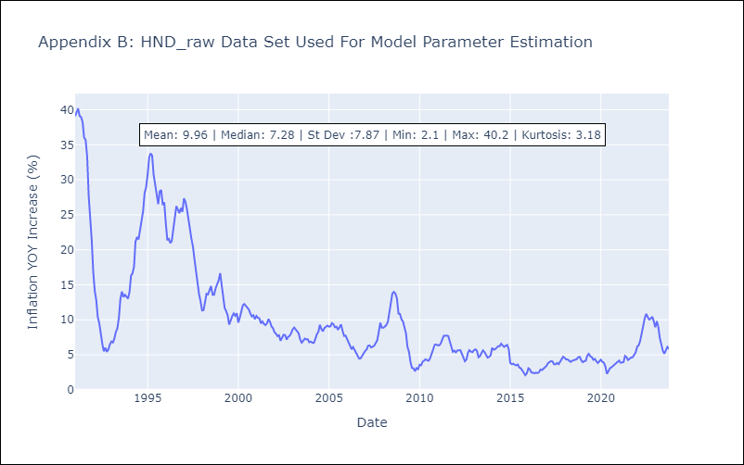

Appendix C: Residuals Analysis
Mean | 0.05
White Noise? | No - Correlation at Lags [ 1 2 3 4 5 6 7 8 9 10 11 12]
Normal? | No

HTI
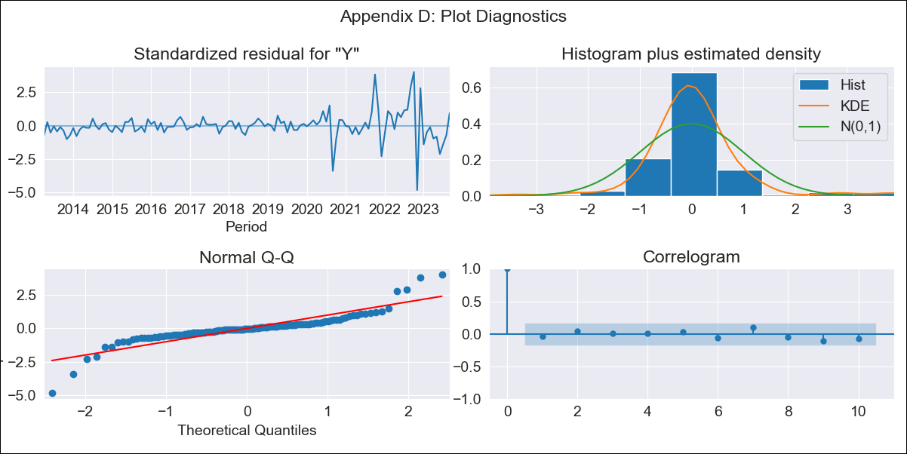
HTI - Inflation - Next 12 months forecast as of: 2023-09-01

Model | ARIMA - [(3, 0, 1), (2, 0, 0, 12)]
Training Data | 2011-01-01 to 2022-10-01
Test Data | 2022-10-01 to 2023-09-01

Date | Inflation Change YoY % | Lower Bound - 95% Confidence Interval | Upper Bound - 95% Confidence Interval
2023-10-01 | 21.7 | 19.4 | 24
2023-11-01 | 17.37 | 12.94 | 21.81
2023-12-01 | 16.2 | 9.93 | 22.47
2024-01-01 | 16.3 | 8.34 | 24.26
2024-02-01 | 15.67 | 6.26 | 25.09
2024-03-01 | 15 | 4.26 | 25.74
2024-04-01 | 14.64 | 2.72 | 26.55
2024-05-01 | 13.95 | 0.96 | 26.94
2024-06-01 | 13.8 | -0.16 | 27.76
2024-07-01 | 14.07 | -0.79 | 28.93
2024-08-01 | 13.79 | -1.9 | 29.47
2024-09-01 | 9.7 | -6.75 | 26.16

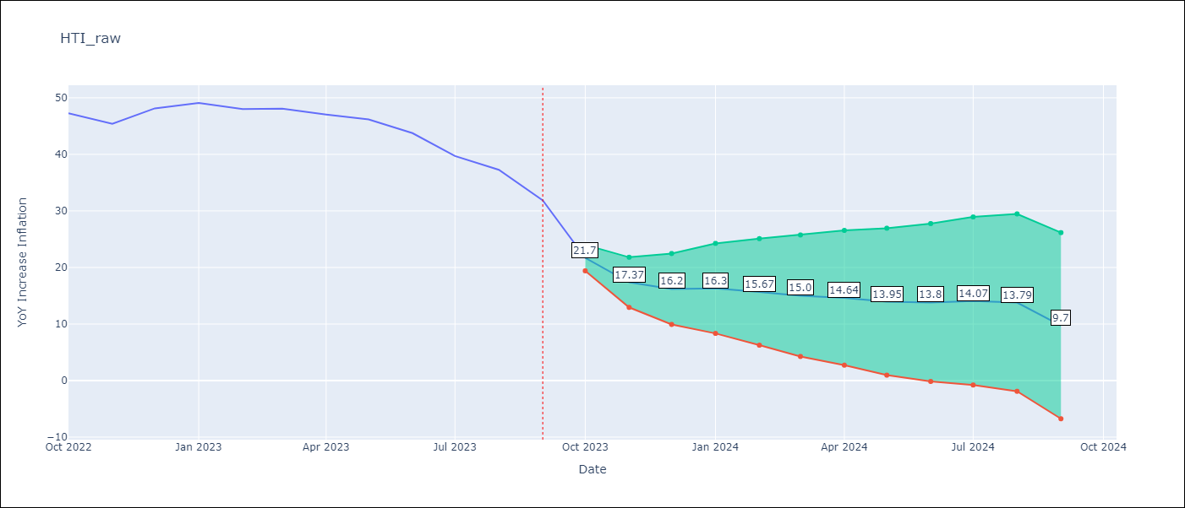

Test Metrics
RMSE | 16.08
Naive RMSE | 2.56
MAPE | 29.96%

Test Predictions
Date | Predicted | Actual
2022-10-01 | 43.4 | 47.25
2022-11-01 | 44.84 | 45.42
2022-12-01 | 47.2 | 48.13
2023-01-01 | 49.5 | 49.09
2023-02-01 | 51.4 | 48
2023-03-01 | 53.55 | 48.06
2023-04-01 | 56.19 | 47.04
2023-05-01 | 58.97 | 46.18
2023-06-01 | 62.25 | 43.75
2023-07-01 | 63.92 | 39.71
2023-08-01 | 66.56 | 37.27
2023-09-01 | 63.65 | 31.86

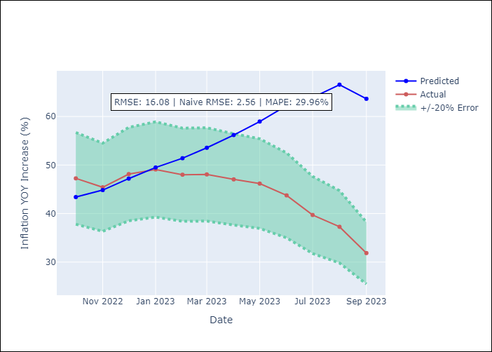

Appendix A: Model Summary
Model | ARIMA(3, 0, 1)x(2, 0, [], 12)
Sample | 01-01-2011- 09-01-2023
No. of Observations | 153
Terms | P-value (Statistical significance)
const | 0.109
ar.L1 | 0.000
ar.L2 | 0.012
ar.L3 | 0.000
ma.L1 | 0.000
ar.S.L12 | 0.000
ar.S.L24 | 0.000
sigma2 | 0.000
Assumptions | P-value
Ljung-Box (L1) | 0.69
Heteroskedasticity | 0.00
Jarque-Bera | 0.00
Skew | -0.03
Kurtosis | 10.97

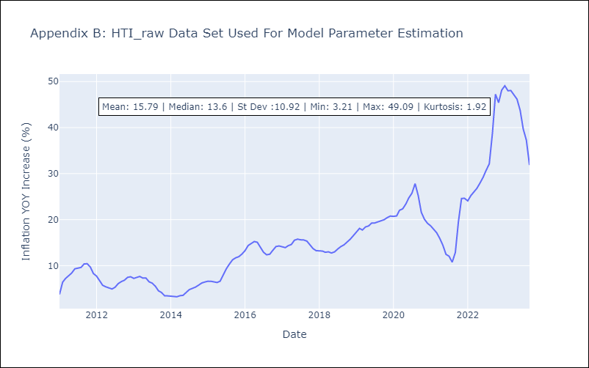

Appendix C: Residuals Analysis
Mean | -0.27
White Noise? | No - Correlation at Lags [ 2 3 4 5 6 7 8 12]
Normal? | No

MEX
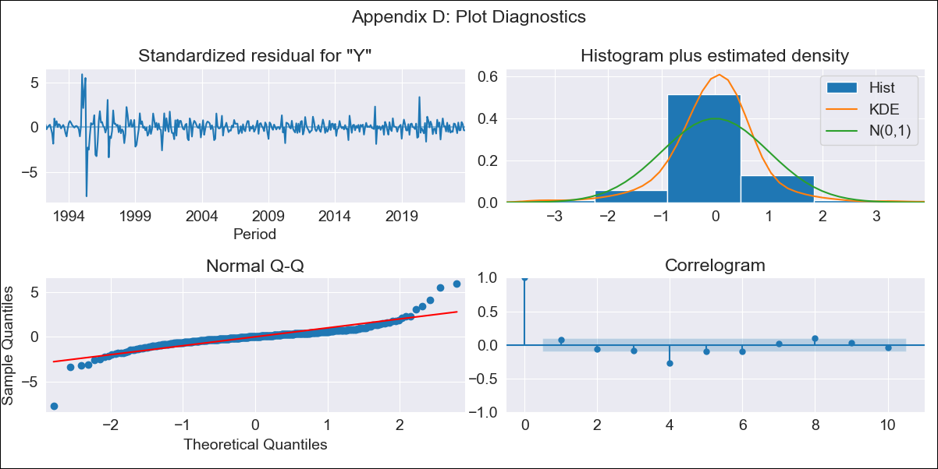
MEX - Inflation - Next 12 months forecast as of: 2023-10-01

Model | ARIMA - [(0, 2, 0), (2, 0, 2, 12)]
Training Data | 1990-01-01 to 2022-11-01
Test Data | 2022-11-01 to 2023-10-01

Date | Inflation Change YoY % | Lower Bound - 95% Confidence Interval | Upper Bound - 95% Confidence Interval
2023-11-01 | 4.15 | 3.14 | 5.16
2023-12-01 | 4.04 | 1.78 | 6.3
2024-01-01 | 3.82 | 0.04 | 7.6
2024-02-01 | 3.53 | -2.01 | 9.06
2024-03-01 | 3.48 | -4.02 | 10.97
2024-04-01 | 3.21 | -6.43 | 12.86
2024-05-01 | 3.12 | -8.84 | 15.08
2024-06-01 | 3.09 | -11.35 | 17.53
2024-07-01 | 2.88 | -14.19 | 19.95
2024-08-01 | 2.48 | -17.36 | 22.32
2024-09-01 | 2.28 | -20.46 | 25.03
2024-10-01 | 2.27 | -23.51 | 28.04

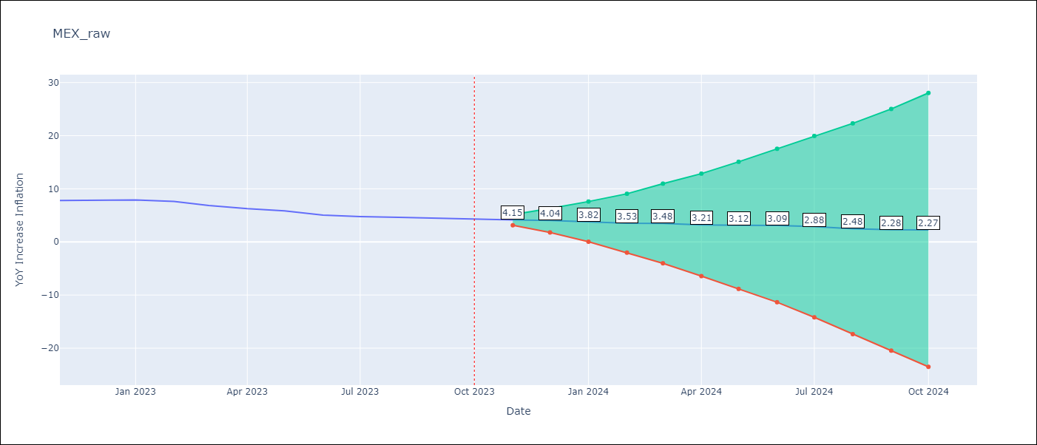

Test Metrics
RMSE | 0.28
Naive RMSE | 0.43
MAPE | 4.42%

Test Predictions
Date | Predicted | Actual
2022-11-01 | 8.06 | 7.8
2022-12-01 | 8.12 | 7.82
2023-01-01 | 8.05 | 7.91
2023-02-01 | 7.63 | 7.62
2023-03-01 | 7.06 | 6.85
2023-04-01 | 6.37 | 6.25
2023-05-01 | 6.07 | 5.84
2023-06-01 | 5.55 | 5.06
2023-07-01 | 5.24 | 4.79
2023-08-01 | 4.87 | 4.64
2023-09-01 | 4.62 | 4.45
2023-10-01 | 4.56 | 4.26

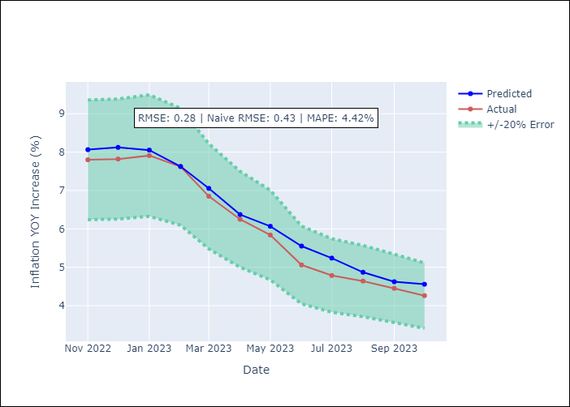

Appendix A: Model Summary
Model | ARIMA(0, 2, 0)x(2, 0, [1, 2], 12)
Sample | 01-01-1990- 10-01-2023
No. of Observations | 406
Terms | P-value (Statistical significance)
ar.S.L12 | 0.971
ar.S.L24 | 0.046
ma.S.L12 | 0.000
ma.S.L24 | 0.707
sigma2 | 0.000
Assumptions | P-value
Ljung-Box (L1) | 0.16
Heteroskedasticity | 0.00
Jarque-Bera | 0.00
Skew | -0.23
Kurtosis | 18.53

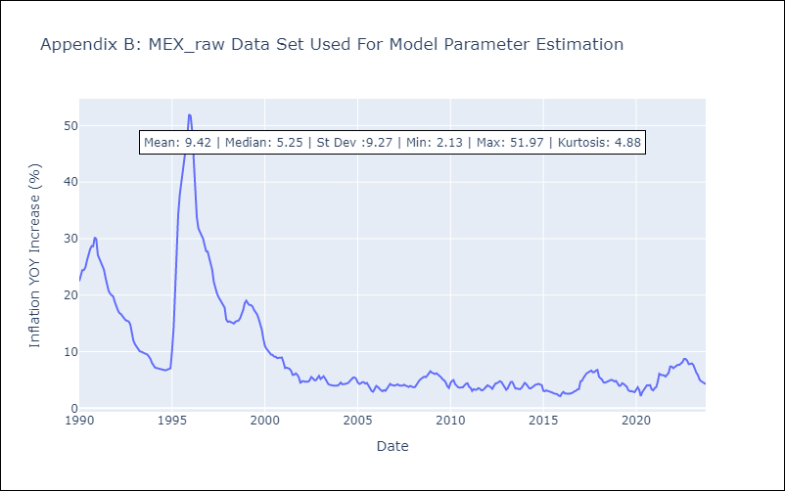

Appendix C: Residuals Analysis
Mean | 0.02
White Noise? | No - Correlation at Lags [ 1 2 3 4 5 6 7 8 9 10 11 12]
Normal? | No

NIC

NIC - Inflation - Next 12 months forecast as of: 2023-06-01

Model | SARIMAX - [(1, 2, 0), (3, 0, 1, 12)] | Exogenous Variables | Exchange rates (nominal), Monetary Policiy rate, M1 money supply ($mm local currency)
Training Data | 2008-01-01 to 2022-07-01
Test Data | 2022-07-01 to 2023-06-01

Date | Inflation Change YoY % | Lower Bound - 95% Confidence Interval | Upper Bound - 95% Confidence Interval
2023-07-01 | 9.25 | 8.17 | 10.34
2023-08-01 | 8.69 | 6.58 | 10.8
2023-09-01 | 9.02 | 5.64 | 12.41
2023-10-01 | 8.56 | 3.72 | 13.39
2023-11-01 | 9.09 | 2.64 | 15.54
2023-12-01 | 9.09 | 0.88 | 17.3
2024-01-01 | 9.59 | -0.52 | 19.7
2024-02-01 | 9.6 | -2.53 | 21.73
2024-03-01 | 9.84 | -4.43 | 24.11
2024-04-01 | 10.1 | -6.43 | 26.63
2024-05-01 | 10.21 | -8.68 | 29.09
2024-06-01 | 10.36 | -11 | 31.71

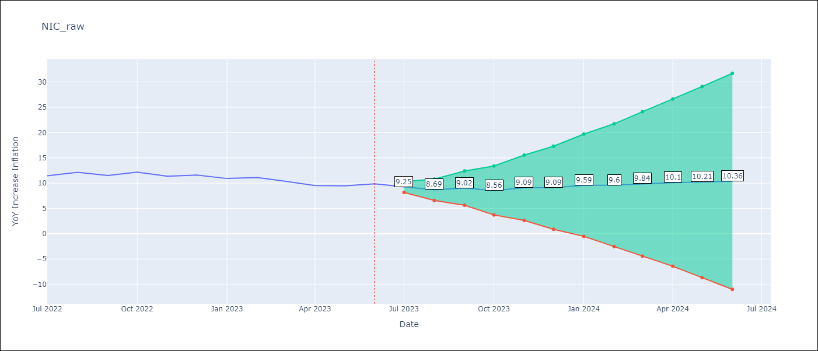

Test Metrics
RMSE | 1.11
Naive RMSE | 0.59
MAPE | 9.1%

Test Predictions
Date | Predicted | Actual
2022-07-01 | 10.54 | 11.46
2022-08-01 | 10.55 | 12.15
2022-09-01 | 10.4 | 11.52
2022-10-01 | 10.42 | 12.16
2022-11-01 | 10.2 | 11.38
2022-12-01 | 10.09 | 11.59
2023-01-01 | 9.95 | 10.92
2023-02-01 | 9.98 | 11.1
2023-03-01 | 9.57 | 10.39
2023-04-01 | 9.13 | 9.53
2023-05-01 | 9.17 | 9.47
2023-06-01 | 9.23 | 9.87

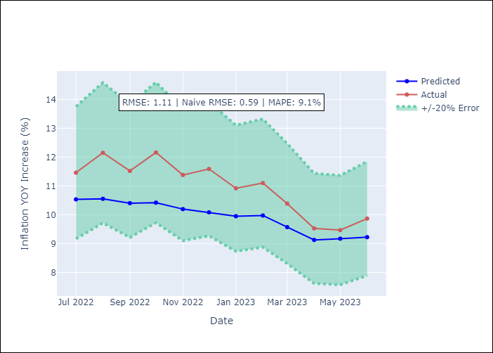

Appendix A: Model Summary
Model | SARIMAX(1, 2, 0)x(3, 0, [1], 12)
Sample | 01-01-2008- 06-01-2023
No. of Observations | 186
Terms | P-value (Statistical significance)
Exchange rates (nominal) | 0.312
Monetary Policiy rate | 0.587
M1 money supply ($mm local currency) | 0.351
ar.L1 | 0.000
ar.S.L12 | 0.000
ar.S.L24 | 0.000
ar.S.L36 | 0.008
ma.S.L12 | 0.928
sigma2 | 0.000
Assumptions | P-value
Ljung-Box (L1) | 0.17
Heteroskedasticity | 0.00
Jarque-Bera | 0.31
Skew | 0.07
Kurtosis | 3.61

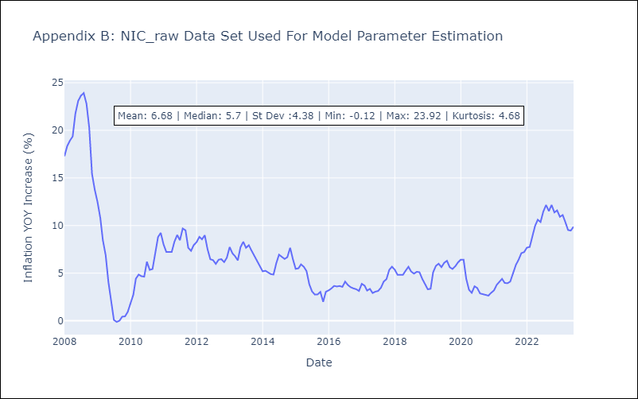

Appendix C: Residuals Analysis
Mean | -0.0
White Noise? | No - Correlation at Lags [ 1 2 3 4 5 6 7 8 9 10 11 12]
Normal? | No

PAN
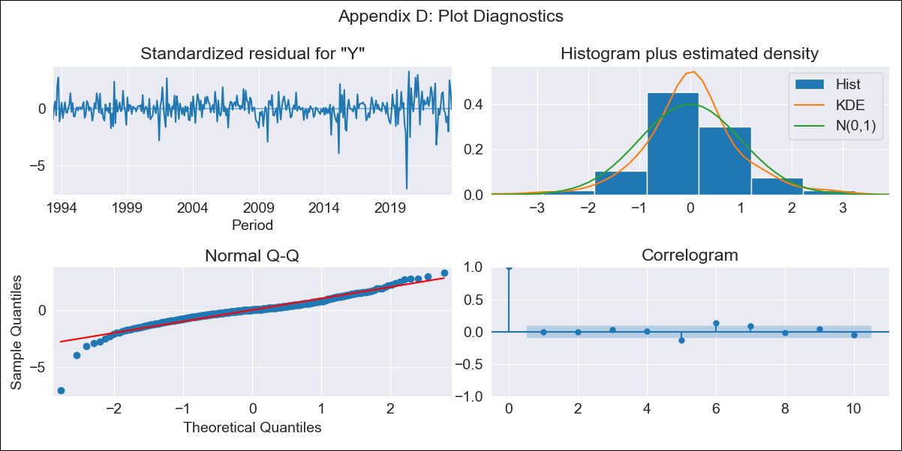
PAN - Inflation - Next 12 months forecast as of: 2023-09-01

Model | ARIMA - [(2, 2, 1), (0, 0, 1, 12)]
Training Data | 1992-01-01 to 2022-10-01
Test Data | 2022-10-01 to 2023-09-01

Date | Inflation Change YoY % | Lower Bound - 95% Confidence Interval | Upper Bound - 95% Confidence Interval
2023-10-01 | 2.4 | 1.45 | 3.49
2023-11-01 | 2.36 | 0.97 | 4.08
2023-12-01 | 1.95 | 0.37 | 4.03
2024-01-01 | 1.47 | -0.15 | 3.8
2024-02-01 | 1.52 | -0.28 | 4.23
2024-03-01 | 1.68 | -0.34 | 4.81
2024-04-01 | 2.11 | -0.25 | 5.77
2024-05-01 | 2.42 | -0.22 | 6.59
2024-06-01 | 3.21 | 0.05 | 8.1
2024-07-01 | 2.44 | -0.48 | 7.38
2024-08-01 | 1.79 | -0.92 | 6.77
2024-09-01 | 1.79 | -1.03 | 7.14

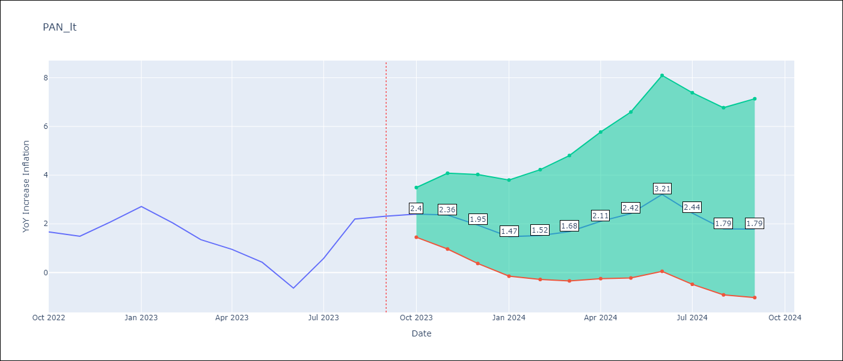

Test Metrics
RMSE | 0.82
Naive RMSE | 0.82
MAPE | 43.23%

Test Predictions
Date | Predicted | Actual
2022-10-01 | 1.9 | 1.67
2022-11-01 | 1.64 | 1.49
2022-12-01 | 1.57 | 2.07
2023-01-01 | 1.39 | 2.71
2023-02-01 | 0.88 | 2.04
2023-03-01 | 0.47 | 1.35
2023-04-01 | 0.5 | 0.95
2023-05-01 | 0.29 | 0.42
2023-06-01 | -0.19 | -0.64
2023-07-01 | 0.36 | 0.58
2023-08-01 | 0.95 | 2.2
2023-09-01 | 0.97 | 2.31

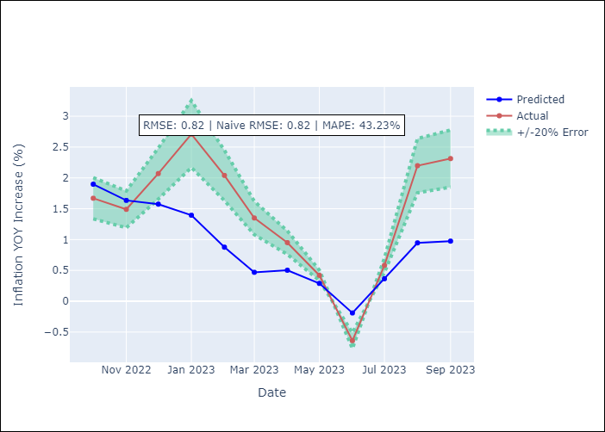

Appendix A: Model Summary
Model | ARIMA(2, 2, 1)x(0, 0, 1, 12)
Sample | 01-01-1992- 09-01-2023
No. of Observations | 381
Terms | P-value (Statistical significance)
ar.L1 | 0.001
ar.L2 | 0.020
ma.L1 | 0.000
ma.S.L12 | 0.000
sigma2 | 0.000
Assumptions | P-value
Ljung-Box (L1) | 0.99
Heteroskedasticity | 0.00
Jarque-Bera | 0.00
Skew | -0.95
Kurtosis | 10.35

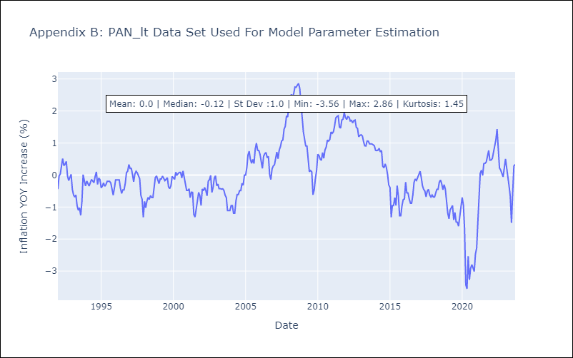

Appendix C: Residuals Analysis
Mean | 0.0
White Noise? | No - Correlation at Lags [7]
Normal? | No

SLV
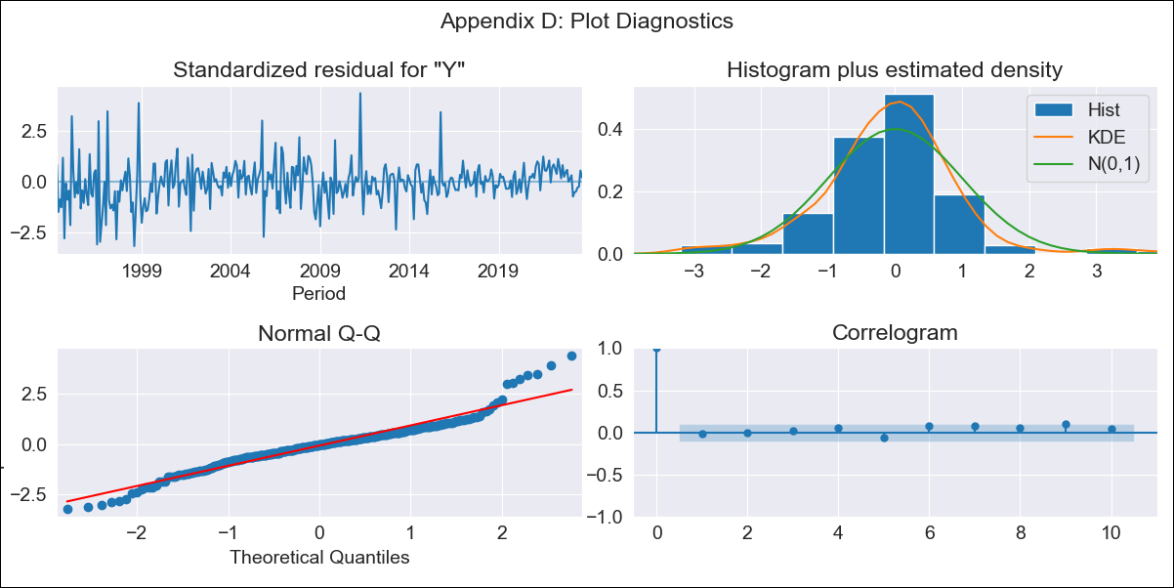
SLV - Inflation - Next 12 months forecast as of: 2023-09-01

Model | ARIMA - [(2, 1, 0), (3, 0, 0, 12)]
Training Data | 1991-01-01 to 2022-10-01
Test Data | 2022-10-01 to 2023-09-01

Date | Inflation Change YoY % | Lower Bound - 95% Confidence Interval | Upper Bound - 95% Confidence Interval
2023-10-01 | 2.81 | 1.53 | 4.08
2023-11-01 | 2.59 | 0.73 | 4.46
2023-12-01 | 2.63 | 0.19 | 5.07
2024-01-01 | 2.59 | -0.33 | 5.5
2024-02-01 | 2.5 | -0.84 | 5.85
2024-03-01 | 2.91 | -0.82 | 6.63
2024-04-01 | 3.22 | -0.85 | 7.3
2024-05-01 | 3.56 | -0.84 | 7.95
2024-06-01 | 3.88 | -0.81 | 8.58
2024-07-01 | 4.2 | -0.78 | 9.17
2024-08-01 | 4.09 | -1.16 | 9.33
2024-09-01 | 4.09 | -1.41 | 9.59

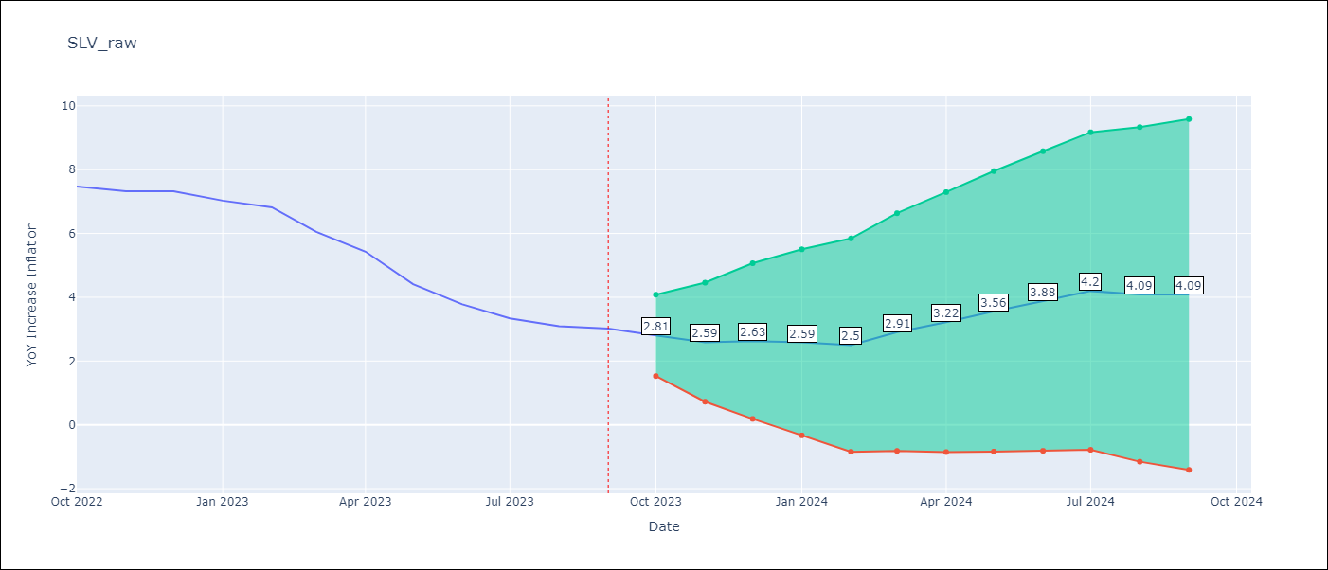

Test Metrics
RMSE | 0.61
Naive RMSE | 0.51
MAPE | 9.98%

Test Predictions
Date | Predicted | Actual
2022-10-01 | 7.18 | 7.47
2022-11-01 | 6.64 | 7.32
2022-12-01 | 6.57 | 7.32
2023-01-01 | 6.14 | 7.03
2023-02-01 | 5.71 | 6.82
2023-03-01 | 5.38 | 6.05
2023-04-01 | 5.11 | 5.43
2023-05-01 | 4.51 | 4.41
2023-06-01 | 4.16 | 3.78
2023-07-01 | 3.98 | 3.34
2023-08-01 | 3.44 | 3.09
2023-09-01 | 3.26 | 3.02

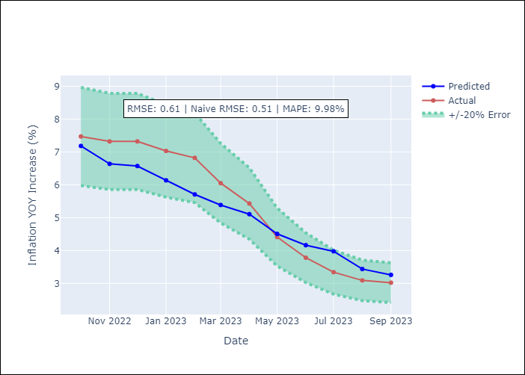

Appendix A: Model Summary
Model | ARIMA(2, 1, 0)x(3, 0, 0, 12)
Sample | 01-01-1991- 09-01-2023
No. of Observations | 393
Terms | P-value (Statistical significance)
ar.L1 | 0.118
ar.L2 | 0.000
ar.S.L12 | 0.000
ar.S.L24 | 0.000
ar.S.L36 | 0.000
sigma2 | 0.000
Assumptions | P-value
Ljung-Box (L1) | 0.77
Heteroskedasticity | 0.00
Jarque-Bera | 0.00
Skew | 0.35
Kurtosis | 5.98

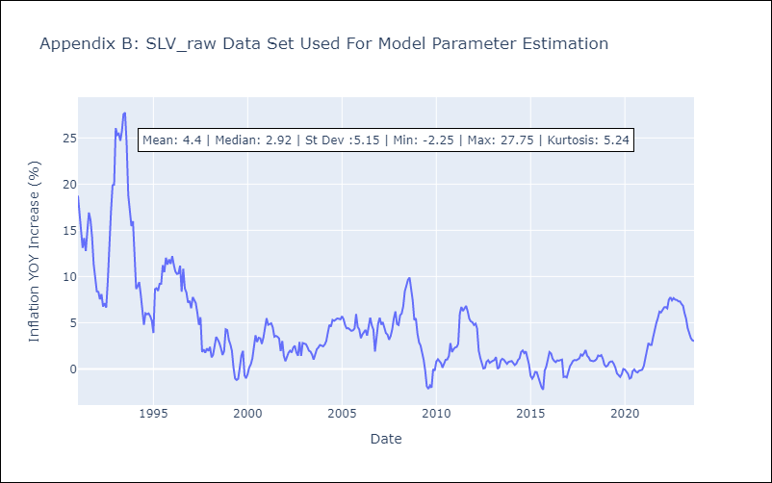

Appendix C: Residuals Analysis
Mean | -0.0
White Noise? | No - Correlation at Lags [ 2 3 4 5 6 7 8 9 10 11 12]
Normal? | No

