CRI
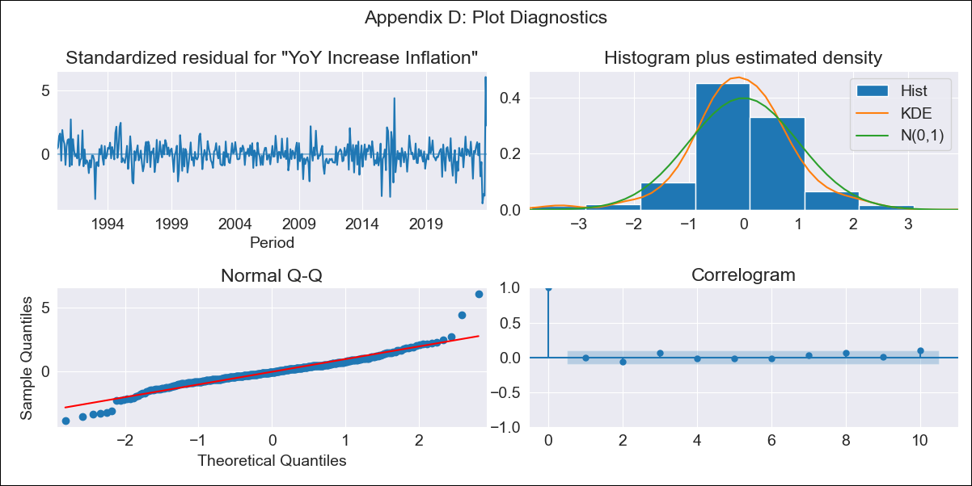
CRI - Inflation - Next 12 months forecast as of: 2023-10-01

Model | VARMAX - (3, 1, 0, 0, 0, 1, 12) | Exogenous Variables | Exchange rates (nominal), Monetary Policiy rate, M1 money supply ($mm local currency), YoY Increase Crude oil WTI, YoY Increase Index Energy, YoY Increase Index Food
Training Data | 1990-01-01 to 2022-11-01
Test Data | 2022-11-01 to 2023-10-01

Date | Inflation Change YoY % | Lower Bound - 95% Confidence Interval | Upper Bound - 95% Confidence Interval
2023-11-01 | -1.05 | -1.53 | -0.51
2023-12-01 | -1.13 | -1.9 | -0.23
2024-01-01 | -1.22 | -2.19 | -0.04
2024-02-01 | -1.25 | -2.38 | 0.19
2024-03-01 | -1.26 | -2.53 | 0.45
2024-04-01 | -1.24 | -2.64 | 0.74
2024-05-01 | -1.21 | -2.73 | 1.04
2024-06-01 | -1.16 | -2.8 | 1.37
2024-07-01 | -1.11 | -2.86 | 1.71
2024-08-01 | -1.05 | -2.9 | 2.08
2024-09-01 | -0.97 | -2.93 | 2.46
2024-10-01 | -0.89 | -2.94 | 2.86

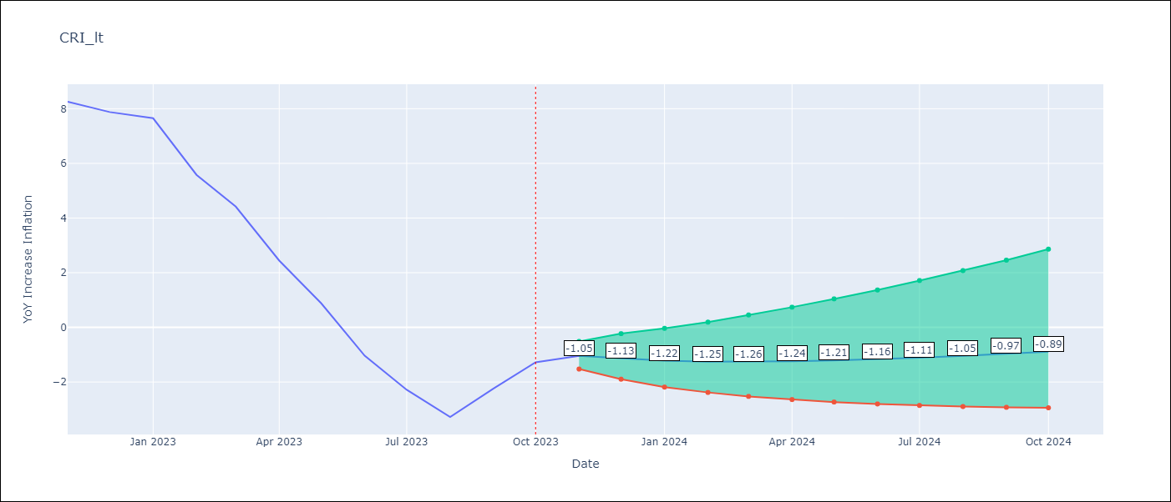

Test Metrics
RMSE | 2.28
Naive RMSE | 1.36
MAPE | 99.94%

Test Predictions
Date | Predicted | Actual
2022-11-01 | 8.37 | 8.26
2022-12-01 | 7.7 | 7.88
2023-01-01 | 6.83 | 7.65
2023-02-01 | 5.87 | 5.58
2023-03-01 | 4.91 | 4.42
2023-04-01 | 3.97 | 2.44
2023-05-01 | 3.09 | 0.88
2023-06-01 | 2.29 | -1.04
2023-07-01 | 1.59 | -2.29
2023-08-01 | 1 | -3.28
2023-09-01 | 0.52 | -2.24
2023-10-01 | 0.14 | -1.28

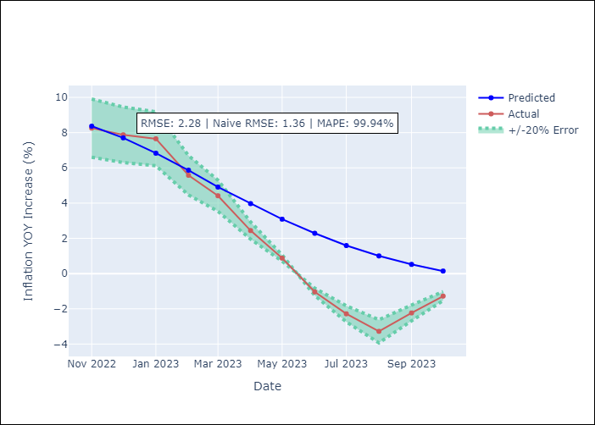

Appendix A: Model Summary
Model | VAR(3)
Sample | - 10-01-2023opg
No. of Observations | 406
Terms | P-value (Statistical significance)
L1.YoY Increase Inflation | 0.000
L1.Exchange rates (nominal) | 0.439
L1.Monetary Policiy rate | 0.920
L1.M1 money supply ($mm local currency) | 0.328
L1.YoY Increase Crude oil WTI | 0.962
L1.YoY Increase Index Energy | 0.765
L1.YoY Increase Index Food | 0.675
L2.YoY Increase Inflation | 0.001
L2.Exchange rates (nominal) | 0.878
L2.Monetary Policiy rate | 0.638
L2.M1 money supply ($mm local currency) | 0.524
L2.YoY Increase Crude oil WTI | 0.814
L2.YoY Increase Index Energy | 0.724
L2.YoY Increase Index Food | 0.538
L3.YoY Increase Inflation | 0.409
L3.Exchange rates (nominal) | 0.636
L3.Monetary Policiy rate | 0.474
L3.M1 money supply ($mm local currency) | 0.814
L3.YoY Increase Crude oil WTI | 0.567
L3.YoY Increase Index Energy | 0.674
L3.YoY Increase Index Food | 0.374
Assumptions | P-value
Ljung-Box (L1) | 0.83, nan, nan, nan, 0.85, 0.83, 0.90
Heteroskedasticity | 0.00, 0.00, nan, nan, 0.00, 0.00, 0.62
Jarque-Bera | 0.00, 0.00, 0.00, 0.00, 0.00, 0.00, 0.01
Skew | 0.36, -0.33, -2.76, 0.18, 1.92, -0.94, 0.20
Kurtosis | 8.17, 5.83, 40.13, 5.05, 25.57, 17.25, 3.65

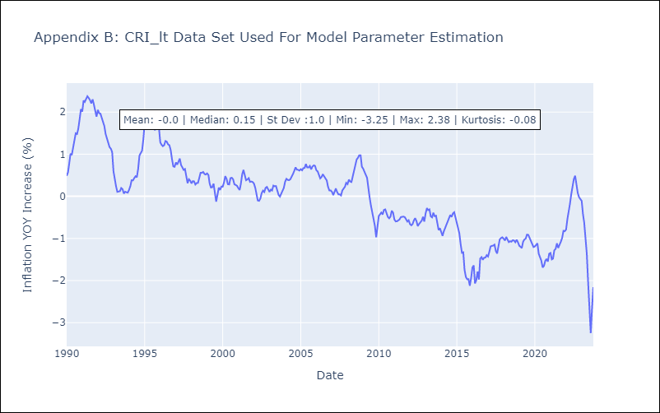

Appendix C: Residuals Analysis
Mean | -0.0
White Noise? | No - Correlation at Lags [12]
Normal? | Yes

CUB
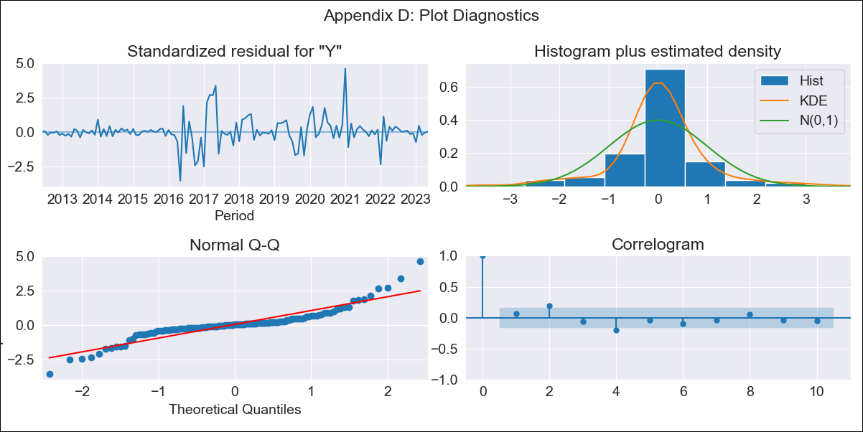
CUB - Inflation - Next 12 months forecast as of: 2023-05-01

Model | ARIMA - [(0, 2, 2), (0, 0, 1, 12)]
Training Data | 2011-01-01 to 2022-06-01
Test Data | 2022-06-01 to 2023-05-01

Date | Inflation Change YoY % | Lower Bound - 95% Confidence Interval | Upper Bound - 95% Confidence Interval
2023-06-01 | 44.44 | 24.21 | 76.39
2023-07-01 | 43.28 | 14.21 | 107.49
2023-08-01 | 43.53 | 9.65 | 137.76
2023-09-01 | 44.19 | 6.89 | 169.21
2023-10-01 | 44.52 | 4.92 | 200.7
2023-11-01 | 46.02 | 3.68 | 238.01
2023-12-01 | 47.87 | 2.77 | 279.37
2024-01-01 | 53.42 | 2.43 | 340.7
2024-02-01 | 53.57 | 1.65 | 381.53
2024-03-01 | 54.92 | 1.13 | 430.94
2024-04-01 | 56.95 | 0.75 | 487.52
2024-05-01 | 58.13 | 0.39 | 542.87

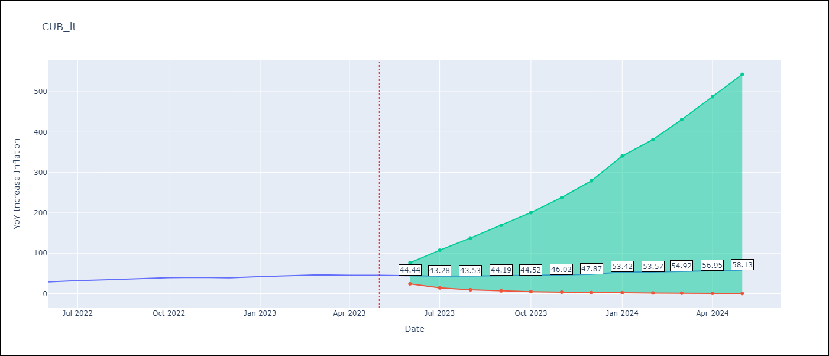

Test Metrics
RMSE | 7.75
Naive RMSE | 2.18
MAPE | 18.11%

Test Predictions
Date | Predicted | Actual
2022-06-01 | 25.31 | 28.85
2022-07-01 | 24.76 | 32.31
2022-08-01 | 25.12 | 34.3
2022-09-01 | 26.84 | 37.24
2022-10-01 | 27.53 | 39.73
2022-11-01 | 28.71 | 40.26
2022-12-01 | 29.03 | 39.07
2023-01-01 | 39.54 | 42.08
2023-02-01 | 39.64 | 44.5
2023-03-01 | 41.64 | 46.42
2023-04-01 | 42.14 | 45.35
2023-05-01 | 42.01 | 45.48

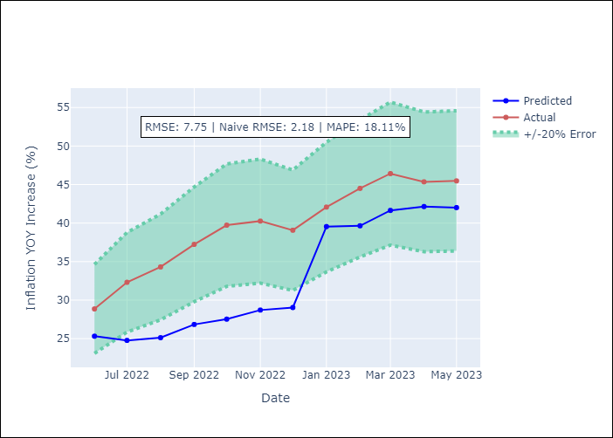

Appendix A: Model Summary
Model | ARIMA(0, 2, 2)x(0, 0, [1], 12)
Sample | 01-01-2011- 05-01-2023
No. of Observations | 149
Terms | P-value (Statistical significance)
ma.L1 | 0.000
ma.L2 | 0.000
ma.S.L12 | 0.000
sigma2 | 0.000
Assumptions | P-value
Ljung-Box (L1) | 0.43
Heteroskedasticity | 0.00
Jarque-Bera | 0.00
Skew | 0.56
Kurtosis | 8.01

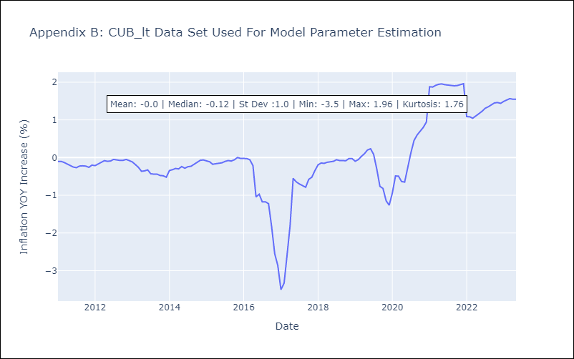

Appendix C: Residuals Analysis
Mean | 0.01
White Noise? | No - Correlation at Lags [2 4 5 6 7]
Normal? | No

DOM
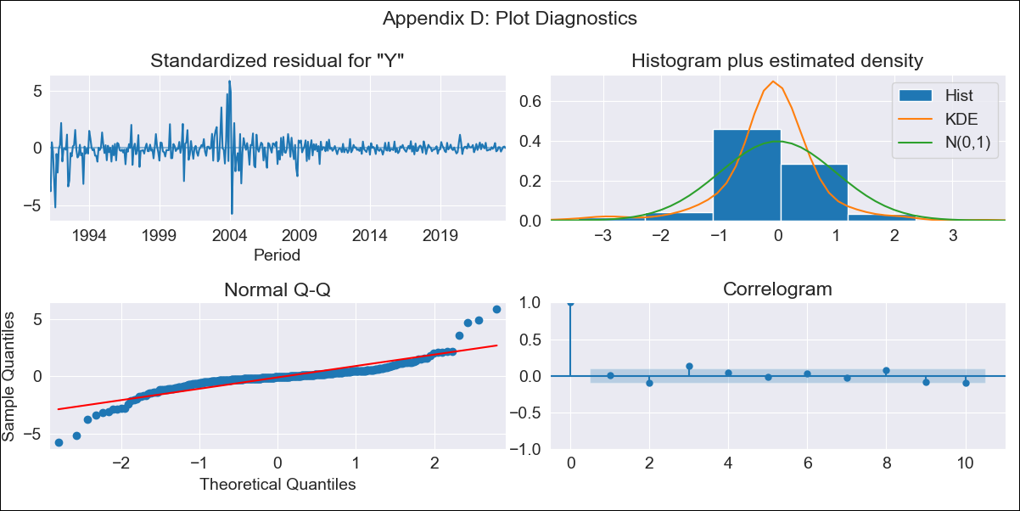
DOM - Inflation - Next 12 months forecast as of: 2023-09-01

Model | ARIMA - [(1, 1, 0), (0, 0, 1, 12)]
Training Data | 1990-01-01 to 2022-10-01
Test Data | 2022-10-01 to 2023-09-01

Date | Inflation Change YoY % | Lower Bound - 95% Confidence Interval | Upper Bound - 95% Confidence Interval
2023-10-01 | 4.6 | 1.93 | 7.27
2023-11-01 | 4.63 | -0.66 | 9.91
2023-12-01 | 4.18 | -3.75 | 12.11
2024-01-01 | 4.18 | -6.31 | 14.67
2024-02-01 | 4.42 | -8.5 | 17.34
2024-03-01 | 4.51 | -10.7 | 19.72
2024-04-01 | 4.51 | -12.85 | 21.87
2024-05-01 | 4.85 | -14.53 | 24.23
2024-06-01 | 5.21 | -16.07 | 26.49
2024-07-01 | 5.36 | -17.7 | 28.43
2024-08-01 | 5.34 | -19.42 | 30.09
2024-09-01 | 5.33 | -21.03 | 31.69

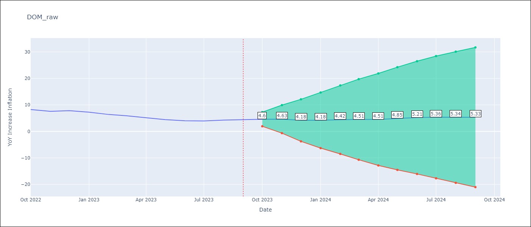

Test Metrics
RMSE | 0.51
Naive RMSE | 0.54
MAPE | 8.78%

Test Predictions
Date | Predicted | Actual
2022-10-01 | 8.35 | 8.24
2022-11-01 | 7.63 | 7.58
2022-12-01 | 7.25 | 7.83
2023-01-01 | 6.63 | 7.24
2023-02-01 | 6.03 | 6.38
2023-03-01 | 5.65 | 5.9
2023-04-01 | 4.88 | 5.15
2023-05-01 | 4.59 | 4.43
2023-06-01 | 4.59 | 4
2023-07-01 | 4.74 | 3.95
2023-08-01 | 5.02 | 4.27
2023-09-01 | 5.14 | 4.41

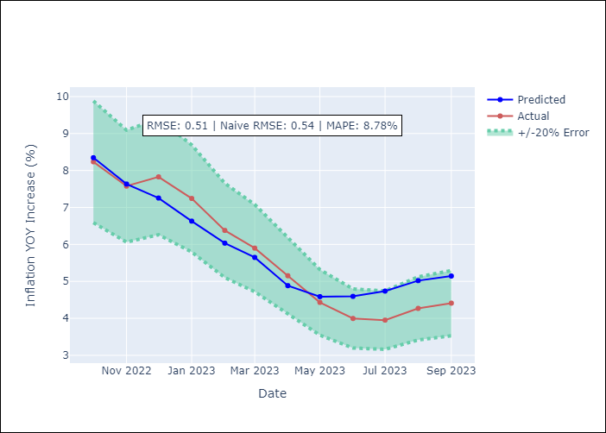

Appendix A: Model Summary
Model | ARIMA(1, 1, 0)x(0, 0, [1], 12)
Sample | 01-01-1990- 09-01-2023
No. of Observations | 405
Terms | P-value (Statistical significance)
ar.L1 | 0.000
ma.S.L12 | 0.000
sigma2 | 0.000
Assumptions | P-value
Ljung-Box (L1) | 0.91
Heteroskedasticity | 0.00
Jarque-Bera | 0.00
Skew | -0.02
Kurtosis | 13.95

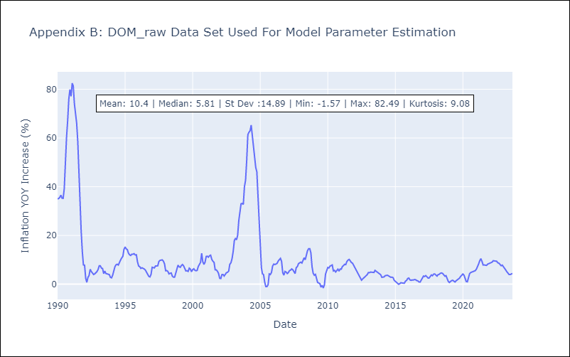

Appendix C: Residuals Analysis
Mean | -0.05
White Noise? | No - Correlation at Lags [ 1 2 3 4 5 6 7 8 9 10 11 12]
Normal? | No

GTM
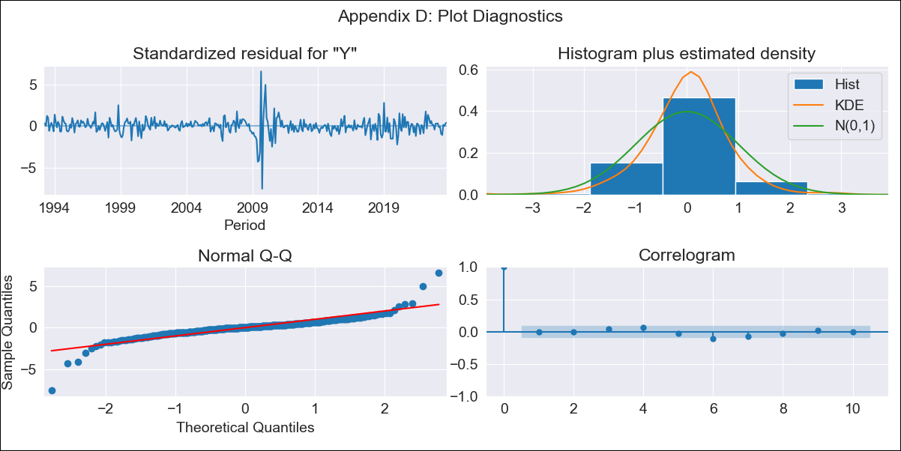
GTM - Inflation - Next 12 months forecast as of: 2023-10-01

Model | ARIMA - [(2, 0, 2), (2, 0, 0, 12)]
Training Data | 1991-01-01 to 2022-11-01
Test Data | 2022-11-01 to 2023-10-01

Date | Inflation Change YoY % | Lower Bound - 95% Confidence Interval | Upper Bound - 95% Confidence Interval
2023-11-01 | 5.23 | 3.85 | 6.96
2023-12-01 | 5.16 | 3.11 | 8.07
2024-01-01 | 5.05 | 2.58 | 8.92
2024-02-01 | 4.95 | 2.24 | 9.48
2024-03-01 | 5.06 | 2.08 | 10.37
2024-04-01 | 5.09 | 1.92 | 10.99
2024-05-01 | 5.5 | 1.98 | 12.32
2024-06-01 | 5.98 | 2.09 | 13.74
2024-07-01 | 6.09 | 2.02 | 14.43
2024-08-01 | 6.05 | 1.9 | 14.79
2024-09-01 | 5.9 | 1.75 | 14.89
2024-10-01 | 5.69 | 1.58 | 14.78

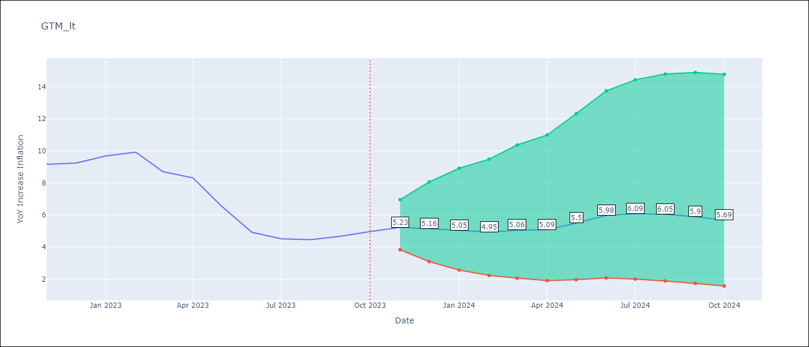

Test Metrics
RMSE | 1.04
Naive RMSE | 0.85
MAPE | 16.2%

Test Predictions
Date | Predicted | Actual
2022-11-01 | 9.7 | 9.17
2022-12-01 | 9.57 | 9.24
2023-01-01 | 9.56 | 9.69
2023-02-01 | 9.18 | 9.92
2023-03-01 | 8.14 | 8.71
2023-04-01 | 7.89 | 8.32
2023-05-01 | 7.15 | 6.54
2023-06-01 | 6.6 | 4.93
2023-07-01 | 6.27 | 4.53
2023-08-01 | 6.1 | 4.47
2023-09-01 | 5.99 | 4.69
2023-10-01 | 5.91 | 4.98

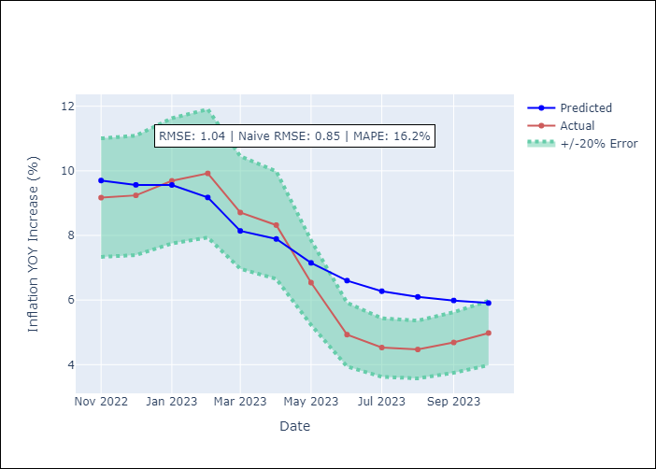

Appendix A: Model Summary
Model | ARIMA(2, 0, 2)x(2, 0, [], 12)
Sample | 01-01-1991- 10-01-2023
No. of Observations | 394
Terms | P-value (Statistical significance)
const | 0.547
ar.L1 | 0.056
ar.L2 | 0.000
ma.L1 | 0.000
ma.L2 | 0.000
ar.S.L12 | 0.000
ar.S.L24 | 0.097
sigma2 | 0.000
Assumptions | P-value
Ljung-Box (L1) | 0.94
Heteroskedasticity | 0.06
Jarque-Bera | 0.00
Skew | -0.46
Kurtosis | 18.78

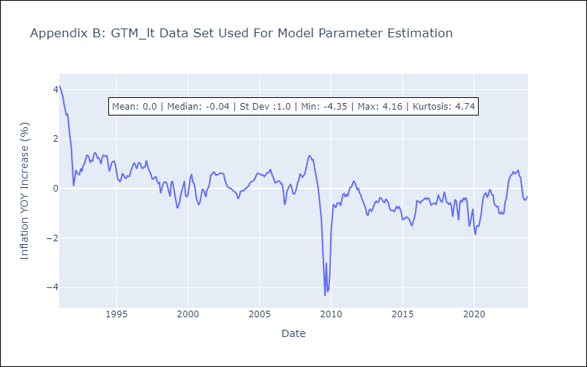

Appendix C: Residuals Analysis
Mean | 0.02
White Noise? | No - Correlation at Lags [ 1 2 3 4 5 6 7 8 9 10 11 12]
Normal? | No

HND
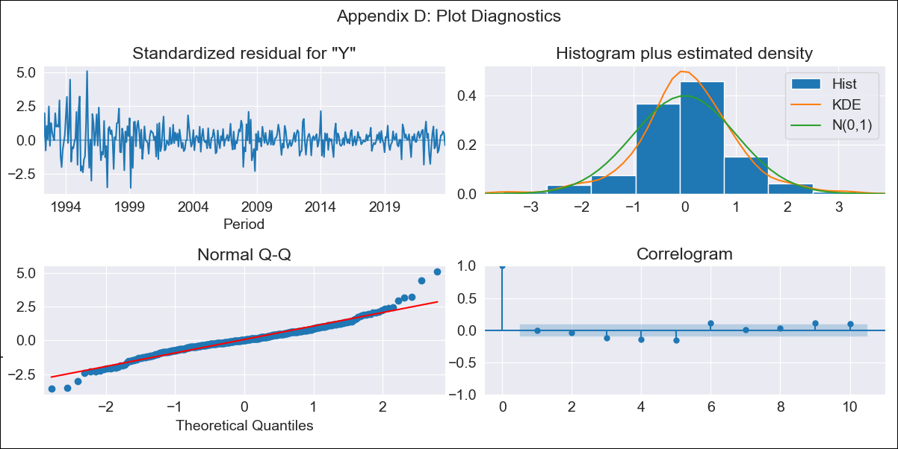
HND - Inflation - Next 12 months forecast as of: 2023-10-01

Model | ARIMA - [(2, 2, 0), (0, 0, 1, 12)]
Training Data | 1991-01-01 to 2022-11-01
Test Data | 2022-11-01 to 2023-10-01

Date | Inflation Change YoY % | Lower Bound - 95% Confidence Interval | Upper Bound - 95% Confidence Interval
2023-11-01 | 5.45 | 4.35 | 6.56
2023-12-01 | 5.65 | 3.65 | 7.66
2024-01-01 | 5.83 | 2.89 | 8.77
2024-02-01 | 5.44 | 1.36 | 9.53
2024-03-01 | 5.81 | 0.46 | 11.16
2024-04-01 | 6.36 | -0.35 | 13.06
2024-05-01 | 6.68 | -1.49 | 14.84
2024-06-01 | 6.88 | -2.84 | 16.6
2024-07-01 | 7.03 | -4.33 | 18.39
2024-08-01 | 6.94 | -6.15 | 20.02
2024-09-01 | 6.74 | -8.15 | 21.63
2024-10-01 | 6.87 | -9.9 | 23.65

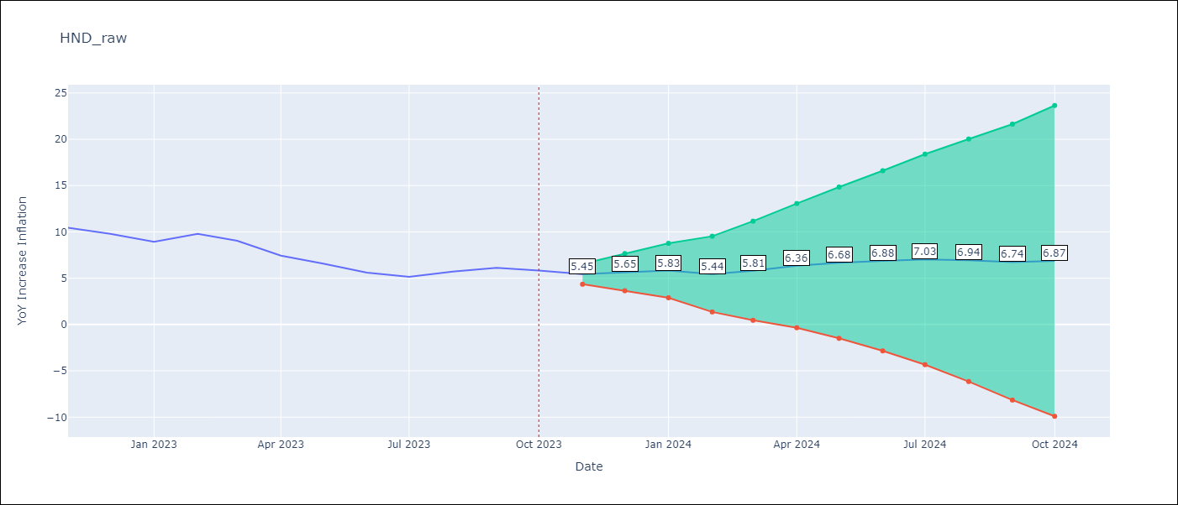

Test Metrics
RMSE | 0.51
Naive RMSE | 0.83
MAPE | 6.74%

Test Predictions
Date | Predicted | Actual
2022-11-01 | 9.88 | 10.44
2022-12-01 | 9.32 | 9.8
2023-01-01 | 8.66 | 8.93
2023-02-01 | 9.01 | 9.8
2023-03-01 | 8.6 | 9.05
2023-04-01 | 7.58 | 7.44
2023-05-01 | 7.02 | 6.58
2023-06-01 | 6.22 | 5.6
2023-07-01 | 5.88 | 5.15
2023-08-01 | 6.27 | 5.71
2023-09-01 | 6.41 | 6.13
2023-10-01 | 6.21 | 5.84

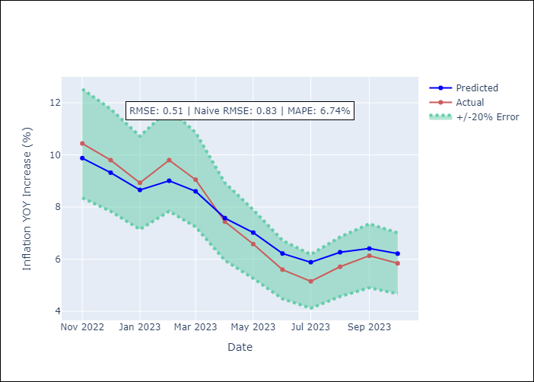

Appendix A: Model Summary
Model | ARIMA(2, 2, 0)x(0, 0, [1], 12)
Sample | 01-01-1991- 10-01-2023
No. of Observations | 394
Terms | P-value (Statistical significance)
ar.L1 | 0.000
ar.L2 | 0.000
ma.S.L12 | 0.000
sigma2 | 0.000
Assumptions | P-value
Ljung-Box (L1) | 1.00
Heteroskedasticity | 0.00
Jarque-Bera | 0.00
Skew | 0.37
Kurtosis | 6.40

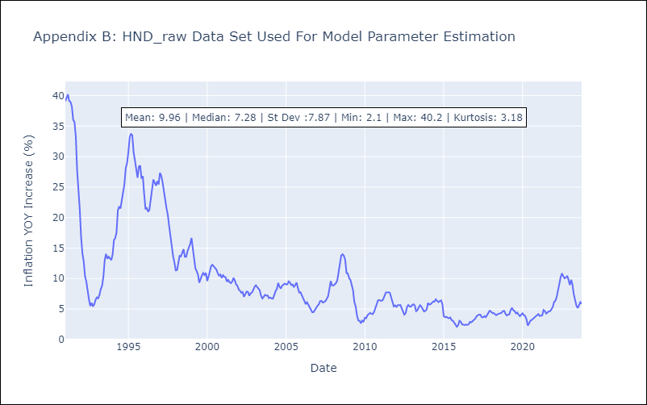

Appendix C: Residuals Analysis
Mean | 0.05
White Noise? | No - Correlation at Lags [ 1 2 3 4 5 6 7 8 9 10 11 12]
Normal? | No

HTI
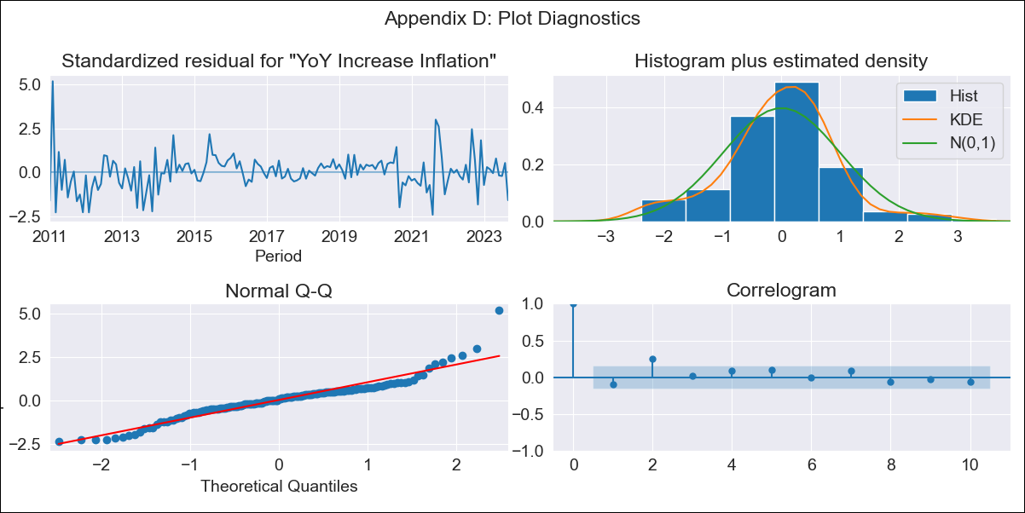
HTI - Inflation - Next 12 months forecast as of: 2023-09-01

Model | VARMAX - (1, 1, 1, 0, 0, 3, 12) | Exogenous Variables | YoY Increase Crude oil WTI, YoY Increase Index Energy, YoY Increase Index Food
Training Data | 2011-01-01 to 2022-10-01
Test Data | 2022-10-01 to 2023-09-01

Date | Inflation Change YoY % | Lower Bound - 95% Confidence Interval | Upper Bound - 95% Confidence Interval
2023-10-01 | 26.89 | 23.55 | 30.71
2023-11-01 | 24.36 | 18.81 | 31.59
2023-12-01 | 22.62 | 16 | 32.03
2024-01-01 | 21.38 | 14.09 | 32.49
2024-02-01 | 20.45 | 12.71 | 32.95
2024-03-01 | 19.76 | 11.68 | 33.44
2024-04-01 | 19.22 | 10.89 | 33.95
2024-05-01 | 18.82 | 10.27 | 34.5
2024-06-01 | 18.51 | 9.76 | 35.11
2024-07-01 | 18.29 | 9.34 | 35.8
2024-08-01 | 18.12 | 8.98 | 36.57
2024-09-01 | 18.01 | 8.66 | 37.44

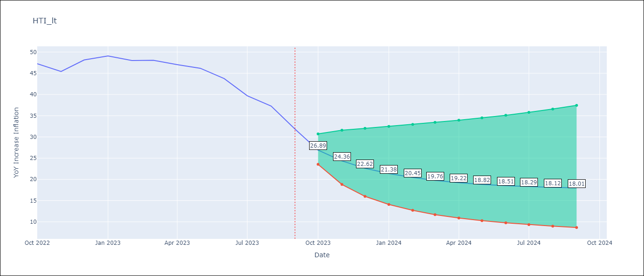

Test Metrics
RMSE | 3.37
Naive RMSE | 2.56
MAPE | 5.66%

Test Predictions
Date | Predicted | Actual
2022-10-01 | 42.11 | 47.25
2022-11-01 | 45.94 | 45.42
2022-12-01 | 47.76 | 48.13
2023-01-01 | 48.27 | 49.09
2023-02-01 | 48 | 48
2023-03-01 | 47.28 | 48.06
2023-04-01 | 46.31 | 47.04
2023-05-01 | 45.22 | 46.18
2023-06-01 | 44.06 | 43.75
2023-07-01 | 42.89 | 39.71
2023-08-01 | 41.73 | 37.27
2023-09-01 | 40.6 | 31.86

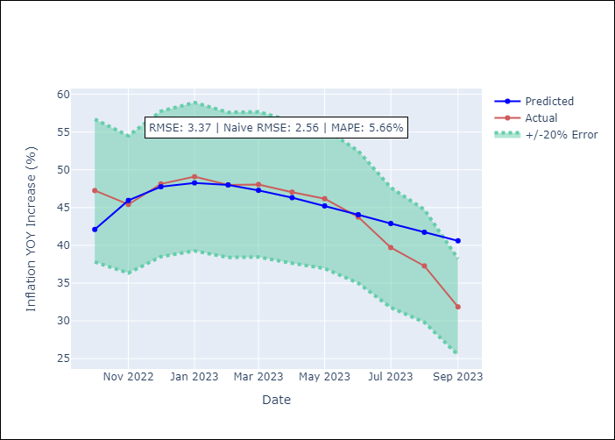

Appendix A: Model Summary
Model | VARMA(1,1)
Sample | - 09-01-2023opg
No. of Observations | 153
Terms | P-value (Statistical significance)
L1.YoY Increase Inflation | 0.000
L1.YoY Increase Crude oil WTI | 0.098
L1.YoY Increase Index Energy | 0.083
L1.YoY Increase Index Food | 0.216
L1.e(YoY Increase Inflation) | 0.000
L1.e(YoY Increase Crude oil WTI) | 0.068
L1.e(YoY Increase Index Energy) | 0.218
L1.e(YoY Increase Index Food) | 0.180
Assumptions | P-value
Ljung-Box (L1) | 0.20, 0.59, 0.93, 0.50
Heteroskedasticity | 0.11, 0.00, 0.00, 0.79
Jarque-Bera | 0.00, 0.00, 0.00, 0.22
Skew | 0.71, 2.44, 0.21, -0.04
Kurtosis | 7.17, 24.72, 8.77, 3.68

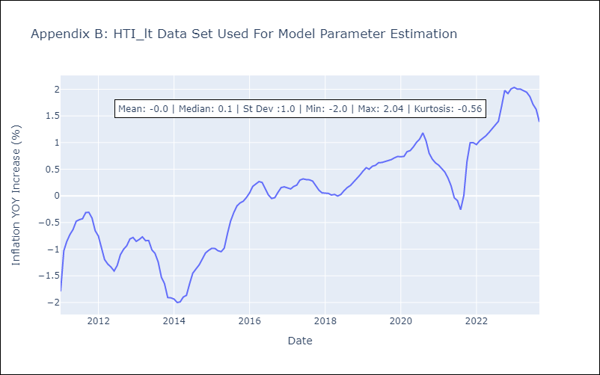

Appendix C: Residuals Analysis
Mean | -0.01
White Noise? | No - Correlation at Lags [1 2 3 4 5 6 7 8]
Normal? | No

MEX
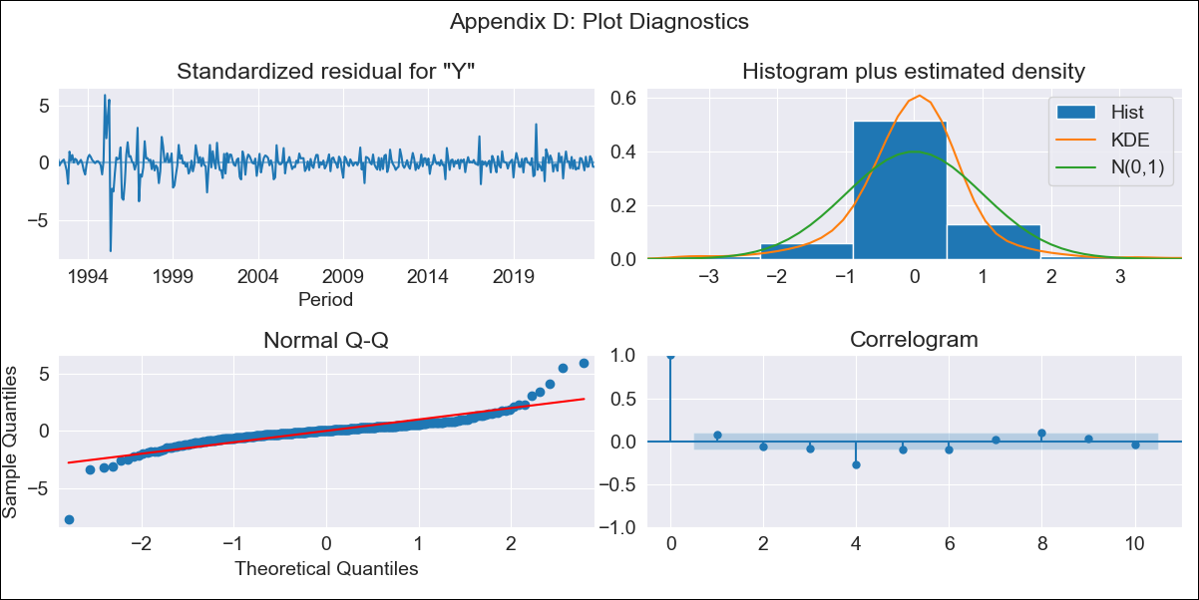
MEX - Inflation - Next 12 months forecast as of: 2023-10-01

Model | ARIMA - [(0, 2, 0), (2, 0, 2, 12)]
Training Data | 1990-01-01 to 2022-11-01
Test Data | 2022-11-01 to 2023-10-01

Date | Inflation Change YoY % | Lower Bound - 95% Confidence Interval | Upper Bound - 95% Confidence Interval
2023-11-01 | 4.15 | 3.14 | 5.16
2023-12-01 | 4.04 | 1.78 | 6.3
2024-01-01 | 3.82 | 0.04 | 7.6
2024-02-01 | 3.53 | -2.01 | 9.06
2024-03-01 | 3.48 | -4.02 | 10.97
2024-04-01 | 3.21 | -6.43 | 12.86
2024-05-01 | 3.12 | -8.84 | 15.08
2024-06-01 | 3.09 | -11.35 | 17.53
2024-07-01 | 2.88 | -14.19 | 19.95
2024-08-01 | 2.48 | -17.36 | 22.32
2024-09-01 | 2.28 | -20.46 | 25.03
2024-10-01 | 2.27 | -23.51 | 28.04

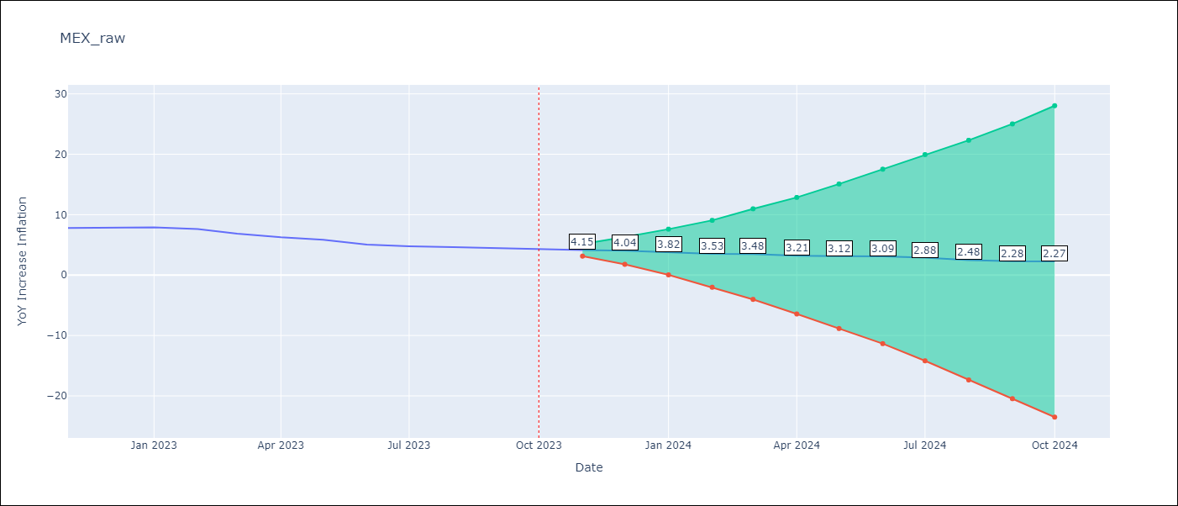

Test Metrics
RMSE | 0.28
Naive RMSE | 0.43
MAPE | 4.42%

Test Predictions
Date | Predicted | Actual
2022-11-01 | 8.06 | 7.8
2022-12-01 | 8.12 | 7.82
2023-01-01 | 8.05 | 7.91
2023-02-01 | 7.63 | 7.62
2023-03-01 | 7.06 | 6.85
2023-04-01 | 6.37 | 6.25
2023-05-01 | 6.07 | 5.84
2023-06-01 | 5.55 | 5.06
2023-07-01 | 5.24 | 4.79
2023-08-01 | 4.87 | 4.64
2023-09-01 | 4.62 | 4.45
2023-10-01 | 4.56 | 4.26

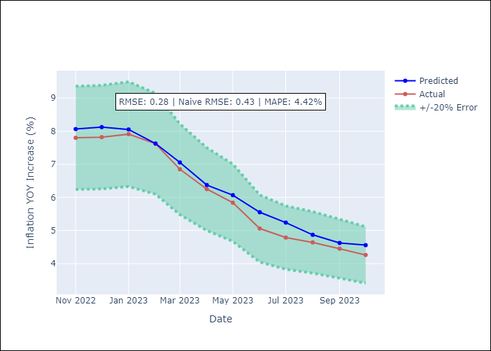

Appendix A: Model Summary
Model | ARIMA(0, 2, 0)x(2, 0, [1, 2], 12)
Sample | 01-01-1990- 10-01-2023
No. of Observations | 406
Terms | P-value (Statistical significance)
ar.S.L12 | 0.971
ar.S.L24 | 0.046
ma.S.L12 | 0.000
ma.S.L24 | 0.707
sigma2 | 0.000
Assumptions | P-value
Ljung-Box (L1) | 0.16
Heteroskedasticity | 0.00
Jarque-Bera | 0.00
Skew | -0.23
Kurtosis | 18.53

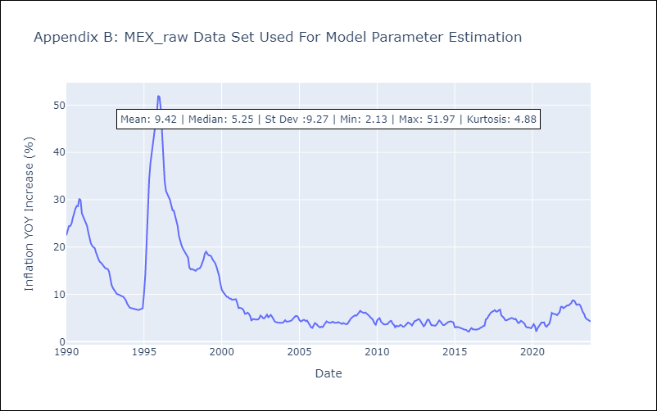

Appendix C: Residuals Analysis
Mean | 0.02
White Noise? | No - Correlation at Lags [ 1 2 3 4 5 6 7 8 9 10 11 12]
Normal? | No

NIC
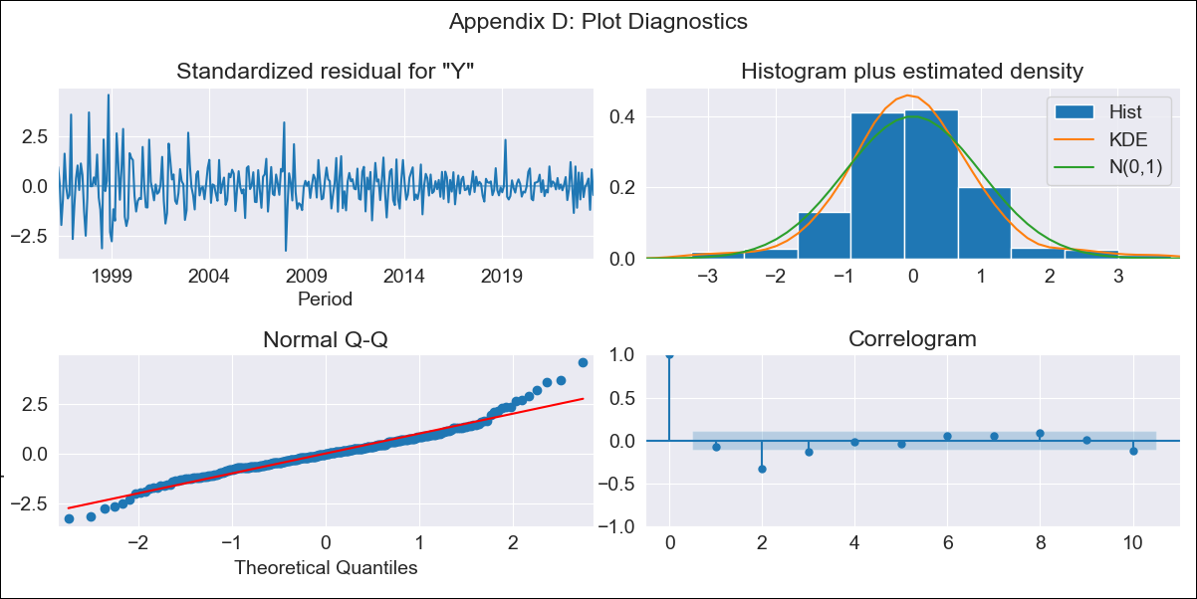
NIC - Inflation - Next 12 months forecast as of: 2023-09-01

Model | ARIMA - [(1, 2, 0), (3, 0, 1, 12)]
Training Data | 1993-01-01 to 2022-10-01
Test Data | 2022-10-01 to 2023-09-01

Date | Inflation Change YoY % | Lower Bound - 95% Confidence Interval | Upper Bound - 95% Confidence Interval
2023-10-01 | 6.12 | 4.43 | 7.82
2023-11-01 | 6.05 | 2.56 | 9.54
2023-12-01 | 5.4 | -0.28 | 11.07
2024-01-01 | 5.32 | -2.85 | 13.5
2024-02-01 | 4.71 | -6.25 | 15.67
2024-03-01 | 4.49 | -9.52 | 18.49
2024-04-01 | 4.19 | -13.09 | 21.47
2024-05-01 | 3.76 | -17.02 | 24.55
2024-06-01 | 3.25 | -21.24 | 27.73
2024-07-01 | 3.59 | -24.8 | 31.98
2024-08-01 | 3.25 | -29.24 | 35.73
2024-09-01 | 3.44 | -33.31 | 40.2

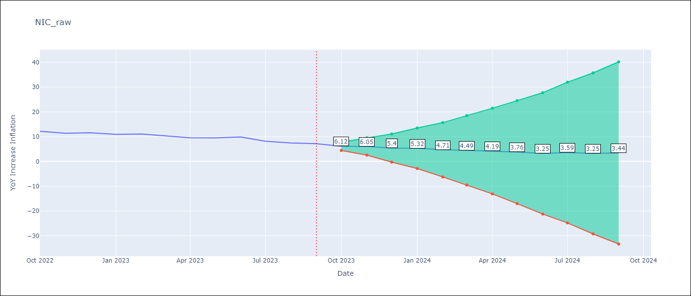

Test Metrics
RMSE | 1.25
Naive RMSE | 0.74
MAPE | 12.61%

Test Predictions
Date | Predicted | Actual
2022-10-01 | 11.29 | 12.16
2022-11-01 | 10.76 | 11.38
2022-12-01 | 10.41 | 11.59
2023-01-01 | 9.94 | 10.92
2023-02-01 | 9.59 | 11.1
2023-03-01 | 8.99 | 10.39
2023-04-01 | 8.15 | 9.53
2023-05-01 | 8.02 | 9.47
2023-06-01 | 8.05 | 9.87
2023-07-01 | 7.08 | 8.17
2023-08-01 | 6.15 | 7.46
2023-09-01 | 6.22 | 7.17

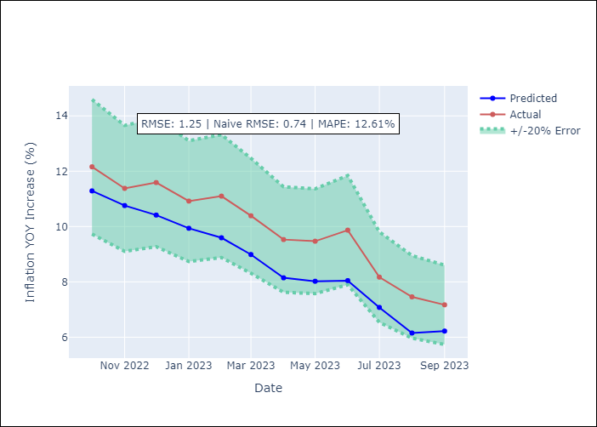

Appendix A: Model Summary
Model | ARIMA(1, 2, 0)x(3, 0, [1], 12)
Sample | 01-01-1993- 09-01-2023
No. of Observations | 369
Terms | P-value (Statistical significance)
ar.L1 | 0.000
ar.S.L12 | 0.000
ar.S.L24 | 0.000
ar.S.L36 | 0.285
ma.S.L12 | 0.000
sigma2 | 0.000
Assumptions | P-value
Ljung-Box (L1) | 0.18
Heteroskedasticity | 0.00
Jarque-Bera | 0.00
Skew | 0.52
Kurtosis | 5.59

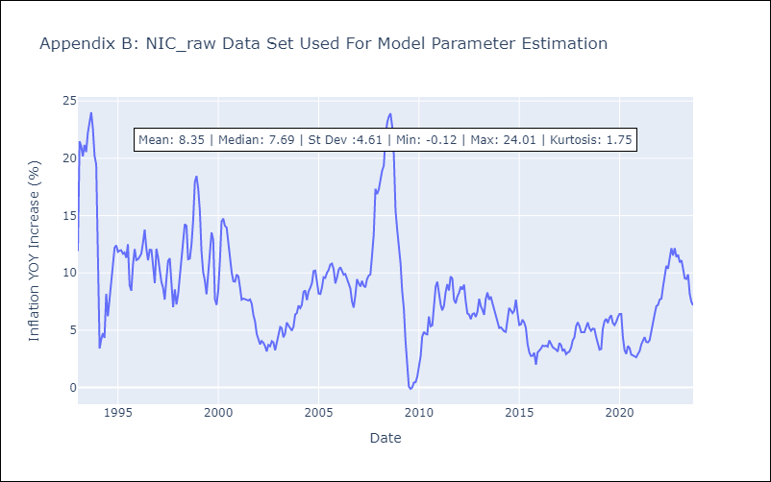

Appendix C: Residuals Analysis
Mean | 0.0
White Noise? | No - Correlation at Lags [ 2 3 4 5 6 7 8 9 10 11 12]
Normal? | No

PAN
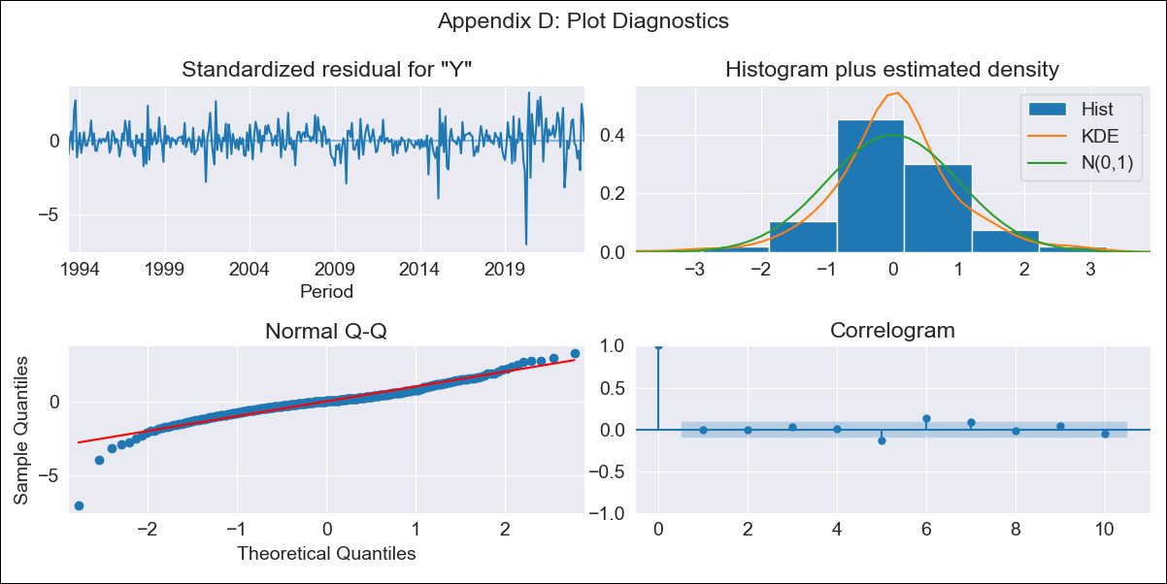
PAN - Inflation - Next 12 months forecast as of: 2023-09-01

Model | ARIMA - [(2, 2, 1), (0, 0, 1, 12)]
Training Data | 1992-01-01 to 2022-10-01
Test Data | 2022-10-01 to 2023-09-01

Date | Inflation Change YoY % | Lower Bound - 95% Confidence Interval | Upper Bound - 95% Confidence Interval
2023-10-01 | 2.4 | 1.45 | 3.49
2023-11-01 | 2.36 | 0.97 | 4.08
2023-12-01 | 1.95 | 0.37 | 4.03
2024-01-01 | 1.47 | -0.15 | 3.8
2024-02-01 | 1.52 | -0.28 | 4.23
2024-03-01 | 1.68 | -0.34 | 4.81
2024-04-01 | 2.11 | -0.25 | 5.77
2024-05-01 | 2.42 | -0.22 | 6.59
2024-06-01 | 3.21 | 0.05 | 8.1
2024-07-01 | 2.44 | -0.48 | 7.38
2024-08-01 | 1.79 | -0.92 | 6.77
2024-09-01 | 1.79 | -1.03 | 7.14

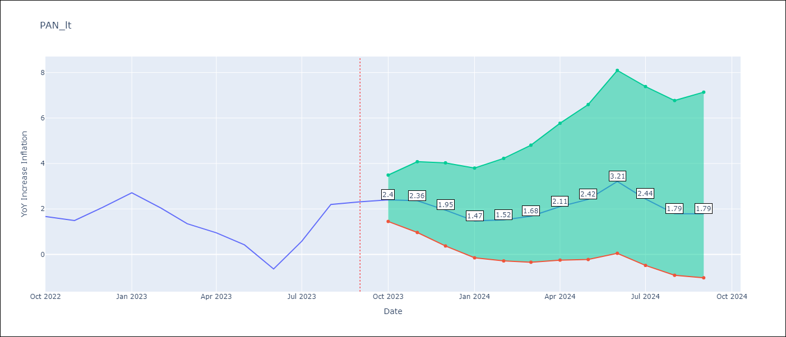

Test Metrics
RMSE | 0.82
Naive RMSE | 0.82
MAPE | 43.23%

Test Predictions
Date | Predicted | Actual
2022-10-01 | 1.9 | 1.67
2022-11-01 | 1.64 | 1.49
2022-12-01 | 1.57 | 2.07
2023-01-01 | 1.39 | 2.71
2023-02-01 | 0.88 | 2.04
2023-03-01 | 0.47 | 1.35
2023-04-01 | 0.5 | 0.95
2023-05-01 | 0.29 | 0.42
2023-06-01 | -0.19 | -0.64
2023-07-01 | 0.36 | 0.58
2023-08-01 | 0.95 | 2.2
2023-09-01 | 0.97 | 2.31

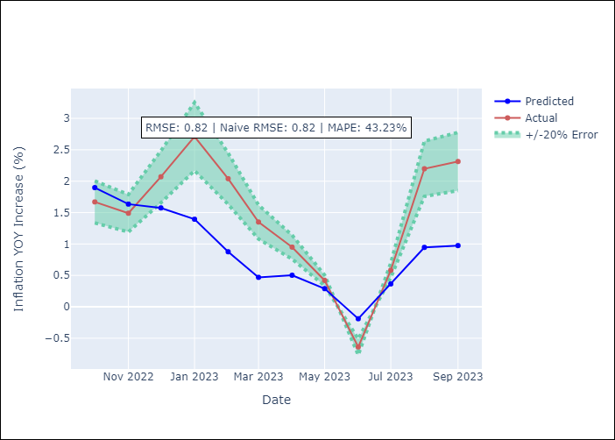

Appendix A: Model Summary
Model | ARIMA(2, 2, 1)x(0, 0, 1, 12)
Sample | 01-01-1992- 09-01-2023
No. of Observations | 381
Terms | P-value (Statistical significance)
ar.L1 | 0.001
ar.L2 | 0.020
ma.L1 | 0.000
ma.S.L12 | 0.000
sigma2 | 0.000
Assumptions | P-value
Ljung-Box (L1) | 0.99
Heteroskedasticity | 0.00
Jarque-Bera | 0.00
Skew | -0.95
Kurtosis | 10.35

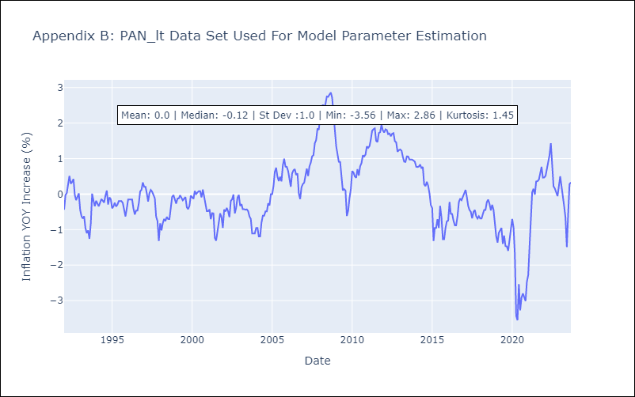

Appendix C: Residuals Analysis
Mean | 0.0
White Noise? | No - Correlation at Lags [7]
Normal? | No

SLV
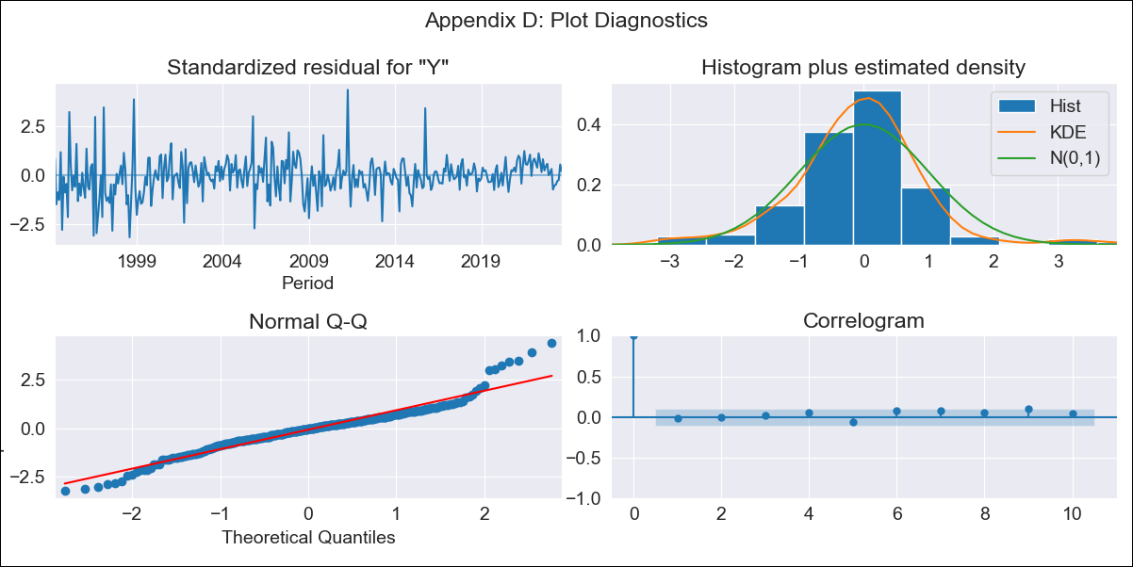
SLV - Inflation - Next 12 months forecast as of: 2023-09-01

Model | ARIMA - [(2, 1, 0), (3, 0, 0, 12)]
Training Data | 1991-01-01 to 2022-10-01
Test Data | 2022-10-01 to 2023-09-01

Date | Inflation Change YoY % | Lower Bound - 95% Confidence Interval | Upper Bound - 95% Confidence Interval
2023-10-01 | 2.81 | 1.53 | 4.08
2023-11-01 | 2.59 | 0.73 | 4.46
2023-12-01 | 2.63 | 0.19 | 5.07
2024-01-01 | 2.59 | -0.33 | 5.5
2024-02-01 | 2.5 | -0.84 | 5.85
2024-03-01 | 2.91 | -0.82 | 6.63
2024-04-01 | 3.22 | -0.85 | 7.3
2024-05-01 | 3.56 | -0.84 | 7.95
2024-06-01 | 3.88 | -0.81 | 8.58
2024-07-01 | 4.2 | -0.78 | 9.17
2024-08-01 | 4.09 | -1.16 | 9.33
2024-09-01 | 4.09 | -1.41 | 9.59

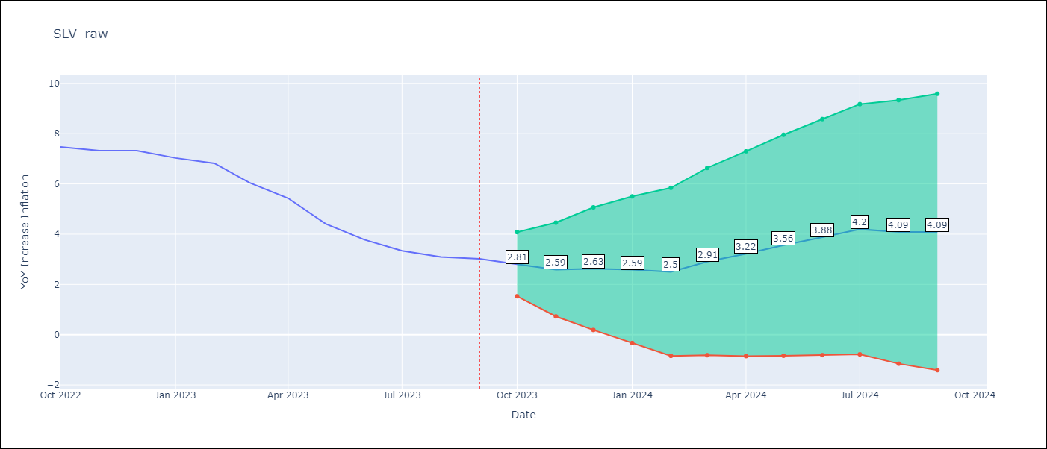

Test Metrics
RMSE | 0.61
Naive RMSE | 0.51
MAPE | 9.98%

Test Predictions
Date | Predicted | Actual
2022-10-01 | 7.18 | 7.47
2022-11-01 | 6.64 | 7.32
2022-12-01 | 6.57 | 7.32
2023-01-01 | 6.14 | 7.03
2023-02-01 | 5.71 | 6.82
2023-03-01 | 5.38 | 6.05
2023-04-01 | 5.11 | 5.43
2023-05-01 | 4.51 | 4.41
2023-06-01 | 4.16 | 3.78
2023-07-01 | 3.98 | 3.34
2023-08-01 | 3.44 | 3.09
2023-09-01 | 3.26 | 3.02

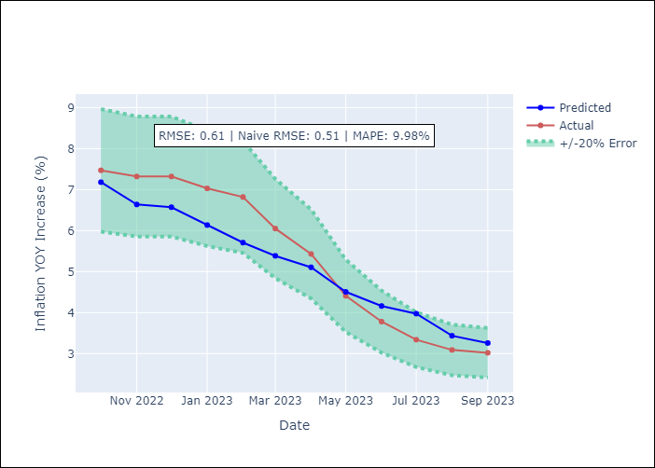

Appendix A: Model Summary
Model | ARIMA(2, 1, 0)x(3, 0, 0, 12)
Sample | 01-01-1991- 09-01-2023
No. of Observations | 393
Terms | P-value (Statistical significance)
ar.L1 | 0.118
ar.L2 | 0.000
ar.S.L12 | 0.000
ar.S.L24 | 0.000
ar.S.L36 | 0.000
sigma2 | 0.000
Assumptions | P-value
Ljung-Box (L1) | 0.77
Heteroskedasticity | 0.00
Jarque-Bera | 0.00
Skew | 0.35
Kurtosis | 5.98

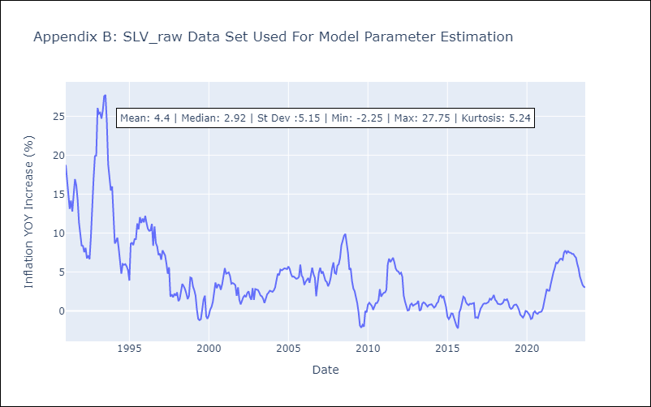

Appendix C: Residuals Analysis
Mean | -0.0
White Noise? | No - Correlation at Lags [ 2 3 4 5 6 7 8 9 10 11 12]
Normal? | No

