ATG
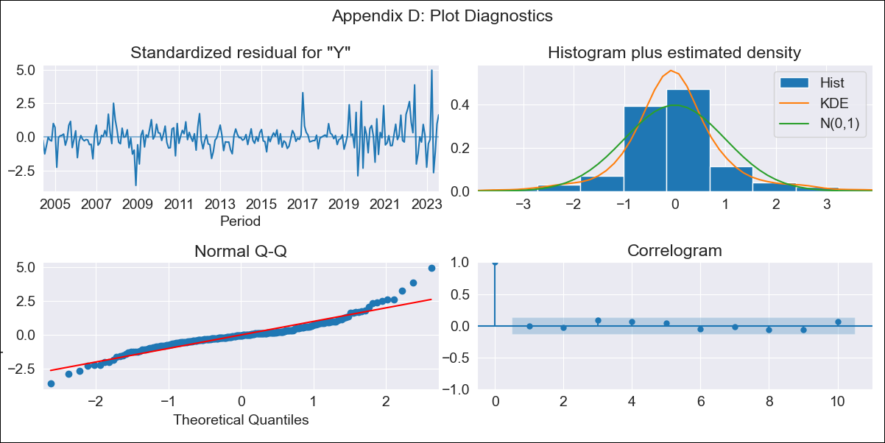
ATG - Inflation - Next 12 months forecast as of: 2023-08-01

Model | ARIMA - [(0, 2, 2), (0, 0, 1, 12)]
Training Data | 2003-01-01 to 2022-09-01
Test Data | 2022-09-01 to 2023-08-01

Date | Inflation Change YoY % | Lower Bound - 95% Confidence Interval | Upper Bound - 95% Confidence Interval
2023-09-01 | 6.4 | 5.03 | 7.76
2023-10-01 | 6.69 | 4.87 | 8.51
2023-11-01 | 6.21 | 4 | 8.43
2023-12-01 | 6.28 | 3.71 | 8.85
2024-01-01 | 7.62 | 4.72 | 10.53
2024-02-01 | 7.82 | 4.6 | 11.05
2024-03-01 | 8 | 4.46 | 11.54
2024-04-01 | 5.3 | 1.46 | 9.14
2024-05-01 | 7.23 | 3.09 | 11.37
2024-06-01 | 7.71 | 3.27 | 12.15
2024-07-01 | 7.16 | 2.43 | 11.89
2024-08-01 | 6.39 | 1.37 | 11.41

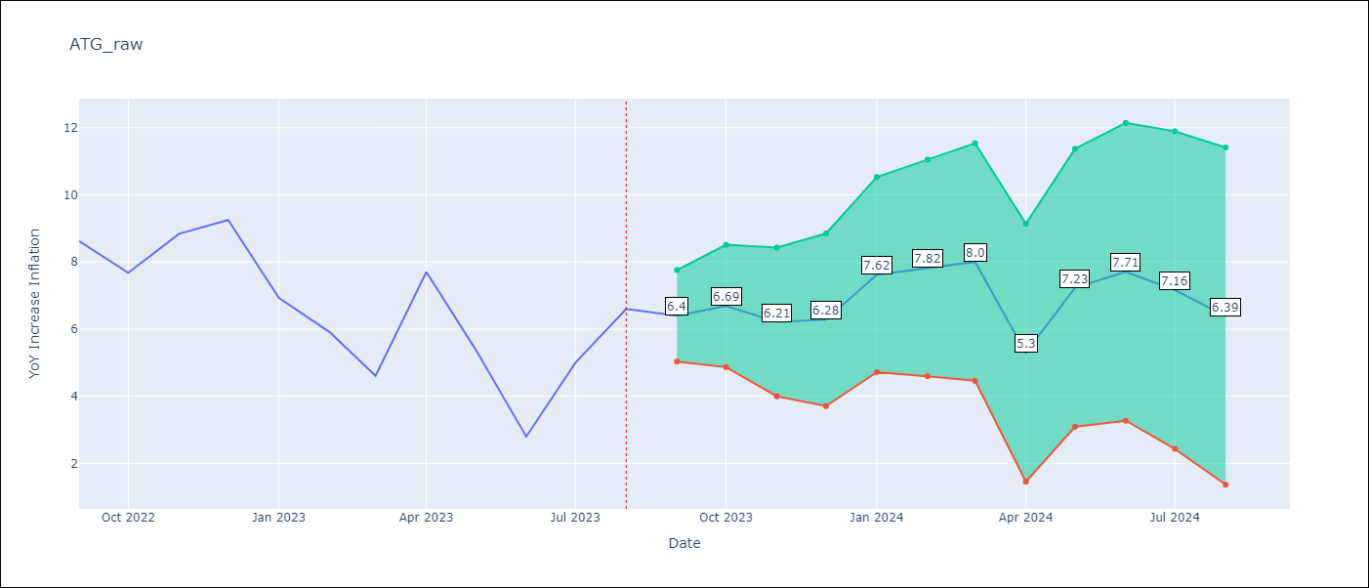

Test Metrics
RMSE | 0.97
Naive RMSE | 1.9
MAPE | 12.24%

Test Predictions
Date | Predicted | Actual
2022-09-01 | 8.54 | 8.62
2022-10-01 | 7.85 | 7.68
2022-11-01 | 8.31 | 8.84
2022-12-01 | 8.69 | 9.25
2023-01-01 | 7.9 | 6.93
2023-02-01 | 7.01 | 5.91
2023-03-01 | 5.81 | 4.61
2023-04-01 | 5.48 | 7.7
2023-05-01 | 5.43 | 5.4
2023-06-01 | 3.3 | 2.8
2023-07-01 | 4.72 | 5
2023-08-01 | 5.26 | 6.6

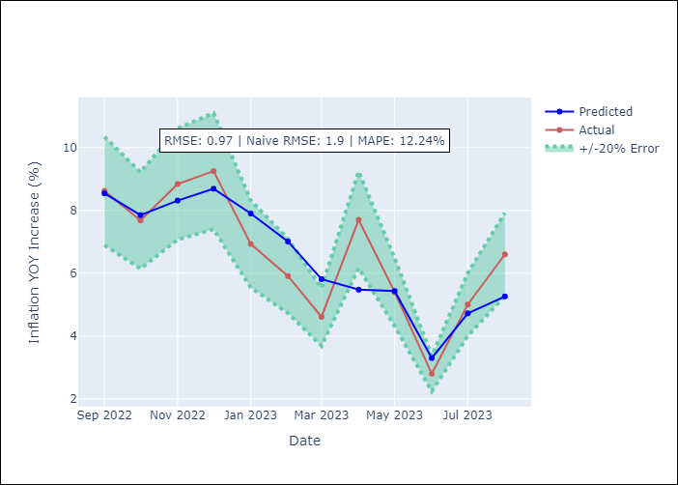

Appendix A: Model Summary
Model | ARIMA(0, 2, 2)x(0, 0, [1], 12)
Sample | 01-01-2003- 08-01-2023
No. of Observations | 248
Terms | P-value (Statistical significance)
ma.L1 | 0.000
ma.L2 | 0.012
ma.S.L12 | 0.000
sigma2 | 0.000
Assumptions | P-value
Ljung-Box (L1) | 0.89
Heteroskedasticity | 0.00
Jarque-Bera | 0.00
Skew | 0.73
Kurtosis | 7.31

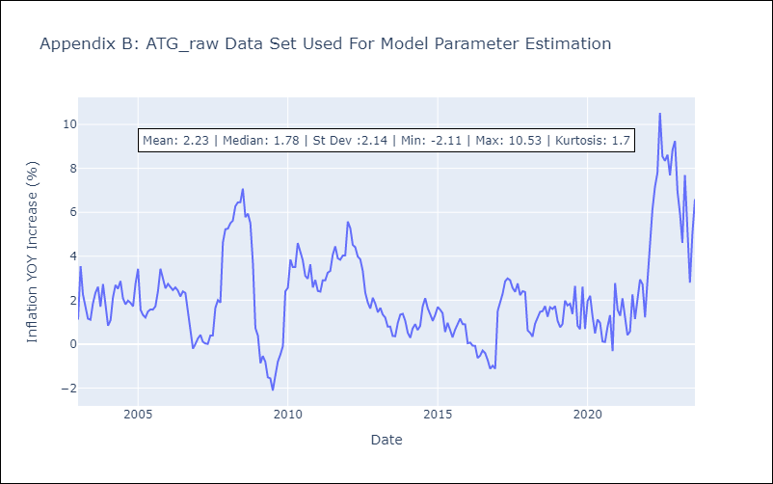

Appendix C: Residuals Analysis
Mean | 0.0
White Noise? | Yes
Normal? | No

BHS
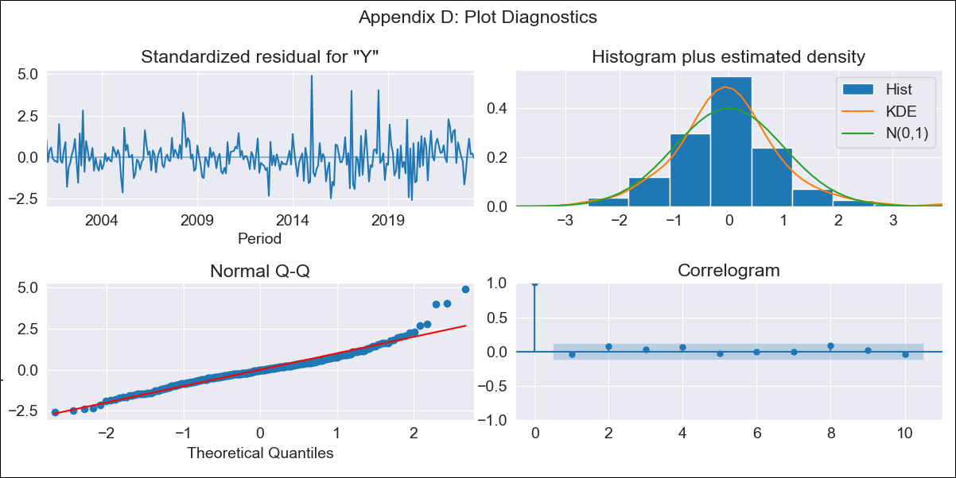
BHS - Inflation - Next 12 months forecast as of: 2023-07-01

Model | ARIMA - [(1, 0, 0), (3, 0, 0, 12)]
Training Data | 1998-01-01 to 2022-08-01
Test Data | 2022-08-01 to 2023-07-01

Date | Inflation Change YoY % | Lower Bound - 95% Confidence Interval | Upper Bound - 95% Confidence Interval
2023-08-01 | 2.32 | 1.42 | 3.22
2023-09-01 | 2.12 | 0.86 | 3.38
2023-10-01 | 1.85 | 0.33 | 3.37
2023-11-01 | 1.93 | 0.19 | 3.66
2023-12-01 | 1.95 | 0.04 | 3.86
2024-01-01 | 2.6 | 0.54 | 4.67
2024-02-01 | 2.44 | 0.24 | 4.64
2024-03-01 | 2.32 | 0 | 4.64
2024-04-01 | 1.69 | -0.73 | 4.12
2024-05-01 | 1.84 | -0.68 | 4.36
2024-06-01 | 1.67 | -0.95 | 4.28
2024-07-01 | 1.49 | -1.2 | 4.19

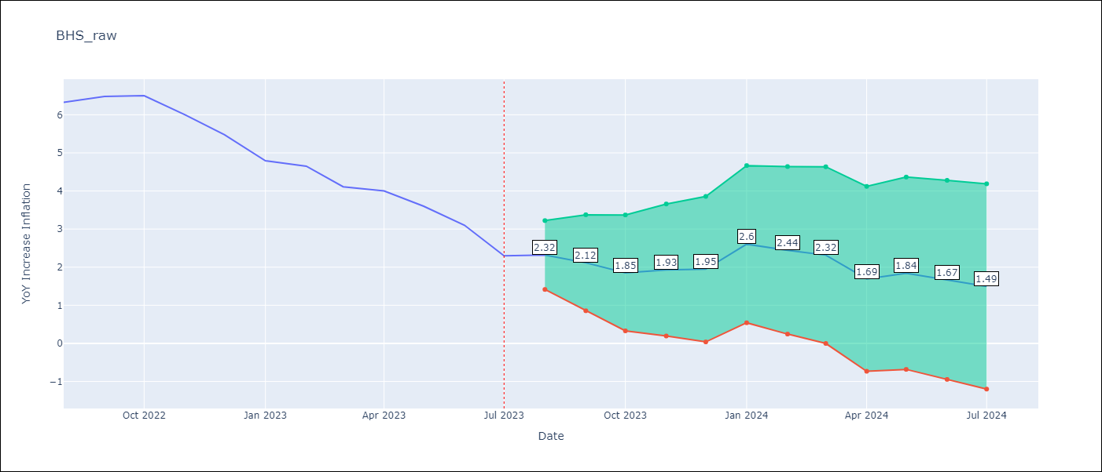

Test Metrics
RMSE | 0.4
Naive RMSE | 0.47
MAPE | 6.85%

Test Predictions
Date | Predicted | Actual
2022-08-01 | 6.48 | 6.33
2022-09-01 | 6.22 | 6.48
2022-10-01 | 6.03 | 6.5
2022-11-01 | 5.52 | 6
2022-12-01 | 5.11 | 5.48
2023-01-01 | 5.21 | 4.79
2023-02-01 | 5.44 | 4.65
2023-03-01 | 4.73 | 4.11
2023-04-01 | 4.06 | 4
2023-05-01 | 3.58 | 3.6
2023-06-01 | 2.96 | 3.1
2023-07-01 | 2.16 | 2.3

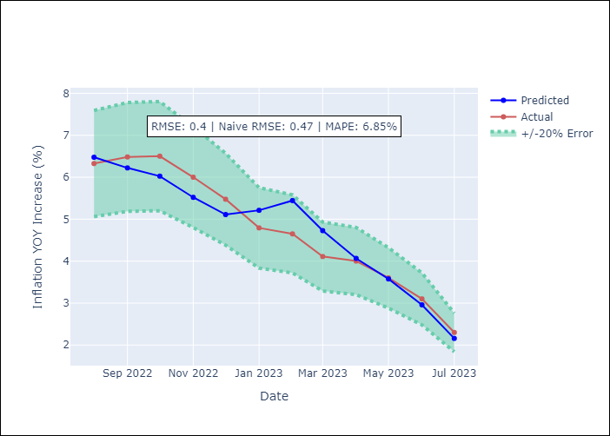

Appendix A: Model Summary
Model | ARIMA(1, 0, 0)x(3, 0, 0, 12)
Sample | 01-01-1998- 07-01-2023
No. of Observations | 307
Terms | P-value (Statistical significance)
const | 0.000
ar.L1 | 0.000
ar.S.L12 | 0.000
ar.S.L24 | 0.000
ar.S.L36 | 0.000
sigma2 | 0.000
Assumptions | P-value
Ljung-Box (L1) | 0.51
Heteroskedasticity | 0.00
Jarque-Bera | 0.00
Skew | 0.88
Kurtosis | 6.40

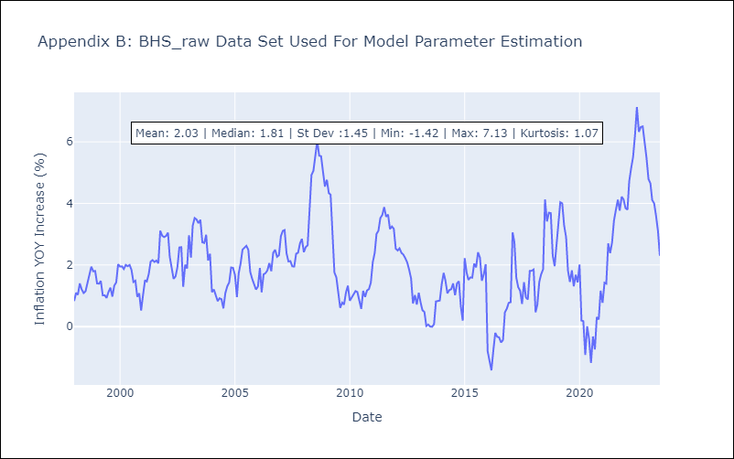

Appendix C: Residuals Analysis
Mean | -0.01
White Noise? | Yes
Normal? | No

BLZ
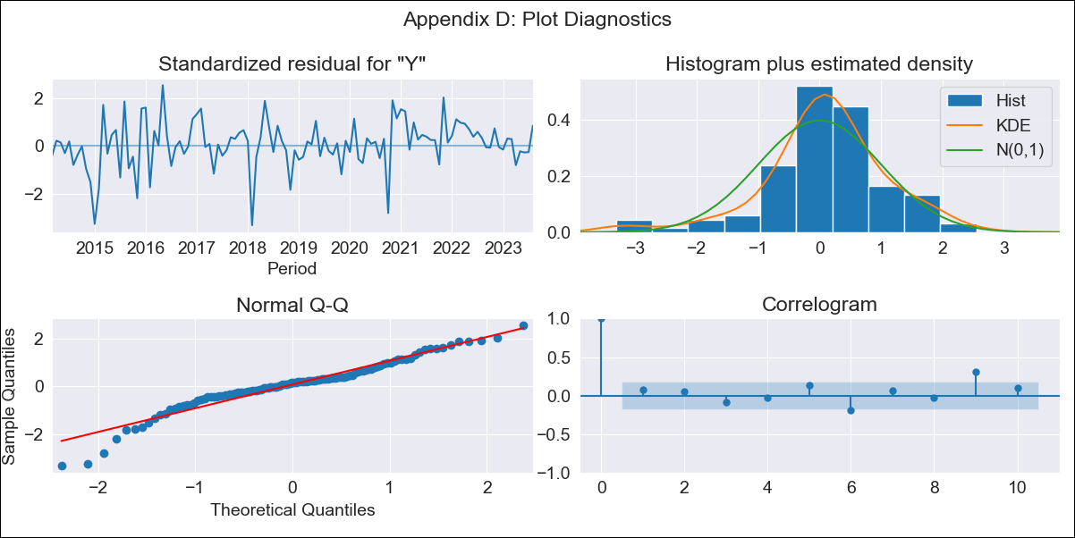
BLZ - Inflation - Next 12 months forecast as of: 2023-08-01

Model | ARIMA - [(0, 1, 0), (0, 0, 2, 12)]
Training Data | 2012-01-01 to 2022-09-01
Test Data | 2022-09-01 to 2023-08-01

Date | Inflation Change YoY % | Lower Bound - 95% Confidence Interval | Upper Bound - 95% Confidence Interval
2023-09-01 | 3.49 | 1.92 | 5.72
2023-10-01 | 3.35 | 1.34 | 6.64
2023-11-01 | 3.36 | 1.02 | 7.62
2023-12-01 | 3.42 | 0.8 | 8.63
2024-01-01 | 3.63 | 0.7 | 9.93
2024-02-01 | 3.7 | 0.56 | 10.94
2024-03-01 | 3.75 | 0.43 | 11.91
2024-04-01 | 4.61 | 0.6 | 14.84
2024-05-01 | 5.02 | 0.61 | 16.77
2024-06-01 | 5.38 | 0.59 | 18.68
2024-07-01 | 5.82 | 0.61 | 20.85
2024-08-01 | 5.15 | 0.31 | 20.06

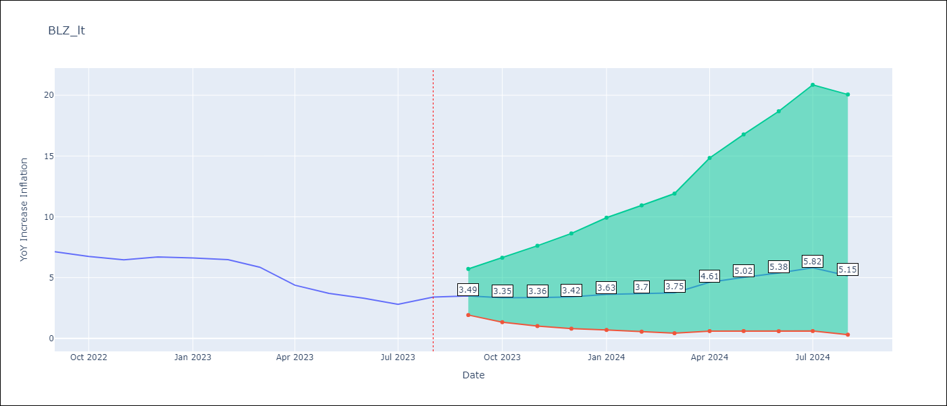

Test Metrics
RMSE | 0.68
Naive RMSE | 0.61
MAPE | 10.09%

Test Predictions
Date | Predicted | Actual
2022-09-01 | 7.21 | 7.13
2022-10-01 | 6.93 | 6.75
2022-11-01 | 5.56 | 6.46
2022-12-01 | 5.83 | 6.7
2023-01-01 | 5.94 | 6.62
2023-02-01 | 5.37 | 6.48
2023-03-01 | 4.48 | 5.86
2023-04-01 | 4.03 | 4.38
2023-05-01 | 3.59 | 3.7
2023-06-01 | 3.44 | 3.3
2023-07-01 | 3.14 | 2.8
2023-08-01 | 2.98 | 3.4

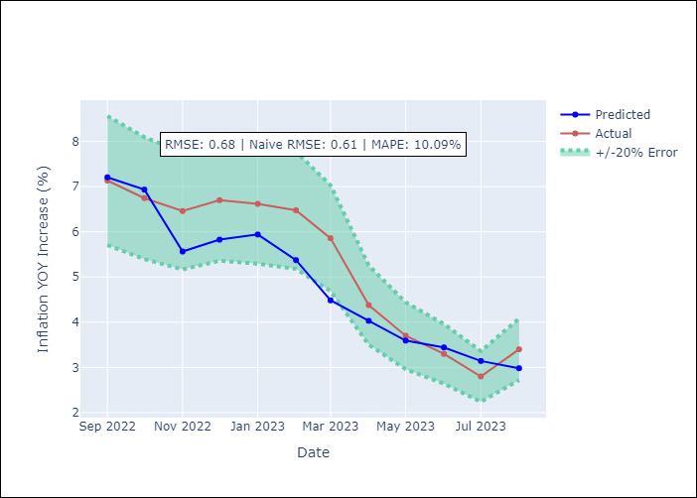

Appendix A: Model Summary
Model | ARIMA(0, 1, 0)x(0, 0, [1, 2], 12)
Sample | 01-01-2012- 08-01-2023
No. of Observations | 140
Terms | P-value (Statistical significance)
ma.S.L12 | 0.000
ma.S.L24 | 0.001
sigma2 | 0.000
Assumptions | P-value
Ljung-Box (L1) | 0.41
Heteroskedasticity | 0.08
Jarque-Bera | 0.00
Skew | -0.68
Kurtosis | 4.82

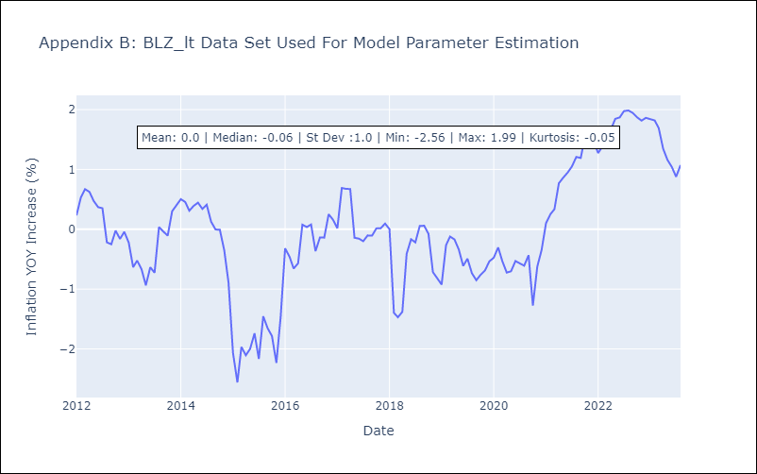

Appendix C: Residuals Analysis
Mean | 0.02
White Noise? | No - Correlation at Lags [ 9 10]
Normal? | No

BRB
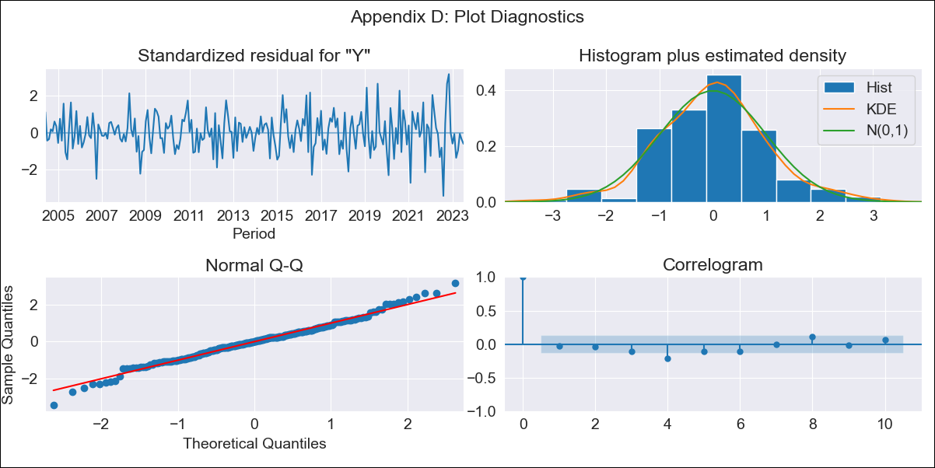
BRB - Inflation - Next 12 months forecast as of: 2023-07-01

Model | ARIMA - [(3, 2, 0), (3, 0, 0, 12)]
Training Data | 2001-01-01 to 2022-08-01
Test Data | 2022-08-01 to 2023-07-01

Date | Inflation Change YoY % | Lower Bound - 95% Confidence Interval | Upper Bound - 95% Confidence Interval
2023-08-01 | 12.37 | 10.65 | 14.1
2023-09-01 | 12.67 | 9.58 | 15.76
2023-10-01 | 11.67 | 7.06 | 16.28
2023-11-01 | 9.05 | 2.85 | 15.26
2023-12-01 | 7.91 | -0.13 | 15.95
2024-01-01 | 7.22 | -2.8 | 17.25
2024-02-01 | 5.46 | -6.7 | 17.62
2024-03-01 | 4.97 | -9.44 | 19.38
2024-04-01 | 4.81 | -11.99 | 21.6
2024-05-01 | 4.33 | -14.96 | 23.62
2024-06-01 | 4.29 | -17.62 | 26.19
2024-07-01 | 4.48 | -20.14 | 29.11

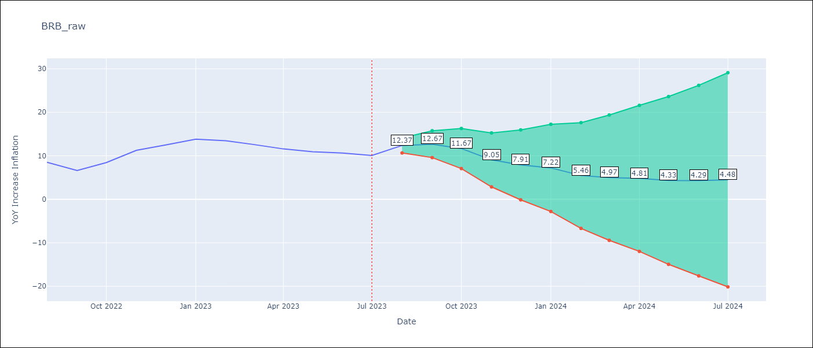

Test Metrics
RMSE | 2.11
Naive RMSE | 1.38
MAPE | 17.91%

Test Predictions
Date | Predicted | Actual
2022-08-01 | 11.82 | 8.51
2022-09-01 | 11.09 | 6.62
2022-10-01 | 11.94 | 8.45
2022-11-01 | 11.91 | 11.26
2022-12-01 | 12.24 | 12.48
2023-01-01 | 13.1 | 13.83
2023-02-01 | 11.69 | 13.45
2023-03-01 | 10.93 | 12.61
2023-04-01 | 10.38 | 11.58
2023-05-01 | 9.81 | 10.93
2023-06-01 | 9.87 | 10.62
2023-07-01 | 10.09 | 10.08

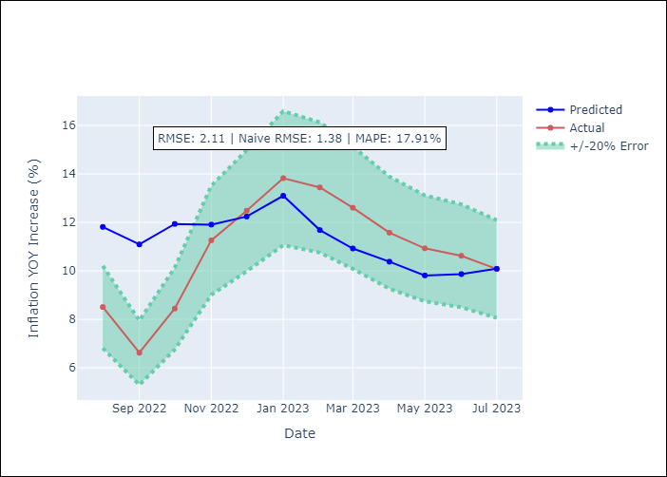

Appendix A: Model Summary
Model | ARIMA(3, 2, 0)x(3, 0, 0, 12)
Sample | 01-01-2001- 07-01-2023
No. of Observations | 271
Terms | P-value (Statistical significance)
ar.L1 | 0.000
ar.L2 | 0.001
ar.L3 | 0.006
ar.S.L12 | 0.000
ar.S.L24 | 0.000
ar.S.L36 | 0.000
sigma2 | 0.000
Assumptions | P-value
Ljung-Box (L1) | 0.72
Heteroskedasticity | 0.00
Jarque-Bera | 0.06
Skew | 0.01
Kurtosis | 3.77

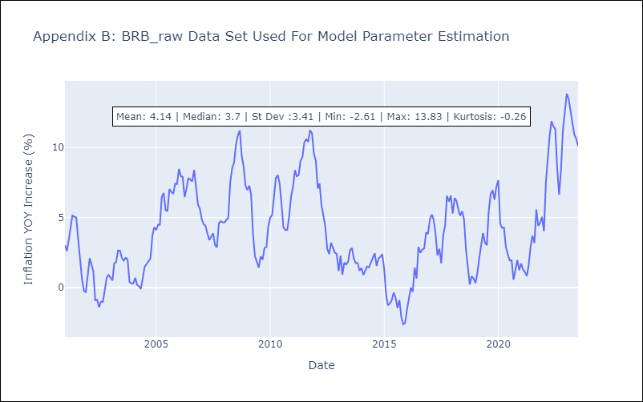

Appendix C: Residuals Analysis
Mean | -0.01
White Noise? | No - Correlation at Lags [ 4 5 6 7 8 9 10 11 12]
Normal? | No

DMA
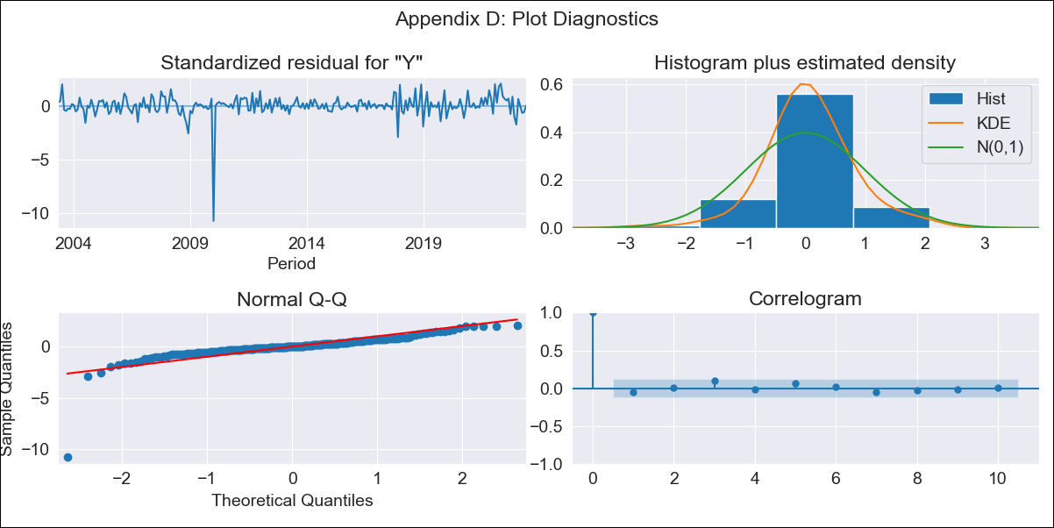
DMA - Inflation - Next 12 months forecast as of: 2023-06-01

Model | ARIMA - [(0, 2, 1), (0, 0, 1, 12)]
Training Data | 2002-01-01 to 2022-07-01
Test Data | 2022-07-01 to 2023-06-01

Date | Inflation Change YoY % | Lower Bound - 95% Confidence Interval | Upper Bound - 95% Confidence Interval
2023-07-01 | 3.21 | 1.42 | 4.81
2023-08-01 | 2.9 | 0.12 | 5.18
2023-09-01 | 2.46 | -1.57 | 5.3
2023-10-01 | 2.95 | -1.59 | 6.13
2023-11-01 | 2.39 | -3.65 | 6.05
2023-12-01 | 3.07 | -3.08 | 6.95
2024-01-01 | 4.14 | -1.59 | 8.16
2024-02-01 | 3.78 | -3.13 | 8.15
2024-03-01 | 3.79 | -3.89 | 8.44
2024-04-01 | 4.2 | -3.67 | 9.04
2024-05-01 | 4.57 | -3.52 | 9.6
2024-06-01 | 4.58 | -4.2 | 9.86

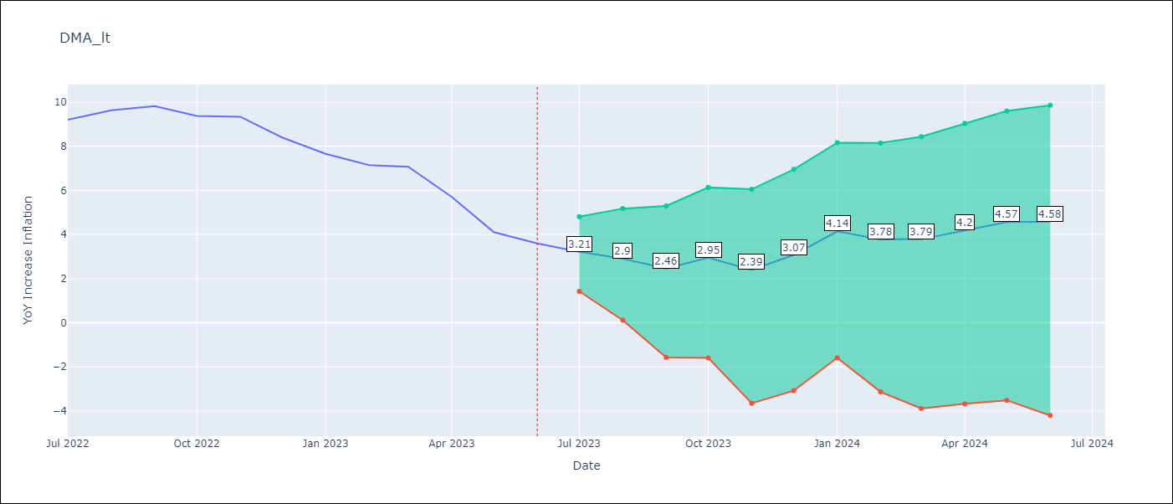

Test Metrics
RMSE | 1.05
Naive RMSE | 0.79
MAPE | 15.89%

Test Predictions
Date | Predicted | Actual
2022-07-01 | 8.83 | 9.2
2022-08-01 | 8.98 | 9.63
2022-09-01 | 8.75 | 9.82
2022-10-01 | 8.87 | 9.37
2022-11-01 | 8.29 | 9.34
2022-12-01 | 8.08 | 8.4
2023-01-01 | 8.61 | 7.66
2023-02-01 | 7.73 | 7.15
2023-03-01 | 7.72 | 7.07
2023-04-01 | 6.92 | 5.7
2023-05-01 | 5.91 | 4.11
2023-06-01 | 5.52 | 3.6

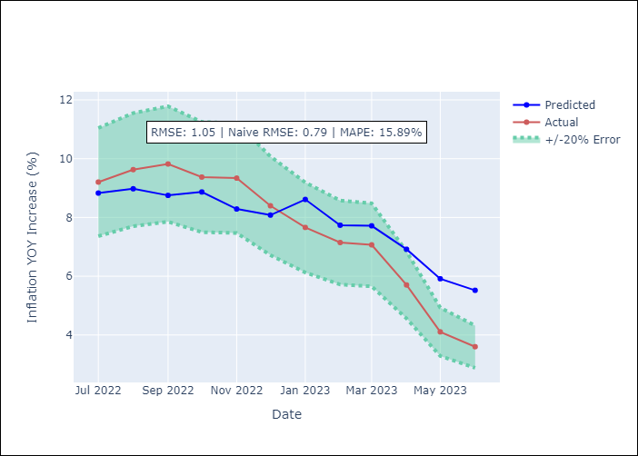

Appendix A: Model Summary
Model | ARIMA(0, 2, 1)x(0, 0, 1, 12)
Sample | 01-01-2002- 06-01-2023
No. of Observations | 258
Terms | P-value (Statistical significance)
ma.L1 | 0.000
ma.S.L12 | 0.000
sigma2 | 0.000
Assumptions | P-value
Ljung-Box (L1) | 0.44
Heteroskedasticity | 0.00
Jarque-Bera | 0.00
Skew | -5.16
Kurtosis | 57.09

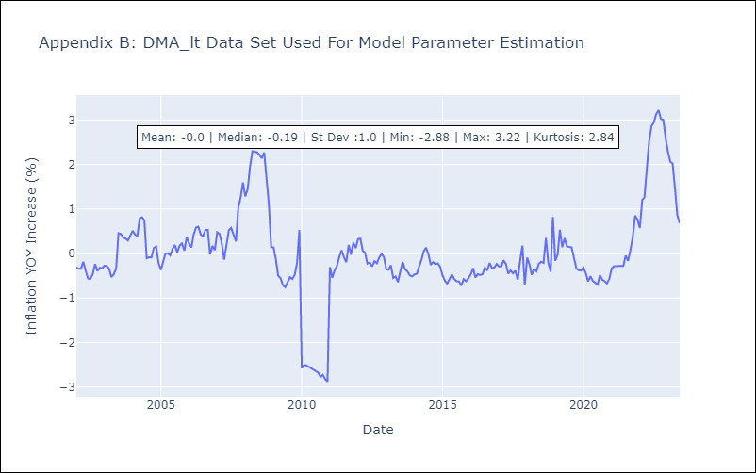

Appendix C: Residuals Analysis
Mean | 0.0
White Noise? | Yes
Normal? | No

GRD
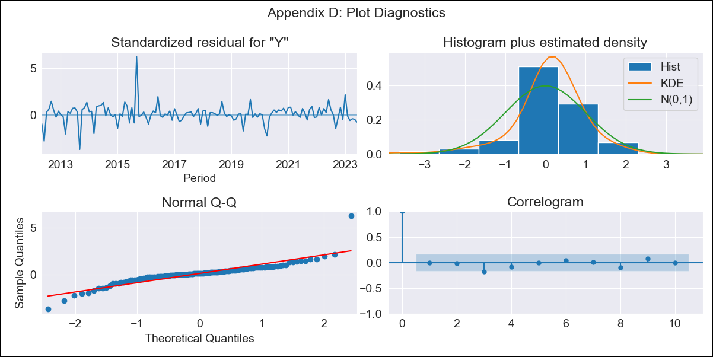
GRD - Inflation - Next 12 months forecast as of: 2023-06-01

Model | ARIMA - [(0, 2, 1), (0, 0, 1, 12)]
Training Data | 2011-01-01 to 2022-07-01
Test Data | 2022-07-01 to 2023-06-01

Date | Inflation Change YoY % | Lower Bound - 95% Confidence Interval | Upper Bound - 95% Confidence Interval
2023-07-01 | 1.98 | 1.14 | 2.82
2023-08-01 | 1.91 | 0.69 | 3.16
2023-09-01 | 2.43 | 0.86 | 4.04
2023-10-01 | 2.53 | 0.66 | 4.47
2023-11-01 | 2.2 | 0.05 | 4.44
2023-12-01 | 2.36 | -0.09 | 4.91
2024-01-01 | 1.49 | -1.16 | 4.33
2024-02-01 | 1.44 | -1.47 | 4.58
2024-03-01 | 1.58 | -1.61 | 5.04
2024-04-01 | 1.67 | -1.8 | 5.45
2024-05-01 | 1.8 | -1.96 | 5.9
2024-06-01 | 2.05 | -2.01 | 6.5

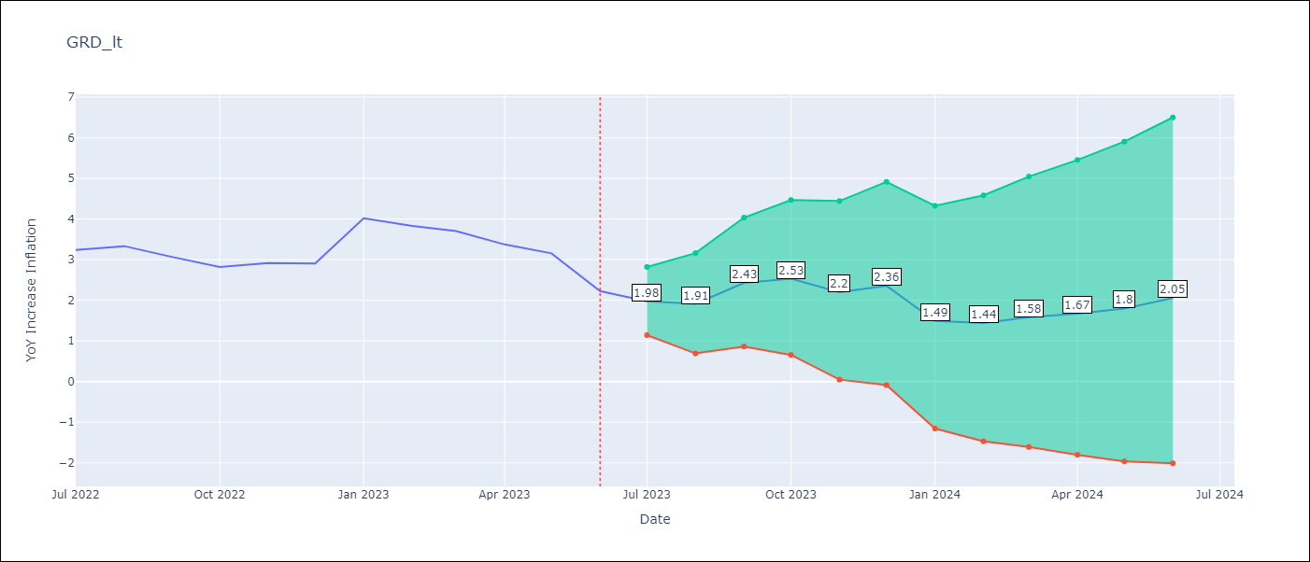

Test Metrics
RMSE | 0.35
Naive RMSE | 0.47
MAPE | 10.08%

Test Predictions
Date | Predicted | Actual
2022-07-01 | 3 | 3.24
2022-08-01 | 3.07 | 3.33
2022-09-01 | 3.41 | 3.06
2022-10-01 | 3.32 | 2.82
2022-11-01 | 3.1 | 2.91
2022-12-01 | 3.3 | 2.9
2023-01-01 | 3.49 | 4.02
2023-02-01 | 3.29 | 3.83
2023-03-01 | 3.37 | 3.7
2023-04-01 | 3.18 | 3.37
2023-05-01 | 3.14 | 3.16
2023-06-01 | 2.53 | 2.23

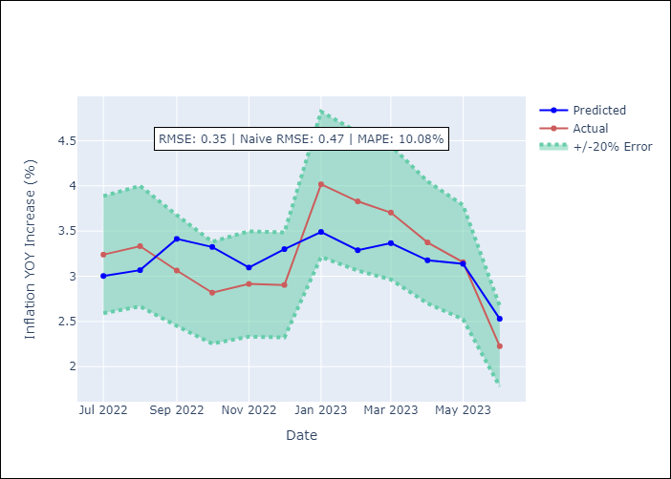

Appendix A: Model Summary
Model | ARIMA(0, 2, 1)x(0, 0, 1, 12)
Sample | 01-01-2011- 06-01-2023
No. of Observations | 150
Terms | P-value (Statistical significance)
ma.L1 | 0.000
ma.S.L12 | 0.980
sigma2 | 0.980
Assumptions | P-value
Ljung-Box (L1) | 0.95
Heteroskedasticity | 0.00
Jarque-Bera | 0.00
Skew | 1.01
Kurtosis | 14.34

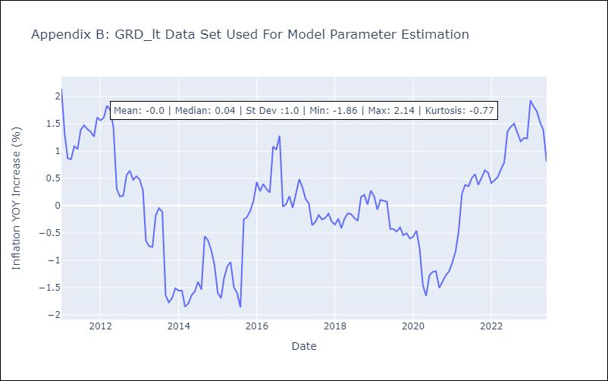

Appendix C: Residuals Analysis
Mean | 0.04
White Noise? | No - Correlation at Lags [1 2 3 4]
Normal? | No

GUY
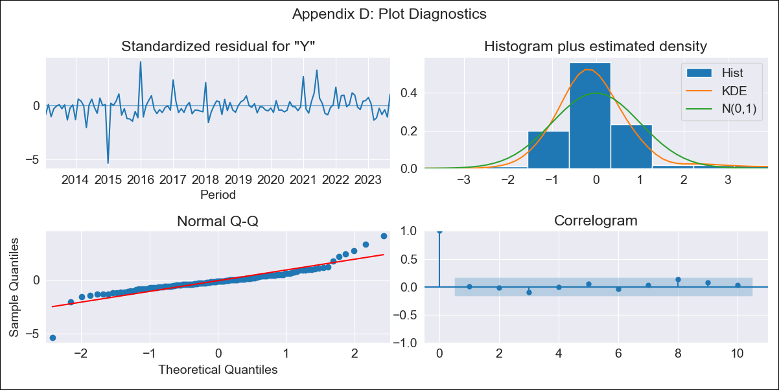
GUY - Inflation - Next 12 months forecast as of: 2023-09-01

Model | ARIMA - [(1, 0, 0), (0, 0, 2, 12)]
Training Data | 2011-01-01 to 2022-10-01
Test Data | 2022-10-01 to 2023-09-01

Date | Inflation Change YoY % | Lower Bound - 95% Confidence Interval | Upper Bound - 95% Confidence Interval
2023-10-01 | 1.27 | 0.23 | 2.54
2023-11-01 | 1.17 | -0.17 | 2.98
2023-12-01 | 1.03 | -0.48 | 3.22
2024-01-01 | 0.63 | -0.88 | 3.02
2024-02-01 | 0.64 | -1 | 3.32
2024-03-01 | 0.97 | -0.91 | 4.09
2024-04-01 | 1.25 | -0.85 | 4.75
2024-05-01 | 1.36 | -0.88 | 5.13
2024-06-01 | 1.64 | -0.8 | 5.76
2024-07-01 | 1.63 | -0.88 | 5.94
2024-08-01 | 1.89 | -0.81 | 6.52
2024-09-01 | 1.53 | -1.05 | 6.15

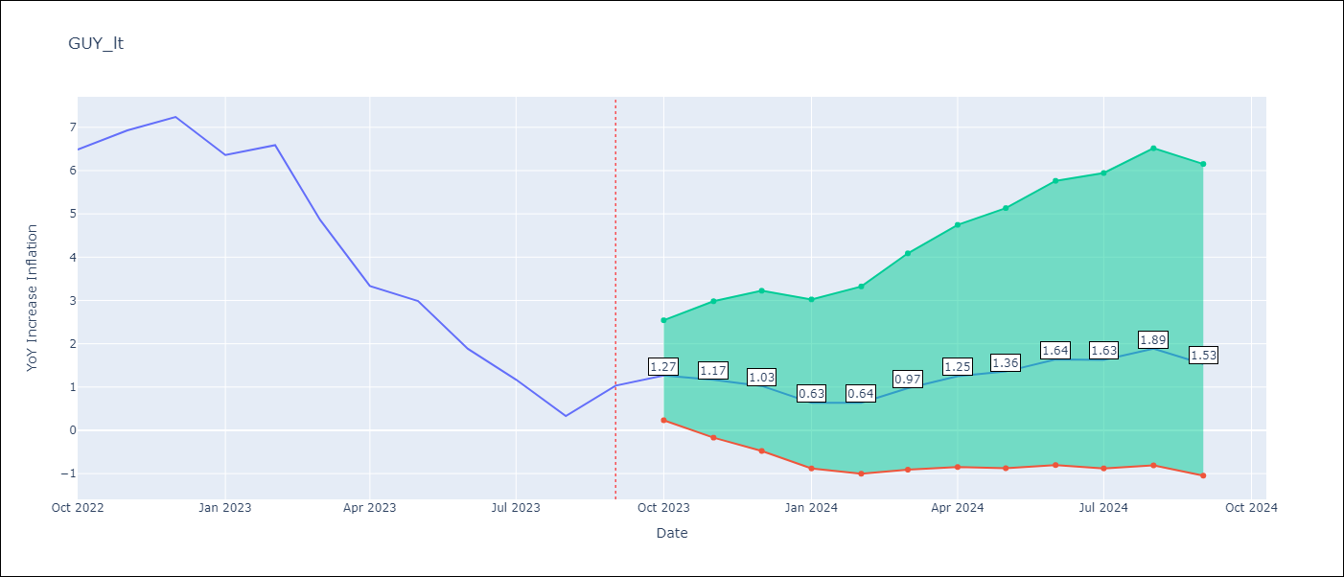

Test Metrics
RMSE | 1.7
Naive RMSE | 0.93
MAPE | 136.87%

Test Predictions
Date | Predicted | Actual
2022-10-01 | 6.9 | 6.49
2022-11-01 | 6.99 | 6.93
2022-12-01 | 6.9 | 7.24
2023-01-01 | 5.62 | 6.36
2023-02-01 | 5.75 | 6.59
2023-03-01 | 5.4 | 4.86
2023-04-01 | 4.9 | 3.33
2023-05-01 | 4.79 | 2.99
2023-06-01 | 4.29 | 1.88
2023-07-01 | 3.7 | 1.17
2023-08-01 | 3.31 | 0.33
2023-09-01 | 3.48 | 1.03

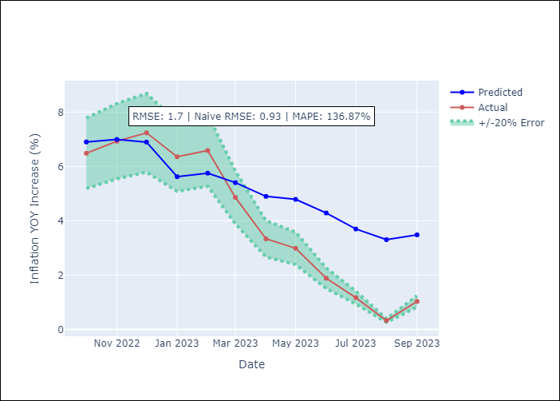

Appendix A: Model Summary
Model | ARIMA(1, 0, 0)x(0, 0, [1, 2], 12)
Sample | 01-01-2011- 09-01-2023
No. of Observations | 153
Terms | P-value (Statistical significance)
const | 0.946
ar.L1 | 0.000
ma.S.L12 | 0.001
ma.S.L24 | 0.002
sigma2 | 0.095
Assumptions | P-value
Ljung-Box (L1) | 0.97
Heteroskedasticity | 0.06
Jarque-Bera | 0.00
Skew | -0.00
Kurtosis | 10.99

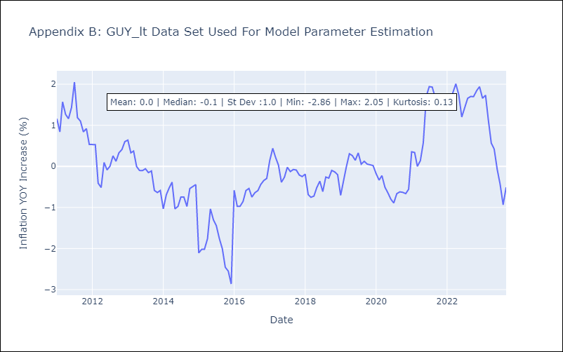

Appendix C: Residuals Analysis
Mean | -0.01
White Noise? | Yes
Normal? | No

JAM
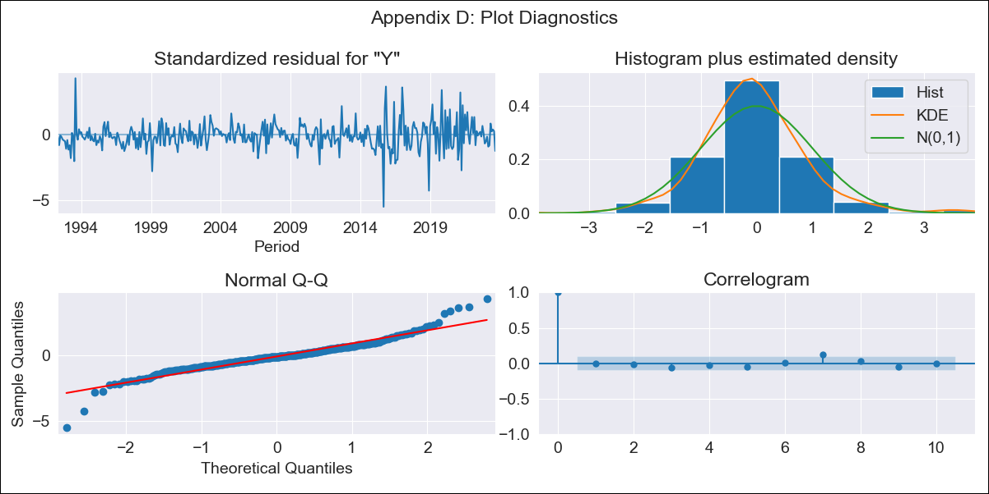
JAM - Inflation - Next 12 months forecast as of: 2023-09-01

Model | ARIMA - [(0, 1, 2), (1, 0, 1, 12)]
Training Data | 1991-01-01 to 2022-10-01
Test Data | 2022-10-01 to 2023-09-01

Date | Inflation Change YoY % | Lower Bound - 95% Confidence Interval | Upper Bound - 95% Confidence Interval
2023-10-01 | 5.55 | 4.47 | 6.96
2023-11-01 | 5.43 | 3.89 | 7.74
2023-12-01 | 5.55 | 3.6 | 8.89
2024-01-01 | 5.66 | 3.39 | 10.02
2024-02-01 | 5.73 | 3.21 | 11.07
2024-03-01 | 5.9 | 3.1 | 12.41
2024-04-01 | 6.25 | 3.09 | 14.34
2024-05-01 | 6.02 | 2.84 | 14.69
2024-06-01 | 5.92 | 2.67 | 15.38
2024-07-01 | 5.74 | 2.48 | 15.73
2024-08-01 | 5.61 | 2.33 | 16.24
2024-09-01 | 5.92 | 2.35 | 18.53

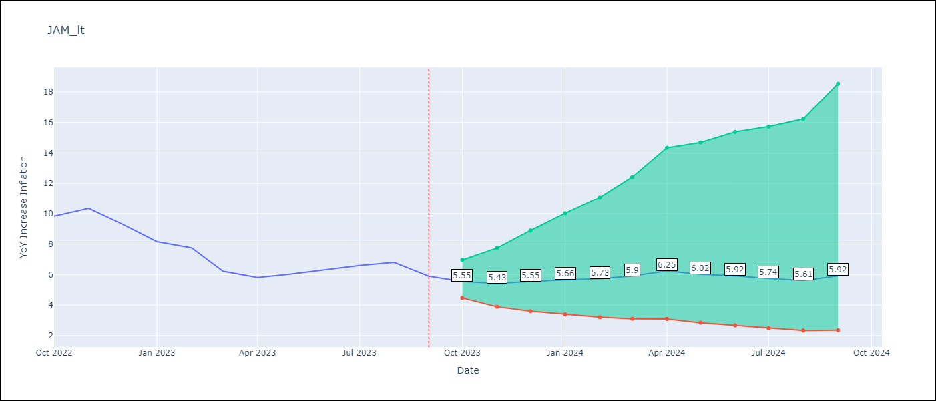

Test Metrics
RMSE | 1.06
Naive RMSE | 0.76
MAPE | 13.93%

Test Predictions
Date | Predicted | Actual
2022-10-01 | 8.98 | 9.83
2022-11-01 | 9.13 | 10.34
2022-12-01 | 8.84 | 9.32
2023-01-01 | 8.38 | 8.16
2023-02-01 | 8.25 | 7.76
2023-03-01 | 7.39 | 6.22
2023-04-01 | 7.74 | 5.81
2023-05-01 | 7.47 | 6.04
2023-06-01 | 7.51 | 6.32
2023-07-01 | 7.34 | 6.6
2023-08-01 | 7.22 | 6.8
2023-09-01 | 7.14 | 5.9

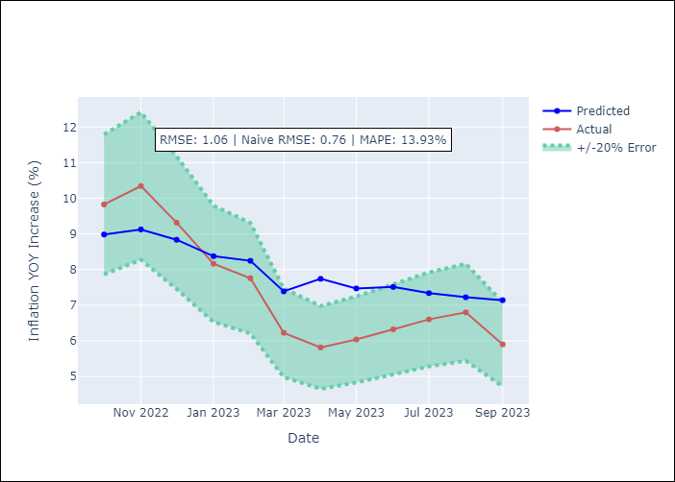

Appendix A: Model Summary
Model | ARIMA(0, 1, 2)x(1, 0, [1], 12)
Sample | 01-01-1991- 09-01-2023
No. of Observations | 393
Terms | P-value (Statistical significance)
ma.L1 | 0.000
ma.L2 | 0.002
ar.S.L12 | 0.037
ma.S.L12 | 0.000
sigma2 | 0.000
Assumptions | P-value
Ljung-Box (L1) | 0.85
Heteroskedasticity | 0.00
Jarque-Bera | 0.00
Skew | 0.08
Kurtosis | 7.63

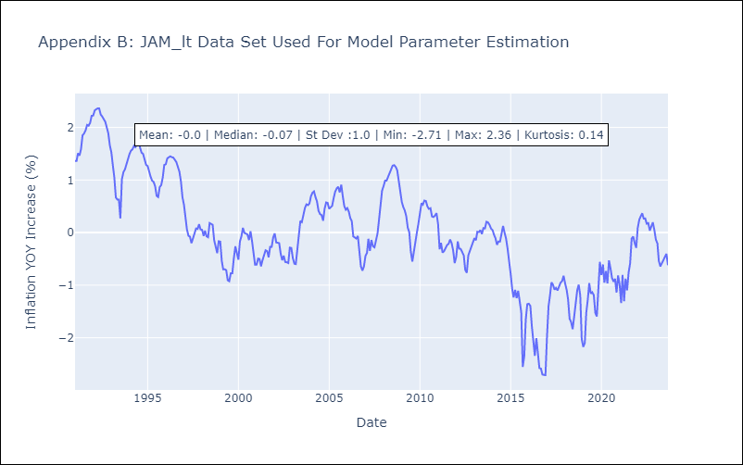

Appendix C: Residuals Analysis
Mean | -0.01
White Noise? | Yes
Normal? | No

KNA
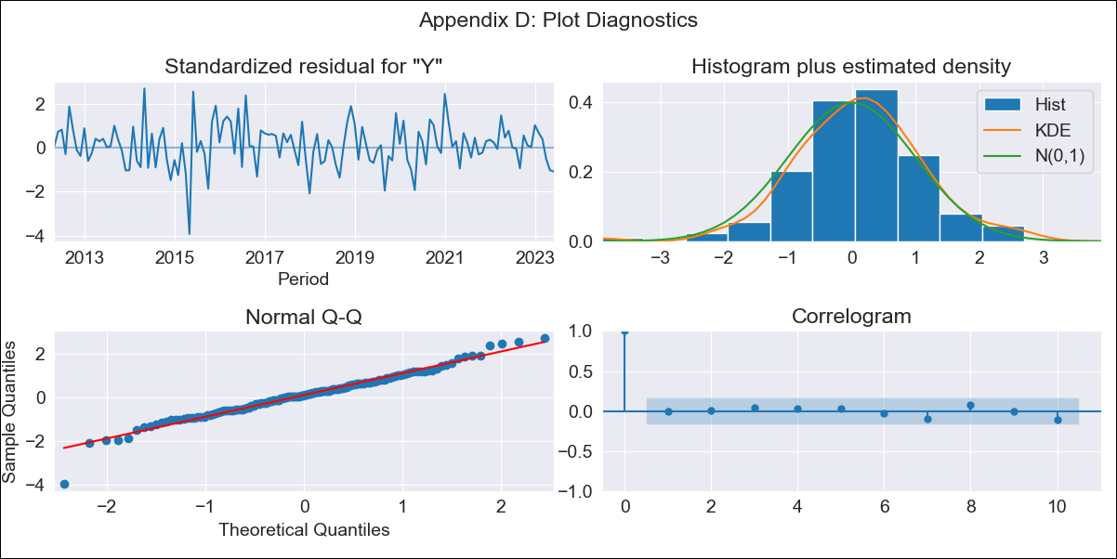
KNA - Inflation - Next 12 months forecast as of: 2023-06-01

Model | ARIMA - [(2, 2, 1), (0, 0, 1, 12)]
Training Data | 2011-01-01 to 2022-07-01
Test Data | 2022-07-01 to 2023-06-01

Date | Inflation Change YoY % | Lower Bound - 95% Confidence Interval | Upper Bound - 95% Confidence Interval
2023-07-01 | 3.63 | 1.85 | 5.64
2023-08-01 | 3.77 | 1.57 | 6.33
2023-09-01 | 4.29 | 1.72 | 7.32
2023-10-01 | 3.9 | 1.06 | 7.37
2023-11-01 | 3.98 | 0.8 | 7.95
2023-12-01 | 4.14 | 0.63 | 8.62
2024-01-01 | 3.57 | -0.02 | 8.42
2024-02-01 | 3.39 | -0.37 | 8.69
2024-03-01 | 3.38 | -0.6 | 9.17
2024-04-01 | 3.76 | -0.61 | 10.17
2024-05-01 | 4.31 | -0.54 | 11.42
2024-06-01 | 4.82 | -0.5 | 12.63

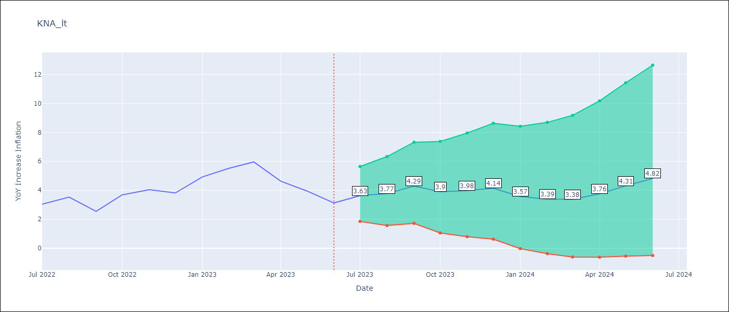

Test Metrics
RMSE | 0.67
Naive RMSE | 0.82
MAPE | 14.79%

Test Predictions
Date | Predicted | Actual
2022-07-01 | 3.08 | 3.04
2022-08-01 | 3.66 | 3.53
2022-09-01 | 3.57 | 2.54
2022-10-01 | 4.02 | 3.68
2022-11-01 | 4.41 | 4.04
2022-12-01 | 4.38 | 3.82
2023-01-01 | 4.44 | 4.93
2023-02-01 | 4.62 | 5.53
2023-03-01 | 4.94 | 5.96
2023-04-01 | 4.22 | 4.63
2023-05-01 | 4.4 | 3.96
2023-06-01 | 4.26 | 3.13

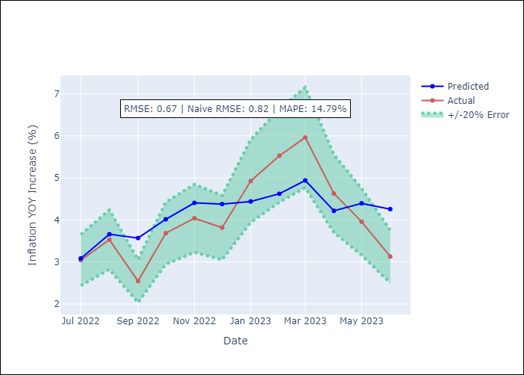

Appendix A: Model Summary
Model | ARIMA(2, 2, 1)x(0, 0, 1, 12)
Sample | 01-01-2011- 06-01-2023
No. of Observations | 150
Terms | P-value (Statistical significance)
ar.L1 | 0.000
ar.L2 | 0.055
ma.L1 | 0.000
ma.S.L12 | 0.000
sigma2 | 0.000
Assumptions | P-value
Ljung-Box (L1) | 0.94
Heteroskedasticity | 0.04
Jarque-Bera | 0.00
Skew | -0.25
Kurtosis | 4.55

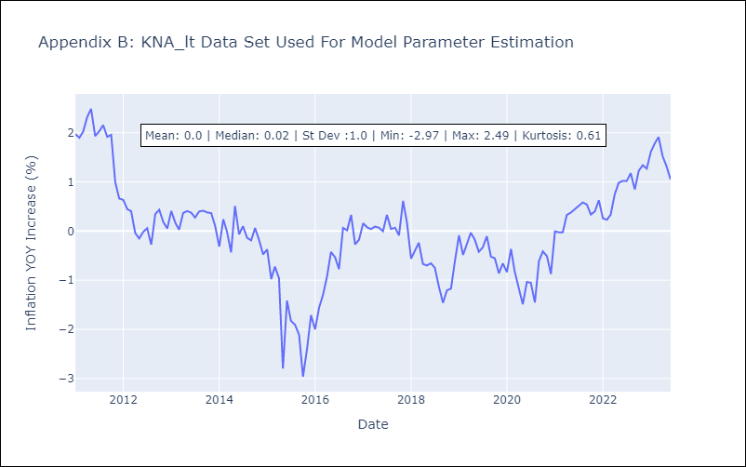

Appendix C: Residuals Analysis
Mean | 0.04
White Noise? | Yes
Normal? | No

LCA
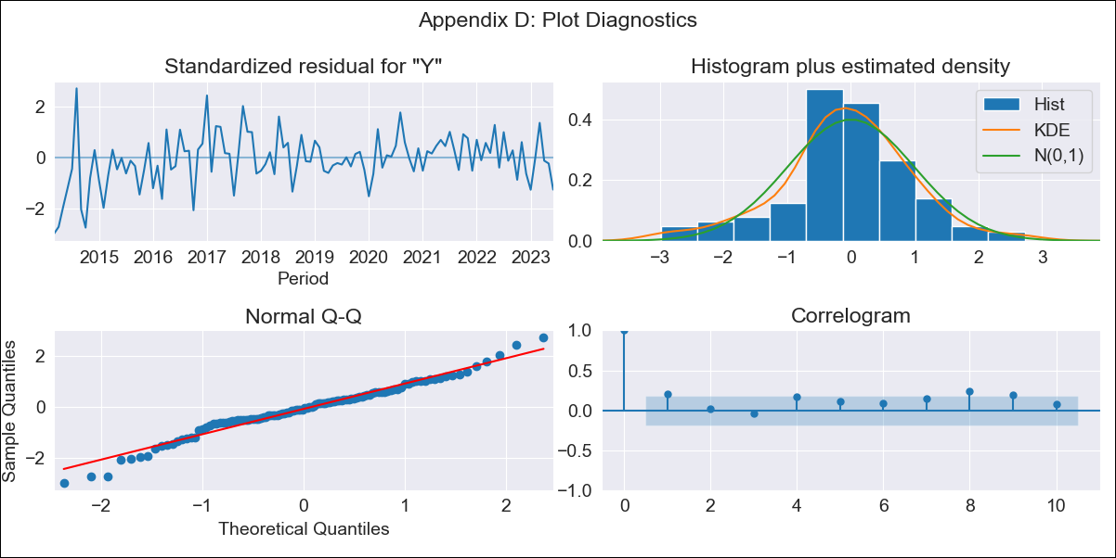
LCA - Inflation - Next 12 months forecast as of: 2023-06-01

Model | ARIMA - [(0, 2, 1), (3, 0, 0, 12)]
Training Data | 2011-01-01 to 2022-07-01
Test Data | 2022-07-01 to 2023-06-01

Date | Inflation Change YoY % | Lower Bound - 95% Confidence Interval | Upper Bound - 95% Confidence Interval
2023-07-01 | 4.52 | 2.87 | 6.18
2023-08-01 | 4.22 | 1.85 | 6.63
2023-09-01 | 4.08 | 1.12 | 7.09
2023-10-01 | 4.49 | 0.99 | 8.05
2023-11-01 | 4.51 | 0.52 | 8.59
2023-12-01 | 4.74 | 0.28 | 9.31
2024-01-01 | 4.7 | -0.21 | 9.75
2024-02-01 | 4.75 | -0.59 | 10.27
2024-03-01 | 4.24 | -1.49 | 10.2
2024-04-01 | 4.12 | -2.02 | 10.53
2024-05-01 | 4.27 | -2.29 | 11.14
2024-06-01 | 4.91 | -2.11 | 12.24

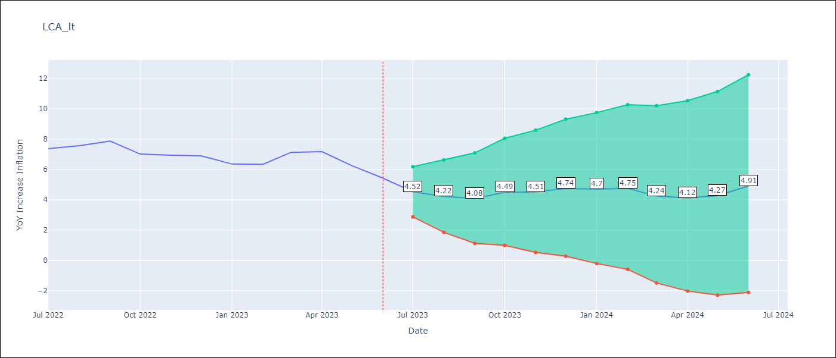

Test Metrics
RMSE | 0.91
Naive RMSE | 0.55
MAPE | 11.56%

Test Predictions
Date | Predicted | Actual
2022-07-01 | 6.61 | 7.37
2022-08-01 | 6.95 | 7.56
2022-09-01 | 7.05 | 7.86
2022-10-01 | 6.97 | 7.01
2022-11-01 | 6.43 | 6.94
2022-12-01 | 6.98 | 6.9
2023-01-01 | 7.61 | 6.36
2023-02-01 | 7.74 | 6.34
2023-03-01 | 7.46 | 7.13
2023-04-01 | 7.67 | 7.17
2023-05-01 | 7.01 | 6.25
2023-06-01 | 7.34 | 5.43

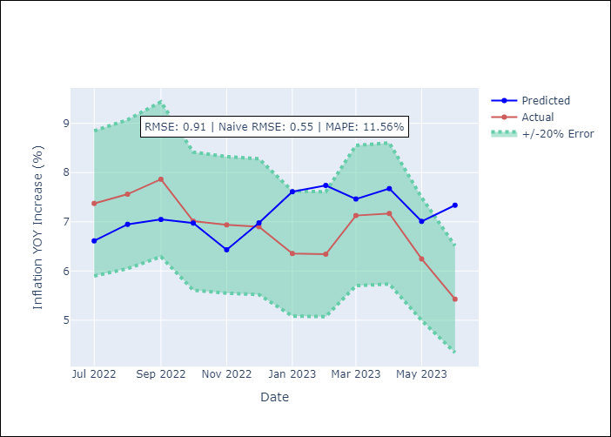

Appendix A: Model Summary
Model | ARIMA(0, 2, 1)x(3, 0, [], 12)
Sample | 01-01-2011- 06-01-2023
No. of Observations | 150
Terms | P-value (Statistical significance)
ma.L1 | 0.000
ar.S.L12 | 0.000
ar.S.L24 | 0.000
ar.S.L36 | 0.000
sigma2 | 0.000
Assumptions | P-value
Ljung-Box (L1) | 0.03
Heteroskedasticity | 0.00
Jarque-Bera | 0.08
Skew | -0.26
Kurtosis | 3.89

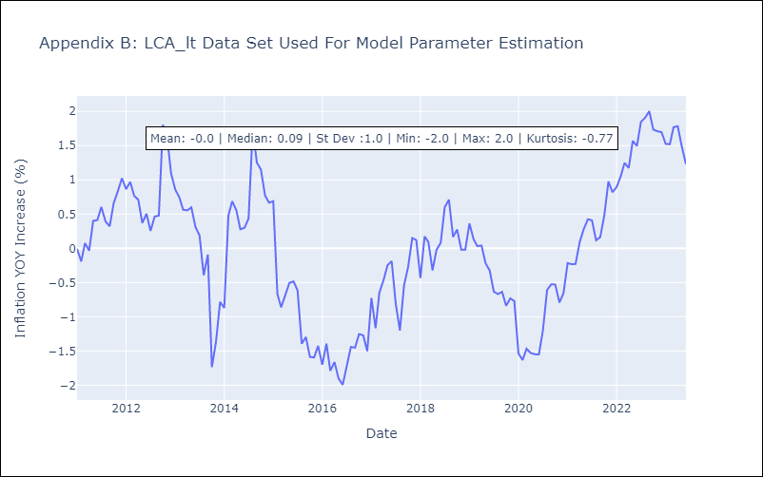

Appendix C: Residuals Analysis
Mean | -0.01
White Noise? | No - Correlation at Lags [1 2 3 4 5]
Normal? | No

SUR
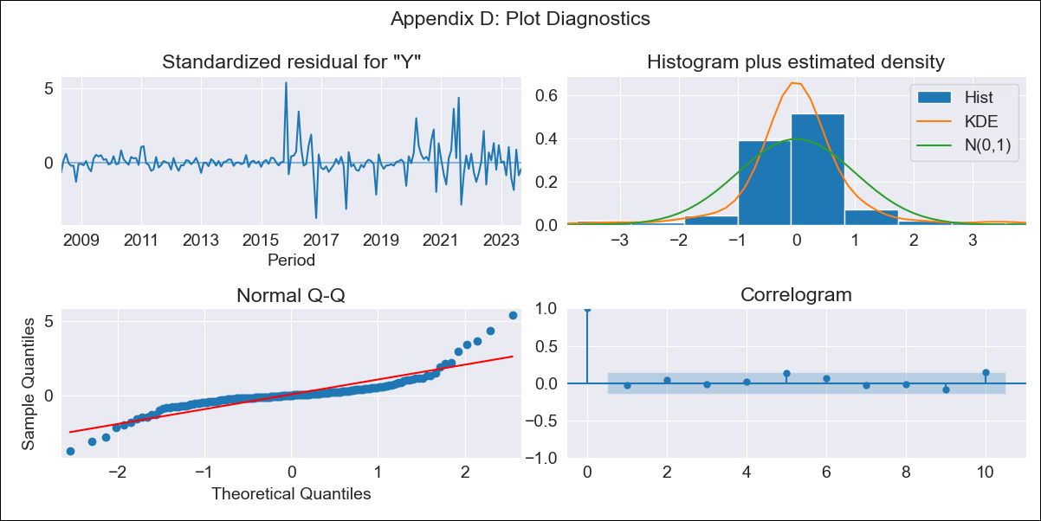
SUR - Inflation - Next 12 months forecast as of: 2023-09-01

Model | ARIMA - [(1, 2, 1), (0, 0, 1, 12)]
Training Data | 2007-01-01 to 2022-10-01
Test Data | 2022-10-01 to 2023-09-01

Date | Inflation Change YoY % | Lower Bound - 95% Confidence Interval | Upper Bound - 95% Confidence Interval
2023-10-01 | 46.85 | 40.86 | 52.84
2023-11-01 | 46.43 | 35.98 | 56.87
2023-12-01 | 43.68 | 29.4 | 57.96
2024-01-01 | 42.59 | 24.95 | 60.23
2024-02-01 | 42.02 | 21.36 | 62.68
2024-03-01 | 43.77 | 20.34 | 67.2
2024-04-01 | 42.17 | 16.14 | 68.19
2024-05-01 | 43.88 | 15.4 | 72.36
2024-06-01 | 48.87 | 18.04 | 79.7
2024-07-01 | 49.08 | 15.98 | 82.18
2024-08-01 | 51.27 | 15.96 | 86.58
2024-09-01 | 53.3 | 15.83 | 90.77

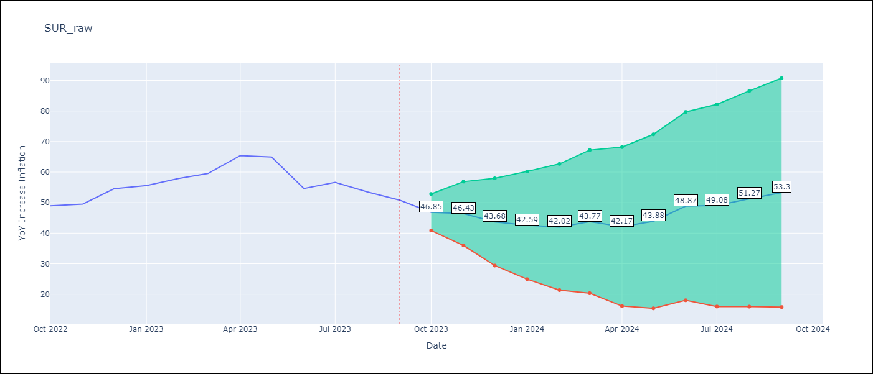

Test Metrics
RMSE | 7.22
Naive RMSE | 4.23
MAPE | 10.99%

Test Predictions
Date | Predicted | Actual
2022-10-01 | 45.09 | 48.97
2022-11-01 | 45.09 | 49.55
2022-12-01 | 46.42 | 54.56
2023-01-01 | 45.89 | 55.57
2023-02-01 | 47.15 | 57.91
2023-03-01 | 50.71 | 59.54
2023-04-01 | 54.11 | 65.41
2023-05-01 | 55.81 | 64.95
2023-06-01 | 52.62 | 54.63
2023-07-01 | 54.8 | 56.62
2023-08-01 | 55 | 53.5
2023-09-01 | 54.95 | 50.8

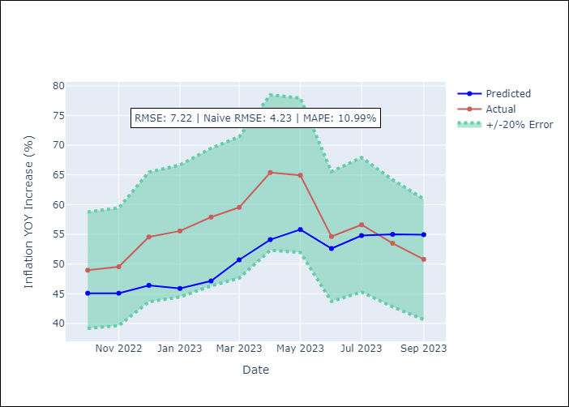

Appendix A: Model Summary
Model | ARIMA(1, 2, 1)x(0, 0, 1, 12)
Sample | 01-01-2007- 09-01-2023
No. of Observations | 201
Terms | P-value (Statistical significance)
ar.L1 | 0.000
ma.L1 | 0.000
ma.S.L12 | 0.000
sigma2 | 0.000
Assumptions | P-value
Ljung-Box (L1) | 0.71
Heteroskedasticity | 0.00
Jarque-Bera | 0.00
Skew | 1.18
Kurtosis | 11.19

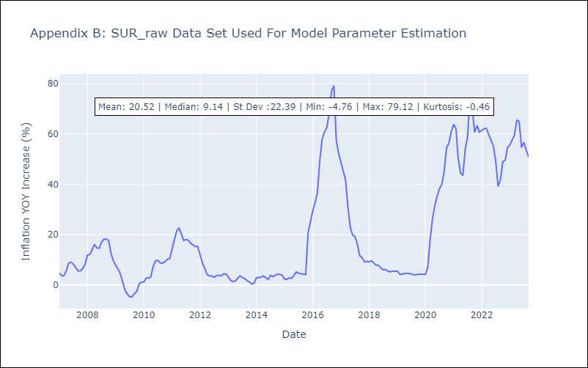

Appendix C: Residuals Analysis
Mean | 0.19
White Noise? | Yes
Normal? | No

TTO
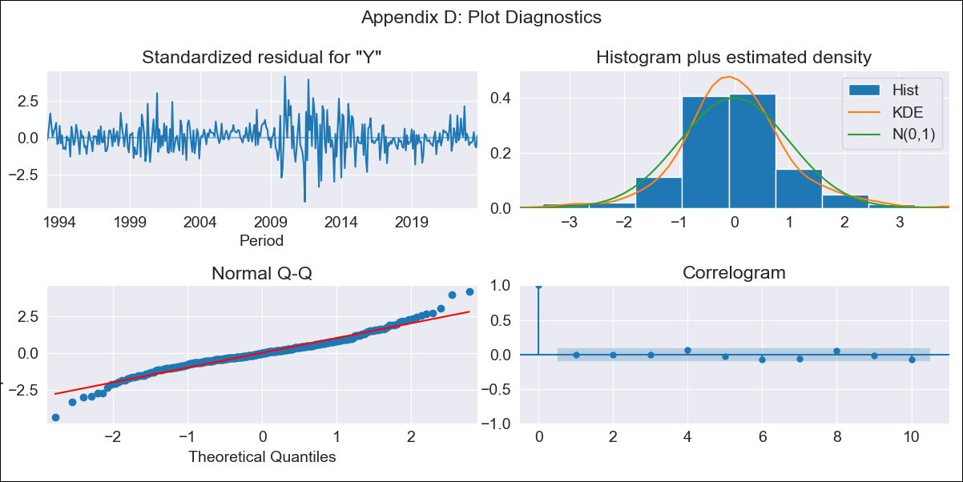
TTO - Inflation - Next 12 months forecast as of: 2023-09-01

Model | ARIMA - [(3, 0, 0), (0, 0, 2, 12)]
Training Data | 1991-01-01 to 2022-10-01
Test Data | 2022-10-01 to 2023-09-01

Date | Inflation Change YoY % | Lower Bound - 95% Confidence Interval | Upper Bound - 95% Confidence Interval
2023-10-01 | 3.01 | 1.91 | 4.37
2023-11-01 | 3.04 | 1.5 | 5.17
2023-12-01 | 2.93 | 1.1 | 5.7
2024-01-01 | 2.91 | 0.84 | 6.26
2024-02-01 | 3.07 | 0.74 | 7.06
2024-03-01 | 3.23 | 0.66 | 7.82
2024-04-01 | 3.31 | 0.57 | 8.44
2024-05-01 | 3.43 | 0.5 | 9.09
2024-06-01 | 3.32 | 0.35 | 9.31
2024-07-01 | 3.44 | 0.32 | 9.94
2024-08-01 | 3.69 | 0.33 | 10.79
2024-09-01 | 3.68 | 0.25 | 11.13

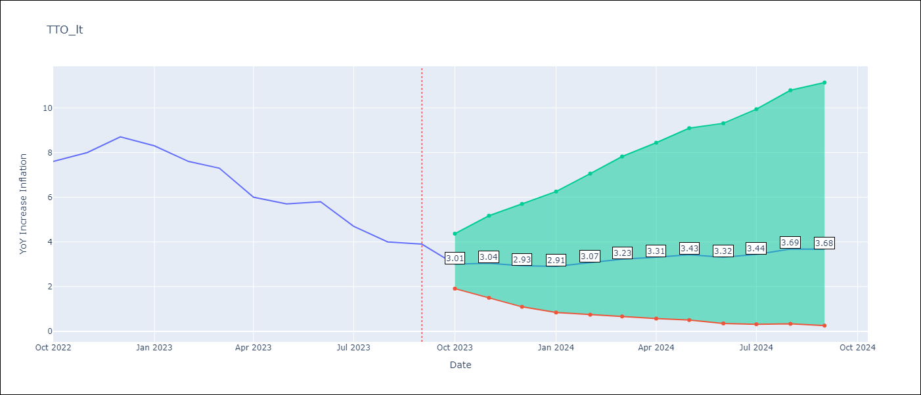

Test Metrics
RMSE | 1.65
Naive RMSE | 0.67
MAPE | 18.86%

Test Predictions
Date | Predicted | Actual
2022-10-01 | 5.49 | 7.6
2022-11-01 | 5.83 | 8
2022-12-01 | 6.02 | 8.7
2023-01-01 | 5.7 | 8.3
2023-02-01 | 5.59 | 7.6
2023-03-01 | 5.7 | 7.3
2023-04-01 | 4.95 | 6
2023-05-01 | 4.92 | 5.7
2023-06-01 | 4.77 | 5.8
2023-07-01 | 4.18 | 4.7
2023-08-01 | 4.02 | 4
2023-09-01 | 3.91 | 3.9

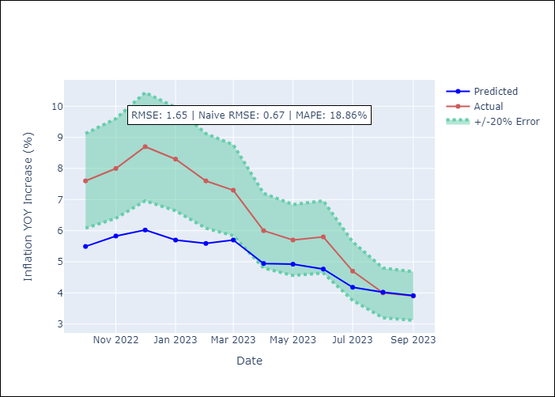

Appendix A: Model Summary
Model | ARIMA(3, 0, 0)x(0, 0, [1, 2], 12)
Sample | 01-01-1991- 09-01-2023
No. of Observations | 393
Terms | P-value (Statistical significance)
const | 0.665
ar.L1 | 0.000
ar.L2 | 0.690
ar.L3 | 0.045
ma.S.L12 | 0.000
ma.S.L24 | 0.044
sigma2 | 0.000
Assumptions | P-value
Ljung-Box (L1) | 0.99
Heteroskedasticity | 0.28
Jarque-Bera | 0.00
Skew | 0.11
Kurtosis | 5.59

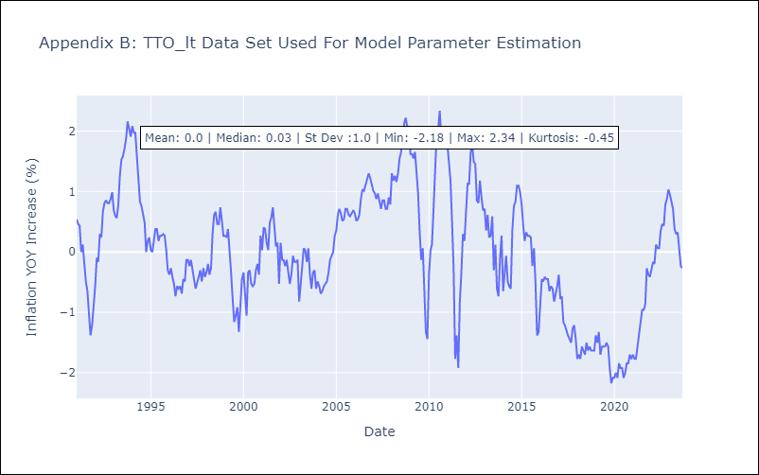

Appendix C: Residuals Analysis
Mean | 0.0
White Noise? | Yes
Normal? | No

VCT

VCT - Inflation - Next 12 months forecast as of: 2023-08-01

Model | ARIMA - [(0, 1, 1), (3, 0, 0, 12)]
Training Data | 2001-01-01 to 2022-09-01
Test Data | 2022-09-01 to 2023-08-01

Date | Inflation Change YoY % | Lower Bound - 95% Confidence Interval | Upper Bound - 95% Confidence Interval
2023-09-01 | 3.43 | 1.78 | 5.09
2023-10-01 | 3.31 | 1.14 | 5.48
2023-11-01 | 3.26 | 0.68 | 5.84
2023-12-01 | 3.56 | 0.63 | 6.5
2024-01-01 | 3.92 | 0.67 | 7.18
2024-02-01 | 3.96 | 0.41 | 7.5
2024-03-01 | 4.02 | 0.21 | 7.83
2024-04-01 | 3.91 | -0.15 | 7.97
2024-05-01 | 3.74 | -0.56 | 8.03
2024-06-01 | 3.42 | -1.1 | 7.94
2024-07-01 | 3.4 | -1.33 | 8.13
2024-08-01 | 3.75 | -1.18 | 8.68

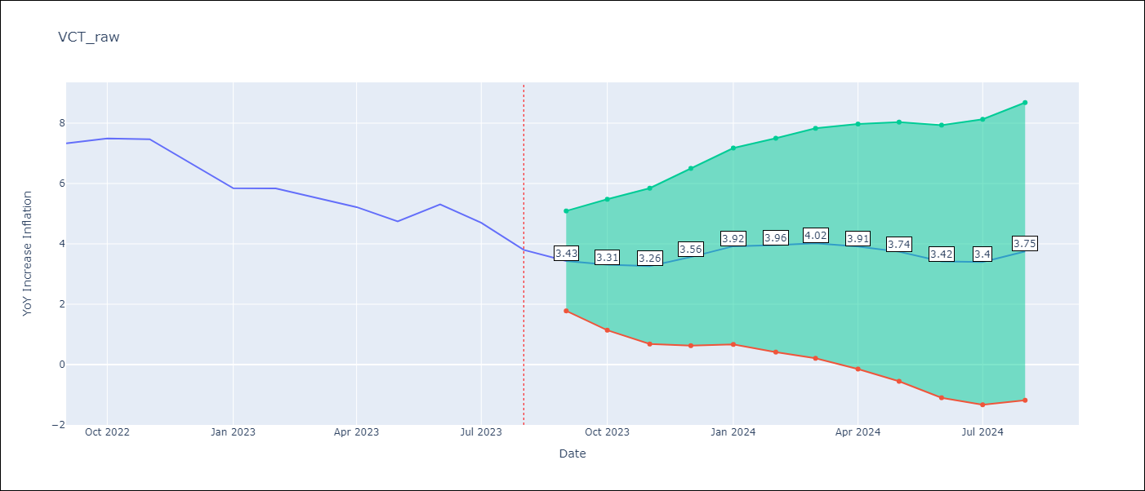

Test Metrics
RMSE | 0.75
Naive RMSE | 0.54
MAPE | 9.94%

Test Predictions
Date | Predicted | Actual
2022-09-01 | 6.41 | 7.33
2022-10-01 | 6.34 | 7.5
2022-11-01 | 6.19 | 7.47
2022-12-01 | 5.97 | 6.67
2023-01-01 | 5.82 | 5.84
2023-02-01 | 5.81 | 5.84
2023-03-01 | 5.62 | 5.55
2023-04-01 | 5.11 | 5.22
2023-05-01 | 4.32 | 4.75
2023-06-01 | 4.3 | 5.31
2023-07-01 | 3.7 | 4.7
2023-08-01 | 3.41 | 3.8

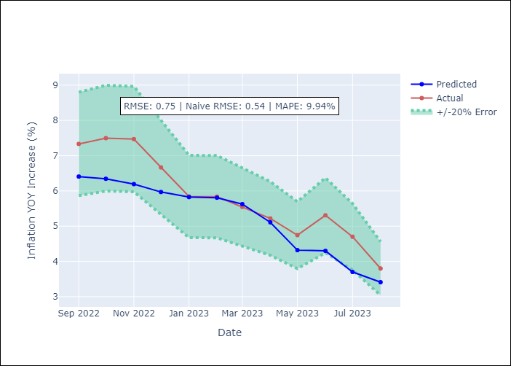

Appendix A: Model Summary
Model | ARIMA(0, 1, 1)x(3, 0, [], 12)
Sample | 01-01-2001- 08-01-2023
No. of Observations | 272
Terms | P-value (Statistical significance)
ma.L1 | 0.000
ar.S.L12 | 0.000
ar.S.L24 | 0.000
ar.S.L36 | 0.001
sigma2 | 0.000
Assumptions | P-value
Ljung-Box (L1) | 0.91
Heteroskedasticity | 0.00
Jarque-Bera | 0.00
Skew | 0.56
Kurtosis | 14.32



Appendix C: Residuals Analysis
Mean | 0.03
White Noise? | No - Correlation at Lags [ 3 4 5 6 7 8 9 10 11 12]
Normal? | No

