BOL_1989
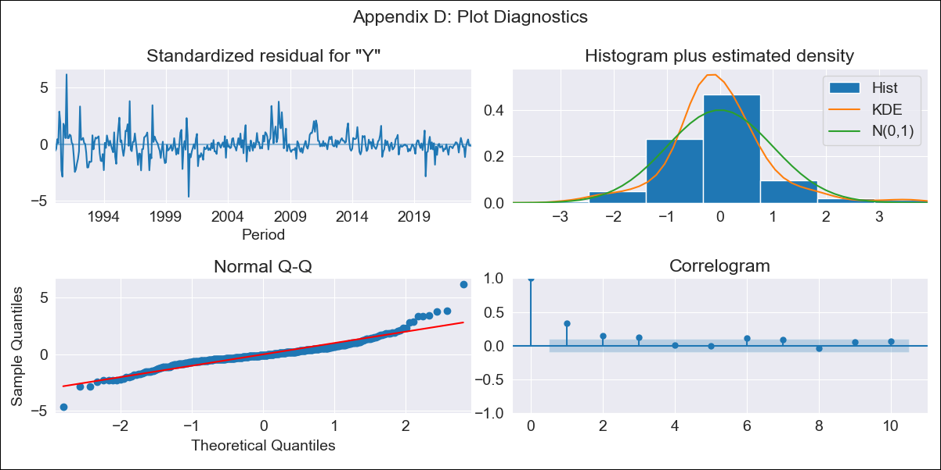

BOL_1989 - Inflation - Next 12 months forecast as of: 2023-08-01

Model | ARIMA - [(1, 0, 0), (0, 0, 1, 12)]
Training Data | 1989-01-01 to 2022-09-01
Test Data | 2022-09-01 to 2023-08-01

Date | Inflation Change YoY % | Lower Bound - 95% Confidence Interval | Upper Bound - 95% Confidence Interval
2023-09-01 | 3.05 | 1.66 | 4.44
2023-10-01 | 2.71 | 0.75 | 4.66
2023-11-01 | 2.59 | 0.22 | 4.97
2023-12-01 | 2.75 | 0.03 | 5.48
2024-01-01 | 2.88 | -0.15 | 5.91
2024-02-01 | 3.59 | 0.3 | 6.88
2024-03-01 | 3.7 | 0.16 | 7.23
2024-04-01 | 3.59 | -0.16 | 7.35
2024-05-01 | 3.33 | -0.63 | 7.28
2024-06-01 | 3.41 | -0.73 | 7.55
2024-07-01 | 3.48 | -0.84 | 7.79
2024-08-01 | 3.57 | -0.91 | 8.05

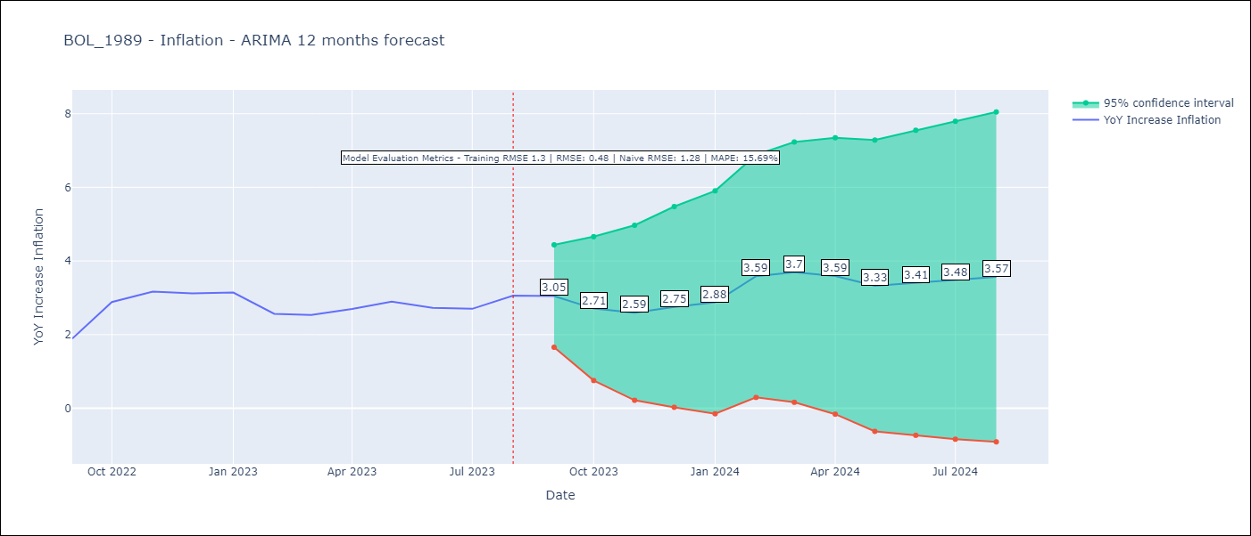

Test Metrics
RMSE | 0.48
Naive RMSE | 1.28
MAPE | 15.69%

Test Predictions
Date | Predicted | Actual
2022-09-01 | 1.88 | 1.89
2022-10-01 | 2.49 | 2.89
2022-11-01 | 2.64 | 3.17
2022-12-01 | 2.78 | 3.12
2023-01-01 | 2.94 | 3.14
2023-02-01 | 3.18 | 2.57
2023-03-01 | 3.27 | 2.53
2023-04-01 | 3.32 | 2.7
2023-05-01 | 3.22 | 2.9
2023-06-01 | 3.14 | 2.73
2023-07-01 | 3.19 | 2.7
2023-08-01 | 3.65 | 3.06

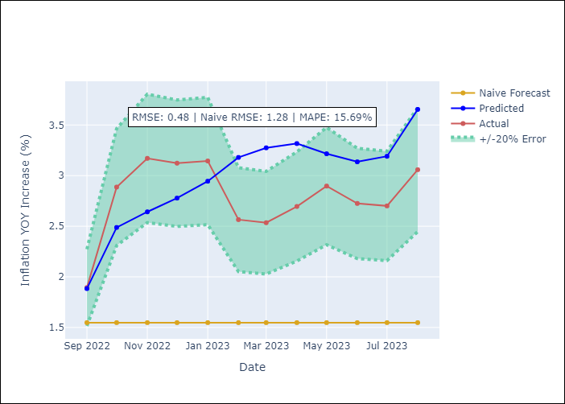

Appendix A: Model Summary
Model | ARIMA(1, 0, 0)x(0, 0, [1], 12)
Sample | 01-01-1989- 08-01-2023
No. of Observations | 416
Terms | P-value (Statistical significance)
const | 0.000
ar.L1 | 0.000
ma.S.L12 | 0.000
sigma2 | 0.000
Assumptions | P-value | Interpretation
Ljung-Box (L1) | 0.00 | Residuals are not independent.
Heteroskedasticity | 0.00 | Residuals have different variances.
Jarque-Bera | 0.00 | Residuals are not normally distributed.
Skew | 0.80 | Positive skew - model underestimates the mean.
Kurtosis | 8.95 | Residuals contain more extreme outliers than in a normal distribution.

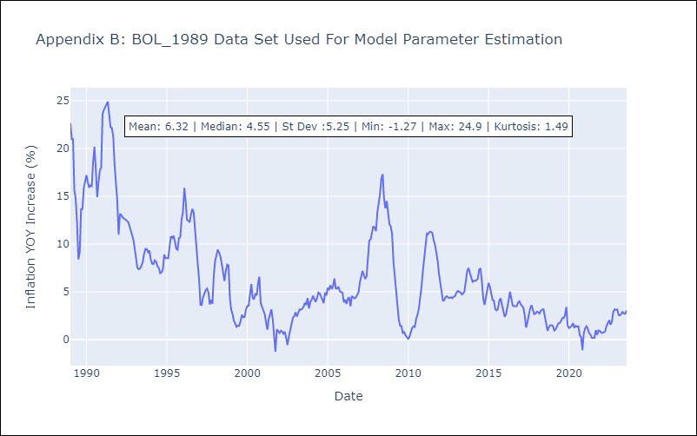

Appendix C: Residuals Analysis
Mean | 0.03
Variance | 1.65
White Noise? | No - Correlation at Lags [ 1 2 3 4 5 6 7 8 9 10 11 12]
Heteroskedastic? - ARCH | Yes
Normal? | No

BOL_1999
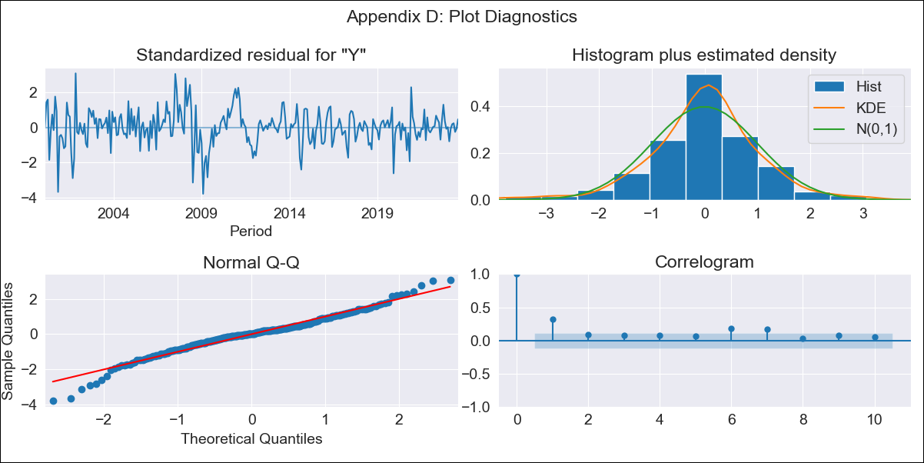

BOL_1999 - Inflation - Next 12 months forecast as of: 2023-08-01

Model | ARIMA - [(1, 0, 0), (0, 0, 1, 12)]
Training Data | 1999-01-01 to 2022-09-01
Test Data | 2022-09-01 to 2023-08-01

Date | Inflation Change YoY % | Lower Bound - 95% Confidence Interval | Upper Bound - 95% Confidence Interval
2023-09-01 | 3.08 | 1.62 | 4.54
2023-10-01 | 3.11 | 1.06 | 5.16
2023-11-01 | 3.13 | 0.64 | 5.62
2023-12-01 | 3.14 | 0.29 | 6
2024-01-01 | 3.16 | 0 | 6.33
2024-02-01 | 3.17 | -0.27 | 6.61
2024-03-01 | 3.19 | -0.5 | 6.87
2024-04-01 | 3.21 | -0.7 | 7.12
2024-05-01 | 3.22 | -0.89 | 7.34
2024-06-01 | 3.24 | -1.07 | 7.54
2024-07-01 | 3.25 | -1.23 | 7.73
2024-08-01 | 3.27 | -1.37 | 7.91

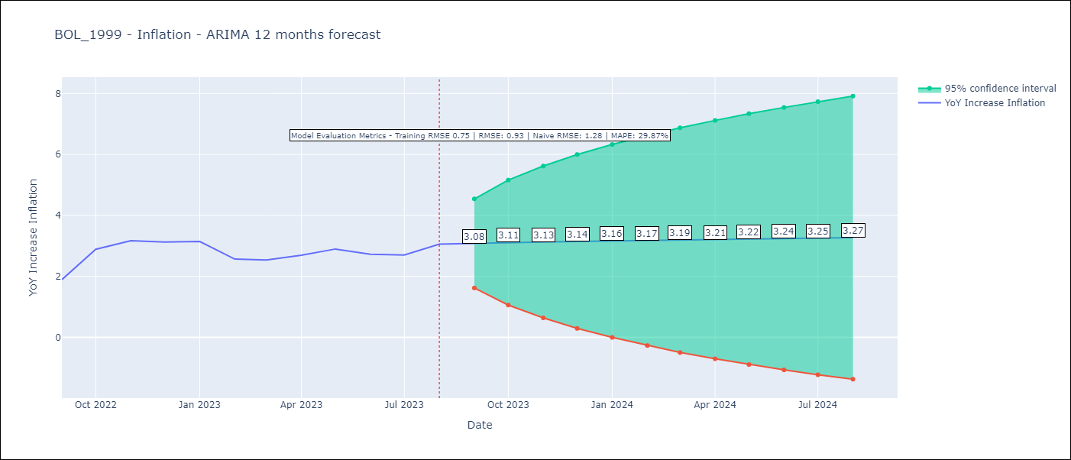

Test Metrics
RMSE | 0.93
Naive RMSE | 1.28
MAPE | 29.87%

Test Predictions
Date | Predicted | Actual
2022-09-01 | 1.62 | 1.89
2022-10-01 | 1.67 | 2.89
2022-11-01 | 1.74 | 3.17
2022-12-01 | 1.79 | 3.12
2023-01-01 | 1.85 | 3.14
2023-02-01 | 1.9 | 2.57
2023-03-01 | 1.96 | 2.53
2023-04-01 | 2.01 | 2.7
2023-05-01 | 2.06 | 2.9
2023-06-01 | 2.12 | 2.73
2023-07-01 | 2.17 | 2.7
2023-08-01 | 2.21 | 3.06

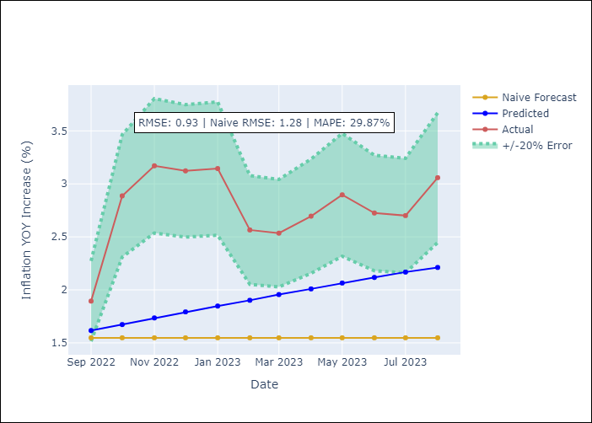

Appendix A: Model Summary
Model | ARIMA(1, 0, 0)x(0, 0, [1], 12)
Sample | 01-01-1999- 08-01-2023
No. of Observations | 296
Terms | P-value (Statistical significance)
const | 0.162
ar.L1 | 0.000
ma.S.L12 | 0.000
sigma2 | 0.000
Assumptions | P-value | Interpretation
Ljung-Box (L1) | 0.00 | Residuals are not independent.
Heteroskedasticity | 0.00 | Residuals have different variances.
Jarque-Bera | 0.00 | Residuals are not normally distributed.
Skew | -0.33 | Negative skew - Model overestimates the mean.
Kurtosis | 4.75 | Residuals contain more extreme outliers than in a normal distribution.

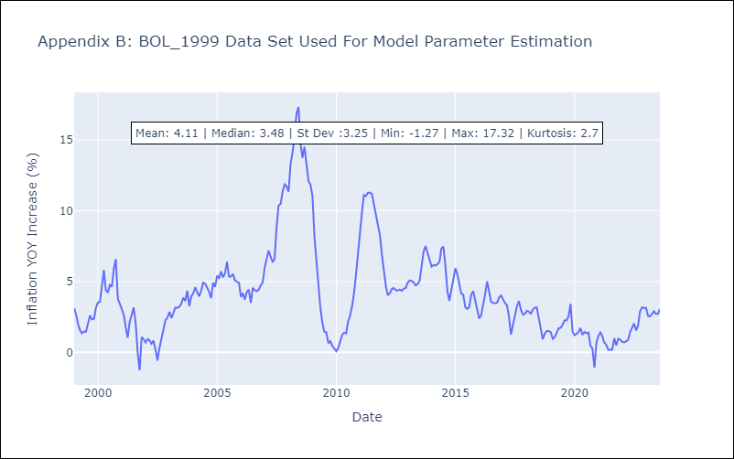

Appendix C: Residuals Analysis
Mean | -0.01
Variance | 0.55
White Noise? | No - Correlation at Lags [ 1 2 3 4 5 6 7 8 9 10 11 12]
Heteroskedastic? - ARCH | Yes
Normal? | No

BOL_2009
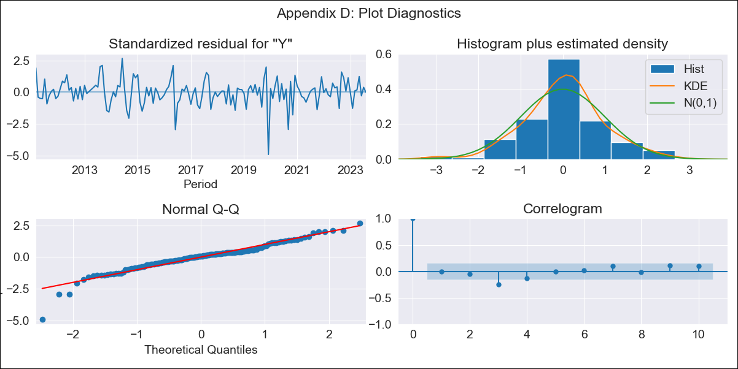

BOL_2009 - Inflation - Next 12 months forecast as of: 2023-08-01

Model | ARIMA - [(2, 0, 0), (2, 0, 0, 12)]
Training Data | 2009-01-01 to 2022-09-01
Test Data | 2022-09-01 to 2023-08-01

Date | Inflation Change YoY % | Lower Bound - 95% Confidence Interval | Upper Bound - 95% Confidence Interval
2023-09-01 | 2.54 | 1.72 | 3.37
2023-10-01 | 2.02 | 0.75 | 3.29
2023-11-01 | 1.66 | 0.05 | 3.26
2023-12-01 | 1.69 | -0.18 | 3.57
2024-01-01 | 1.72 | -0.39 | 3.83
2024-02-01 | 2.11 | -0.2 | 4.42
2024-03-01 | 2.09 | -0.4 | 4.59
2024-04-01 | 1.94 | -0.72 | 4.6
2024-05-01 | 1.61 | -1.2 | 4.42
2024-06-01 | 1.58 | -1.36 | 4.53
2024-07-01 | 1.51 | -1.57 | 4.58
2024-08-01 | 1.41 | -1.79 | 4.61

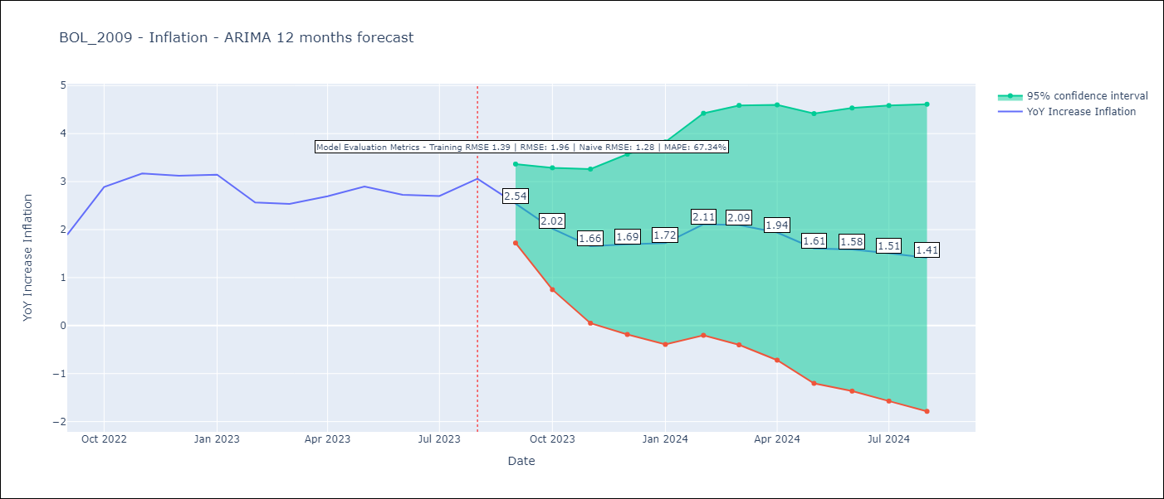

Test Metrics
RMSE | 1.96
Naive RMSE | 1.28
MAPE | 67.34%

Test Predictions
Date | Predicted | Actual
2022-09-01 | 1.18 | 1.89
2022-10-01 | 1.55 | 2.89
2022-11-01 | 1.66 | 3.17
2022-12-01 | 1.05 | 3.12
2023-01-01 | 0.95 | 3.14
2023-02-01 | 0.87 | 2.57
2023-03-01 | 0.87 | 2.53
2023-04-01 | 0.94 | 2.7
2023-05-01 | 0.57 | 2.9
2023-06-01 | 0.39 | 2.73
2023-07-01 | 0.18 | 2.7
2023-08-01 | 0.5 | 3.06

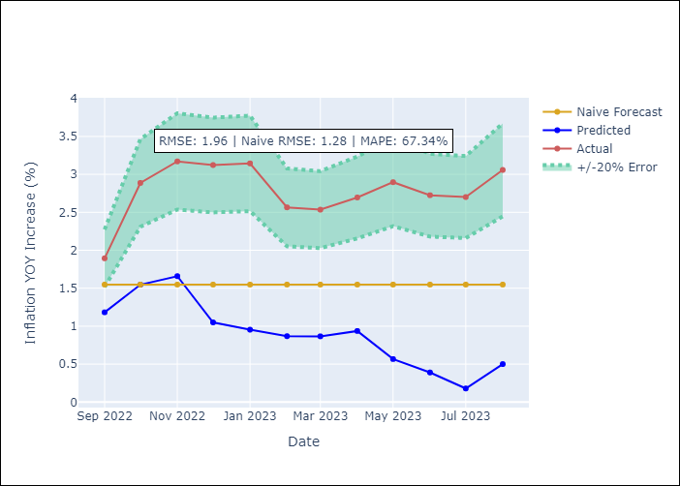

Appendix A: Model Summary
Model | ARIMA(2, 0, 0)x(2, 0, 0, 12)
Sample | 01-01-2009- 08-01-2023
No. of Observations | 176
Terms | P-value (Statistical significance)
const | 0.552
ar.L1 | 0.000
ar.L2 | 0.015
ar.S.L12 | 0.000
ar.S.L24 | 0.000
sigma2 | 0.000
Assumptions | P-value | Interpretation
Ljung-Box (L1) | 0.93 | Residuals are independent.
Heteroskedasticity | 0.32 | Residuals have the same variance.
Jarque-Bera | 0.00 | Residuals are not normally distributed.
Skew | -0.82 | Negative skew - Model overestimates the mean.
Kurtosis | 6.66 | Residuals contain more extreme outliers than in a normal distribution.

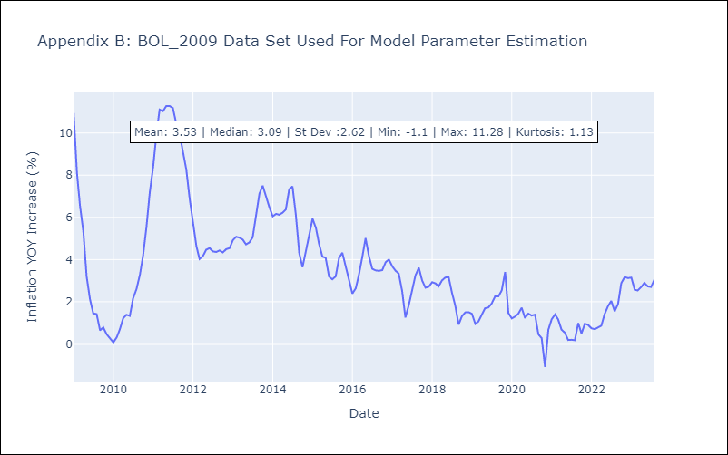

Appendix C: Residuals Analysis
Mean | 0.05
Variance | 1.22
White Noise? | No - Correlation at Lags [ 1 2 3 4 5 12]
Heteroskedastic? - ARCH | No
Normal? | No

