BOL_1989_lt
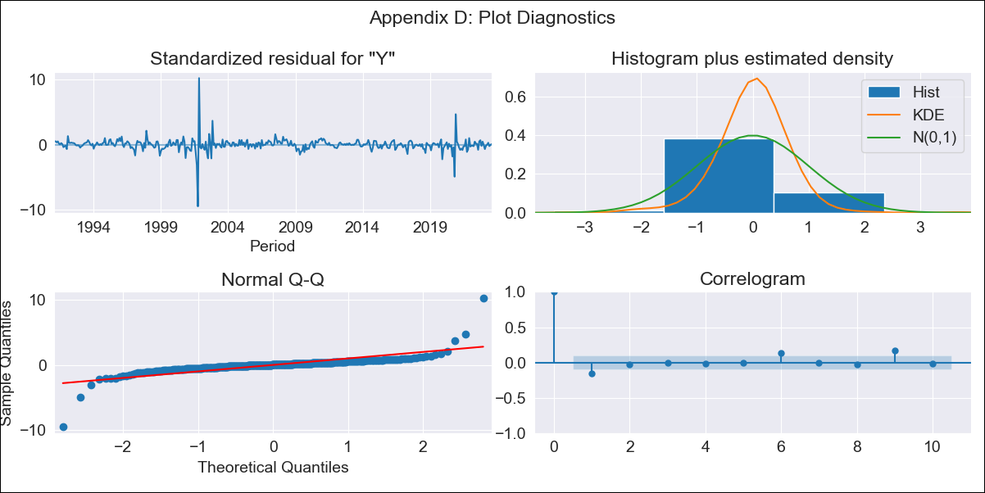
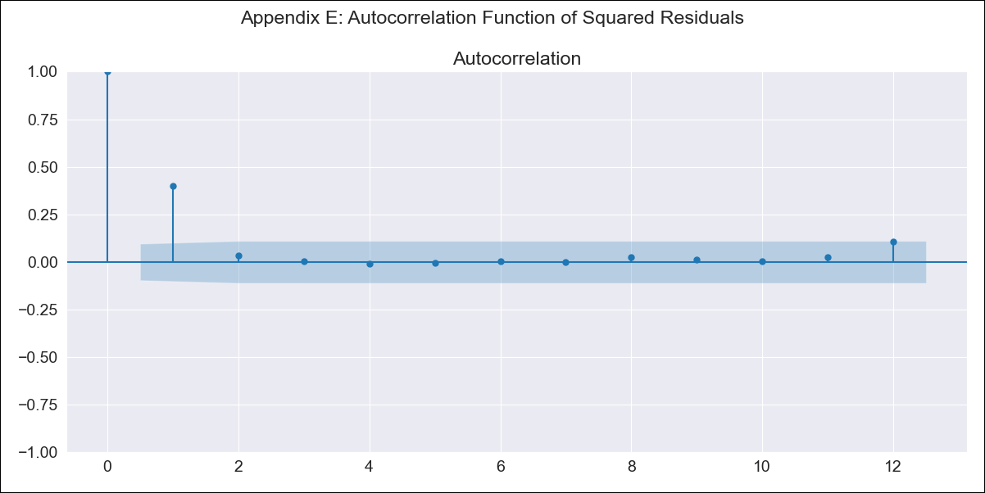
BOL_1989_lt - Inflation - Next 12 months forecast as of: 2023-08-01

Model | ARIMA - [(1, 0, 0), (2, 0, 0, 12)]
Training Data | 1989-01-01 to 2022-09-01
Test Data | 2022-09-01 to 2023-08-01

Date | Inflation Change YoY % | Lower Bound - 95% Confidence Interval | Upper Bound - 95% Confidence Interval
2023-09-01 | 2.86 | 1.24 | 5.08
2023-10-01 | 2.73 | 0.68 | 5.93
2023-11-01 | 2.65 | 0.34 | 6.6
2023-12-01 | 2.75 | 0.18 | 7.44
2024-01-01 | 2.85 | 0.06 | 8.21
2024-02-01 | 3.1 | 0.04 | 9.2
2024-03-01 | 3.16 | -0.04 | 9.82
2024-04-01 | 3.17 | -0.14 | 10.26
2024-05-01 | 3.08 | -0.25 | 10.49
2024-06-01 | 3.13 | -0.29 | 10.96
2024-07-01 | 3.17 | -0.34 | 11.36
2024-08-01 | 3.2 | -0.38 | 11.72

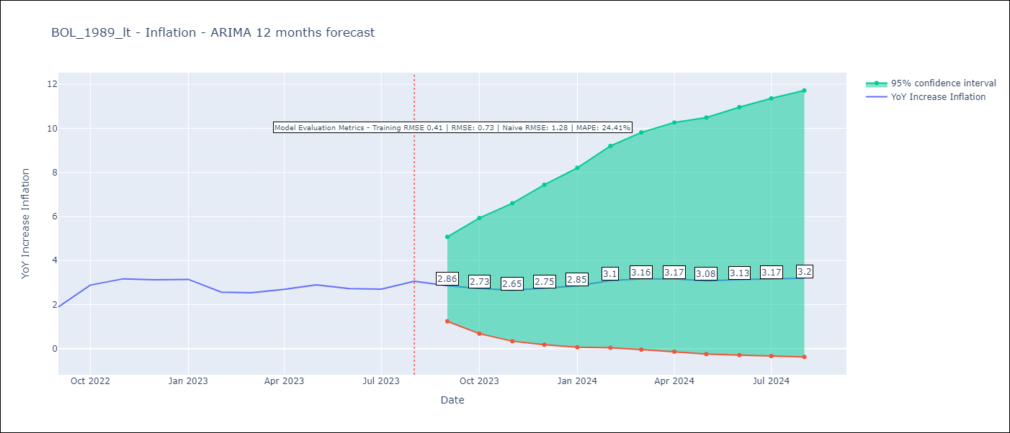

Test Metrics
RMSE | 0.73
Naive RMSE | 1.28
MAPE | 24.41%

Test Predictions
Date | Predicted | Actual
2022-09-01 | 1.5 | 1.89
2022-10-01 | 1.85 | 2.89
2022-11-01 | 2.3 | 3.17
2022-12-01 | 1.86 | 3.12
2023-01-01 | 1.96 | 3.14
2023-02-01 | 2.06 | 2.57
2023-03-01 | 2.18 | 2.53
2023-04-01 | 2.34 | 2.7
2023-05-01 | 2.27 | 2.9
2023-06-01 | 2.32 | 2.73
2023-07-01 | 2.35 | 2.7
2023-08-01 | 2.61 | 3.06

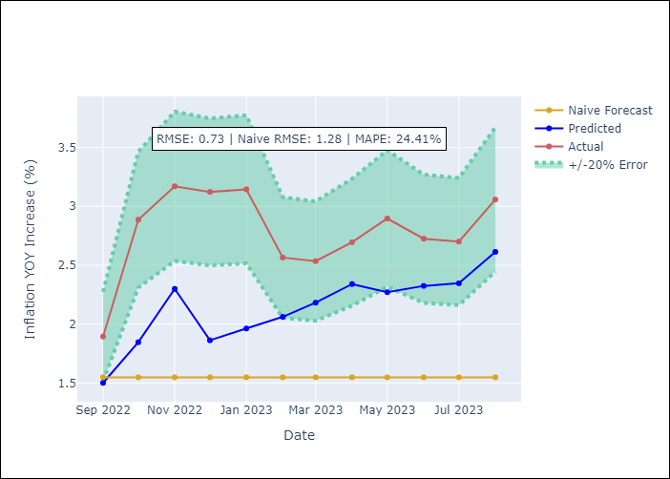

Appendix A: Model Summary
Model | ARIMA(1, 0, 0)x(2, 0, 0, 12)
Sample | 01-01-1989- 08-01-2023
No. of Observations | 416
Terms | P-value (Statistical significance)
const | 0.000
ar.L1 | 0.000
ar.S.L12 | 0.000
ar.S.L24 | 0.236
sigma2 | 0.000
Assumptions | P-value | Interpretation
Ljung-Box (L1) | 0.00 | Residuals are not independent.
Heteroskedasticity | 0.00 | Residuals have different variances.
Jarque-Bera | 0.00 | Residuals are not normally distributed.
Skew | 0.48 | Positive skew - model underestimates the mean.
Kurtosis | 52.85 | Residuals contain more extreme outliers than in a normal distribution.

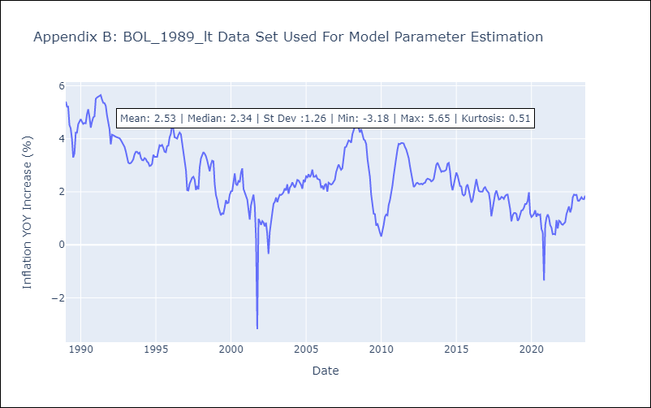

Appendix C: Residuals Analysis
Mean | 0.02
Variance | 0.16
White Noise? | No - Correlation at Lags [1]
Heteroskedastic? - ARCH | Yes
Normal? | No

BOL_1999_lt
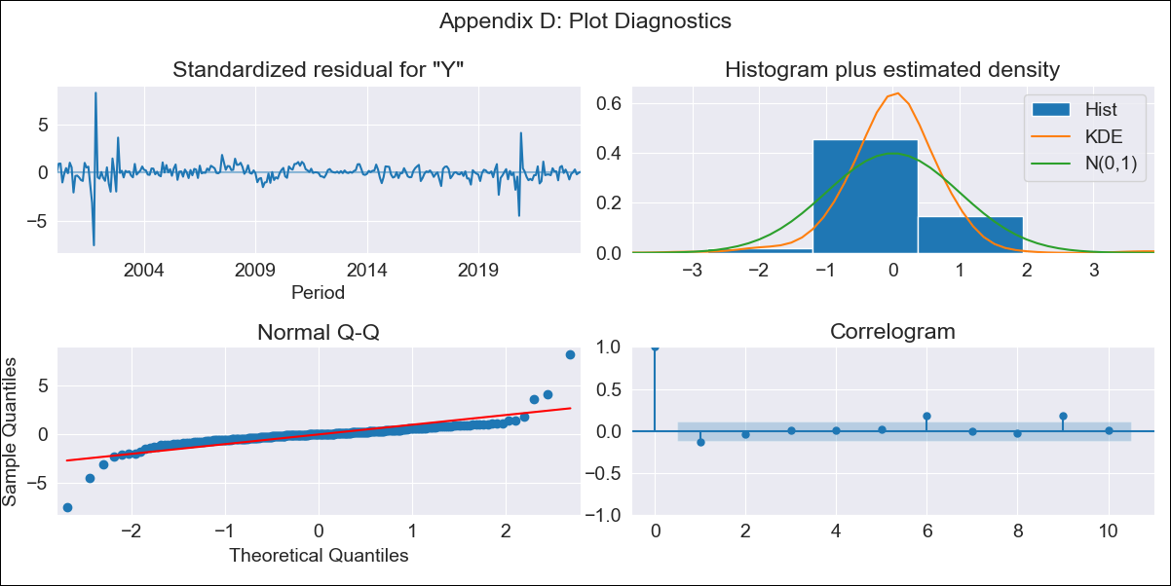

BOL_1999_lt - Inflation - Next 12 months forecast as of: 2023-08-01

Model | ARIMA - [(1, 0, 0), (0, 0, 1, 12)]
Training Data | 1999-01-01 to 2022-09-01
Test Data | 2022-09-01 to 2023-08-01

Date | Inflation Change YoY % | Lower Bound - 95% Confidence Interval | Upper Bound - 95% Confidence Interval
2023-09-01 | 2.9 | 1.3 | 5.01
2023-10-01 | 2.72 | 0.69 | 5.71
2023-11-01 | 2.77 | 0.42 | 6.5
2023-12-01 | 2.71 | 0.17 | 7
2024-01-01 | 2.77 | 0.04 | 7.61
2024-02-01 | 3.03 | 0.04 | 8.49
2024-03-01 | 3.1 | -0.04 | 9.02
2024-04-01 | 3.11 | -0.13 | 9.4
2024-05-01 | 3.03 | -0.24 | 9.57
2024-06-01 | 3.11 | -0.27 | 10
2024-07-01 | 3.14 | -0.31 | 10.31
2024-08-01 | 3.14 | -0.36 | 10.54

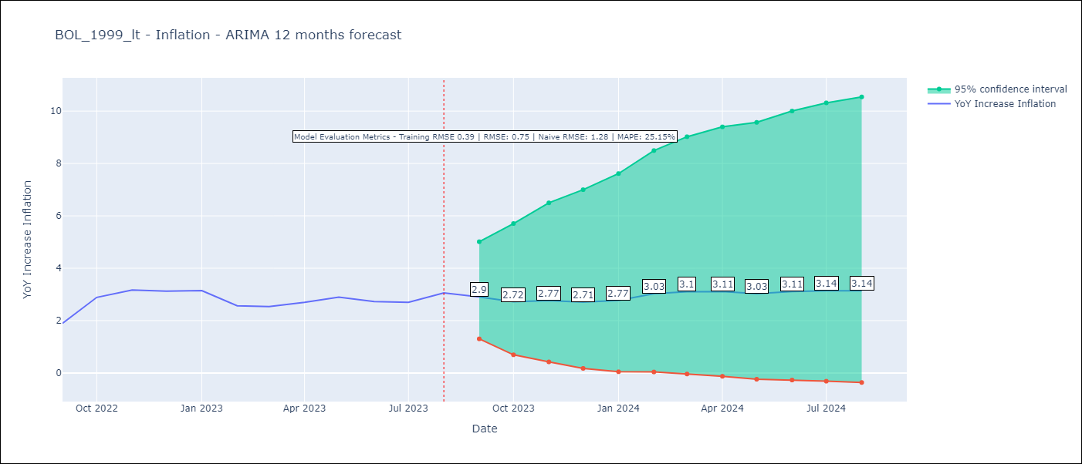

Test Metrics
RMSE | 0.75
Naive RMSE | 1.28
MAPE | 25.15%

Test Predictions
Date | Predicted | Actual
2022-09-01 | 1.46 | 1.89
2022-10-01 | 1.82 | 2.89
2022-11-01 | 2.12 | 3.17
2022-12-01 | 1.86 | 3.12
2023-01-01 | 2 | 3.14
2023-02-01 | 2.11 | 2.57
2023-03-01 | 2.21 | 2.53
2023-04-01 | 2.34 | 2.7
2023-05-01 | 2.26 | 2.9
2023-06-01 | 2.27 | 2.73
2023-07-01 | 2.28 | 2.7
2023-08-01 | 2.56 | 3.06

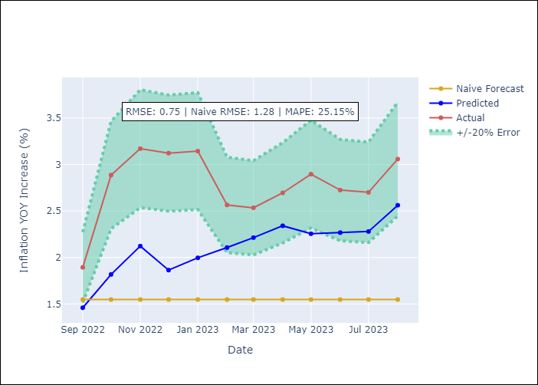

Appendix A: Model Summary
Model | ARIMA(1, 0, 0)x(0, 0, [1], 12)
Sample | 01-01-1999- 08-01-2023
No. of Observations | 296
Terms | P-value (Statistical significance)
const | 0.000
ar.L1 | 0.000
ma.S.L12 | 0.000
sigma2 | 0.000
Assumptions | P-value | Interpretation
Ljung-Box (L1) | 0.03 | Residuals are not independent.
Heteroskedasticity | 0.00 | Residuals have different variances.
Jarque-Bera | 0.00 | Residuals are not normally distributed.
Skew | 0.37 | Positive skew - model underestimates the mean.
Kurtosis | 31.30 | Residuals contain more extreme outliers than in a normal distribution.

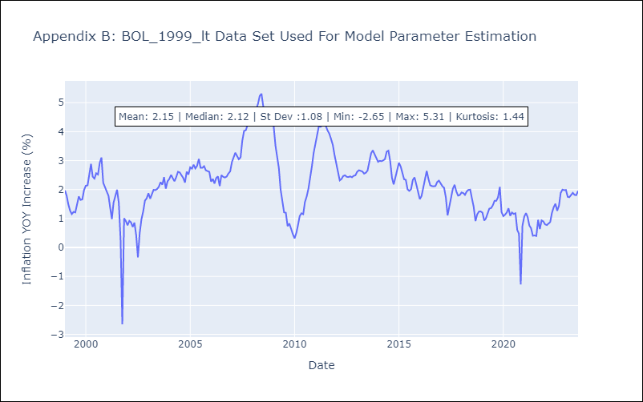

Appendix C: Residuals Analysis
Mean | -0.0
Variance | 0.15
White Noise? | No - Correlation at Lags [ 1 6 7 8 9 10 11 12]
Heteroskedastic? - ARCH | Yes
Normal? | No

BOL_2009_lt
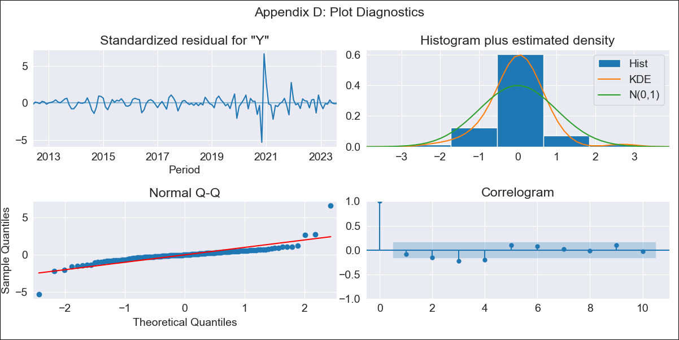

BOL_2009_lt - Inflation - Next 12 months forecast as of: 2023-08-01

Model | ARIMA - [(3, 2, 0), (3, 0, 1, 12)]
Training Data | 2009-01-01 to 2022-09-01
Test Data | 2022-09-01 to 2023-08-01

Date | Inflation Change YoY % | Lower Bound - 95% Confidence Interval | Upper Bound - 95% Confidence Interval
2023-09-01 | 2.99 | 1.3 | 5.23
2023-10-01 | 2.81 | 0.57 | 6.22
2023-11-01 | 4.51 | 0.84 | 10.55
2023-12-01 | 2.24 | -0.7 | 8.97
2024-01-01 | 2.1 | -1.01 | 11.49
2024-02-01 | 2.33 | -1.09 | 15.25
2024-03-01 | 2.43 |  | 19.6
2024-04-01 | 2.57 |  | 24.95
2024-05-01 | 2.29 |  | 29.88
2024-06-01 | 2.44 |  | 37.32
2024-07-01 | 2.36 |  | 45
2024-08-01 | 2.38 |  | 54.42

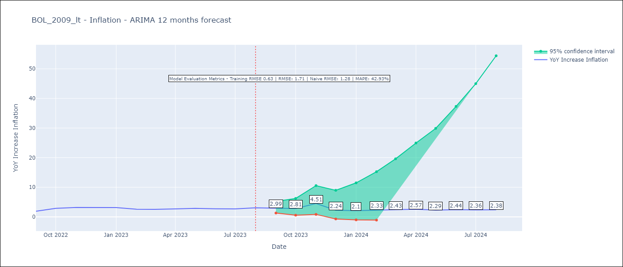

Test Metrics
RMSE | 1.71
Naive RMSE | 1.28
MAPE | 42.93%

Test Predictions
Date | Predicted | Actual
2022-09-01 | 1.76 | 1.89
2022-10-01 | 2.64 | 2.89
2022-11-01 | 8.38 | 3.17
2022-12-01 | 2.74 | 3.12
2023-01-01 | 2.66 | 3.14
2023-02-01 | 2.48 | 2.57
2023-03-01 | 2.8 | 2.53
2023-04-01 | 3.3 | 2.7
2023-05-01 | 3.35 | 2.9
2023-06-01 | 3.77 | 2.73
2023-07-01 | 4.08 | 2.7
2023-08-01 | 5.07 | 3.06

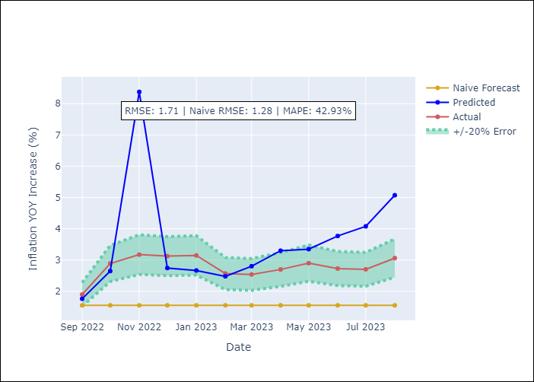

Appendix A: Model Summary
Model | ARIMA(3, 2, 0)x(3, 0, [1], 12)
Sample | 01-01-2009- 08-01-2023
No. of Observations | 176
Terms | P-value (Statistical significance)
ar.L1 | 0.000
ar.L2 | 0.000
ar.L3 | 0.000
ar.S.L12 | 0.086
ar.S.L24 | 0.010
ar.S.L36 | 0.085
ma.S.L12 | 0.489
sigma2 | 0.000
Assumptions | P-value | Interpretation
Ljung-Box (L1) | 0.29 | Residuals are independent.
Heteroskedasticity | 0.00 | Residuals have different variances.
Jarque-Bera | 0.00 | Residuals are not normally distributed.
Skew | 1.10 | Positive skew - model underestimates the mean.
Kurtosis | 21.37 | Residuals contain more extreme outliers than in a normal distribution.

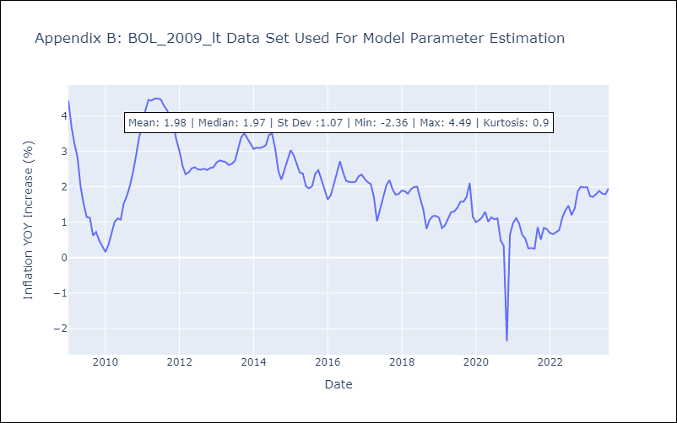

Appendix C: Residuals Analysis
Mean | 0.0
Variance | 0.35
White Noise? | No - Correlation at Lags [ 4 5 6 7 8 12]
Heteroskedastic? - ARCH | Yes
Normal? | No

