BOL_exog_lt
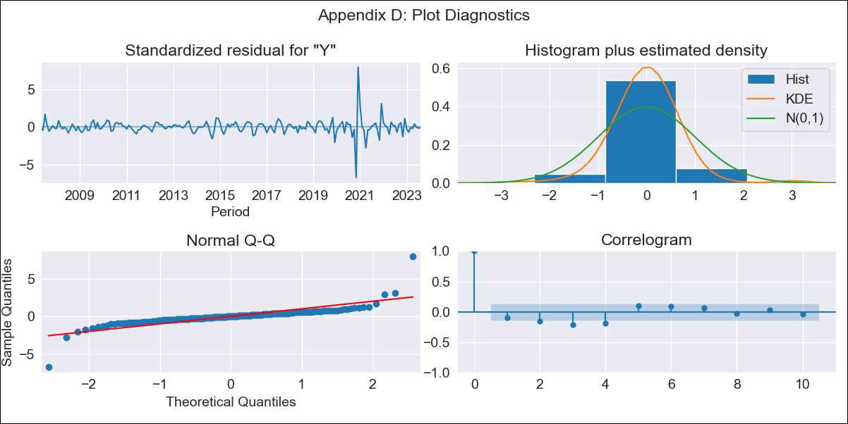

BOL_exog_lt - Inflation - Next 12 months forecast as of: 2023-08-01

Model | SARIMAX - [(3, 2, 0), (3, 0, 1, 12)] | Exogenous Variables | Exchange rates (nominal), Monetary Policiy rate, M1 money supply ($mm local currency)
Training Data | 2003-12-01 to 2022-09-01
Test Data | 2022-09-01 to 2023-08-01

Date | Inflation Change YoY % | Lower Bound - 95% Confidence Interval | Upper Bound - 95% Confidence Interval
2023-09-01 | 2.98 | 1.33 | 5.19
2023-10-01 | 2.78 | 0.62 | 6.12
2023-11-01 | 4.21 | 0.77 | 10.11
2023-12-01 | 2.27 | -0.58 | 8.96
2024-01-01 | 2.16 | -0.92 | 11.59
2024-02-01 | 2.46 | -1.04 | 15.69
2024-03-01 | 2.56 | -1.09 | 20.33
2024-04-01 | 2.67 |  | 26.01
2024-05-01 | 2.39 |  | 31.44
2024-06-01 | 2.54 |  | 39.68
2024-07-01 | 2.43 |  | 48.28
2024-08-01 | 2.41 |  | 58.89

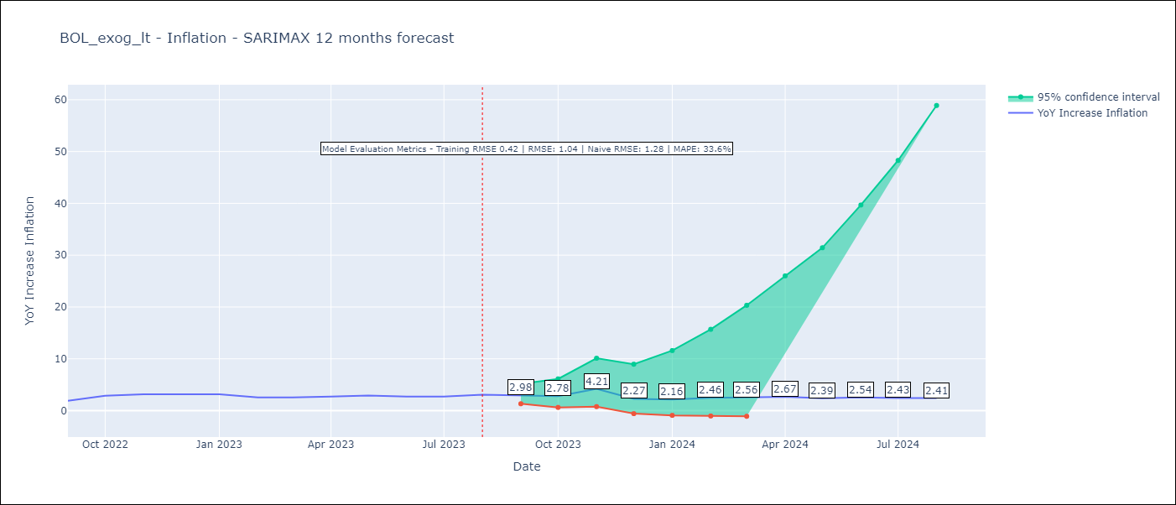

Test Metrics
RMSE | 1.04
Naive RMSE | 1.28
MAPE | 33.6%

Test Predictions
Date | Predicted | Actual
2022-09-01 | 1.81 | 1.89
2022-10-01 | 2.23 | 2.89
2022-11-01 | 5.73 | 3.17
2022-12-01 | 1.94 | 3.12
2023-01-01 | 1.91 | 3.14
2023-02-01 | 1.85 | 2.57
2023-03-01 | 1.95 | 2.53
2023-04-01 | 2.14 | 2.7
2023-05-01 | 2.08 | 2.9
2023-06-01 | 2.13 | 2.73
2023-07-01 | 2.06 | 2.7
2023-08-01 | 2.35 | 3.06

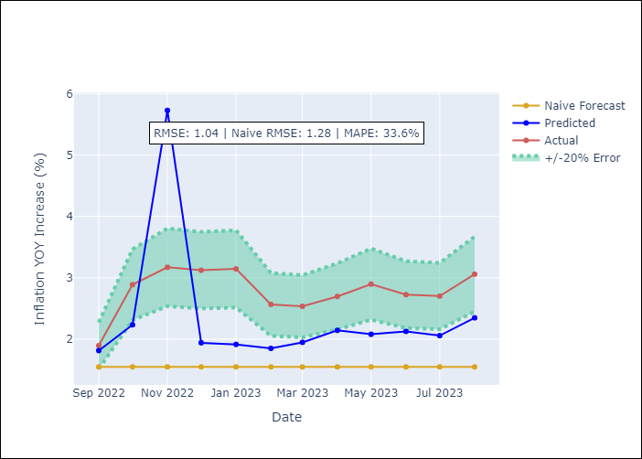

Appendix A: Model Summary
Model | SARIMAX(3, 2, 0)x(3, 0, [1], 12)
Sample | 12-01-2003- 08-01-2023
No. of Observations | 237
Terms | P-value (Statistical significance)
Exchange rates (nominal) | 0.837
Monetary Policiy rate | 0.452
M1 money supply ($mm local currency) | 0.533
ar.L1 | 0.000
ar.L2 | 0.000
ar.L3 | 0.000
ar.S.L12 | 0.031
ar.S.L24 | 0.005
ar.S.L36 | 0.069
ma.S.L12 | 0.257
sigma2 | 0.000
Assumptions | P-value | Interpretation
Ljung-Box (L1) | 0.19 | Residuals are independent.
Heteroskedasticity | 0.00 | Residuals have different variances.
Jarque-Bera | 0.00 | Residuals are not normally distributed.
Skew | 1.10 | Positive skew - model underestimates the mean.
Kurtosis | 32.24 | Residuals contain more extreme outliers than in a normal distribution.

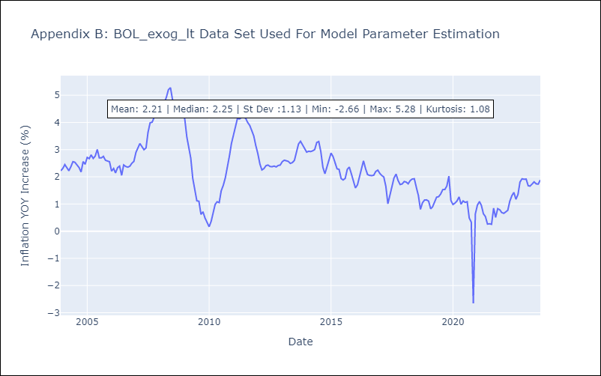

Appendix C: Residuals Analysis
Mean | -0.0
Variance | 0.18
White Noise? | No - Correlation at Lags [ 2 3 4 5 6 7 8 9 10 11 12]
Heteroskedastic? - ARCH | Yes
Normal? | No

BRA_exog_lt
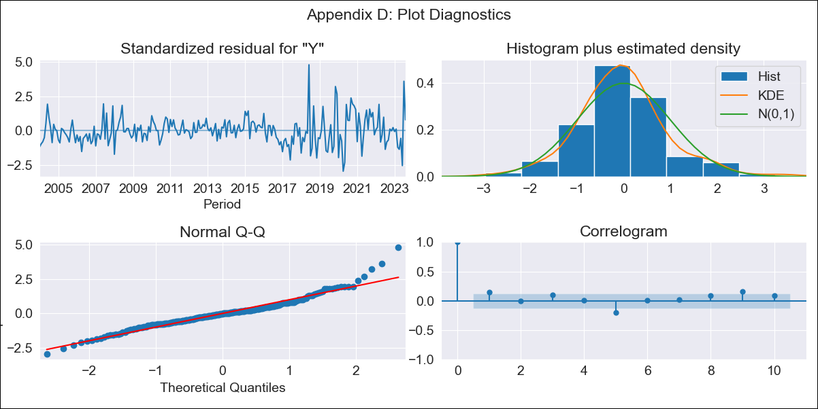

BRA_exog_lt - Inflation - Next 12 months forecast as of: 2023-08-01

Model | SARIMAX - [(2, 0, 0), (0, 0, 1, 12)] | Exogenous Variables | Exchange rates (nominal), Monetary Policiy rate, M1 money supply ($mm local currency)
Training Data | 2002-12-01 to 2022-09-01
Test Data | 2022-09-01 to 2023-08-01

Date | Inflation Change YoY % | Lower Bound - 95% Confidence Interval | Upper Bound - 95% Confidence Interval
2023-09-01 | 4.99 | 4.39 | 5.7
2023-10-01 | 5.12 | 4.13 | 6.36
2023-11-01 | 5.1 | 3.86 | 6.79
2023-12-01 | 5.02 | 3.6 | 7.08
2024-01-01 | 5.04 | 3.45 | 7.49
2024-02-01 | 5 | 3.28 | 7.77
2024-03-01 | 5.23 | 3.29 | 8.5
2024-04-01 | 5.53 | 3.36 | 9.41
2024-05-01 | 5.76 | 3.38 | 10.23
2024-06-01 | 6.55 | 3.71 | 12.3
2024-07-01 | 5.76 | 3.18 | 10.97
2024-08-01 | 5.31 | 2.85 | 10.34

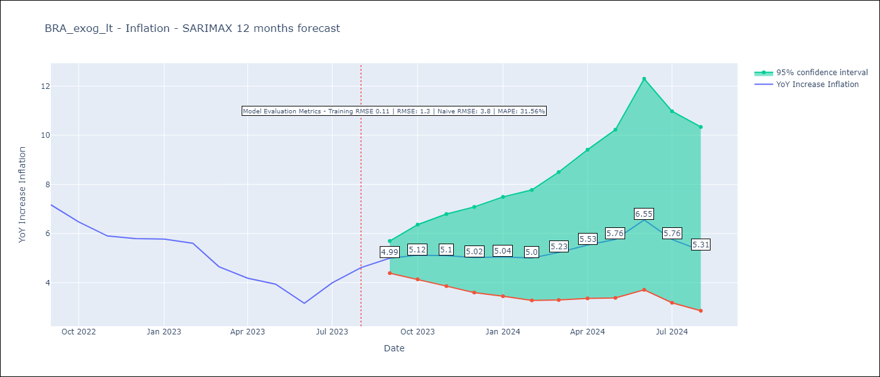

Test Metrics
RMSE | 1.3
Naive RMSE | 3.8
MAPE | 31.56%

Test Predictions
Date | Predicted | Actual
2022-09-01 | 7.63 | 7.17
2022-10-01 | 6.99 | 6.47
2022-11-01 | 6.44 | 5.9
2022-12-01 | 6.16 | 5.79
2023-01-01 | 6.13 | 5.77
2023-02-01 | 5.79 | 5.6
2023-03-01 | 5.5 | 4.65
2023-04-01 | 5.54 | 4.18
2023-05-01 | 5.74 | 3.94
2023-06-01 | 5.68 | 3.16
2023-07-01 | 6.01 | 3.99
2023-08-01 | 6.3 | 4.61

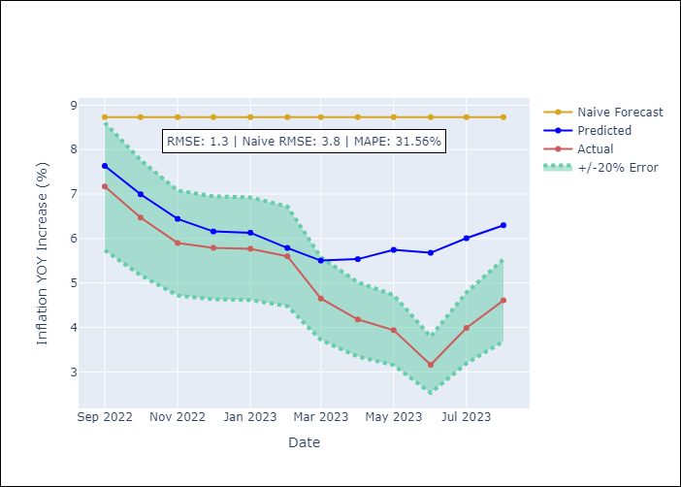

Appendix A: Model Summary
Model | SARIMAX(2, 0, 0)x(0, 0, [1], 12)
Sample | 12-01-2002- 08-01-2023
No. of Observations | 249
Terms | P-value (Statistical significance)
Exchange rates (nominal) | 0.097
Monetary Policiy rate | 0.020
M1 money supply ($mm local currency) | 0.001
ar.L1 | 0.000
ar.L2 | 0.000
ma.S.L12 | 0.000
sigma2 | 0.000
Assumptions | P-value | Interpretation
Ljung-Box (L1) | 0.02 | Residuals are not independent.
Heteroskedasticity | 0.00 | Residuals have different variances.
Jarque-Bera | 0.00 | Residuals are not normally distributed.
Skew | 0.75 | Positive skew - model underestimates the mean.
Kurtosis | 5.85 | Residuals contain more extreme outliers than in a normal distribution.

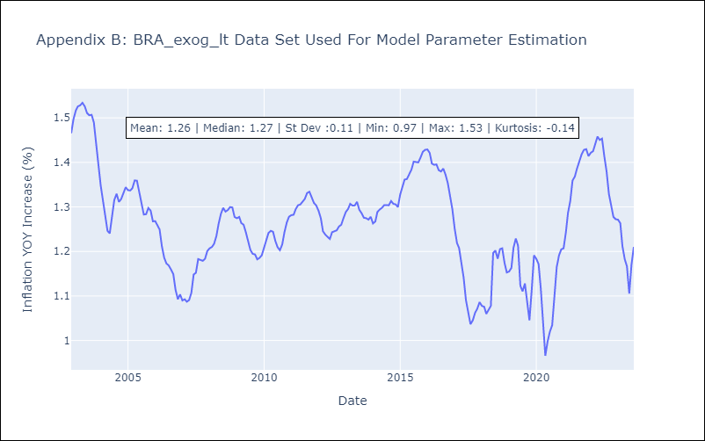

Appendix C: Residuals Analysis
Mean | 0.0
Variance | 0.01
White Noise? | No - Correlation at Lags [1 2 3 4 5 6 7 8]
Heteroskedastic? - ARCH | Yes
Normal? | No

CHL_exog_lt
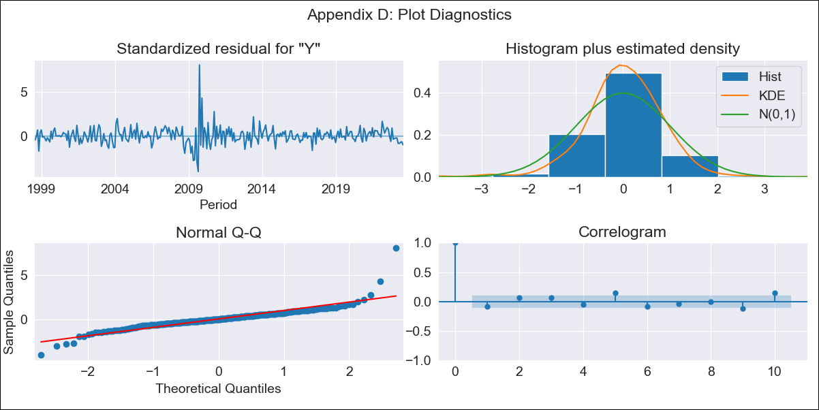

CHL_exog_lt - Inflation - Next 12 months forecast as of: 2023-08-01

Model | SARIMAX - [(2, 0, 1), (2, 0, 0, 12)] | Exogenous Variables | Exchange rates (nominal), Monetary Policiy rate, M1 money supply ($mm local currency)
Training Data | 1996-05-01 to 2022-09-01
Test Data | 2022-09-01 to 2023-08-01

Date | Inflation Change YoY % | Lower Bound - 95% Confidence Interval | Upper Bound - 95% Confidence Interval
2023-09-01 | 4.93 | 3.69 | 6.29
2023-10-01 | 4.81 | 2.91 | 7
2023-11-01 | 4.53 | 2.14 | 7.41
2023-12-01 | 4.46 | 1.66 | 7.97
2024-01-01 | 4.43 | 1.28 | 8.53
2024-02-01 | 4.4 | 0.95 | 9.02
2024-03-01 | 4.39 | 0.68 | 9.51
2024-04-01 | 4.46 | 0.49 | 10.06
2024-05-01 | 4.59 | 0.37 | 10.69
2024-06-01 | 4.71 | 0.25 | 11.27
2024-07-01 | 4.86 | 0.16 | 11.88
2024-08-01 | 5.04 | 0.1 | 12.52

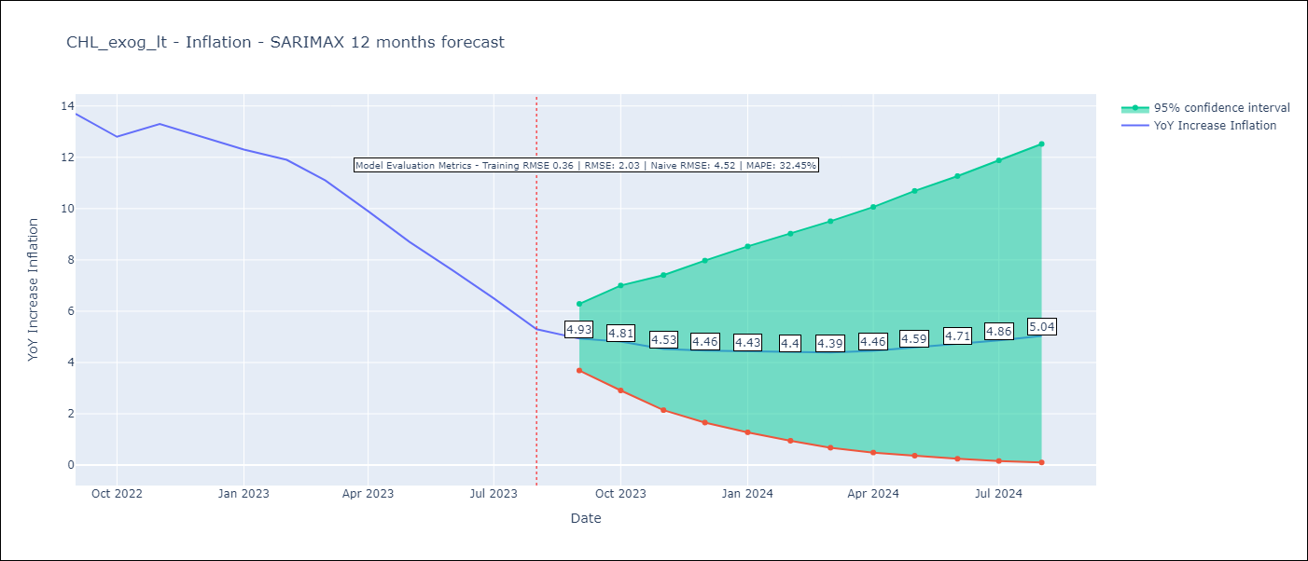

Test Metrics
RMSE | 2.03
Naive RMSE | 4.52
MAPE | 32.45%

Test Predictions
Date | Predicted | Actual
2022-09-01 | 13.75 | 13.7
2022-10-01 | 13.22 | 12.8
2022-11-01 | 12.95 | 13.3
2022-12-01 | 12.63 | 12.8
2023-01-01 | 12.44 | 12.3
2023-02-01 | 12.42 | 11.9
2023-03-01 | 11.81 | 11.1
2023-04-01 | 11.25 | 9.9
2023-05-01 | 10.91 | 8.7
2023-06-01 | 10.56 | 7.6
2023-07-01 | 10.07 | 6.5
2023-08-01 | 9.76 | 5.3

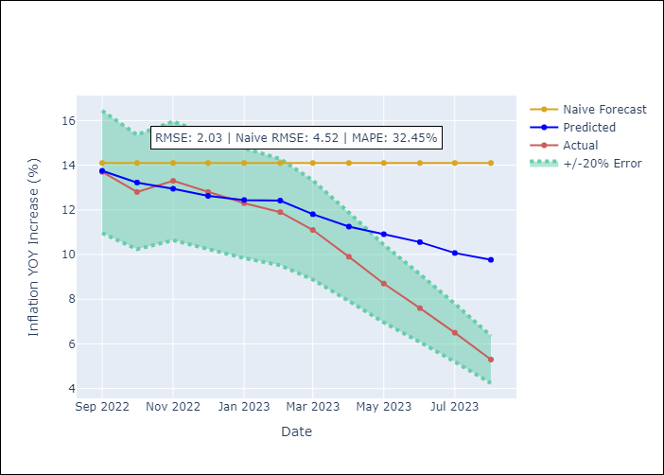

Appendix A: Model Summary
Model | SARIMAX(2, 0, 1)x(2, 0, [], 12)
Sample | 05-01-1996- 08-01-2023
No. of Observations | 328
Terms | P-value (Statistical significance)
Exchange rates (nominal) | 0.718
Monetary Policiy rate | 0.447
M1 money supply ($mm local currency) | 0.422
ar.L1 | 0.000
ar.L2 | 0.001
ma.L1 | 0.151
ar.S.L12 | 0.000
ar.S.L24 | 0.720
sigma2 | 0.000
Assumptions | P-value | Interpretation
Ljung-Box (L1) | 0.15 | Residuals are independent.
Heteroskedasticity | 0.03 | Residuals have different variances.
Jarque-Bera | 0.00 | Residuals are not normally distributed.
Skew | 1.79 | Positive skew - model underestimates the mean.
Kurtosis | 20.77 | Residuals contain more extreme outliers than in a normal distribution.

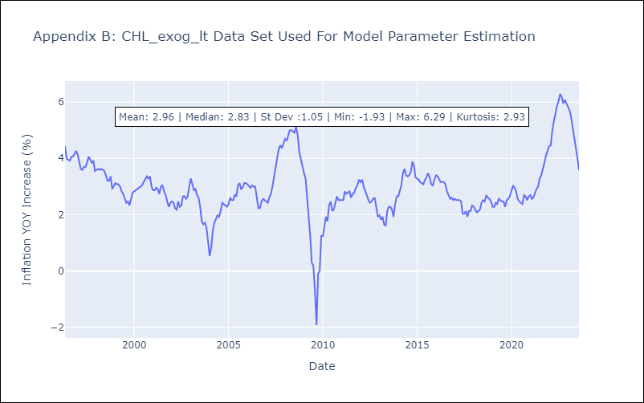

Appendix C: Residuals Analysis
Mean | 0.02
Variance | 0.15
White Noise? | No - Correlation at Lags [ 1 2 3 4 5 6 7 8 9 10 11 12]
Heteroskedastic? - ARCH | Yes
Normal? | No

COL_exog_lt
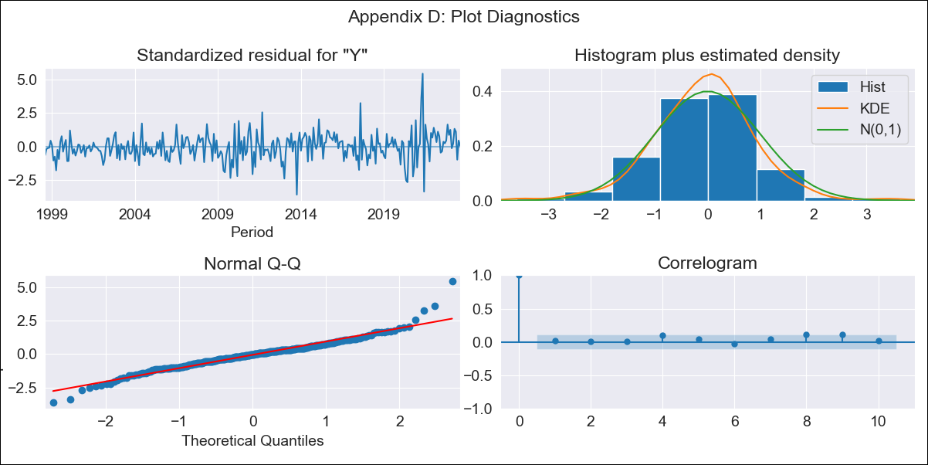

COL_exog_lt - Inflation - Next 12 months forecast as of: 2023-08-01

Model | SARIMAX - [(1, 1, 2), (0, 0, 2, 12)] | Exogenous Variables | Exchange rates (nominal), Monetary Policiy rate, M1 money supply ($mm local currency)
Training Data | 1996-04-01 to 2022-09-01
Test Data | 2022-09-01 to 2023-08-01

Date | Inflation Change YoY % | Lower Bound - 95% Confidence Interval | Upper Bound - 95% Confidence Interval
2023-09-01 | 11.02 | 9.57 | 12.77
2023-10-01 | 11.12 | 8.64 | 14.63
2023-11-01 | 11.3 | 8.06 | 16.5
2023-12-01 | 10.83 | 7.22 | 17.2
2024-01-01 | 10.31 | 6.5 | 17.63
2024-02-01 | 9.94 | 5.96 | 18.18
2024-03-01 | 9.74 | 5.57 | 19.01
2024-04-01 | 9.29 | 5.11 | 19.13
2024-05-01 | 8.67 | 4.62 | 18.61
2024-06-01 | 8.72 | 4.46 | 19.85
2024-07-01 | 8.58 | 4.24 | 20.54
2024-08-01 | 8.28 | 3.97 | 20.63

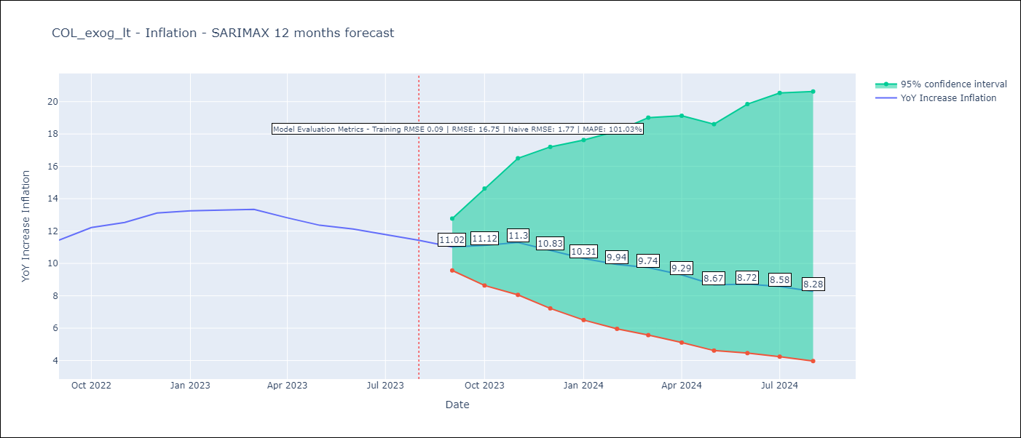

Test Metrics
RMSE | 16.75
Naive RMSE | 1.77
MAPE | 101.03%

Test Predictions
Date | Predicted | Actual
2022-09-01 | 10.95 | 11.44
2022-10-01 | 13.13 | 12.22
2022-11-01 | 15.88 | 12.53
2022-12-01 | 16.85 | 13.12
2023-01-01 | 17.99 | 13.25
2023-02-01 | 21.27 | 13.28
2023-03-01 | 25.09 | 13.34
2023-04-01 | 25.75 | 12.82
2023-05-01 | 25.85 | 12.36
2023-06-01 | 33.82 | 12.13
2023-07-01 | 41 | 11.78
2023-08-01 | 49.43 | 11.43

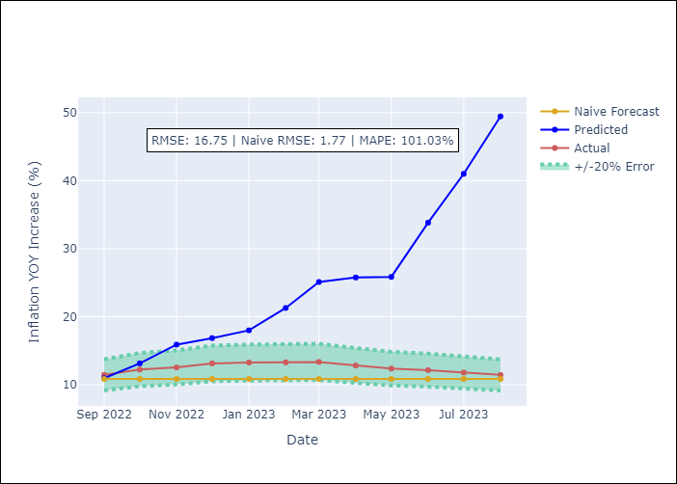

Appendix A: Model Summary
Model | SARIMAX(1, 1, 2)x(0, 0, 2, 12)
Sample | 04-01-1996- 08-01-2023
No. of Observations | 329
Terms | P-value (Statistical significance)
Exchange rates (nominal) | 0.985
Monetary Policiy rate | 0.002
M1 money supply ($mm local currency) | 0.113
ar.L1 | 0.020
ma.L1 | 0.664
ma.L2 | 0.227
ma.S.L12 | 0.000
ma.S.L24 | 0.020
sigma2 | 0.000
Assumptions | P-value | Interpretation
Ljung-Box (L1) | 0.71 | Residuals are independent.
Heteroskedasticity | 0.00 | Residuals have different variances.
Jarque-Bera | 0.00 | Residuals are not normally distributed.
Skew | 0.43 | Positive skew - model underestimates the mean.
Kurtosis | 6.88 | Residuals contain more extreme outliers than in a normal distribution.

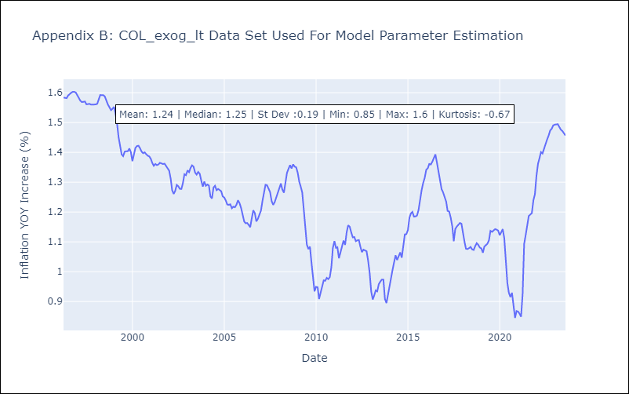

Appendix C: Residuals Analysis
Mean | 0.0
Variance | 0.01
White Noise? | No - Correlation at Lags [ 1 2 3 4 5 6 7 8 9 10 11 12]
Heteroskedastic? - ARCH | Yes
Normal? | No

CRI_exog_lt
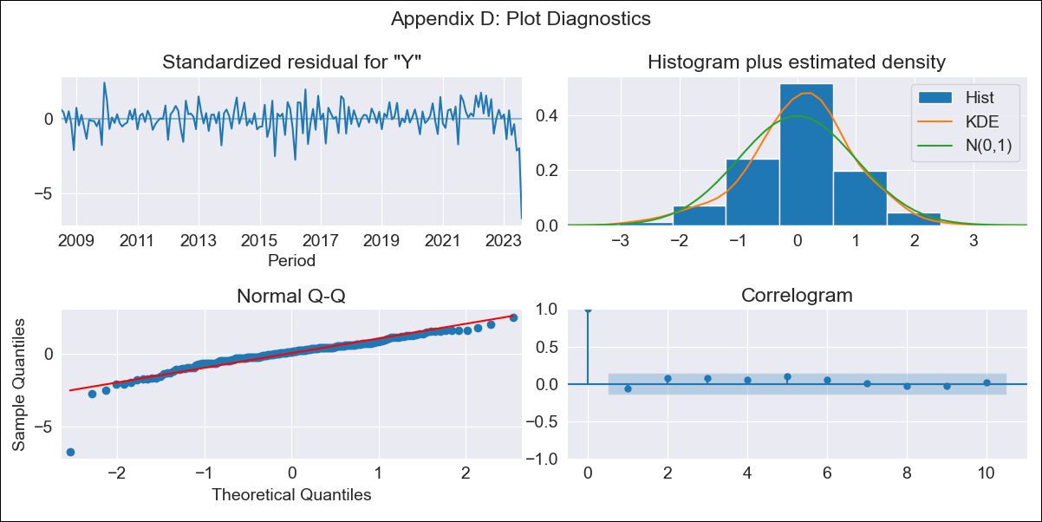

CRI_exog_lt - Inflation - Next 12 months forecast as of: 2023-08-01

Model | SARIMAX - [(3, 0, 3), (0, 0, 1, 12)] | Exogenous Variables | Exchange rates (nominal), Monetary Policiy rate, M1 money supply ($mm local currency)
Training Data | 2007-03-01 to 2022-09-01
Test Data | 2022-09-01 to 2023-08-01

Date | Inflation Change YoY % | Lower Bound - 95% Confidence Interval | Upper Bound - 95% Confidence Interval
2023-09-01
2023-10-01
2023-11-01
2023-12-01
2024-01-01
2024-02-01 |  |  | -3.27
2024-03-01 |  |  | -3.23
2024-04-01 |  |  | -3.12
2024-05-01 |  |  | -2.94
2024-06-01 |  |  | -2.5
2024-07-01 |  |  | -1.71
2024-08-01 | -2.92 |  | 0.89

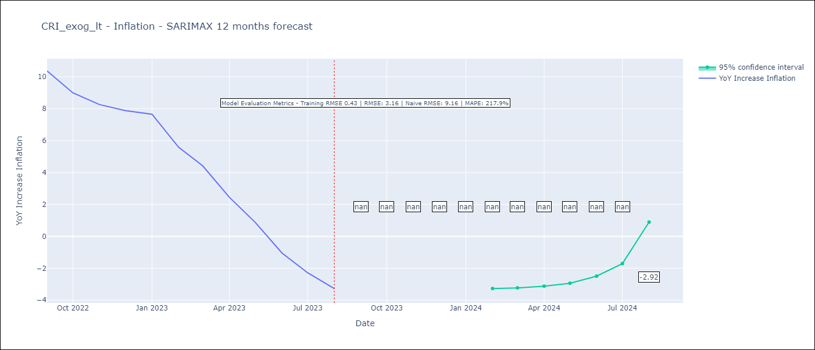

Test Metrics
RMSE | 3.16
Naive RMSE | 9.16
MAPE | 217.9%

Test Predictions
Date | Predicted | Actual
2022-09-01 | 11.19 | 10.37
2022-10-01 | 10.32 | 8.99
2022-11-01 | 9.65 | 8.26
2022-12-01 | 9.07 | 7.88
2023-01-01 | 8.78 | 7.65
2023-02-01 | 7.64 | 5.58
2023-03-01 | 6.7 | 4.42
2023-04-01 | 5.47 | 2.44
2023-05-01 | 4.27 | 0.88
2023-06-01 | 3.35 | -1.04
2023-07-01 | 3.16 | -2.29
2023-08-01 | 2.54 | -3.28

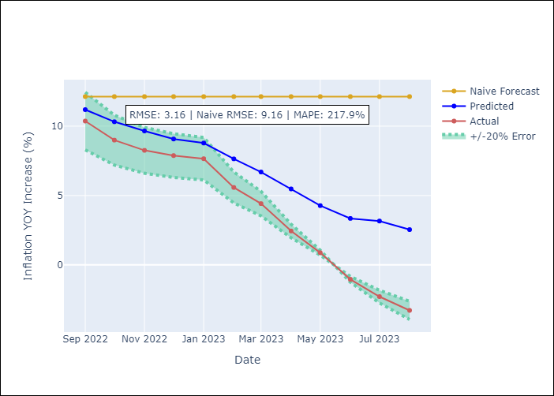

Appendix A: Model Summary
Model | SARIMAX(3, 0, 3)x(0, 0, [1], 12)
Sample | 03-01-2007- 08-01-2023
No. of Observations | 198
Terms | P-value (Statistical significance)
Exchange rates (nominal) | 0.064
Monetary Policiy rate | 0.298
M1 money supply ($mm local currency) | 0.269
ar.L1 | 0.010
ar.L2 | 0.425
ar.L3 | 0.599
ma.L1 | 0.978
ma.L2 | 0.249
ma.L3 | 0.120
ma.S.L12 | 0.000
sigma2 | 0.000
Assumptions | P-value | Interpretation
Ljung-Box (L1) | 0.43 | Residuals are independent.
Heteroskedasticity | 0.00 | Residuals have different variances.
Jarque-Bera | 0.00 | Residuals are not normally distributed.
Skew | -1.85 | Negative skew - Model overestimates the mean.
Kurtosis | 13.28 | Residuals contain more extreme outliers than in a normal distribution.

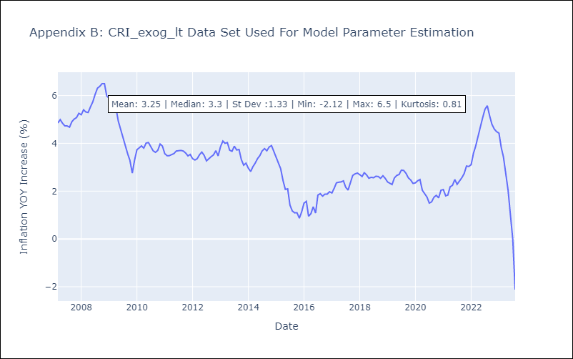

Appendix C: Residuals Analysis
Mean | 0.03
Variance | 0.21
White Noise? | No - Correlation at Lags [ 1 2 3 4 5 6 7 8 9 10 11 12]
Heteroskedastic? - ARCH | No
Normal? | No

DOM_exog_lt
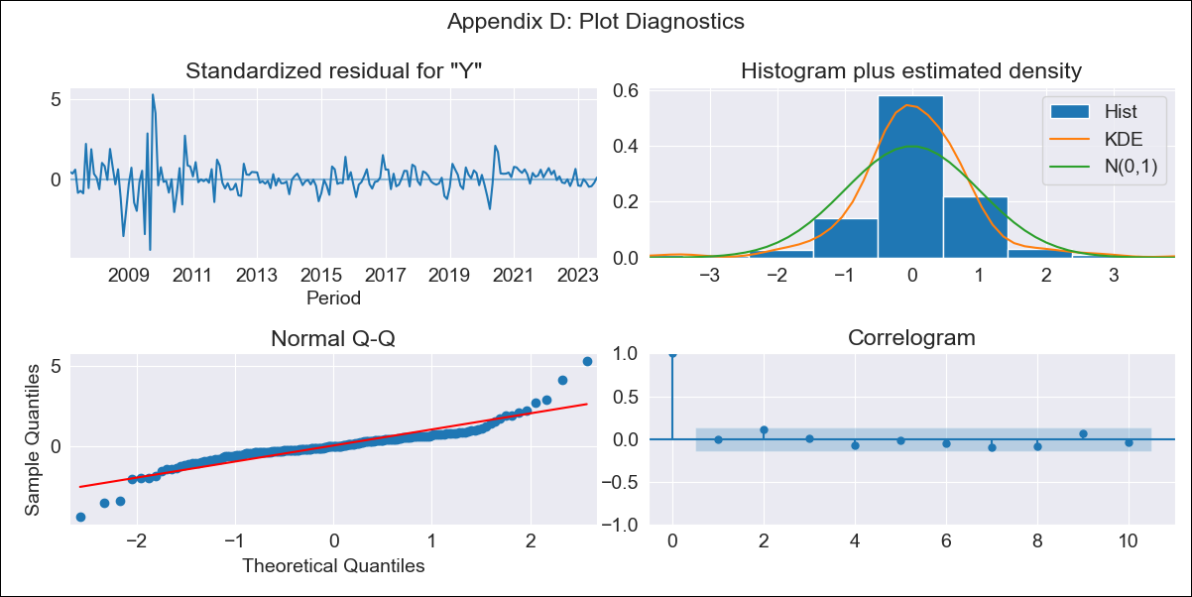

DOM_exog_lt - Inflation - Next 12 months forecast as of: 2023-08-01

Model | SARIMAX - [(2, 0, 0), (2, 0, 1, 12)] | Exogenous Variables | Exchange rates (nominal), Monetary Policiy rate, M1 money supply ($mm local currency)
Training Data | 2005-01-01 to 2022-09-01
Test Data | 2022-09-01 to 2023-08-01

Date | Inflation Change YoY % | Lower Bound - 95% Confidence Interval | Upper Bound - 95% Confidence Interval
2023-09-01 | 4.3 | 2.68 | 6.15
2023-10-01 | 4.4 | 2 | 7.34
2023-11-01 | 4.54 | 1.56 | 8.36
2023-12-01 | 4.36 | 1.01 | 8.87
2024-01-01 | 4.47 | 0.76 | 9.68
2024-02-01 | 4.68 | 0.6 | 10.55
2024-03-01 | 4.73 | 0.38 | 11.18
2024-04-01 | 4.88 | 0.24 | 11.91
2024-05-01 | 5.08 | 0.15 | 12.7
2024-06-01 | 5.19 | 0.03 | 13.34
2024-07-01 | 5.14 | -0.17 | 13.73
2024-08-01 | 5.02 | -0.37 | 14

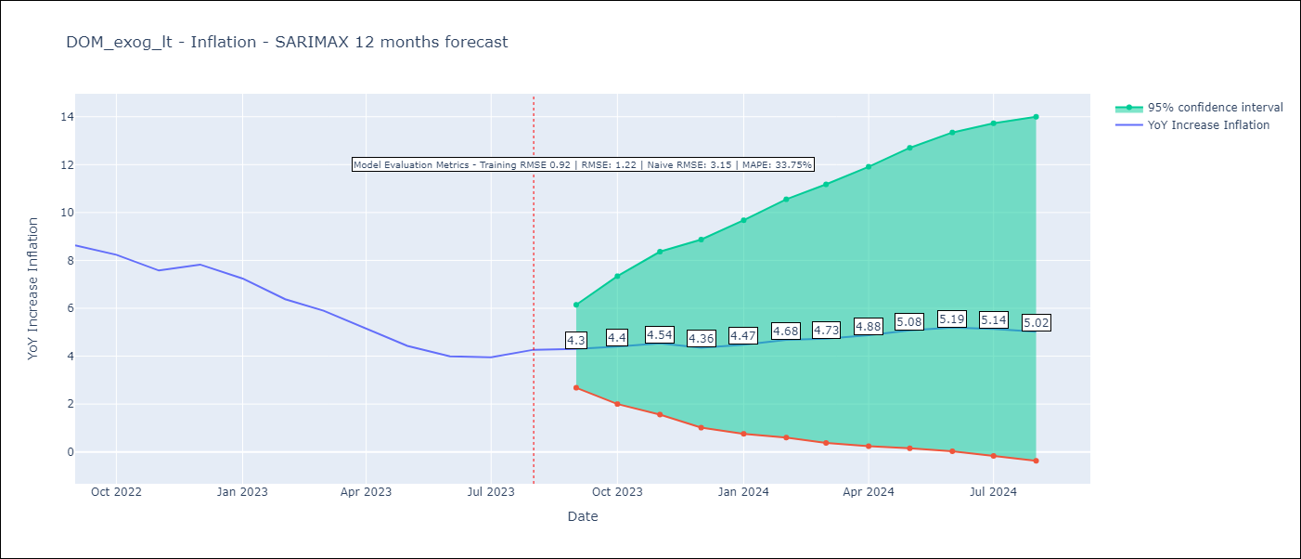

Test Metrics
RMSE | 1.22
Naive RMSE | 3.15
MAPE | 33.75%

Test Predictions
Date | Predicted | Actual
2022-09-01 | 8.41 | 8.63
2022-10-01 | 8.22 | 8.24
2022-11-01 | 7.78 | 7.58
2022-12-01 | 7.5 | 7.83
2023-01-01 | 7.2 | 7.24
2023-02-01 | 6.88 | 6.38
2023-03-01 | 6.59 | 5.9
2023-04-01 | 6.1 | 5.15
2023-05-01 | 5.95 | 4.43
2023-06-01 | 6.01 | 4
2023-07-01 | 6.22 | 3.95
2023-08-01 | 6.42 | 4.27

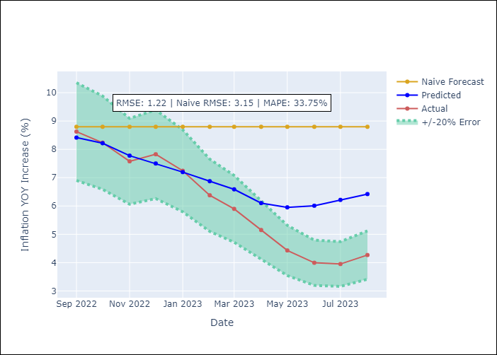

Appendix A: Model Summary
Model | SARIMAX(2, 0, 0)x(2, 0, [1], 12)
Sample | 01-01-2005- 08-01-2023
No. of Observations | 224
Terms | P-value (Statistical significance)
Exchange rates (nominal) | 0.216
Monetary Policiy rate | 0.532
M1 money supply ($mm local currency) | 0.612
ar.L1 | 0.000
ar.L2 | 0.000
ar.S.L12 | 0.018
ar.S.L24 | 0.032
ma.S.L12 | 0.536
sigma2 | 0.000
Assumptions | P-value | Interpretation
Ljung-Box (L1) | 0.92 | Residuals are independent.
Heteroskedasticity | 0.00 | Residuals have different variances.
Jarque-Bera | 0.00 | Residuals are not normally distributed.
Skew | 0.38 | Positive skew - model underestimates the mean.
Kurtosis | 10.24 | Residuals contain more extreme outliers than in a normal distribution.

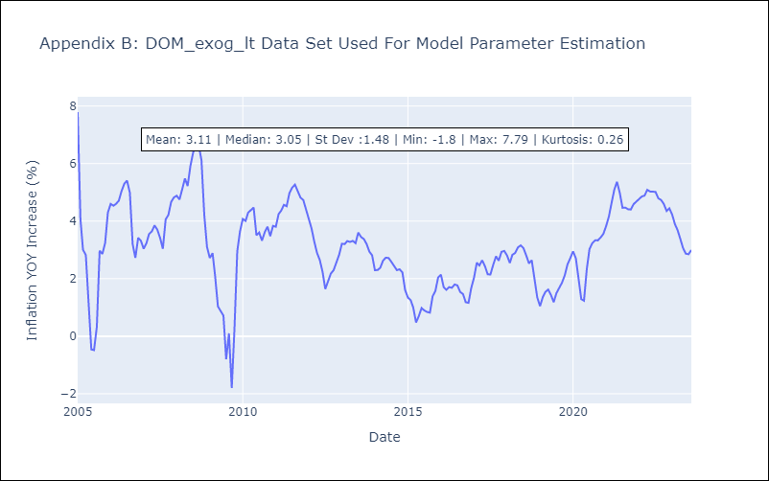

Appendix C: Residuals Analysis
Mean | 0.04
Variance | 0.83
White Noise? | No - Correlation at Lags [ 1 2 3 4 5 6 7 8 9 10 11 12]
Heteroskedastic? - ARCH | Yes
Normal? | No

ECU_exog_lt
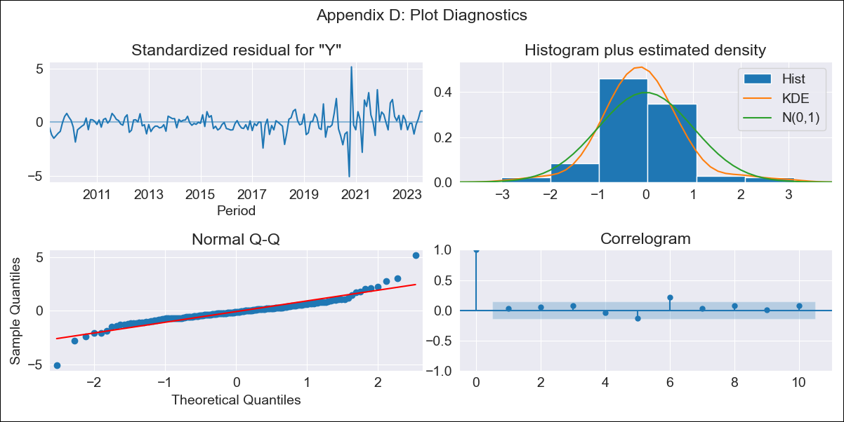

ECU_exog_lt - Inflation - Next 12 months forecast as of: 2023-08-01

Model | SARIMAX - [(0, 1, 0), (0, 0, 1, 12)] | Exogenous Variables | Exchange rates (nominal), M1 money supply ($mm local currency)
Training Data | 2008-01-01 to 2022-09-01
Test Data | 2022-09-01 to 2023-08-01

Date | Inflation Change YoY % | Lower Bound - 95% Confidence Interval | Upper Bound - 95% Confidence Interval
2023-09-01 | 2.42 | 1.49 | 3.46
2023-10-01 | 2.57 | 1.27 | 4.09
2023-11-01 | 2.43 | 0.9 | 4.3
2023-12-01 | 2.39 | 0.65 | 4.56
2024-01-01 | 2.54 | 0.59 | 5.04
2024-02-01 | 2.56 | 0.46 | 5.33
2024-03-01 | 2.58 | 0.33 | 5.61
2024-04-01 | 2.83 | 0.37 | 6.17
2024-05-01 | 2.88 | 0.29 | 6.46
2024-06-01 | 2.81 | 0.13 | 6.59
2024-07-01 | 2.58 | -0.12 | 6.49
2024-08-01 | 2.35 | -0.34 | 6.38

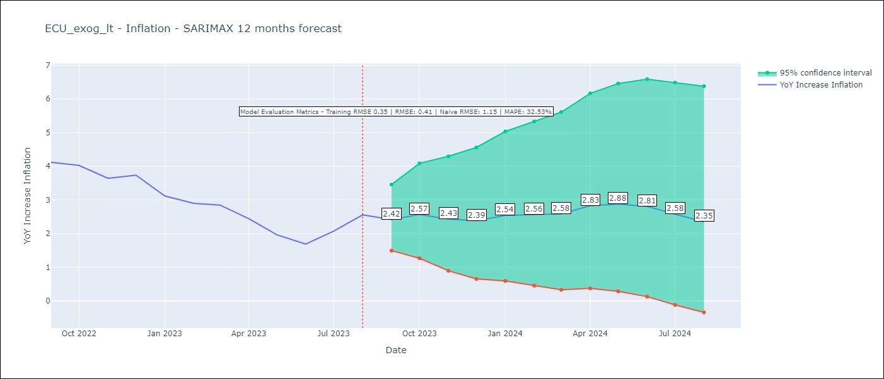

Test Metrics
RMSE | 0.41
Naive RMSE | 1.15
MAPE | 32.53%

Test Predictions
Date | Predicted | Actual
2022-09-01 | 3.79 | 4.12
2022-10-01 | 4.28 | 4.02
2022-11-01 | 3.27 | 3.64
2022-12-01 | 3.25 | 3.74
2023-01-01 | 3 | 3.12
2023-02-01 | 2.8 | 2.9
2023-03-01 | 2.79 | 2.85
2023-04-01 | 3.04 | 2.44
2023-05-01 | 2.51 | 1.97
2023-06-01 | 1.95 | 1.69
2023-07-01 | 1.78 | 2.07
2023-08-01 | 1.75 | 2.56

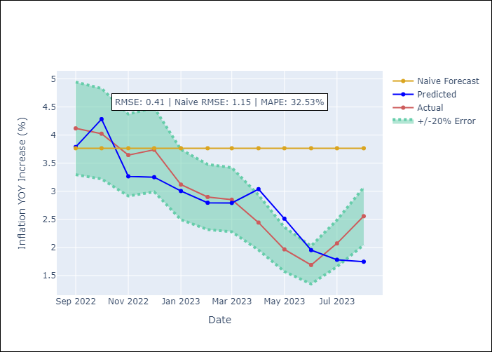

Appendix A: Model Summary
Model | SARIMAX(0, 1, 0)x(0, 0, [1], 12)
Sample | 01-01-2008- 08-01-2023
No. of Observations | 188
Terms | P-value (Statistical significance)
Exchange rates (nominal) | nan
M1 money supply ($mm local currency) | 0.898
ma.S.L12 | 0.000
sigma2 | 0.000
Assumptions | P-value | Interpretation
Ljung-Box (L1) | 0.67 | Residuals are independent.
Heteroskedasticity | 0.00 | Residuals have different variances.
Jarque-Bera | 0.00 | Residuals are not normally distributed.
Skew | 0.34 | Positive skew - model underestimates the mean.
Kurtosis | 10.56 | Residuals contain more extreme outliers than in a normal distribution.

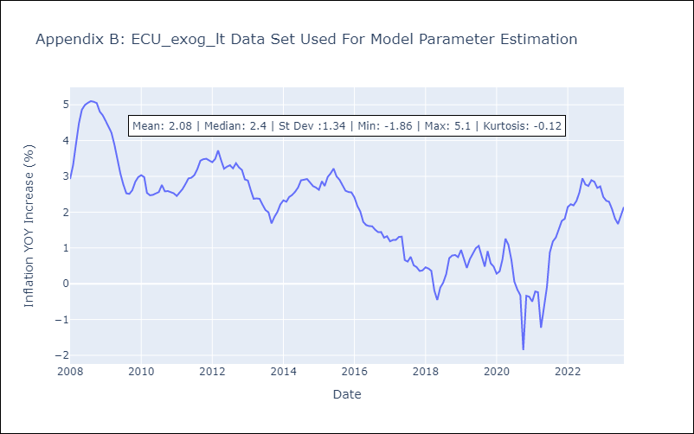

Appendix C: Residuals Analysis
Mean | 0.0
Variance | 0.12
White Noise? | No - Correlation at Lags [2 3 4 6 7]
Heteroskedastic? - ARCH | Yes
Normal? | No

GTM_exog_lt
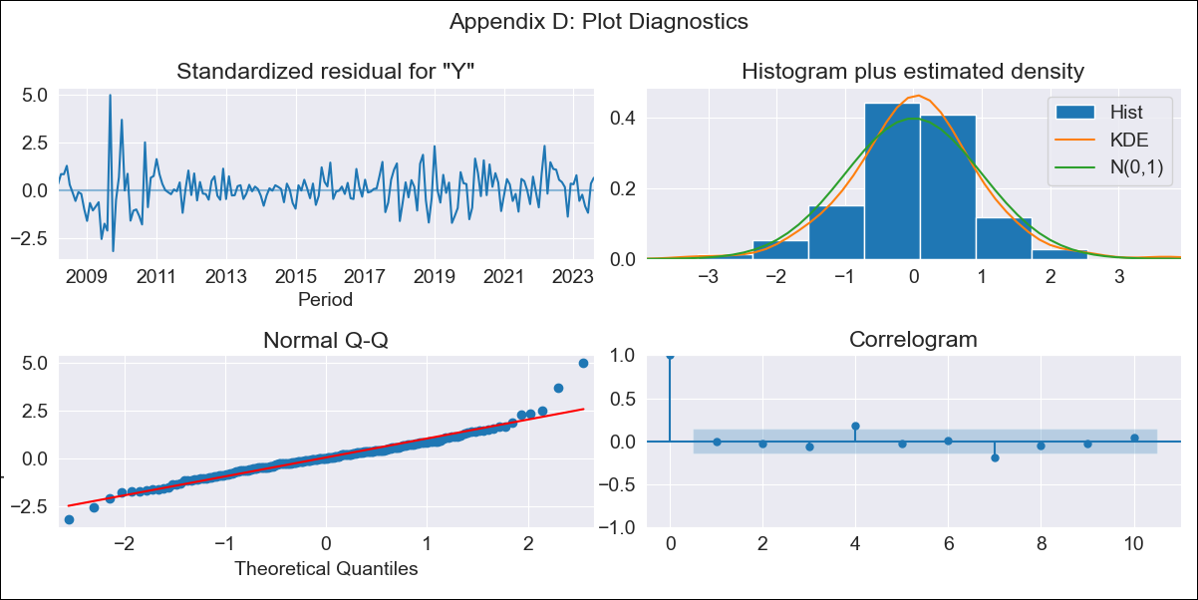

GTM_exog_lt - Inflation - Next 12 months forecast as of: 2023-08-01

Model | SARIMAX - [(2, 0, 1), (2, 0, 0, 12)] | Exogenous Variables | Exchange rates (nominal), Monetary Policiy rate, M1 money supply ($mm local currency)
Training Data | 2006-01-01 to 2022-09-01
Test Data | 2022-09-01 to 2023-08-01

Date | Inflation Change YoY % | Lower Bound - 95% Confidence Interval | Upper Bound - 95% Confidence Interval
2023-09-01 | 4.29 | 3.19 | 5.49
2023-10-01 | 4.09 | 2.49 | 5.93
2023-11-01 | 4.23 | 2.19 | 6.66
2023-12-01 | 4.03 | 1.69 | 6.93
2024-01-01 | 3.76 | 1.21 | 7.05
2024-02-01 | 3.51 | 0.81 | 7.16
2024-03-01 | 3.6 | 0.67 | 7.65
2024-04-01 | 3.56 | 0.48 | 7.96
2024-05-01 | 4.08 | 0.64 | 8.98
2024-06-01 | 4.47 | 0.72 | 9.81
2024-07-01 | 4.44 | 0.56 | 10.08
2024-08-01 | 4.23 | 0.32 | 10.11

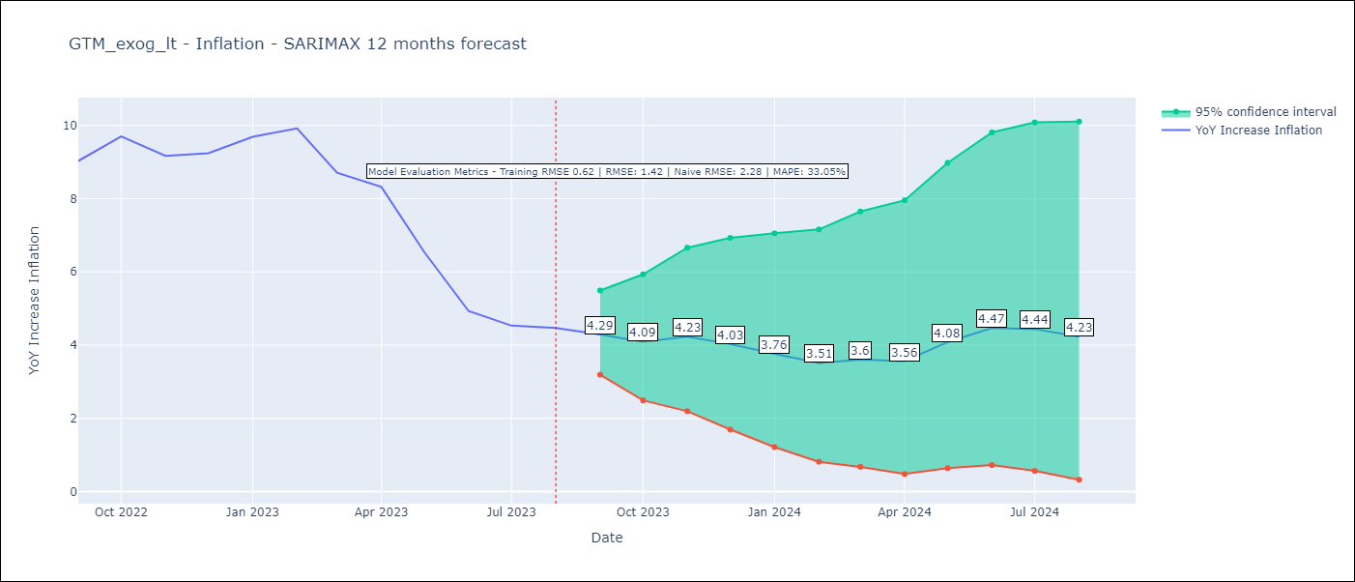

Test Metrics
RMSE | 1.42
Naive RMSE | 2.28
MAPE | 33.05%

Test Predictions
Date | Predicted | Actual
2022-09-01 | 8.71 | 9.03
2022-10-01 | 9.5 | 9.7
2022-11-01 | 9.83 | 9.17
2022-12-01 | 10.02 | 9.24
2023-01-01 | 10.28 | 9.69
2023-02-01 | 9.89 | 9.92
2023-03-01 | 9.08 | 8.71
2023-04-01 | 9.07 | 8.32
2023-05-01 | 8.21 | 6.54
2023-06-01 | 7.52 | 4.93
2023-07-01 | 7.09 | 4.53
2023-08-01 | 6.91 | 4.47

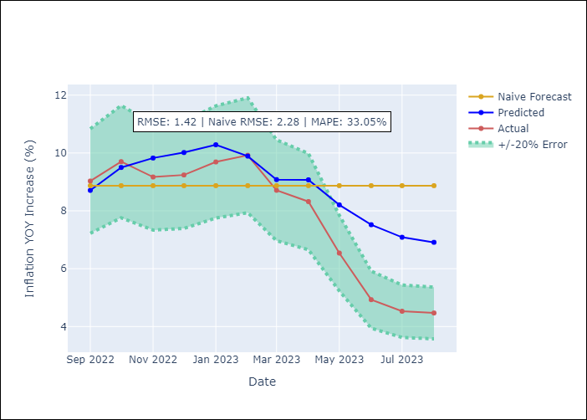

Appendix A: Model Summary
Model | SARIMAX(2, 0, 1)x(2, 0, [], 12)
Sample | 01-01-2006- 08-01-2023
No. of Observations | 212
Terms | P-value (Statistical significance)
Exchange rates (nominal) | 0.187
Monetary Policiy rate | 0.296
M1 money supply ($mm local currency) | 0.569
ar.L1 | 0.000
ar.L2 | 0.001
ma.L1 | 0.035
ar.S.L12 | 0.000
ar.S.L24 | 0.000
sigma2 | 0.000
Assumptions | P-value | Interpretation
Ljung-Box (L1) | 0.90 | Residuals are independent.
Heteroskedasticity | 0.03 | Residuals have different variances.
Jarque-Bera | 0.00 | Residuals are not normally distributed.
Skew | 0.69 | Positive skew - model underestimates the mean.
Kurtosis | 6.75 | Residuals contain more extreme outliers than in a normal distribution.

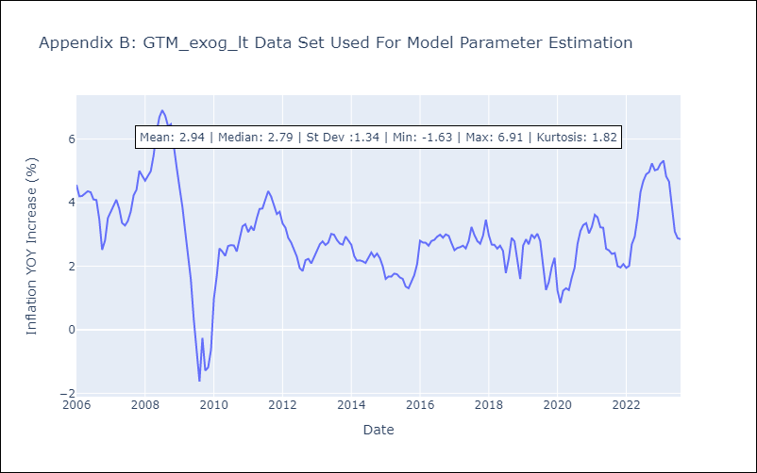

Appendix C: Residuals Analysis
Mean | 0.04
Variance | 0.29
White Noise? | No - Correlation at Lags [ 1 2 3 4 5 6 7 8 9 10 11 12]
Heteroskedastic? - ARCH | Yes
Normal? | No

HND_exog_lt
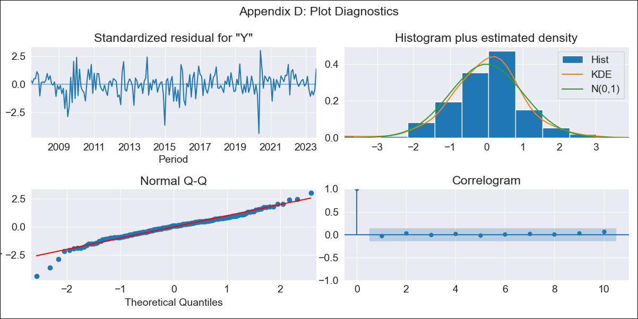

HND_exog_lt - Inflation - Next 12 months forecast as of: 2023-08-01

Model | SARIMAX - [(1, 1, 0), (0, 0, 1, 12)] | Exogenous Variables | Exchange rates (nominal), Monetary Policiy rate, M1 money supply ($mm local currency)
Training Data | 2006-04-01 to 2022-09-01
Test Data | 2022-09-01 to 2023-08-01

Date | Inflation Change YoY % | Lower Bound - 95% Confidence Interval | Upper Bound - 95% Confidence Interval
2023-09-01 | 5.86 | 4.96 | 7
2023-10-01 | 5.85 | 4.46 | 7.88
2023-11-01 | 5.71 | 4.03 | 8.46
2023-12-01 | 5.67 | 3.75 | 9.15
2024-01-01 | 5.67 | 3.54 | 9.87
2024-02-01 | 5.5 | 3.28 | 10.18
2024-03-01 | 5.57 | 3.17 | 11.07
2024-04-01 | 5.84 | 3.17 | 12.6
2024-05-01 | 6.05 | 3.15 | 14.16
2024-06-01 | 6.37 | 3.17 | 16.33
2024-07-01 | 6.6 | 3.16 | 18.5
2024-08-01 | 6.28 | 2.93 | 18.19

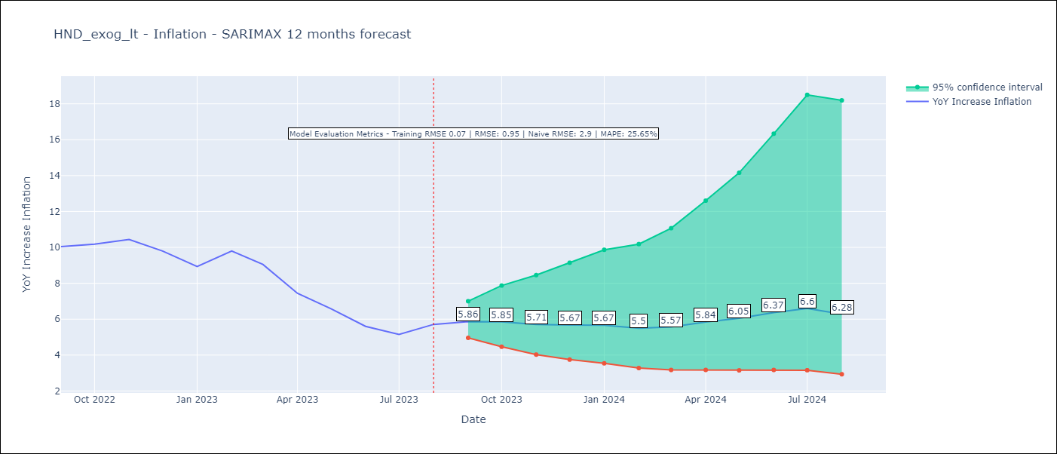

Test Metrics
RMSE | 0.95
Naive RMSE | 2.9
MAPE | 25.65%

Test Predictions
Date | Predicted | Actual
2022-09-01 | 10.01 | 10.04
2022-10-01 | 9.82 | 10.18
2022-11-01 | 9.43 | 10.44
2022-12-01 | 8.86 | 9.8
2023-01-01 | 8.12 | 8.93
2023-02-01 | 8.22 | 9.8
2023-03-01 | 7.88 | 9.05
2023-04-01 | 7.32 | 7.44
2023-05-01 | 7.03 | 6.58
2023-06-01 | 6.68 | 5.6
2023-07-01 | 6.58 | 5.15
2023-08-01 | 6.61 | 5.71

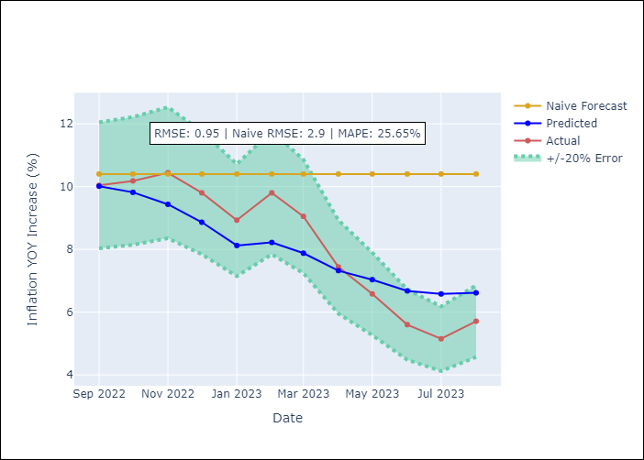

Appendix A: Model Summary
Model | SARIMAX(1, 1, 0)x(0, 0, [1], 12)
Sample | 04-01-2006- 08-01-2023
No. of Observations | 209
Terms | P-value (Statistical significance)
Exchange rates (nominal) | 0.657
Monetary Policiy rate | 0.981
M1 money supply ($mm local currency) | 0.463
ar.L1 | 0.000
ma.S.L12 | 0.000
sigma2 | 0.000
Assumptions | P-value | Interpretation
Ljung-Box (L1) | 0.72 | Residuals are independent.
Heteroskedasticity | 0.74 | Residuals have the same variance.
Jarque-Bera | 0.00 | Residuals are not normally distributed.
Skew | -0.55 | Negative skew - Model overestimates the mean.
Kurtosis | 5.32 | Residuals contain more extreme outliers than in a normal distribution.

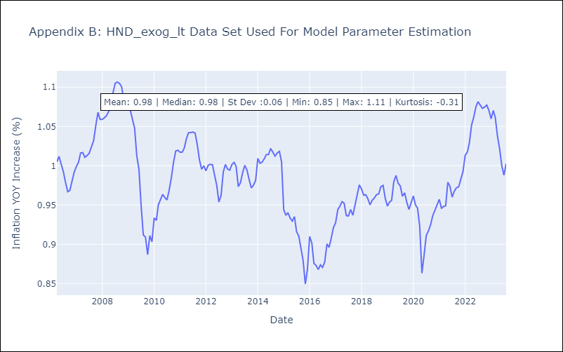

Appendix C: Residuals Analysis
Mean | 0.0
Variance | 0.01
White Noise? | No - Correlation at Lags [1]
Heteroskedastic? - ARCH | No
Normal? | No

NIC_exog_lt
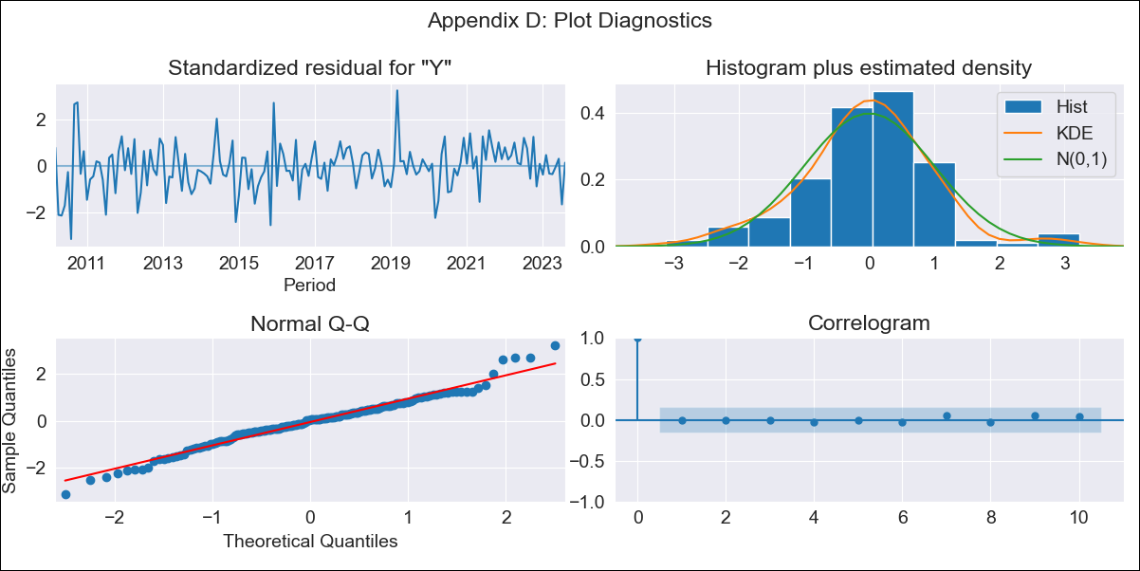

NIC_exog_lt - Inflation - Next 12 months forecast as of: 2023-08-01

Model | SARIMAX - [(0, 2, 2), (2, 0, 0, 12)] | Exogenous Variables | Exchange rates (nominal), Monetary Policiy rate, M1 money supply ($mm local currency)
Training Data | 2008-01-01 to 2022-09-01
Test Data | 2022-09-01 to 2023-08-01

Date | Inflation Change YoY % | Lower Bound - 95% Confidence Interval | Upper Bound - 95% Confidence Interval
2023-09-01 | 7.44 | 6.18 | 8.85
2023-10-01 | 7.12 | 5.15 | 9.46
2023-11-01 | 7.19 | 4.72 | 10.27
2023-12-01 | 6.97 | 4.17 | 10.62
2024-01-01 | 7.03 | 3.9 | 11.26
2024-02-01 | 6.96 | 3.58 | 11.69
2024-03-01 | 6.92 | 3.31 | 12.13
2024-04-01 | 6.96 | 3.11 | 12.64
2024-05-01 | 6.84 | 2.84 | 12.92
2024-06-01 | 6.84 | 2.67 | 13.36
2024-07-01 | 7.21 | 2.71 | 14.33
2024-08-01 | 7.38 | 2.65 | 15.02

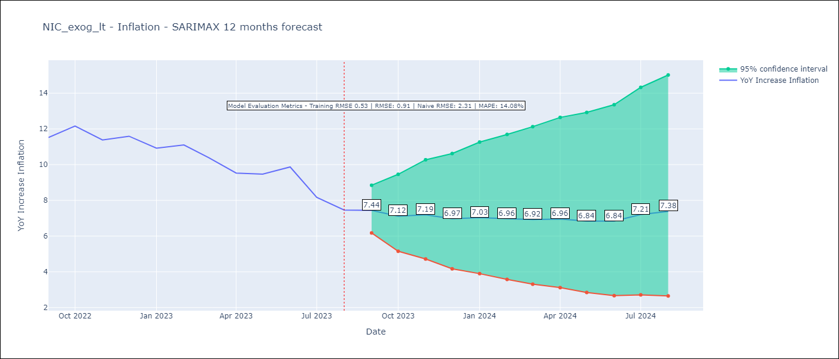

Test Metrics
RMSE | 0.91
Naive RMSE | 2.31
MAPE | 14.08%

Test Predictions
Date | Predicted | Actual
2022-09-01 | 12.07 | 11.52
2022-10-01 | 11.84 | 12.16
2022-11-01 | 11.62 | 11.38
2022-12-01 | 11.51 | 11.59
2023-01-01 | 11.21 | 10.92
2023-02-01 | 11.04 | 11.1
2023-03-01 | 10.49 | 10.39
2023-04-01 | 10.08 | 9.53
2023-05-01 | 10.16 | 9.47
2023-06-01 | 10.37 | 9.87
2023-07-01 | 10.01 | 8.17
2023-08-01 | 9.68 | 7.46

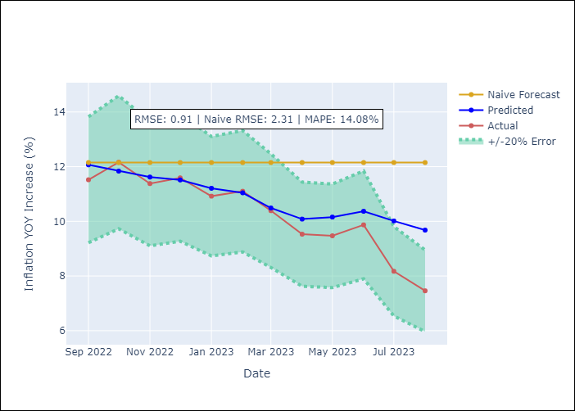

Appendix A: Model Summary
Model | SARIMAX(0, 2, 2)x(2, 0, [], 12)
Sample | 01-01-2008- 08-01-2023
No. of Observations | 188
Terms | P-value (Statistical significance)
Exchange rates (nominal) | 0.167
Monetary Policiy rate | 0.366
M1 money supply ($mm local currency) | 0.110
ma.L1 | 0.994
ma.L2 | 0.991
ar.S.L12 | 0.000
ar.S.L24 | 0.000
sigma2 | 0.991
Assumptions | P-value | Interpretation
Ljung-Box (L1) | 0.93 | Residuals are independent.
Heteroskedasticity | 0.07 | Residuals have the same variance.
Jarque-Bera | 0.02 | Residuals are not normally distributed.
Skew | -0.00
Kurtosis | 4.08 | Residuals contain more extreme outliers than in a normal distribution.

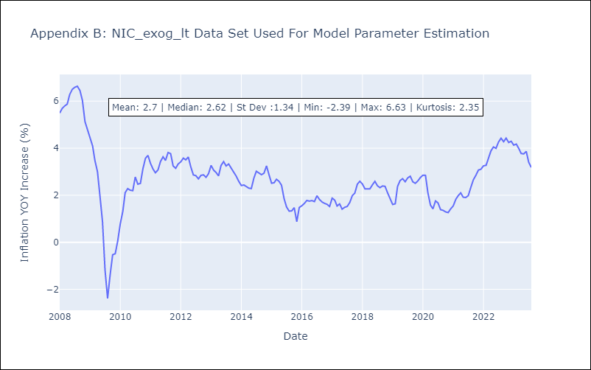

Appendix C: Residuals Analysis
Mean | -0.0
Variance | 0.26
White Noise? | No - Correlation at Lags [ 1 2 3 4 5 6 7 8 9 10 11 12]
Heteroskedastic? - ARCH | Yes
Normal? | No

PAN_exog_lt
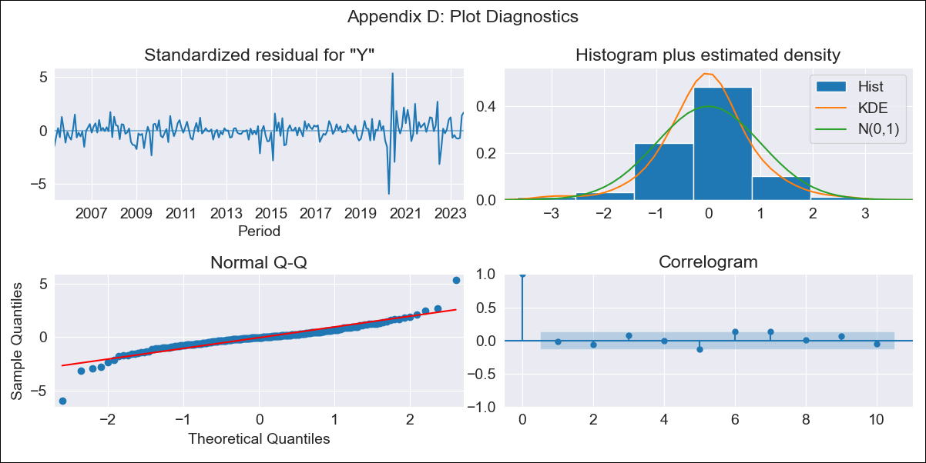

PAN_exog_lt - Inflation - Next 12 months forecast as of: 2023-08-01

Model | SARIMAX - [(0, 2, 2), (0, 0, 1, 12)] | Exogenous Variables | Exchange rates (nominal), M1 money supply ($mm local currency)
Training Data | 2003-12-01 to 2022-09-01
Test Data | 2022-09-01 to 2023-08-01

Date | Inflation Change YoY % | Lower Bound - 95% Confidence Interval | Upper Bound - 95% Confidence Interval
2023-09-01 | 2.4 | 1.35 | 3.57
2023-10-01 | 2.54 | 0.94 | 4.39
2023-11-01 | 2.57 | 0.58 | 4.98
2023-12-01 | 2.27 | 0.03 | 5.09
2024-01-01 | 1.85 | -0.54 | 5.02
2024-02-01 | 2.04 | -0.63 | 5.68
2024-03-01 | 2.26 | -0.7 | 6.37
2024-04-01 | 2.56 | -0.71 | 7.18
2024-05-01 | 2.91 | -0.68 | 8.07
2024-06-01 | 3.27 | -0.66 | 8.96
2024-07-01 | 2.85 | -1.08 | 8.82
2024-08-01 | 2.25 | -1.55 | 8.38

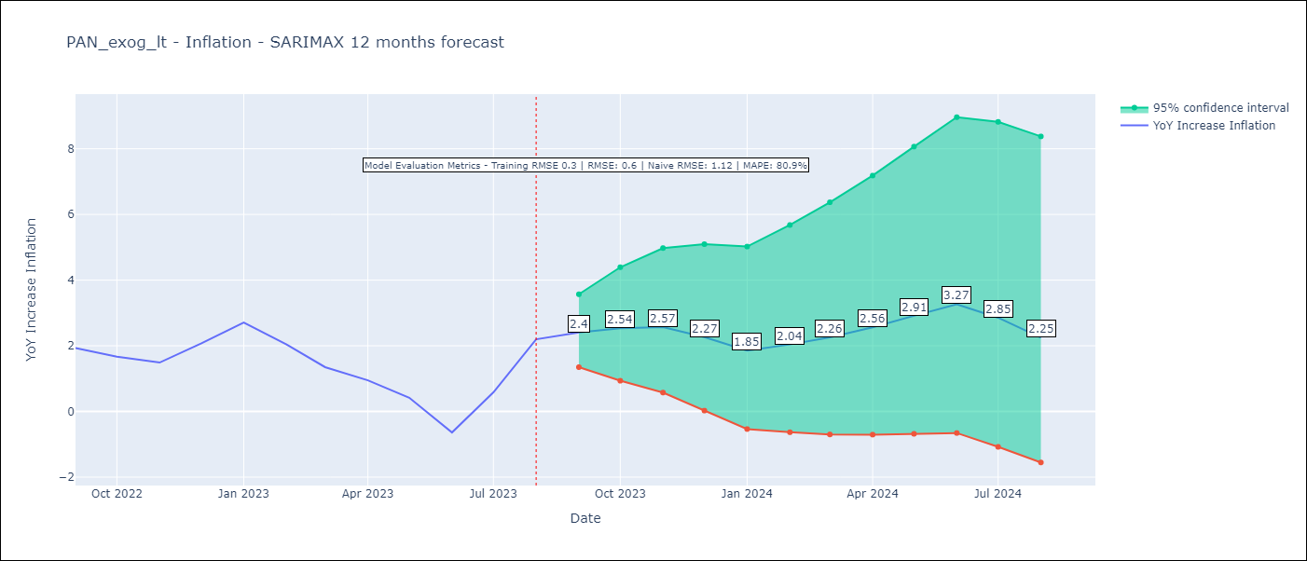

Test Metrics
RMSE | 0.6
Naive RMSE | 1.12
MAPE | 80.9%

Test Predictions
Date | Predicted | Actual
2022-09-01 | 1.86 | 1.93
2022-10-01 | 1.73 | 1.67
2022-11-01 | 1.54 | 1.49
2022-12-01 | 1.6 | 2.07
2023-01-01 | 1.48 | 2.71
2023-02-01 | 1.14 | 2.04
2023-03-01 | 0.77 | 1.35
2023-04-01 | 0.69 | 0.95
2023-05-01 | 0.55 | 0.42
2023-06-01 | -0.11 | -0.64
2023-07-01 | 0.55 | 0.58
2023-08-01 | 1.14 | 2.2

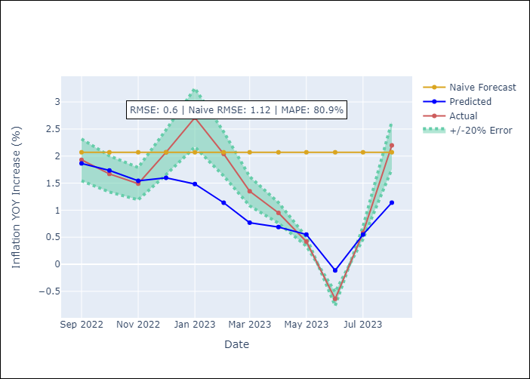

Appendix A: Model Summary
Model | SARIMAX(0, 2, 2)x(0, 0, [1], 12)
Sample | 12-01-2003- 08-01-2023
No. of Observations | 237
Terms | P-value (Statistical significance)
Exchange rates (nominal) | nan
M1 money supply ($mm local currency) | 0.509
ma.L1 | 0.000
ma.L2 | 0.002
ma.S.L12 | 0.000
sigma2 | 0.000
Assumptions | P-value | Interpretation
Ljung-Box (L1) | 0.81 | Residuals are independent.
Heteroskedasticity | 0.00 | Residuals have different variances.
Jarque-Bera | 0.00 | Residuals are not normally distributed.
Skew | -0.37 | Negative skew - Model overestimates the mean.
Kurtosis | 11.69 | Residuals contain more extreme outliers than in a normal distribution.

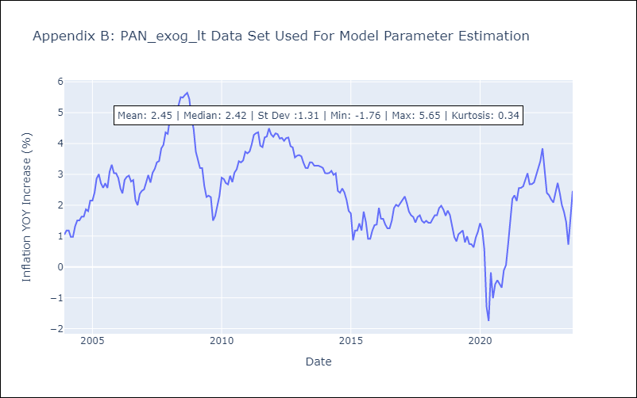

Appendix C: Residuals Analysis
Mean | -0.01
Variance | 0.09
White Noise? | Yes
Heteroskedastic? - ARCH | Yes
Normal? | No

PER_exog_lt
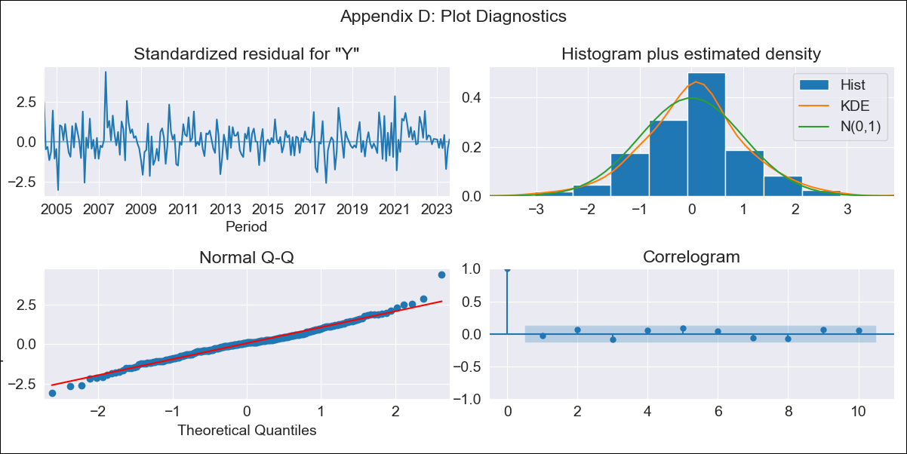
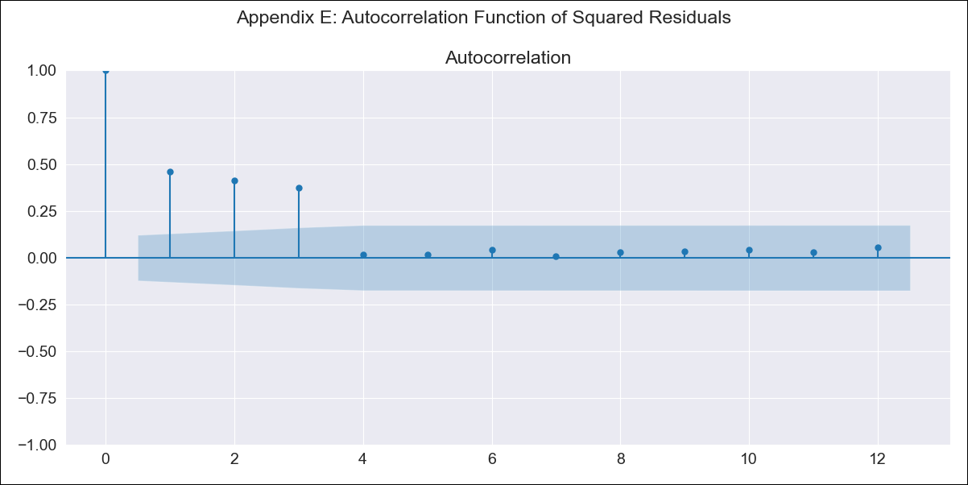
PER_exog_lt - Inflation - Next 12 months forecast as of: 2023-08-01

Model | SARIMAX - [(1, 2, 1), (1, 0, 2, 12)] | Exogenous Variables | Exchange rates (nominal), Monetary Policiy rate, M1 money supply ($mm local currency)
Training Data | 2002-02-01 to 2022-09-01
Test Data | 2022-09-01 to 2023-08-01

Date | Inflation Change YoY % | Lower Bound - 95% Confidence Interval | Upper Bound - 95% Confidence Interval
2023-09-01 | 5.61 | 4.9 | 6.36
2023-10-01 | 5.57 | 4.38 | 6.88
2023-11-01 | 5.58 | 3.99 | 7.38
2023-12-01 | 5.54 | 3.62 | 7.78
2024-01-01 | 5.49 | 3.28 | 8.13
2024-02-01 | 5.59 | 3.08 | 8.64
2024-03-01 | 5.61 | 2.85 | 9.04
2024-04-01 | 5.73 | 2.71 | 9.57
2024-05-01 | 5.67 | 2.44 | 9.86
2024-06-01 | 6.18 | 2.6 | 10.89
2024-07-01 | 6.5 | 2.61 | 11.68
2024-08-01 | 6.63 | 2.49 | 12.23

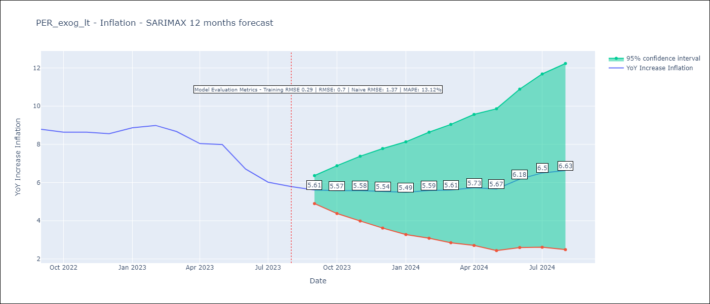

Test Metrics
RMSE | 0.7
Naive RMSE | 1.37
MAPE | 13.12%

Test Predictions
Date | Predicted | Actual
2022-09-01 | 8.49 | 8.79
2022-10-01 | 8.37 | 8.64
2022-11-01 | 8.45 | 8.64
2022-12-01 | 8.32 | 8.56
2023-01-01 | 8.64 | 8.87
2023-02-01 | 8.94 | 8.99
2023-03-01 | 8.67 | 8.67
2023-04-01 | 8.22 | 8.04
2023-05-01 | 8.12 | 7.99
2023-06-01 | 7.56 | 6.71
2023-07-01 | 7.29 | 6.02
2023-08-01 | 7.6 | 5.79

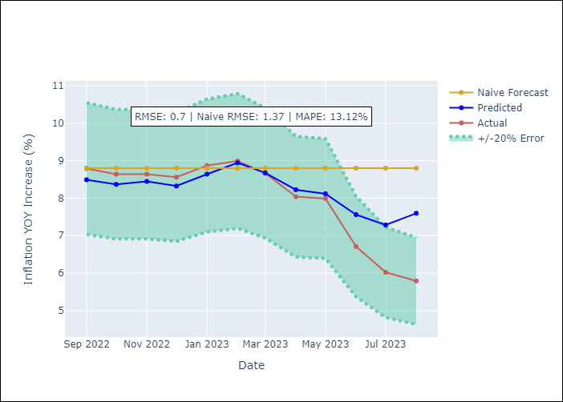

Appendix A: Model Summary
Model | SARIMAX(1, 2, 1)x(1, 0, [1, 2], 12)
Sample | 02-01-2002- 08-01-2023
No. of Observations | 259
Terms | P-value (Statistical significance)
Exchange rates (nominal) | 0.215
Monetary Policiy rate | 0.828
M1 money supply ($mm local currency) | 0.272
ar.L1 | 0.000
ma.L1 | 0.000
ar.S.L12 | 0.000
ma.S.L12 | 0.018
ma.S.L24 | 0.000
sigma2 | 0.000
Assumptions | P-value | Interpretation
Ljung-Box (L1) | 0.68 | Residuals are independent.
Heteroskedasticity | 0.07 | Residuals have the same variance.
Jarque-Bera | 0.00 | Residuals are not normally distributed.
Skew | 0.23 | Positive skew - model underestimates the mean.
Kurtosis | 4.51 | Residuals contain more extreme outliers than in a normal distribution.

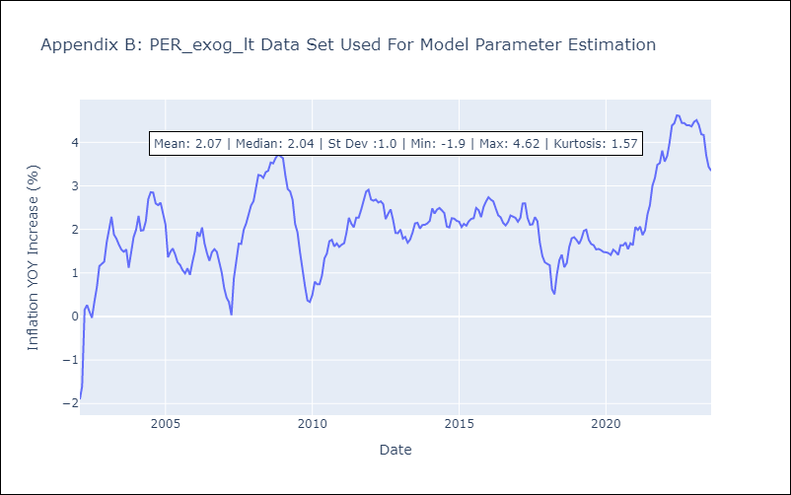

Appendix C: Residuals Analysis
Mean | 0.01
Variance | 0.08
White Noise? | No - Correlation at Lags [ 1 2 3 4 5 6 7 8 9 10 11 12]
Heteroskedastic? - ARCH | Yes
Normal? | No

PRY_exog_lt
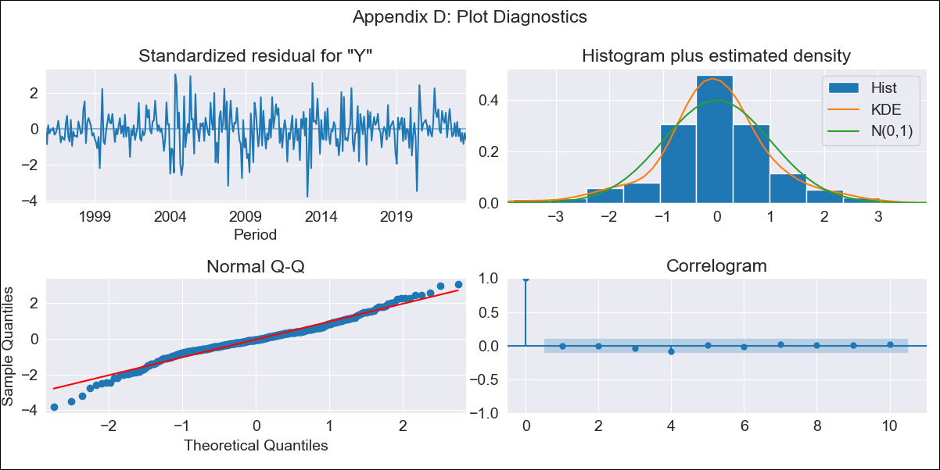

PRY_exog_lt - Inflation - Next 12 months forecast as of: 2023-08-01

Model | SARIMAX - [(1, 1, 2), (0, 0, 1, 12)] | Exogenous Variables | Exchange rates (nominal), Monetary Policiy rate, M1 money supply ($mm local currency)
Training Data | 1994-06-01 to 2022-09-01
Test Data | 2022-09-01 to 2023-08-01

Date | Inflation Change YoY % | Lower Bound - 95% Confidence Interval | Upper Bound - 95% Confidence Interval
2023-09-01 | 2.95 | 1.97 | 4.23
2023-10-01 | 3.03 | 1.6 | 5.2
2023-11-01 | 2.94 | 1.27 | 5.78
2023-12-01 | 3.03 | 1.1 | 6.57
2024-01-01 | 2.87 | 0.87 | 6.89
2024-02-01 | 3 | 0.79 | 7.71
2024-03-01 | 3.03 | 0.69 | 8.34
2024-04-01 | 3.26 | 0.68 | 9.41
2024-05-01 | 3.43 | 0.65 | 10.38
2024-06-01 | 3.79 | 0.68 | 11.83
2024-07-01 | 3.94 | 0.65 | 12.82
2024-08-01 | 4.23 | 0.66 | 14.18



Test Metrics
RMSE | 1.53
Naive RMSE | 4.64
MAPE | 48.11%

Test Predictions
Date | Predicted | Actual
2022-09-01 | 9.92 | 9.35
2022-10-01 | 8.97 | 8.07
2022-11-01 | 8.89 | 8.29
2022-12-01 | 9.04 | 8.12
2023-01-01 | 8.2 | 7.83
2023-02-01 | 7.64 | 6.88
2023-03-01 | 7.21 | 6.41
2023-04-01 | 6.58 | 5.25
2023-05-01 | 6.82 | 5.08
2023-06-01 | 6.65 | 4.24
2023-07-01 | 5.93 | 3.48
2023-08-01 | 5.65 | 2.9



Appendix A: Model Summary
Model | SARIMAX(1, 1, 2)x(0, 0, [1], 12)
Sample | 06-01-1994- 08-01-2023
No. of Observations | 351
Terms | P-value (Statistical significance)
Exchange rates (nominal) | 0.025
Monetary Policiy rate | 0.740
M1 money supply ($mm local currency) | 0.329
ar.L1 | 0.968
ma.L1 | 0.989
ma.L2 | 0.987
ma.S.L12 | 0.000
sigma2 | 0.000
Assumptions | P-value | Interpretation
Ljung-Box (L1) | 1.00 | Residuals are independent.
Heteroskedasticity | 0.76 | Residuals have the same variance.
Jarque-Bera | 0.00 | Residuals are not normally distributed.
Skew | -0.19 | Negative skew - Model overestimates the mean.
Kurtosis | 4.46 | Residuals contain more extreme outliers than in a normal distribution.



Appendix C: Residuals Analysis
Mean | 0.0
Variance | 0.09
White Noise? | Yes
Heteroskedastic? - ARCH | Yes
Normal? | No

SLV_exog_lt


SLV_exog_lt - Inflation - Next 12 months forecast as of: 2023-08-01

Model | SARIMAX - [(0, 1, 2), (0, 0, 1, 12)] | Exogenous Variables | Exchange rates (nominal), Monetary Policiy rate, M1 money supply ($mm local currency)
Training Data | 2002-12-01 to 2022-09-01
Test Data | 2022-09-01 to 2023-08-01

Date | Inflation Change YoY % | Lower Bound - 95% Confidence Interval | Upper Bound - 95% Confidence Interval
2023-09-01 | 3.05 | 1.6 | 4.71
2023-10-01 | 2.93 | 0.88 | 5.46
2023-11-01 | 2.83 | 0.29 | 6.16
2023-12-01 | 2.82 | -0.09 | 6.84
2024-01-01 | 2.79 | -0.41 | 7.42
2024-02-01 | 2.76 | -0.68 | 7.95
2024-03-01 | 2.98 | -0.78 | 8.8
2024-04-01 | 3.16 | -0.87 | 9.57
2024-05-01 | 3.46 | -0.9 | 10.5
2024-06-01 | 3.63 | -0.98 | 11.23
2024-07-01 | 3.81 | -1.04 | 11.97
2024-08-01 | 3.84 | -1.17 | 12.47



Test Metrics
RMSE | 0.9
Naive RMSE | 2.49
MAPE | 33.67%

Test Predictions
Date | Predicted | Actual
2022-09-01 | 7.46 | 7.49
2022-10-01 | 7.18 | 7.47
2022-11-01 | 6.76 | 7.32
2022-12-01 | 6.7 | 7.32
2023-01-01 | 6.4 | 7.03
2023-02-01 | 6.1 | 6.82
2023-03-01 | 5.86 | 6.05
2023-04-01 | 5.71 | 5.43
2023-05-01 | 5.34 | 4.41
2023-06-01 | 5.07 | 3.78
2023-07-01 | 4.98 | 3.34
2023-08-01 | 4.76 | 3.09



Appendix A: Model Summary
Model | SARIMAX(0, 1, 2)x(0, 0, [1], 12)
Sample | 12-01-2002- 08-01-2023
No. of Observations | 249
Terms | P-value (Statistical significance)
Exchange rates (nominal) | 0.606
Monetary Policiy rate | 0.770
M1 money supply ($mm local currency) | 0.474
ma.L1 | 0.117
ma.L2 | 0.018
ma.S.L12 | 0.000
sigma2 | 0.000
Assumptions | P-value | Interpretation
Ljung-Box (L1) | 0.96 | Residuals are independent.
Heteroskedasticity | 0.00 | Residuals have different variances.
Jarque-Bera | 0.00 | Residuals are not normally distributed.
Skew | 2.27 | Positive skew - model underestimates the mean.
Kurtosis | 21.82 | Residuals contain more extreme outliers than in a normal distribution.



Appendix C: Residuals Analysis
Mean | 0.01
Variance | 0.15
White Noise? | Yes
Heteroskedastic? - ARCH | No
Normal? | No

URY_exog_lt


URY_exog_lt - Inflation - Next 12 months forecast as of: 2023-08-01

Model | SARIMAX - [(3, 0, 0), (2, 0, 0, 12)] | Exogenous Variables | Exchange rates (nominal), Monetary Policiy rate, M1 money supply ($mm local currency)
Training Data | 2008-09-01 to 2022-09-01
Test Data | 2022-09-01 to 2023-08-01

Date | Inflation Change YoY % | Lower Bound - 95% Confidence Interval | Upper Bound - 95% Confidence Interval
2023-09-01 | 4.11 | 3.03 | 5.1
2023-10-01 | 4.6 | 2.88 | 6.14
2023-11-01 | 4.8 | 2.82 | 6.56
2023-12-01 | 4.7 | 2.53 | 6.6
2024-01-01 | 4.65 | 2.27 | 6.7
2024-02-01 | 4.65 | 2.04 | 6.87
2024-03-01 | 4.73 | 1.92 | 7.09
2024-04-01 | 4.63 | 1.62 | 7.13
2024-05-01 | 4.81 | 1.67 | 7.41
2024-06-01 | 5.13 | 1.91 | 7.79
2024-07-01 | 5.42 | 2.12 | 8.16
2024-08-01 | 5.58 | 2.18 | 8.4



Test Metrics
RMSE | 2.86
Naive RMSE | 2.71
MAPE | 39.99%

Test Predictions
Date | Predicted | Actual
2022-09-01 | 9.64 | 9.95
2022-10-01 | 9.49 | 9.05
2022-11-01 | 9.54 | 8.46
2022-12-01 | 9.53 | 8.29
2023-01-01 | 9.62 | 8.05
2023-02-01 | 9.45 | 7.55
2023-03-01 | 9.4 | 7.33
2023-04-01 | 9.8 | 7.61
2023-05-01 | 9.91 | 7.1
2023-06-01 | 9.89 | 5.98
2023-07-01 | 9.77 | 4.79
2023-08-01 | 9.78 | 4.11



Appendix A: Model Summary
Model | SARIMAX(3, 0, 0)x(2, 0, 0, 12)
Sample | 09-01-2008- 08-01-2023
No. of Observations | 180
Terms | P-value (Statistical significance)
Exchange rates (nominal) | 0.002
Monetary Policiy rate | 0.228
M1 money supply ($mm local currency) | 0.092
ar.L1 | 0.000
ar.L2 | 0.000
ar.L3 | 0.000
ar.S.L12 | 0.002
ar.S.L24 | 0.247
sigma2 | 0.000
Assumptions | P-value | Interpretation
Ljung-Box (L1) | 0.48 | Residuals are independent.
Heteroskedasticity | 0.85 | Residuals have the same variance.
Jarque-Bera | 0.00 | Residuals are not normally distributed.
Skew | 0.48 | Positive skew - model underestimates the mean.
Kurtosis | 5.81 | Residuals contain more extreme outliers than in a normal distribution.



Appendix C: Residuals Analysis
Mean | 0.25
Variance | 10.48
White Noise? | No - Correlation at Lags [ 1 2 3 4 5 6 7 8 9 10 11 12]
Heteroskedastic? - ARCH | No
Normal? | No

