ECU_EXOG3
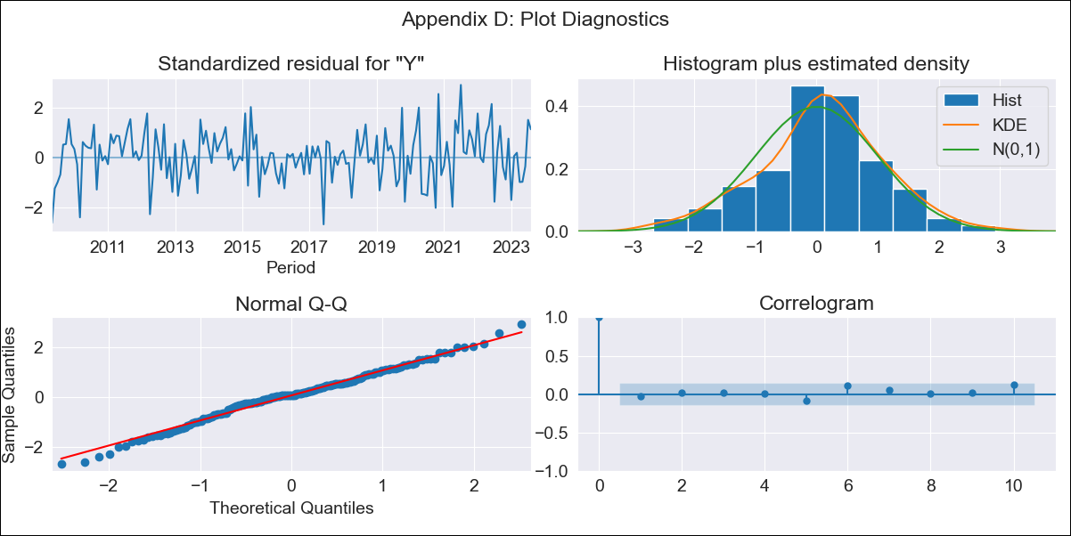

ECU_EXOG3 - Inflation - Next 12 months forecast as of: 2023-08-01

Model | SARIMAX - [(1, 0, 3), (0, 0, 1, 12)] | Exogenous Variables | Exchange rates (nominal), M1 money supply ($mm local currency)
Training Data | 2008-01-01 to 2022-09-01
Test Data | 2022-09-01 to 2023-08-01

Date | Inflation Change YoY % | Lower Bound - 95% Confidence Interval | Upper Bound - 95% Confidence Interval
2023-09-01 | 2.68 | 2 | 3.36
2023-10-01 | 2.68 | 1.57 | 3.79
2023-11-01 | 2.62 | 1.17 | 4.07
2023-12-01 | 2.56 | 0.84 | 4.28
2024-01-01 | 2.48 | 0.53 | 4.43
2024-02-01 | 2.41 | 0.26 | 4.55
2024-03-01 | 2.35 | 0.03 | 4.66
2024-04-01 | 2.27 | -0.19 | 4.74
2024-05-01 | 2.2 | -0.39 | 4.8
2024-06-01 | 2.14 | -0.58 | 4.85
2024-07-01 | 2.1 | -0.73 | 4.92
2024-08-01 | 2.06 | -0.87 | 4.99

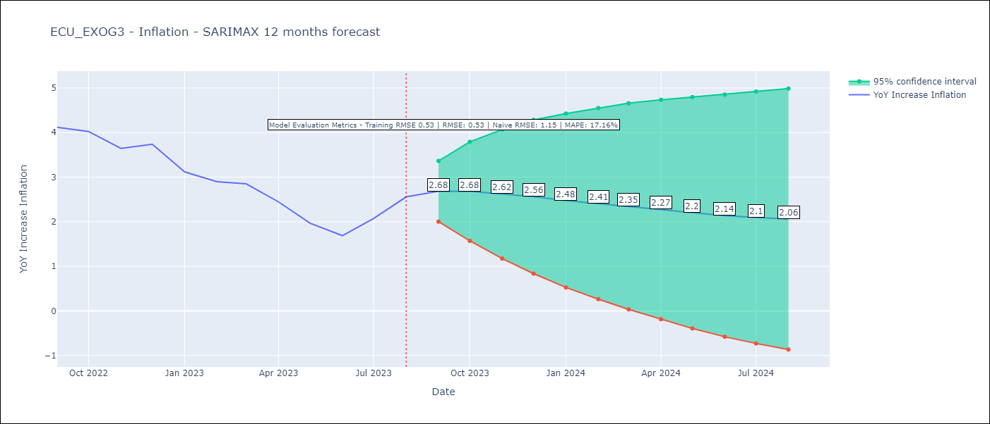

Test Metrics
RMSE | 0.53
Naive RMSE | 1.15
MAPE | 17.16%

Test Predictions
Date | Predicted | Actual
2022-09-01 | 3.53 | 4.12
2022-10-01 | 3.32 | 4.02
2022-11-01 | 3.23 | 3.64
2022-12-01 | 3.14 | 3.74
2023-01-01 | 3.07 | 3.12
2023-02-01 | 2.98 | 2.9
2023-03-01 | 2.89 | 2.85
2023-04-01 | 2.81 | 2.44
2023-05-01 | 2.74 | 1.97
2023-06-01 | 2.7 | 1.69
2023-07-01 | 2.6 | 2.07
2023-08-01 | 2.51 | 2.56

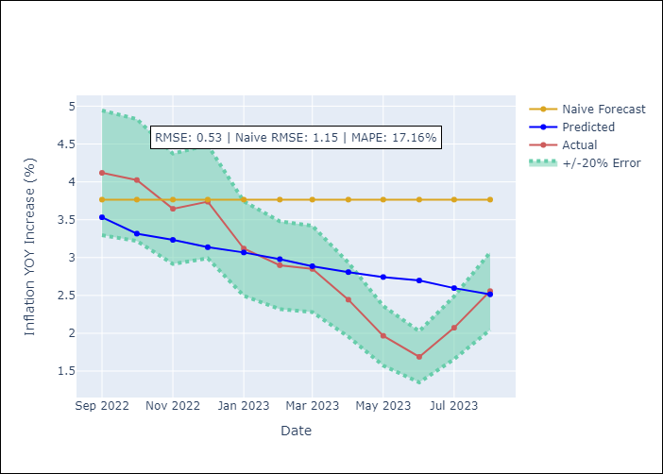

Appendix A: Model Summary
Model | SARIMAX(1, 0, 3)x(0, 0, [1], 12)
Sample | 01-01-2008- 08-01-2023
No. of Observations | 188
Terms | P-value (Statistical significance)
Exchange rates (nominal) | nan
M1 money supply ($mm local currency) | 0.812
ar.L1 | 0.000
ma.L1 | 0.000
ma.L2 | 0.217
ma.L3 | 0.617
ma.S.L12 | 0.644
sigma2 | 0.819
Assumptions | P-value | Interpretation
Ljung-Box (L1) | 0.70 | Residuals are independent.
Heteroskedasticity | 0.20 | Residuals have the same variance.
Jarque-Bera | 0.52 | Residuals are normally distributed.
Skew | -0.18 | Negative skew - Model overestimates the mean.
Kurtosis | 3.24 | Residuals contain more extreme outliers than in a normal distribution.

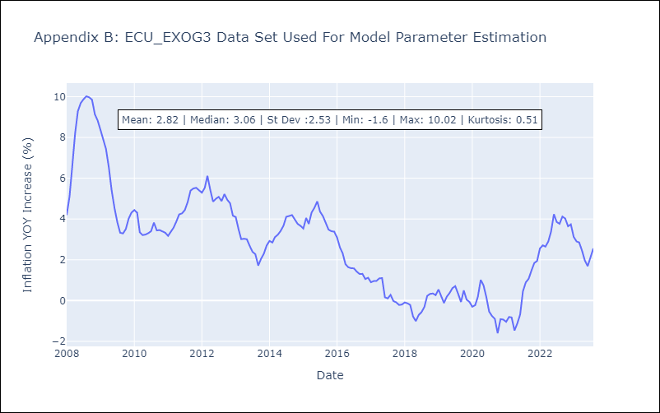

Appendix C: Residuals Analysis
Mean | 0.08
Variance | 0.26
White Noise? | No - Correlation at Lags [ 1 2 3 4 5 6 7 8 9 10 11 12]
Heteroskedastic? - ARCH | No
Normal? | No

