BRA_exog_lt_1004
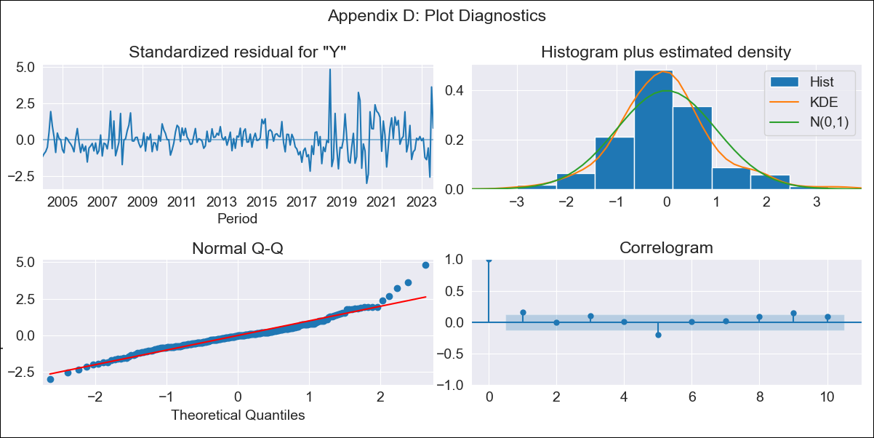

BRA_exog_lt_1004 - Inflation - Next 12 months forecast as of: 2023-08-01

Model | SARIMAX - [(2, 0, 0), (0, 0, 1, 12)] | Exogenous Variables | Exchange rates (nominal), Monetary Policiy rate, M1 money supply ($mm local currency)
Training Data | 2002-12-01 to 2022-09-01
Test Data | 2022-09-01 to 2023-08-01

Date | Inflation Change YoY % | Lower Bound - 95% Confidence Interval | Upper Bound - 95% Confidence Interval
2023-09-01 | 1.23 | 1.2 | 1.27
2023-10-01 | 1.24 | 1.18 | 1.3
2023-11-01 | 1.24 | 1.16 | 1.32
2023-12-01 | 1.23 | 1.14 | 1.33
2024-01-01 | 1.24 | 1.13 | 1.34
2024-02-01 | 1.23 | 1.12 | 1.35
2024-03-01 | 1.25 | 1.12 | 1.37
2024-04-01 | 1.26 | 1.12 | 1.4
2024-05-01 | 1.27 | 1.12 | 1.42
2024-06-01 | 1.31 | 1.15 | 1.46
2024-07-01 | 1.27 | 1.11 | 1.44
2024-08-01 | 1.25 | 1.08 | 1.42

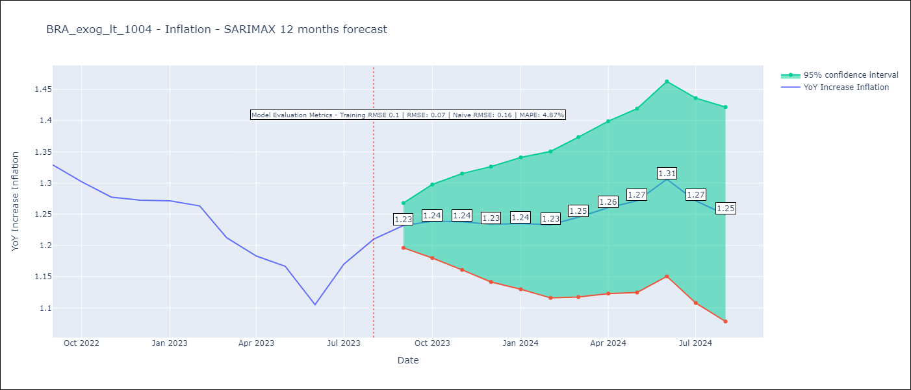

Test Metrics
RMSE | 0.07
Naive RMSE | 0.16
MAPE | 4.87%

Test Predictions
Date | Predicted | Actual
2022-09-01 | 1.35 | 1.33
2022-10-01 | 1.32 | 1.3
2022-11-01 | 1.3 | 1.28
2022-12-01 | 1.29 | 1.27
2023-01-01 | 1.29 | 1.27
2023-02-01 | 1.27 | 1.26
2023-03-01 | 1.26 | 1.21
2023-04-01 | 1.26 | 1.18
2023-05-01 | 1.27 | 1.17
2023-06-01 | 1.27 | 1.11
2023-07-01 | 1.28 | 1.17
2023-08-01 | 1.29 | 1.21

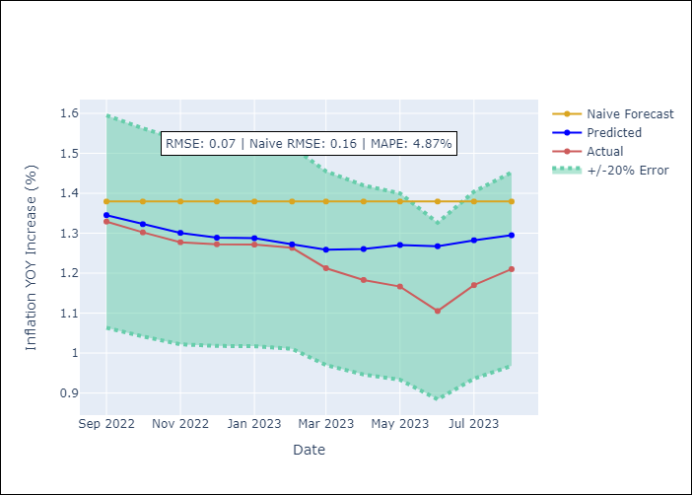

Appendix A: Model Summary
Model | SARIMAX(2, 0, 0)x(0, 0, [1], 12)
Sample | 12-01-2002- 08-01-2023
No. of Observations | 249
Terms | P-value (Statistical significance)
Exchange rates (nominal) | 0.094
Monetary Policiy rate | 0.019
M1 money supply ($mm local currency) | 0.001
ar.L1 | 0.000
ar.L2 | 0.000
ma.S.L12 | 0.000
sigma2 | 0.000
Assumptions | P-value | Interpretation
Ljung-Box (L1) | 0.02 | Residuals are not independent.
Heteroskedasticity | 0.00 | Residuals have different variances.
Jarque-Bera | 0.00 | Residuals are not normally distributed.
Skew | 0.75 | Positive skew - model underestimates the mean.
Kurtosis | 5.88 | Residuals contain more extreme outliers than in a normal distribution.

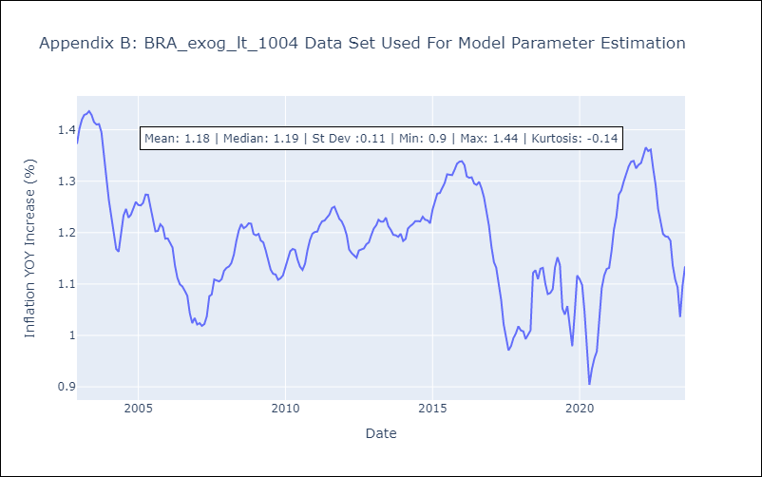

Appendix C: Residuals Analysis
Mean | 0.0
Variance | 0.01
White Noise? | No - Correlation at Lags [1 2 3 4 5 6 7 8]
Heteroskedastic? - ARCH | Yes
Normal? | No

