CHLall
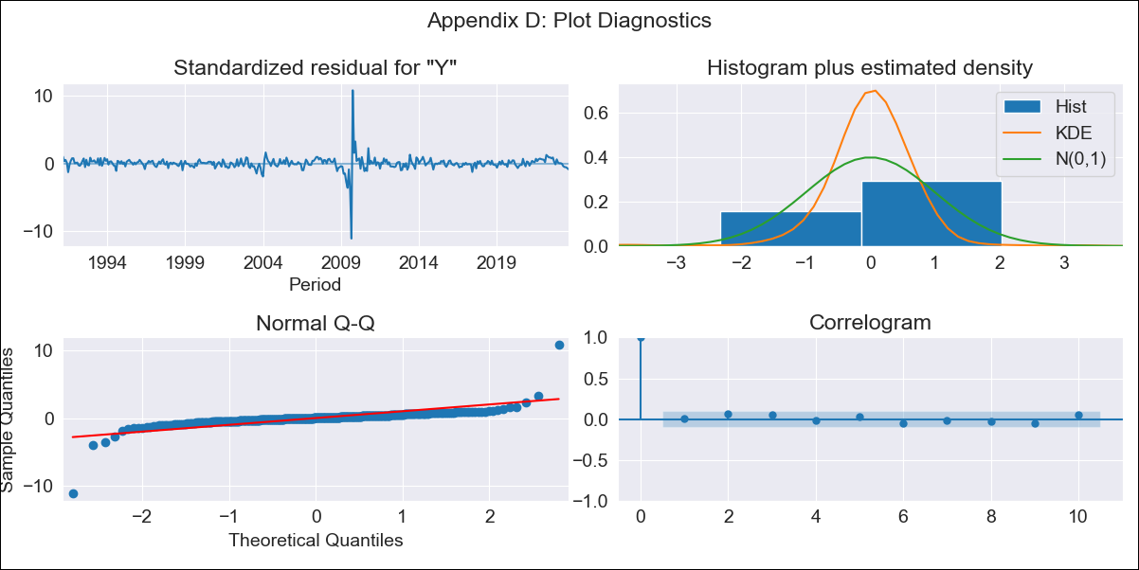

CHLall - Inflation - Next 12 months forecast as of: 2023-08-01

Model | ARIMA - [(2, 0, 1), (0, 0, 1, 12)]
Training Data | 1990-01-01 to 2022-09-01
Test Data | 2022-09-01 to 2023-08-01

Date | Inflation Change YoY % | Lower Bound - 95% Confidence Interval | Upper Bound - 95% Confidence Interval
2023-09-01 | 5.29 | 3.33 | 7.7
2023-10-01 | 5.22 | 2.75 | 8.47
2023-11-01 | 5.08 | 2.23 | 9.03
2023-12-01 | 5.02 | 1.9 | 9.52
2024-01-01 | 4.97 | 1.63 | 9.96
2024-02-01 | 4.92 | 1.41 | 10.34
2024-03-01 | 4.89 | 1.23 | 10.68
2024-04-01 | 4.92 | 1.11 | 11.07
2024-05-01 | 4.96 | 1.02 | 11.46
2024-06-01 | 5 | 0.94 | 11.81
2024-07-01 | 5.06 | 0.88 | 12.18
2024-08-01 | 5.15 | 0.85 | 12.57

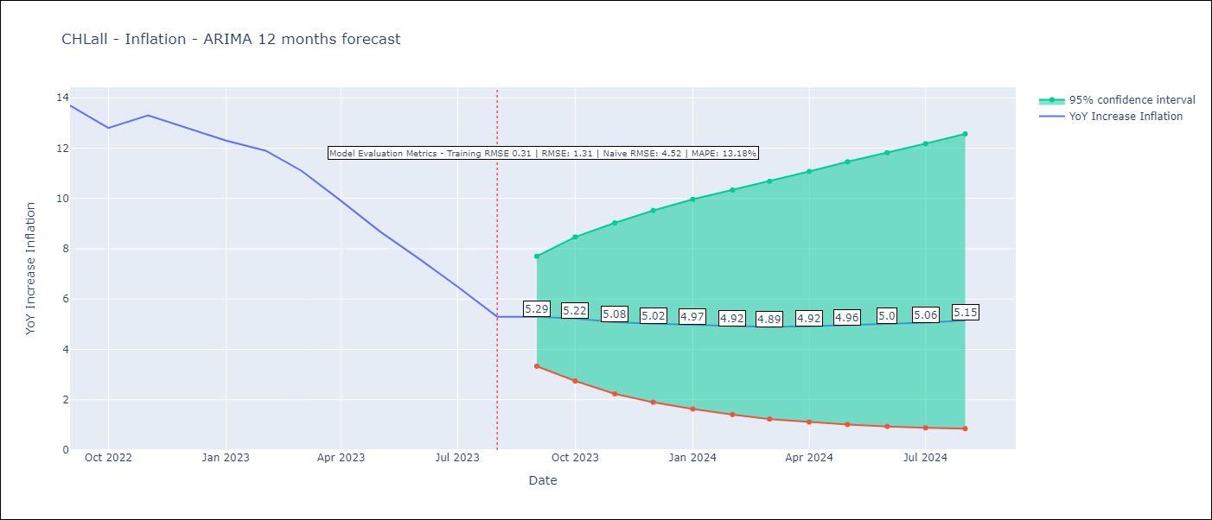

Test Metrics
RMSE | 1.31
Naive RMSE | 4.52
MAPE | 13.18%

Test Predictions
Date | Predicted | Actual
2022-09-01 | 13.3 | 13.7
2022-10-01 | 12.75 | 12.8
2022-11-01 | 12.16 | 13.3
2022-12-01 | 11.65 | 12.8
2023-01-01 | 11.17 | 12.3
2023-02-01 | 10.81 | 11.9
2023-03-01 | 10.21 | 11.1
2023-04-01 | 9.72 | 9.9
2023-05-01 | 9.29 | 8.7
2023-06-01 | 8.89 | 7.6
2023-07-01 | 8.54 | 6.5
2023-08-01 | 8.17 | 5.3

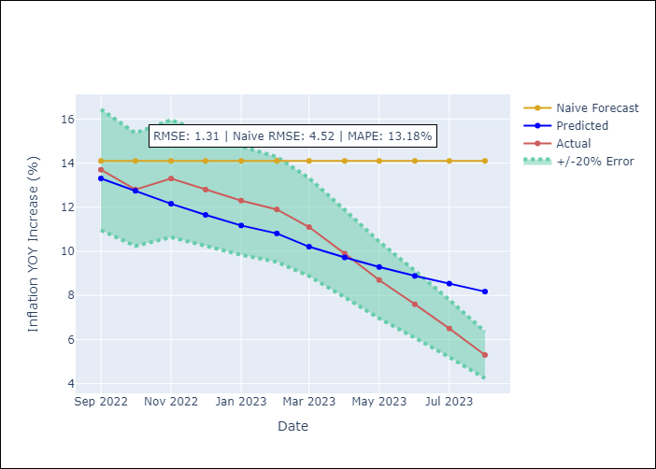

Appendix A: Model Summary
Model | ARIMA(2, 0, 1)x(0, 0, 1, 12)
Sample | 01-01-1990- 08-01-2023
No. of Observations | 404
Terms | P-value (Statistical significance)
const | 0.000
ar.L1 | 0.001
ar.L2 | 0.002
ma.L1 | 0.023
ma.S.L12 | 0.000
sigma2 | 0.259
Assumptions | P-value | Interpretation
Ljung-Box (L1) | 0.85 | Residuals are independent.
Heteroskedasticity | 0.08 | Residuals have the same variance.
Jarque-Bera | 0.00 | Residuals are not normally distributed.
Skew | -0.52 | Negative skew - Model overestimates the mean.
Kurtosis | 74.50 | Residuals contain more extreme outliers than in a normal distribution.

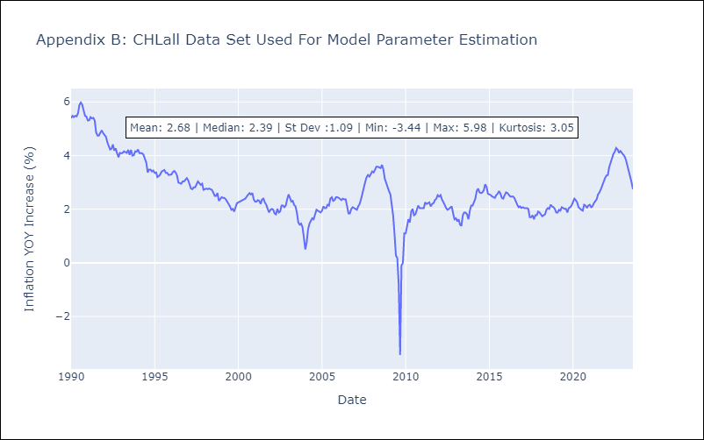

Appendix C: Residuals Analysis
Mean | 0.02
Variance | 0.1
White Noise? | No - Correlation at Lags [1 2 3 4 5 6 7]
Heteroskedastic? - ARCH | Yes
Normal? | No

