CRI_1005_85_lt
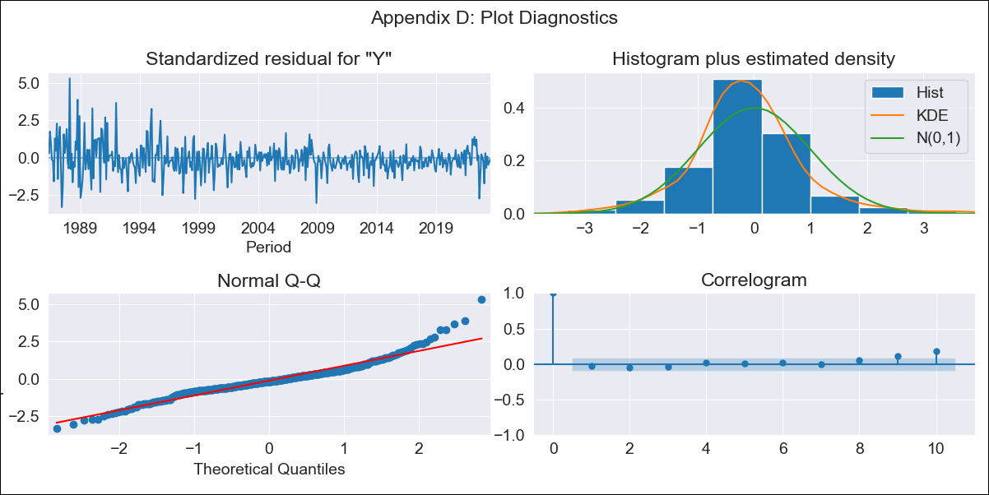

CRI_1005_85_lt - Inflation - Next 12 months forecast as of: 2023-08-01

Model | ARIMA - [(3, 1, 1), (0, 0, 1, 12)]
Training Data | 1985-01-01 to 2022-09-01
Test Data | 2022-09-01 to 2023-08-01

Date | Inflation Change YoY % | Lower Bound - 95% Confidence Interval | Upper Bound - 95% Confidence Interval
2023-09-01 | -2.4 | -3.71 | -1.1
2023-10-01 | -1.6 | -3.83 | 0.63
2023-11-01 | -1.42 | -4.52 | 1.69
2023-12-01 | -1.12 | -5.11 | 2.87
2024-01-01 | -0.79 | -5.61 | 4.03
2024-02-01 | 0.39 | -5.21 | 5.99
2024-03-01 | 0.74 | -5.59 | 7.08
2024-04-01 | 1.44 | -5.59 | 8.47
2024-05-01 | 1.84 | -5.83 | 9.52
2024-06-01 | 2.36 | -5.94 | 10.65
2024-07-01 | 2.87 | -6.01 | 11.74
2024-08-01 | 3.21 | -6.22 | 12.64

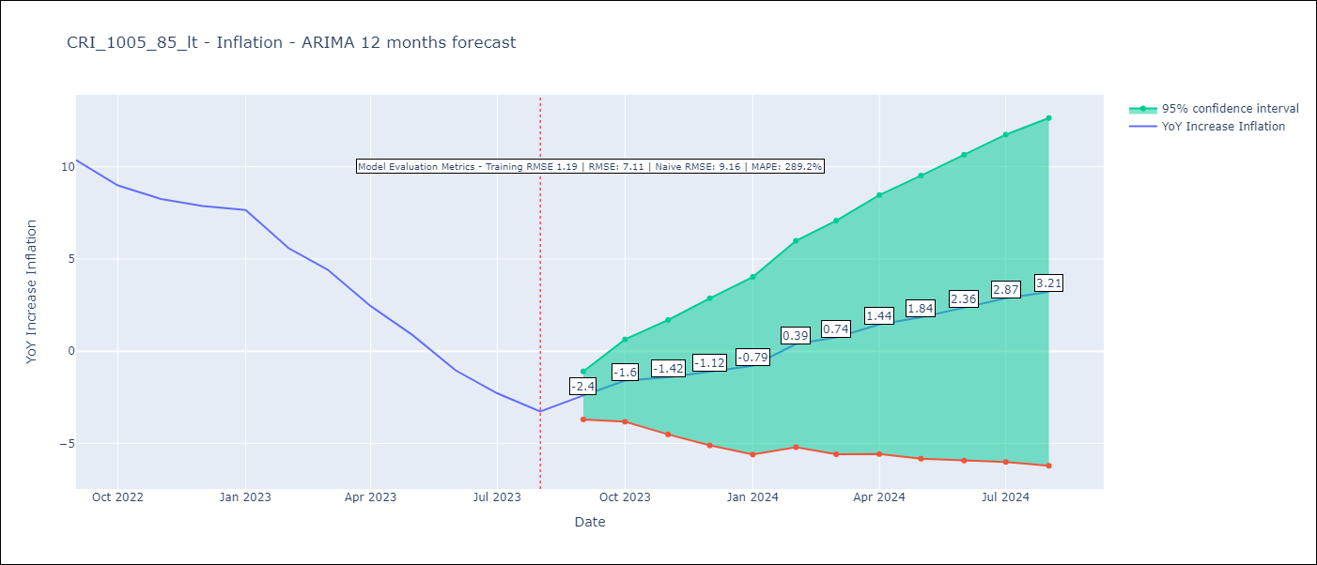

Test Metrics
RMSE | 7.11
Naive RMSE | 9.16
MAPE | 289.2%

Test Predictions
Date | Predicted | Actual
2022-09-01 | 12.2 | 10.37
2022-10-01 | 12.32 | 8.99
2022-11-01 | 12.22 | 8.26
2022-12-01 | 12.49 | 7.88
2023-01-01 | 12.87 | 7.65
2023-02-01 | 12.3 | 5.58
2023-03-01 | 11.66 | 4.42
2023-04-01 | 10.57 | 2.44
2023-05-01 | 9.53 | 0.88
2023-06-01 | 8.24 | -1.04
2023-07-01 | 7.6 | -2.29
2023-08-01 | 7.03 | -3.28

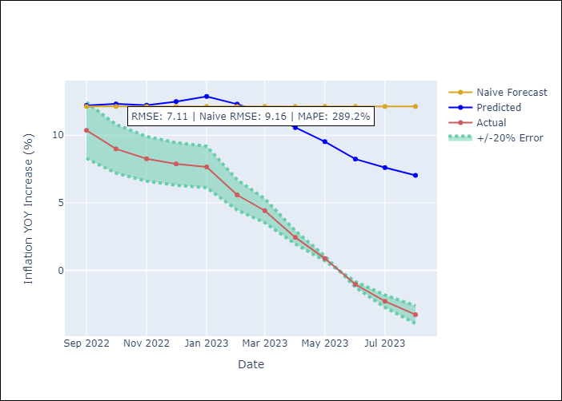

Appendix A: Model Summary
Model | ARIMA(3, 1, 1)x(0, 0, 1, 12)
Sample | 01-01-1985- 08-01-2023
No. of Observations | 464
Terms | P-value (Statistical significance)
ar.L1 | 0.801
ar.L2 | 0.021
ar.L3 | 0.002
ma.L1 | 0.162
ma.S.L12 | 0.000
sigma2 | 0.000
Assumptions | P-value | Interpretation
Ljung-Box (L1) | 0.61 | Residuals are independent.
Heteroskedasticity | 0.00 | Residuals have different variances.
Jarque-Bera | 0.00 | Residuals are not normally distributed.
Skew | 0.72 | Positive skew - model underestimates the mean.
Kurtosis | 6.52 | Residuals contain more extreme outliers than in a normal distribution.

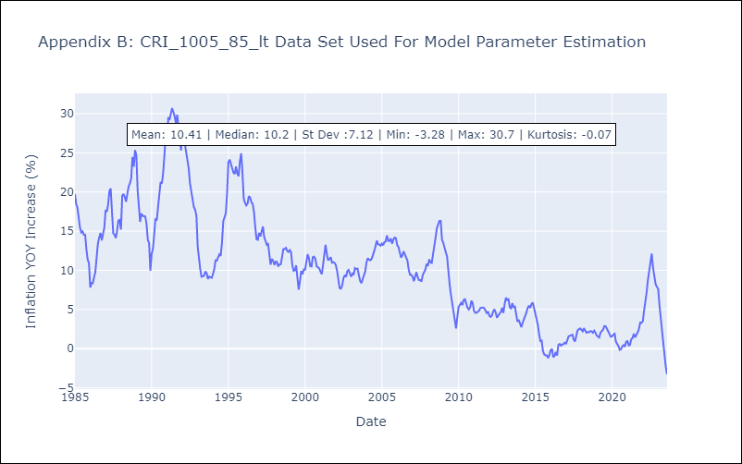

Appendix C: Residuals Analysis
Mean | -0.05
Variance | 1.38
White Noise? | No - Correlation at Lags [3]
Heteroskedastic? - ARCH | Yes
Normal? | No

