CRI_1005_85_lt1
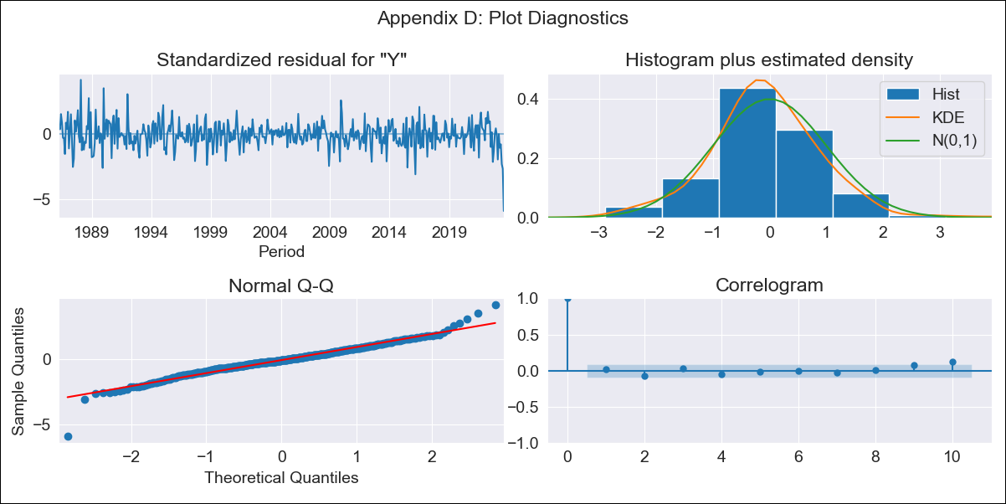

CRI_1005_85_lt1 - Inflation - Next 12 months forecast as of: 2023-08-01

Model | ARIMA - [(1, 1, 1), (0, 0, 1, 12)]
Training Data | 1985-01-01 to 2022-09-01
Test Data | 2022-09-01 to 2023-08-01

Date | Inflation Change YoY % | Lower Bound - 95% Confidence Interval | Upper Bound - 95% Confidence Interval
2023-09-01
2023-10-01
2023-11-01
2023-12-01
2024-01-01
2024-02-01
2024-03-01
2024-04-01
2024-05-01
2024-06-01 |  |  | -3.28
2024-07-01 |  |  | -3.08
2024-08-01 |  |  | -1.88

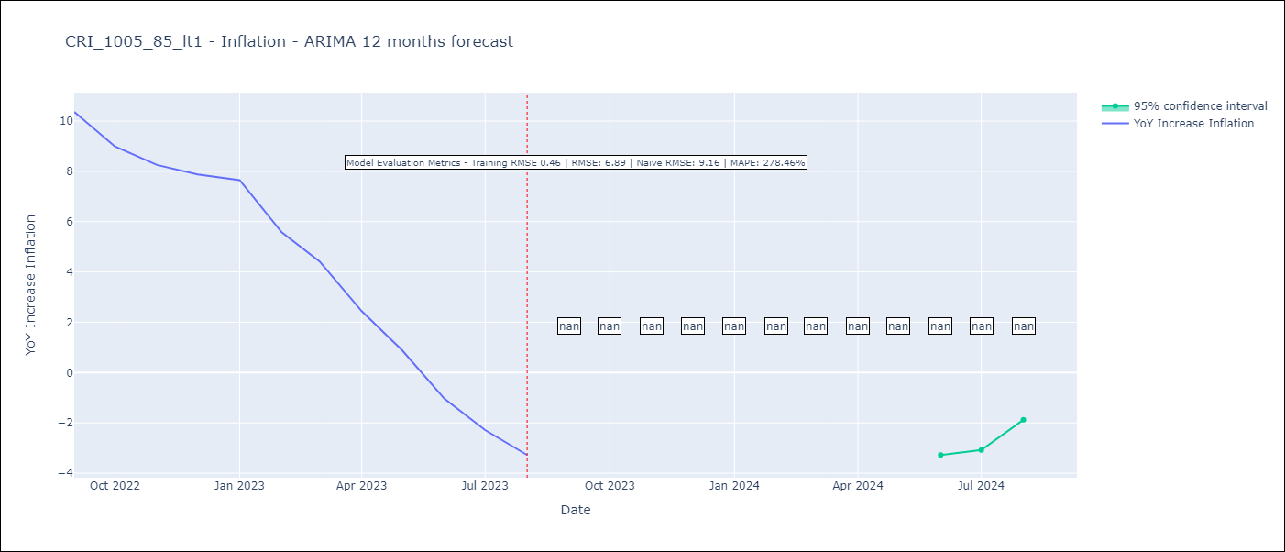

Test Metrics
RMSE | 6.89
Naive RMSE | 9.16
MAPE | 278.46%

Test Predictions
Date | Predicted | Actual
2022-09-01 | 11.91 | 10.37
2022-10-01 | 11.96 | 8.99
2022-11-01 | 11.98 | 8.26
2022-12-01 | 11.96 | 7.88
2023-01-01 | 12.35 | 7.65
2023-02-01 | 11.79 | 5.58
2023-03-01 | 11.23 | 4.42
2023-04-01 | 10.01 | 2.44
2023-05-01 | 9.04 | 0.88
2023-06-01 | 7.94 | -1.04
2023-07-01 | 7.82 | -2.29
2023-08-01 | 7.39 | -3.28

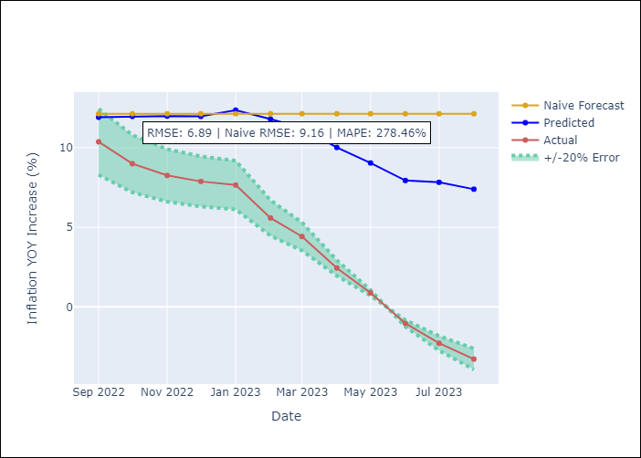

Appendix A: Model Summary
Model | ARIMA(1, 1, 1)x(0, 0, 1, 12)
Sample | 01-01-1985- 08-01-2023
No. of Observations | 464
Terms | P-value (Statistical significance)
ar.L1 | 0.000
ma.L1 | 0.000
ma.S.L12 | 0.000
sigma2 | 0.000
Assumptions | P-value | Interpretation
Ljung-Box (L1) | 0.66 | Residuals are independent.
Heteroskedasticity | 0.54 | Residuals have the same variance.
Jarque-Bera | 0.00 | Residuals are not normally distributed.
Skew | -0.25 | Negative skew - Model overestimates the mean.
Kurtosis | 6.26 | Residuals contain more extreme outliers than in a normal distribution.

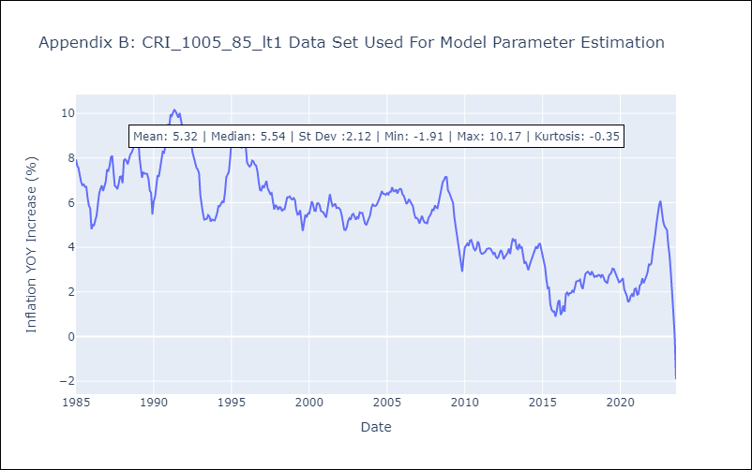

Appendix C: Residuals Analysis
Mean | -0.01
Variance | 0.21
White Noise? | No - Correlation at Lags [ 1 2 3 4 5 6 7 8 9 10 11 12]
Heteroskedastic? - ARCH | Yes
Normal? | No

