URY_1005_99
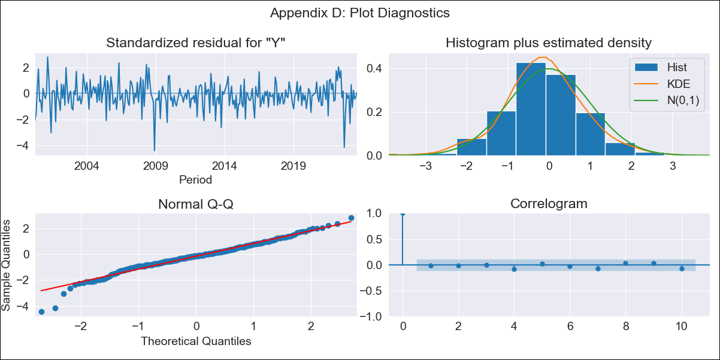

URY_1005_99 - Inflation - Next 12 months forecast as of: 2023-08-01

Model | ARIMA - [(3, 1, 1), (0, 0, 1, 12)]
Training Data | 1999-01-01 to 2022-09-01
Test Data | 2022-09-01 to 2023-08-01

Date | Inflation Change YoY % | Lower Bound - 95% Confidence Interval | Upper Bound - 95% Confidence Interval
2023-09-01 | -2.46 | -3.37 | -1.55
2023-10-01 | -1.76 | -3.37 | -0.15
2023-11-01 | -1.71 | -3.92 | 0.51
2023-12-01 | -1.56 | -4.37 | 1.25
2024-01-01 | -1.4 | -4.8 | 2
2024-02-01 | -0.35 | -4.33 | 3.64
2024-03-01 | -0.1 | -4.66 | 4.45
2024-04-01 | 0.49 | -4.62 | 5.6
2024-05-01 | 0.8 | -4.86 | 6.45
2024-06-01 | 1.22 | -4.96 | 7.4
2024-07-01 | 1.64 | -5.05 | 8.33
2024-08-01 | 1.91 | -5.28 | 9.1

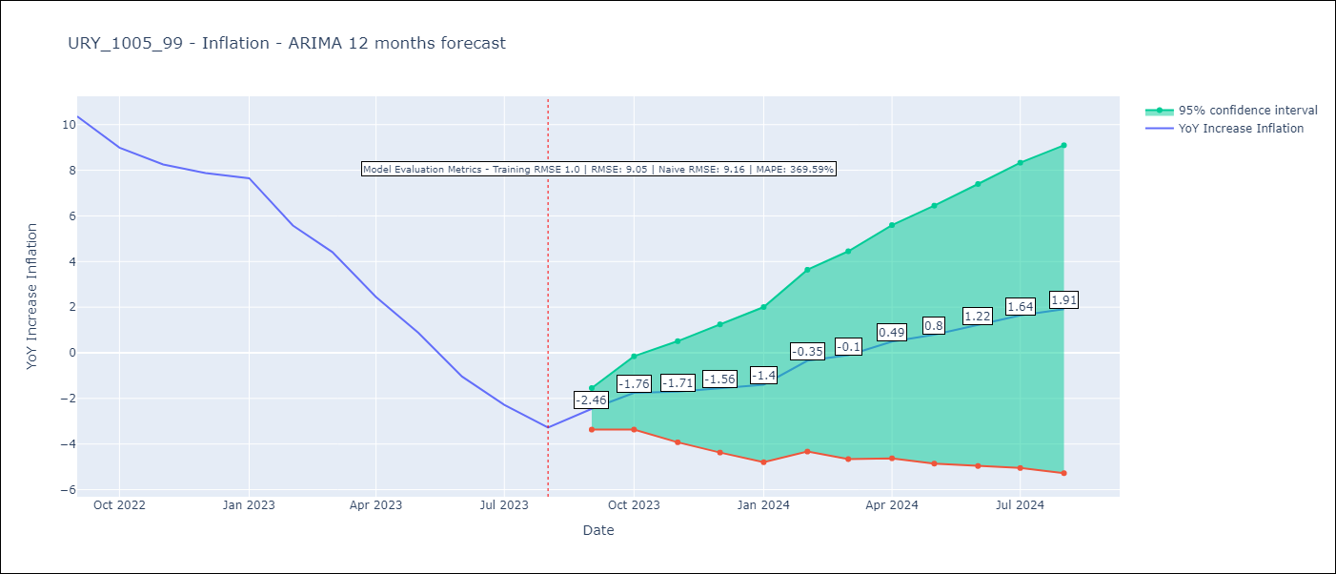

Test Metrics
RMSE | 9.05
Naive RMSE | 9.16
MAPE | 369.59%

Test Predictions
Date | Predicted | Actual
2022-09-01 | 12.37 | 10.37
2022-10-01 | 12.77 | 8.99
2022-11-01 | 12.96 | 8.26
2022-12-01 | 13.51 | 7.88
2023-01-01 | 14.16 | 7.65
2023-02-01 | 13.9 | 5.58
2023-03-01 | 13.56 | 4.42
2023-04-01 | 12.74 | 2.44
2023-05-01 | 11.97 | 0.88
2023-06-01 | 10.92 | -1.04
2023-07-01 | 10.51 | -2.29
2023-08-01 | 10.14 | -3.28

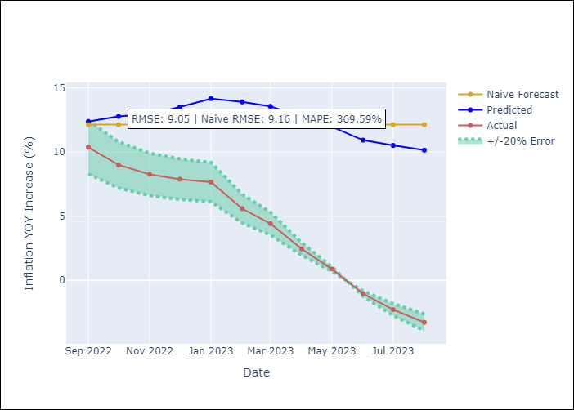

Appendix A: Model Summary
Model | ARIMA(3, 1, 1)x(0, 0, 1, 12)
Sample | 01-01-1999- 08-01-2023
No. of Observations | 296
Terms | P-value (Statistical significance)
ar.L1 | 0.000
ar.L2 | 0.091
ar.L3 | 0.196
ma.L1 | 0.023
ma.S.L12 | 0.000
sigma2 | 0.000
Assumptions | P-value | Interpretation
Ljung-Box (L1) | 0.71 | Residuals are independent.
Heteroskedasticity | 0.26 | Residuals have the same variance.
Jarque-Bera | 0.00 | Residuals are not normally distributed.
Skew | -0.44 | Negative skew - Model overestimates the mean.
Kurtosis | 4.90 | Residuals contain more extreme outliers than in a normal distribution.

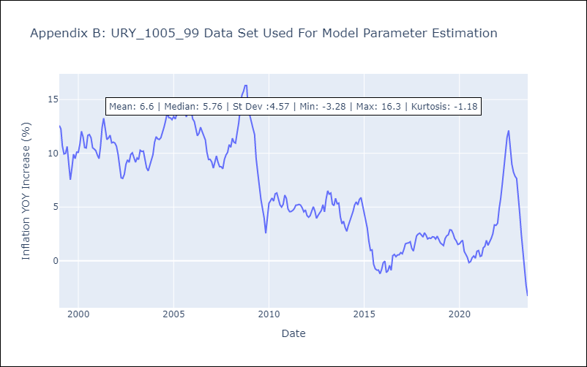

Appendix C: Residuals Analysis
Mean | -0.04
Variance | 0.94
White Noise? | No - Correlation at Lags [ 1 2 3 4 5 6 7 8 9 10 11 12]
Heteroskedastic? - ARCH | Yes
Normal? | No

