URY_1005_99_lt
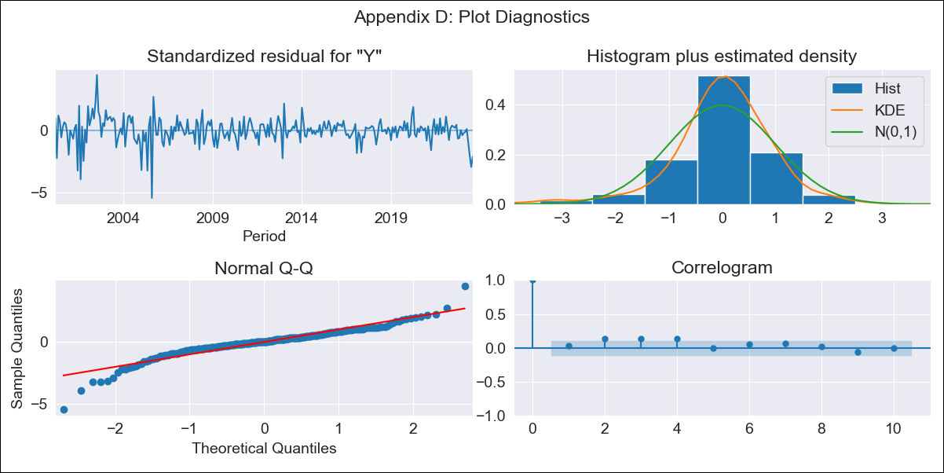

URY_1005_99_lt - Inflation - Next 12 months forecast as of: 2023-08-01

Model | ARIMA - [(1, 0, 1), (0, 0, 1, 12)]
Training Data | 1999-01-01 to 2022-09-01
Test Data | 2022-09-01 to 2023-08-01

Date | Inflation Change YoY % | Lower Bound - 95% Confidence Interval | Upper Bound - 95% Confidence Interval
2023-09-01 | 4.05 | 3.63 | 4.55
2023-10-01 | 4.23 | 3.57 | 5.1
2023-11-01 | 4.44 | 3.59 | 5.63
2023-12-01 | 4.57 | 3.57 | 6.03
2024-01-01 | 4.73 | 3.6 | 6.46
2024-02-01 | 4.88 | 3.63 | 6.88
2024-03-01 | 5 | 3.65 | 7.25
2024-04-01 | 5.09 | 3.65 | 7.55
2024-05-01 | 5.34 | 3.76 | 8.15
2024-06-01 | 5.84 | 4 | 9.23
2024-07-01 | 6.62 | 4.4 | 10.96
2024-08-01 | 7.35 | 4.75 | 12.71

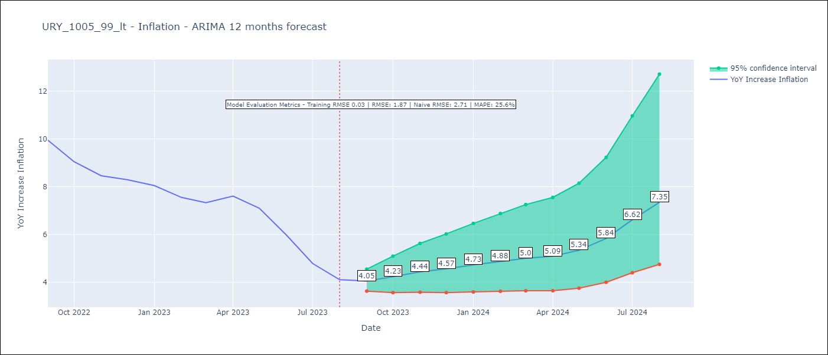

Test Metrics
RMSE | 1.87
Naive RMSE | 2.71
MAPE | 25.6%

Test Predictions
Date | Predicted | Actual
2022-09-01 | 9.57 | 9.95
2022-10-01 | 9.16 | 9.05
2022-11-01 | 9.12 | 8.46
2022-12-01 | 8.99 | 8.29
2023-01-01 | 8.97 | 8.05
2023-02-01 | 8.56 | 7.55
2023-03-01 | 8.37 | 7.33
2023-04-01 | 8.59 | 7.61
2023-05-01 | 8.57 | 7.1
2023-06-01 | 8.42 | 5.98
2023-07-01 | 8.28 | 4.79
2023-08-01 | 8.2 | 4.11

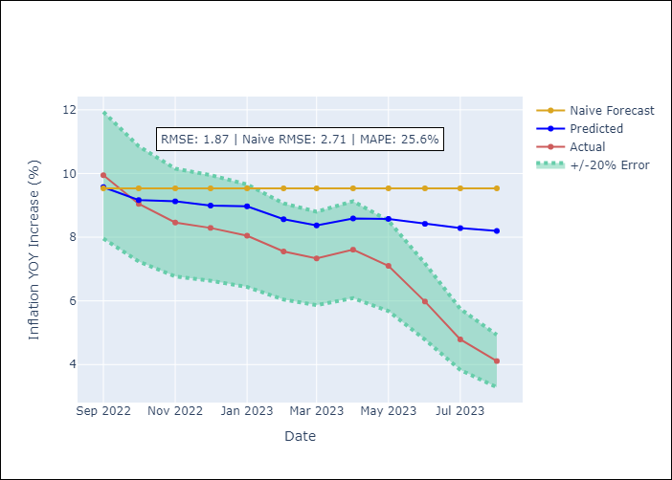

Appendix A: Model Summary
Model | ARIMA(1, 0, 1)x(0, 0, 1, 12)
Sample | 01-01-1999- 08-01-2023
No. of Observations | 296
Terms | P-value (Statistical significance)
const | 0.000
ar.L1 | 0.000
ma.L1 | 0.000
ma.S.L12 | 0.000
sigma2 | 0.000
Assumptions | P-value | Interpretation
Ljung-Box (L1) | 0.68 | Residuals are independent.
Heteroskedasticity | 0.00 | Residuals have different variances.
Jarque-Bera | 0.00 | Residuals are not normally distributed.
Skew | -0.82 | Negative skew - Model overestimates the mean.
Kurtosis | 8.28 | Residuals contain more extreme outliers than in a normal distribution.

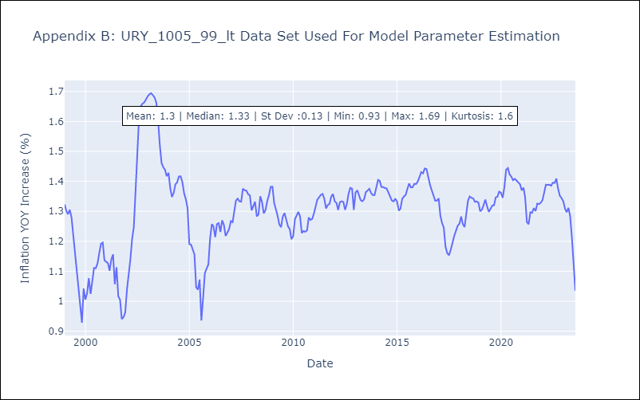

Appendix C: Residuals Analysis
Mean | -0.0
Variance | 0.0
White Noise? | No - Correlation at Lags [ 2 3 4 5 6 7 8 9 10 11 12]
Heteroskedastic? - ARCH | Yes
Normal? | No

