PAN_09
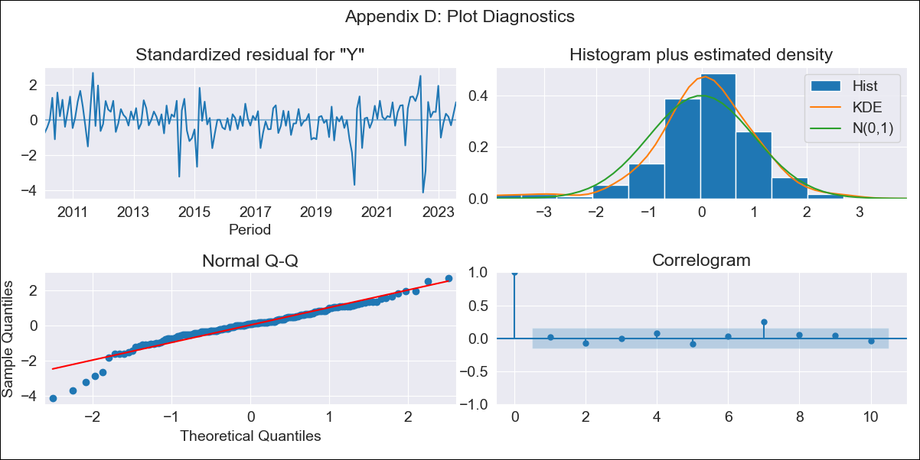

PAN_09 - Inflation - Next 12 months forecast as of: 2023-08-01

Model | ARIMA - [(2, 0, 0), (0, 0, 1, 12)]
Training Data | 2009-01-01 to 2022-09-01
Test Data | 2022-09-01 to 2023-08-01

Date | Inflation Change YoY % | Lower Bound - 95% Confidence Interval | Upper Bound - 95% Confidence Interval
2023-09-01 | 2.24 | 1.51 | 2.97
2023-10-01 | 2.17 | 1 | 3.33
2023-11-01 | 1.97 | 0.48 | 3.47
2023-12-01 | 1.75 | -0.01 | 3.51
2024-01-01 | 1.04 | -0.95 | 3.02
2024-02-01 | 1.17 | -1.01 | 3.35
2024-03-01 | 1.25 | -1.11 | 3.6
2024-04-01 | 1.13 | -1.38 | 3.65
2024-05-01 | 1.03 | -1.62 | 3.69
2024-06-01 | 1.09 | -1.69 | 3.87
2024-07-01 | 0.97 | -1.93 | 3.88
2024-08-01 | 0.6 | -2.41 | 3.62

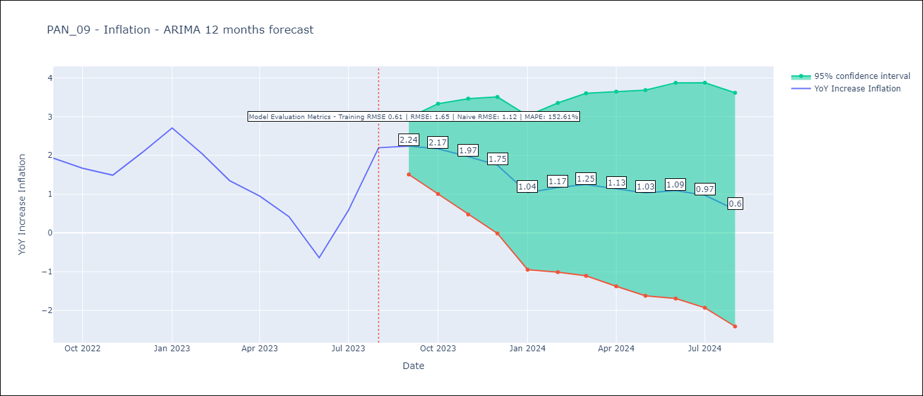

Test Metrics
RMSE | 1.65
Naive RMSE | 1.12
MAPE | 152.61%

Test Predictions
Date | Predicted | Actual
2022-09-01 | 1.5 | 1.93
2022-10-01 | 1.04 | 1.67
2022-11-01 | 0.61 | 1.49
2022-12-01 | 0.91 | 2.07
2023-01-01 | 0.73 | 2.71
2023-02-01 | 0.25 | 2.04
2023-03-01 | -0.34 | 1.35
2023-04-01 | -0.88 | 0.95
2023-05-01 | -1.49 | 0.42
2023-06-01 | -2.41 | -0.64
2023-07-01 | -1.38 | 0.58
2023-08-01 | -0.25 | 2.2

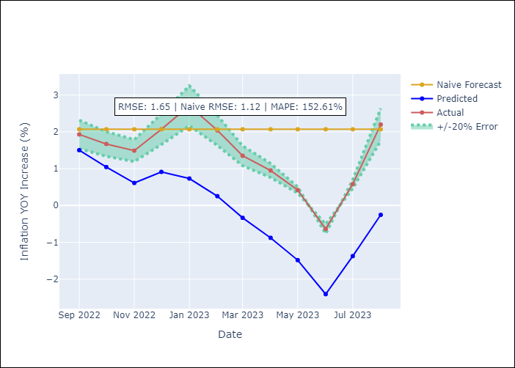

Appendix A: Model Summary
Model | ARIMA(2, 0, 0)x(0, 0, [1], 12)
Sample | 01-01-2009- 08-01-2023
No. of Observations | 176
Terms | P-value (Statistical significance)
const | 0.752
ar.L1 | 0.000
ar.L2 | 0.000
ma.S.L12 | 0.000
sigma2 | 0.000
Assumptions | P-value | Interpretation
Ljung-Box (L1) | 0.82 | Residuals are independent.
Heteroskedasticity | 0.08 | Residuals have the same variance.
Jarque-Bera | 0.00 | Residuals are not normally distributed.
Skew | -0.92 | Negative skew - Model overestimates the mean.
Kurtosis | 6.00 | Residuals contain more extreme outliers than in a normal distribution.

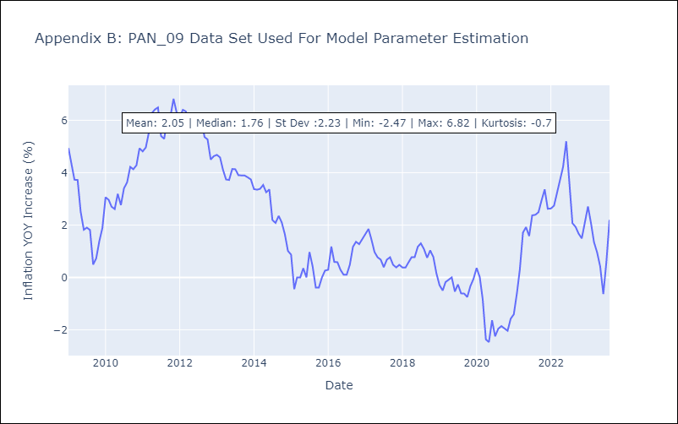

Appendix C: Residuals Analysis
Mean | 0.03
Variance | 0.31
White Noise? | Yes
Heteroskedastic? - ARCH | No
Normal? | No

