PAN_09_LT
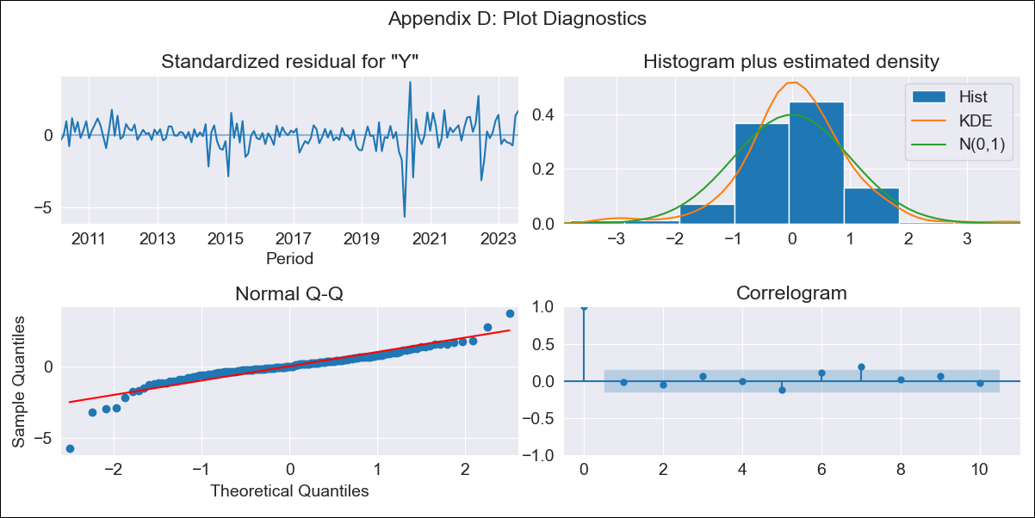

PAN_09_LT - Inflation - Next 12 months forecast as of: 2023-08-01

Model | ARIMA - [(1, 0, 1), (0, 0, 1, 12)]
Training Data | 2009-01-01 to 2022-09-01
Test Data | 2022-09-01 to 2023-08-01

Date | Inflation Change YoY % | Lower Bound - 95% Confidence Interval | Upper Bound - 95% Confidence Interval
2023-09-01 | 2.32 | 1.36 | 3.36
2023-10-01 | 2.34 | 0.89 | 3.95
2023-11-01 | 2.25 | 0.49 | 4.27
2023-12-01 | 1.87 | -0.07 | 4.18
2024-01-01 | 1.35 | -0.68 | 3.85
2024-02-01 | 1.45 | -0.76 | 4.22
2024-03-01 | 1.55 | -0.82 | 4.57
2024-04-01 | 1.7 | -0.84 | 4.95
2024-05-01 | 1.88 | -0.82 | 5.36
2024-06-01 | 2.11 | -0.76 | 5.83
2024-07-01 | 1.68 | -1.15 | 5.46
2024-08-01 | 1.07 | -1.62 | 4.84

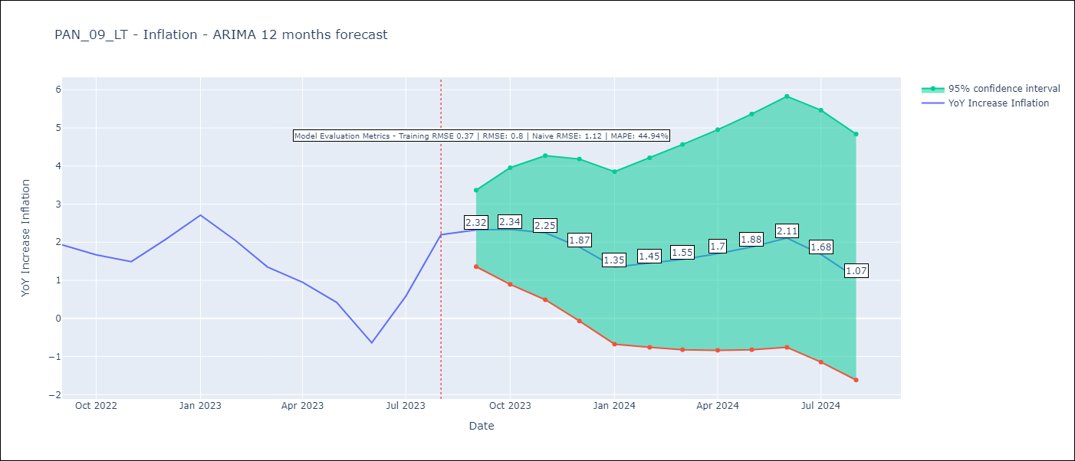

Test Metrics
RMSE | 0.8
Naive RMSE | 1.12
MAPE | 44.94%

Test Predictions
Date | Predicted | Actual
2022-09-01 | 1.8 | 1.93
2022-10-01 | 1.61 | 1.67
2022-11-01 | 1.36 | 1.49
2022-12-01 | 1.43 | 2.07
2023-01-01 | 1.28 | 2.71
2023-02-01 | 0.92 | 2.04
2023-03-01 | 0.51 | 1.35
2023-04-01 | 0.32 | 0.95
2023-05-01 | 0.09 | 0.42
2023-06-01 | -0.52 | -0.64
2023-07-01 | 0.09 | 0.58
2023-08-01 | 0.66 | 2.2

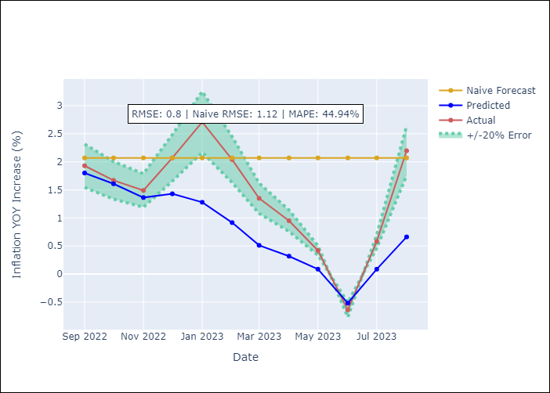

Appendix A: Model Summary
Model | ARIMA(1, 0, 1)x(0, 0, 1, 12)
Sample | 01-01-2009- 08-01-2023
No. of Observations | 176
Terms | P-value (Statistical significance)
const | 0.006
ar.L1 | 0.000
ma.L1 | 0.001
ma.S.L12 | 0.000
sigma2 | 0.000
Assumptions | P-value | Interpretation
Ljung-Box (L1) | 0.89 | Residuals are independent.
Heteroskedasticity | 0.00 | Residuals have different variances.
Jarque-Bera | 0.00 | Residuals are not normally distributed.
Skew | -1.18 | Negative skew - Model overestimates the mean.
Kurtosis | 10.52 | Residuals contain more extreme outliers than in a normal distribution.

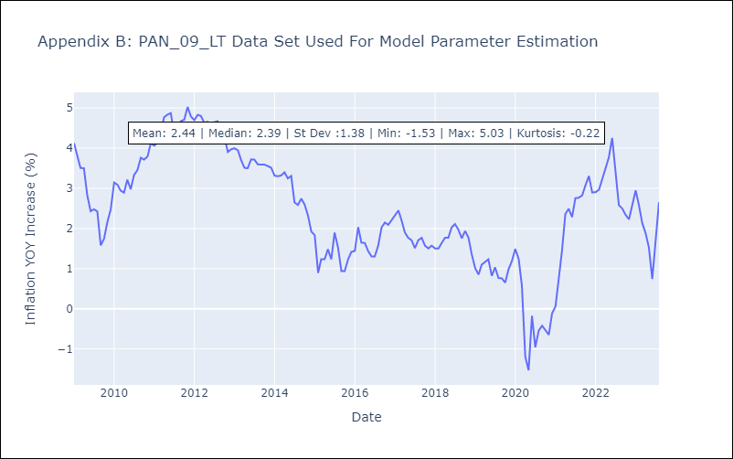

Appendix C: Residuals Analysis
Mean | 0.02
Variance | 0.13
White Noise? | Yes
Heteroskedastic? - ARCH | Yes
Normal? | No

