ARG
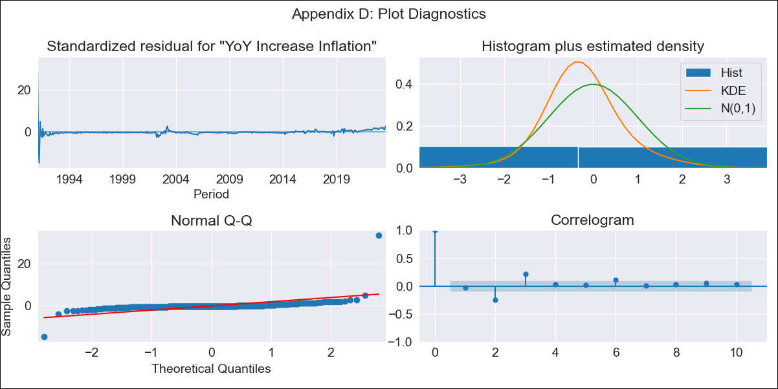
ARG - Inflation - Next 12 months forecast as of: 2023-08-01

Model | VARMAX - [(2, 1, 0), (1, 0, 0, 12)] | Exogenous Variables | Exchange rates (nominal), Monetary Policiy rate, M1 money supply ($mm local currency)
Training Data | 1991-01-01 to 2022-09-01
Test Data | 2022-09-01 to 2023-08-01

Date | Inflation Change YoY % | Lower Bound - 95% Confidence Interval | Upper Bound - 95% Confidence Interval
2023-09-01 | 119.6 | 102.1 | 137.1
2023-10-01 | 108.62 | 84.39 | 132.85
2023-11-01 | 99.34 | 70.93 | 127.76
2023-12-01 | 91.79 | 60.16 | 123.41
2024-01-01 | 85.15 | 51.03 | 119.27
2024-02-01 | 79.1 | 43.09 | 115.1
2024-03-01 | 73.52 | 36.09 | 110.94
2024-04-01 | 68.38 | 29.87 | 106.88
2024-05-01 | 63.65 | 24.31 | 102.98
2024-06-01 | 59.3 | 19.32 | 99.27
2024-07-01 | 55.32 | 14.84 | 95.81
2024-08-01 | 51.69 | 10.8 | 92.59

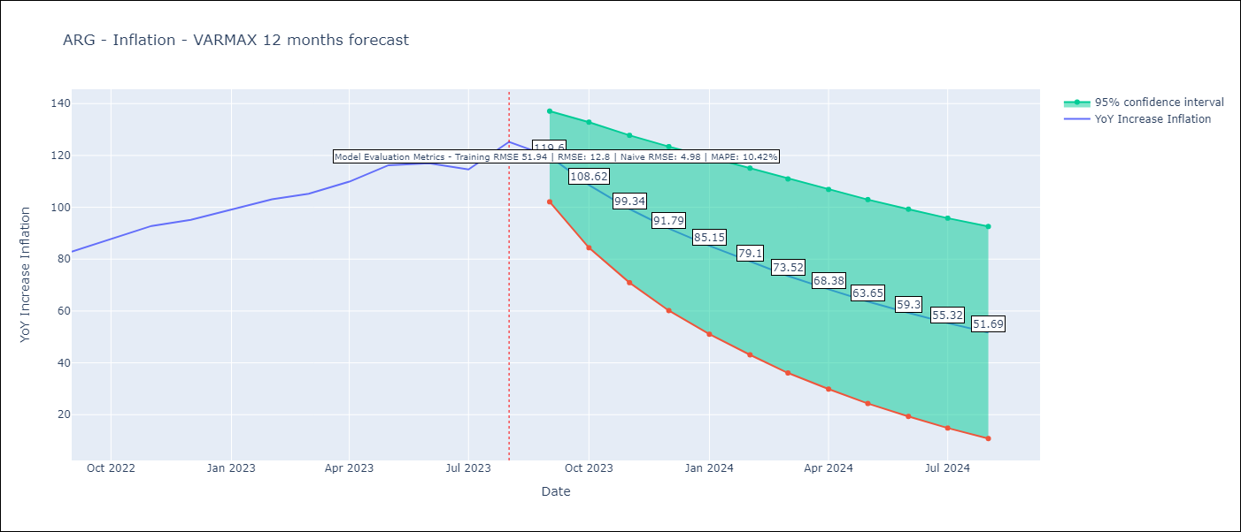

Test Metrics
RMSE | 12.8
Naive RMSE | 4.98
MAPE | 10.42%

Test Predictions
Date | Predicted | Actual
2022-09-01 | 83.26 | 82.9
2022-10-01 | 85.34 | 87.8
2022-11-01 | 86.43 | 92.82
2022-12-01 | 87.31 | 95.19
2023-01-01 | 88.39 | 99.01
2023-02-01 | 89.86 | 103.06
2023-03-01 | 91.76 | 105.25
2023-04-01 | 94.07 | 109.89
2023-05-01 | 96.78 | 116.26
2023-06-01 | 99.85 | 116.97
2023-07-01 | 103.24 | 114.59
2023-08-01 | 106.92 | 125.24

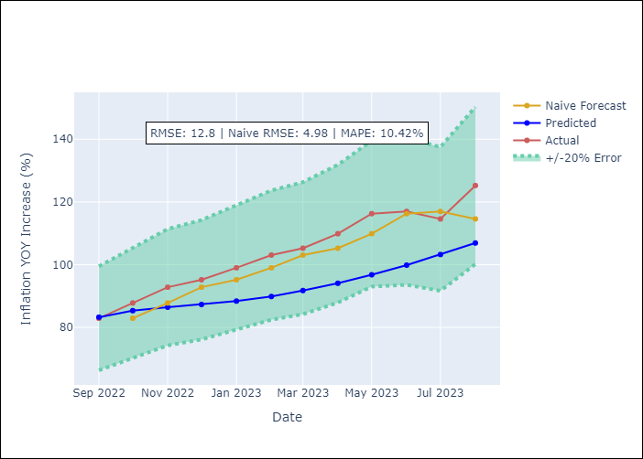

Appendix A: Model Summary
Model | VAR(2)
Sample | 01-01-1991- 08-01-2023
No. of Observations | 392
Terms | P-value (Statistical significance)
intercept | 0.005
L1.YoY Increase Inflation | 0.000
L1.Exchange rates (nominal) | 0.000
L1.Monetary Policiy rate | 0.894
L1.M1 money supply ($mm local currency) | 0.003
L2.YoY Increase Inflation | 0.016
L2.Exchange rates (nominal) | 0.000
L2.Monetary Policiy rate | 0.584
L2.M1 money supply ($mm local currency) | 0.002
Assumptions | P-value | Interpretation
Ljung-Box (L1) | 0.63, 0.00, nan, 0.10
Heteroskedasticity | 0.00, 0.00, nan, 0.00
Jarque-Bera | 0.00, 0.00, 0.00, 0.00
Skew | 11.18, -9.34, -7.60, 6.75
Kurtosis | 211.92, 134.57, 104.86, 100.04

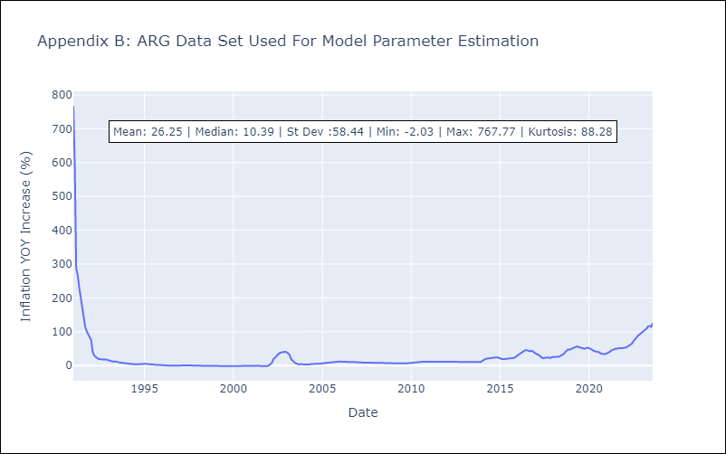

Appendix C: Residuals Analysis
Mean | -0.48
White Noise? | No - Correlation at Lags [2 3 4 5 6]
Normal? | Yes

