ARG
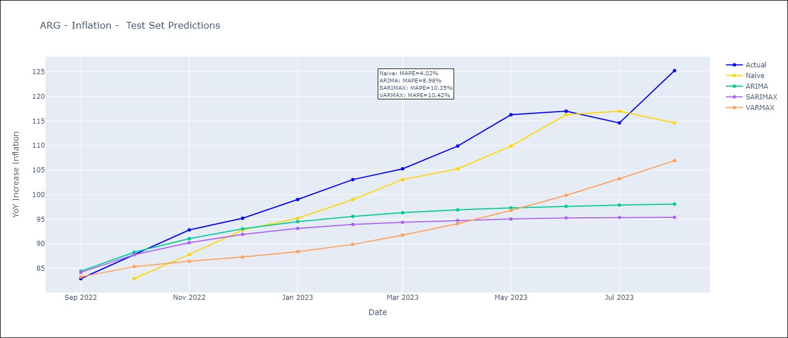
W
 | ARG - Inflation - Next 12 months forecast as of: 2023-08-01

 | Models | ARIMA - [(2, 1, 0), (1, 0, 0, 12)] | SARIMAX - [(2, 1, 0), (1, 0, 0, 12)] | VARMAX - [(2, 1, 0), (1, 0, 0, 12)]
 | Training Data | 1991-01-01 to 2022-09-01 | 2003-11-01 to 2022-09-01 | 1991-01-01 to 2022-09-01
 | Test Data | 2022-09-01 to 2023-08-01 | 2022-09-01 to 2023-08-01 | 2022-09-01 to 2023-08-01
 | Exogenous Variables | Exchange rates (nominal), Monetary Policiy rate, M1 money supply ($mm local currency)
 | Exogenous Variables | Exchange rates (nominal), Monetary Policiy rate, M1 money supply ($mm local currency)

 | Date | ARIMA | SARIMAX | VARMAX
 | 2023-09-01 | 132.34 | 130.79 | 119.6
 | 2023-10-01 | 137.61 | 135.36 | 108.62
 | 2023-11-01 | 141.48 | 138.58 | 99.34
 | 2023-12-01 | 144.3 | 142.52 | 91.79
 | 2024-01-01 | 146.39 | 145.11 | 85.15
 | 2024-02-01 | 147.94 | 146.93 | 79.1
 | 2024-03-01 | 149.07 | 148.92 | 73.52
 | 2024-04-01 | 149.93 | 149.38 | 68.38
 | 2024-05-01 | 150.61 | 148.82 | 63.65
 | 2024-06-01 | 151.05 | 150.62 | 59.3
 | 2024-07-01 | 151.33 | 153.53 | 55.32
 | 2024-08-01 | 151.71 | 149.39 | 51.69

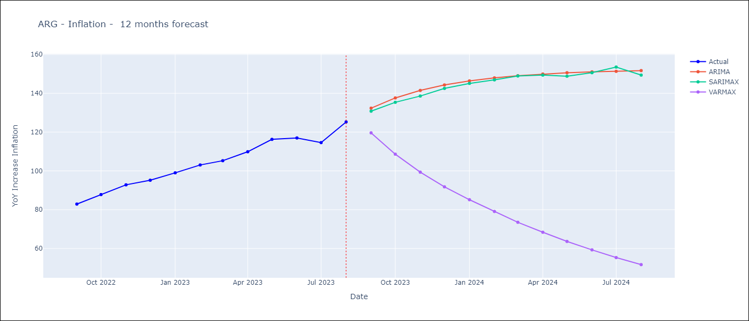

 | Test Metrics
 | ARIMA | 8.98%
 | ARIMAX | 10.35%
 | VARMAX

 | Test Predictions
 | Date | Actual | Predicted (ARIMA) | Predicted (ARIMAX) | Predicted (VARMAX)
 | 2022-09-01 | 82.9 | 84.43 | 84.18 | 83.26
 | 2022-10-01 | 87.8 | 88.28 | 87.77 | 85.34
 | 2022-11-01 | 92.82 | 91.04 | 90.22 | 86.43
 | 2022-12-01 | 95.19 | 93.05 | 91.91 | 87.31
 | 2023-01-01 | 99.01 | 94.5 | 93.12 | 88.39
 | 2023-02-01 | 103.06 | 95.56 | 93.92 | 89.86
 | 2023-03-01 | 105.25 | 96.33 | 94.36 | 91.76
 | 2023-04-01 | 109.89 | 96.9 | 94.73 | 94.07
 | 2023-05-01 | 116.26 | 97.31 | 95.03 | 96.78
 | 2023-06-01 | 116.97 | 97.62 | 95.26 | 99.85
 | 2023-07-01 | 114.59 | 97.87 | 95.35 | 103.24
 | 2023-08-01 | 125.24 | 98.07 | 95.38 | 106.92

