Argentina
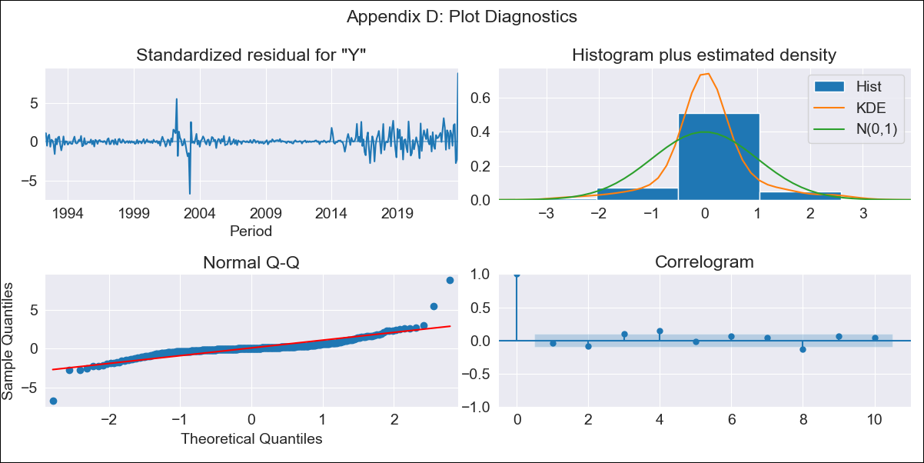
Argentina - Inflation - Next 12 months forecast as of: 2023-08-01

Model | ARIMA - [(2, 1, 0), (1, 0, 0, 12)]
Training Data | 1991-01-01 to 2022-09-01
Test Data | 2022-09-01 to 2023-08-01

Date | Inflation Change YoY % | Lower Bound - 95% Confidence Interval | Upper Bound - 95% Confidence Interval
2023-09-01 | 132.34 | 129.62 | 135.06
2023-10-01 | 137.61 | 132.29 | 142.92
2023-11-01 | 141.48 | 133.51 | 149.44
2023-12-01 | 144.3 | 133.75 | 154.85
2024-01-01 | 146.39 | 133.36 | 159.43
2024-02-01 | 147.94 | 132.55 | 163.33
2024-03-01 | 149.07 | 131.45 | 166.69
2024-04-01 | 149.93 | 130.21 | 169.66
2024-05-01 | 150.61 | 128.9 | 172.32
2024-06-01 | 151.05 | 127.46 | 174.64
2024-07-01 | 151.33 | 125.96 | 176.7
2024-08-01 | 151.71 | 124.64 | 178.77

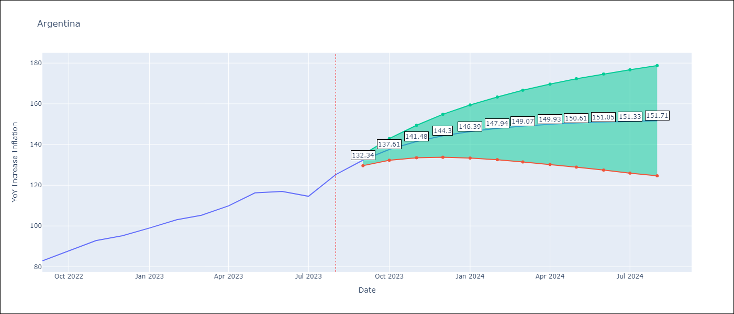

Test Metrics
RMSE | 13.19
Naive RMSE | 4.98
MAPE | 8.98%

Test Predictions
Date | Predicted | Actual
2022-09-01 | 84.43 | 82.9
2022-10-01 | 88.28 | 87.8
2022-11-01 | 91.04 | 92.82
2022-12-01 | 93.05 | 95.19
2023-01-01 | 94.5 | 99.01
2023-02-01 | 95.56 | 103.06
2023-03-01 | 96.33 | 105.25
2023-04-01 | 96.9 | 109.89
2023-05-01 | 97.31 | 116.26
2023-06-01 | 97.62 | 116.97
2023-07-01 | 97.87 | 114.59
2023-08-01 | 98.07 | 125.24

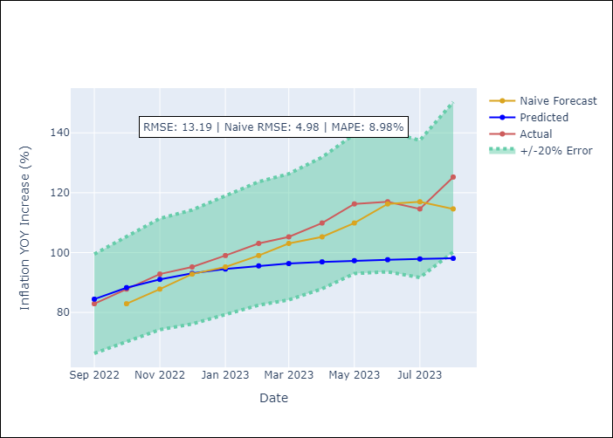

Appendix A: Model Summary
Model | ARIMA(2, 1, 0)x(1, 0, 0, 12)
Sample | 01-01-1991- 08-01-2023
No. of Observations | 392
Terms | P-value (Statistical significance)
ar.L1 | 0.000
ar.L2 | 0.334
ar.S.L12 | 0.124
sigma2 | 0.000

Assumptions | P-value | Interpretation
Ljung-Box (L1) | 0.48
Heteroskedasticity | 0.00
Jarque-Bera | 0.00
Skew | 1.42
Kurtosis | 25.60

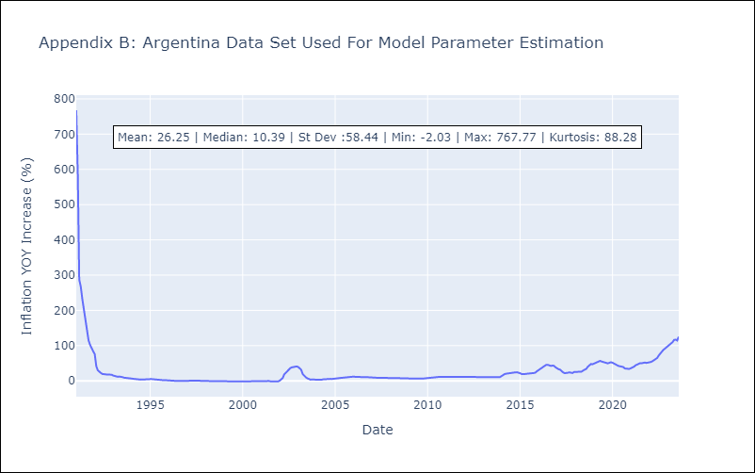

Appendix C: Residuals Analysis
Mean | 0.83
White Noise? | No - Correlation at Lags [ 1 2 3 4 5 6 7 8 9 10 11 12]
Normal? | No

El Salvador
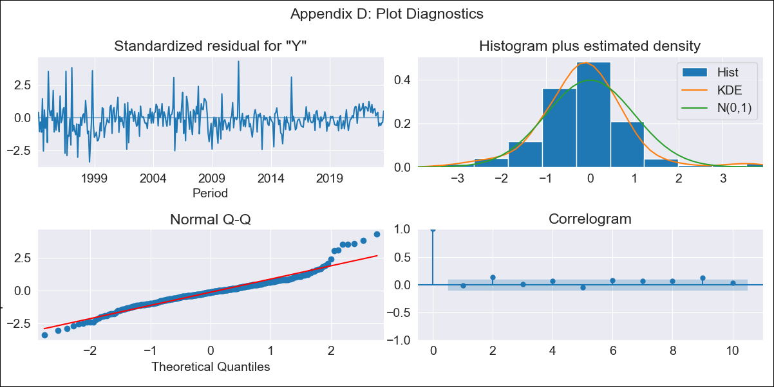
El Salvador - Inflation - Next 12 months forecast as of: 2023-08-01

Model | ARIMA - [(2, 0, 1), (3, 0, 0, 12)]
Training Data | 1991-01-01 to 2022-09-01
Test Data | 2022-09-01 to 2023-08-01

Date | Inflation Change YoY % | Lower Bound - 95% Confidence Interval | Upper Bound - 95% Confidence Interval
2023-09-01 | 2.91 | 1.66 | 4.16
2023-10-01 | 2.63 | 0.84 | 4.43
2023-11-01 | 2.39 | 0.18 | 4.59
2023-12-01 | 2.4 | -0.13 | 4.94
2024-01-01 | 2.36 | -0.46 | 5.18
2024-02-01 | 2.28 | -0.79 | 5.35
2024-03-01 | 2.7 | -0.6 | 5.99
2024-04-01 | 3.03 | -0.47 | 6.52
2024-05-01 | 3.35 | -0.33 | 7.03
2024-06-01 | 3.67 | -0.18 | 7.52
2024-07-01 | 3.99 | -0.01 | 8
2024-08-01 | 3.9 | -0.25 | 8.05

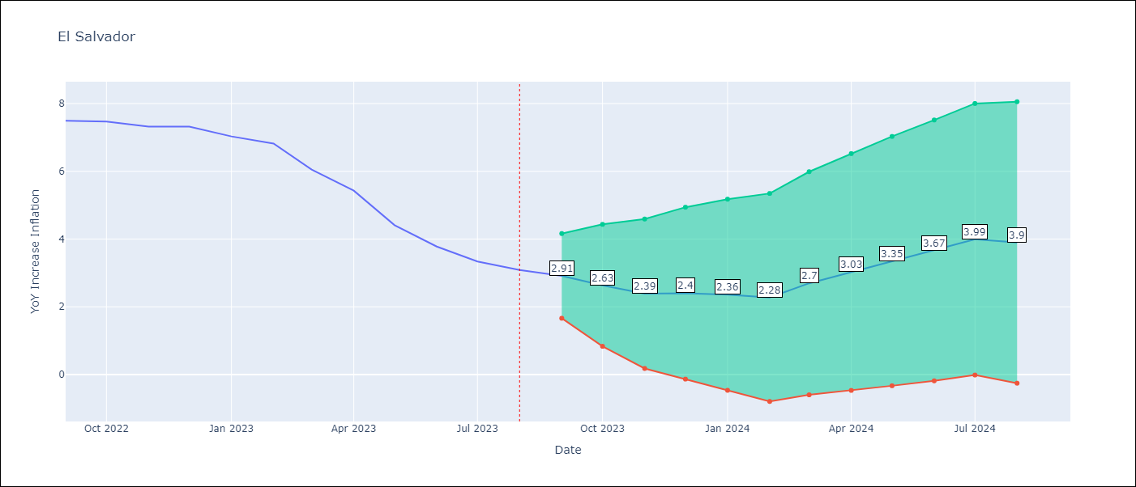

Test Metrics
RMSE | 0.77
Naive RMSE | 0.51
MAPE | 9.8%

Test Predictions
Date | Predicted | Actual
2022-09-01 | 7.36 | 7.49
2022-10-01 | 6.98 | 7.47
2022-11-01 | 6.4 | 7.32
2022-12-01 | 6.3 | 7.32
2023-01-01 | 5.85 | 7.03
2023-02-01 | 5.4 | 6.82
2023-03-01 | 5.05 | 6.05
2023-04-01 | 4.74 | 5.43
2023-05-01 | 4.16 | 4.41
2023-06-01 | 3.8 | 3.78
2023-07-01 | 3.58 | 3.34
2023-08-01 | 3.01 | 3.09

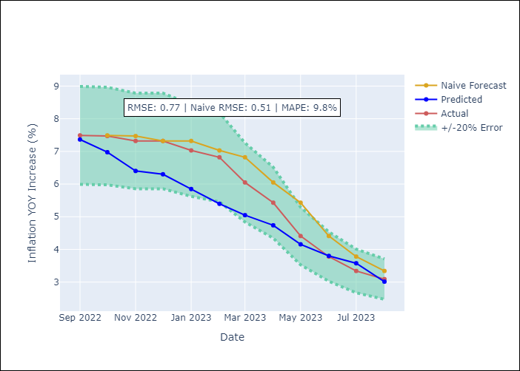

Appendix A: Model Summary
Model | ARIMA(2, 0, 1)x(3, 0, [], 12)
Sample | 01-01-1991- 08-01-2023
No. of Observations | 392
Terms | P-value (Statistical significance)
const | 0.000
ar.L1 | 0.006
ar.L2 | 0.920
ma.L1 | 0.968
ar.S.L12 | 0.000
ar.S.L24 | 0.000
ar.S.L36 | 0.000
sigma2 | 0.000

Assumptions | P-value | Interpretation
Ljung-Box (L1) | 0.71
Heteroskedasticity | 0.00
Jarque-Bera | 0.00
Skew | 0.57
Kurtosis | 6.11

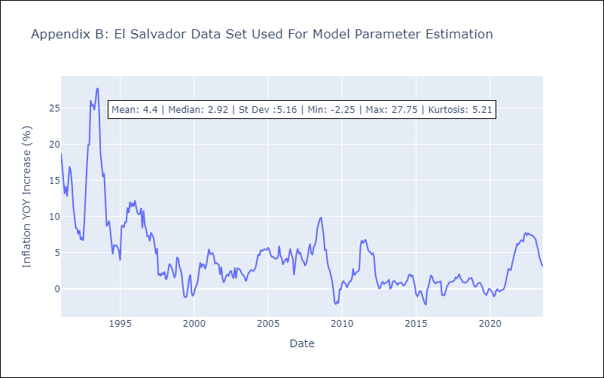

Appendix C: Residuals Analysis
Mean | 0.01
White Noise? | No - Correlation at Lags [ 6 7 8 10 11 12]
Normal? | No

Guatemala
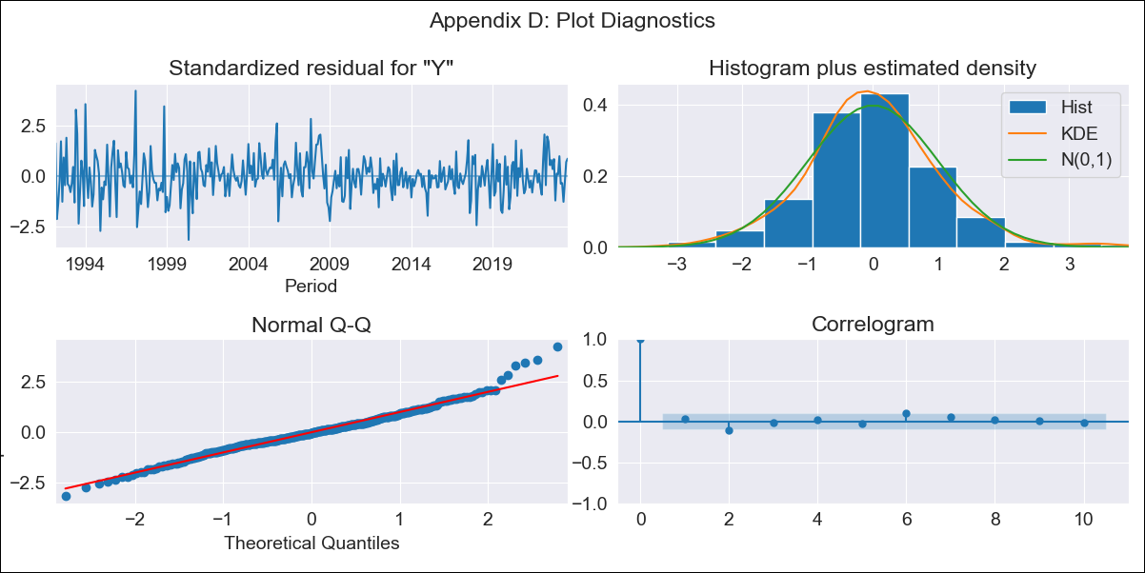
Guatemala - Inflation - Next 12 months forecast as of: 2023-08-01

Model | ARIMA - [(2, 0, 0), (1, 0, 1, 12)]
Training Data | 1991-01-01 to 2022-09-01
Test Data | 2022-09-01 to 2023-08-01

Date | Inflation Change YoY % | Lower Bound - 95% Confidence Interval | Upper Bound - 95% Confidence Interval
2023-09-01 | 4.29 | 3.3 | 5.29
2023-10-01 | 3.79 | 2.17 | 5.41
2023-11-01 | 4.25 | 2.14 | 6.36
2023-12-01 | 4.3 | 1.79 | 6.81
2024-01-01 | 4.21 | 1.36 | 7.06
2024-02-01 | 3.75 | 0.6 | 6.89
2024-03-01 | 3.94 | 0.53 | 7.35
2024-04-01 | 4.15 | 0.5 | 7.8
2024-05-01 | 4.98 | 1.11 | 8.85
2024-06-01 | 5.48 | 1.41 | 9.56
2024-07-01 | 5.31 | 1.05 | 9.57
2024-08-01 | 4.87 | 0.44 | 9.31

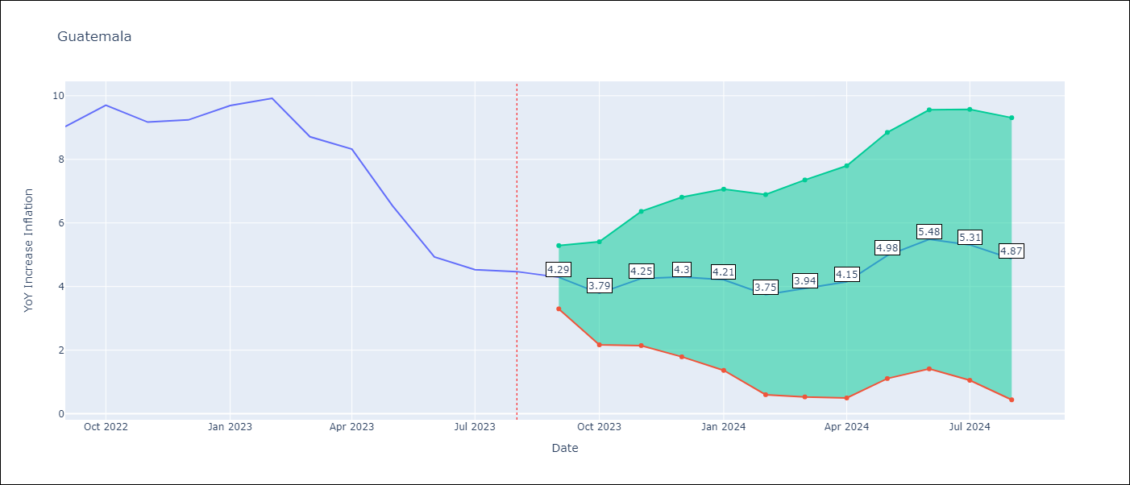

Test Metrics
RMSE | 0.43
Naive RMSE | 0.88
MAPE | 5.13%

Test Predictions
Date | Predicted | Actual
2022-09-01 | 8.84 | 9.03
2022-10-01 | 9.03 | 9.7
2022-11-01 | 8.97 | 9.17
2022-12-01 | 9.11 | 9.24
2023-01-01 | 9.53 | 9.69
2023-02-01 | 9.24 | 9.92
2023-03-01 | 8.07 | 8.71
2023-04-01 | 7.87 | 8.32
2023-05-01 | 6.79 | 6.54
2023-06-01 | 5.53 | 4.93
2023-07-01 | 4.86 | 4.53
2023-08-01 | 4.28 | 4.47

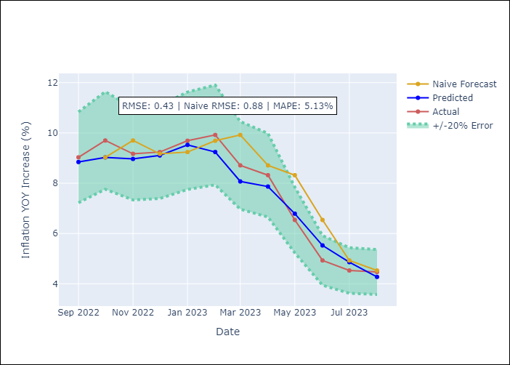

Appendix A: Model Summary
Model | ARIMA(2, 0, 0)x(1, 0, [1], 12)
Sample | 01-01-1991- 08-01-2023
No. of Observations | 392
Terms | P-value (Statistical significance)
const | 0.000
ar.L1 | 0.000
ar.L2 | 0.000
ar.S.L12 | 0.000
ma.S.L12 | 0.000
sigma2 | 0.000

Assumptions | P-value | Interpretation
Ljung-Box (L1) | 0.51
Heteroskedasticity | 0.00
Jarque-Bera | 0.00
Skew | 0.36
Kurtosis | 4.51

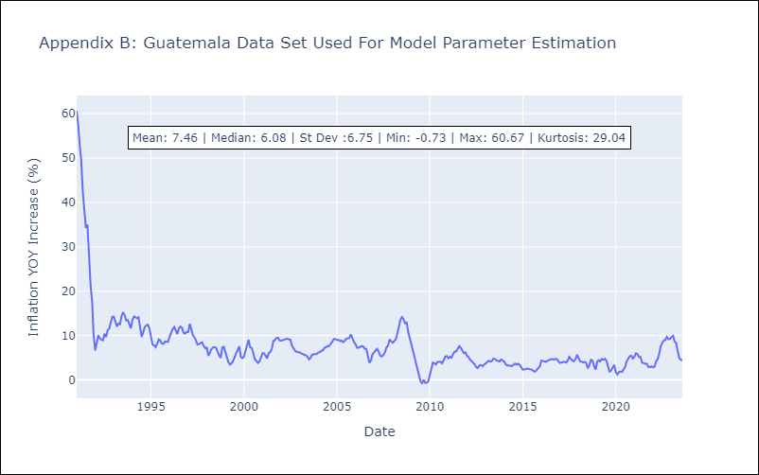

Appendix C: Residuals Analysis
Mean | 0.03
White Noise? | No - Correlation at Lags [ 1 2 3 4 5 6 7 8 9 10 11 12]
Normal? | No

Peru
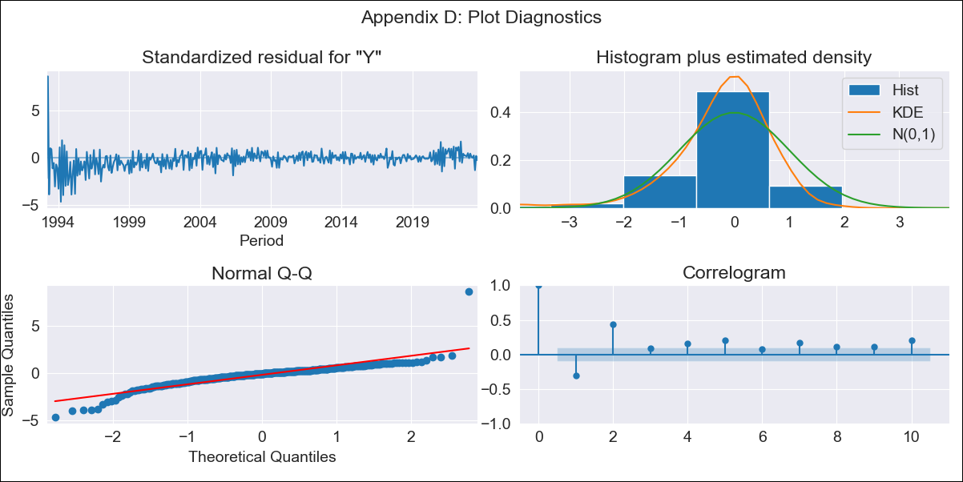
Peru - Inflation - Next 12 months forecast as of: 2023-08-01

Model | ARIMA - [(1, 1, 2), (3, 0, 1, 12)]
Training Data | 1990-01-01 to 2022-09-01
Test Data | 2022-09-01 to 2023-08-01

Date | Inflation Change YoY % | Lower Bound - 95% Confidence Interval | Upper Bound - 95% Confidence Interval
2023-09-01 | 5.5 | 4.34 | 6.66
2023-10-01 | 5.33 | 3.02 | 7.63
2023-11-01 | 5.21 | 2.09 | 8.34
2023-12-01 | 4.99 | 1.22 | 8.76
2024-01-01 | 4.88 | 0.56 | 9.2
2024-02-01 | 4.72 | -0.09 | 9.53
2024-03-01 | 4.58 | -0.68 | 9.83
2024-04-01 | 4.54 | -1.12 | 10.21
2024-05-01 | 4.46 | -1.59 | 10.5
2024-06-01 | 4.91 | -1.49 | 11.31
2024-07-01 | 5.2 | -1.54 | 11.94
2024-08-01 | 5.31 | -1.76 | 12.37

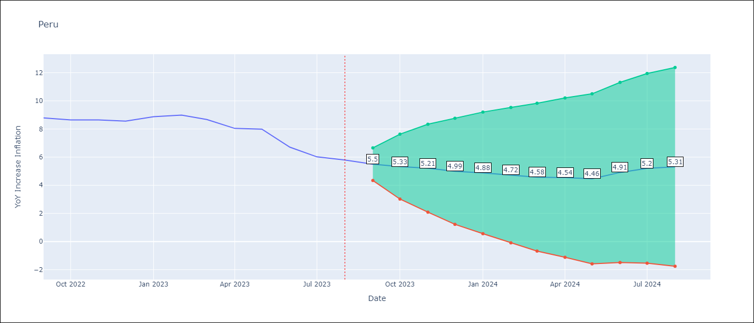

Test Metrics
RMSE | 0.91
Naive RMSE | 0.51
MAPE | 9.24%

Test Predictions
Date | Predicted | Actual
2022-09-01 | 8.72 | 8.79
2022-10-01 | 8.28 | 8.64
2022-11-01 | 8.17 | 8.64
2022-12-01 | 7.76 | 8.56
2023-01-01 | 7.91 | 8.87
2023-02-01 | 7.78 | 8.99
2023-03-01 | 7.29 | 8.67
2023-04-01 | 6.67 | 8.04
2023-05-01 | 6.51 | 7.99
2023-06-01 | 5.99 | 6.71
2023-07-01 | 5.79 | 6.02
2023-08-01 | 5.74 | 5.79

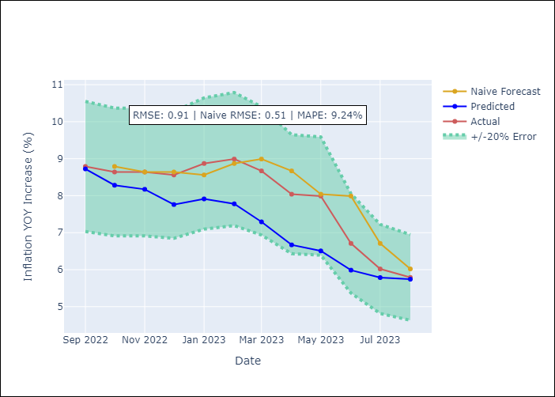

Appendix A: Model Summary
Model | ARIMA(1, 1, 2)x(3, 0, [1], 12)
Sample | 01-01-1990- 08-01-2023
No. of Observations | 404
Terms | P-value (Statistical significance)
ar.L1 | 0.839
ma.L1 | 0.000
ma.L2 | 0.538
ar.S.L12 | 0.951
ar.S.L24 | 0.000
ar.S.L36 | 0.000
ma.S.L12 | 0.000
sigma2 | 0.000

Assumptions | P-value | Interpretation
Ljung-Box (L1) | 0.00
Heteroskedasticity | 0.00
Jarque-Bera | 0.00
Skew | 0.71
Kurtosis | 20.68

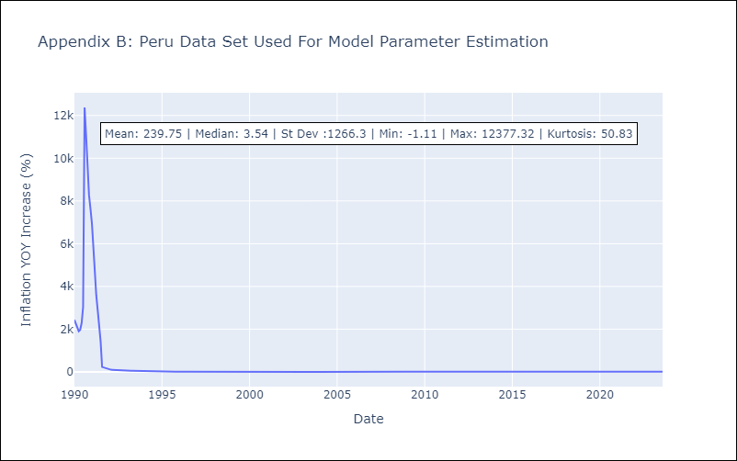

Appendix C: Residuals Analysis
Mean | 0.09
White Noise? | No - Correlation at Lags [ 7 8 9 10 11 12]
Normal? | No

