Bolivia
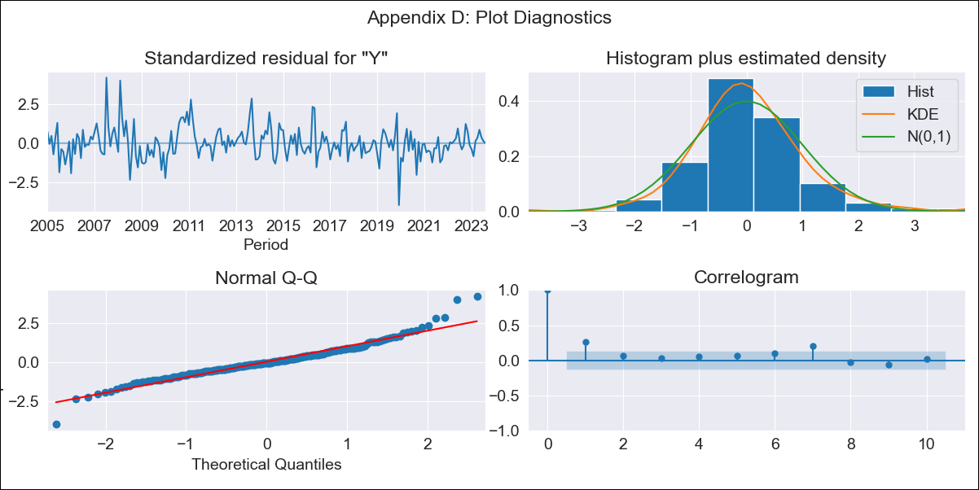
Bolivia - Inflation - Next 12 months forecast as of: 2023-08-01

Model | SARIMAX - [(1, 0, 0), (0, 0, 1, 12)] | Exogenous Variables | Exchange rates (nominal), Monetary Policiy rate, M1 money supply ($mm local currency)
Training Data | 2003-12-01 to 2022-09-01
Test Data | 2022-09-01 to 2023-08-01

Date | Inflation Change YoY % | Lower Bound - 95% Confidence Interval | Upper Bound - 95% Confidence Interval
2023-09-01 | 3.3 | 2.39 | 4.21
2023-10-01 | 2.73 | 1.44 | 4.01
2023-11-01 | 2.35 | 0.78 | 3.92
2023-12-01 | 2.46 | 0.66 | 4.27
2024-01-01 | 2.56 | 0.55 | 4.57
2024-02-01 | 3.09 | 0.89 | 5.29
2024-03-01 | 3.07 | 0.7 | 5.44
2024-04-01 | 2.97 | 0.44 | 5.49
2024-05-01 | 2.58 | -0.09 | 5.25
2024-06-01 | 2.42 | -0.39 | 5.23
2024-07-01 | 2.31 | -0.63 | 5.25
2024-08-01 | 2.35 | -0.71 | 5.42

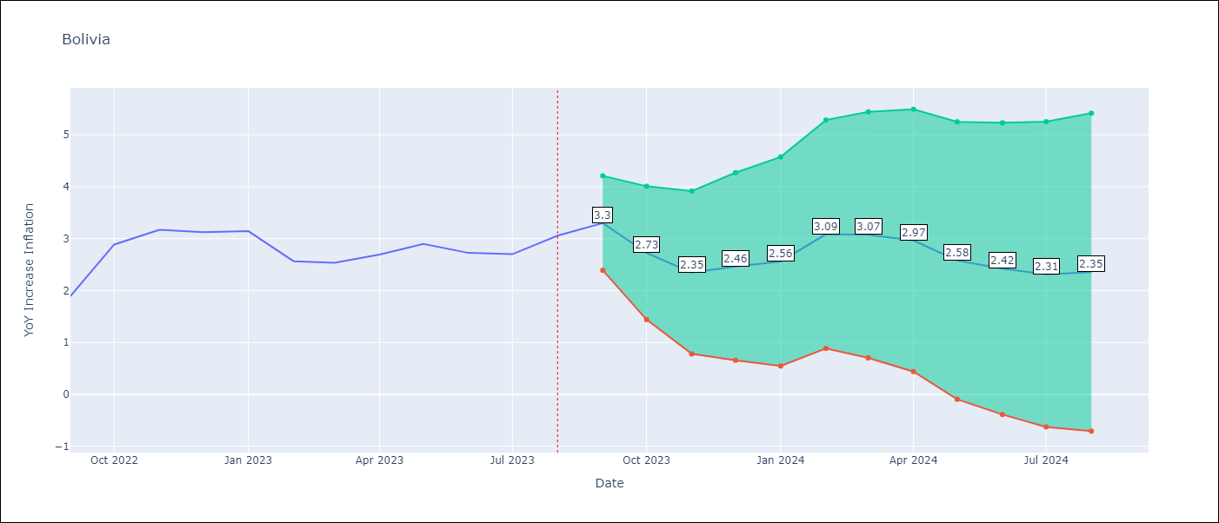

Test Metrics
RMSE | 0.47
Naive RMSE | 0.38
MAPE | 15.3%

Test Predictions
Date | Predicted | Actual
2022-09-01 | 2.08 | 1.89
2022-10-01 | 2.48 | 2.89
2022-11-01 | 2.49 | 3.17
2022-12-01 | 2.5 | 3.12
2023-01-01 | 2.69 | 3.14
2023-02-01 | 2.99 | 2.57
2023-03-01 | 3.11 | 2.53
2023-04-01 | 3 | 2.7
2023-05-01 | 2.83 | 2.9
2023-06-01 | 2.33 | 2.73
2023-07-01 | 2.29 | 2.7
2023-08-01 | 2.42 | 3.06

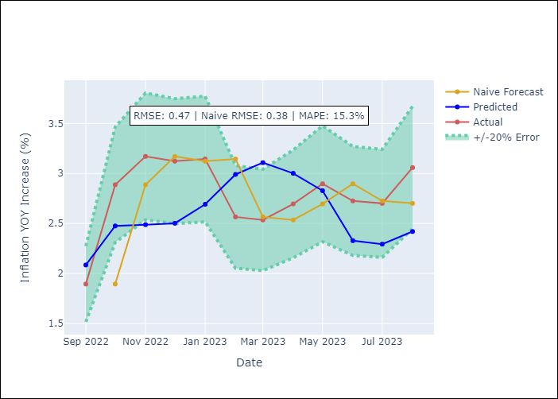

Appendix A: Model Summary
Model | SARIMAX(1, 0, 0)x(0, 0, [1], 12)
Sample | 12-01-2003- 08-01-2023
No. of Observations | 237
Terms | P-value (Statistical significance)
Exchange rates (nominal) | 0.000
Monetary Policiy rate | 0.019
M1 money supply ($mm local currency) | 0.048
ar.L1 | 0.000
ma.S.L12 | 0.992
sigma2 | 0.992

Assumptions | P-value | Interpretation
Ljung-Box (L1) | 0.00
Heteroskedasticity | 0.00
Jarque-Bera | 0.00
Skew | 0.52
Kurtosis | 5.95

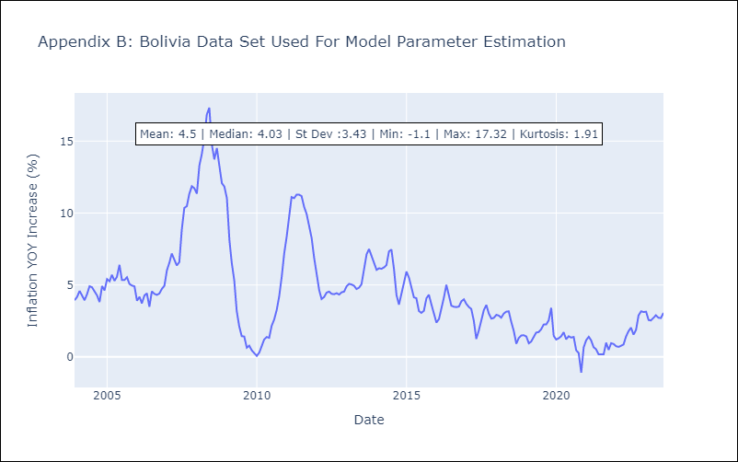

Appendix C: Residuals Analysis
Mean | 0.04
White Noise? | No - Correlation at Lags [1]
Normal? | No

Brazil
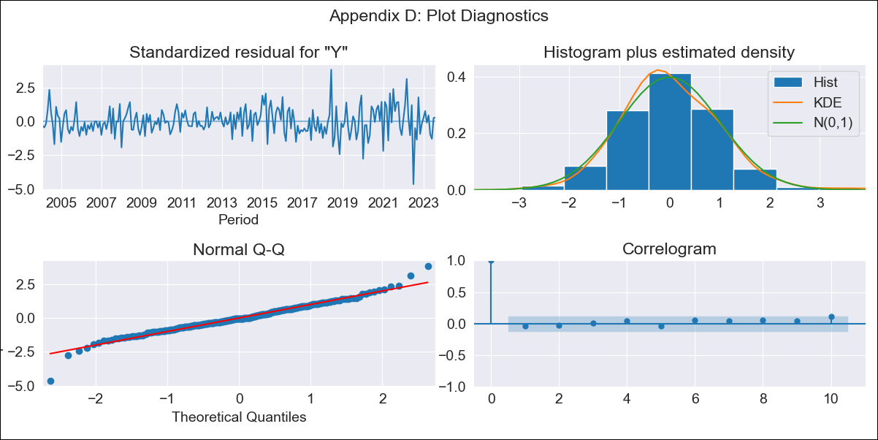
Brazil - Inflation - Next 12 months forecast as of: 2023-08-01

Model | SARIMAX - [(1, 1, 0), (0, 0, 1, 12)] | Exogenous Variables | Exchange rates (nominal), Monetary Policiy rate, M1 money supply ($mm local currency)
Training Data | 2002-12-01 to 2022-09-01
Test Data | 2022-09-01 to 2023-08-01

Date | Inflation Change YoY % | Lower Bound - 95% Confidence Interval | Upper Bound - 95% Confidence Interval
2023-09-01 | 5.32 | 4.78 | 5.87
2023-10-01 | 5.28 | 4.26 | 6.3
2023-11-01 | 5.45 | 3.99 | 6.9
2023-12-01 | 5.57 | 3.72 | 7.42
2024-01-01 | 5.6 | 3.39 | 7.8
2024-02-01 | 5.39 | 2.86 | 7.92
2024-03-01 | 5.24 | 2.42 | 8.06
2024-04-01 | 5.02 | 1.93 | 8.11
2024-05-01 | 5.13 | 1.79 | 8.47
2024-06-01 | 5.55 | 1.98 | 9.13
2024-07-01 | 5.71 | 1.92 | 9.51
2024-08-01 | 5.71 | 1.7 | 9.72

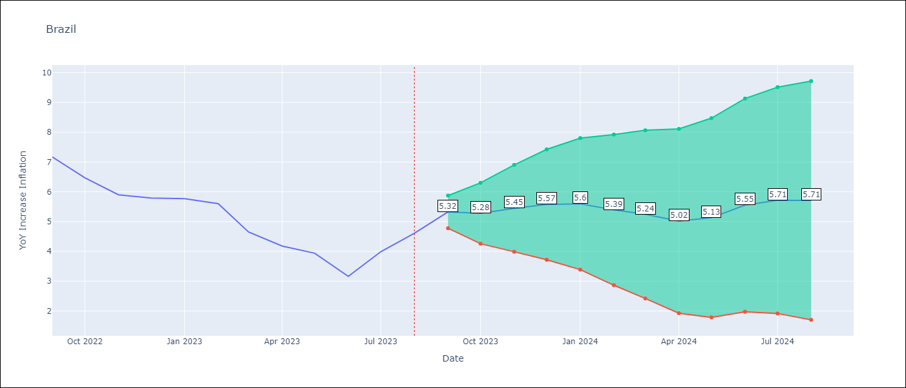

Test Metrics
RMSE | 0.32
Naive RMSE | 0.58
MAPE | 5.78%

Test Predictions
Date | Predicted | Actual
2022-09-01 | 7.59 | 7.17
2022-10-01 | 6.61 | 6.47
2022-11-01 | 6.1 | 5.9
2022-12-01 | 6.06 | 5.79
2023-01-01 | 6 | 5.77
2023-02-01 | 5.6 | 5.6
2023-03-01 | 4.54 | 4.65
2023-04-01 | 3.88 | 4.18
2023-05-01 | 3.81 | 3.94
2023-06-01 | 3.5 | 3.16
2023-07-01 | 4.54 | 3.99
2023-08-01 | 5.15 | 4.61

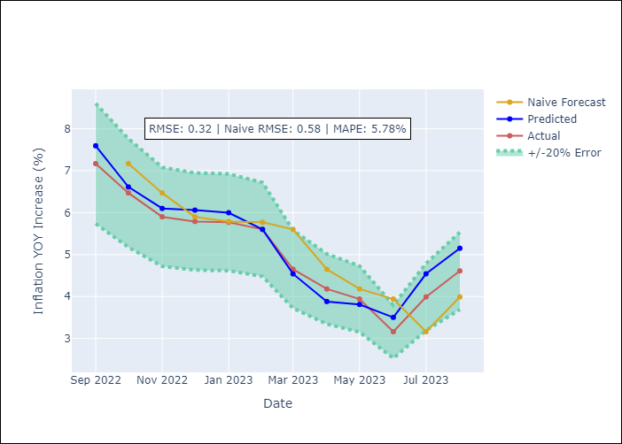

Appendix A: Model Summary
Model | SARIMAX(1, 1, 0)x(0, 0, [1], 12)
Sample | 12-01-2002- 08-01-2023
No. of Observations | 249
Terms | P-value (Statistical significance)
Exchange rates (nominal) | 0.024
Monetary Policiy rate | 0.959
M1 money supply ($mm local currency) | 0.008
ar.L1 | 0.000
ma.S.L12 | 0.000
sigma2 | 0.000

Assumptions | P-value | Interpretation
Ljung-Box (L1) | 0.57
Heteroskedasticity | 0.00
Jarque-Bera | 0.00
Skew | -0.05
Kurtosis | 5.26

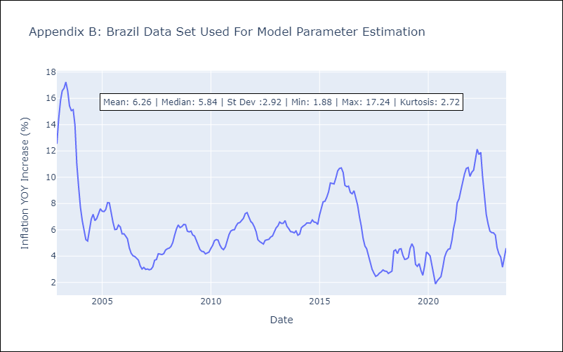

Appendix C: Residuals Analysis
Mean | 0.02
White Noise? | Yes
Normal? | No

Colombia
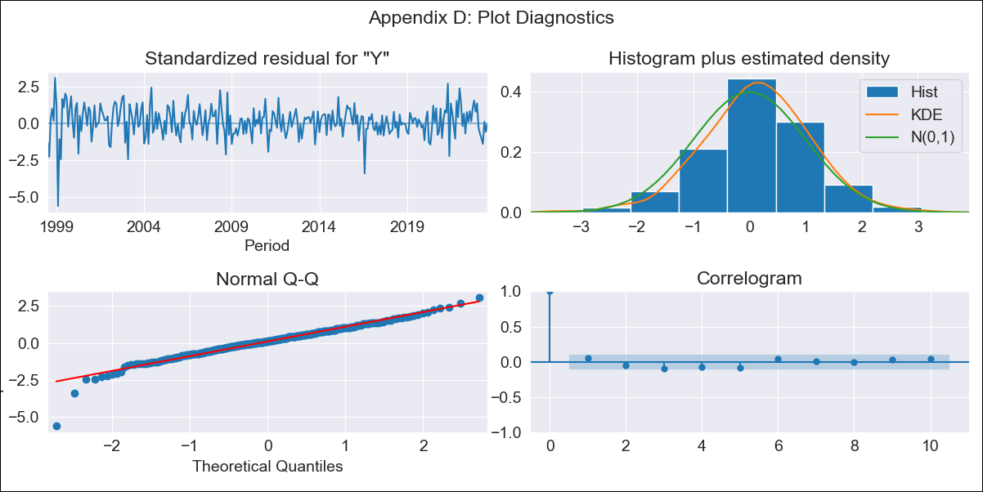
Colombia - Inflation - Next 12 months forecast as of: 2023-08-01

Model | SARIMAX - [(1, 2, 1), (2, 0, 1, 12)] | Exogenous Variables | Exchange rates (nominal), Monetary Policiy rate, M1 money supply ($mm local currency)
Training Data | 1996-04-01 to 2022-09-01
Test Data | 2022-09-01 to 2023-08-01

Date | Inflation Change YoY % | Lower Bound - 95% Confidence Interval | Upper Bound - 95% Confidence Interval
2023-09-01 | 11.25 | 10.71 | 11.79
2023-10-01 | 11.06 | 10.03 | 12.09
2023-11-01 | 10.89 | 9.37 | 12.4
2023-12-01 | 10.56 | 8.57 | 12.55
2024-01-01 | 10.12 | 7.68 | 12.57
2024-02-01 | 9.87 | 6.97 | 12.76
2024-03-01 | 9.86 | 6.53 | 13.19
2024-04-01 | 10.14 | 6.37 | 13.91
2024-05-01 | 10.63 | 6.42 | 14.83
2024-06-01 | 10.86 | 6.22 | 15.5
2024-07-01 | 11.1 | 6.02 | 16.19
2024-08-01 | 11.24 | 5.72 | 16.76

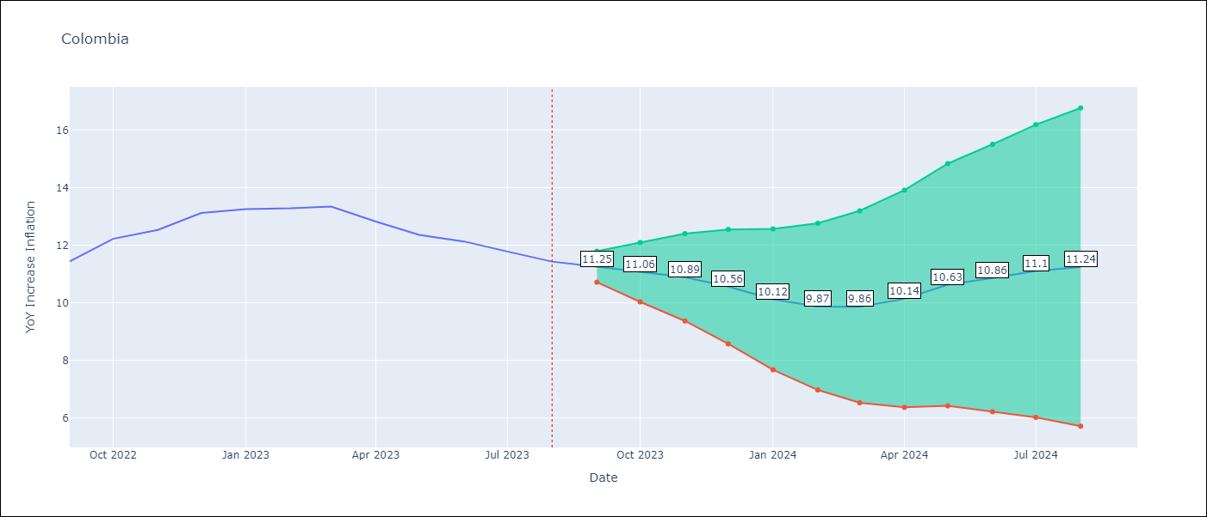

Test Metrics
RMSE | 1.86
Naive RMSE | 0.41
MAPE | 9.91%

Test Predictions
Date | Predicted | Actual
2022-09-01 | 11.24 | 11.44
2022-10-01 | 12.13 | 12.22
2022-11-01 | 12.72 | 12.53
2022-12-01 | 13.1 | 13.12
2023-01-01 | 13.07 | 13.25
2023-02-01 | 13.19 | 13.28
2023-03-01 | 13.52 | 13.34
2023-04-01 | 13.74 | 12.82
2023-05-01 | 14.36 | 12.36
2023-06-01 | 14.82 | 12.13
2023-07-01 | 15.25 | 11.78
2023-08-01 | 15.61 | 11.43

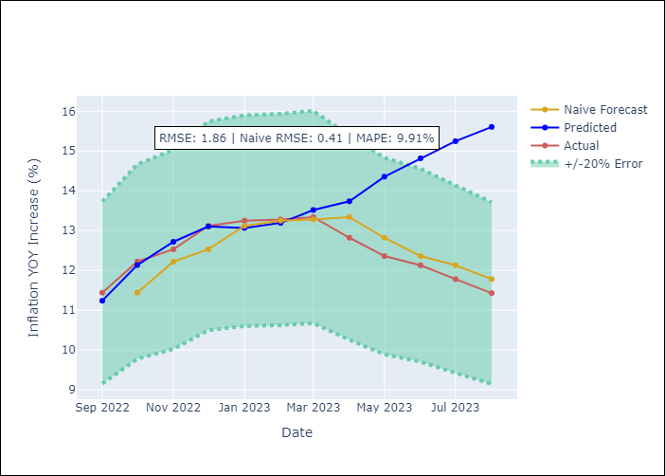

Appendix A: Model Summary
Model | SARIMAX(1, 2, 1)x(2, 0, 1, 12)
Sample | 04-01-1996- 08-01-2023
No. of Observations | 329
Terms | P-value (Statistical significance)
Exchange rates (nominal) | 0.794
Monetary Policiy rate | 0.003
M1 money supply ($mm local currency) | 0.227
ar.L1 | 0.000
ma.L1 | 0.000
ar.S.L12 | 0.072
ar.S.L24 | 0.121
ma.S.L12 | 0.000
sigma2 | 0.000

Assumptions | P-value | Interpretation
Ljung-Box (L1) | 0.39
Heteroskedasticity | 0.00
Jarque-Bera | 0.00
Skew | -0.71
Kurtosis | 6.44

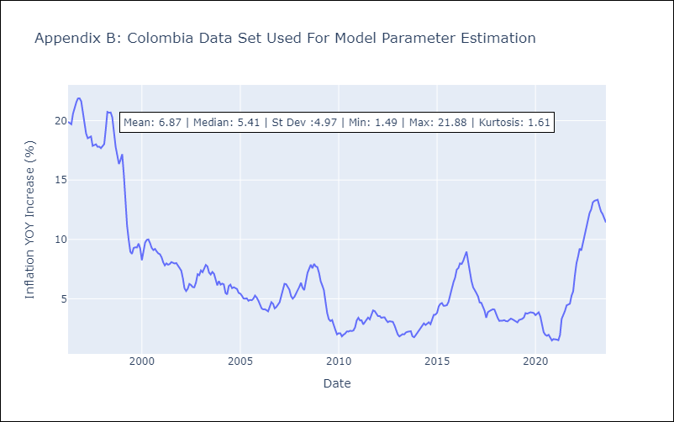

Appendix C: Residuals Analysis
Mean | 0.04
White Noise? | No - Correlation at Lags [ 1 2 3 4 5 6 7 8 9 10 11 12]
Normal? | No

Paraguay
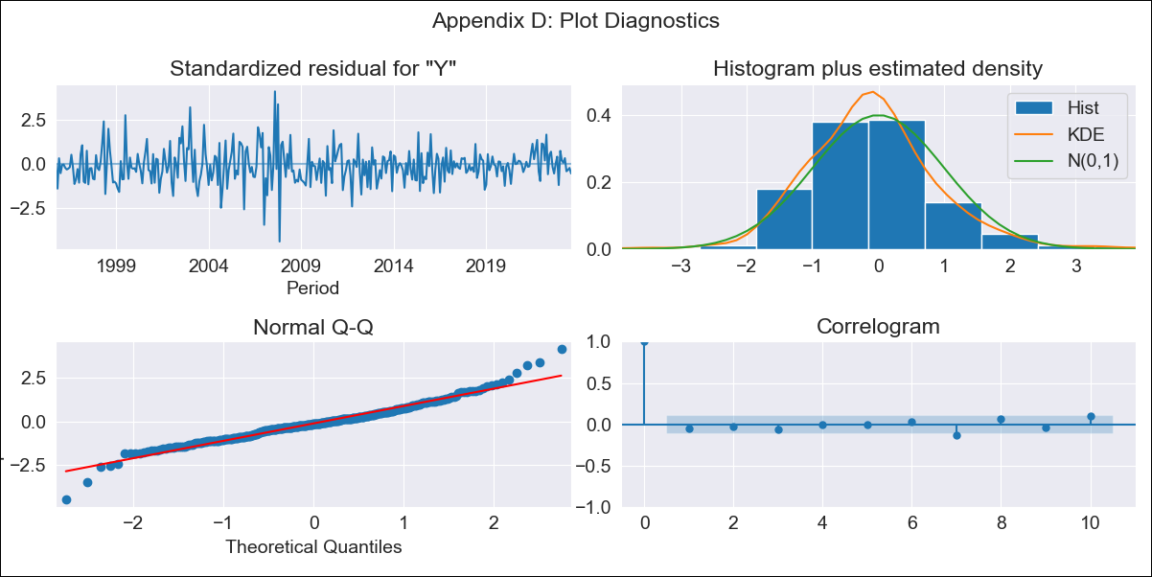
Paraguay - Inflation - Next 12 months forecast as of: 2023-08-01

Model | SARIMAX - [(0, 1, 2), (1, 0, 1, 12)] | Exogenous Variables | Exchange rates (nominal), Monetary Policiy rate, M1 money supply ($mm local currency)
Training Data | 1994-06-01 to 2022-09-01
Test Data | 2022-09-01 to 2023-08-01

Date | Inflation Change YoY % | Lower Bound - 95% Confidence Interval | Upper Bound - 95% Confidence Interval
2023-09-01 | 3.19 | 1.62 | 4.77
2023-10-01 | 3.33 | 0.8 | 5.86
2023-11-01 | 3.12 | -0.31 | 6.56
2023-12-01 | 3.84 | -0.31 | 7.99
2024-01-01 | 3.47 | -1.29 | 8.22
2024-02-01 | 3.53 | -1.77 | 8.82
2024-03-01 | 3.42 | -2.36 | 9.2
2024-04-01 | 3.3 | -2.94 | 9.53
2024-05-01 | 3.62 | -3.03 | 10.27
2024-06-01 | 4.02 | -3.03 | 11.07
2024-07-01 | 4.4 | -3.03 | 11.82
2024-08-01 | 4.97 | -2.81 | 12.75

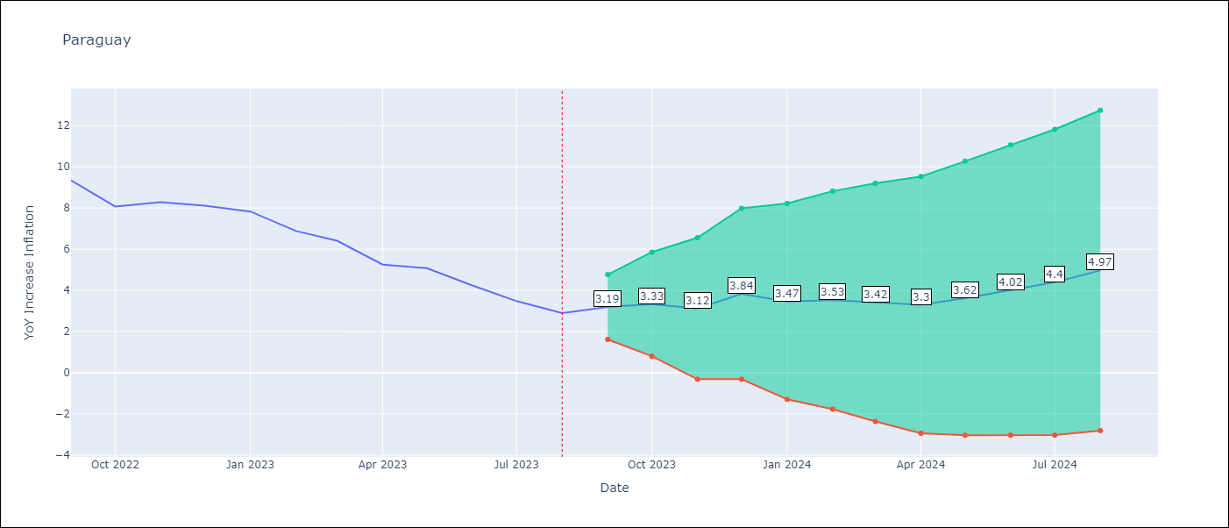

Test Metrics
RMSE | 0.5
Naive RMSE | 0.73
MAPE | 7.39%

Test Predictions
Date | Predicted | Actual
2022-09-01 | 9.79 | 9.35
2022-10-01 | 8.43 | 8.07
2022-11-01 | 8.47 | 8.29
2022-12-01 | 9.07 | 8.12
2023-01-01 | 8.09 | 7.83
2023-02-01 | 6.93 | 6.88
2023-03-01 | 6.12 | 6.41
2023-04-01 | 4.36 | 5.25
2023-05-01 | 4.49 | 5.08
2023-06-01 | 3.95 | 4.24
2023-07-01 | 3.52 | 3.48
2023-08-01 | 3.5 | 2.9

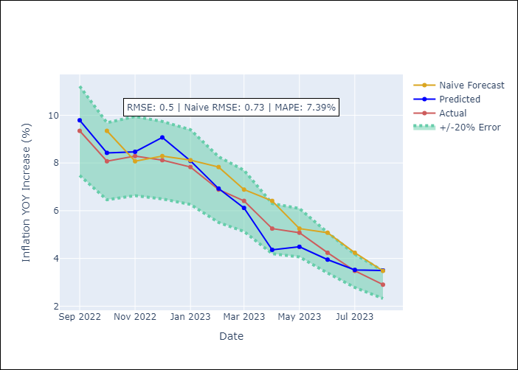

Appendix A: Model Summary
Model | SARIMAX(0, 1, 2)x(1, 0, [1], 12)
Sample | 06-01-1994- 08-01-2023
No. of Observations | 351
Terms | P-value (Statistical significance)
Exchange rates (nominal) | 0.000
Monetary Policiy rate | 0.269
M1 money supply ($mm local currency) | 0.745
ma.L1 | 0.000
ma.L2 | 0.000
ar.S.L12 | 0.025
ma.S.L12 | 0.000
sigma2 | 0.000

Assumptions | P-value | Interpretation
Ljung-Box (L1) | 0.40
Heteroskedasticity | 0.00
Jarque-Bera | 0.00
Skew | 0.27
Kurtosis | 5.36

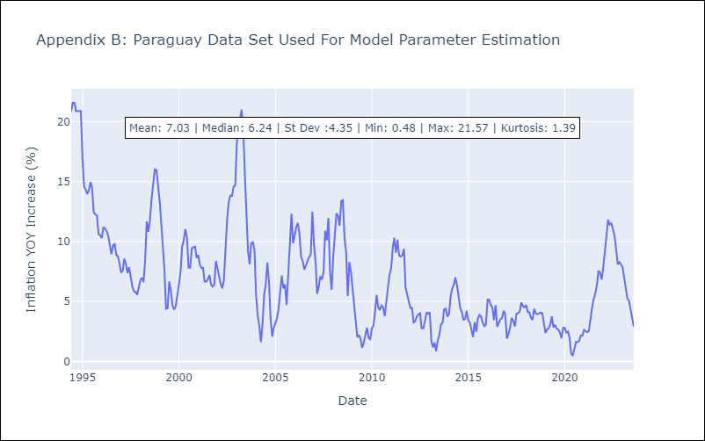

Appendix C: Residuals Analysis
Mean | -0.05
White Noise? | Yes
Normal? | No

