Chile
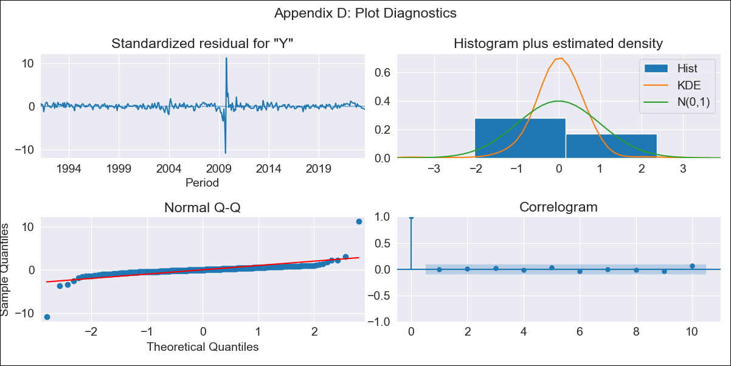
Chile - Inflation - Next 12 months forecast as of: 2023-08-01

Model | ARIMA - [(3, 0, 1), (0, 0, 1, 12)]
Training Data | 1990-01-01 to 2022-09-01
Test Data | 2022-09-01 to 2023-08-01

Date | Inflation Change YoY % | Lower Bound - 95% Confidence Interval | Upper Bound - 95% Confidence Interval
2023-09-01 | 5.16 | 3.23 | 7.52
2023-10-01 | 4.96 | 2.55 | 8.13
2023-11-01 | 4.76 | 1.96 | 8.68
2023-12-01 | 4.66 | 1.55 | 9.23
2024-01-01 | 4.58 | 1.24 | 9.73
2024-02-01 | 4.52 | 1 | 10.16
2024-03-01 | 4.49 | 0.8 | 10.57
2024-04-01 | 4.51 | 0.67 | 11
2024-05-01 | 4.54 | 0.57 | 11.42
2024-06-01 | 4.58 | 0.49 | 11.8
2024-07-01 | 4.64 | 0.43 | 12.18
2024-08-01 | 4.72 | 0.4 | 12.57

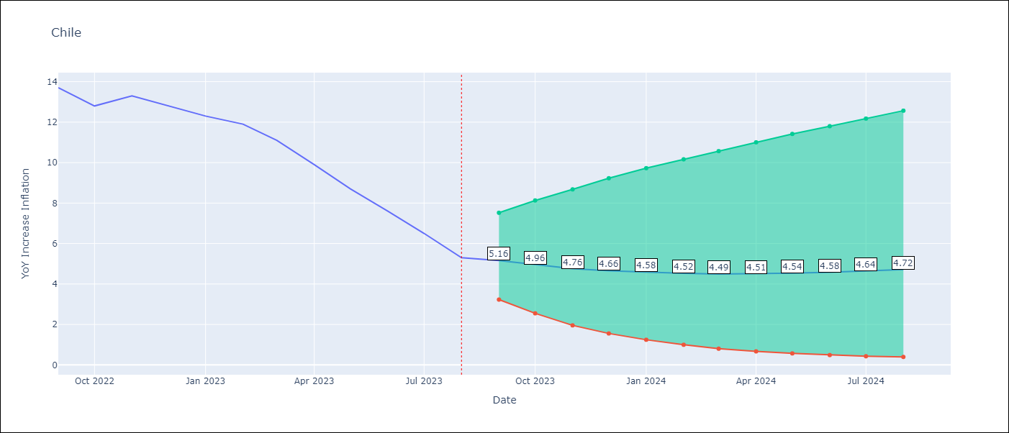

Test Metrics
RMSE | 1.15
Naive RMSE | 4.52
MAPE | 11.54%

Test Predictions
Date | Predicted | Actual
2022-09-01 | 13.41 | 13.7
2022-10-01 | 12.91 | 12.8
2022-11-01 | 12.29 | 13.3
2022-12-01 | 11.71 | 12.8
2023-01-01 | 11.15 | 12.3
2023-02-01 | 10.69 | 11.9
2023-03-01 | 10.02 | 11.1
2023-04-01 | 9.47 | 9.9
2023-05-01 | 8.97 | 8.7
2023-06-01 | 8.52 | 7.6
2023-07-01 | 8.12 | 6.5
2023-08-01 | 7.72 | 5.3

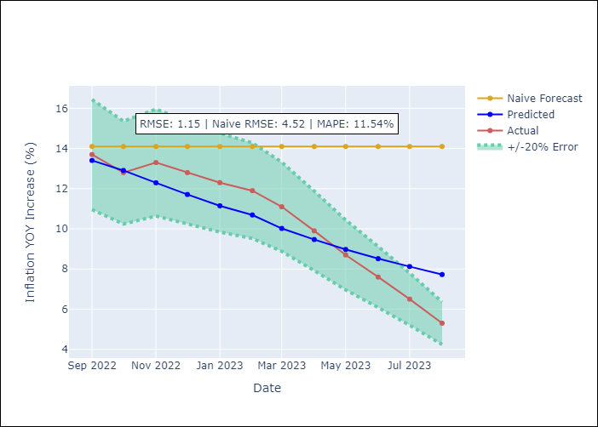

Appendix A: Model Summary
Model | ARIMA(3, 0, 1)x(0, 0, 1, 12)
Sample | 01-01-1990- 08-01-2023
No. of Observations | 404
Terms | P-value (Statistical significance)
const | 0.000
ar.L1 | 0.000
ar.L2 | 0.439
ar.L3 | 0.002
ma.L1 | 0.127
ma.S.L12 | 0.000
sigma2 | 0.000

Assumptions | P-value | Interpretation
Ljung-Box (L1) | 0.97
Heteroskedasticity | 0.21
Jarque-Bera | 0.00
Skew | 0.12
Kurtosis | 77.40

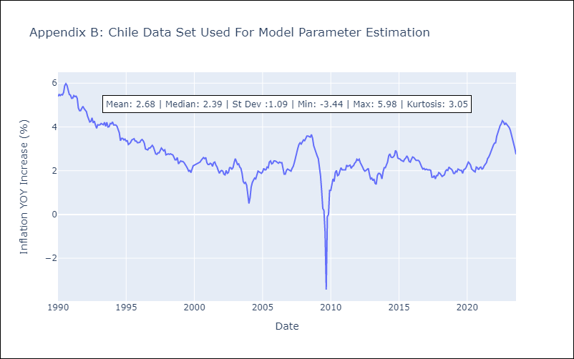

Appendix C: Residuals Analysis
Mean | 0.01
White Noise? | Yes
Normal? | No

Honduras
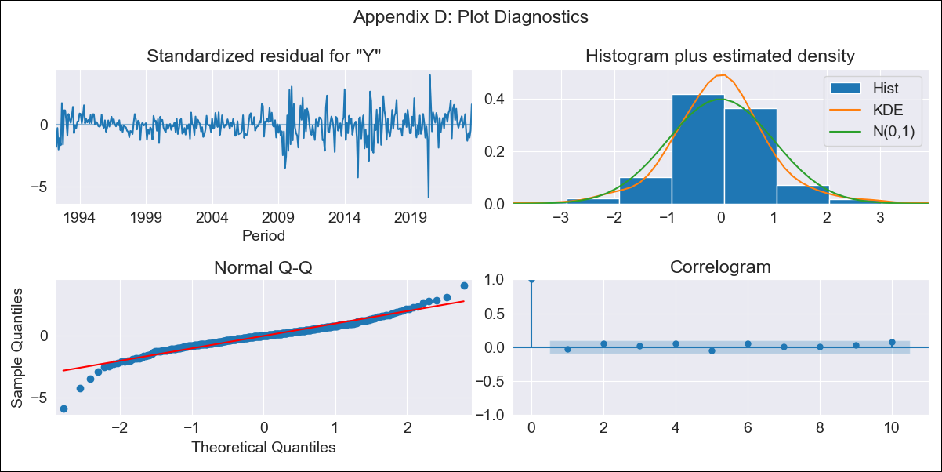
Honduras - Inflation - Next 12 months forecast as of: 2023-08-01

Model | ARIMA - [(1, 1, 0), (0, 0, 1, 12)]
Training Data | 1991-01-01 to 2022-09-01
Test Data | 2022-09-01 to 2023-08-01

Date | Inflation Change YoY % | Lower Bound - 95% Confidence Interval | Upper Bound - 95% Confidence Interval
2023-09-01 | 5.87 | 5.09 | 6.83
2023-10-01 | 5.84 | 4.63 | 7.51
2023-11-01 | 5.69 | 4.23 | 7.92
2023-12-01 | 5.69 | 4 | 8.49
2024-01-01 | 5.67 | 3.8 | 8.99
2024-02-01 | 5.5 | 3.55 | 9.16
2024-03-01 | 5.57 | 3.46 | 9.79
2024-04-01 | 5.85 | 3.49 | 10.93
2024-05-01 | 6.09 | 3.49 | 12.02
2024-06-01 | 6.4 | 3.54 | 13.42
2024-07-01 | 6.61 | 3.53 | 14.63
2024-08-01 | 6.28 | 3.3 | 14.28

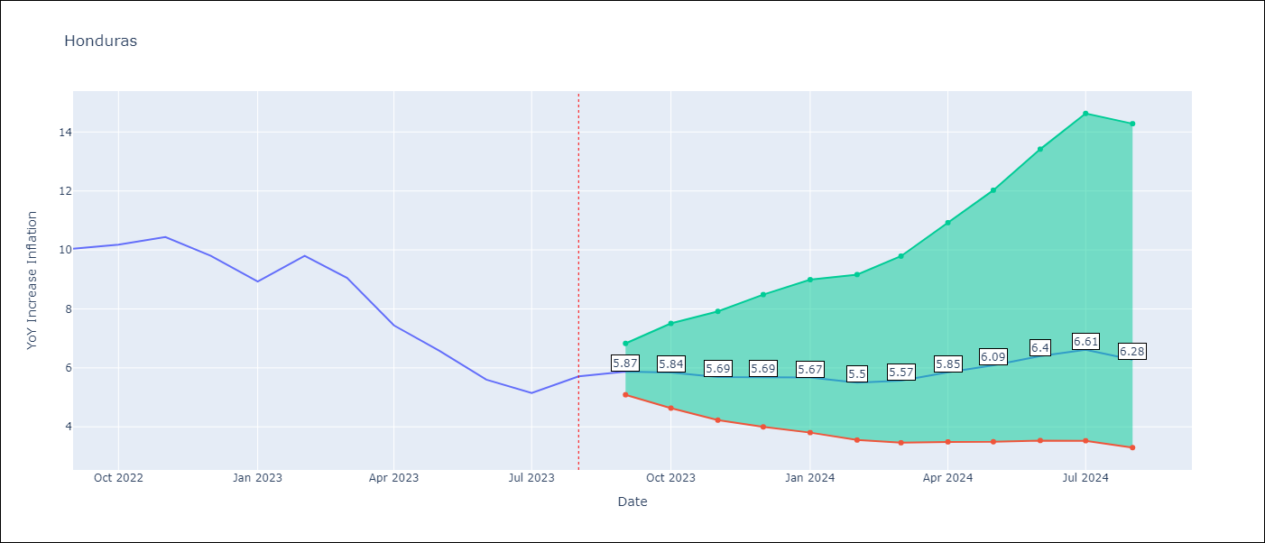

Test Metrics
RMSE | 0.96
Naive RMSE | 2.9
MAPE | 10.84%

Test Predictions
Date | Predicted | Actual
2022-09-01 | 9.97 | 10.04
2022-10-01 | 9.75 | 10.18
2022-11-01 | 9.32 | 10.44
2022-12-01 | 8.77 | 9.8
2023-01-01 | 7.97 | 8.93
2023-02-01 | 8.08 | 9.8
2023-03-01 | 7.72 | 9.05
2023-04-01 | 7.17 | 7.44
2023-05-01 | 6.91 | 6.58
2023-06-01 | 6.52 | 5.6
2023-07-01 | 6.38 | 5.15
2023-08-01 | 6.4 | 5.71

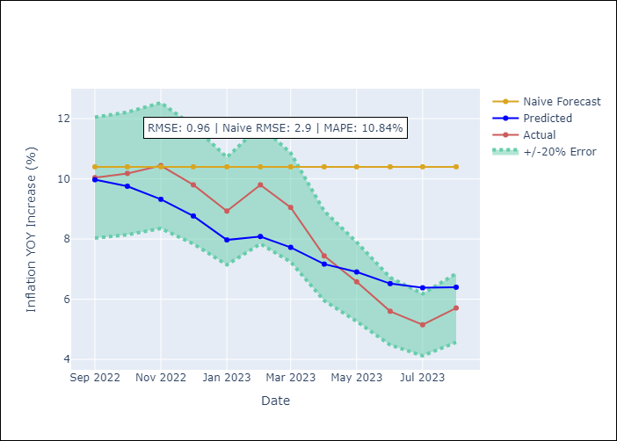

Appendix A: Model Summary
Model | ARIMA(1, 1, 0)x(0, 0, [1], 12)
Sample | 01-01-1991- 08-01-2023
No. of Observations | 392
Terms | P-value (Statistical significance)
ar.L1 | 0.000
ma.S.L12 | 0.000
sigma2 | 0.000

Assumptions | P-value | Interpretation
Ljung-Box (L1) | 0.65
Heteroskedasticity | 0.00
Jarque-Bera | 0.00
Skew | -0.50
Kurtosis | 7.57

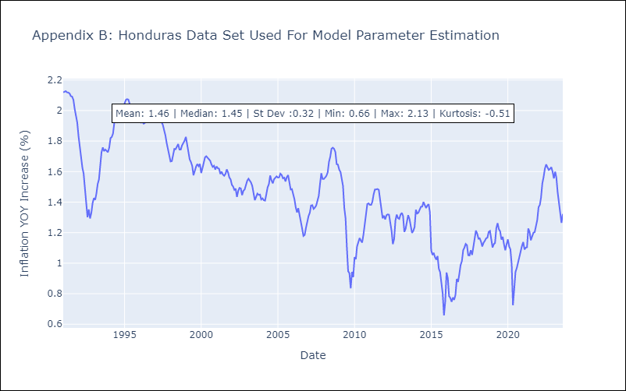

Appendix C: Residuals Analysis
Mean | 0.0
White Noise? | No - Correlation at Lags [1 2]
Normal? | No

Mexico
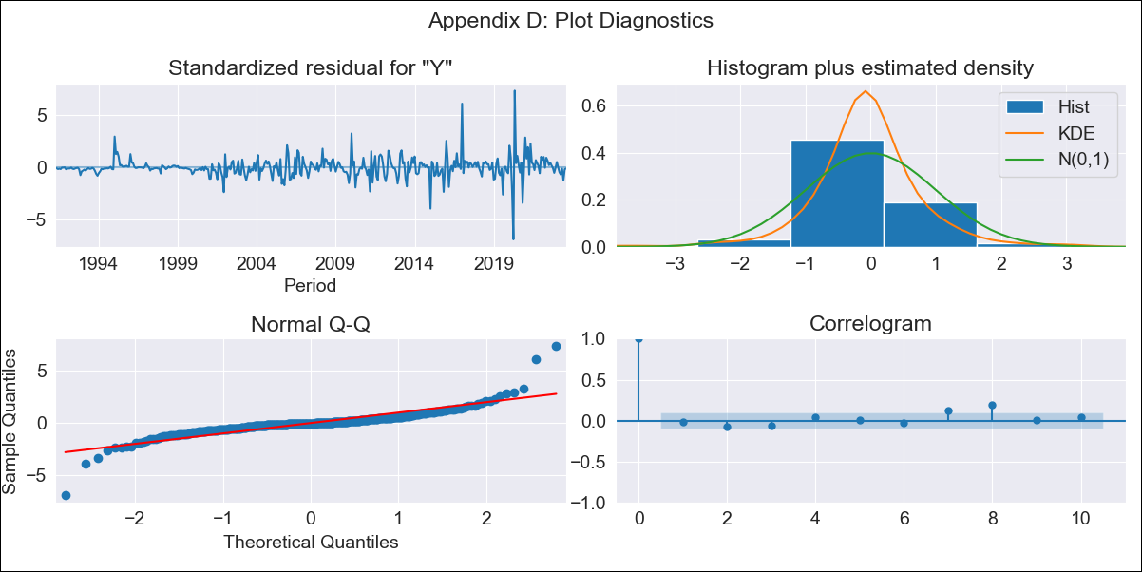
Mexico - Inflation - Next 12 months forecast as of: 2023-08-01

Model | ARIMA - [(0, 1, 1), (0, 0, 1, 12)]
Training Data | 1990-01-01 to 2022-09-01
Test Data | 2022-09-01 to 2023-08-01

Date | Inflation Change YoY % | Lower Bound - 95% Confidence Interval | Upper Bound - 95% Confidence Interval
2023-09-01 | 4.59 | 3.98 | 5.37
2023-10-01 | 4.59 | 3.68 | 5.98
2023-11-01 | 4.68 | 3.54 | 6.64
2023-12-01 | 4.72 | 3.4 | 7.2
2024-01-01 | 4.65 | 3.24 | 7.51
2024-02-01 | 4.63 | 3.13 | 7.94
2024-03-01 | 4.71 | 3.08 | 8.63
2024-04-01 | 4.86 | 3.06 | 9.56
2024-05-01 | 4.92 | 3.01 | 10.32
2024-06-01 | 5.15 | 3.04 | 11.83
2024-07-01 | 5.26 | 3.02 | 13.01
2024-08-01 | 5.29 | 2.97 | 13.99

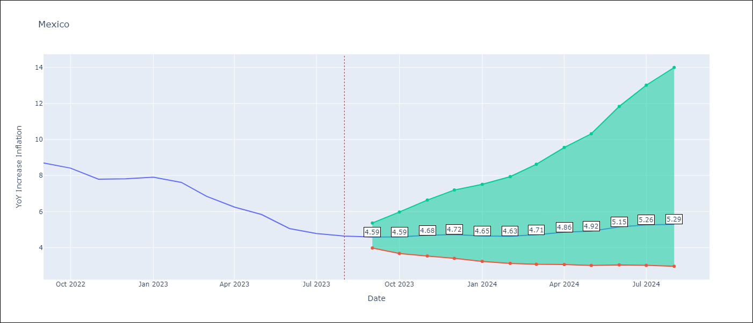

Test Metrics
RMSE | 1.03
Naive RMSE | 2.35
MAPE | 14.47%

Test Predictions
Date | Predicted | Actual
2022-09-01 | 8.55 | 8.7
2022-10-01 | 8.31 | 8.41
2022-11-01 | 8.23 | 7.8
2022-12-01 | 8.47 | 7.82
2023-01-01 | 8.12 | 7.91
2023-02-01 | 7.73 | 7.62
2023-03-01 | 7.32 | 6.85
2023-04-01 | 7.26 | 6.25
2023-05-01 | 6.97 | 5.84
2023-06-01 | 6.71 | 5.06
2023-07-01 | 6.61 | 4.79
2023-08-01 | 6.48 | 4.64

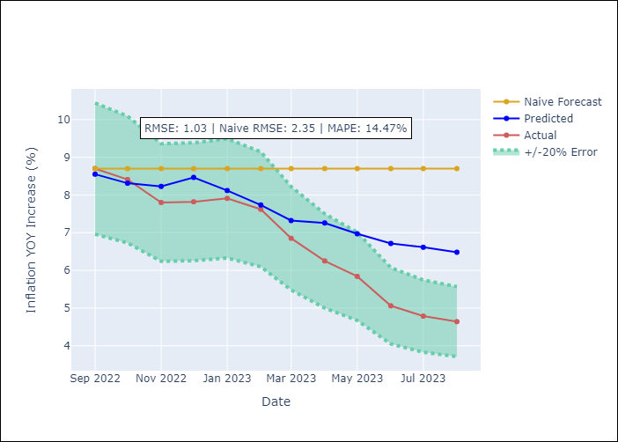

Appendix A: Model Summary
Model | ARIMA(0, 1, 1)x(0, 0, 1, 12)
Sample | 01-01-1990- 08-01-2023
No. of Observations | 404
Terms | P-value (Statistical significance)
ma.L1 | 0.000
ma.S.L12 | 0.000
sigma2 | 0.000

Assumptions | P-value | Interpretation
Ljung-Box (L1) | 0.77
Heteroskedasticity | 0.00
Jarque-Bera | 0.00
Skew | 0.69
Kurtosis | 19.97

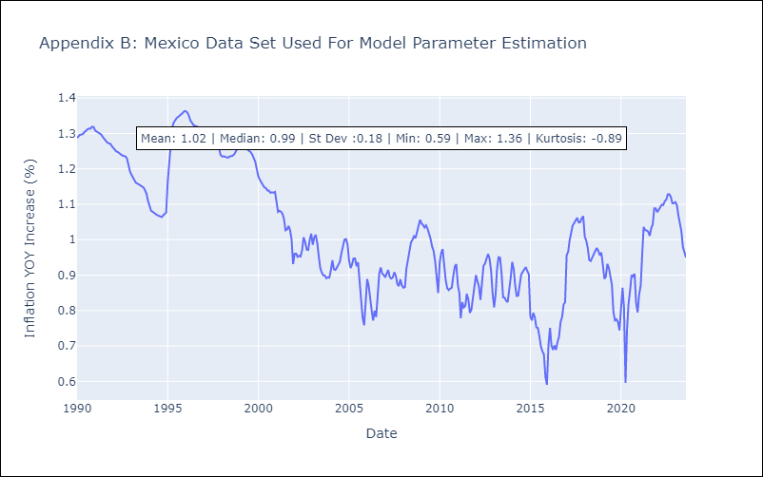

Appendix C: Residuals Analysis
Mean | 0.0
White Noise? | Yes
Normal? | No

Panama
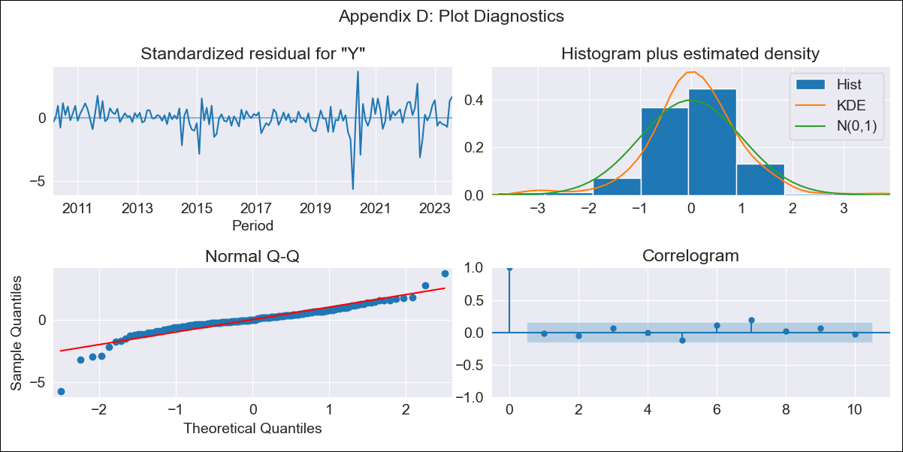
Panama - Inflation - Next 12 months forecast as of: 2023-08-01

Model | ARIMA - [(1, 0, 1), (0, 0, 1, 12)]
Training Data | 2009-01-01 to 2022-09-01
Test Data | 2022-09-01 to 2023-08-01

Date | Inflation Change YoY % | Lower Bound - 95% Confidence Interval | Upper Bound - 95% Confidence Interval
2023-09-01 | 2.32 | 1.36 | 3.36
2023-10-01 | 2.34 | 0.89 | 3.95
2023-11-01 | 2.25 | 0.49 | 4.27
2023-12-01 | 1.87 | -0.07 | 4.18
2024-01-01 | 1.35 | -0.68 | 3.85
2024-02-01 | 1.45 | -0.76 | 4.22
2024-03-01 | 1.55 | -0.82 | 4.57
2024-04-01 | 1.7 | -0.84 | 4.95
2024-05-01 | 1.88 | -0.82 | 5.36
2024-06-01 | 2.11 | -0.76 | 5.83
2024-07-01 | 1.68 | -1.15 | 5.46
2024-08-01 | 1.07 | -1.62 | 4.84

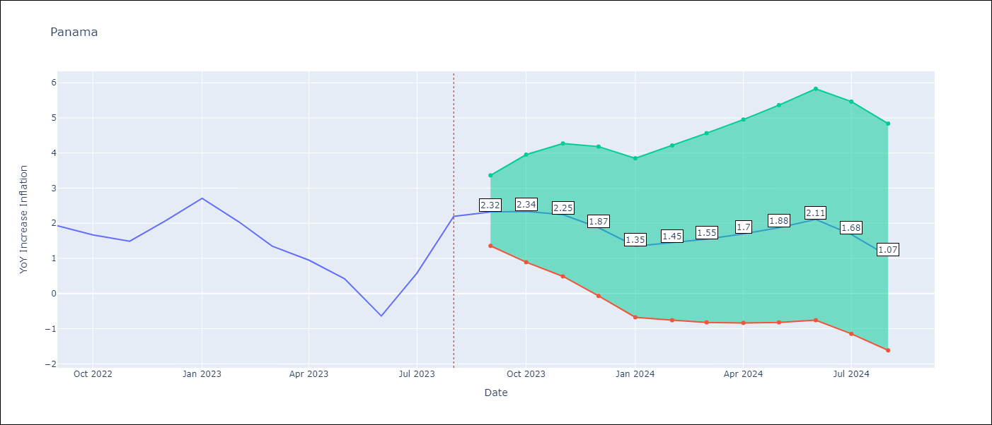

Test Metrics
RMSE | 0.8
Naive RMSE | 1.12
MAPE | 44.94%

Test Predictions
Date | Predicted | Actual
2022-09-01 | 1.8 | 1.93
2022-10-01 | 1.61 | 1.67
2022-11-01 | 1.36 | 1.49
2022-12-01 | 1.43 | 2.07
2023-01-01 | 1.28 | 2.71
2023-02-01 | 0.92 | 2.04
2023-03-01 | 0.51 | 1.35
2023-04-01 | 0.32 | 0.95
2023-05-01 | 0.09 | 0.42
2023-06-01 | -0.52 | -0.64
2023-07-01 | 0.09 | 0.58
2023-08-01 | 0.66 | 2.2

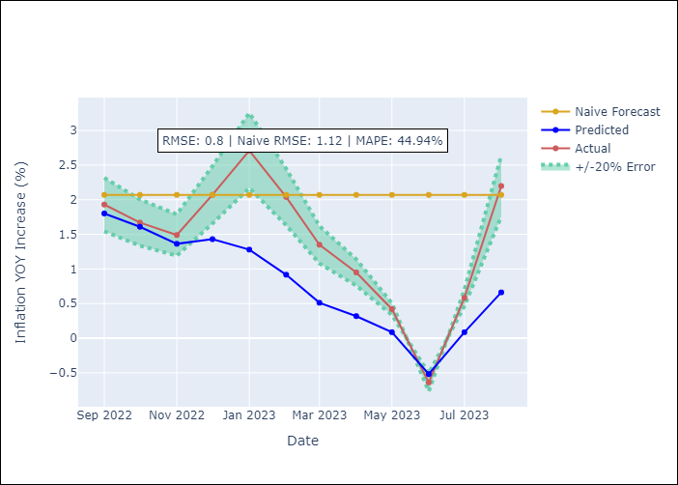

Appendix A: Model Summary
Model | ARIMA(1, 0, 1)x(0, 0, 1, 12)
Sample | 01-01-2009- 08-01-2023
No. of Observations | 176
Terms | P-value (Statistical significance)
const | 0.006
ar.L1 | 0.000
ma.L1 | 0.001
ma.S.L12 | 0.000
sigma2 | 0.000

Assumptions | P-value | Interpretation
Ljung-Box (L1) | 0.89
Heteroskedasticity | 0.00
Jarque-Bera | 0.00
Skew | -1.18
Kurtosis | 10.52

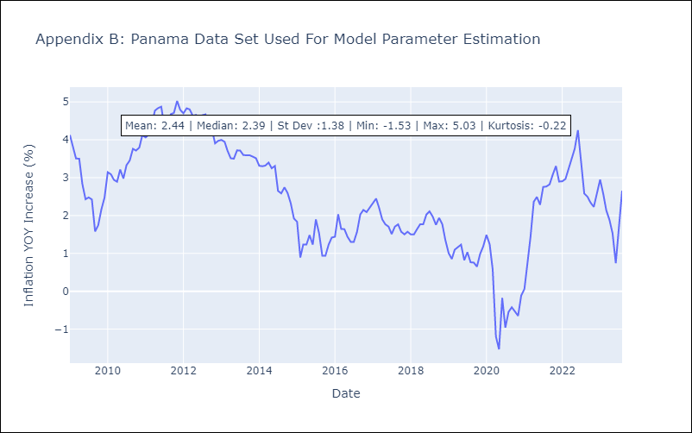

Appendix C: Residuals Analysis
Mean | 0.02
White Noise? | Yes
Normal? | No

Republicana Dominicana

Republicana Dominicana - Inflation - Next 12 months forecast as of: 2023-08-01

Model | ARIMA - [(2, 0, 0), (2, 0, 1, 12)]
Training Data | 2005-01-01 to 2022-09-01
Test Data | 2022-09-01 to 2023-08-01

Date | Inflation Change YoY % | Lower Bound - 95% Confidence Interval | Upper Bound - 95% Confidence Interval
2023-09-01 | 4.29 | 2.68 | 6.12
2023-10-01 | 4.34 | 1.95 | 7.26
2023-11-01 | 4.39 | 1.47 | 8.14
2023-12-01 | 4.14 | 0.93 | 8.48
2024-01-01 | 4.22 | 0.7 | 9.11
2024-02-01 | 4.41 | 0.6 | 9.83
2024-03-01 | 4.5 | 0.47 | 10.34
2024-04-01 | 4.62 | 0.39 | 10.85
2024-05-01 | 4.89 | 0.42 | 11.53
2024-06-01 | 5.04 | 0.39 | 12.02
2024-07-01 | 5.02 | 0.27 | 12.24
2024-08-01 | 4.91 | 0.12 | 12.29

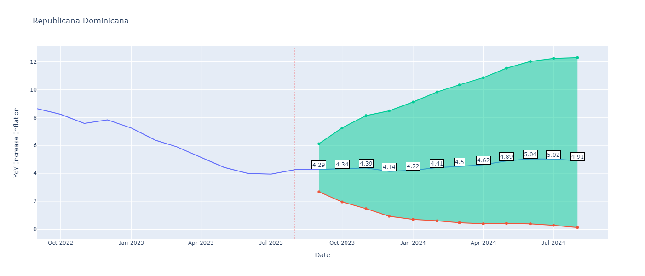

Test Metrics
RMSE | 0.52
Naive RMSE | 3.15
MAPE | 8.28%

Test Predictions
Date | Predicted | Actual
2022-09-01 | 8.46 | 8.63
2022-10-01 | 8.17 | 8.24
2022-11-01 | 7.58 | 7.58
2022-12-01 | 7.14 | 7.83
2023-01-01 | 6.64 | 7.24
2023-02-01 | 6.15 | 6.38
2023-03-01 | 5.71 | 5.9
2023-04-01 | 5.1 | 5.15
2023-05-01 | 4.85 | 4.43
2023-06-01 | 4.83 | 4
2023-07-01 | 4.91 | 3.95
2023-08-01 | 4.99 | 4.27

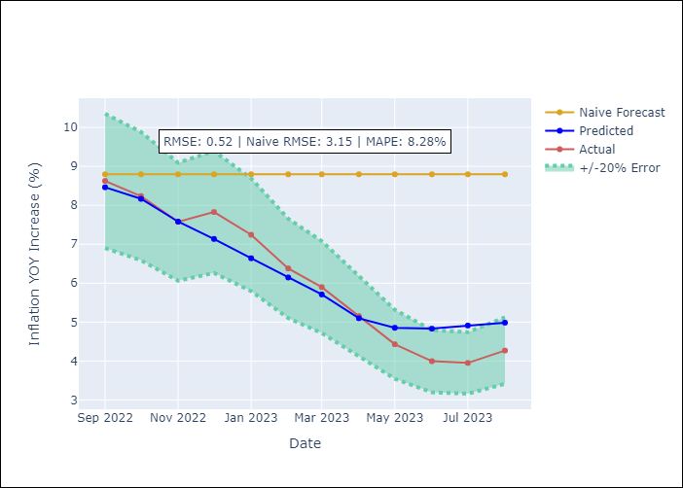

Appendix A: Model Summary
Model | ARIMA(2, 0, 0)x(2, 0, [1], 12)
Sample | 01-01-2005- 08-01-2023
No. of Observations | 224
Terms | P-value (Statistical significance)
const | 0.000
ar.L1 | 0.000
ar.L2 | 0.000
ar.S.L12 | 0.015
ar.S.L24 | 0.041
ma.S.L12 | 0.489
sigma2 | 0.000

Assumptions | P-value | Interpretation
Ljung-Box (L1) | 0.71
Heteroskedasticity | 0.00
Jarque-Bera | 0.00
Skew | 0.24
Kurtosis | 10.51

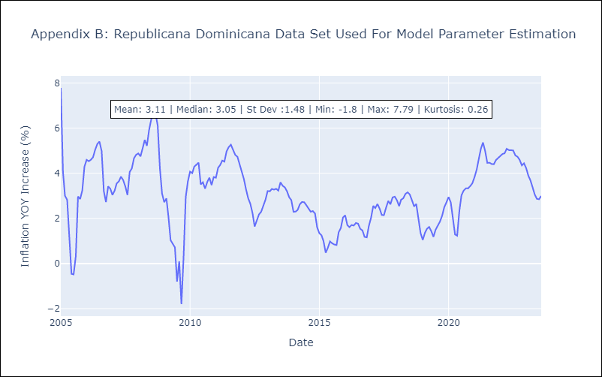

Appendix C: Residuals Analysis
Mean | 0.01
White Noise? | No - Correlation at Lags [ 1 2 3 4 5 6 7 8 9 10 11 12]
Normal? | No

Uruguay
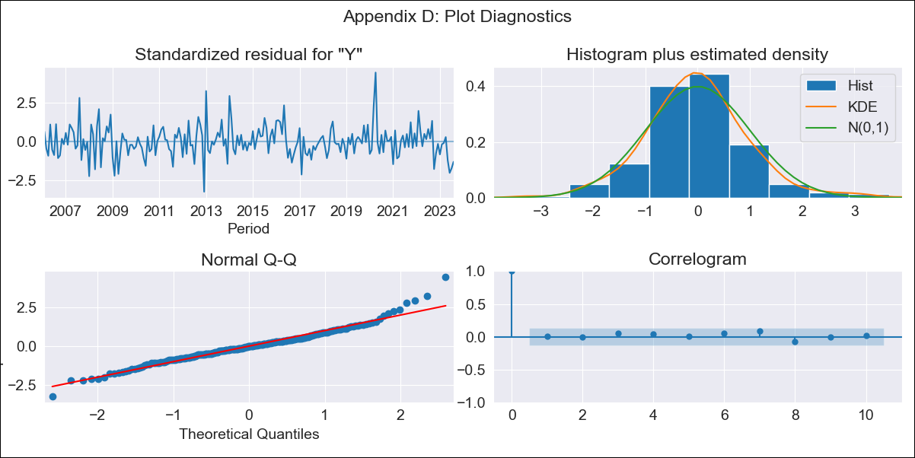
Uruguay - Inflation - Next 12 months forecast as of: 2023-08-01

Model | ARIMA - [(3, 0, 0), (0, 0, 1, 12)]
Training Data | 2005-01-01 to 2022-09-01
Test Data | 2022-09-01 to 2023-08-01

Date | Inflation Change YoY % | Lower Bound - 95% Confidence Interval | Upper Bound - 95% Confidence Interval
2023-09-01 | 4.12 | 2.61 | 5.31
2023-10-01 | 5.05 | 3.01 | 6.64
2023-11-01 | 5.68 | 3.46 | 7.41
2023-12-01 | 5.91 | 3.53 | 7.76
2024-01-01 | 6.23 | 3.77 | 8.14
2024-02-01 | 6.44 | 3.91 | 8.42
2024-03-01 | 6.58 | 3.97 | 8.62
2024-04-01 | 6.63 | 3.92 | 8.72
2024-05-01 | 6.98 | 4.33 | 9.07
2024-06-01 | 7.55 | 5.03 | 9.59
2024-07-01 | 8 | 5.57 | 10.01
2024-08-01 | 8.28 | 5.87 | 10.28

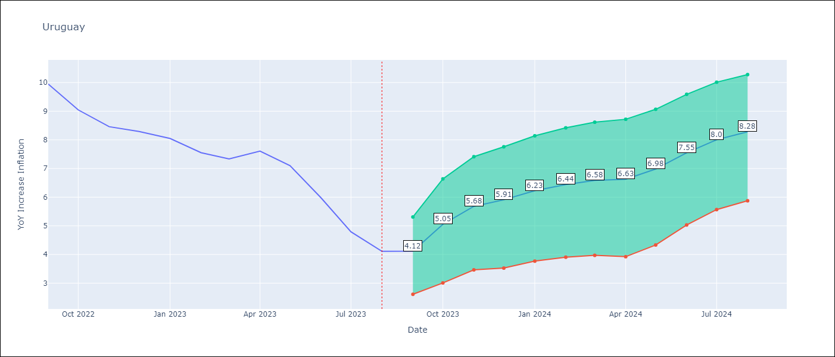

Test Metrics
RMSE | 1.89
Naive RMSE | 2.71
MAPE | 25.97%

Test Predictions
Date | Predicted | Actual
2022-09-01 | 9.46 | 9.95
2022-10-01 | 9.18 | 9.05
2022-11-01 | 9.15 | 8.46
2022-12-01 | 9.06 | 8.29
2023-01-01 | 9.05 | 8.05
2023-02-01 | 8.68 | 7.55
2023-03-01 | 8.45 | 7.33
2023-04-01 | 8.52 | 7.61
2023-05-01 | 8.48 | 7.1
2023-06-01 | 8.43 | 5.98
2023-07-01 | 8.28 | 4.79
2023-08-01 | 8.23 | 4.11

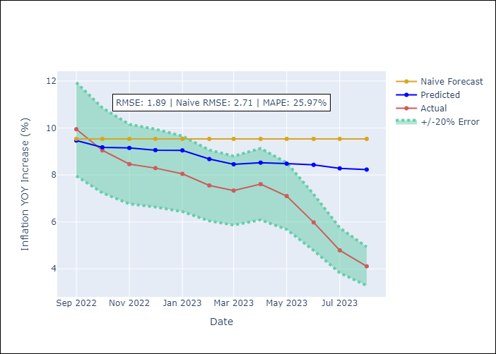

Appendix A: Model Summary
Model | ARIMA(3, 0, 0)x(0, 0, [1], 12)
Sample | 01-01-2005- 08-01-2023
No. of Observations | 224
Terms | P-value (Statistical significance)
const | 0.000
ar.L1 | 0.000
ar.L2 | 0.000
ar.L3 | 0.025
ma.S.L12 | 0.000
sigma2 | 0.000

Assumptions | P-value | Interpretation
Ljung-Box (L1) | 0.94
Heteroskedasticity | 1.00
Jarque-Bera | 0.00
Skew | 0.53
Kurtosis | 5.23

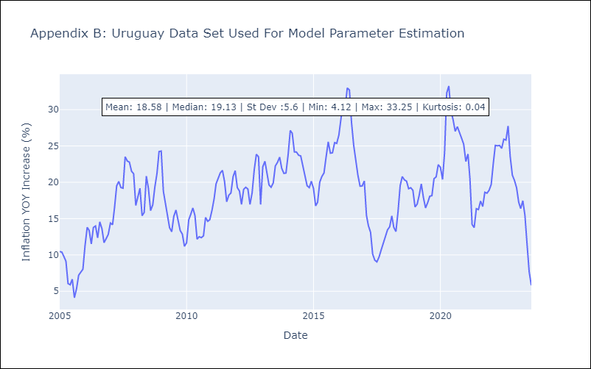

Appendix C: Residuals Analysis
Mean | -0.08
White Noise? | Yes
Normal? | No

