Ecuador
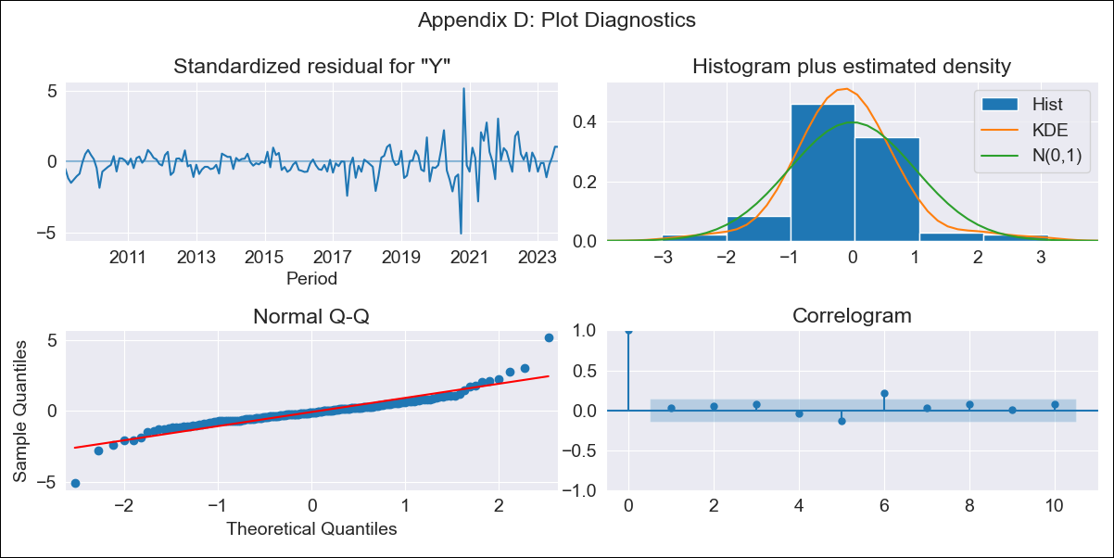
Ecuador - Inflation - Next 12 months forecast as of: 2023-08-01

Model | SARIMAX - [(0, 1, 0), (0, 0, 1, 12)] | Exogenous Variables | Exchange rates (nominal), M1 money supply ($mm local currency)
Training Data | 2008-01-01 to 2022-09-01
Test Data | 2022-09-01 to 2023-08-01

Date | Inflation Change YoY % | Lower Bound - 95% Confidence Interval | Upper Bound - 95% Confidence Interval
2023-09-01 | 2.42 | 1.49 | 3.46
2023-10-01 | 2.57 | 1.27 | 4.09
2023-11-01 | 2.43 | 0.9 | 4.3
2023-12-01 | 2.39 | 0.65 | 4.56
2024-01-01 | 2.54 | 0.59 | 5.04
2024-02-01 | 2.56 | 0.46 | 5.33
2024-03-01 | 2.58 | 0.33 | 5.61
2024-04-01 | 2.83 | 0.37 | 6.17
2024-05-01 | 2.88 | 0.29 | 6.46
2024-06-01 | 2.81 | 0.13 | 6.59
2024-07-01 | 2.58 | -0.12 | 6.49
2024-08-01 | 2.35 | -0.34 | 6.38

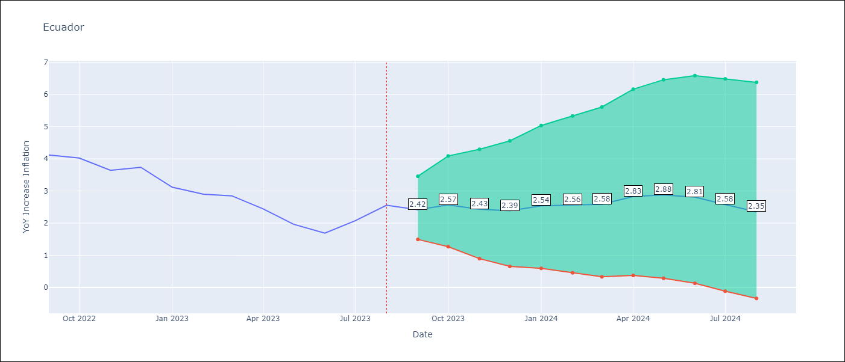

Test Metrics
RMSE | 0.41
Naive RMSE | 1.15
MAPE | 13.39%

Test Predictions
Date | Predicted | Actual
2022-09-01 | 3.79 | 4.12
2022-10-01 | 4.28 | 4.02
2022-11-01 | 3.27 | 3.64
2022-12-01 | 3.25 | 3.74
2023-01-01 | 3 | 3.12
2023-02-01 | 2.8 | 2.9
2023-03-01 | 2.79 | 2.85
2023-04-01 | 3.04 | 2.44
2023-05-01 | 2.51 | 1.97
2023-06-01 | 1.95 | 1.69
2023-07-01 | 1.78 | 2.07
2023-08-01 | 1.75 | 2.56

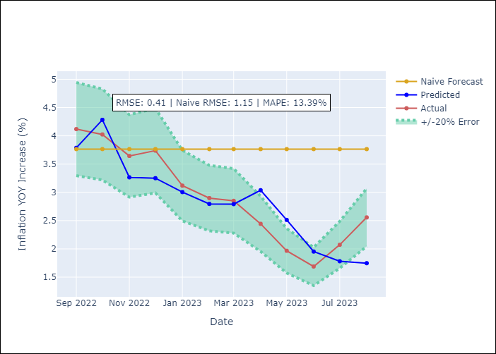

Appendix A: Model Summary
Model | SARIMAX(0, 1, 0)x(0, 0, [1], 12)
Sample | 01-01-2008- 08-01-2023
No. of Observations | 188
Terms | P-value (Statistical significance)
Exchange rates (nominal) | nan
M1 money supply ($mm local currency) | 0.898
ma.S.L12 | 0.000
sigma2 | 0.000

Assumptions | P-value | Interpretation
Ljung-Box (L1) | 0.67
Heteroskedasticity | 0.00
Jarque-Bera | 0.00
Skew | 0.34
Kurtosis | 10.56

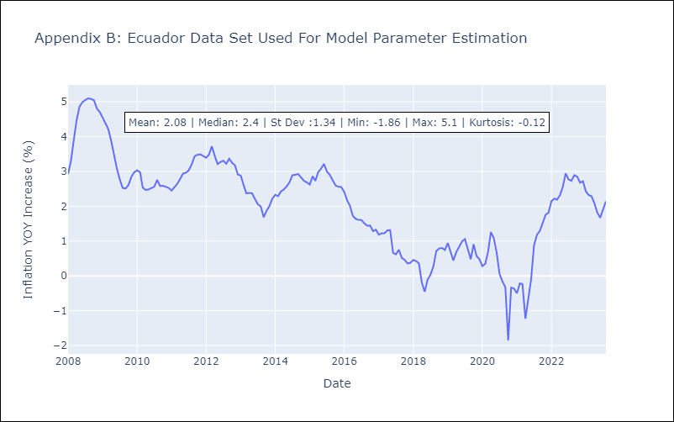

Appendix C: Residuals Analysis
Mean | 0.0
White Noise? | No - Correlation at Lags [2 3 4 6 7]
Normal? | No

Nicaragua
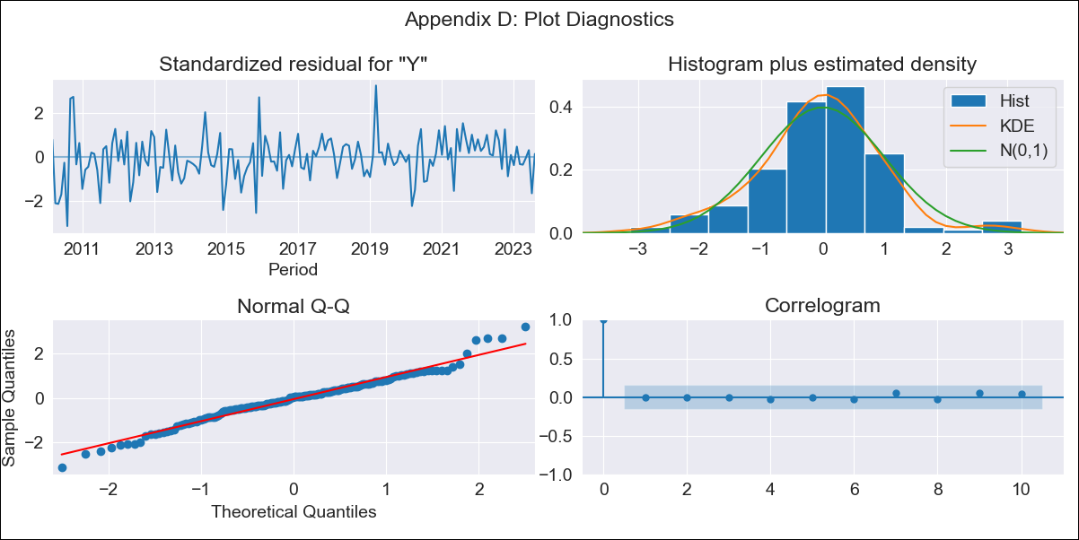
Nicaragua - Inflation - Next 12 months forecast as of: 2023-08-01

Model | SARIMAX - [(0, 2, 2), (2, 0, 0, 12)] | Exogenous Variables | Exchange rates (nominal), Monetary Policiy rate, M1 money supply ($mm local currency)
Training Data | 2008-01-01 to 2022-09-01
Test Data | 2022-09-01 to 2023-08-01

Date | Inflation Change YoY % | Lower Bound - 95% Confidence Interval | Upper Bound - 95% Confidence Interval
2023-09-01 | 7.44 | 6.18 | 8.85
2023-10-01 | 7.12 | 5.15 | 9.46
2023-11-01 | 7.19 | 4.72 | 10.27
2023-12-01 | 6.97 | 4.17 | 10.62
2024-01-01 | 7.03 | 3.9 | 11.26
2024-02-01 | 6.96 | 3.58 | 11.69
2024-03-01 | 6.92 | 3.31 | 12.13
2024-04-01 | 6.96 | 3.11 | 12.64
2024-05-01 | 6.84 | 2.84 | 12.92
2024-06-01 | 6.84 | 2.67 | 13.36
2024-07-01 | 7.21 | 2.71 | 14.33
2024-08-01 | 7.38 | 2.65 | 15.02

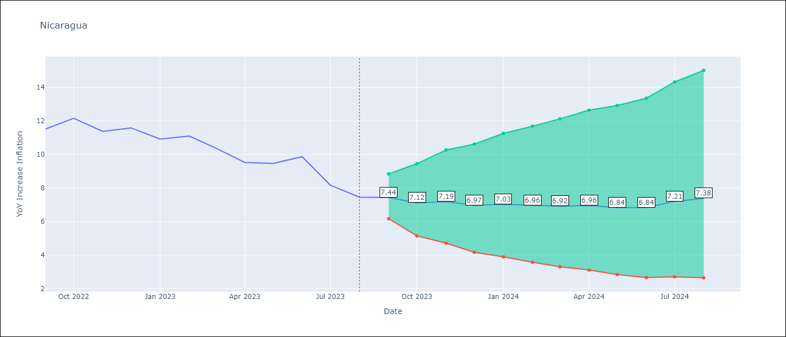

Test Metrics
RMSE | 0.77
Naive RMSE | 2.31
MAPE | 5.88%

Test Predictions
Date | Predicted | Actual
2022-09-01 | 12.07 | 11.52
2022-10-01 | 11.82 | 12.16
2022-11-01 | 11.58 | 11.38
2022-12-01 | 11.44 | 11.59
2023-01-01 | 11.09 | 10.92
2023-02-01 | 10.91 | 11.1
2023-03-01 | 10.3 | 10.39
2023-04-01 | 9.89 | 9.53
2023-05-01 | 9.92 | 9.47
2023-06-01 | 10.12 | 9.87
2023-07-01 | 9.73 | 8.17
2023-08-01 | 9.37 | 7.46

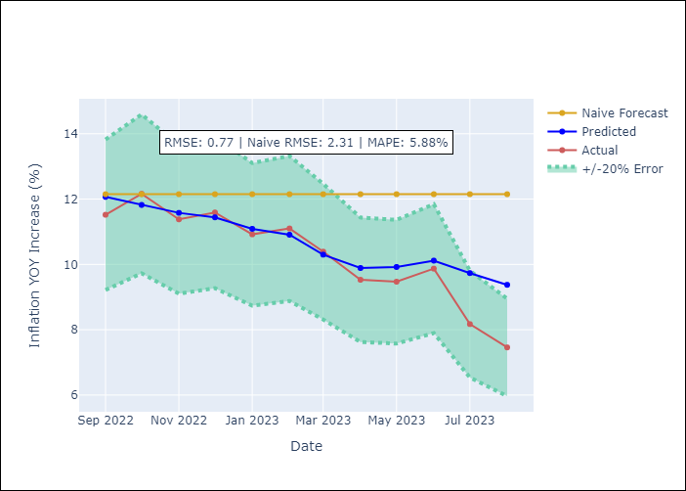

Appendix A: Model Summary
Model | SARIMAX(0, 2, 2)x(2, 0, [], 12)
Sample | 01-01-2008- 08-01-2023
No. of Observations | 188
Terms | P-value (Statistical significance)
Exchange rates (nominal) | 0.167
Monetary Policiy rate | 0.366
M1 money supply ($mm local currency) | 0.110
ma.L1 | 0.994
ma.L2 | 0.991
ar.S.L12 | 0.000
ar.S.L24 | 0.000
sigma2 | 0.991

Assumptions | P-value | Interpretation
Ljung-Box (L1) | 0.93
Heteroskedasticity | 0.07
Jarque-Bera | 0.02
Skew | -0.00
Kurtosis | 4.08

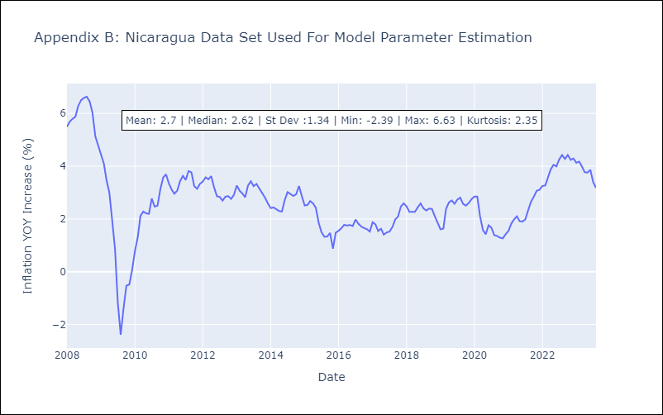

Appendix C: Residuals Analysis
Mean | -0.0
White Noise? | No - Correlation at Lags [ 1 2 3 4 5 6 7 8 9 10 11 12]
Normal? | No

Paraguay
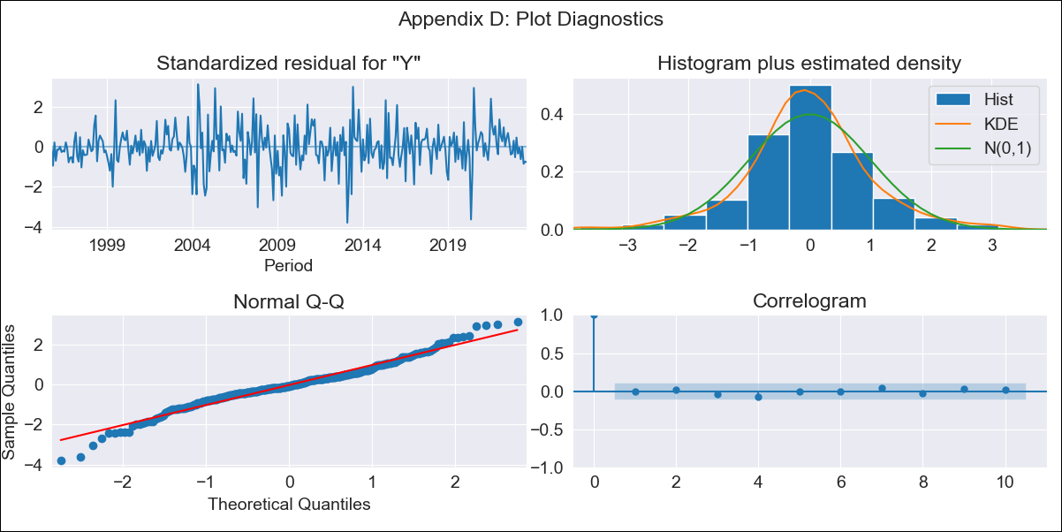
Paraguay - Inflation - Next 12 months forecast as of: 2023-08-01

Model | SARIMAX - [(0, 1, 2), (1, 0, 1, 12)] | Exogenous Variables | Exchange rates (nominal), Monetary Policiy rate, M1 money supply ($mm local currency)
Training Data | 1994-06-01 to 2022-09-01
Test Data | 2022-09-01 to 2023-08-01

Date | Inflation Change YoY % | Lower Bound - 95% Confidence Interval | Upper Bound - 95% Confidence Interval
2023-09-01 | 3.01 | 2 | 4.36
2023-10-01 | 3.22 | 1.7 | 5.58
2023-11-01 | 3.15 | 1.37 | 6.24
2023-12-01 | 3.23 | 1.21 | 7.09
2024-01-01 | 3.17 | 1.02 | 7.63
2024-02-01 | 3.36 | 0.97 | 8.64
2024-03-01 | 3.45 | 0.88 | 9.46
2024-04-01 | 3.8 | 0.9 | 10.85
2024-05-01 | 3.89 | 0.84 | 11.71
2024-06-01 | 4.31 | 0.88 | 13.34
2024-07-01 | 4.77 | 0.93 | 15.09
2024-08-01 | 5.24 | 0.98 | 16.94

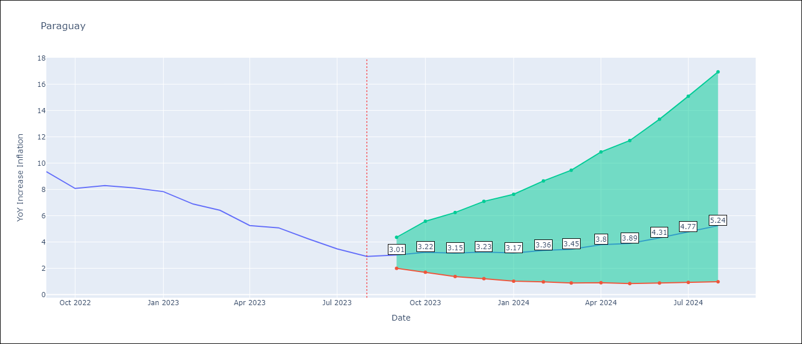

Test Metrics
RMSE | 1.38
Naive RMSE | 4.64
MAPE | 25.93%

Test Predictions
Date | Predicted | Actual
2022-09-01 | 9.88 | 9.35
2022-10-01 | 8.93 | 8.07
2022-11-01 | 8.84 | 8.29
2022-12-01 | 9.17 | 8.12
2023-01-01 | 8.14 | 7.83
2023-02-01 | 7.44 | 6.88
2023-03-01 | 7.03 | 6.41
2023-04-01 | 6.29 | 5.25
2023-05-01 | 6.3 | 5.08
2023-06-01 | 6.12 | 4.24
2023-07-01 | 5.81 | 3.48
2023-08-01 | 5.74 | 2.9

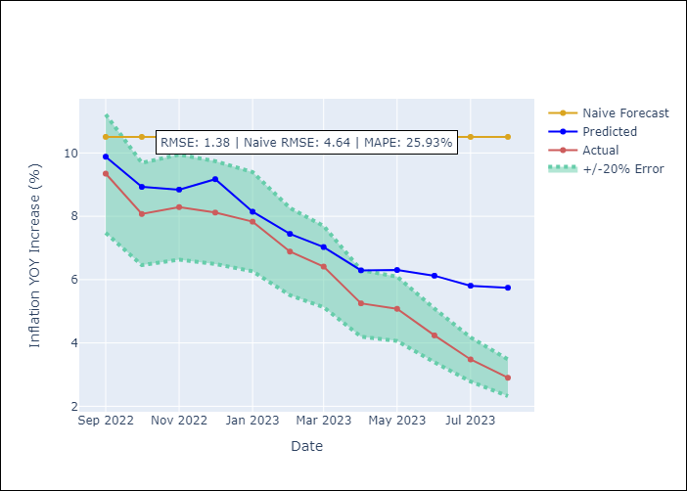

Appendix A: Model Summary
Model | SARIMAX(0, 1, 2)x(1, 0, [1], 12)
Sample | 06-01-1994- 08-01-2023
No. of Observations | 351
Terms | P-value (Statistical significance)
Exchange rates (nominal) | 0.038
Monetary Policiy rate | 0.572
M1 money supply ($mm local currency) | 0.384
ma.L1 | 0.000
ma.L2 | 0.837
ar.S.L12 | 0.004
ma.S.L12 | 0.003
sigma2 | 0.000

Assumptions | P-value | Interpretation
Ljung-Box (L1) | 0.87
Heteroskedasticity | 0.79
Jarque-Bera | 0.00
Skew | -0.09
Kurtosis | 4.61

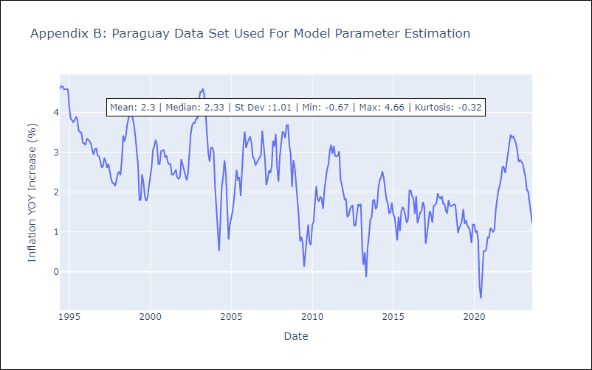

Appendix C: Residuals Analysis
Mean | 0.0
White Noise? | Yes
Normal? | No

