BHS
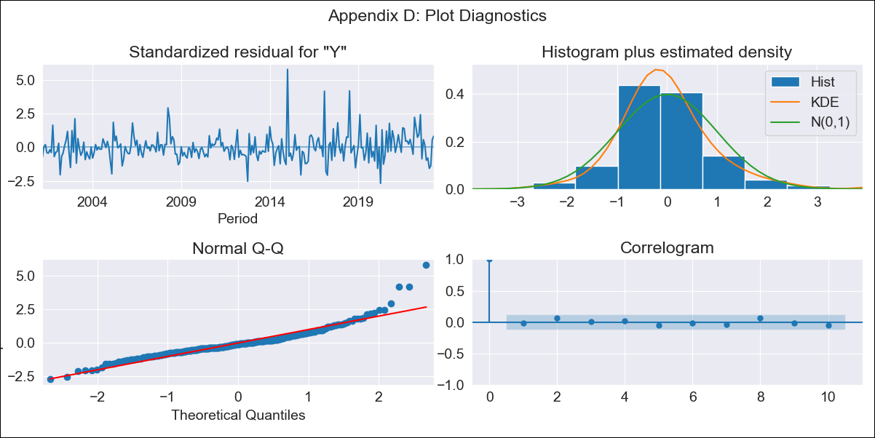
BHS - Inflation - Next 12 months forecast as of: 2023-04-01

Model | ARIMA - [(0, 2, 1), (3, 0, 1, 12)]
Training Data | 1998-01-01 to 2022-05-01
Test Data | 2022-05-01 to 2023-04-01

Date | Inflation Change YoY % | Lower Bound - 95% Confidence Interval | Upper Bound - 95% Confidence Interval
2023-05-01 | 3.63 | 2.76 | 4.5
2023-06-01 | 3.29 | 2.05 | 4.54
2023-07-01 | 2.45 | 0.9 | 3.99
2023-08-01 | 2.62 | 0.81 | 4.43
2023-09-01 | 2.45 | 0.4 | 4.49
2023-10-01 | 2.24 | -0.03 | 4.51
2023-11-01 | 2.57 | 0.09 | 5.05
2023-12-01 | 2.74 | 0.06 | 5.43
2024-01-01 | 3.45 | 0.57 | 6.33
2024-02-01 | 3.85 | 0.77 | 6.92
2024-03-01 | 3.63 | 0.37 | 6.89
2024-04-01 | 3.12 | -0.32 | 6.57

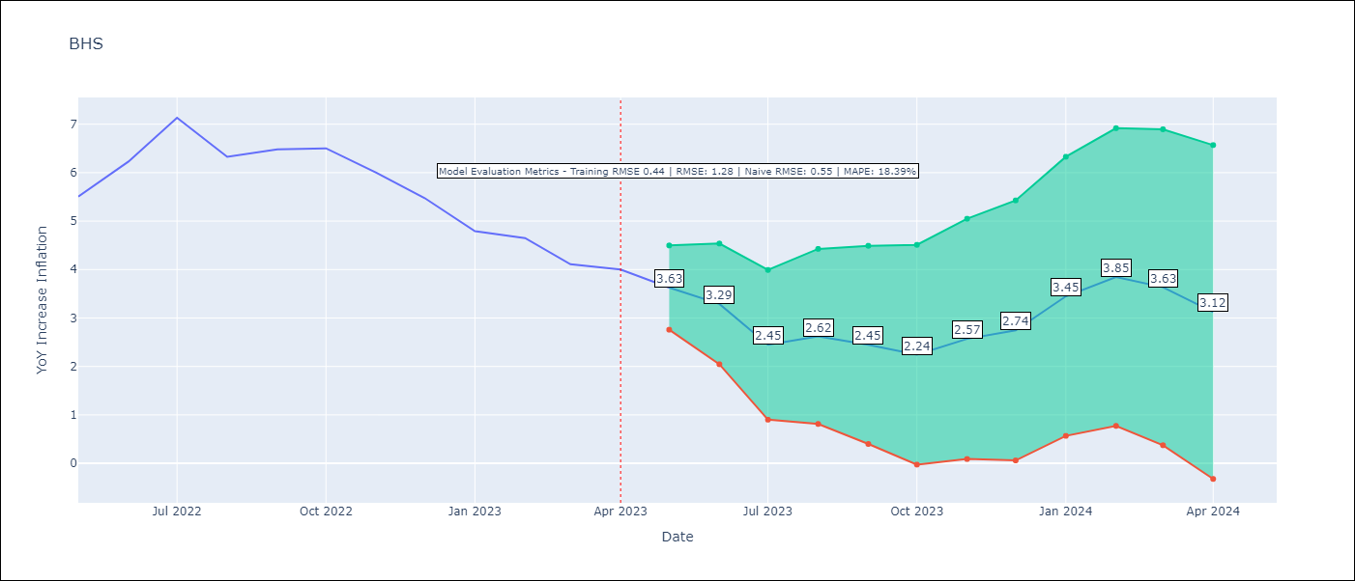

Test Metrics
RMSE | 1.28
Naive RMSE | 0.55
MAPE | 18.39%

Test Predictions
Date | Predicted | Actual
2022-05-01 | 5.18 | 5.51
2022-06-01 | 5.46 | 6.23
2022-07-01 | 5.22 | 7.13
2022-08-01 | 4.74 | 6.33
2022-09-01 | 4.59 | 6.48
2022-10-01 | 4.5 | 6.5
2022-11-01 | 4.37 | 6
2022-12-01 | 4.18 | 5.48
2023-01-01 | 4.15 | 4.79
2023-02-01 | 4.59 | 4.65
2023-03-01 | 3.79 | 4.11
2023-04-01 | 3.33 | 4

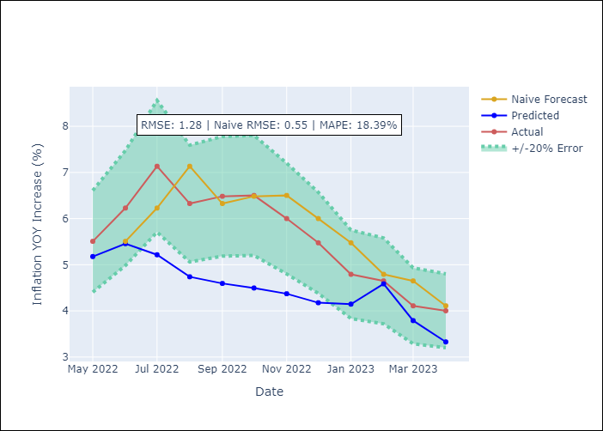

Appendix A: Model Summary
Model | ARIMA(0, 2, 1)x(3, 0, 1, 12)
Sample | 01-01-1998- 04-01-2023
No. of Observations | 304
Terms | P-value (Statistical significance)
ma.L1 | 0.000
ar.S.L12 | 0.321
ar.S.L24 | 0.119
ar.S.L36 | 0.022
ma.S.L12 | 0.000
sigma2 | 0.000

Assumptions | P-value | Interpretation
Ljung-Box (L1) | 0.74
Heteroskedasticity | 0.00
Jarque-Bera | 0.00
Skew | 1.39
Kurtosis | 8.75

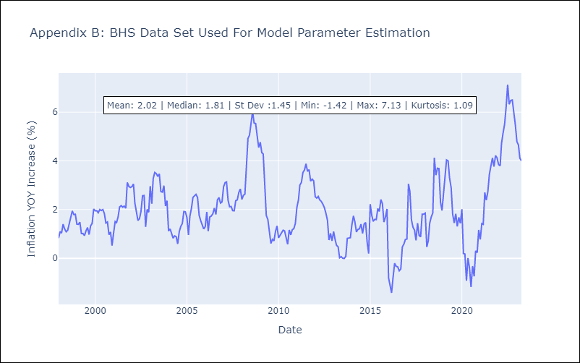

Appendix C: Residuals Analysis
Mean | -0.0
White Noise? | Yes
Normal? | No

BRB
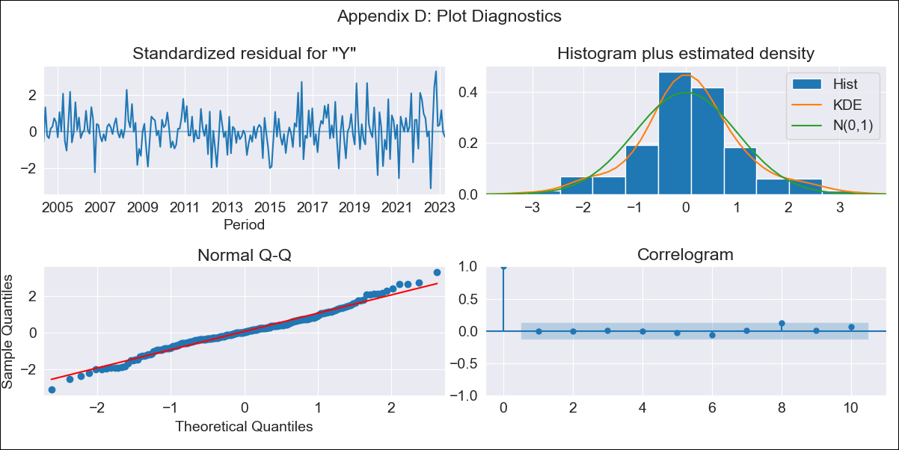
BRB - Inflation - Next 12 months forecast as of: 2023-04-01

Model | ARIMA - [(3, 1, 0), (3, 0, 0, 12)]
Training Data | 2001-01-01 to 2022-05-01
Test Data | 2022-05-01 to 2023-04-01

Date | Inflation Change YoY % | Lower Bound - 95% Confidence Interval | Upper Bound - 95% Confidence Interval
2023-05-01 | 10.62 | 9.05 | 12.2
2023-06-01 | 10.2 | 7.65 | 12.76
2023-07-01 | 10 | 6.53 | 13.47
2023-08-01 | 12.36 | 8.16 | 16.55
2023-09-01 | 12.74 | 7.92 | 17.56
2023-10-01 | 11.88 | 6.52 | 17.24
2023-11-01 | 9.51 | 3.66 | 15.36
2023-12-01 | 8.55 | 2.25 | 14.85
2024-01-01 | 8.02 | 1.3 | 14.74
2024-02-01 | 6.44 | -0.68 | 13.55
2024-03-01 | 6.09 | -1.4 | 13.57
2024-04-01 | 6.05 | -1.79 | 13.9

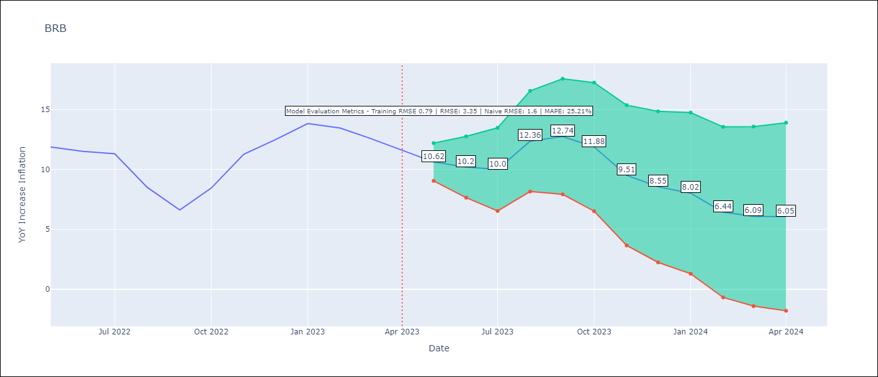

Test Metrics
RMSE | 3.35
Naive RMSE | 1.6
MAPE | 25.21%

Test Predictions
Date | Predicted | Actual
2022-05-01 | 11.3 | 11.87
2022-06-01 | 10.97 | 11.51
2022-07-01 | 10.74 | 11.31
2022-08-01 | 10.74 | 8.51
2022-09-01 | 9.55 | 6.62
2022-10-01 | 9.98 | 8.45
2022-11-01 | 9.58 | 11.26
2022-12-01 | 9.48 | 12.48
2023-01-01 | 9.9 | 13.83
2023-02-01 | 8.13 | 13.45
2023-03-01 | 6.98 | 12.61
2023-04-01 | 6.03 | 11.58

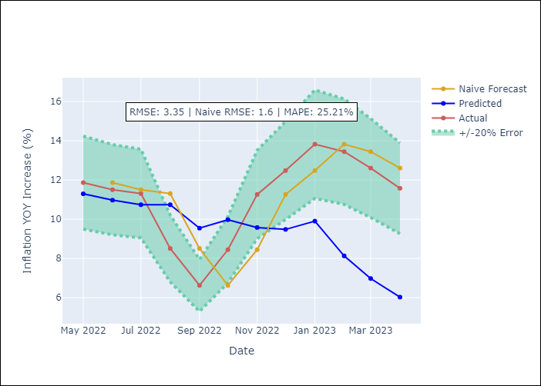

Appendix A: Model Summary
Model | ARIMA(3, 1, 0)x(3, 0, 0, 12)
Sample | 01-01-2001- 04-01-2023
No. of Observations | 268
Terms | P-value (Statistical significance)
ar.L1 | 0.000
ar.L2 | 0.046
ar.L3 | 0.149
ar.S.L12 | 0.000
ar.S.L24 | 0.000
ar.S.L36 | 0.000
sigma2 | 0.000

Assumptions | P-value | Interpretation
Ljung-Box (L1) | 0.92
Heteroskedasticity | 0.00
Jarque-Bera | 0.02
Skew | 0.10
Kurtosis | 3.88

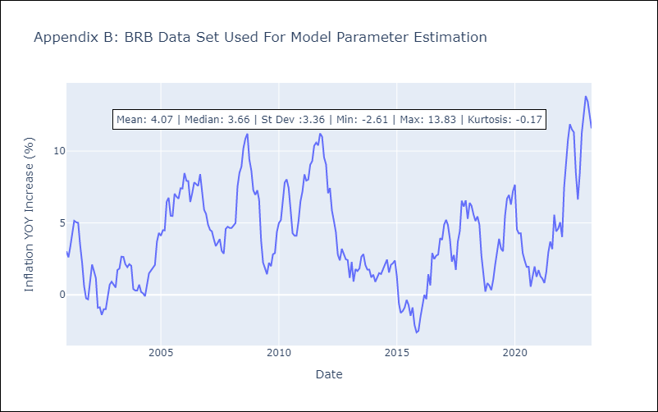

Appendix C: Residuals Analysis
Mean | 0.05
White Noise? | Yes
Normal? | No

CUB
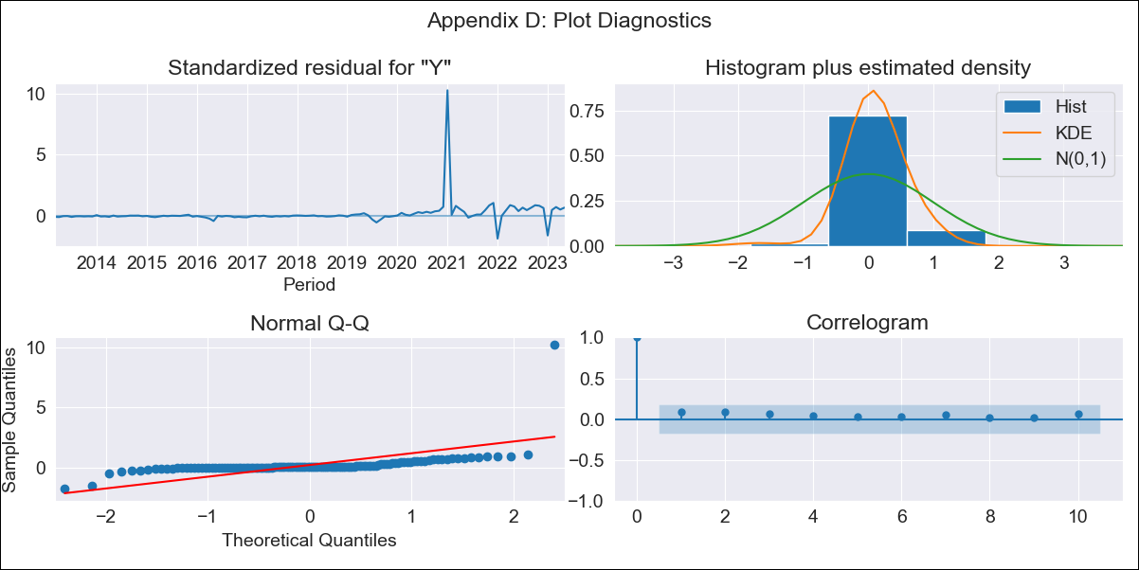
CUB - Inflation - Next 12 months forecast as of: 2023-05-01

Model | ARIMA - [(0, 1, 0), (0, 0, 2, 12)]
Training Data | 2011-01-01 to 2022-06-01
Test Data | 2022-06-01 to 2023-05-01

Date | Inflation Change YoY % | Lower Bound - 95% Confidence Interval | Upper Bound - 95% Confidence Interval
2023-06-01 | 43.62 | 33.77 | 53.46
2023-07-01 | 40.55 | 26.63 | 54.48
2023-08-01 | 38.41 | 21.36 | 55.46
2023-09-01 | 35.43 | 15.73 | 55.12
2023-10-01 | 31.63 | 9.61 | 53.64
2023-11-01 | 28.14 | 4.02 | 52.26
2023-12-01 | 25.52 | -0.53 | 51.57
2024-01-01 | 31.9 | 4.05 | 59.75
2024-02-01 | 29.69 | 0.15 | 59.22
2024-03-01 | 26.53 | -4.6 | 57.67
2024-04-01 | 24.4 | -8.25 | 57.05
2024-05-01 | 21.55 | -12.55 | 55.66

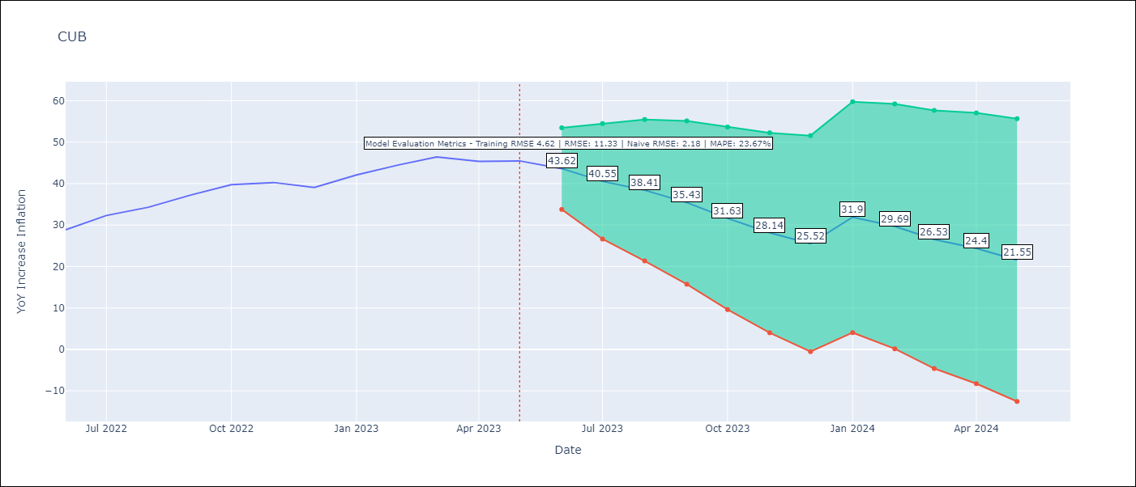

Test Metrics
RMSE | 11.33
Naive RMSE | 2.18
MAPE | 23.67%

Test Predictions
Date | Predicted | Actual
2022-06-01 | 27.25 | 28.85
2022-07-01 | 27.2 | 32.31
2022-08-01 | 26.52 | 34.3
2022-09-01 | 25.98 | 37.24
2022-10-01 | 24.36 | 39.73
2022-11-01 | 20.99 | 40.26
2022-12-01 | 17.24 | 39.07
2023-01-01 | 40.48 | 42.08
2023-02-01 | 40.88 | 44.5
2023-03-01 | 40.22 | 46.42
2023-04-01 | 37.18 | 45.35
2023-05-01 | 34.53 | 45.48

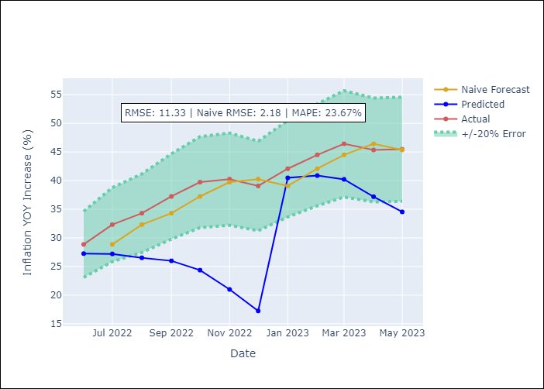

Appendix A: Model Summary
Model | ARIMA(0, 1, 0)x(0, 0, [1, 2], 12)
Sample | 01-01-2011- 05-01-2023
No. of Observations | 149
Terms | P-value (Statistical significance)
ma.S.L12 | 0.000
ma.S.L24 | 0.504
sigma2 | 0.000

Assumptions | P-value | Interpretation
Ljung-Box (L1) | 0.35
Heteroskedasticity | 0.00
Jarque-Bera | 0.00
Skew | 8.63
Kurtosis | 89.67

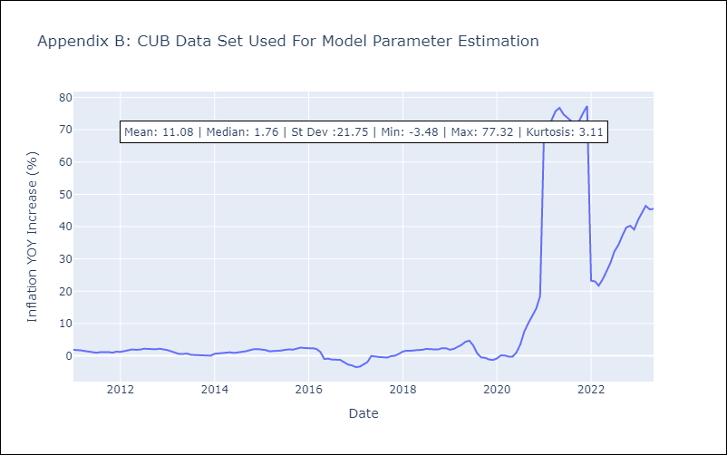

Appendix C: Residuals Analysis
Mean | 0.8
White Noise? | Yes
Normal? | No

GUY
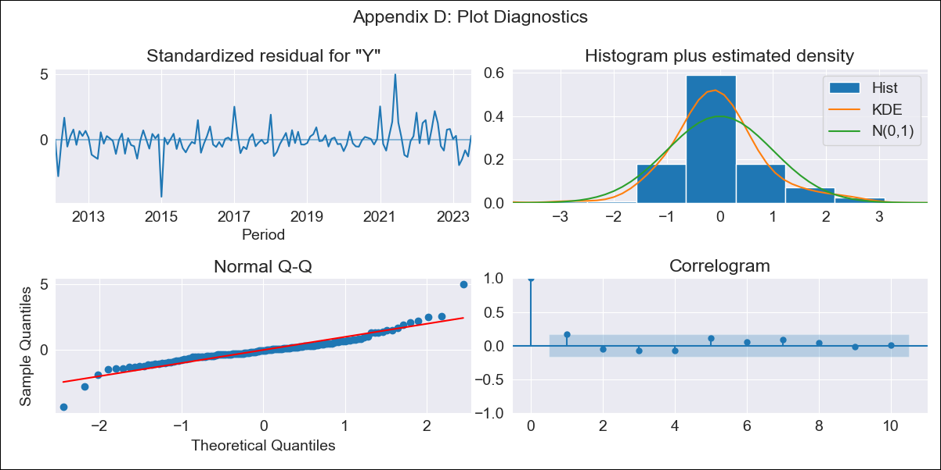
GUY - Inflation - Next 12 months forecast as of: 2023-07-01

Model | ARIMA - [(1, 0, 0), (0, 0, 1, 12)]
Training Data | 2011-01-01 to 2022-08-01
Test Data | 2022-08-01 to 2023-07-01

Date | Inflation Change YoY % | Lower Bound - 95% Confidence Interval | Upper Bound - 95% Confidence Interval
2023-08-01 | 0.67 | -0.48 | 1.83
2023-09-01 | 0.91 | -0.72 | 2.53
2023-10-01 | 1.28 | -0.7 | 3.25
2023-11-01 | 0.99 | -1.27 | 3.26
2023-12-01 | 0.69 | -1.83 | 3.2
2024-01-01 | 0.7 | -2.04 | 3.43
2024-02-01 | 0.61 | -2.33 | 3.54
2024-03-01 | 1.44 | -1.68 | 4.56
2024-04-01 | 2.07 | -1.21 | 5.36
2024-05-01 | 2.42 | -1.02 | 5.86
2024-06-01 | 2.95 | -0.63 | 6.54
2024-07-01 | 2.83 | -0.88 | 6.55

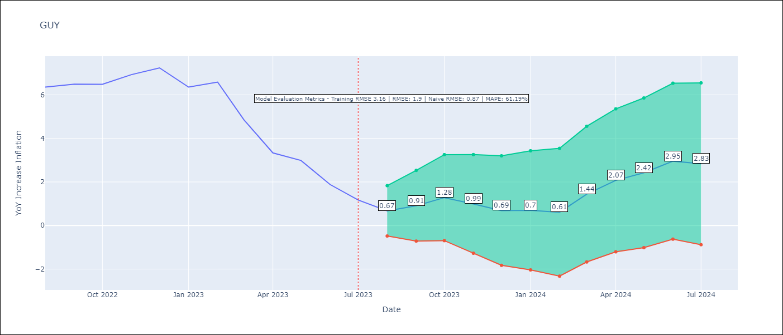

Test Metrics
RMSE | 1.9
Naive RMSE | 0.87
MAPE | 61.19%

Test Predictions
Date | Predicted | Actual
2022-08-01 | 5.74 | 6.36
2022-09-01 | 6.27 | 6.49
2022-10-01 | 6.86 | 6.49
2022-11-01 | 6.97 | 6.93
2022-12-01 | 6.94 | 7.24
2023-01-01 | 6.27 | 6.36
2023-02-01 | 6.44 | 6.59
2023-03-01 | 6.02 | 4.86
2023-04-01 | 5.55 | 3.33
2023-05-01 | 5.8 | 2.99
2023-06-01 | 5.66 | 1.88
2023-07-01 | 4.95 | 1.17

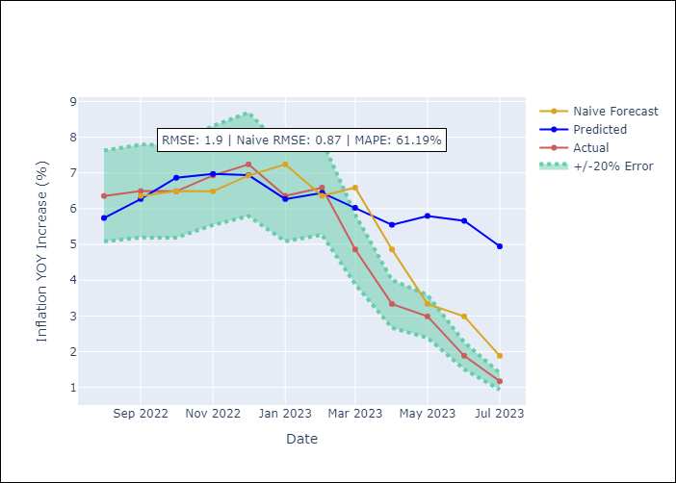

Appendix A: Model Summary
Model | ARIMA(1, 0, 0)x(0, 0, [1], 12)
Sample | 01-01-2011- 07-01-2023
No. of Observations | 151
Terms | P-value (Statistical significance)
const | 0.123
ar.L1 | 0.000
ma.S.L12 | 0.000
sigma2 | 0.000

Assumptions | P-value | Interpretation
Ljung-Box (L1) | 0.05
Heteroskedasticity | 0.23
Jarque-Bera | 0.00
Skew | 0.54
Kurtosis | 9.23

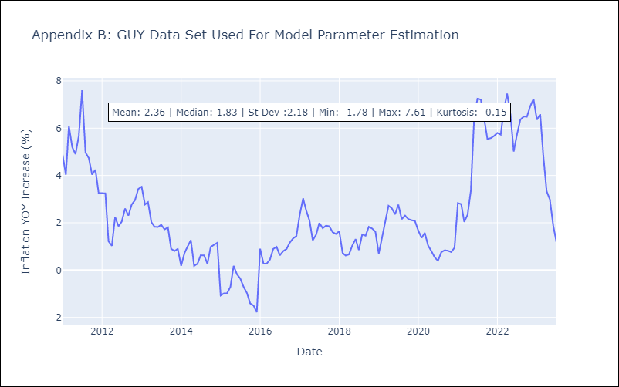

Appendix C: Residuals Analysis
Mean | -0.02
White Noise? | Yes
Normal? | No

HTI
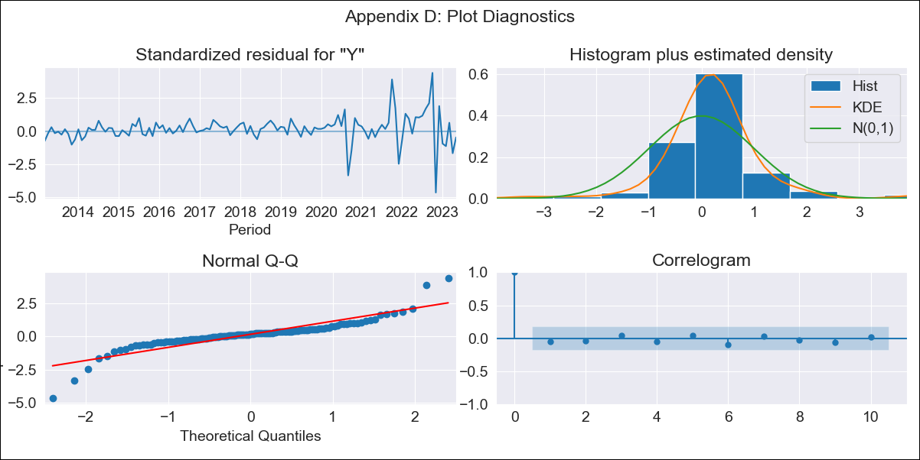
HTI - Inflation - Next 12 months forecast as of: 2023-05-01

Model | ARIMA - [(1, 1, 0), (2, 0, 1, 12)]
Training Data | 2011-01-01 to 2022-06-01
Test Data | 2022-06-01 to 2023-05-01

Date | Inflation Change YoY % | Lower Bound - 95% Confidence Interval | Upper Bound - 95% Confidence Interval
2023-06-01 | 46.4 | 44.16 | 48.65
2023-07-01 | 45.04 | 40.8 | 49.29
2023-08-01 | 44.72 | 38.6 | 50.84
2023-09-01 | 38.86 | 31.02 | 46.7
2023-10-01 | 26.48 | 17.07 | 35.89
2023-11-01 | 21.28 | 10.44 | 32.11
2023-12-01 | 19.91 | 7.77 | 32.06
2024-01-01 | 20.24 | 6.89 | 33.59
2024-02-01 | 19.6 | 5.13 | 34.07
2024-03-01 | 18.8 | 3.28 | 34.32
2024-04-01 | 18.66 | 2.15 | 35.16
2024-05-01 | 18.12 | 0.67 | 35.56

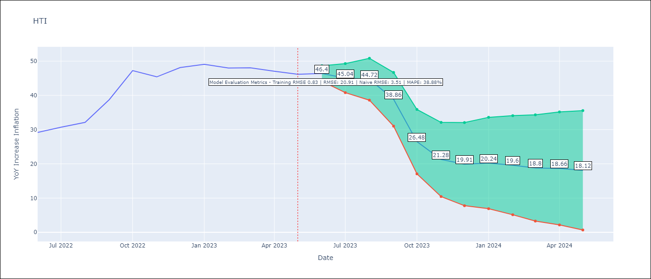

Test Metrics
RMSE | 20.91
Naive RMSE | 3.51
MAPE | 38.88%

Test Predictions
Date | Predicted | Actual
2022-06-01 | 29.14 | 29.19
2022-07-01 | 29.15 | 30.71
2022-08-01 | 29.37 | 32.12
2022-09-01 | 28.81 | 38.76
2022-10-01 | 24.96 | 47.25
2022-11-01 | 21.42 | 45.42
2022-12-01 | 21.79 | 48.13
2023-01-01 | 22.49 | 49.09
2023-02-01 | 21.87 | 48
2023-03-01 | 21.61 | 48.06
2023-04-01 | 21.43 | 47.04
2023-05-01 | 21.13 | 46.18

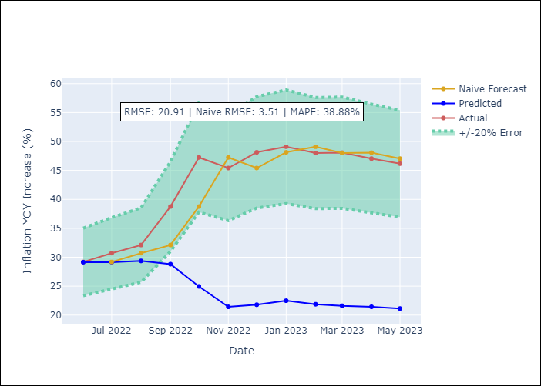

Appendix A: Model Summary
Model | ARIMA(1, 1, 0)x(2, 0, [1], 12)
Sample | 01-01-2011- 05-01-2023
No. of Observations | 149
Terms | P-value (Statistical significance)
ar.L1 | 0.000
ar.S.L12 | 0.440
ar.S.L24 | 0.000
ma.S.L12 | 0.436
sigma2 | 0.000

Assumptions | P-value | Interpretation
Ljung-Box (L1) | 0.56
Heteroskedasticity | 0.00
Jarque-Bera | 0.00
Skew | -0.31
Kurtosis | 11.33

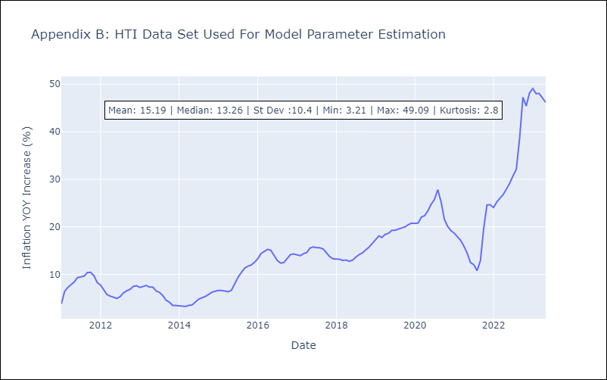

Appendix C: Residuals Analysis
Mean | 0.22
White Noise? | Yes
Normal? | No

JAM
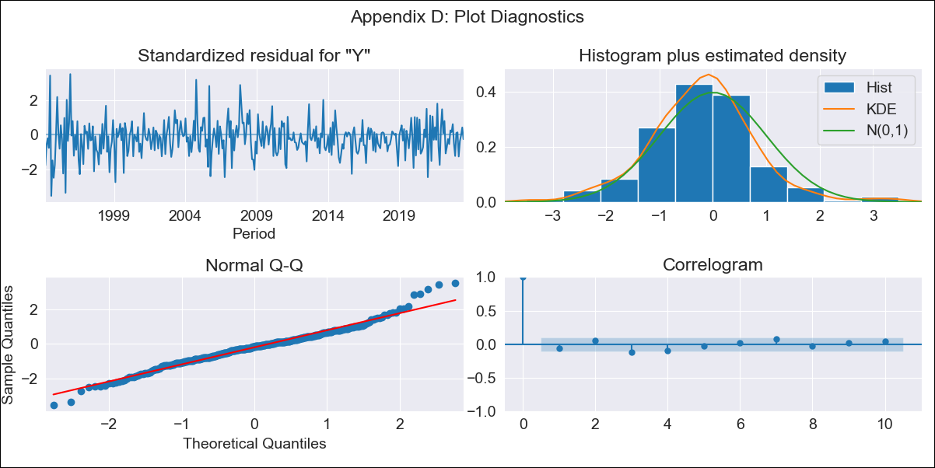
JAM - Inflation - Next 12 months forecast as of: 2023-07-01

Model | ARIMA - [(2, 0, 1), (3, 0, 0, 12)]
Training Data | 1991-01-01 to 2022-08-01
Test Data | 2022-08-01 to 2023-07-01

Date | Inflation Change YoY % | Lower Bound - 95% Confidence Interval | Upper Bound - 95% Confidence Interval
2023-08-01 | 6.59 | 4.96 | 8.22
2023-09-01 | 6.73 | 4.04 | 9.43
2023-10-01 | 6.44 | 2.74 | 10.14
2023-11-01 | 6.75 | 2.09 | 11.4
2023-12-01 | 7.74 | 2.19 | 13.29
2024-01-01 | 8.12 | 1.74 | 14.51
2024-02-01 | 8.47 | 1.3 | 15.64
2024-03-01 | 9.38 | 1.48 | 17.28
2024-04-01 | 10.05 | 1.48 | 18.62
2024-05-01 | 10.3 | 1.1 | 19.49
2024-06-01 | 10.52 | 0.74 | 20.3
2024-07-01 | 10.71 | 0.4 | 21.02

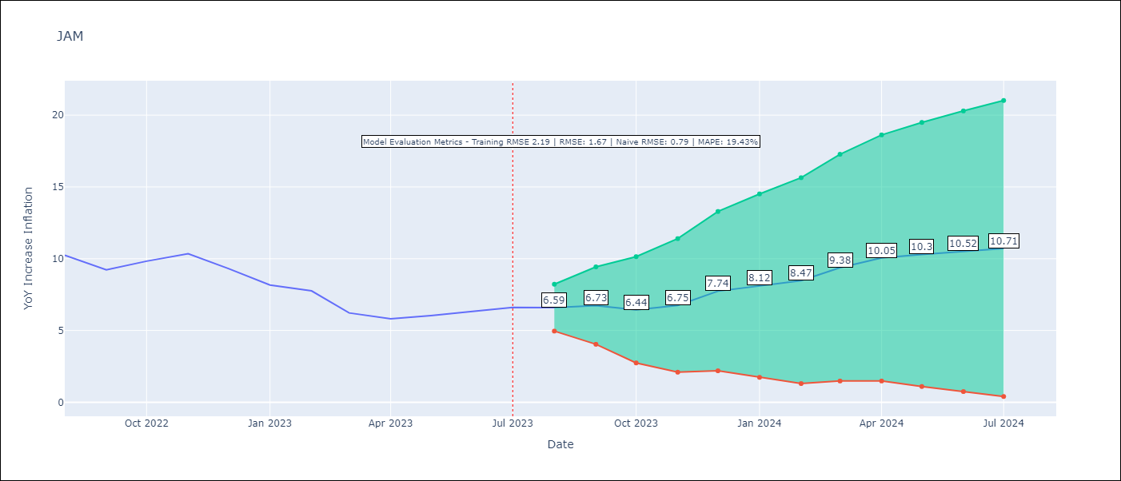

Test Metrics
RMSE | 1.67
Naive RMSE | 0.79
MAPE | 19.43%

Test Predictions
Date | Predicted | Actual
2022-08-01 | 10.02 | 10.24
2022-09-01 | 8.79 | 9.23
2022-10-01 | 8.79 | 9.83
2022-11-01 | 9.52 | 10.34
2022-12-01 | 9.47 | 9.32
2023-01-01 | 8.51 | 8.16
2023-02-01 | 8.18 | 7.76
2023-03-01 | 7.79 | 6.22
2023-04-01 | 8.09 | 5.81
2023-05-01 | 8.75 | 6.04
2023-06-01 | 8.98 | 6.32
2023-07-01 | 9.59 | 6.6

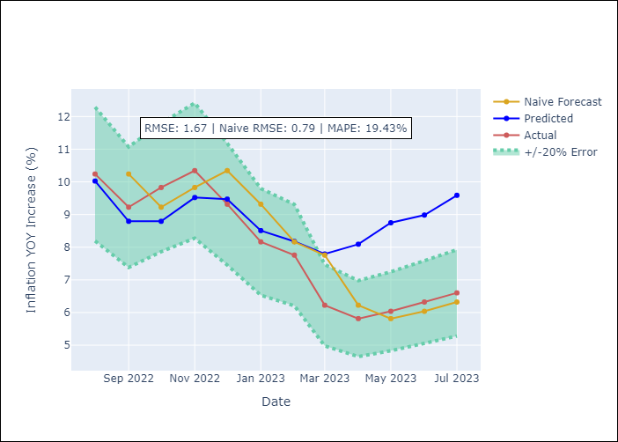

Appendix A: Model Summary
Model | ARIMA(2, 0, 1)x(3, 0, [], 12)
Sample | 01-01-1991- 07-01-2023
No. of Observations | 391
Terms | P-value (Statistical significance)
const | 0.000
ar.L1 | 0.000
ar.L2 | 0.000
ma.L1 | 0.000
ar.S.L12 | 0.000
ar.S.L24 | 0.000
ar.S.L36 | 0.000
sigma2 | 0.000

Assumptions | P-value | Interpretation
Ljung-Box (L1) | 0.23
Heteroskedasticity | 0.00
Jarque-Bera | 0.00
Skew | 0.20
Kurtosis | 4.62

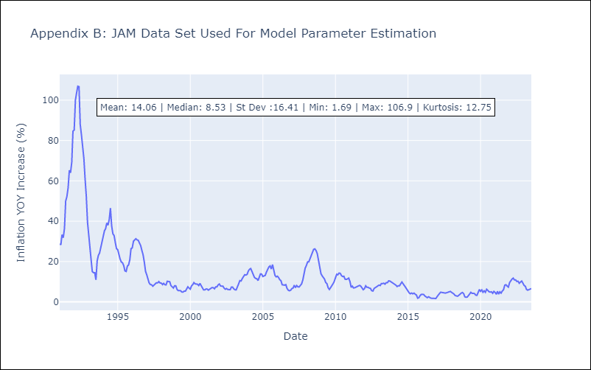

Appendix C: Residuals Analysis
Mean | -0.07
White Noise? | No - Correlation at Lags [ 1 2 3 4 5 6 7 8 9 10 11 12]
Normal? | No

TTO
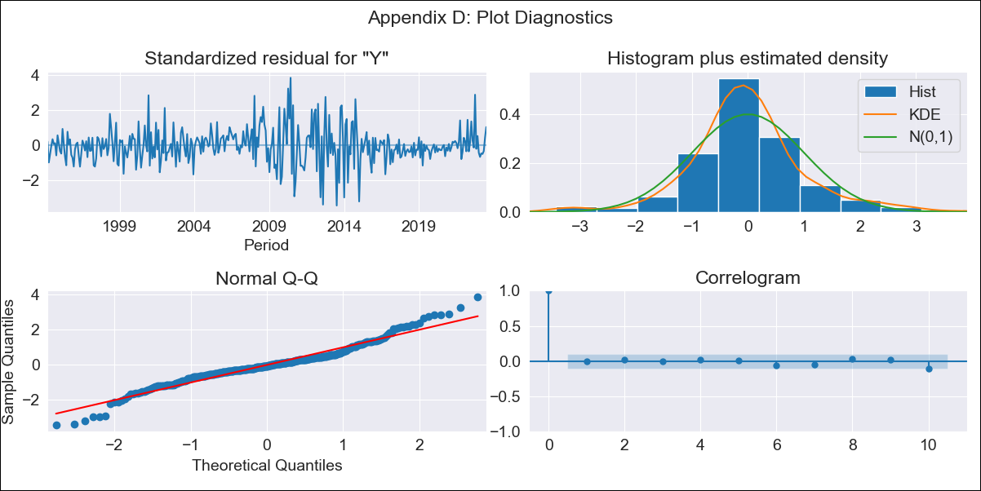
TTO - Inflation - Next 12 months forecast as of: 2023-07-01

Model | ARIMA - [(2, 0, 1), (3, 0, 0, 12)]
Training Data | 1991-01-01 to 2022-08-01
Test Data | 2022-08-01 to 2023-07-01

Date | Inflation Change YoY % | Lower Bound - 95% Confidence Interval | Upper Bound - 95% Confidence Interval
2023-08-01 | 5.64 | 4.14 | 7.15
2023-09-01 | 5.68 | 3.41 | 7.94
2023-10-01 | 4.14 | 1.25 | 7.03
2023-11-01 | 4 | 0.58 | 7.42
2023-12-01 | 3.61 | -0.27 | 7.5
2024-01-01 | 3.76 | -0.53 | 8.05
2024-02-01 | 4.11 | -0.55 | 8.76
2024-03-01 | 4.37 | -0.61 | 9.36
2024-04-01 | 4.79 | -0.49 | 10.07
2024-05-01 | 5.05 | -0.51 | 10.6
2024-06-01 | 4.92 | -0.88 | 10.72
2024-07-01 | 4.44 | -1.59 | 10.47

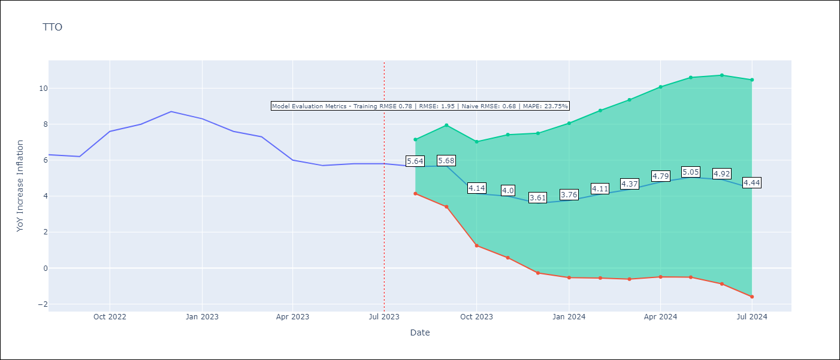

Test Metrics
RMSE | 1.95
Naive RMSE | 0.68
MAPE | 23.75%

Test Predictions
Date | Predicted | Actual
2022-08-01 | 6.1 | 6.3
2022-09-01 | 6.06 | 6.2
2022-10-01 | 5.23 | 7.6
2022-11-01 | 5.5 | 8
2022-12-01 | 5.68 | 8.7
2023-01-01 | 5.5 | 8.3
2023-02-01 | 5.32 | 7.6
2023-03-01 | 5.47 | 7.3
2023-04-01 | 4.65 | 6
2023-05-01 | 4.73 | 5.7
2023-06-01 | 4.62 | 5.8
2023-07-01 | 3.84 | 5.8

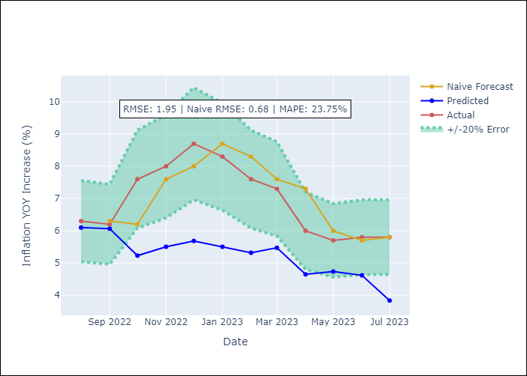

Appendix A: Model Summary
Model | ARIMA(2, 0, 1)x(3, 0, [], 12)
Sample | 01-01-1991- 07-01-2023
No. of Observations | 391
Terms | P-value (Statistical significance)
const | 0.000
ar.L1 | 0.000
ar.L2 | 0.001
ma.L1 | 0.025
ar.S.L12 | 0.000
ar.S.L24 | 0.000
ar.S.L36 | 0.000
sigma2 | 0.262

Assumptions | P-value | Interpretation
Ljung-Box (L1) | 0.95
Heteroskedasticity | 0.22
Jarque-Bera | 0.00
Skew | 0.20
Kurtosis | 5.04

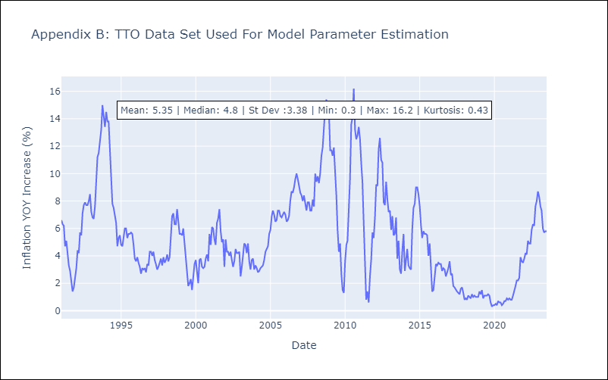

Appendix C: Residuals Analysis
Mean | -0.01
White Noise? | Yes
Normal? | No

