BHS
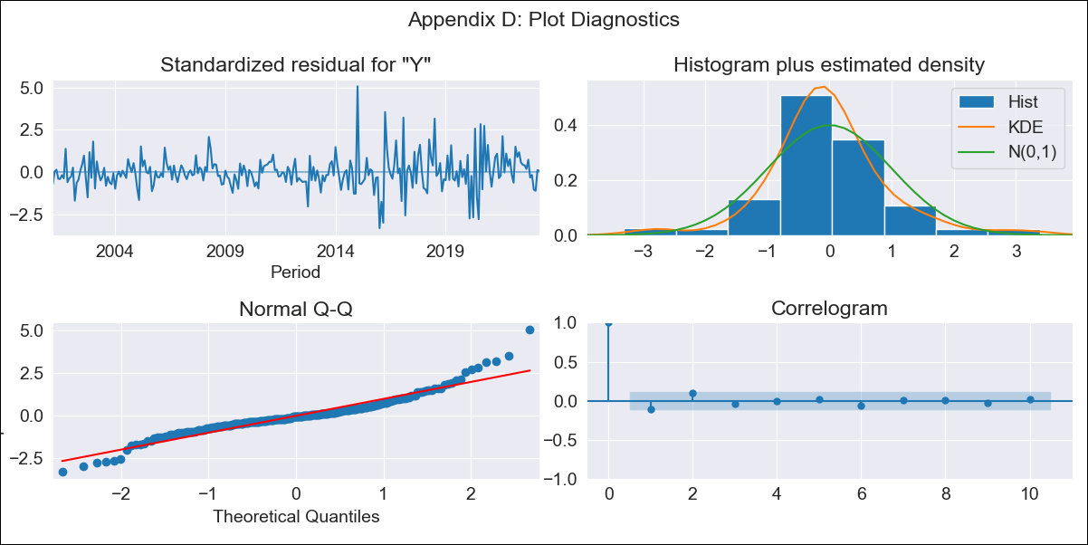
BHS - Inflation - Next 12 months forecast as of: 2023-04-01

Model | ARIMA - [(0, 2, 1), (3, 0, 1, 12)]
Training Data | 1998-01-01 to 2022-05-01
Test Data | 2022-05-01 to 2023-04-01

Date | Inflation Change YoY % | Lower Bound - 95% Confidence Interval | Upper Bound - 95% Confidence Interval
2023-05-01 | 3.28 | 2.14 | 4.55
2023-06-01 | 3.12 | 1.57 | 4.92
2023-07-01 | 3.15 | 1.27 | 5.4
2023-08-01 | 2.7 | 0.67 | 5.24
2023-09-01 | 2.74 | 0.49 | 5.63
2023-10-01 | 2.25 | -0.03 | 5.32
2023-11-01 | 2.35 | -0.11 | 5.75
2023-12-01 | 2.25 | -0.31 | 5.88
2024-01-01 | 2.75 | -0.12 | 6.81
2024-02-01 | 2.98 | -0.1 | 7.37
2024-03-01 | 2.9 | -0.27 | 7.52
2024-04-01 | 2.59 | -0.55 | 7.34

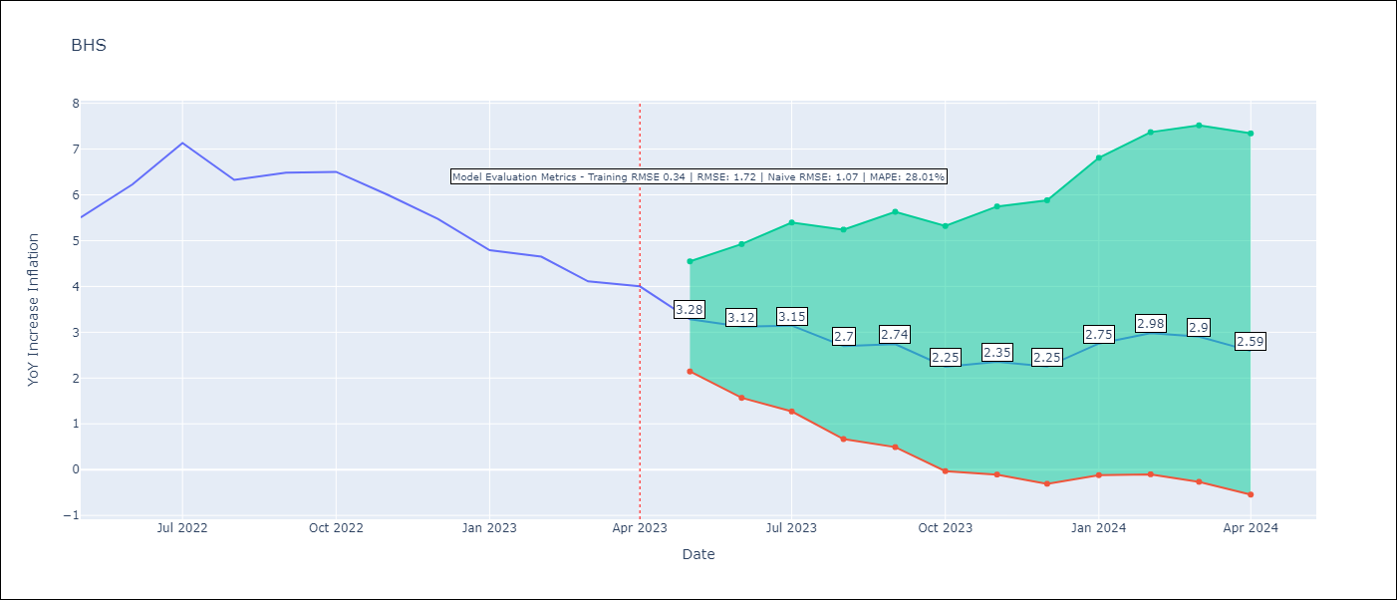

Test Metrics
RMSE | 1.72
Naive RMSE | 1.07
MAPE | 28.01%

Test Predictions
Date | Predicted | Actual
2022-05-01 | 4.6 | 5.51
2022-06-01 | 4.92 | 6.23
2022-07-01 | 5.48 | 7.13
2022-08-01 | 4.38 | 6.33
2022-09-01 | 4.41 | 6.48
2022-10-01 | 3.85 | 6.5
2022-11-01 | 3.62 | 6
2022-12-01 | 3.24 | 5.48
2023-01-01 | 3.27 | 4.79
2023-02-01 | 3.86 | 4.65
2023-03-01 | 3.28 | 4.11
2023-04-01 | 3.1 | 4

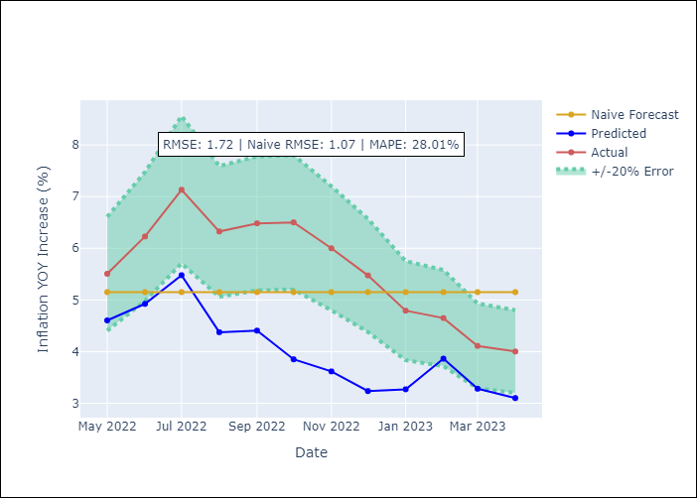

Appendix A: Model Summary
Model | ARIMA(0, 2, 1)x(3, 0, 1, 12)
Sample | 01-01-1998- 04-01-2023
No. of Observations | 304
Terms | P-value (Statistical significance)
ma.L1 | 0.959
ar.S.L12 | 0.419
ar.S.L24 | 0.178
ar.S.L36 | 0.016
ma.S.L12 | 0.000
sigma2 | 0.959

Assumptions | P-value | Interpretation
Ljung-Box (L1) | 0.08
Heteroskedasticity | 0.00
Jarque-Bera | 0.00
Skew | 0.71
Kurtosis | 7.00

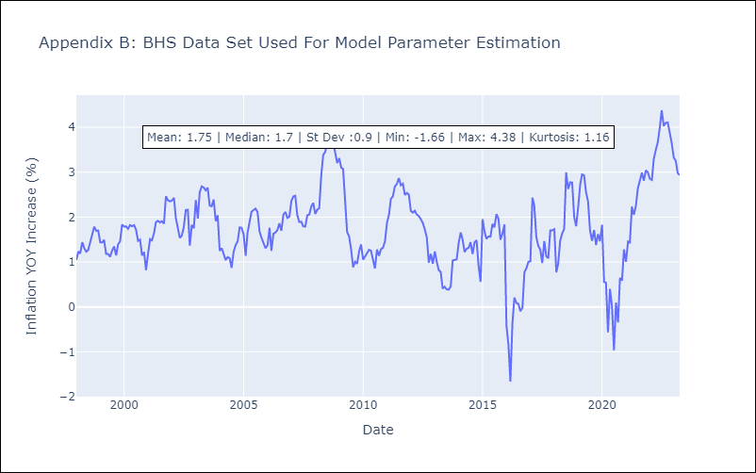

Appendix C: Residuals Analysis
Mean | -0.0
White Noise? | No - Correlation at Lags [1 2 3 4]
Normal? | No

BRB
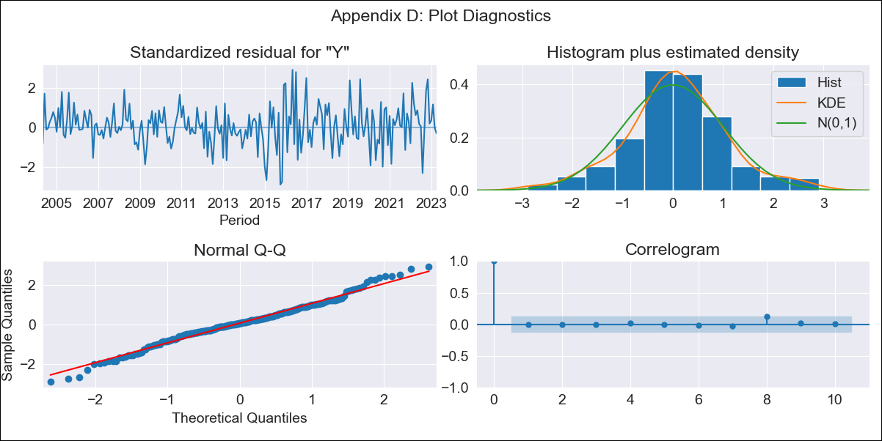
BRB - Inflation - Next 12 months forecast as of: 2023-04-01

Model | ARIMA - [(3, 1, 0), (3, 0, 0, 12)]
Training Data | 2001-01-01 to 2022-05-01
Test Data | 2022-05-01 to 2023-04-01

Date | Inflation Change YoY % | Lower Bound - 95% Confidence Interval | Upper Bound - 95% Confidence Interval
2023-05-01 | 10.51 | 8.28 | 12.93
2023-06-01 | 9.91 | 6.56 | 13.72
2023-07-01 | 9.68 | 5.39 | 14.76
2023-08-01 | 11.76 | 6.36 | 18.23
2023-09-01 | 12.13 | 6.04 | 19.61
2023-10-01 | 11.27 | 4.84 | 19.39
2023-11-01 | 9.23 | 2.9 | 17.59
2023-12-01 | 8.51 | 2.03 | 17.33
2024-01-01 | 8.21 | 1.52 | 17.57
2024-02-01 | 6.92 | 0.43 | 16.42
2024-03-01 | 6.68 | 0.04 | 16.64
2024-04-01 | 6.71 | -0.15 | 17.22

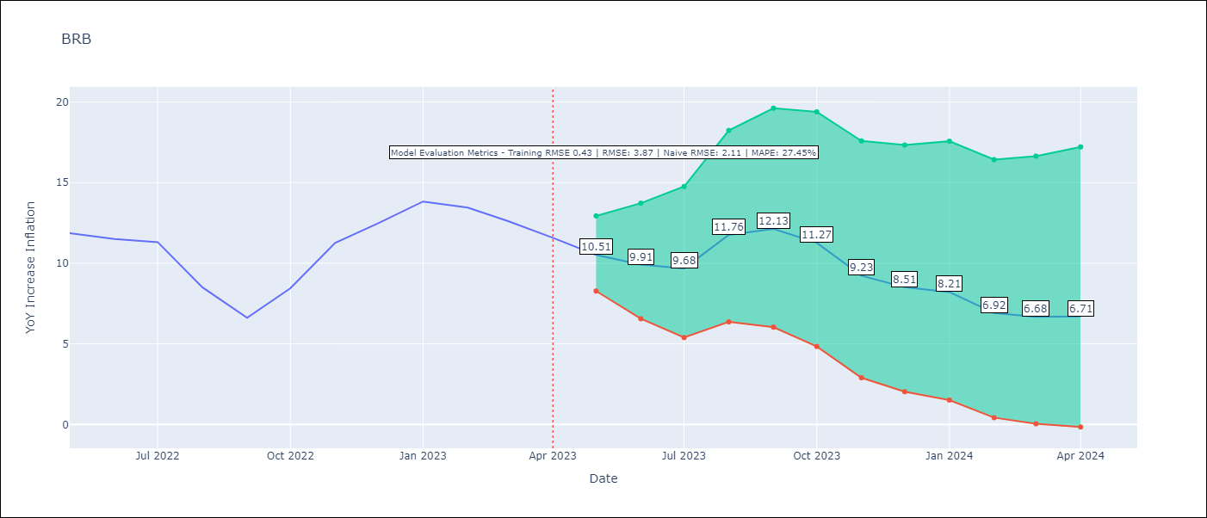

Test Metrics
RMSE | 3.87
Naive RMSE | 2.11
MAPE | 27.45%

Test Predictions
Date | Predicted | Actual
2022-05-01 | 10.83 | 11.87
2022-06-01 | 10.01 | 11.51
2022-07-01 | 9.57 | 11.31
2022-08-01 | 9.63 | 8.51
2022-09-01 | 8.53 | 6.62
2022-10-01 | 8.87 | 8.45
2022-11-01 | 8.37 | 11.26
2022-12-01 | 8.38 | 12.48
2023-01-01 | 8.81 | 13.83
2023-02-01 | 7.06 | 13.45
2023-03-01 | 6.18 | 12.61
2023-04-01 | 5.56 | 11.58

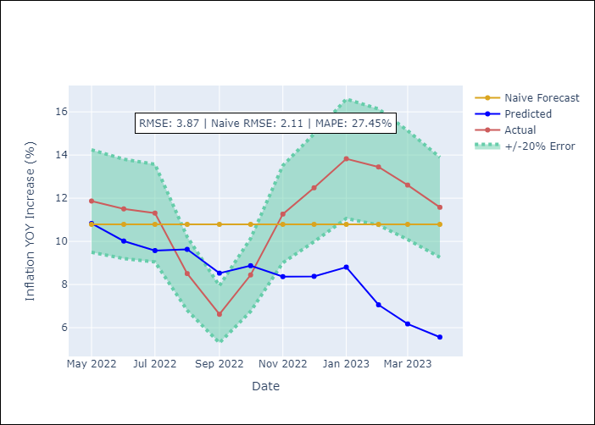

Appendix A: Model Summary
Model | ARIMA(3, 1, 0)x(3, 0, 0, 12)
Sample | 01-01-2001- 04-01-2023
No. of Observations | 268
Terms | P-value (Statistical significance)
ar.L1 | 0.000
ar.L2 | 0.103
ar.L3 | 0.150
ar.S.L12 | 0.000
ar.S.L24 | 0.000
ar.S.L36 | 0.022
sigma2 | 0.000

Assumptions | P-value | Interpretation
Ljung-Box (L1) | 0.96
Heteroskedasticity | 0.00
Jarque-Bera | 0.14
Skew | -0.01
Kurtosis | 3.65

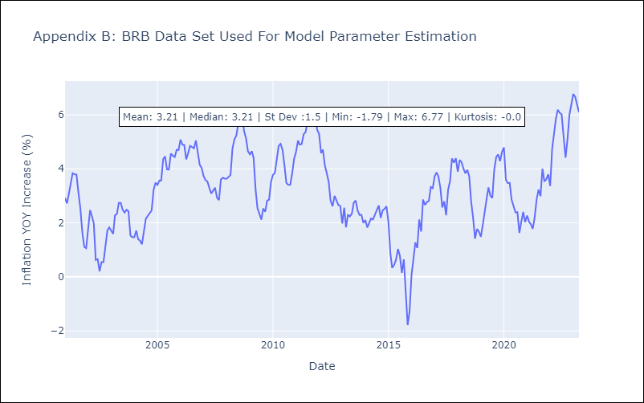

Appendix C: Residuals Analysis
Mean | 0.03
White Noise? | Yes
Normal? | No

CUB
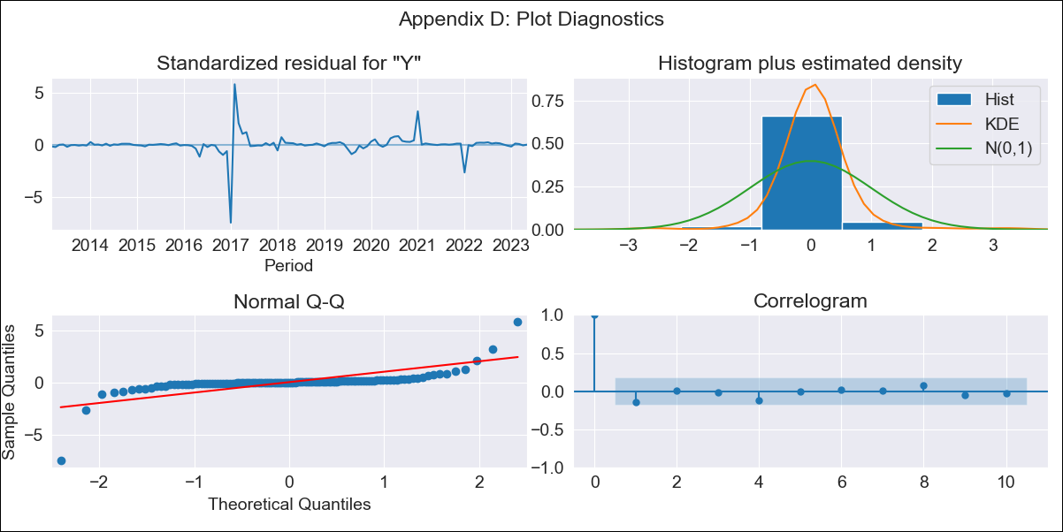
CUB - Inflation - Next 12 months forecast as of: 2023-05-01

Model | ARIMA - [(0, 1, 0), (0, 0, 2, 12)]
Training Data | 2011-01-01 to 2022-06-01
Test Data | 2022-06-01 to 2023-05-01

Date | Inflation Change YoY % | Lower Bound - 95% Confidence Interval | Upper Bound - 95% Confidence Interval
2023-06-01 | 45.06 | 19.1 | 92.64
2023-07-01 | 44.57 | 12.3 | 120.45
2023-08-01 | 44.31 | 8.38 | 146.46
2023-09-01 | 43.94 | 5.7 | 171.35
2023-10-01 | 43.64 | 3.79 | 196.17
2023-11-01 | 43.59 | 2.4 | 221.91
2023-12-01 | 43.74 | 1.36 | 248.83
2024-01-01 | 43.45 | 0.48 | 274.31
2024-02-01 | 43.18 | -0.22 | 300.23
2024-03-01 | 42.98 | -0.78 | 326.86
2024-04-01 | 43.09 | -1.21 | 355.7
2024-05-01 | 43.08 | -1.57 | 384.5

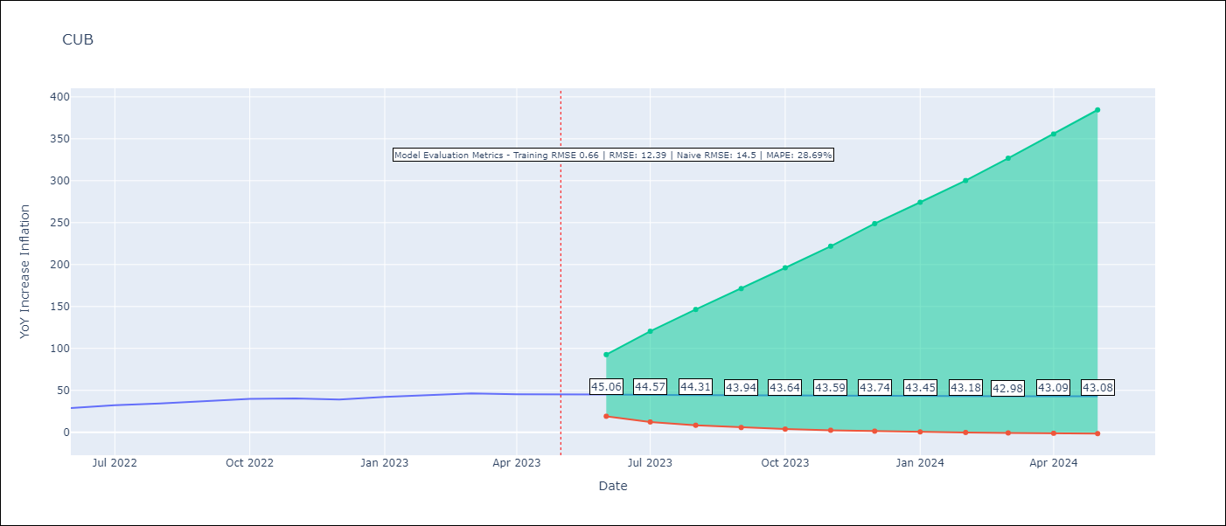

Test Metrics
RMSE | 12.39
Naive RMSE | 14.5
MAPE | 28.69%

Test Predictions
Date | Predicted | Actual
2022-06-01 | 26.26 | 28.85
2022-07-01 | 26.3 | 32.31
2022-08-01 | 26.33 | 34.3
2022-09-01 | 26.35 | 37.24
2022-10-01 | 26.31 | 39.73
2022-11-01 | 26.18 | 40.26
2022-12-01 | 26.07 | 39.07
2023-01-01 | 30.24 | 42.08
2023-02-01 | 30.28 | 44.5
2023-03-01 | 30.47 | 46.42
2023-04-01 | 30.19 | 45.35
2023-05-01 | 29.86 | 45.48

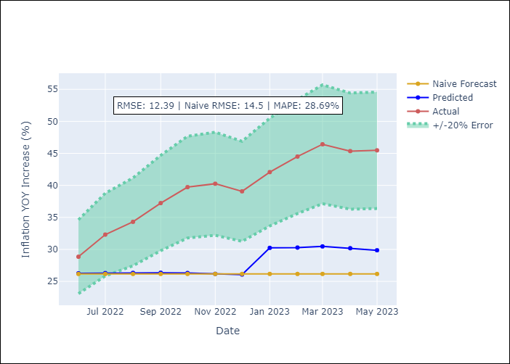

Appendix A: Model Summary
Model | ARIMA(0, 1, 0)x(0, 0, [1, 2], 12)
Sample | 01-01-2011- 05-01-2023
No. of Observations | 149
Terms | P-value (Statistical significance)
ma.S.L12 | 0.267
ma.S.L24 | 0.981
sigma2 | 0.000

Assumptions | P-value | Interpretation
Ljung-Box (L1) | 0.11
Heteroskedasticity | 0.00
Jarque-Bera | 0.00
Skew | -1.69
Kurtosis | 36.27

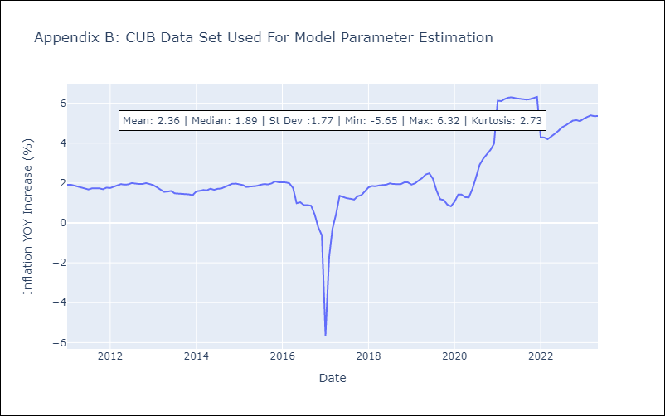

Appendix C: Residuals Analysis
Mean | 0.04
White Noise? | Yes
Normal? | No

GUY
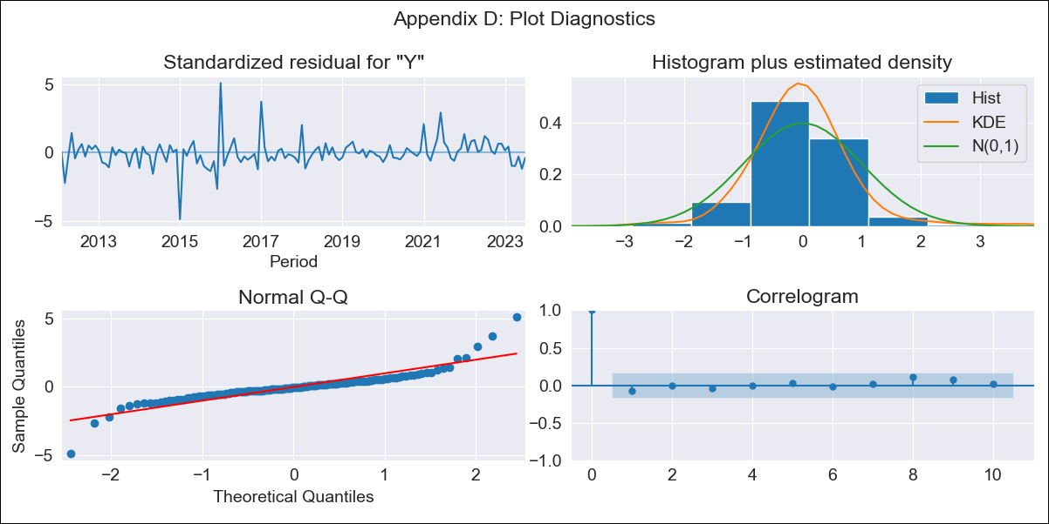
GUY - Inflation - Next 12 months forecast as of: 2023-07-01

Model | ARIMA - [(1, 0, 0), (0, 0, 1, 12)]
Training Data | 2011-01-01 to 2022-08-01
Test Data | 2022-08-01 to 2023-07-01

Date | Inflation Change YoY % | Lower Bound - 95% Confidence Interval | Upper Bound - 95% Confidence Interval
2023-08-01 | 0.87 | -0.25 | 2.3
2023-09-01 | 0.86 | -0.62 | 2.91
2023-10-01 | 0.92 | -0.8 | 3.47
2023-11-01 | 0.74 | -1.07 | 3.6
2023-12-01 | 0.57 | -1.26 | 3.67
2024-01-01 | 0.56 | -1.35 | 3.93
2024-02-01 | 0.47 | -1.46 | 4.03
2024-03-01 | 0.82 | -1.37 | 4.8
2024-04-01 | 1.18 | -1.27 | 5.57
2024-05-01 | 1.3 | -1.27 | 5.94
2024-06-01 | 1.75 | -1.13 | 6.8
2024-07-01 | 1.89 | -1.11 | 7.17

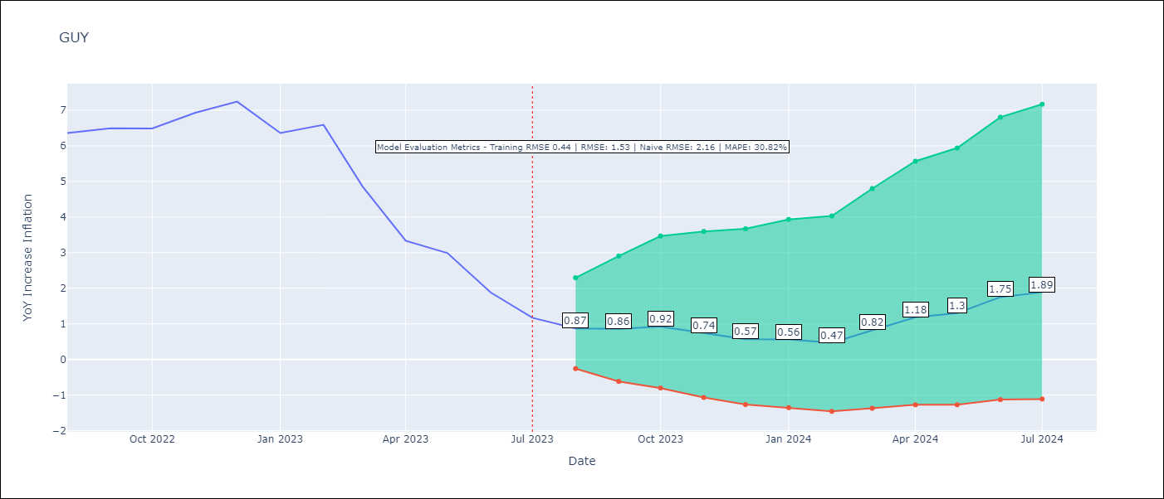

Test Metrics
RMSE | 1.53
Naive RMSE | 2.16
MAPE | 30.82%

Test Predictions
Date | Predicted | Actual
2022-08-01 | 5.33 | 6.36
2022-09-01 | 5.34 | 6.49
2022-10-01 | 5.45 | 6.49
2022-11-01 | 5.21 | 6.93
2022-12-01 | 4.88 | 7.24
2023-01-01 | 4.12 | 6.36
2023-02-01 | 3.97 | 6.59
2023-03-01 | 3.49 | 4.86
2023-04-01 | 3.02 | 3.33
2023-05-01 | 2.95 | 2.99
2023-06-01 | 2.84 | 1.88
2023-07-01 | 2.32 | 1.17

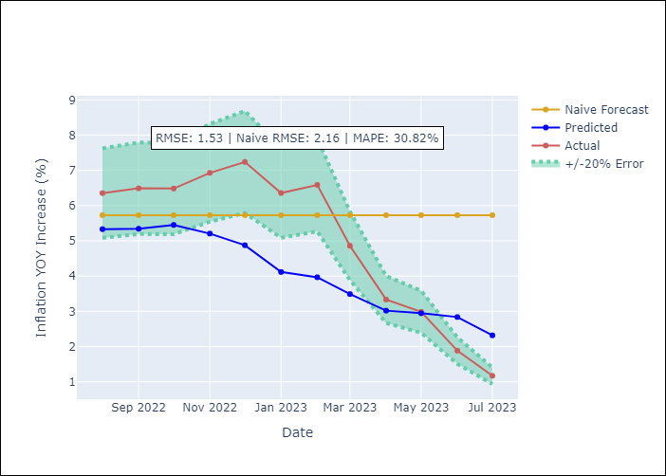

Appendix A: Model Summary
Model | ARIMA(1, 0, 0)x(0, 0, [1], 12)
Sample | 01-01-2011- 07-01-2023
No. of Observations | 151
Terms | P-value (Statistical significance)
const | 0.001
ar.L1 | 0.000
ma.S.L12 | 0.000
sigma2 | 0.000

Assumptions | P-value | Interpretation
Ljung-Box (L1) | 0.39
Heteroskedasticity | 0.08
Jarque-Bera | 0.00
Skew | 0.58
Kurtosis | 12.18

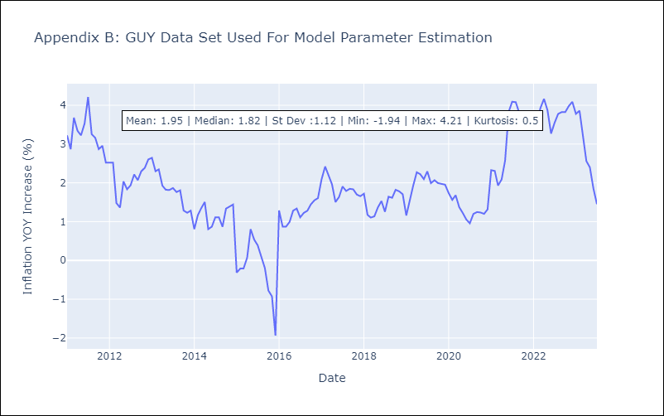

Appendix C: Residuals Analysis
Mean | 0.0
White Noise? | Yes
Normal? | No

HTI
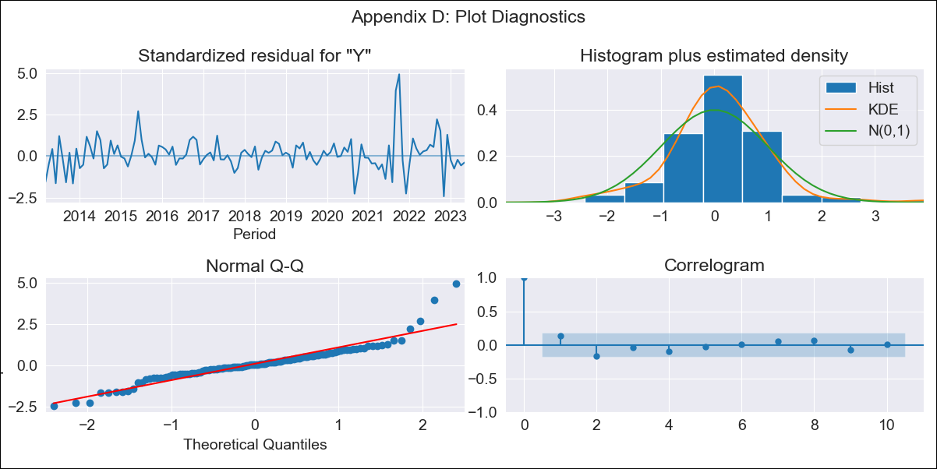
HTI - Inflation - Next 12 months forecast as of: 2023-05-01

Model | ARIMA - [(1, 1, 0), (2, 0, 1, 12)]
Training Data | 2011-01-01 to 2022-06-01
Test Data | 2022-06-01 to 2023-05-01

Date | Inflation Change YoY % | Lower Bound - 95% Confidence Interval | Upper Bound - 95% Confidence Interval
2023-06-01 | 47.29 | 42.35 | 52.8
2023-07-01 | 47.47 | 38.65 | 58.25
2023-08-01 | 49.86 | 37.2 | 66.72
2023-09-01 | 45.22 | 31.14 | 65.47
2023-10-01 | 37.63 | 24.09 | 58.56
2023-11-01 | 34.48 | 20.67 | 57.24
2023-12-01 | 34.24 | 19.34 | 60.26
2024-01-01 | 34.44 | 18.41 | 63.93
2024-02-01 | 33.57 | 17.05 | 65.51
2024-03-01 | 32.42 | 15.69 | 66.3
2024-04-01 | 31.36 | 14.51 | 67.04
2024-05-01 | 30.17 | 13.36 | 67.24

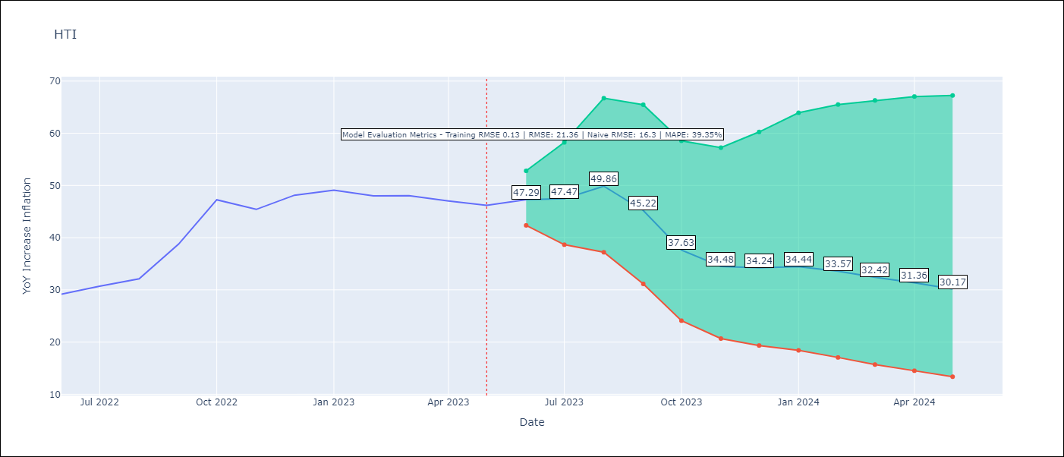

Test Metrics
RMSE | 21.36
Naive RMSE | 16.3
MAPE | 39.35%

Test Predictions
Date | Predicted | Actual
2022-06-01 | 29.65 | 29.19
2022-07-01 | 29.69 | 30.71
2022-08-01 | 30.66 | 32.12
2022-09-01 | 28.58 | 38.76
2022-10-01 | 23.53 | 47.25
2022-11-01 | 20.86 | 45.42
2022-12-01 | 21.14 | 48.13
2023-01-01 | 21.64 | 49.09
2023-02-01 | 21.3 | 48
2023-03-01 | 21.13 | 48.06
2023-04-01 | 21.25 | 47.04
2023-05-01 | 21.38 | 46.18

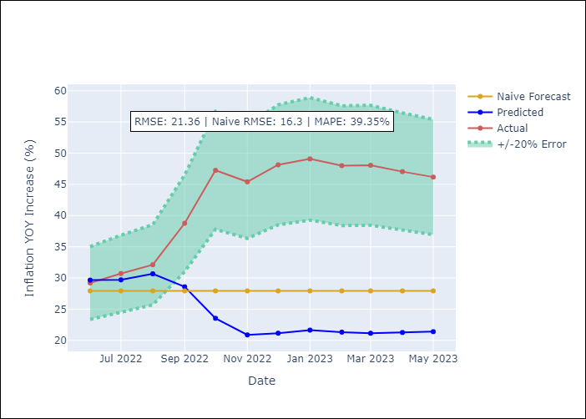

Appendix A: Model Summary
Model | ARIMA(1, 1, 0)x(2, 0, [1], 12)
Sample | 01-01-2011- 05-01-2023
No. of Observations | 149
Terms | P-value (Statistical significance)
ar.L1 | 0.000
ar.S.L12 | 0.000
ar.S.L24 | 0.001
ma.S.L12 | 0.000
sigma2 | 0.000

Assumptions | P-value | Interpretation
Ljung-Box (L1) | 0.14
Heteroskedasticity | 0.00
Jarque-Bera | 0.00
Skew | 1.11
Kurtosis | 8.49

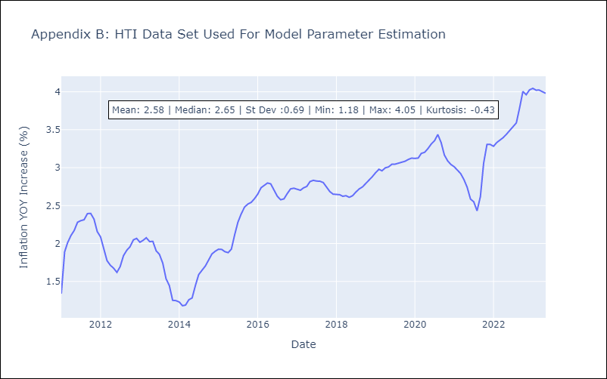

Appendix C: Residuals Analysis
Mean | 0.02
White Noise? | No - Correlation at Lags [ 2 12]
Normal? | No

JAM
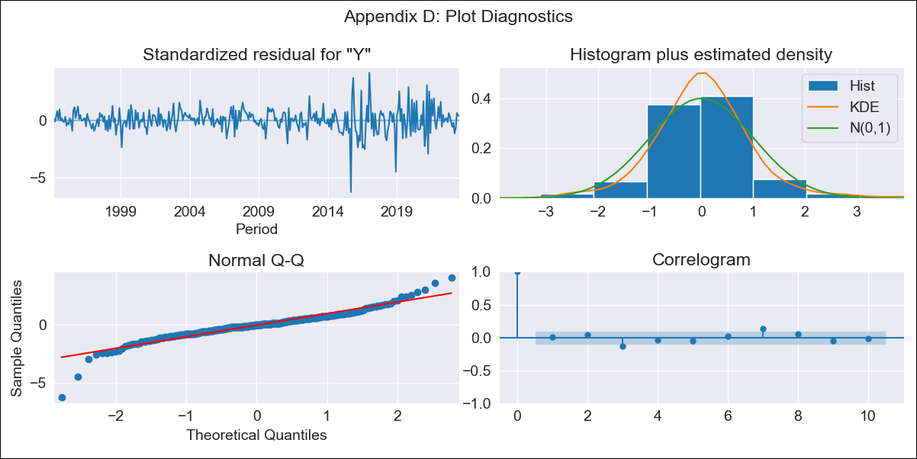
JAM - Inflation - Next 12 months forecast as of: 2023-07-01

Model | ARIMA - [(2, 0, 1), (3, 0, 0, 12)]
Training Data | 1991-01-01 to 2022-08-01
Test Data | 2022-08-01 to 2023-07-01

Date | Inflation Change YoY % | Lower Bound - 95% Confidence Interval | Upper Bound - 95% Confidence Interval
2023-08-01 | 6.6 | 5.24 | 8.46
2023-09-01 | 6.43 | 4.54 | 9.45
2023-10-01 | 6.21 | 4.03 | 10.13
2023-11-01 | 6.4 | 3.86 | 11.49
2023-12-01 | 6.49 | 3.68 | 12.63
2024-01-01 | 6.54 | 3.53 | 13.68
2024-02-01 | 6.78 | 3.48 | 15.24
2024-03-01 | 6.88 | 3.39 | 16.46
2024-04-01 | 7.44 | 3.49 | 19.19
2024-05-01 | 7.07 | 3.24 | 18.89
2024-06-01 | 7.11 | 3.16 | 19.95
2024-07-01 | 6.81 | 2.97 | 19.71

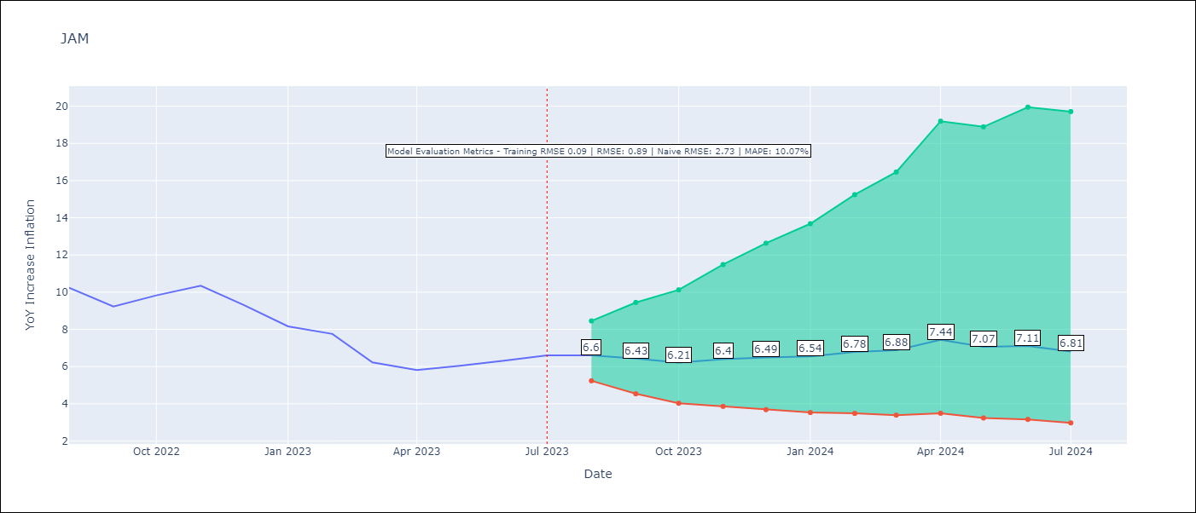

Test Metrics
RMSE | 0.89
Naive RMSE | 2.73
MAPE | 10.07%

Test Predictions
Date | Predicted | Actual
2022-08-01 | 10 | 10.24
2022-09-01 | 9.27 | 9.23
2022-10-01 | 9.1 | 9.83
2022-11-01 | 8.98 | 10.34
2022-12-01 | 8.11 | 9.32
2023-01-01 | 7.75 | 8.16
2023-02-01 | 7.66 | 7.76
2023-03-01 | 7.15 | 6.22
2023-04-01 | 7.4 | 5.81
2023-05-01 | 7.24 | 6.04
2023-06-01 | 7.04 | 6.32
2023-07-01 | 6.92 | 6.6

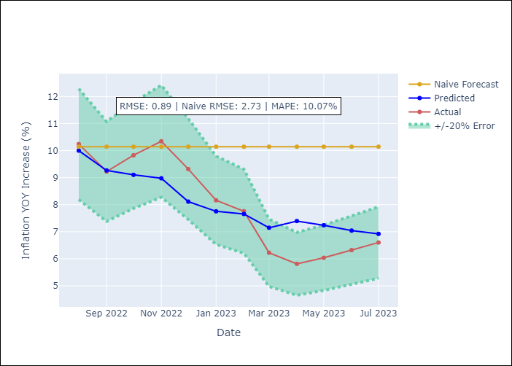

Appendix A: Model Summary
Model | ARIMA(2, 0, 1)x(3, 0, [], 12)
Sample | 01-01-1991- 07-01-2023
No. of Observations | 391
Terms | P-value (Statistical significance)
const | 0.000
ar.L1 | 0.000
ar.L2 | 0.115
ma.L1 | 0.586
ar.S.L12 | 0.000
ar.S.L24 | 0.000
ar.S.L36 | 0.002
sigma2 | 0.000

Assumptions | P-value | Interpretation
Ljung-Box (L1) | 0.95
Heteroskedasticity | 0.00
Jarque-Bera | 0.00
Skew | -0.54
Kurtosis | 9.04

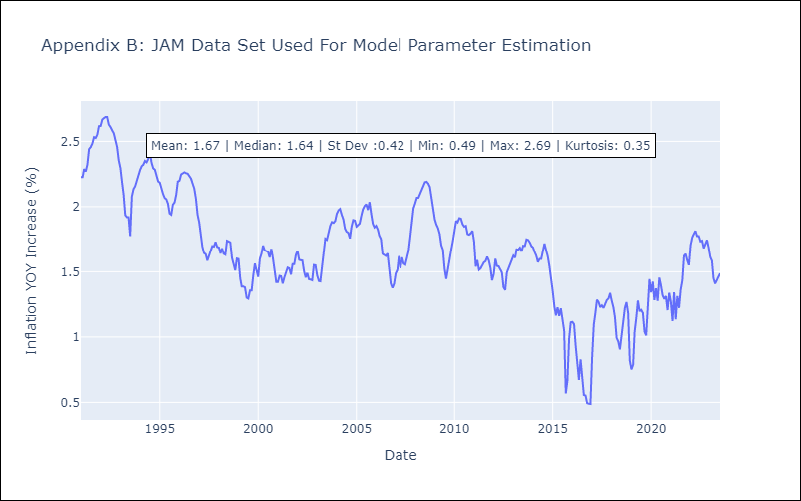

Appendix C: Residuals Analysis
Mean | 0.0
White Noise? | Yes
Normal? | No

TTO
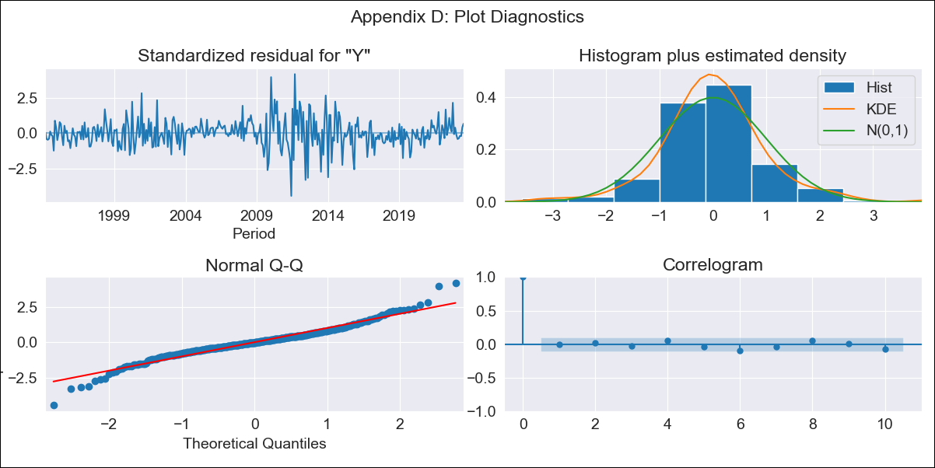
TTO - Inflation - Next 12 months forecast as of: 2023-07-01

Model | ARIMA - [(2, 0, 1), (3, 0, 0, 12)]
Training Data | 1991-01-01 to 2022-08-01
Test Data | 2022-08-01 to 2023-07-01

Date | Inflation Change YoY % | Lower Bound - 95% Confidence Interval | Upper Bound - 95% Confidence Interval
2023-08-01 | 5.6 | 3.94 | 7.58
2023-09-01 | 5.47 | 3.19 | 8.46
2023-10-01 | 4.31 | 1.97 | 7.74
2023-11-01 | 4.19 | 1.6 | 8.25
2023-12-01 | 4.01 | 1.28 | 8.59
2024-01-01 | 4 | 1.1 | 9.13
2024-02-01 | 4.14 | 1.02 | 9.86
2024-03-01 | 4.27 | 0.94 | 10.53
2024-04-01 | 4.38 | 0.88 | 11.17
2024-05-01 | 4.47 | 0.82 | 11.73
2024-06-01 | 4.31 | 0.68 | 11.85
2024-07-01 | 3.96 | 0.5 | 11.56

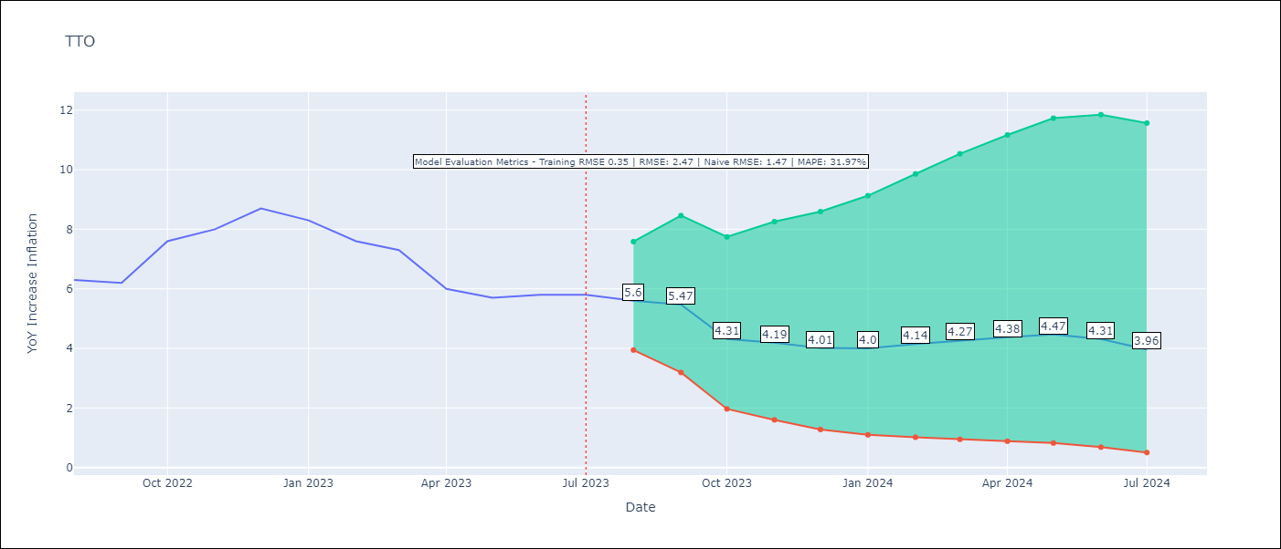

Test Metrics
RMSE | 2.47
Naive RMSE | 1.47
MAPE | 31.97%

Test Predictions
Date | Predicted | Actual
2022-08-01 | 5.9 | 6.3
2022-09-01 | 5.63 | 6.2
2022-10-01 | 4.81 | 7.6
2022-11-01 | 5 | 8
2022-12-01 | 5.13 | 8.7
2023-01-01 | 4.89 | 8.3
2023-02-01 | 4.72 | 7.6
2023-03-01 | 4.85 | 7.3
2023-04-01 | 4.02 | 6
2023-05-01 | 3.99 | 5.7
2023-06-01 | 3.8 | 5.8
2023-07-01 | 3.31 | 5.8

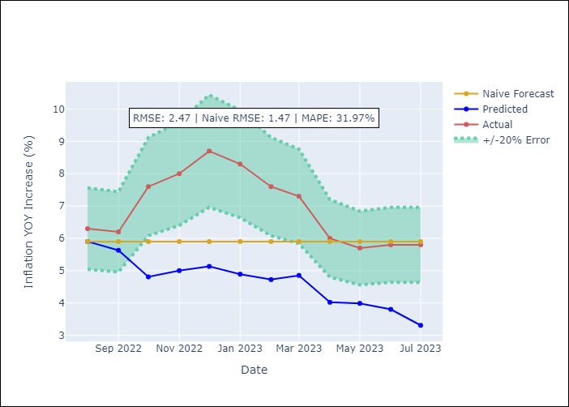

Appendix A: Model Summary
Model | ARIMA(2, 0, 1)x(3, 0, [], 12)
Sample | 01-01-1991- 07-01-2023
No. of Observations | 391
Terms | P-value (Statistical significance)
const | 0.001
ar.L1 | 0.000
ar.L2 | 0.029
ma.L1 | 0.094
ar.S.L12 | 0.000
ar.S.L24 | 0.000
ar.S.L36 | 0.014
sigma2 | 0.407

Assumptions | P-value | Interpretation
Ljung-Box (L1) | 0.99
Heteroskedasticity | 0.26
Jarque-Bera | 0.00
Skew | -0.01
Kurtosis | 5.80

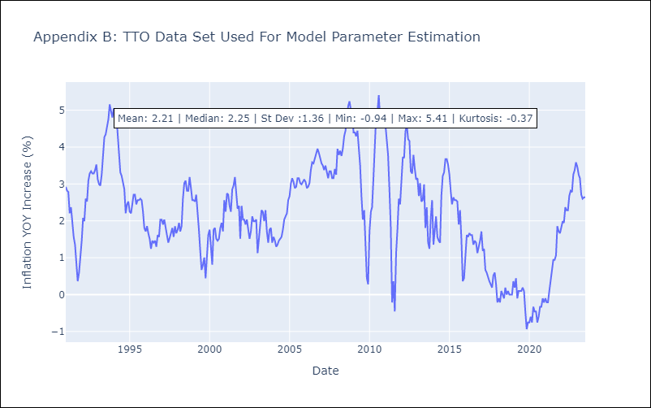

Appendix C: Residuals Analysis
Mean | 0.0
White Noise? | Yes
Normal? | No

