BHSlt
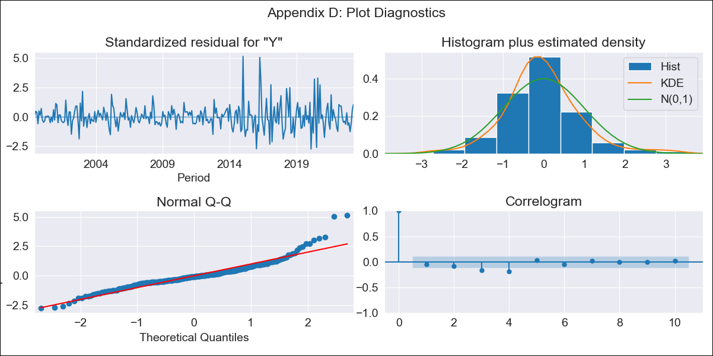
BHSlt - Inflation - Next 12 months forecast as of: 2023-04-01

Model | ARIMA - [(3, 2, 0), (1, 0, 1, 12)]
Training Data | 1998-01-01 to 2022-05-01
Test Data | 2022-05-01 to 2023-04-01

Date | Inflation Change YoY % | Lower Bound - 95% Confidence Interval | Upper Bound - 95% Confidence Interval
2023-05-01 | 3.18 | 1.96 | 4.54
2023-06-01 | 2.9 | 1.16 | 4.98
2023-07-01 | 2.66 | 0.38 | 5.63
2023-08-01 | 2.43 | -0.34 | 6.44
2023-09-01 | 2.33 | -0.93 | 7.68
2023-10-01 | 1.97 | -1.37 | 8.64
2023-11-01 | 2.05 |  | 10.47
2023-12-01 | 2.05 |  | 12.4
2024-01-01 | 2.49 |  | 15.36
2024-02-01 | 2.74 |  | 18.27
2024-03-01 | 2.69 |  | 20.9
2024-04-01 | 2.44 |  | 23.35

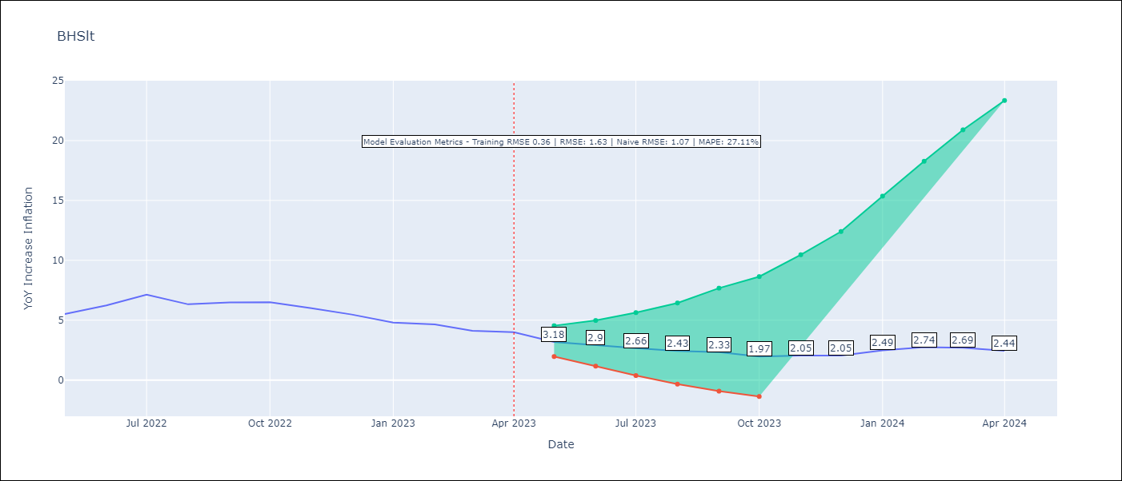

Test Metrics
RMSE | 1.63
Naive RMSE | 1.07
MAPE | 27.11%

Test Predictions
Date | Predicted | Actual
2022-05-01 | 4.67 | 5.51
2022-06-01 | 5.28 | 6.23
2022-07-01 | 6.26 | 7.13
2022-08-01 | 5.46 | 6.33
2022-09-01 | 5.92 | 6.48
2022-10-01 | 5.63 | 6.5
2022-11-01 | 5.79 | 6
2022-12-01 | 5.75 | 5.48
2023-01-01 | 6.38 | 4.79
2023-02-01 | 7.27 | 4.65
2023-03-01 | 7.14 | 4.11
2023-04-01 | 7 | 4

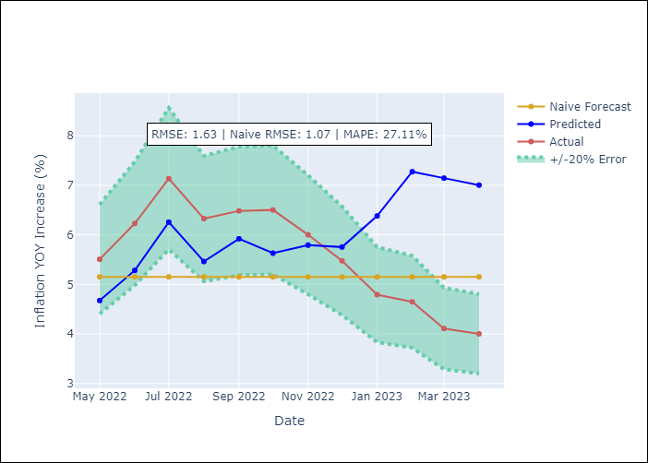

Appendix A: Model Summary
Model | ARIMA(3, 2, 0)x(1, 0, [1], 12)
Sample | 01-01-1998- 04-01-2023
No. of Observations | 304
Terms | P-value (Statistical significance)
ar.L1 | 0.000
ar.L2 | 0.000
ar.L3 | 0.000
ar.S.L12 | 0.473
ma.S.L12 | 0.000
sigma2 | 0.000

Assumptions | P-value | Interpretation
Ljung-Box (L1) | 0.33
Heteroskedasticity | 0.00
Jarque-Bera | 0.00
Skew | 1.17
Kurtosis | 7.84

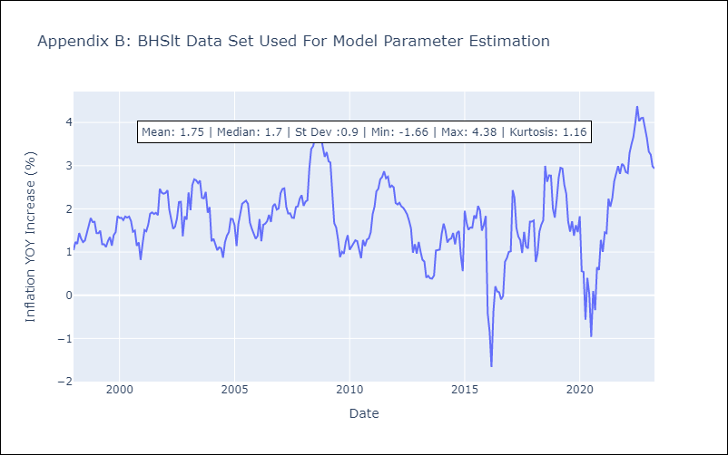

Appendix C: Residuals Analysis
Mean | 0.0
White Noise? | No - Correlation at Lags [ 3 4 5 6 7 8 9 10 11 12]
Normal? | No

BRBlt
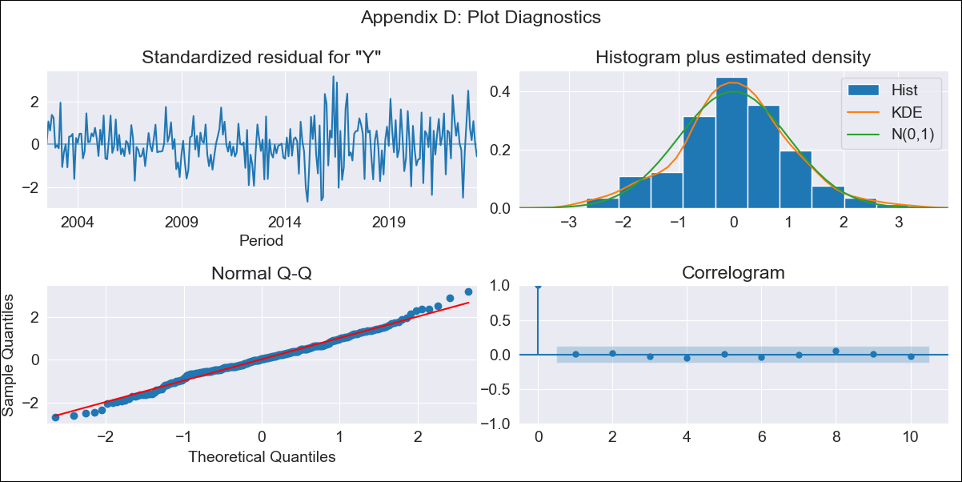
BRBlt - Inflation - Next 12 months forecast as of: 2023-04-01

Model | ARIMA - [(1, 2, 3), (0, 0, 1, 12)]
Training Data | 2001-01-01 to 2022-05-01
Test Data | 2022-05-01 to 2023-04-01

Date | Inflation Change YoY % | Lower Bound - 95% Confidence Interval | Upper Bound - 95% Confidence Interval
2023-05-01 | 10.73 | 8.59 | 13.03
2023-06-01 | 10.64 | 7.36 | 14.33
2023-07-01 | 11.06 | 6.78 | 16.02
2023-08-01 | 13.66 | 8.21 | 20.07
2023-09-01 | 14.81 | 8.39 | 22.5
2023-10-01 | 14.33 | 7.31 | 22.93
2023-11-01 | 11.93 | 4.85 | 21
2023-12-01 | 10.99 | 3.64 | 20.74
2024-01-01 | 10.69 | 2.92 | 21.27
2024-02-01 | 9.87 | 1.94 | 21.09
2024-03-01 | 9.64 | 1.38 | 21.68
2024-04-01 | 10.19 | 1.31 | 23.32

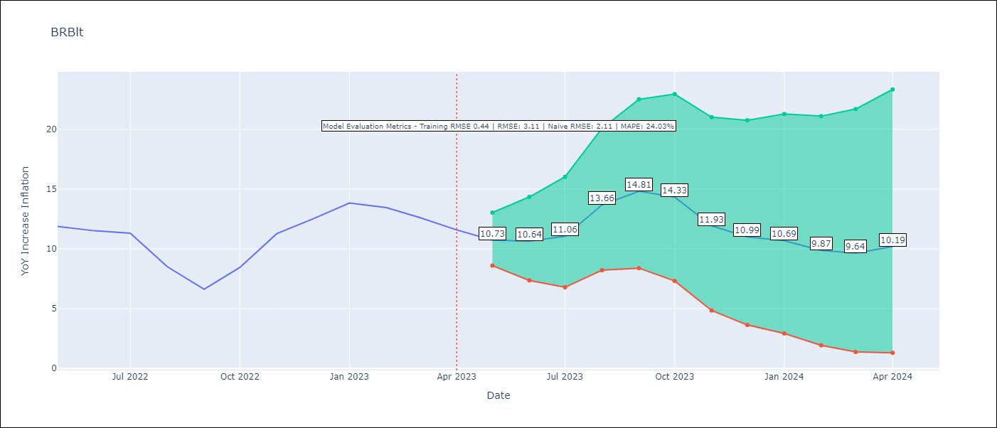

Test Metrics
RMSE | 3.11
Naive RMSE | 2.11
MAPE | 24.03%

Test Predictions
Date | Predicted | Actual
2022-05-01 | 10.69 | 11.87
2022-06-01 | 10.03 | 11.51
2022-07-01 | 9.98 | 11.31
2022-08-01 | 9.96 | 8.51
2022-09-01 | 8.83 | 6.62
2022-10-01 | 9.99 | 8.45
2022-11-01 | 9.75 | 11.26
2022-12-01 | 9.54 | 12.48
2023-01-01 | 10.08 | 13.83
2023-02-01 | 8.49 | 13.45
2023-03-01 | 7.25 | 12.61
2023-04-01 | 6.74 | 11.58

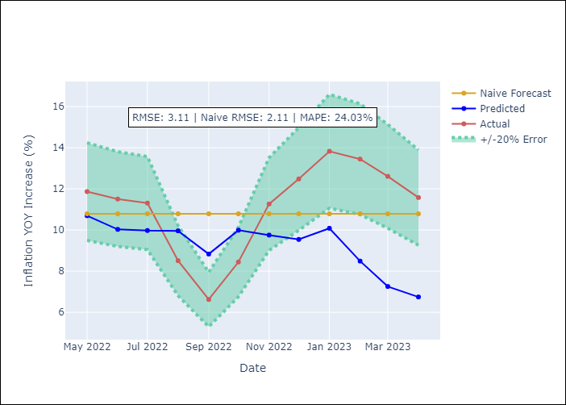

Appendix A: Model Summary
Model | ARIMA(1, 2, 3)x(0, 0, [1], 12)
Sample | 01-01-2001- 04-01-2023
No. of Observations | 268
Terms | P-value (Statistical significance)
ar.L1 | 0.000
ma.L1 | 0.707
ma.L2 | 0.000
ma.L3 | 0.000
ma.S.L12 | 0.000
sigma2 | 0.000

Assumptions | P-value | Interpretation
Ljung-Box (L1) | 0.96
Heteroskedasticity | 0.00
Jarque-Bera | 0.26
Skew | 0.00
Kurtosis | 3.51

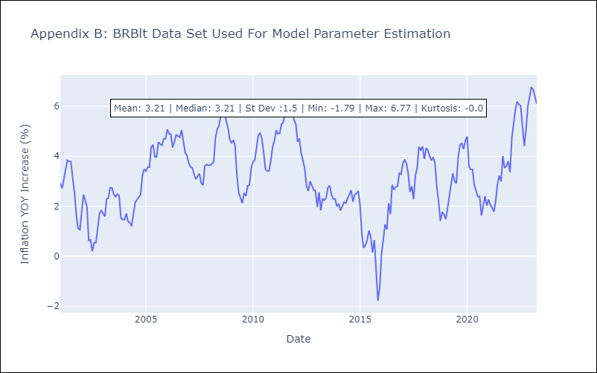

Appendix C: Residuals Analysis
Mean | 0.01
White Noise? | Yes
Normal? | No

CUBlt
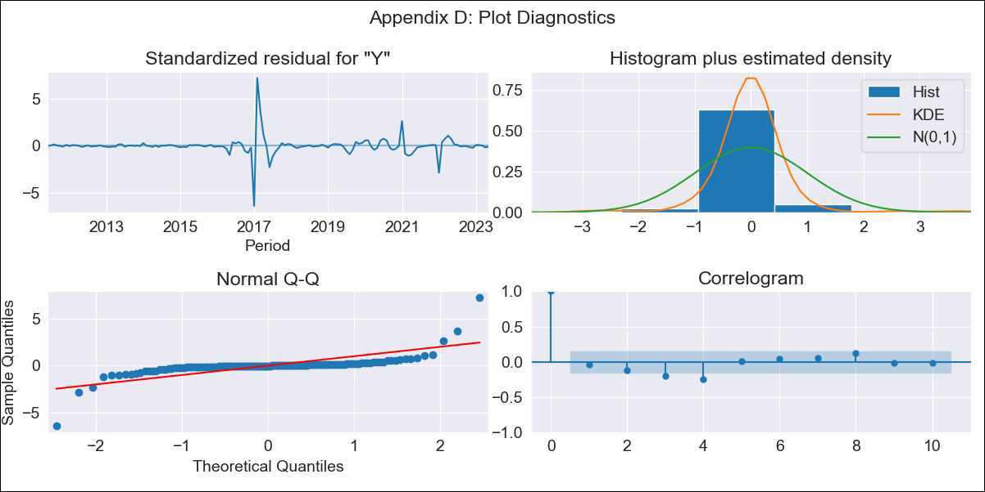
CUBlt - Inflation - Next 12 months forecast as of: 2023-05-01

Model | ARIMA - [(3, 2, 0), (0, 0, 0, 12)]
Training Data | 2011-01-01 to 2022-06-01
Test Data | 2022-06-01 to 2023-05-01

Date | Inflation Change YoY % | Lower Bound - 95% Confidence Interval | Upper Bound - 95% Confidence Interval
2023-06-01 | 46.21 | 18.55 | 98.74
2023-07-01 | 46.39 | 10.14 | 143.08
2023-08-01 | 46.51 | 3.87 | 214.52
2023-09-01 | 46.85 | -0.25 | 337.99
2023-10-01 | 47.14 | -2.38 | 542.34
2023-11-01 | 47.38 | -3.2 | 859.24
2023-12-01 | 47.65 | -3.44 | 1363.08
2024-01-01 | 47.93 | -3.48 | 2152.59
2024-02-01 | 48.2 | -3.48 | 3368.54
2024-03-01 | 48.47 |  | 5218.52
2024-04-01 | 48.74 |  | 8003.59
2024-05-01 | 49.02 |  | 12139.71

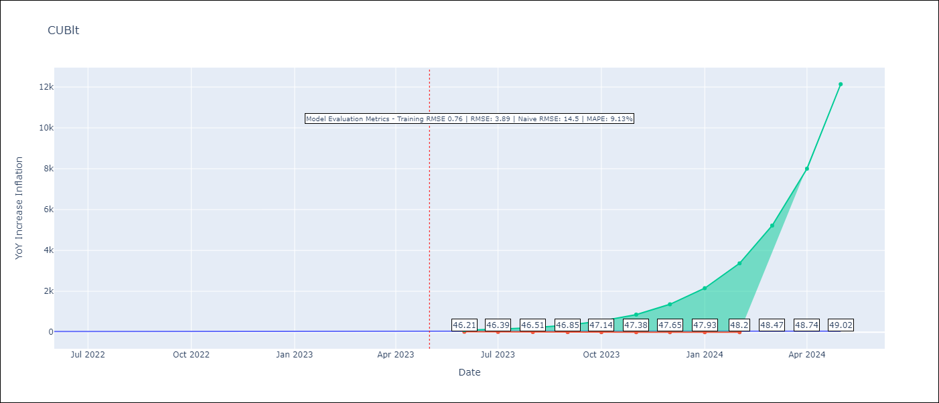

Test Metrics
RMSE | 3.89
Naive RMSE | 14.5
MAPE | 9.13%

Test Predictions
Date | Predicted | Actual
2022-06-01 | 26.82 | 28.85
2022-07-01 | 28.28 | 32.31
2022-08-01 | 30.08 | 34.3
2022-09-01 | 31.68 | 37.24
2022-10-01 | 33.28 | 39.73
2022-11-01 | 35.09 | 40.26
2022-12-01 | 36.94 | 39.07
2023-01-01 | 38.83 | 42.08
2023-02-01 | 40.81 | 44.5
2023-03-01 | 42.87 | 46.42
2023-04-01 | 45.01 | 45.35
2023-05-01 | 47.23 | 45.48

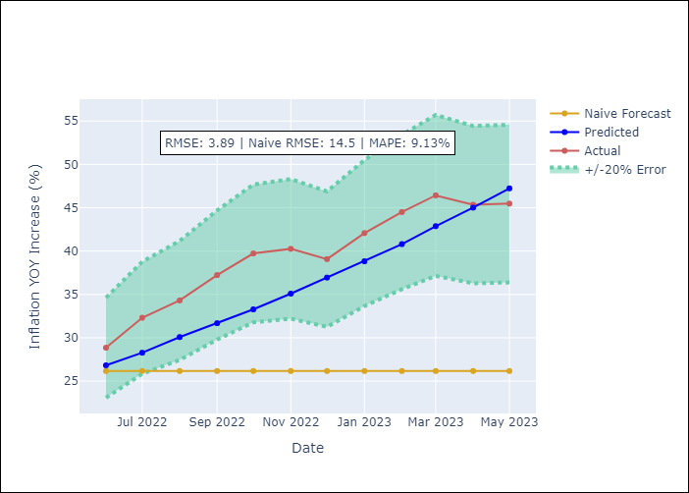

Appendix A: Model Summary
Model | ARIMA(3, 2, 0)
Sample | 01-01-2011- 05-01-2023
No. of Observations | 149
Terms | P-value (Statistical significance)
ar.L1 | 0.000
ar.L2 | 0.000
ar.L3 | 0.032
sigma2 | 0.000

Assumptions | P-value | Interpretation
Ljung-Box (L1) | 0.61
Heteroskedasticity | 0.00
Jarque-Bera | 0.00
Skew | 1.04
Kurtosis | 33.25

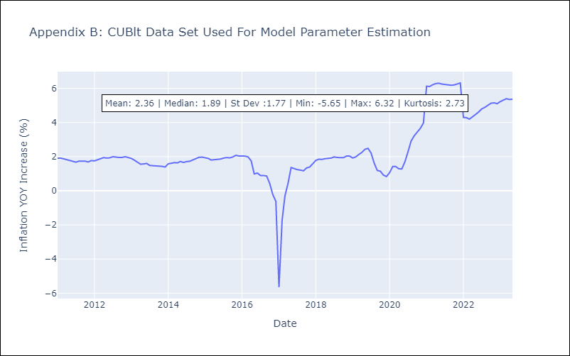

Appendix C: Residuals Analysis
Mean | 0.0
White Noise? | No - Correlation at Lags [ 3 4 5 6 7 8 9 10 11 12]
Normal? | No

GUYlt
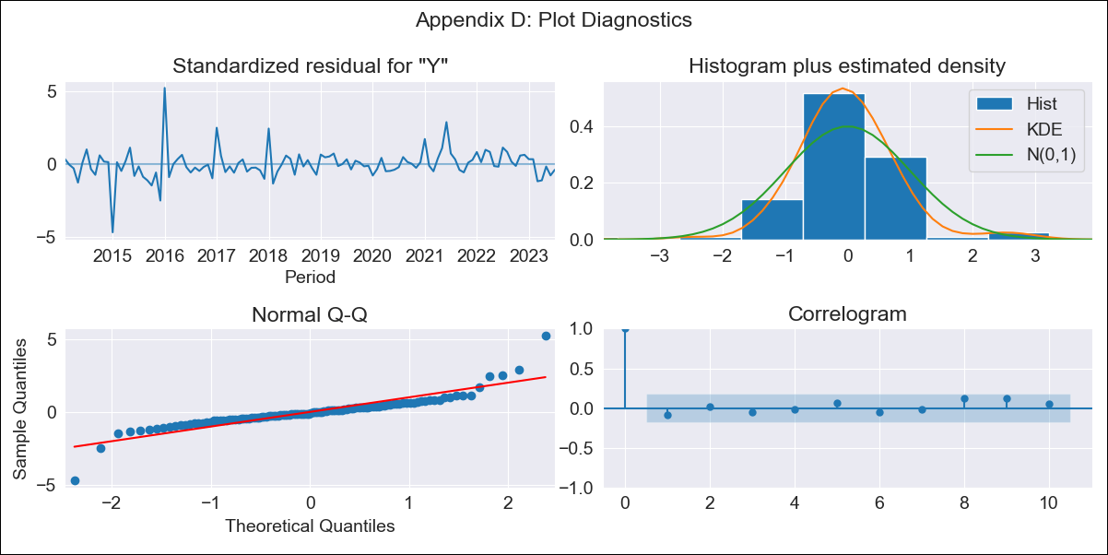
GUYlt - Inflation - Next 12 months forecast as of: 2023-07-01

Model | ARIMA - [(1, 0, 0), (3, 0, 0, 12)]
Training Data | 2011-01-01 to 2022-08-01
Test Data | 2022-08-01 to 2023-07-01

Date | Inflation Change YoY % | Lower Bound - 95% Confidence Interval | Upper Bound - 95% Confidence Interval
2023-08-01 | 0.87 | -0.28 | 2.34
2023-09-01 | 0.93 | -0.6 | 3.07
2023-10-01 | 1.07 | -0.76 | 3.77
2023-11-01 | 0.91 | -1.02 | 3.96
2023-12-01 | 0.73 | -1.24 | 4.05
2024-01-01 | 0.54 | -1.41 | 4.06
2024-02-01 | 0.46 | -1.5 | 4.2
2024-03-01 | 0.74 | -1.45 | 4.89
2024-04-01 | 0.95 | -1.43 | 5.44
2024-05-01 | 1.02 | -1.45 | 5.77
2024-06-01 | 1.31 | -1.39 | 6.41
2024-07-01 | 1.29 | -1.43 | 6.56

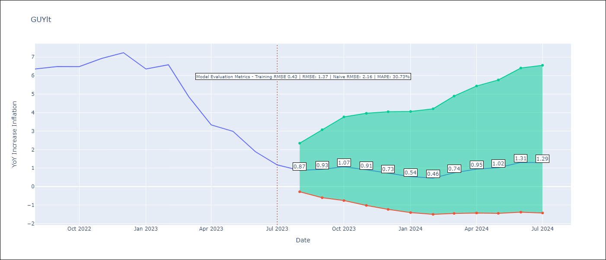

Test Metrics
RMSE | 1.37
Naive RMSE | 2.16
MAPE | 30.73%

Test Predictions
Date | Predicted | Actual
2022-08-01 | 5.47 | 6.36
2022-09-01 | 5.49 | 6.49
2022-10-01 | 5.69 | 6.49
2022-11-01 | 5.53 | 6.93
2022-12-01 | 5.22 | 7.24
2023-01-01 | 4.24 | 6.36
2023-02-01 | 4.21 | 6.59
2023-03-01 | 3.95 | 4.86
2023-04-01 | 3.6 | 3.33
2023-05-01 | 3.42 | 2.99
2023-06-01 | 2.97 | 1.88
2023-07-01 | 2.47 | 1.17

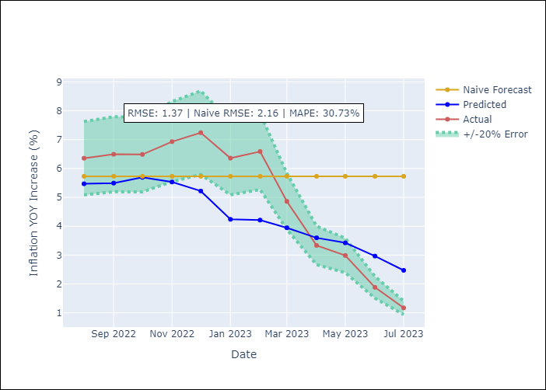

Appendix A: Model Summary
Model | ARIMA(1, 0, 0)x(3, 0, 0, 12)
Sample | 01-01-2011- 07-01-2023
No. of Observations | 151
Terms | P-value (Statistical significance)
const | 0.006
ar.L1 | 0.000
ar.S.L12 | 0.000
ar.S.L24 | 0.000
ar.S.L36 | 0.104
sigma2 | 0.000

Assumptions | P-value | Interpretation
Ljung-Box (L1) | 0.36
Heteroskedasticity | 0.00
Jarque-Bera | 0.00
Skew | 0.63
Kurtosis | 12.53

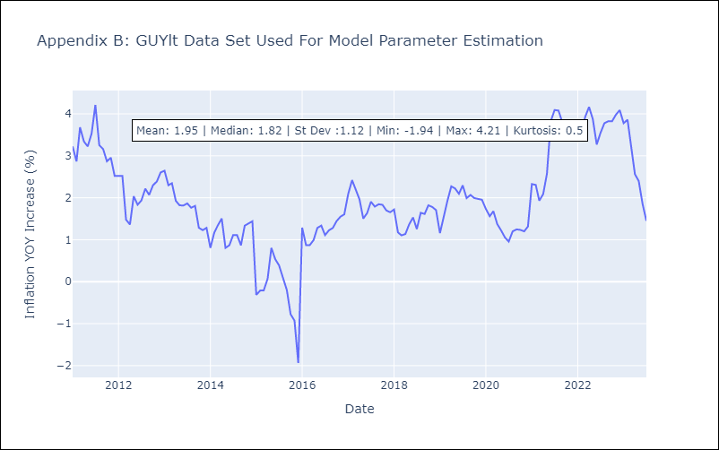

Appendix C: Residuals Analysis
Mean | 0.01
White Noise? | Yes
Normal? | No

HTIlt

HTIlt - Inflation - Next 12 months forecast as of: 2023-05-01

Model | ARIMA - [(1, 2, 2), (2, 0, 0, 12)]
Training Data | 2011-01-01 to 2022-06-01
Test Data | 2022-06-01 to 2023-05-01

Date | Inflation Change YoY % | Lower Bound - 95% Confidence Interval | Upper Bound - 95% Confidence Interval
2023-06-01 | 48.06 | 42.98 | 53.74
2023-07-01 | 48.51 | 38.71 | 60.73
2023-08-01 | 51.24 | 37.28 | 70.29
2023-09-01 | 45.62 | 30.69 | 67.62
2023-10-01 | 36.38 | 22.83 | 57.72
2023-11-01 | 33.71 | 19.9 | 56.8
2023-12-01 | 33.8 | 18.88 | 60.1
2024-01-01 | 34.63 | 18.39 | 64.73
2024-02-01 | 34.79 | 17.6 | 68.14
2024-03-01 | 35.03 | 16.94 | 71.71
2024-04-01 | 35.4 | 16.39 | 75.59
2024-05-01 | 35.61 | 15.81 | 79.19

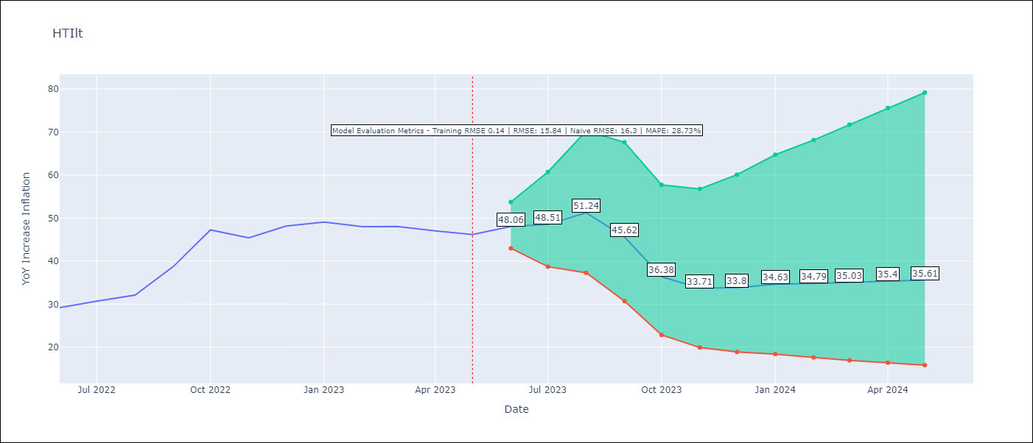

Test Metrics
RMSE | 15.84
Naive RMSE | 16.3
MAPE | 28.73%

Test Predictions
Date | Predicted | Actual
2022-06-01 | 30.03 | 29.19
2022-07-01 | 30.71 | 30.71
2022-08-01 | 32.25 | 32.12
2022-09-01 | 31.3 | 38.76
2022-10-01 | 27.45 | 47.25
2022-11-01 | 25.58 | 45.42
2022-12-01 | 26.64 | 48.13
2023-01-01 | 27.9 | 49.09
2023-02-01 | 28.31 | 48
2023-03-01 | 29.03 | 48.06
2023-04-01 | 30.09 | 47.04
2023-05-01 | 31.33 | 46.18

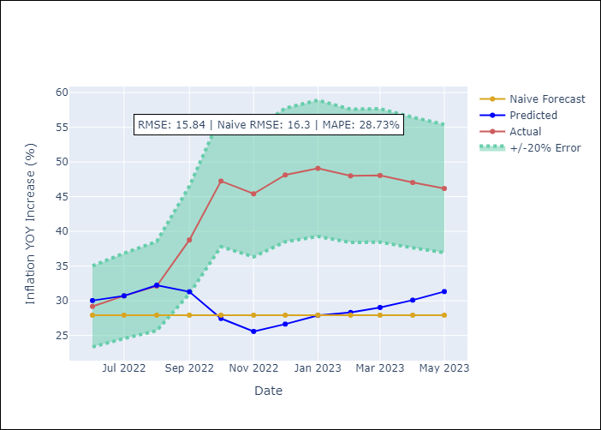

Appendix A: Model Summary
Model | ARIMA(1, 2, 2)x(2, 0, [], 12)
Sample | 01-01-2011- 05-01-2023
No. of Observations | 149
Terms | P-value (Statistical significance)
ar.L1 | 0.022
ma.L1 | 0.971
ma.L2 | 0.951
ar.S.L12 | 0.000
ar.S.L24 | 0.000
sigma2 | 0.951

Assumptions | P-value | Interpretation
Ljung-Box (L1) | 0.83
Heteroskedasticity | 0.09
Jarque-Bera | 0.00
Skew | 0.61
Kurtosis | 6.03

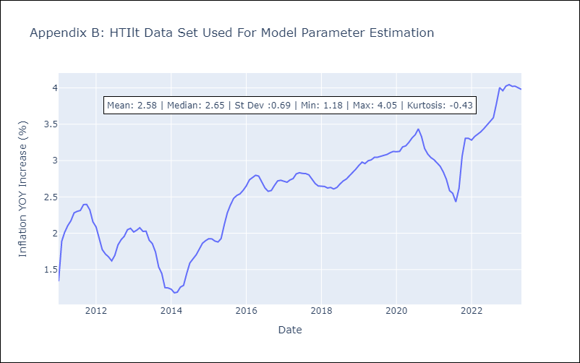

Appendix C: Residuals Analysis
Mean | 0.01
White Noise? | No - Correlation at Lags [1 2 3 4 5 6 7]
Normal? | No

JAMlt
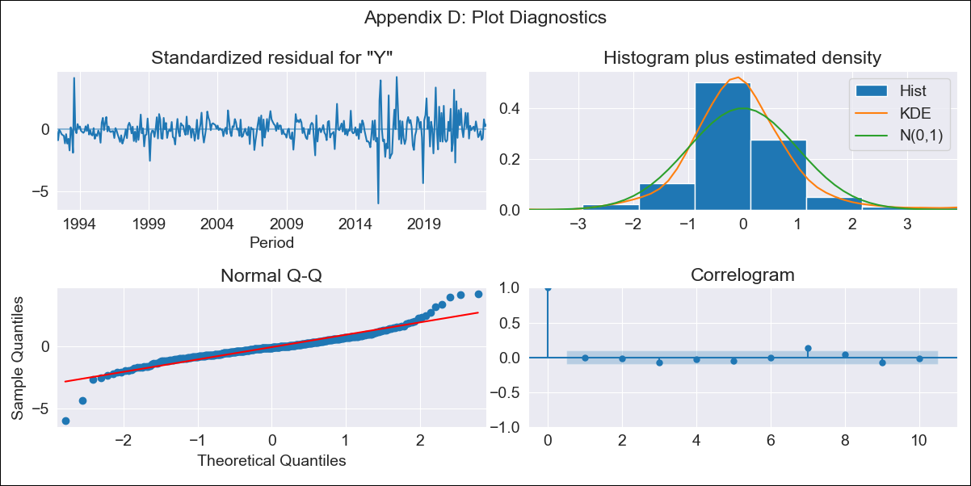
JAMlt - Inflation - Next 12 months forecast as of: 2023-07-01

Model | ARIMA - [(0, 1, 2), (1, 0, 1, 12)]
Training Data | 1991-01-01 to 2022-08-01
Test Data | 2022-08-01 to 2023-07-01

Date | Inflation Change YoY % | Lower Bound - 95% Confidence Interval | Upper Bound - 95% Confidence Interval
2023-08-01 | 6.58 | 5.2 | 8.47
2023-09-01 | 6.55 | 4.56 | 9.76
2023-10-01 | 6.32 | 3.99 | 10.66
2023-11-01 | 6.27 | 3.66 | 11.77
2023-12-01 | 6.42 | 3.49 | 13.3
2024-01-01 | 6.55 | 3.34 | 14.87
2024-02-01 | 6.63 | 3.2 | 16.39
2024-03-01 | 6.83 | 3.12 | 18.42
2024-04-01 | 7.22 | 3.11 | 21.35
2024-05-01 | 6.97 | 2.9 | 21.87
2024-06-01 | 6.86 | 2.75 | 22.96
2024-07-01 | 6.65 | 2.58 | 23.53

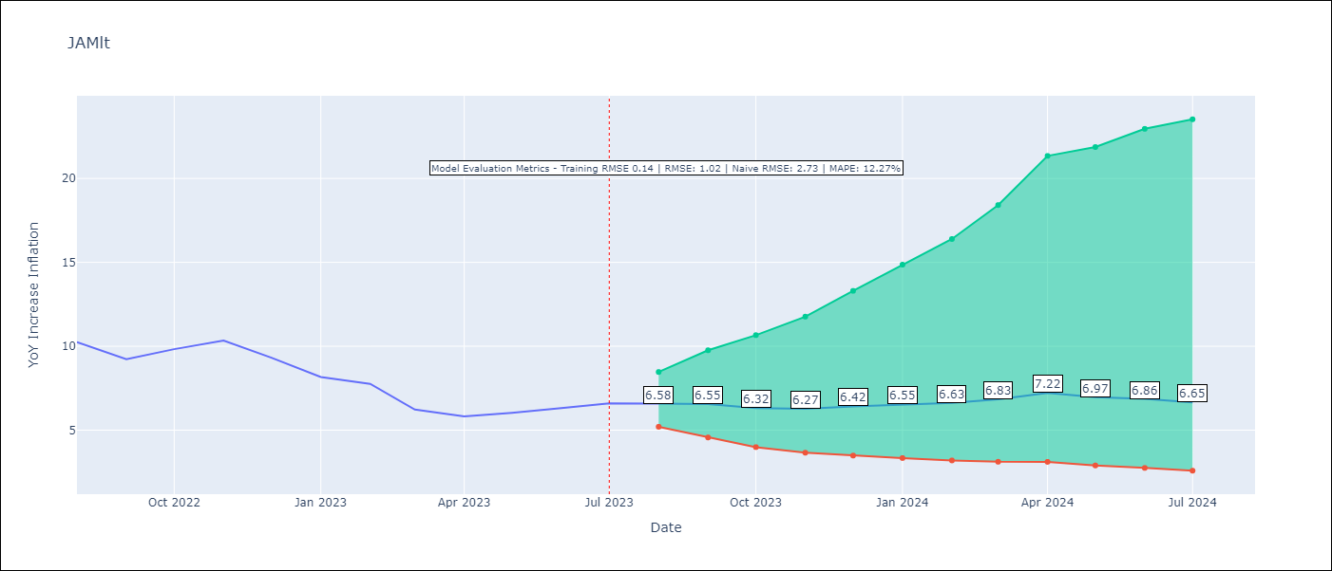

Test Metrics
RMSE | 1.02
Naive RMSE | 2.73
MAPE | 12.27%

Test Predictions
Date | Predicted | Actual
2022-08-01 | 9.95 | 10.24
2022-09-01 | 9.13 | 9.23
2022-10-01 | 8.92 | 9.83
2022-11-01 | 9.09 | 10.34
2022-12-01 | 8.84 | 9.32
2023-01-01 | 8.37 | 8.16
2023-02-01 | 8.25 | 7.76
2023-03-01 | 7.42 | 6.22
2023-04-01 | 7.76 | 5.81
2023-05-01 | 7.5 | 6.04
2023-06-01 | 7.55 | 6.32
2023-07-01 | 7.38 | 6.6

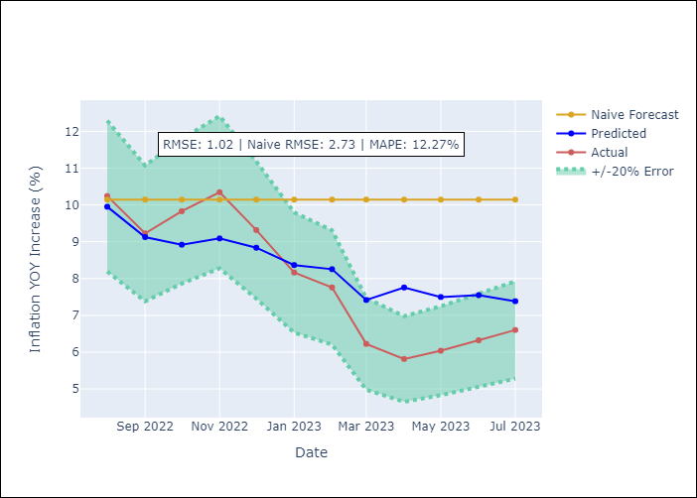

Appendix A: Model Summary
Model | ARIMA(0, 1, 2)x(1, 0, [1], 12)
Sample | 01-01-1991- 07-01-2023
No. of Observations | 391
Terms | P-value (Statistical significance)
ma.L1 | 0.000
ma.L2 | 0.003
ar.S.L12 | 0.048
ma.S.L12 | 0.000
sigma2 | 0.000

Assumptions | P-value | Interpretation
Ljung-Box (L1) | 0.85
Heteroskedasticity | 0.00
Jarque-Bera | 0.00
Skew | 0.03
Kurtosis | 9.10

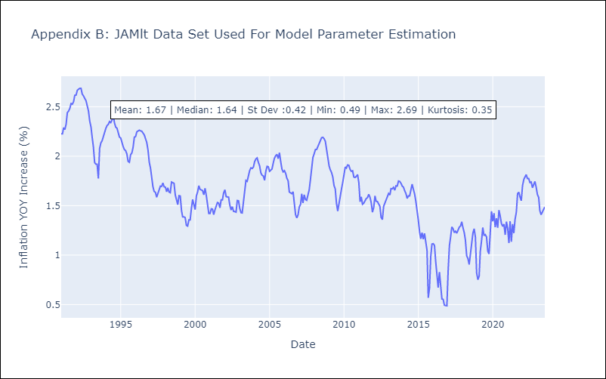

Appendix C: Residuals Analysis
Mean | 0.0
White Noise? | Yes
Normal? | No

TTOlt

TTOlt - Inflation - Next 12 months forecast as of: 2023-07-01

Model | ARIMA - [(3, 0, 0), (0, 0, 2, 12)]
Training Data | 1991-01-01 to 2022-08-01
Test Data | 2022-08-01 to 2023-07-01

Date | Inflation Change YoY % | Lower Bound - 95% Confidence Interval | Upper Bound - 95% Confidence Interval
2023-08-01 | 5.66 | 4.01 | 7.62
2023-09-01 | 5.53 | 3.26 | 8.5
2023-10-01 | 4.49 | 2.07 | 8.01
2023-11-01 | 4.55 | 1.79 | 8.83
2023-12-01 | 4.38 | 1.44 | 9.22
2024-01-01 | 4.32 | 1.23 | 9.72
2024-02-01 | 4.5 | 1.15 | 10.55
2024-03-01 | 4.69 | 1.1 | 11.36
2024-04-01 | 4.73 | 0.99 | 11.89
2024-05-01 | 4.84 | 0.93 | 12.52
2024-06-01 | 4.68 | 0.78 | 12.66
2024-07-01 | 4.3 | 0.58 | 12.37

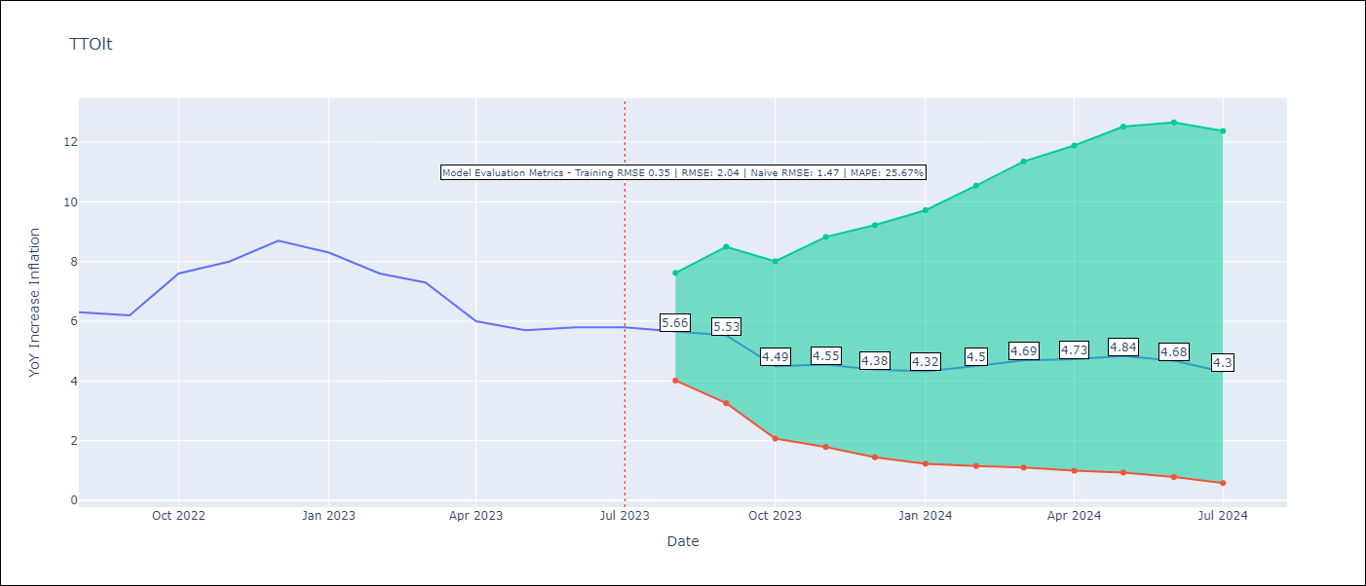

Test Metrics
RMSE | 2.04
Naive RMSE | 1.47
MAPE | 25.67%

Test Predictions
Date | Predicted | Actual
2022-08-01 | 6 | 6.3
2022-09-01 | 5.76 | 6.2
2022-10-01 | 5.11 | 7.6
2022-11-01 | 5.47 | 8
2022-12-01 | 5.64 | 8.7
2023-01-01 | 5.33 | 8.3
2023-02-01 | 5.22 | 7.6
2023-03-01 | 5.35 | 7.3
2023-04-01 | 4.55 | 6
2023-05-01 | 4.53 | 5.7
2023-06-01 | 4.38 | 5.8
2023-07-01 | 3.85 | 5.8

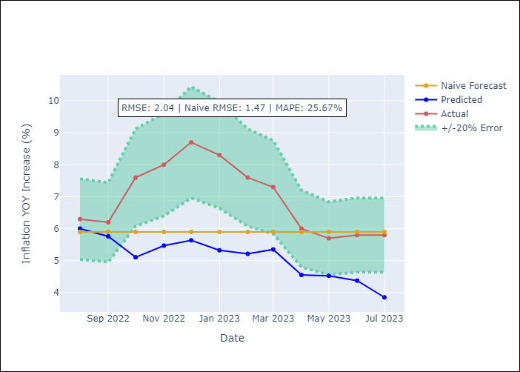

Appendix A: Model Summary
Model | ARIMA(3, 0, 0)x(0, 0, [1, 2], 12)
Sample | 01-01-1991- 07-01-2023
No. of Observations | 391
Terms | P-value (Statistical significance)
const | 0.001
ar.L1 | 0.000
ar.L2 | 0.945
ar.L3 | 0.022
ma.S.L12 | 0.000
ma.S.L24 | 0.045
sigma2 | 0.000

Assumptions | P-value | Interpretation
Ljung-Box (L1) | 1.00
Heteroskedasticity | 0.19
Jarque-Bera | 0.00
Skew | 0.08
Kurtosis | 5.66

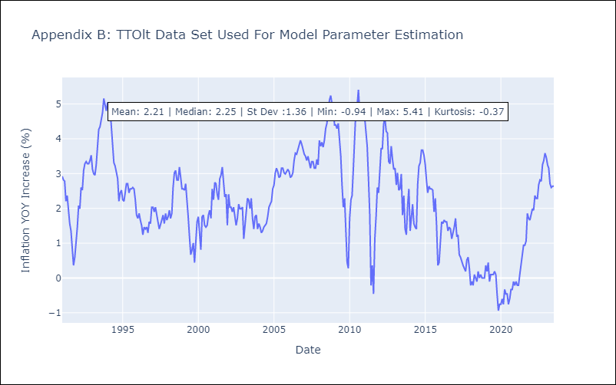

Appendix C: Residuals Analysis
Mean | 0.0
White Noise? | Yes
Normal? | No

