CUB
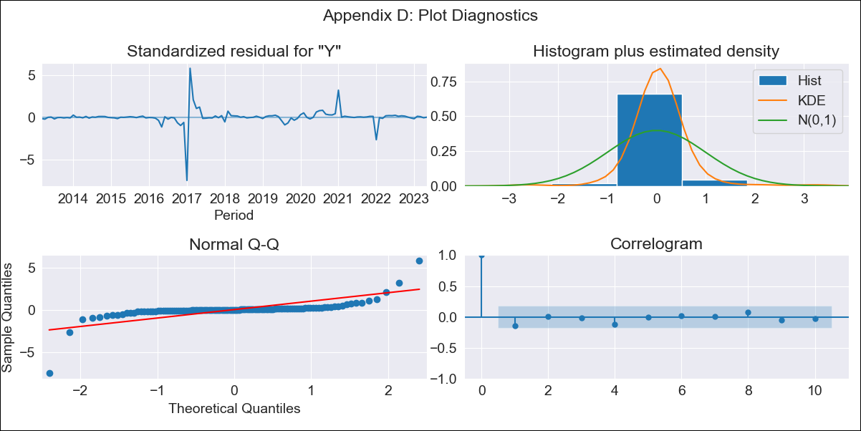
CUB - Inflation - Next 12 months forecast as of: 2023-05-01

Model | ARIMA - [(0, 1, 0), (0, 0, 2, 12)]
Training Data | 2011-01-01 to 2022-06-01
Test Data | 2022-06-01 to 2023-05-01

Date | Inflation Change YoY % | Lower Bound - 95% Confidence Interval | Upper Bound - 95% Confidence Interval
2023-06-01 | 45.06 | 19.1 | 92.64
2023-07-01 | 44.57 | 12.3 | 120.45
2023-08-01 | 44.31 | 8.38 | 146.46
2023-09-01 | 43.94 | 5.7 | 171.35
2023-10-01 | 43.64 | 3.79 | 196.17
2023-11-01 | 43.59 | 2.4 | 221.91
2023-12-01 | 43.74 | 1.36 | 248.83
2024-01-01 | 43.45 | 0.48 | 274.31
2024-02-01 | 43.18 | -0.22 | 300.23
2024-03-01 | 42.98 | -0.78 | 326.86
2024-04-01 | 43.09 | -1.21 | 355.7
2024-05-01 | 43.08 | -1.57 | 384.5

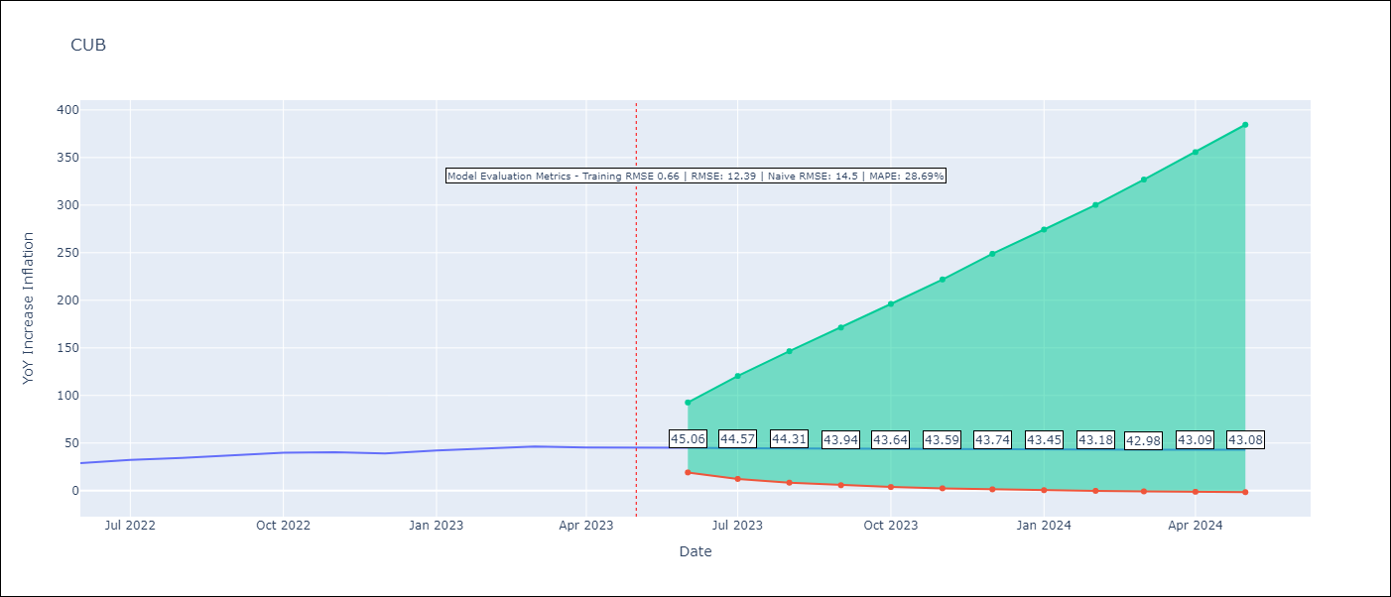

Test Metrics
RMSE | 12.39
Naive RMSE | 14.5
MAPE | 28.69%

Test Predictions
Date | Predicted | Actual
2022-06-01 | 26.26 | 28.85
2022-07-01 | 26.3 | 32.31
2022-08-01 | 26.33 | 34.3
2022-09-01 | 26.35 | 37.24
2022-10-01 | 26.31 | 39.73
2022-11-01 | 26.18 | 40.26
2022-12-01 | 26.07 | 39.07
2023-01-01 | 30.24 | 42.08
2023-02-01 | 30.28 | 44.5
2023-03-01 | 30.47 | 46.42
2023-04-01 | 30.19 | 45.35
2023-05-01 | 29.86 | 45.48

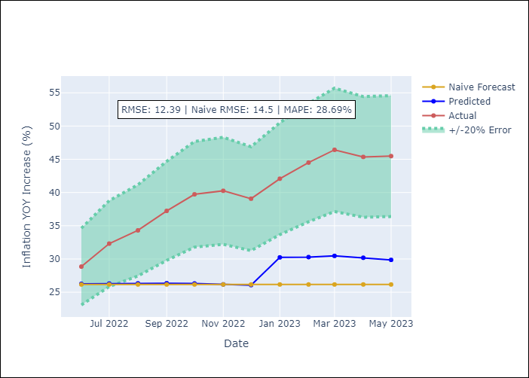

Appendix A: Model Summary
Model | ARIMA(0, 1, 0)x(0, 0, [1, 2], 12)
Sample | 01-01-2011- 05-01-2023
No. of Observations | 149
Terms | P-value (Statistical significance)
ma.S.L12 | 0.267
ma.S.L24 | 0.981
sigma2 | 0.000

Assumptions | P-value | Interpretation
Ljung-Box (L1) | 0.11
Heteroskedasticity | 0.00
Jarque-Bera | 0.00
Skew | -1.69
Kurtosis | 36.27

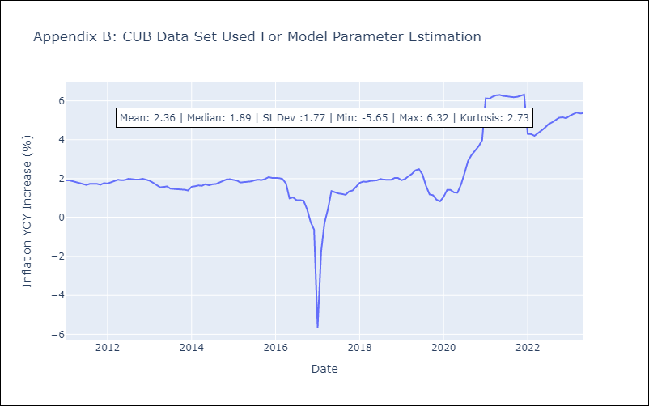

Appendix C: Residuals Analysis
Mean | 0.04
White Noise? | Yes
Normal? | No

