CUB
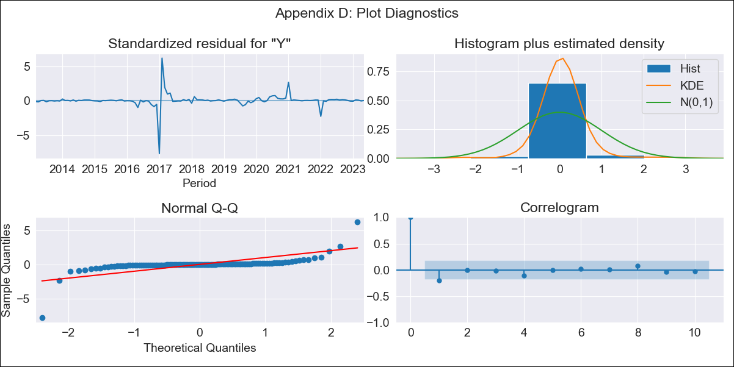
CUB - Inflation - Next 12 months forecast as of: 2023-05-01

Model | ARIMA - [(0, 1, 0), (0, 0, 2, 12)]
Training Data | 2011-01-01 to 2022-06-01
Test Data | 2022-06-01 to 2023-05-01

Date | Inflation Change YoY % | Lower Bound - 95% Confidence Interval | Upper Bound - 95% Confidence Interval
2023-06-01 | 5.35 | 3.77 | 6.95
2023-07-01 | 5.33 | 3.11 | 7.61
2023-08-01 | 5.33 | 2.61 | 8.12
2023-09-01 | 5.32 | 2.19 | 8.55
2023-10-01 | 5.31 | 1.82 | 8.93
2023-11-01 | 5.31 | 1.5 | 9.28
2023-12-01 | 5.31 | 1.21 | 9.61
2024-01-01 | 5.29 | 0.91 | 9.9
2024-02-01 | 5.28 | 0.65 | 10.17
2024-03-01 | 5.28 | 0.4 | 10.44
2024-04-01 | 5.28 | 0.18 | 10.7
2024-05-01 | 5.28 | -0.04 | 10.94

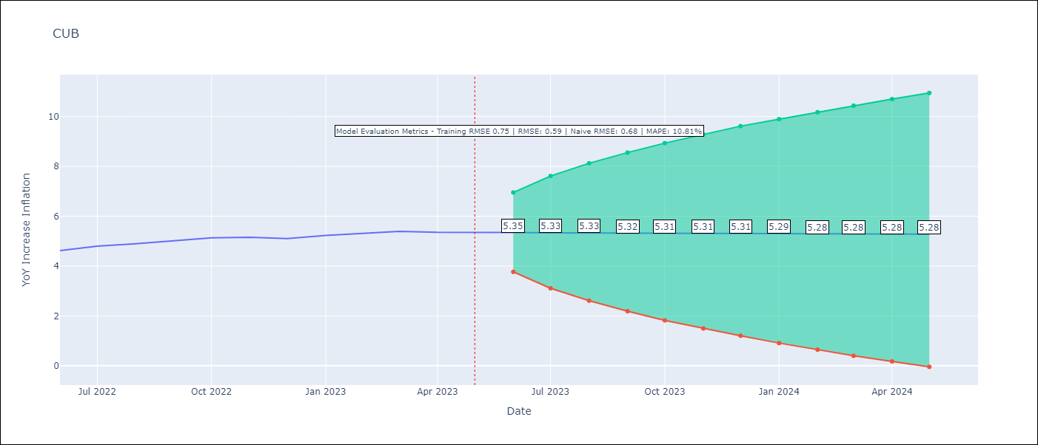

Test Metrics
RMSE | 0.59
Naive RMSE | 0.68
MAPE | 10.81%

Test Predictions
Date | Predicted | Actual
2022-06-01 | 4.48 | 4.62
2022-07-01 | 4.48 | 4.8
2022-08-01 | 4.49 | 4.89
2022-09-01 | 4.49 | 5.02
2022-10-01 | 4.49 | 5.13
2022-11-01 | 4.48 | 5.15
2022-12-01 | 4.48 | 5.1
2023-01-01 | 4.66 | 5.23
2023-02-01 | 4.66 | 5.32
2023-03-01 | 4.66 | 5.39
2023-04-01 | 4.65 | 5.35
2023-05-01 | 4.64 | 5.36

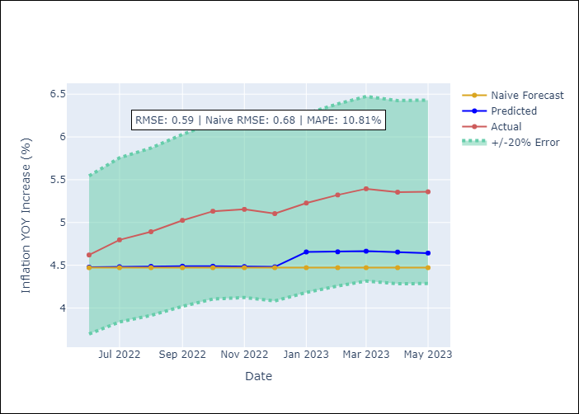

Appendix A: Model Summary
Model | ARIMA(0, 1, 0)x(0, 0, [1, 2], 12)
Sample | 01-01-2011- 05-01-2023
No. of Observations | 149
Terms | P-value (Statistical significance)
ma.S.L12 | 0.563
ma.S.L24 | 0.987
sigma2 | 0.000

Assumptions | P-value | Interpretation
Ljung-Box (L1) | 0.03
Heteroskedasticity | 0.00
Jarque-Bera | 0.00
Skew | -1.77
Kurtosis | 41.80

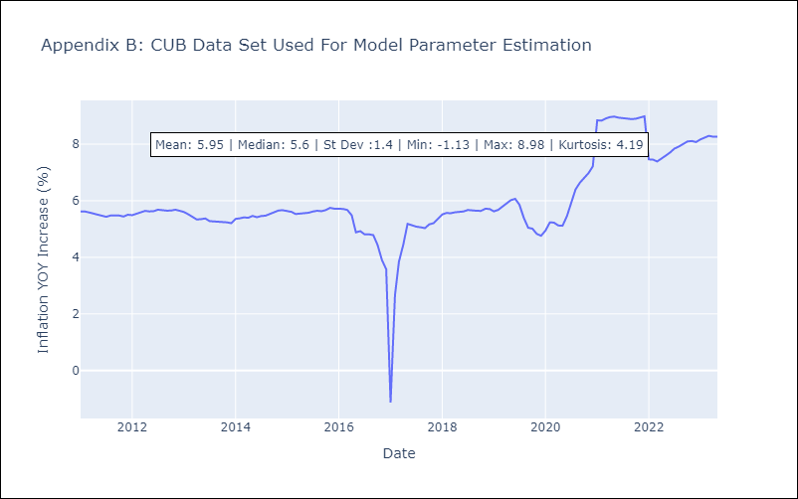

Appendix C: Residuals Analysis
Mean | 0.06
White Noise? | Yes
Normal? | No

