CUB
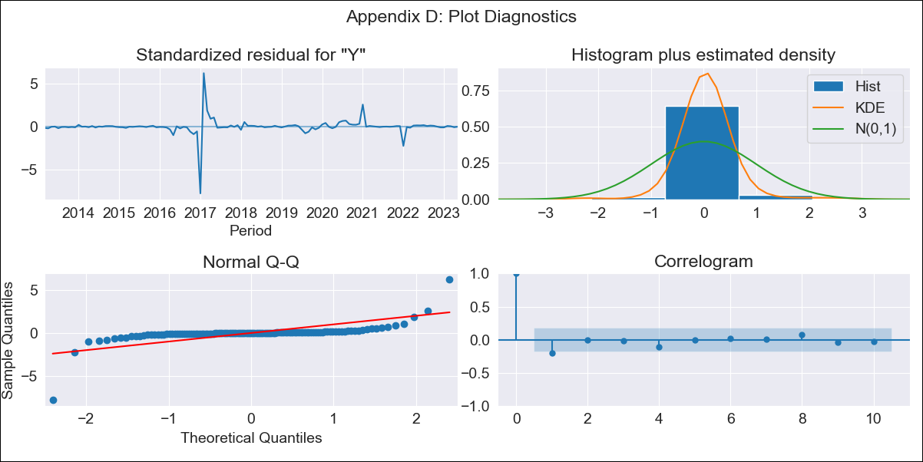
CUB - Inflation - Next 12 months forecast as of: 2023-05-01

Model | ARIMA - [(0, 1, 0), (0, 0, 2, 12)]
Training Data | 2011-01-01 to 2022-06-01
Test Data | 2022-06-01 to 2023-05-01

Date | Inflation Change YoY % | Lower Bound - 95% Confidence Interval | Upper Bound - 95% Confidence Interval
2023-06-01 | 8.26 | 7.02 | 9.5
2023-07-01 | 8.25 | 6.5 | 10
2023-08-01 | 8.24 | 6.1 | 10.39
2023-09-01 | 8.24 | 5.77 | 10.72
2023-10-01 | 8.23 | 5.47 | 11.01
2023-11-01 | 8.23 | 5.21 | 11.27
2023-12-01 | 8.23 | 4.97 | 11.52
2024-01-01 | 8.22 | 4.73 | 11.73
2024-02-01 | 8.21 | 4.52 | 11.94
2024-03-01 | 8.21 | 4.31 | 12.14
2024-04-01 | 8.21 | 4.13 | 12.33
2024-05-01 | 8.21 | 3.95 | 12.52

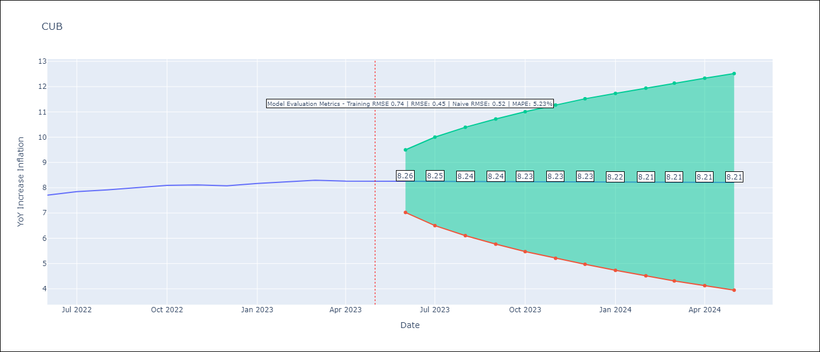

Test Metrics
RMSE | 0.45
Naive RMSE | 0.52
MAPE | 5.23%

Test Predictions
Date | Predicted | Actual
2022-06-01 | 7.6 | 7.71
2022-07-01 | 7.6 | 7.84
2022-08-01 | 7.61 | 7.91
2022-09-01 | 7.61 | 8.01
2022-10-01 | 7.61 | 8.1
2022-11-01 | 7.61 | 8.11
2022-12-01 | 7.6 | 8.07
2023-01-01 | 7.73 | 8.17
2023-02-01 | 7.73 | 8.24
2023-03-01 | 7.74 | 8.29
2023-04-01 | 7.73 | 8.26
2023-05-01 | 7.72 | 8.27

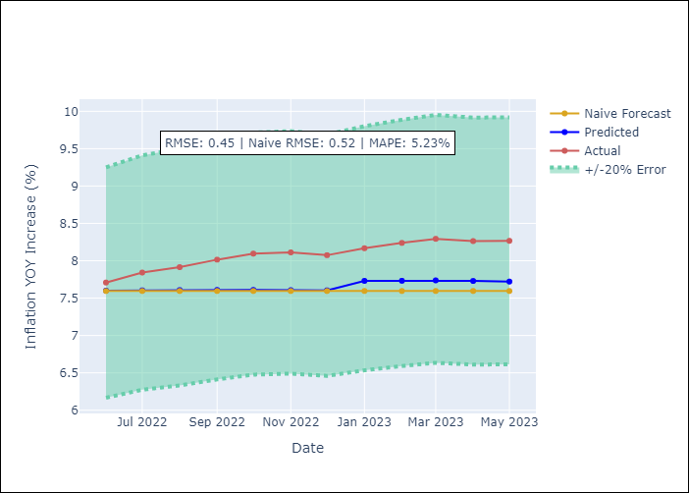

Appendix A: Model Summary
Model | ARIMA(0, 1, 0)x(0, 0, [1, 2], 12)
Sample | 01-01-2011- 05-01-2023
No. of Observations | 149
Terms | P-value (Statistical significance)
ma.S.L12 | 0.604
ma.S.L24 | 0.988
sigma2 | 0.000

Assumptions | P-value | Interpretation
Ljung-Box (L1) | 0.02
Heteroskedasticity | 0.00
Jarque-Bera | 0.00
Skew | -1.77
Kurtosis | 42.67

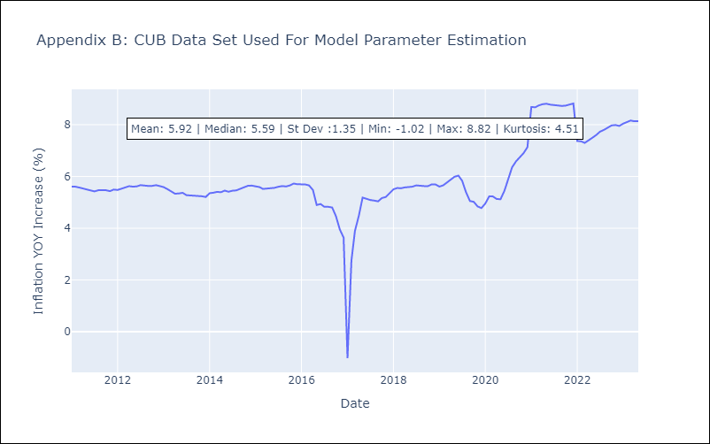

Appendix C: Residuals Analysis
Mean | 0.06
White Noise? | Yes
Normal? | No

