CUBlt
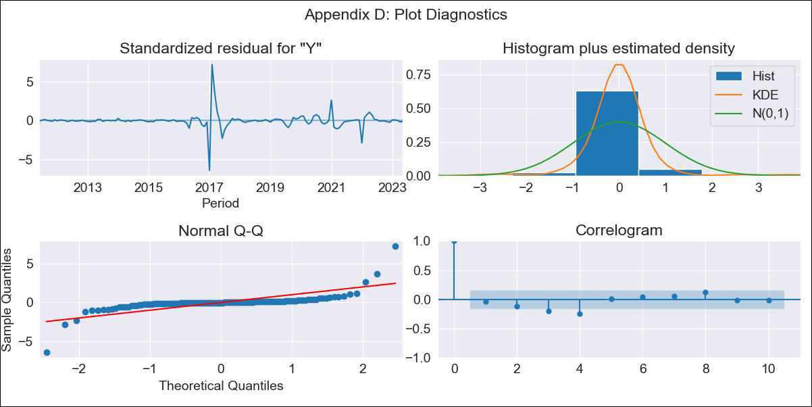
CUBlt - Inflation - Next 12 months forecast as of: 2023-05-01

Model | ARIMA - [(3, 2, 0), (0, 0, 0, 12)]
Training Data | 2011-01-01 to 2022-06-01
Test Data | 2022-06-01 to 2023-05-01

Date | Inflation Change YoY % | Lower Bound - 95% Confidence Interval | Upper Bound - 95% Confidence Interval
2023-06-01 | 46.21 | 18.55 | 98.74
2023-07-01 | 46.39 | 10.14 | 143.08
2023-08-01 | 46.51 | 3.87 | 214.52
2023-09-01 | 46.85 | -0.25 | 337.99
2023-10-01 | 47.14 | -2.38 | 542.34
2023-11-01 | 47.38 | -3.2 | 859.24
2023-12-01 | 47.65 | -3.44 | 1363.08
2024-01-01 | 47.93 | -3.48 | 2152.59
2024-02-01 | 48.2 | -3.48 | 3368.54
2024-03-01 | 48.47 |  | 5218.52
2024-04-01 | 48.74 |  | 8003.59
2024-05-01 | 49.02 |  | 12139.71

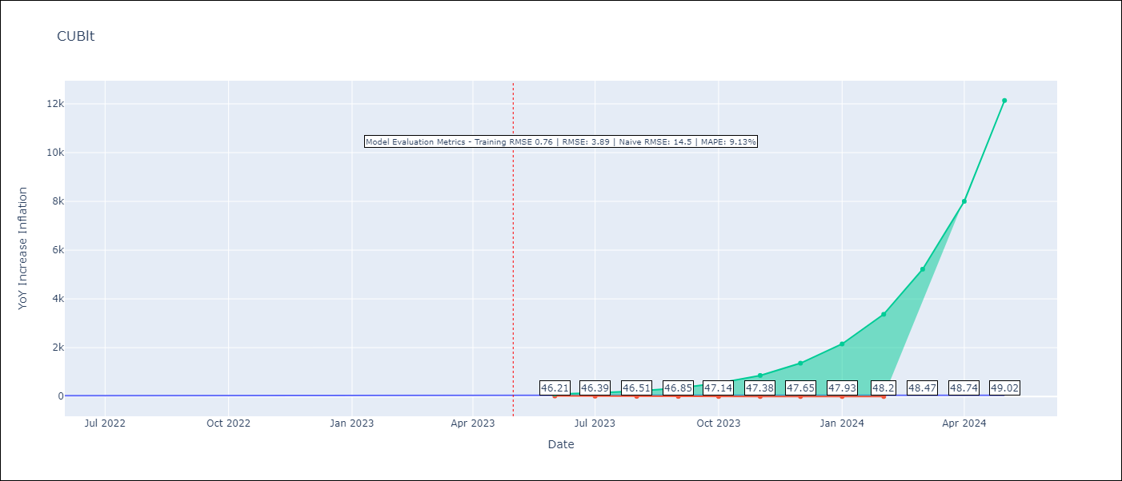

Test Metrics
RMSE | 3.89
Naive RMSE | 14.5
MAPE | 9.13%

Test Predictions
Date | Predicted | Actual
2022-06-01 | 26.82 | 28.85
2022-07-01 | 28.28 | 32.31
2022-08-01 | 30.08 | 34.3
2022-09-01 | 31.68 | 37.24
2022-10-01 | 33.28 | 39.73
2022-11-01 | 35.09 | 40.26
2022-12-01 | 36.94 | 39.07
2023-01-01 | 38.83 | 42.08
2023-02-01 | 40.81 | 44.5
2023-03-01 | 42.87 | 46.42
2023-04-01 | 45.01 | 45.35
2023-05-01 | 47.23 | 45.48

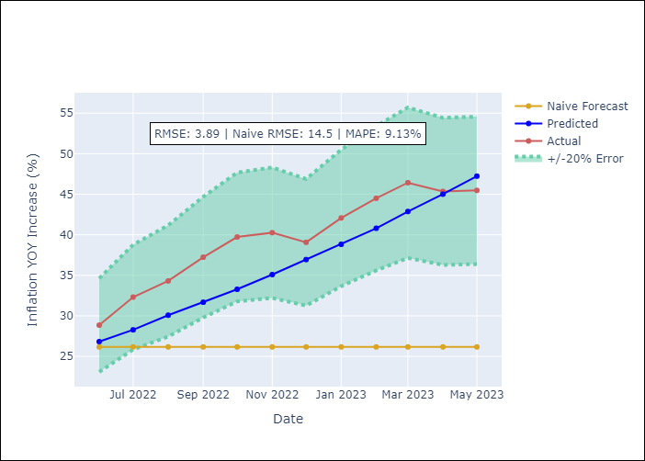

Appendix A: Model Summary
Model | ARIMA(3, 2, 0)
Sample | 01-01-2011- 05-01-2023
No. of Observations | 149
Terms | P-value (Statistical significance)
ar.L1 | 0.000
ar.L2 | 0.000
ar.L3 | 0.032
sigma2 | 0.000

Assumptions | P-value | Interpretation
Ljung-Box (L1) | 0.61
Heteroskedasticity | 0.00
Jarque-Bera | 0.00
Skew | 1.04
Kurtosis | 33.25

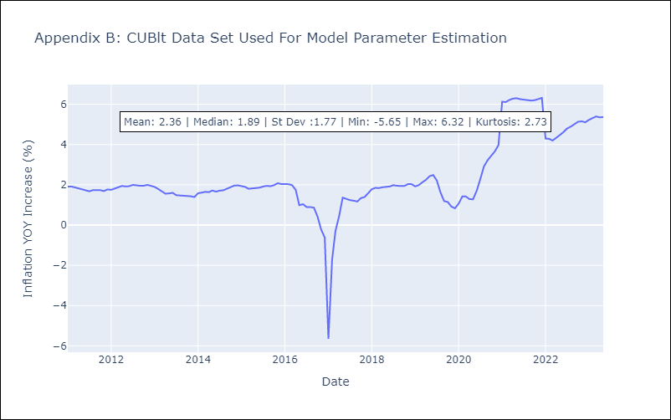

Appendix C: Residuals Analysis
Mean | 0.0
White Noise? | No - Correlation at Lags [ 3 4 5 6 7 8 9 10 11 12]
Normal? | No

