CUBlt
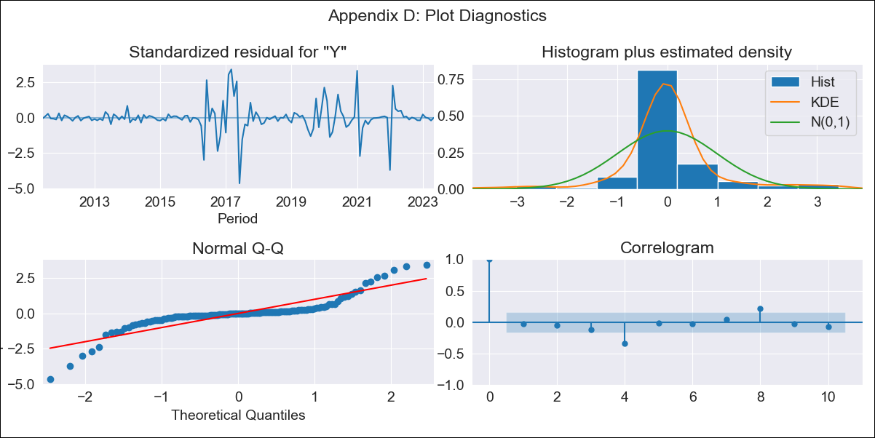
CUBlt - Inflation - Next 12 months forecast as of: 2023-05-01

Model | ARIMA - [(3, 2, 0), (0, 0, 0, 12)]
Training Data | 2011-01-01 to 2022-06-01
Test Data | 2022-06-01 to 2023-05-01

Date | Inflation Change YoY % | Lower Bound - 95% Confidence Interval | Upper Bound - 95% Confidence Interval
2023-06-01 | 45.65 | 22.96 | 83.56
2023-07-01 | 45.94 | 11.03 | 138.97
2023-08-01 | 46.07 | 3.82 | 234.9
2023-09-01 | 46.23 | 0.44 | 395.27
2023-10-01 | 46.39 | -0.91 | 669.62
2023-11-01 | 46.57 | -1.77 | 1127.09
2023-12-01 | 46.73 | -2.51 | 1875.6
2024-01-01 | 46.9 | -3.17 | 3074.9
2024-02-01 | 47.07 | -3.78 | 4961.61
2024-03-01 | 47.24 | -4.37 | 7874.41
2024-04-01 | 47.41 | -4.93 | 12291.26
2024-05-01 | 47.58 | -5.47 | 18874.21

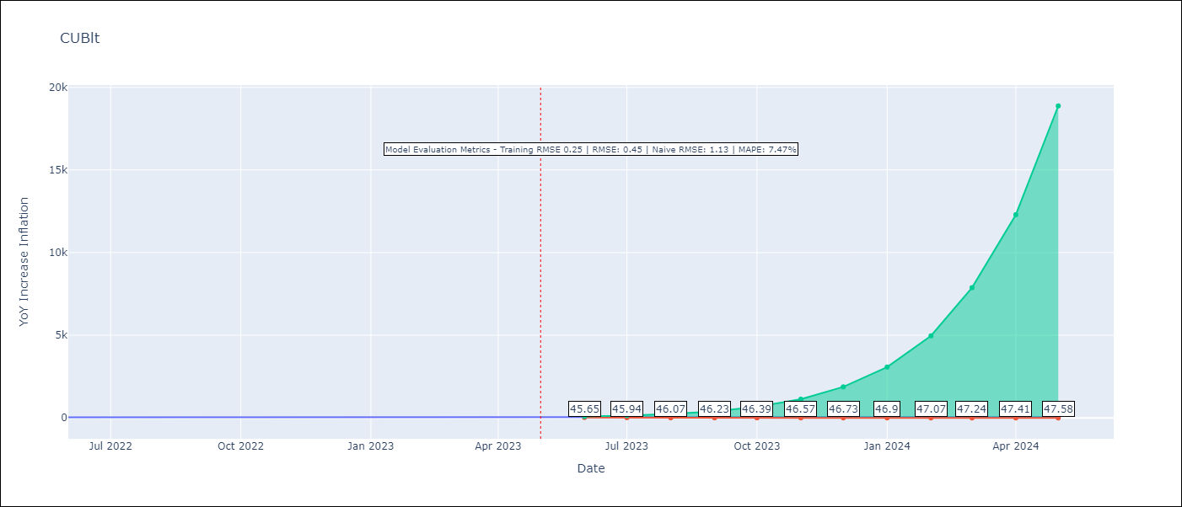

Test Metrics
RMSE | 0.45
Naive RMSE | 1.13
MAPE | 7.47%

Test Predictions
Date | Predicted | Actual
2022-06-01 | 3.37 | 3.42
2022-07-01 | 3.53 | 3.69
2022-08-01 | 3.71 | 3.85
2022-09-01 | 3.9 | 4.07
2022-10-01 | 4.1 | 4.27
2022-11-01 | 4.3 | 4.31
2022-12-01 | 4.52 | 4.22
2023-01-01 | 4.75 | 4.45
2023-02-01 | 4.99 | 4.63
2023-03-01 | 5.25 | 4.78
2023-04-01 | 5.51 | 4.7
2023-05-01 | 5.79 | 4.71

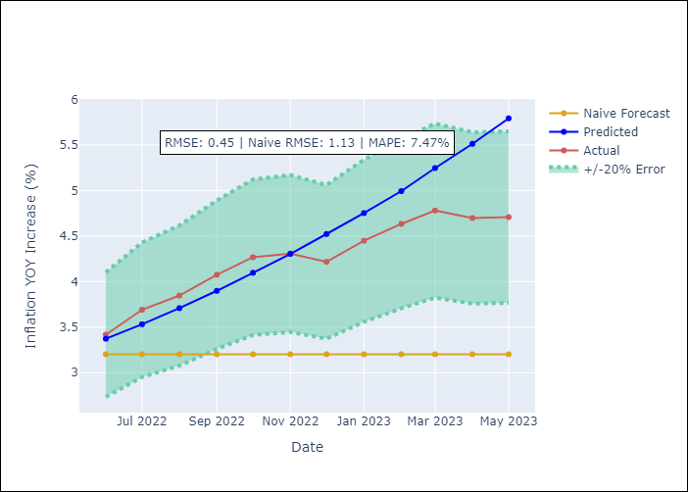

Appendix A: Model Summary
Model | ARIMA(3, 2, 0)
Sample | 01-01-2011- 05-01-2023
No. of Observations | 149
Terms | P-value (Statistical significance)
ar.L1 | 0.000
ar.L2 | 0.072
ar.L3 | 0.114
sigma2 | 0.000

Assumptions | P-value | Interpretation
Ljung-Box (L1) | 0.69
Heteroskedasticity | 0.00
Jarque-Bera | 0.00
Skew | -0.31
Kurtosis | 9.42

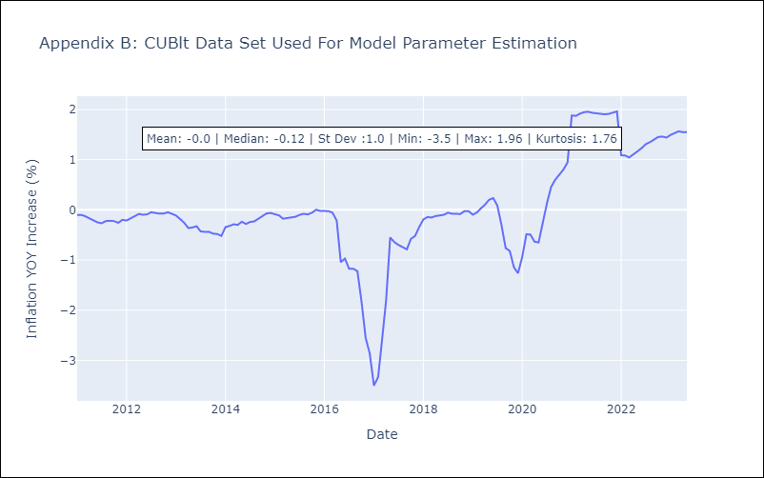

Appendix C: Residuals Analysis
Mean | -0.0
White Noise? | No - Correlation at Lags [ 4 5 6 7 8 9 10 11 12]
Normal? | No

