BHSlt
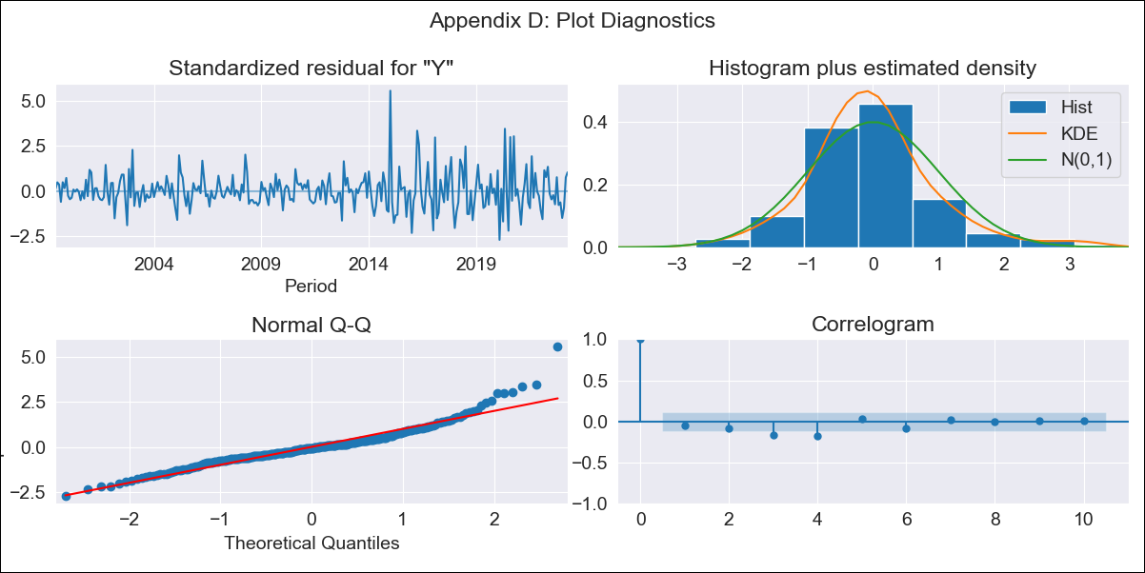
BHSlt - Inflation - Next 12 months forecast as of: 2023-04-01

Model | ARIMA - [(3, 2, 0), (1, 0, 1, 12)]
Training Data | 1998-01-01 to 2022-05-01
Test Data | 2022-05-01 to 2023-04-01

Date | Inflation Change YoY % | Lower Bound - 95% Confidence Interval | Upper Bound - 95% Confidence Interval
2023-05-01 | 2.93 | 1.95 | 3.9
2023-06-01 | 2.68 | 1.7 | 3.66
2023-07-01 | 2.4 | 1.42 | 3.38
2023-08-01 | 2.03 | 1.05 | 3
2023-09-01 | 1.92 | 0.94 | 2.9
2023-10-01 | 1.33 | 0.35 | 2.3
2023-11-01 | 1.36 | 0.38 | 2.33
2023-12-01 | 1.3 | 0.32 | 2.28
2024-01-01 | 1.74 | 0.76 | 2.72
2024-02-01 | 2.08 | 1.11 | 3.06
2024-03-01 | 1.95 | 0.97 | 2.92
2024-04-01 | 1.71 | 0.74 | 2.69

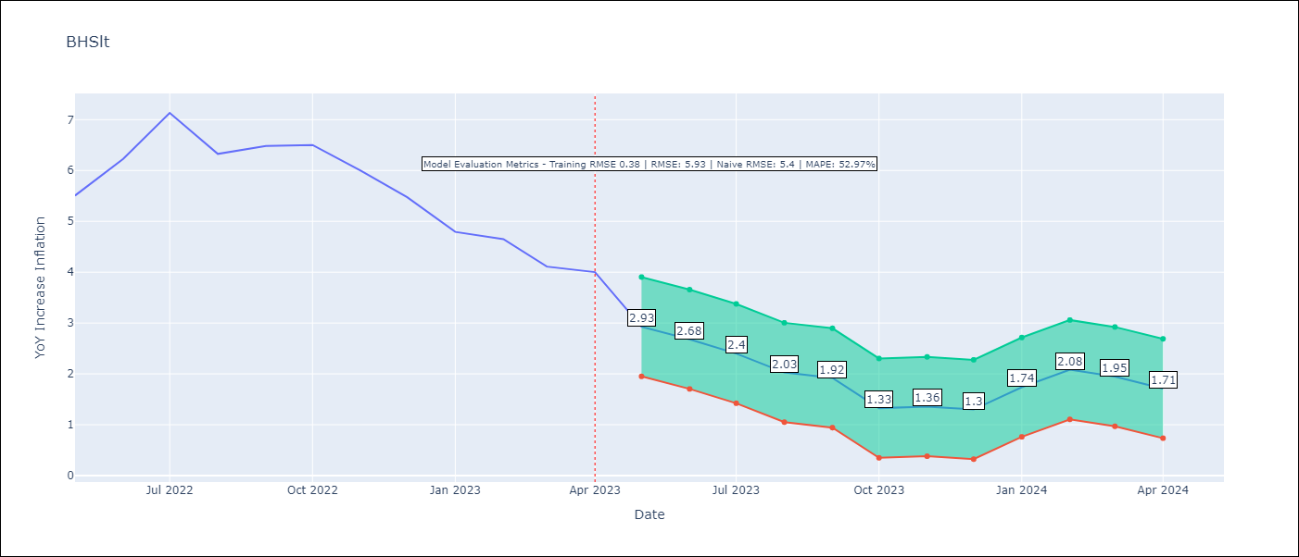

Test Metrics
RMSE | 5.93
Naive RMSE | 5.4
MAPE | 52.97%

Test Predictions
Date | Predicted | Actual
2022-05-01 | 4.42 | 8.51
2022-06-01 | 6.33 | 12.3
2022-07-01 | 9.94 | 19.18
2022-08-01 | 5.64 | 12.92
2022-09-01 | 6.78 | 13.96
2022-10-01 | 4.41 | 14.09
2022-11-01 | 4.24 | 10.96
2022-12-01 | 3.83 | 8.37
2023-01-01 | 4.91 | 5.82
2023-02-01 | 7.92 | 5.38
2023-03-01 | 6.72 | 3.99
2023-04-01 | 6.29 | 3.75

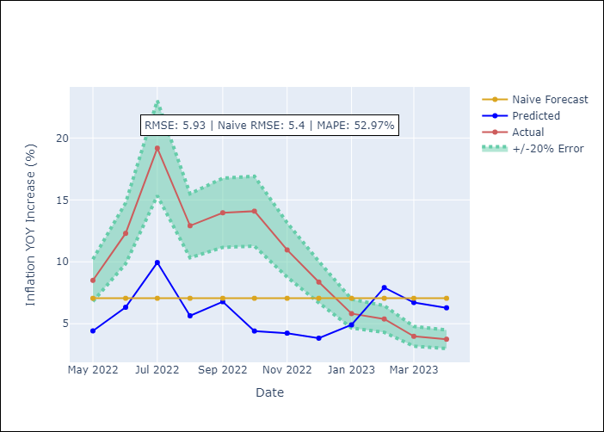

Appendix A: Model Summary
Model | ARIMA(3, 2, 0)x(1, 0, [1], 12)
Sample | 01-01-1998- 04-01-2023
No. of Observations | 304
Terms | P-value (Statistical significance)
ar.L1 | 0.000
ar.L2 | 0.000
ar.L3 | 0.000
ar.S.L12 | 0.221
ma.S.L12 | 0.000
sigma2 | 0.000

Assumptions | P-value | Interpretation
Ljung-Box (L1) | 0.36
Heteroskedasticity | 0.00
Jarque-Bera | 0.00
Skew | 1.08
Kurtosis | 7.07

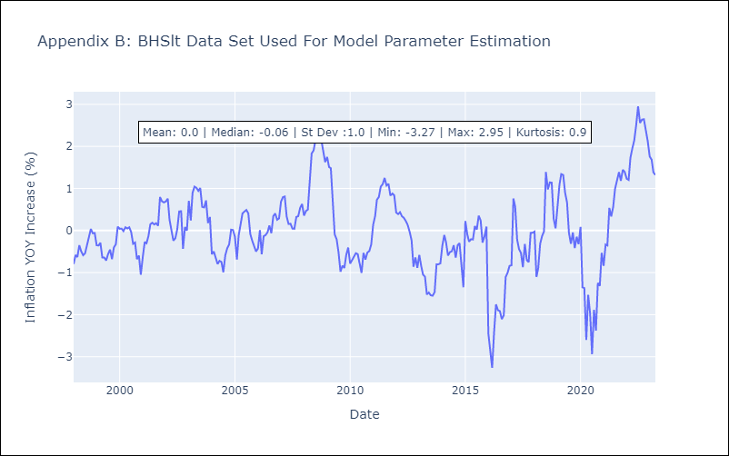

Appendix C: Residuals Analysis
Mean | 0.0
White Noise? | No - Correlation at Lags [ 3 4 5 6 7 8 9 10 11 12]
Normal? | No

BRBlt
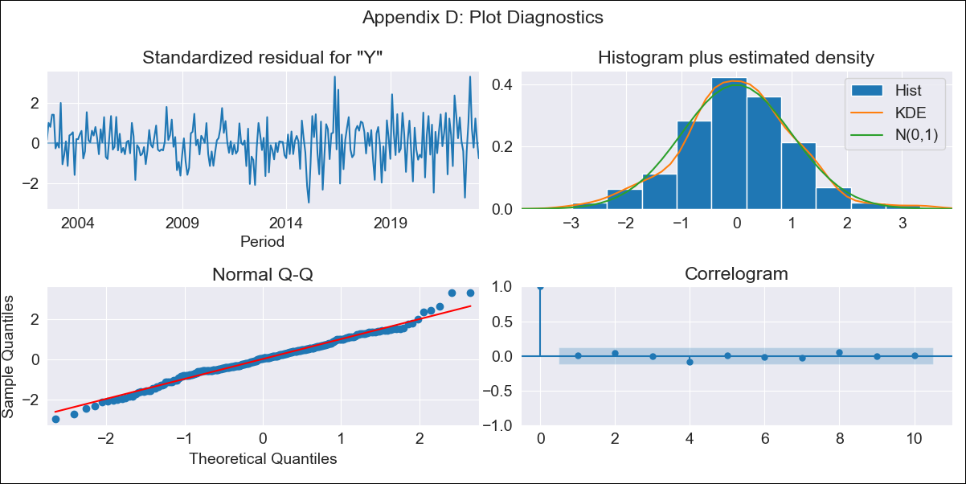
BRBlt - Inflation - Next 12 months forecast as of: 2023-04-01

Model | ARIMA - [(1, 2, 3), (0, 0, 1, 12)]
Training Data | 2001-01-01 to 2022-05-01
Test Data | 2022-05-01 to 2023-04-01

Date | Inflation Change YoY % | Lower Bound - 95% Confidence Interval | Upper Bound - 95% Confidence Interval
2023-05-01 | 10.56 | 7.03 | 14.09
2023-06-01 | 10.38 | 6.84 | 13.91
2023-07-01 | 10.87 | 7.34 | 14.41
2023-08-01 | 13.62 | 10.09 | 17.16
2023-09-01 | 14.77 | 11.24 | 18.31
2023-10-01 | 14.42 | 10.89 | 17.95
2023-11-01 | 11.37 | 7.83 | 14.9
2023-12-01 | 10.47 | 6.94 | 14
2024-01-01 | 10.38 | 6.84 | 13.91
2024-02-01 | 9.61 | 6.07 | 13.14
2024-03-01 | 9.28 | 5.75 | 12.82
2024-04-01 | 9.97 | 6.43 | 13.5

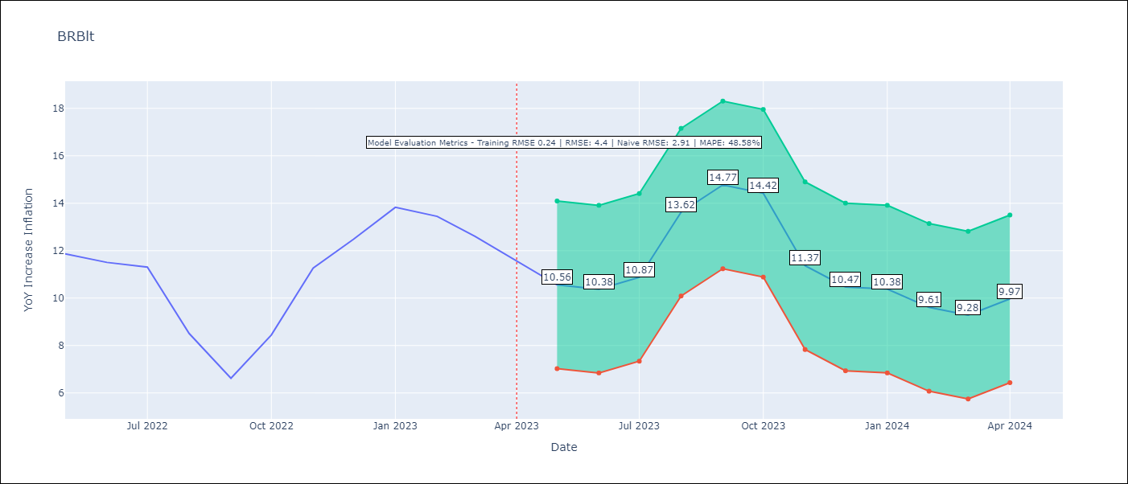

Test Metrics
RMSE | 4.4
Naive RMSE | 2.91
MAPE | 48.58%

Test Predictions
Date | Predicted | Actual
2022-05-01 | 5.66 | 7.6
2022-06-01 | 4.61 | 7.02
2022-07-01 | 4.57 | 6.72
2022-08-01 | 4.46 | 3.53
2022-09-01 | 3.33 | 2.22
2022-10-01 | 4.62 | 3.48
2022-11-01 | 3.79 | 6.65
2022-12-01 | 3.64 | 8.68
2023-01-01 | 4.38 | 11.56
2023-02-01 | 3.11 | 10.67
2023-03-01 | 2.19 | 8.92
2023-04-01 | 1.97 | 7.13

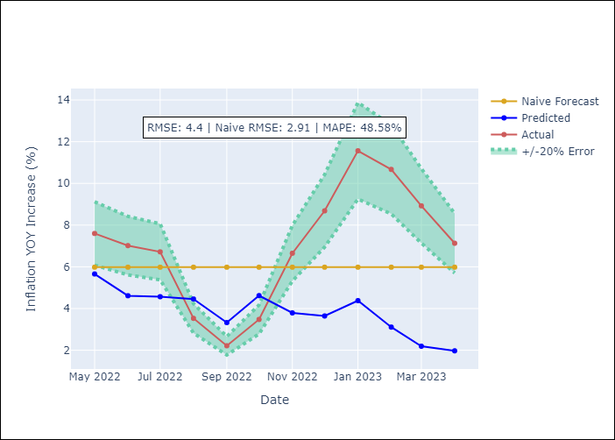

Appendix A: Model Summary
Model | ARIMA(1, 2, 3)x(0, 0, [1], 12)
Sample | 01-01-2001- 04-01-2023
No. of Observations | 268
Terms | P-value (Statistical significance)
ar.L1 | 0.000
ma.L1 | 0.583
ma.L2 | 0.000
ma.L3 | 0.000
ma.S.L12 | 0.000
sigma2 | 0.000

Assumptions | P-value | Interpretation
Ljung-Box (L1) | 0.90
Heteroskedasticity | 0.00
Jarque-Bera | 0.05
Skew | 0.02
Kurtosis | 3.75

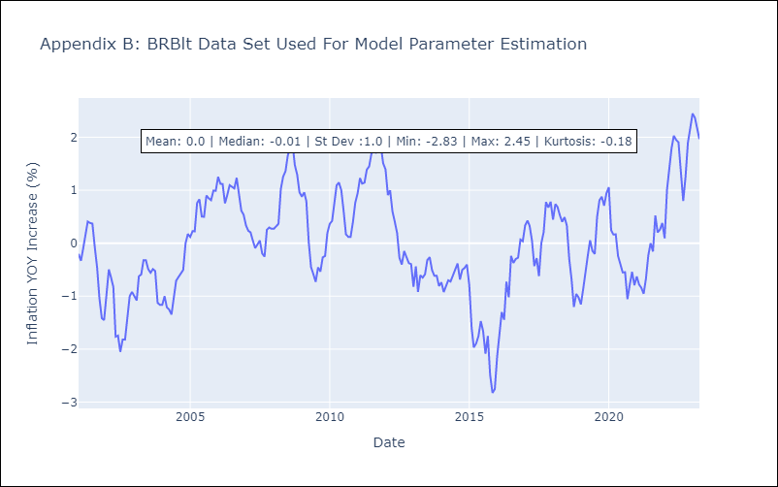

Appendix C: Residuals Analysis
Mean | 0.0
White Noise? | No - Correlation at Lags [ 4 5 6 7 8 9 10 11 12]
Normal? | Yes

CUBlt
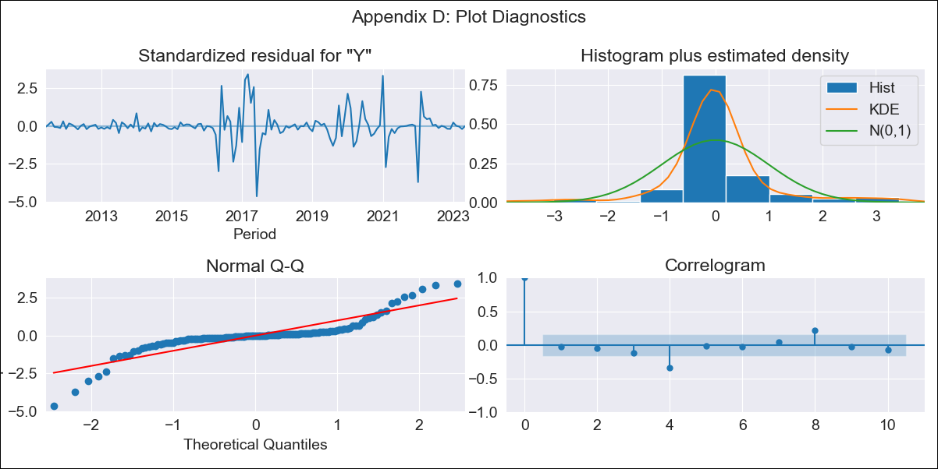
CUBlt - Inflation - Next 12 months forecast as of: 2023-05-01

Model | ARIMA - [(3, 2, 0), (0, 0, 0, 12)]
Training Data | 2011-01-01 to 2022-06-01
Test Data | 2022-06-01 to 2023-05-01

Date | Inflation Change YoY % | Lower Bound - 95% Confidence Interval | Upper Bound - 95% Confidence Interval
2023-06-01 | 45.65 | 44.5 | 46.8
2023-07-01 | 45.94 | 44.79 | 47.09
2023-08-01 | 46.07 | 44.92 | 47.22
2023-09-01 | 46.23 | 45.08 | 47.38
2023-10-01 | 46.39 | 45.24 | 47.54
2023-11-01 | 46.57 | 45.42 | 47.72
2023-12-01 | 46.73 | 45.58 | 47.88
2024-01-01 | 46.9 | 45.75 | 48.05
2024-02-01 | 47.07 | 45.92 | 48.22
2024-03-01 | 47.24 | 46.09 | 48.39
2024-04-01 | 47.41 | 46.26 | 48.56
2024-05-01 | 47.58 | 46.43 | 48.73

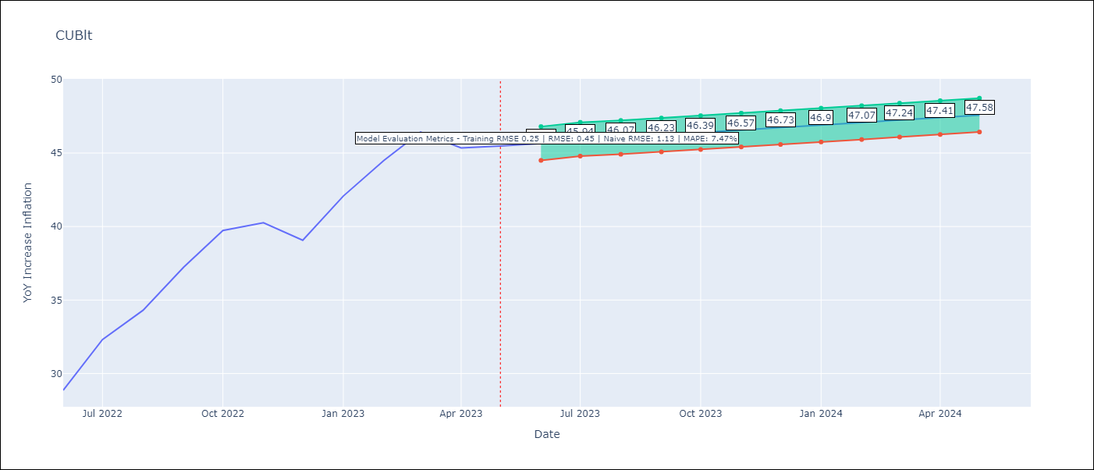

Test Metrics
RMSE | 0.45
Naive RMSE | 1.13
MAPE | 7.47%

Test Predictions
Date | Predicted | Actual
2022-06-01 | 3.37 | 3.42
2022-07-01 | 3.53 | 3.69
2022-08-01 | 3.71 | 3.85
2022-09-01 | 3.9 | 4.07
2022-10-01 | 4.1 | 4.27
2022-11-01 | 4.3 | 4.31
2022-12-01 | 4.52 | 4.22
2023-01-01 | 4.75 | 4.45
2023-02-01 | 4.99 | 4.63
2023-03-01 | 5.25 | 4.78
2023-04-01 | 5.51 | 4.7
2023-05-01 | 5.79 | 4.71

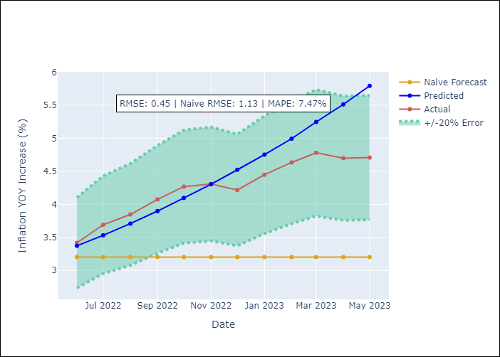

Appendix A: Model Summary
Model | ARIMA(3, 2, 0)
Sample | 01-01-2011- 05-01-2023
No. of Observations | 149
Terms | P-value (Statistical significance)
ar.L1 | 0.000
ar.L2 | 0.072
ar.L3 | 0.114
sigma2 | 0.000

Assumptions | P-value | Interpretation
Ljung-Box (L1) | 0.69
Heteroskedasticity | 0.00
Jarque-Bera | 0.00
Skew | -0.31
Kurtosis | 9.42

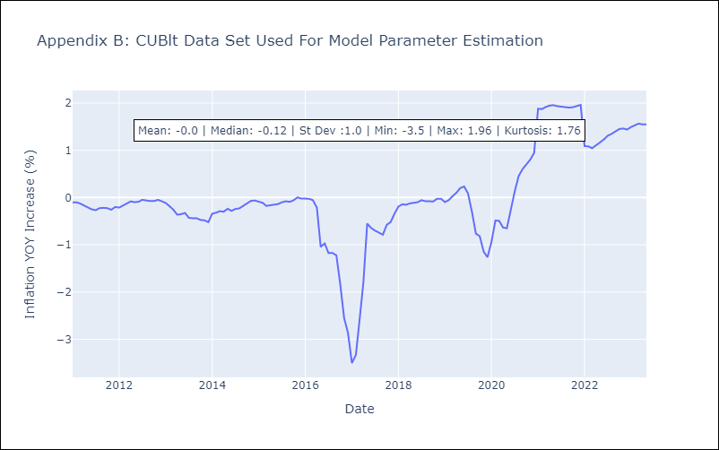

Appendix C: Residuals Analysis
Mean | -0.0
White Noise? | No - Correlation at Lags [ 4 5 6 7 8 9 10 11 12]
Normal? | No

GUYlt
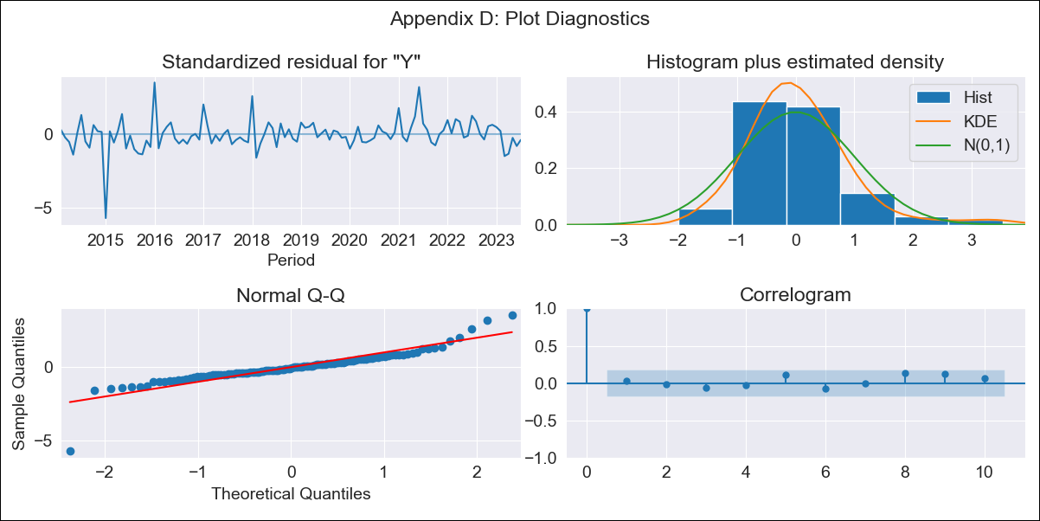
GUYlt - Inflation - Next 12 months forecast as of: 2023-07-01

Model | ARIMA - [(1, 0, 0), (3, 0, 0, 12)]
Training Data | 2011-01-01 to 2022-08-01
Test Data | 2022-08-01 to 2023-07-01

Date | Inflation Change YoY % | Lower Bound - 95% Confidence Interval | Upper Bound - 95% Confidence Interval
2023-08-01 | 0.84 | 0.2 | 1.49
2023-09-01 | 0.95 | 0.31 | 1.6
2023-10-01 | 1.16 | 0.51 | 1.8
2023-11-01 | 0.99 | 0.34 | 1.63
2023-12-01 | 0.79 | 0.14 | 1.43
2024-01-01 | 0.58 | -0.07 | 1.22
2024-02-01 | 0.51 | -0.14 | 1.15
2024-03-01 | 0.85 | 0.21 | 1.5
2024-04-01 | 1.1 | 0.46 | 1.75
2024-05-01 | 1.22 | 0.58 | 1.87
2024-06-01 | 1.6 | 0.96 | 2.25
2024-07-01 | 1.58 | 0.94 | 2.23

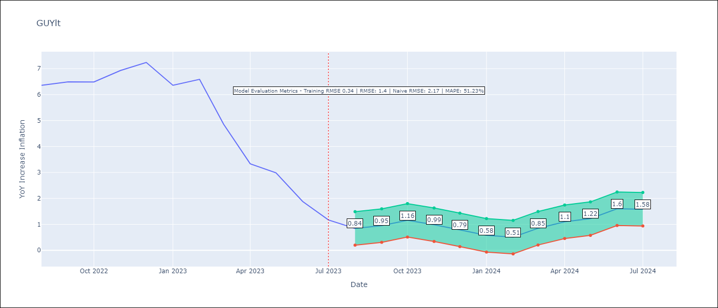

Test Metrics
RMSE | 1.4
Naive RMSE | 2.17
MAPE | 51.23%

Test Predictions
Date | Predicted | Actual
2022-08-01 | 4.04 | 5.2
2022-09-01 | 4.36 | 5.44
2022-10-01 | 5.07 | 5.43
2022-11-01 | 5.06 | 6.26
2022-12-01 | 4.69 | 6.91
2023-01-01 | 3.16 | 5.2
2023-02-01 | 3.3 | 5.61
2023-03-01 | 3.1 | 3.11
2023-04-01 | 2.75 | 1.74
2023-05-01 | 2.64 | 1.5
2023-06-01 | 2.14 | 0.92
2023-07-01 | 1.71 | 0.64

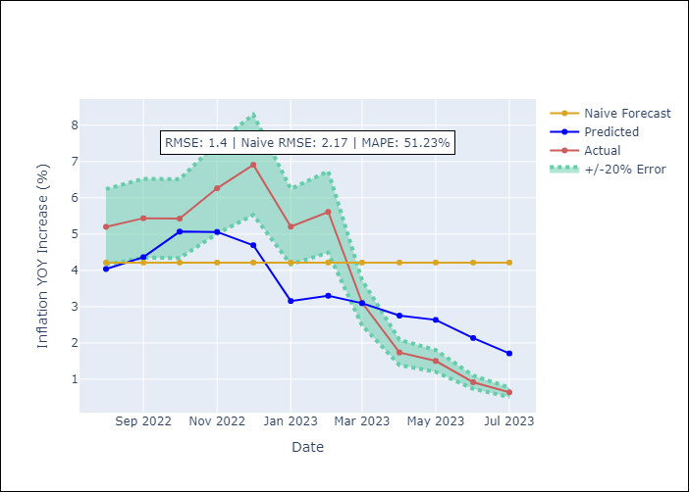

Appendix A: Model Summary
Model | ARIMA(1, 0, 0)x(3, 0, 0, 12)
Sample | 01-01-2011- 07-01-2023
No. of Observations | 151
Terms | P-value (Statistical significance)
const | 0.950
ar.L1 | 0.000
ar.S.L12 | 0.000
ar.S.L24 | 0.000
ar.S.L36 | 0.011
sigma2 | 0.000

Assumptions | P-value | Interpretation
Ljung-Box (L1) | 0.72
Heteroskedasticity | 0.01
Jarque-Bera | 0.00
Skew | -0.74
Kurtosis | 12.61

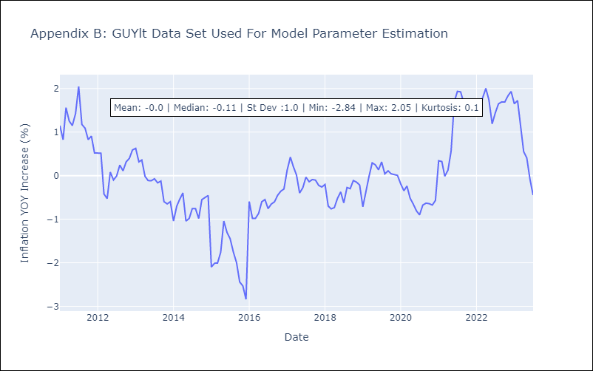

Appendix C: Residuals Analysis
Mean | 0.0
White Noise? | Yes
Normal? | No

HTIlt
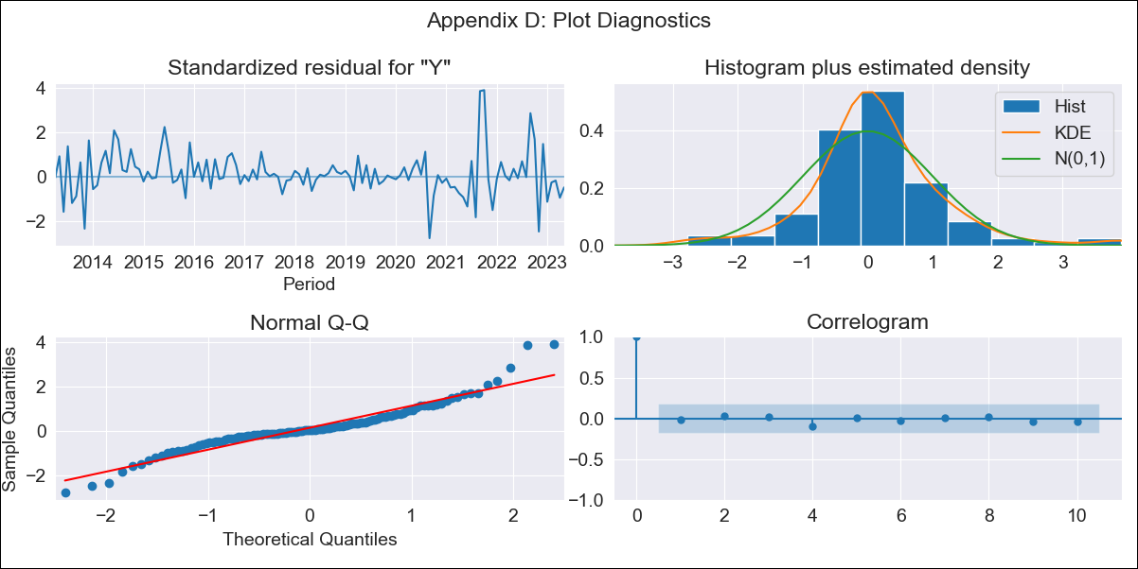
HTIlt - Inflation - Next 12 months forecast as of: 2023-05-01

Model | ARIMA - [(1, 2, 2), (2, 0, 0, 12)]
Training Data | 2011-01-01 to 2022-06-01
Test Data | 2022-06-01 to 2023-05-01

Date | Inflation Change YoY % | Lower Bound - 95% Confidence Interval | Upper Bound - 95% Confidence Interval
2023-06-01 | 48.23 | 34.84 | 61.62
2023-07-01 | 48.73 | 35.33 | 62.12
2023-08-01 | 51.69 | 38.3 | 65.08
2023-09-01 | 45.68 | 32.29 | 59.08
2023-10-01 | 35.96 | 22.57 | 49.35
2023-11-01 | 33.17 | 19.78 | 46.56
2023-12-01 | 33.27 | 19.88 | 46.66
2024-01-01 | 34.13 | 20.74 | 47.52
2024-02-01 | 34.27 | 20.88 | 47.66
2024-03-01 | 34.5 | 21.11 | 47.9
2024-04-01 | 34.87 | 21.47 | 48.26
2024-05-01 | 35.07 | 21.68 | 48.46

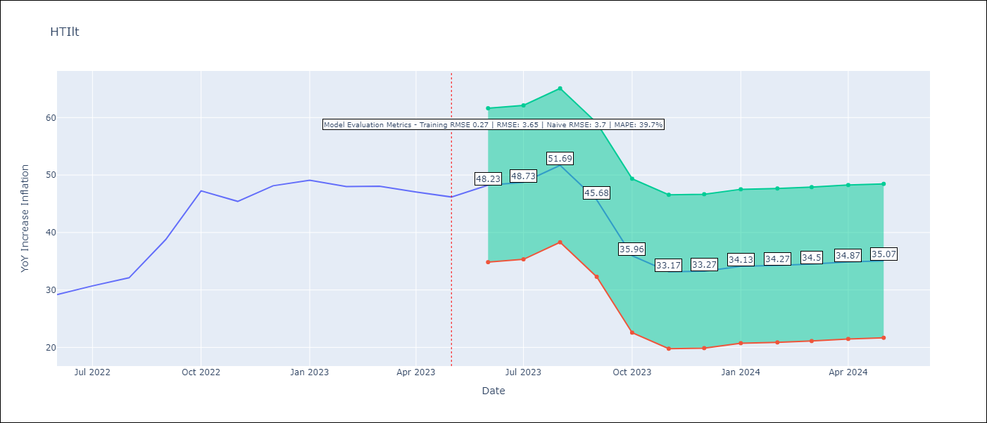

Test Metrics
RMSE | 3.65
Naive RMSE | 3.7
MAPE | 39.7%

Test Predictions
Date | Predicted | Actual
2022-06-01 | 3.97 | 3.79
2022-07-01 | 4.11 | 4.09
2022-08-01 | 4.45 | 4.39
2022-09-01 | 4.23 | 5.86
2022-10-01 | 3.4 | 7.93
2022-11-01 | 3.03 | 7.47
2022-12-01 | 3.23 | 8.16
2023-01-01 | 3.48 | 8.41
2023-02-01 | 3.56 | 8.13
2023-03-01 | 3.7 | 8.14
2023-04-01 | 3.92 | 7.88
2023-05-01 | 4.18 | 7.66

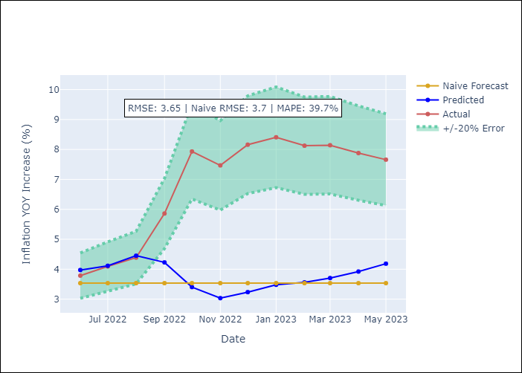

Appendix A: Model Summary
Model | ARIMA(1, 2, 2)x(2, 0, [], 12)
Sample | 01-01-2011- 05-01-2023
No. of Observations | 149
Terms | P-value (Statistical significance)
ar.L1 | 0.026
ma.L1 | 0.985
ma.L2 | 0.973
ar.S.L12 | 0.000
ar.S.L24 | 0.000
sigma2 | 0.973

Assumptions | P-value | Interpretation
Ljung-Box (L1) | 0.83
Heteroskedasticity | 0.06
Jarque-Bera | 0.00
Skew | 0.64
Kurtosis | 6.16

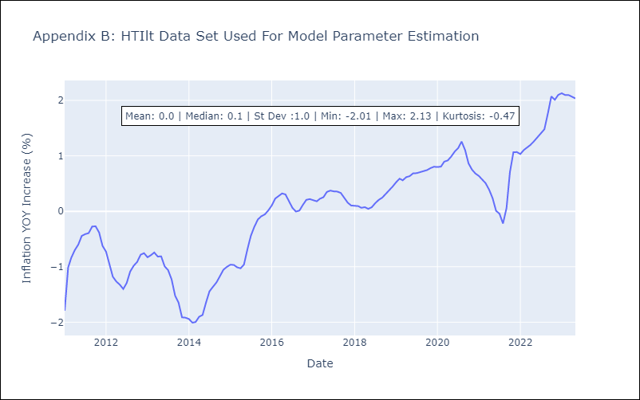

Appendix C: Residuals Analysis
Mean | 0.01
White Noise? | No - Correlation at Lags [ 1 2 3 4 5 6 7 8 9 10 11 12]
Normal? | No

JAMlt
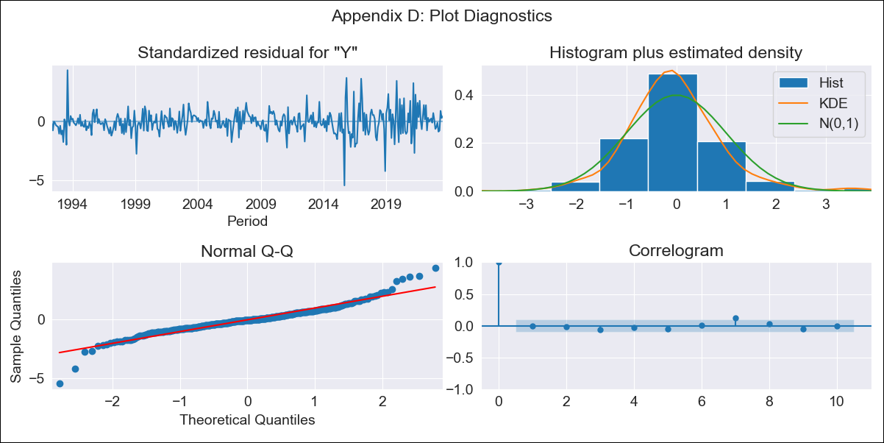
JAMlt - Inflation - Next 12 months forecast as of: 2023-07-01

Model | ARIMA - [(0, 1, 2), (1, 0, 1, 12)]
Training Data | 1991-01-01 to 2022-08-01
Test Data | 2022-08-01 to 2023-07-01

Date | Inflation Change YoY % | Lower Bound - 95% Confidence Interval | Upper Bound - 95% Confidence Interval
2023-08-01 | 6.58 | 6.06 | 7.1
2023-09-01 | 6.54 | 6.01 | 7.06
2023-10-01 | 6.28 | 5.76 | 6.81
2023-11-01 | 6.24 | 5.71 | 6.76
2023-12-01 | 6.38 | 5.85 | 6.9
2024-01-01 | 6.51 | 5.99 | 7.04
2024-02-01 | 6.6 | 6.07 | 7.12
2024-03-01 | 6.8 | 6.27 | 7.32
2024-04-01 | 7.21 | 6.68 | 7.73
2024-05-01 | 6.94 | 6.41 | 7.46
2024-06-01 | 6.82 | 6.3 | 7.35
2024-07-01 | 6.6 | 6.08 | 7.13

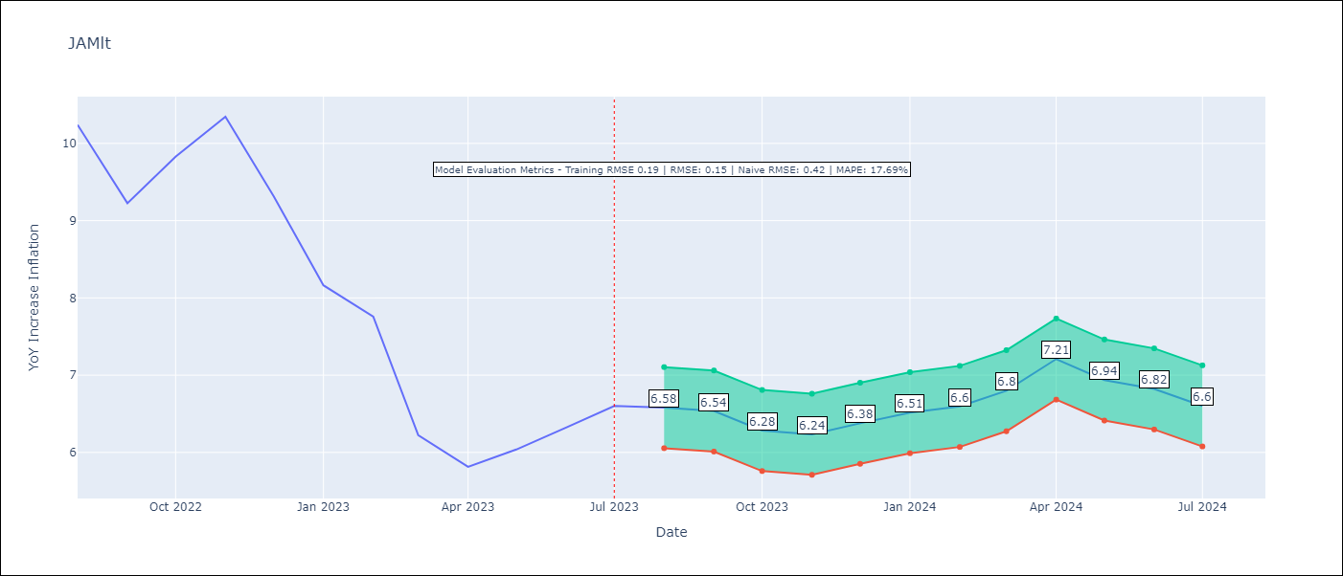

Test Metrics
RMSE | 0.15
Naive RMSE | 0.42
MAPE | 17.69%

Test Predictions
Date | Predicted | Actual
2022-08-01 | 1.15 | 1.19
2022-09-01 | 1.02 | 1.03
2022-10-01 | 0.98 | 1.13
2022-11-01 | 1.01 | 1.21
2022-12-01 | 0.96 | 1.05
2023-01-01 | 0.89 | 0.87
2023-02-01 | 0.87 | 0.81
2023-03-01 | 0.74 | 0.58
2023-04-01 | 0.8 | 0.52
2023-05-01 | 0.76 | 0.56
2023-06-01 | 0.76 | 0.6
2023-07-01 | 0.74 | 0.64

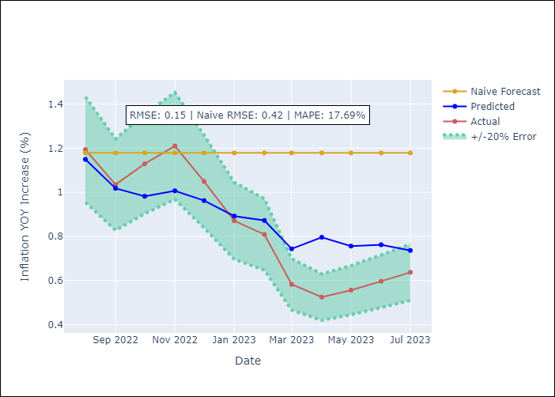

Appendix A: Model Summary
Model | ARIMA(0, 1, 2)x(1, 0, [1], 12)
Sample | 01-01-1991- 07-01-2023
No. of Observations | 391
Terms | P-value (Statistical significance)
ma.L1 | 0.000
ma.L2 | 0.002
ar.S.L12 | 0.033
ma.S.L12 | 0.000
sigma2 | 0.000

Assumptions | P-value | Interpretation
Ljung-Box (L1) | 0.85
Heteroskedasticity | 0.00
Jarque-Bera | 0.00
Skew | 0.08
Kurtosis | 7.61

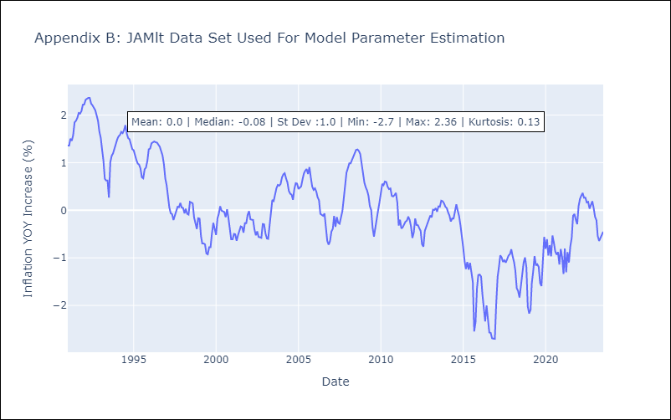

Appendix C: Residuals Analysis
Mean | -0.01
White Noise? | Yes
Normal? | No

TTOlt

TTOlt - Inflation - Next 12 months forecast as of: 2023-07-01

Model | ARIMA - [(3, 0, 0), (0, 0, 2, 12)]
Training Data | 1991-01-01 to 2022-08-01
Test Data | 2022-08-01 to 2023-07-01

Date | Inflation Change YoY % | Lower Bound - 95% Confidence Interval | Upper Bound - 95% Confidence Interval
2023-08-01 | 5.69 | 4.84 | 6.53
2023-09-01 | 5.59 | 4.75 | 6.44
2023-10-01 | 4.52 | 3.67 | 5.36
2023-11-01 | 4.55 | 3.71 | 5.39
2023-12-01 | 4.39 | 3.55 | 5.24
2024-01-01 | 4.34 | 3.5 | 5.19
2024-02-01 | 4.52 | 3.68 | 5.37
2024-03-01 | 4.7 | 3.85 | 5.54
2024-04-01 | 4.78 | 3.93 | 5.62
2024-05-01 | 4.89 | 4.05 | 5.74
2024-06-01 | 4.74 | 3.89 | 5.58
2024-07-01 | 4.33 | 3.49 | 5.18

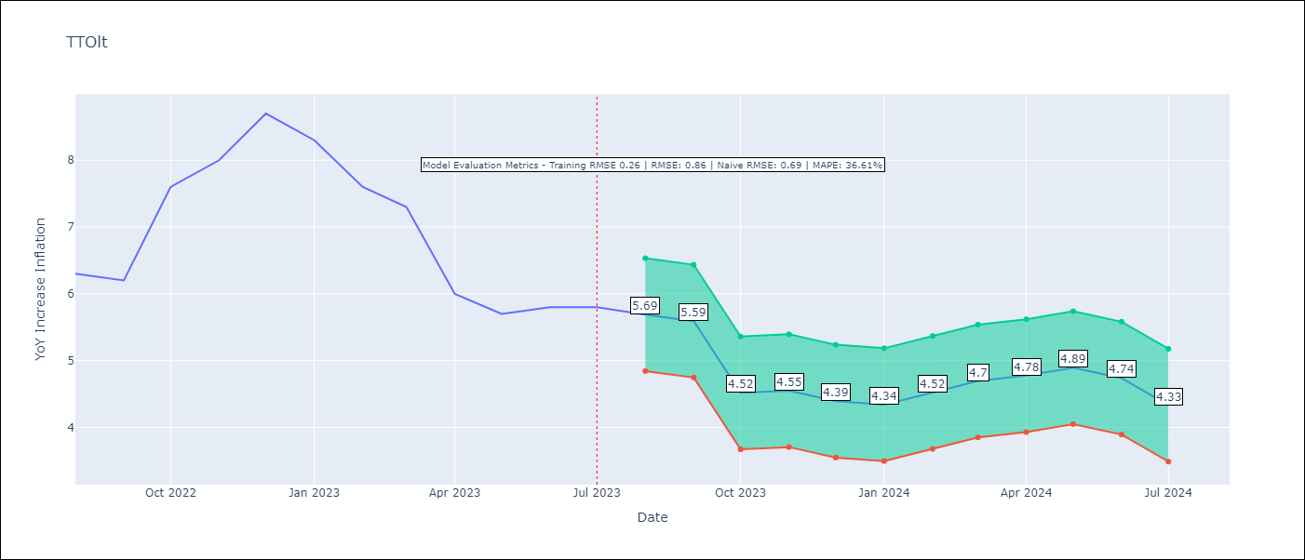

Test Metrics
RMSE | 0.86
Naive RMSE | 0.69
MAPE | 36.61%

Test Predictions
Date | Predicted | Actual
2022-08-01 | 1.48 | 1.58
2022-09-01 | 1.4 | 1.53
2022-10-01 | 1.14 | 2.18
2022-11-01 | 1.25 | 2.39
2022-12-01 | 1.32 | 2.79
2023-01-01 | 1.21 | 2.56
2023-02-01 | 1.18 | 2.18
2023-03-01 | 1.21 | 2.03
2023-04-01 | 0.97 | 1.45
2023-05-01 | 0.97 | 1.34
2023-06-01 | 0.92 | 1.38
2023-07-01 | 0.76 | 1.38

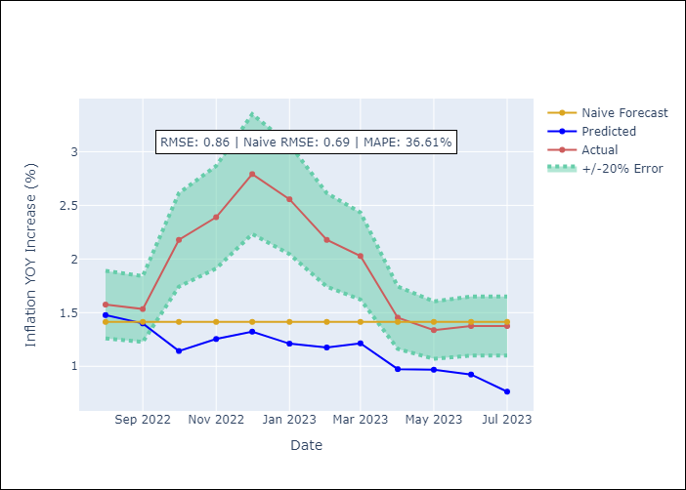

Appendix A: Model Summary
Model | ARIMA(3, 0, 0)x(0, 0, [1, 2], 12)
Sample | 01-01-1991- 07-01-2023
No. of Observations | 391
Terms | P-value (Statistical significance)
const | 0.712
ar.L1 | 0.000
ar.L2 | 0.688
ar.L3 | 0.043
ma.S.L12 | 0.000
ma.S.L24 | 0.039
sigma2 | 0.000

Assumptions | P-value | Interpretation
Ljung-Box (L1) | 0.99
Heteroskedasticity | 0.27
Jarque-Bera | 0.00
Skew | 0.11
Kurtosis | 5.54

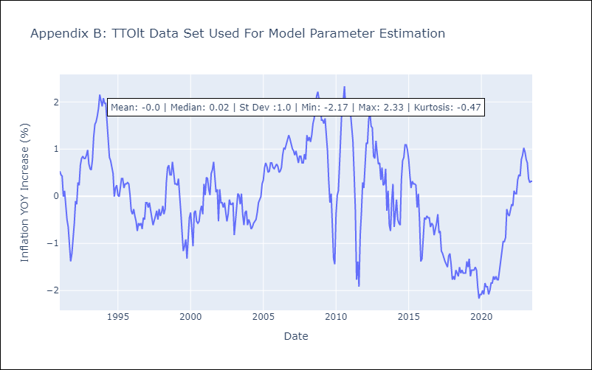

Appendix C: Residuals Analysis
Mean | 0.0
White Noise? | Yes
Normal? | No

