CUBlt
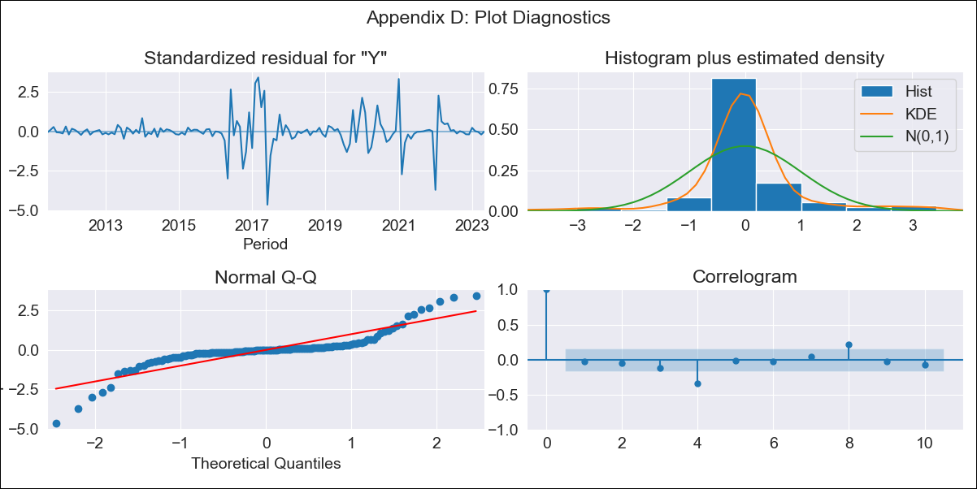
CUBlt - Inflation - Next 12 months forecast as of: 2023-05-01

Model | ARIMA - [(3, 2, 0), (0, 0, 0, 12)]
Training Data | 2011-01-01 to 2022-06-01
Test Data | 2022-06-01 to 2023-05-01

Date | Inflation Change YoY % | Lower Bound - 95% Confidence Interval | Upper Bound - 95% Confidence Interval
2023-06-01 | 45.65 | 44.5 | 46.8
2023-07-01 | 45.94 | 44.79 | 47.09
2023-08-01 | 46.07 | 44.92 | 47.22
2023-09-01 | 46.23 | 45.08 | 47.38
2023-10-01 | 46.39 | 45.24 | 47.54
2023-11-01 | 46.57 | 45.42 | 47.72
2023-12-01 | 46.73 | 45.58 | 47.88
2024-01-01 | 46.9 | 45.75 | 48.05
2024-02-01 | 47.07 | 45.92 | 48.22
2024-03-01 | 47.24 | 46.09 | 48.39
2024-04-01 | 47.41 | 46.26 | 48.56
2024-05-01 | 47.58 | 46.43 | 48.73

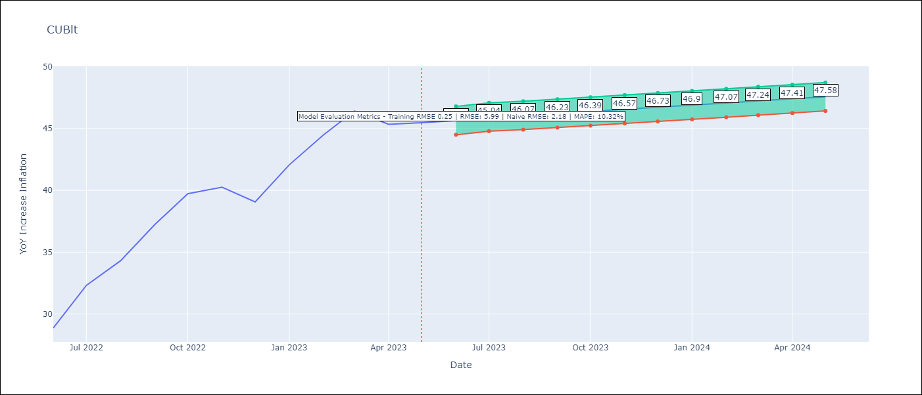

Test Metrics
RMSE | 5.99
Naive RMSE | 2.18
MAPE | 10.32%

Test Predictions
Date | Predicted | Actual
2022-06-01 | 28.29 | 28.85
2022-07-01 | 30.29 | 32.31
2022-08-01 | 32.53 | 34.3
2022-09-01 | 34.96 | 37.24
2022-10-01 | 37.52 | 39.73
2022-11-01 | 40.21 | 40.26
2022-12-01 | 43.05 | 39.07
2023-01-01 | 46.06 | 42.08
2023-02-01 | 49.23 | 44.5
2023-03-01 | 52.57 | 46.42
2023-04-01 | 56.1 | 45.35
2023-05-01 | 59.81 | 45.48

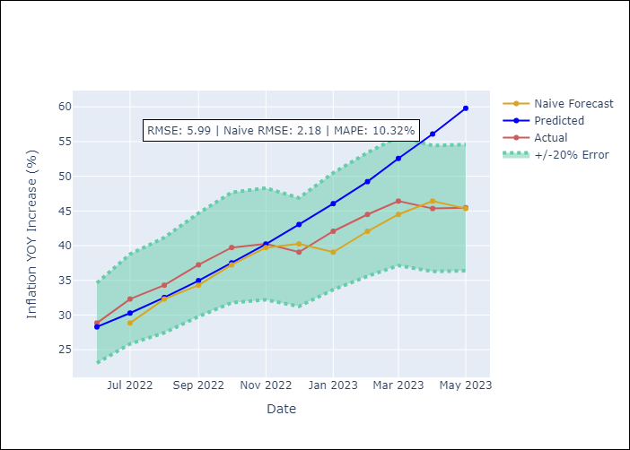

Appendix A: Model Summary
Model | ARIMA(3, 2, 0)
Sample | 01-01-2011- 05-01-2023
No. of Observations | 149
Terms | P-value (Statistical significance)
ar.L1 | 0.000
ar.L2 | 0.072
ar.L3 | 0.114
sigma2 | 0.000

Assumptions | P-value | Interpretation
Ljung-Box (L1) | 0.69
Heteroskedasticity | 0.00
Jarque-Bera | 0.00
Skew | -0.31
Kurtosis | 9.42

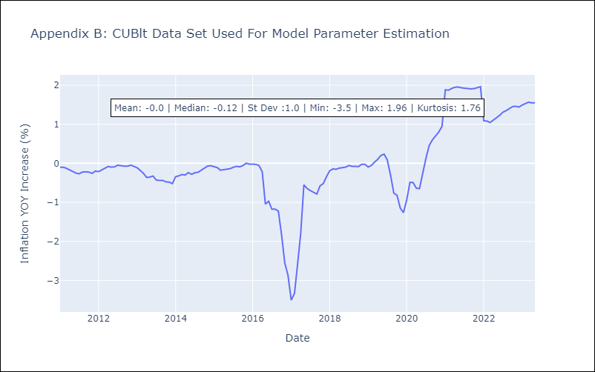

Appendix C: Residuals Analysis
Mean | -0.0
White Noise? | No - Correlation at Lags [ 4 5 6 7 8 9 10 11 12]
Normal? | No

