BHSlt
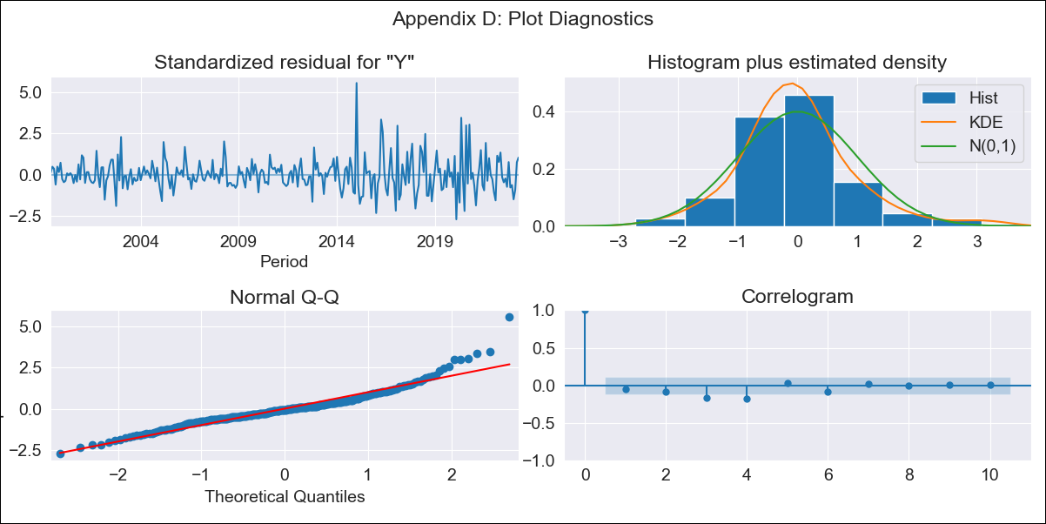
BHSlt - Inflation - Next 12 months forecast as of: 2023-04-01

Model | ARIMA - [(3, 2, 0), (1, 0, 1, 12)]
Training Data | 1998-01-01 to 2022-05-01
Test Data | 2022-05-01 to 2023-04-01

Date | Inflation Change YoY % | Lower Bound - 95% Confidence Interval | Upper Bound - 95% Confidence Interval
2023-05-01 | 2.93 | 1.95 | 3.9
2023-06-01 | 2.68 | 1.7 | 3.66
2023-07-01 | 2.4 | 1.42 | 3.38
2023-08-01 | 2.03 | 1.05 | 3
2023-09-01 | 1.92 | 0.94 | 2.9
2023-10-01 | 1.33 | 0.35 | 2.3
2023-11-01 | 1.36 | 0.38 | 2.33
2023-12-01 | 1.3 | 0.32 | 2.28
2024-01-01 | 1.74 | 0.76 | 2.72
2024-02-01 | 2.08 | 1.11 | 3.06
2024-03-01 | 1.95 | 0.97 | 2.92
2024-04-01 | 1.71 | 0.74 | 2.69

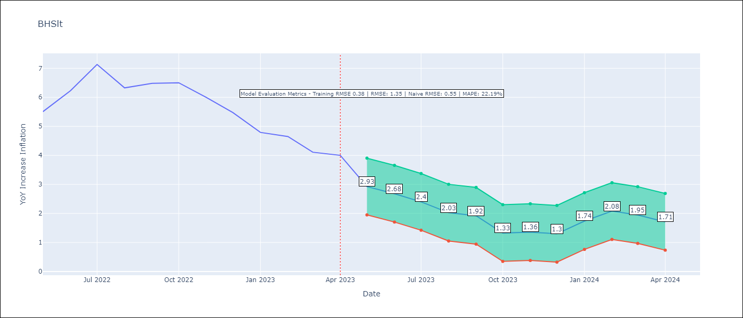

Test Metrics
RMSE | 1.35
Naive RMSE | 0.55
MAPE | 22.19%

Test Predictions
Date | Predicted | Actual
2022-05-01 | 4.29 | 5.51
2022-06-01 | 4.95 | 6.23
2022-07-01 | 5.81 | 7.13
2022-08-01 | 4.74 | 6.33
2022-09-01 | 5.08 | 6.48
2022-10-01 | 4.29 | 6.5
2022-11-01 | 4.22 | 6
2022-12-01 | 4.04 | 5.48
2023-01-01 | 4.48 | 4.79
2023-02-01 | 5.37 | 4.65
2023-03-01 | 5.06 | 4.11
2023-04-01 | 4.94 | 4

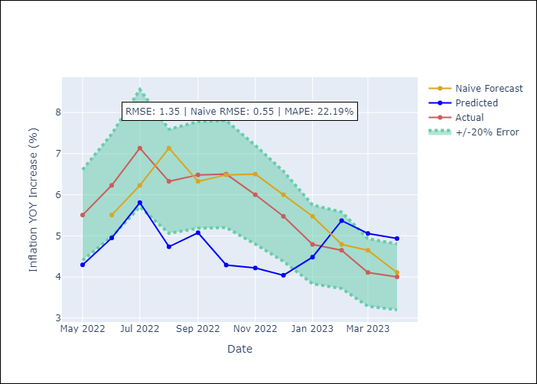

Appendix A: Model Summary
Model | ARIMA(3, 2, 0)x(1, 0, [1], 12)
Sample | 01-01-1998- 04-01-2023
No. of Observations | 304
Terms | P-value (Statistical significance)
ar.L1 | 0.000
ar.L2 | 0.000
ar.L3 | 0.000
ar.S.L12 | 0.221
ma.S.L12 | 0.000
sigma2 | 0.000

Assumptions | P-value | Interpretation
Ljung-Box (L1) | 0.36
Heteroskedasticity | 0.00
Jarque-Bera | 0.00
Skew | 1.08
Kurtosis | 7.07

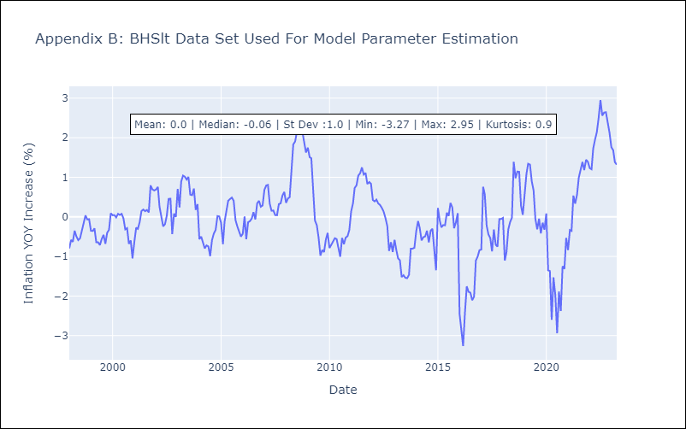

Appendix C: Residuals Analysis
Mean | 0.0
White Noise? | No - Correlation at Lags [ 3 4 5 6 7 8 9 10 11 12]
Normal? | No

BRBlt
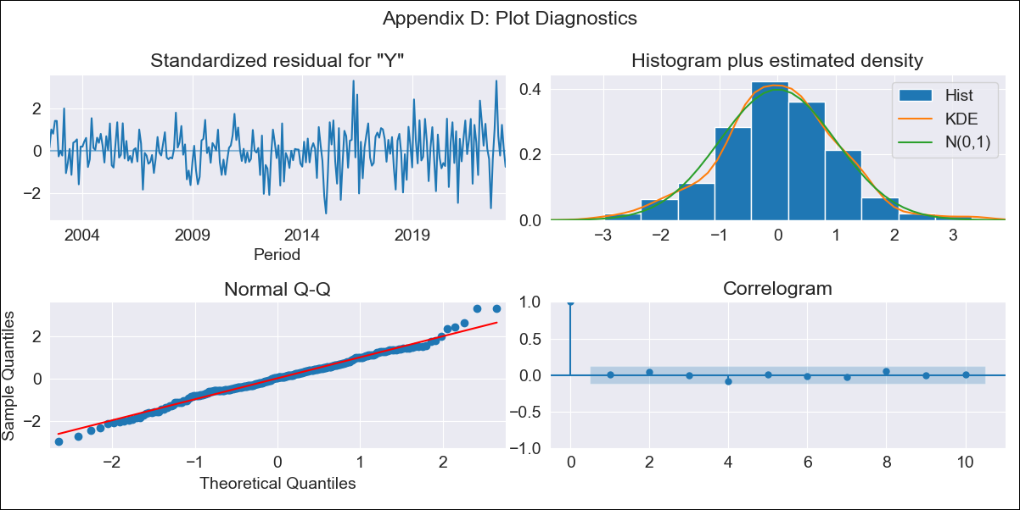
BRBlt - Inflation - Next 12 months forecast as of: 2023-04-01

Model | ARIMA - [(1, 2, 3), (0, 0, 1, 12)]
Training Data | 2001-01-01 to 2022-05-01
Test Data | 2022-05-01 to 2023-04-01

Date | Inflation Change YoY % | Lower Bound - 95% Confidence Interval | Upper Bound - 95% Confidence Interval
2023-05-01 | 10.56 | 7.03 | 14.09
2023-06-01 | 10.38 | 6.84 | 13.91
2023-07-01 | 10.87 | 7.34 | 14.41
2023-08-01 | 13.62 | 10.09 | 17.16
2023-09-01 | 14.77 | 11.24 | 18.31
2023-10-01 | 14.42 | 10.89 | 17.95
2023-11-01 | 11.37 | 7.83 | 14.9
2023-12-01 | 10.47 | 6.94 | 14
2024-01-01 | 10.38 | 6.84 | 13.91
2024-02-01 | 9.61 | 6.07 | 13.14
2024-03-01 | 9.28 | 5.75 | 12.82
2024-04-01 | 9.97 | 6.43 | 13.5

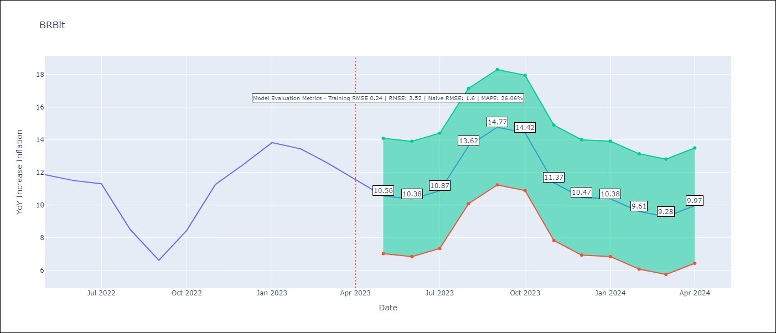

Test Metrics
RMSE | 3.52
Naive RMSE | 1.6
MAPE | 26.06%

Test Predictions
Date | Predicted | Actual
2022-05-01 | 10.54 | 11.87
2022-06-01 | 9.65 | 11.51
2022-07-01 | 9.6 | 11.31
2022-08-01 | 9.5 | 8.51
2022-09-01 | 8.26 | 6.62
2022-10-01 | 9.65 | 8.45
2022-11-01 | 8.81 | 11.26
2022-12-01 | 8.64 | 12.48
2023-01-01 | 9.42 | 13.83
2023-02-01 | 7.98 | 13.45
2023-03-01 | 6.58 | 12.61
2023-04-01 | 6.17 | 11.58

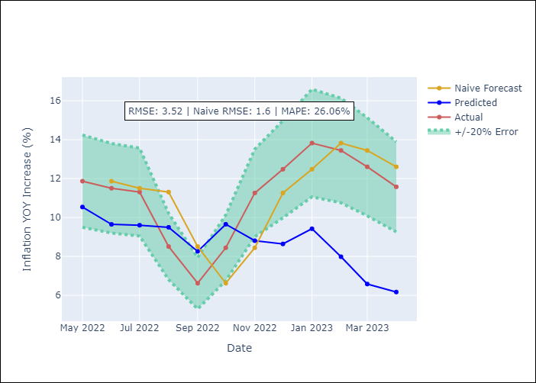

Appendix A: Model Summary
Model | ARIMA(1, 2, 3)x(0, 0, [1], 12)
Sample | 01-01-2001- 04-01-2023
No. of Observations | 268
Terms | P-value (Statistical significance)
ar.L1 | 0.000
ma.L1 | 0.583
ma.L2 | 0.000
ma.L3 | 0.000
ma.S.L12 | 0.000
sigma2 | 0.000

Assumptions | P-value | Interpretation
Ljung-Box (L1) | 0.90
Heteroskedasticity | 0.00
Jarque-Bera | 0.05
Skew | 0.02
Kurtosis | 3.75

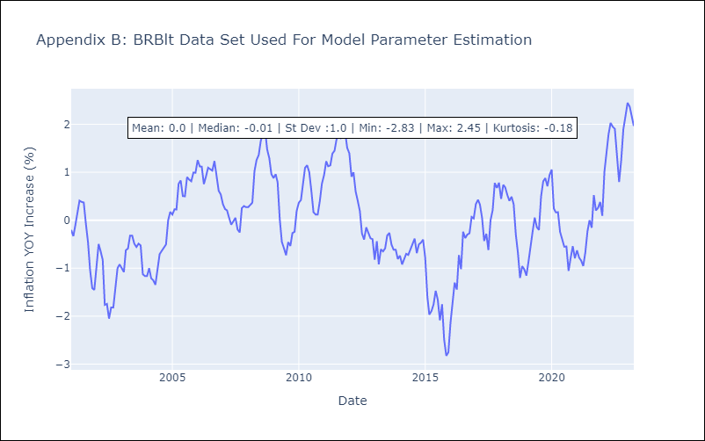

Appendix C: Residuals Analysis
Mean | 0.0
White Noise? | No - Correlation at Lags [ 4 5 6 7 8 9 10 11 12]
Normal? | Yes

CUBlt
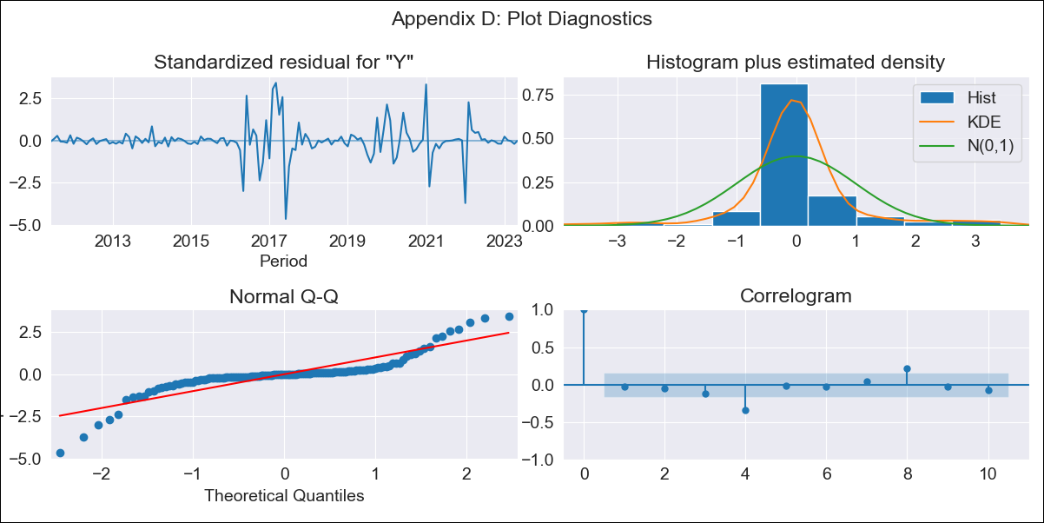
CUBlt - Inflation - Next 12 months forecast as of: 2023-05-01

Model | ARIMA - [(3, 2, 0), (0, 0, 0, 12)]
Training Data | 2011-01-01 to 2022-06-01
Test Data | 2022-06-01 to 2023-05-01

Date | Inflation Change YoY % | Lower Bound - 95% Confidence Interval | Upper Bound - 95% Confidence Interval
2023-06-01 | 45.65 | 44.5 | 46.8
2023-07-01 | 45.94 | 44.79 | 47.09
2023-08-01 | 46.07 | 44.92 | 47.22
2023-09-01 | 46.23 | 45.08 | 47.38
2023-10-01 | 46.39 | 45.24 | 47.54
2023-11-01 | 46.57 | 45.42 | 47.72
2023-12-01 | 46.73 | 45.58 | 47.88
2024-01-01 | 46.9 | 45.75 | 48.05
2024-02-01 | 47.07 | 45.92 | 48.22
2024-03-01 | 47.24 | 46.09 | 48.39
2024-04-01 | 47.41 | 46.26 | 48.56
2024-05-01 | 47.58 | 46.43 | 48.73

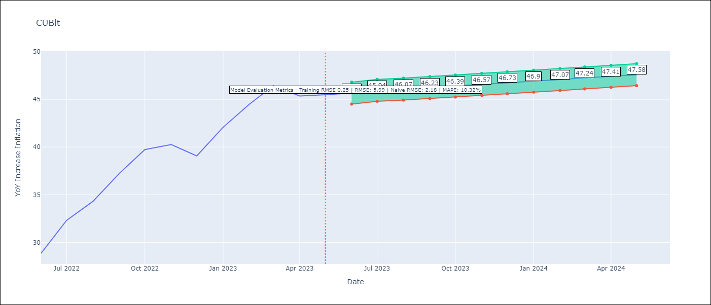

Test Metrics
RMSE | 5.99
Naive RMSE | 2.18
MAPE | 10.32%

Test Predictions
Date | Predicted | Actual
2022-06-01 | 28.29 | 28.85
2022-07-01 | 30.29 | 32.31
2022-08-01 | 32.53 | 34.3
2022-09-01 | 34.96 | 37.24
2022-10-01 | 37.52 | 39.73
2022-11-01 | 40.21 | 40.26
2022-12-01 | 43.05 | 39.07
2023-01-01 | 46.06 | 42.08
2023-02-01 | 49.23 | 44.5
2023-03-01 | 52.57 | 46.42
2023-04-01 | 56.1 | 45.35
2023-05-01 | 59.81 | 45.48

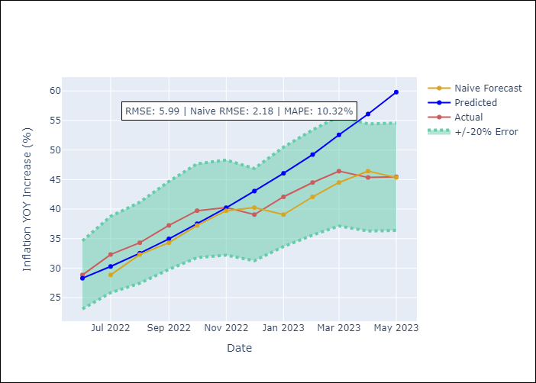

Appendix A: Model Summary
Model | ARIMA(3, 2, 0)
Sample | 01-01-2011- 05-01-2023
No. of Observations | 149
Terms | P-value (Statistical significance)
ar.L1 | 0.000
ar.L2 | 0.072
ar.L3 | 0.114
sigma2 | 0.000

Assumptions | P-value | Interpretation
Ljung-Box (L1) | 0.69
Heteroskedasticity | 0.00
Jarque-Bera | 0.00
Skew | -0.31
Kurtosis | 9.42

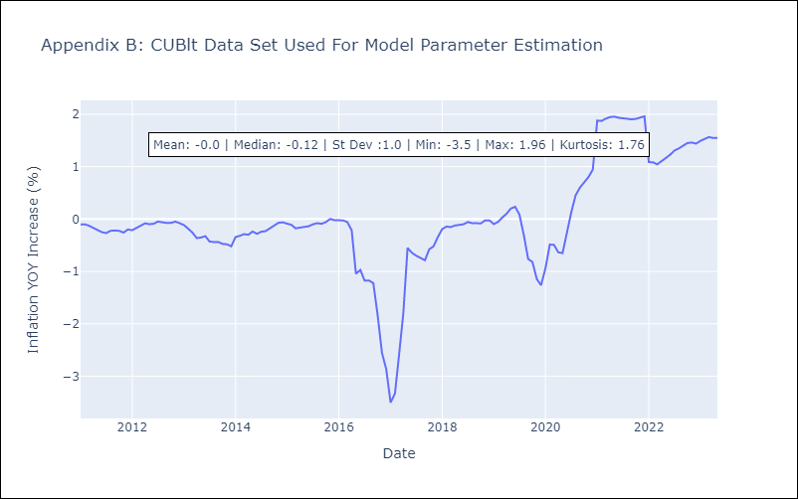

Appendix C: Residuals Analysis
Mean | -0.0
White Noise? | No - Correlation at Lags [ 4 5 6 7 8 9 10 11 12]
Normal? | No

GUYlt
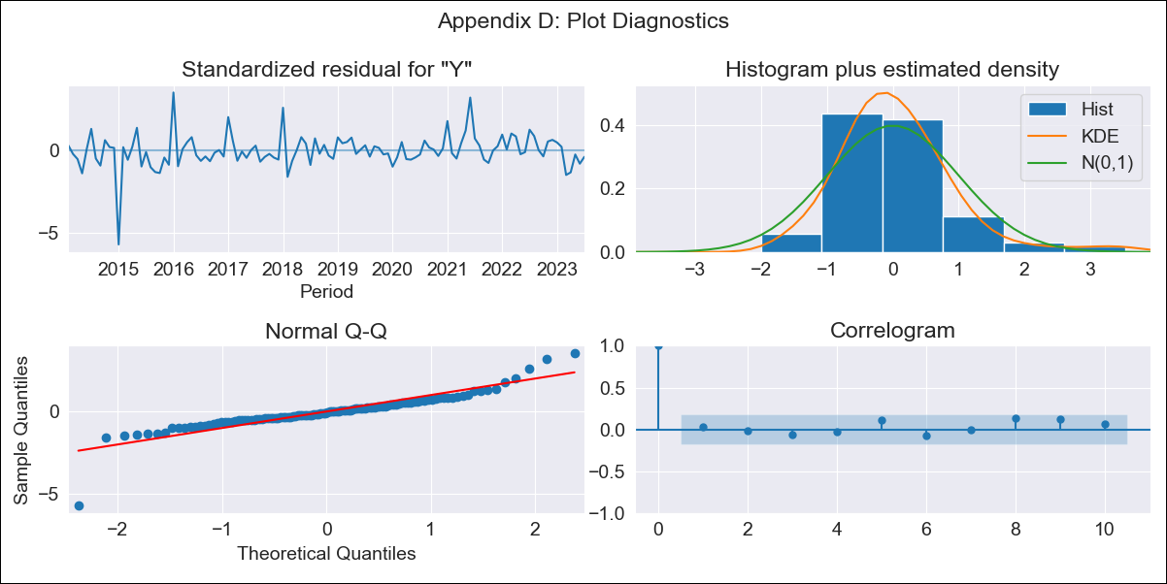
GUYlt - Inflation - Next 12 months forecast as of: 2023-07-01

Model | ARIMA - [(1, 0, 0), (3, 0, 0, 12)]
Training Data | 2011-01-01 to 2022-08-01
Test Data | 2022-08-01 to 2023-07-01

Date | Inflation Change YoY % | Lower Bound - 95% Confidence Interval | Upper Bound - 95% Confidence Interval
2023-08-01 | 0.84 | 0.2 | 1.49
2023-09-01 | 0.95 | 0.31 | 1.6
2023-10-01 | 1.16 | 0.51 | 1.8
2023-11-01 | 0.99 | 0.34 | 1.63
2023-12-01 | 0.79 | 0.14 | 1.43
2024-01-01 | 0.58 | -0.07 | 1.22
2024-02-01 | 0.51 | -0.14 | 1.15
2024-03-01 | 0.85 | 0.21 | 1.5
2024-04-01 | 1.1 | 0.46 | 1.75
2024-05-01 | 1.22 | 0.58 | 1.87
2024-06-01 | 1.6 | 0.96 | 2.25
2024-07-01 | 1.58 | 0.94 | 2.23

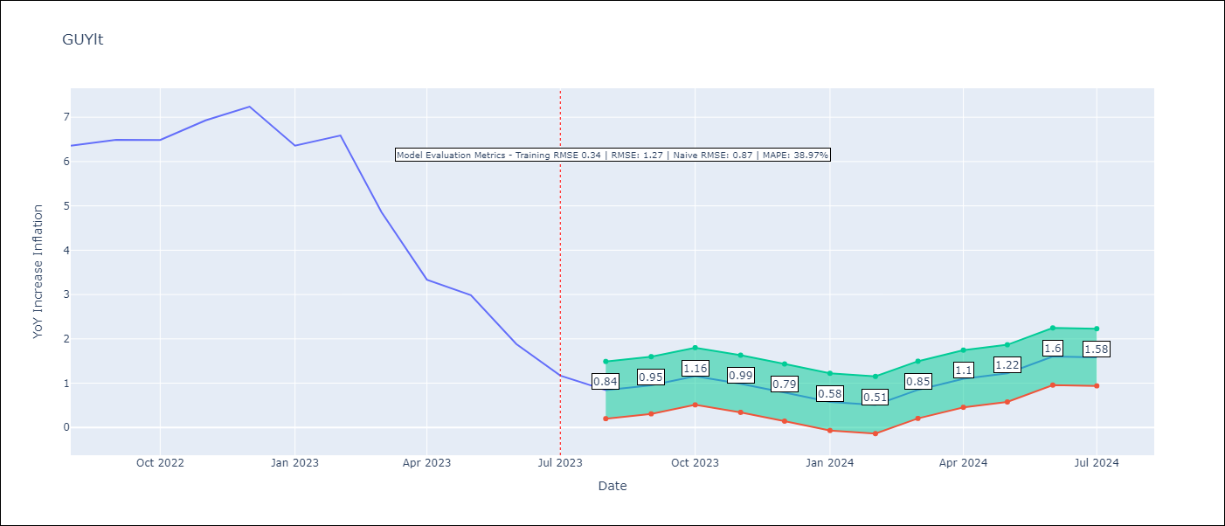

Test Metrics
RMSE | 1.27
Naive RMSE | 0.87
MAPE | 38.97%

Test Predictions
Date | Predicted | Actual
2022-08-01 | 5.6 | 6.36
2022-09-01 | 5.83 | 6.49
2022-10-01 | 6.28 | 6.49
2022-11-01 | 6.27 | 6.93
2022-12-01 | 6.05 | 7.24
2023-01-01 | 4.9 | 6.36
2023-02-01 | 5.03 | 6.59
2023-03-01 | 4.85 | 4.86
2023-04-01 | 4.53 | 3.33
2023-05-01 | 4.41 | 2.99
2023-06-01 | 3.86 | 1.88
2023-07-01 | 3.3 | 1.17

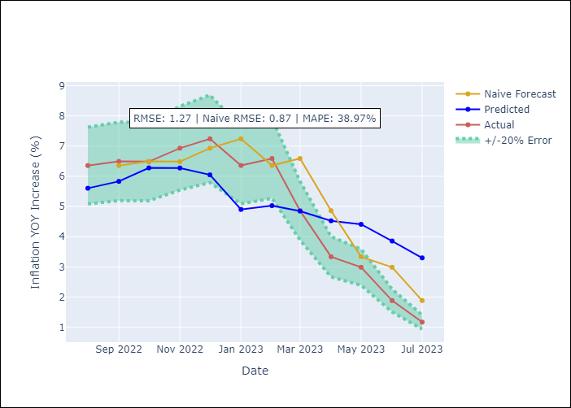

Appendix A: Model Summary
Model | ARIMA(1, 0, 0)x(3, 0, 0, 12)
Sample | 01-01-2011- 07-01-2023
No. of Observations | 151
Terms | P-value (Statistical significance)
const | 0.950
ar.L1 | 0.000
ar.S.L12 | 0.000
ar.S.L24 | 0.000
ar.S.L36 | 0.011
sigma2 | 0.000

Assumptions | P-value | Interpretation
Ljung-Box (L1) | 0.72
Heteroskedasticity | 0.01
Jarque-Bera | 0.00
Skew | -0.74
Kurtosis | 12.61

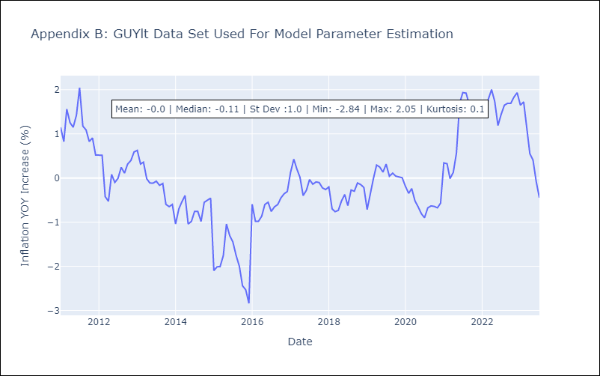

Appendix C: Residuals Analysis
Mean | 0.0
White Noise? | Yes
Normal? | No

HTIlt
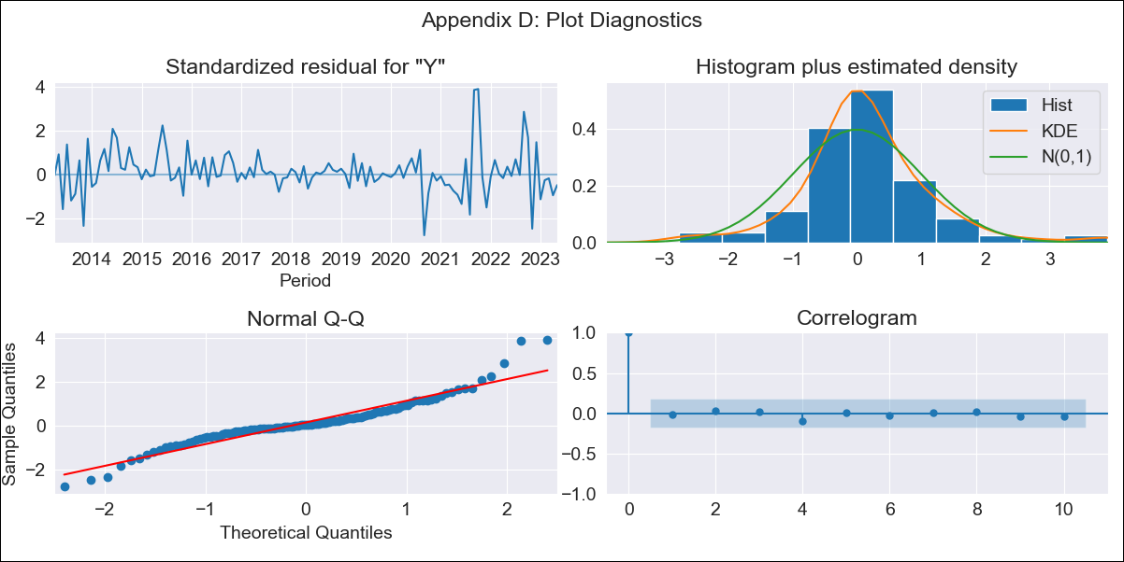
HTIlt - Inflation - Next 12 months forecast as of: 2023-05-01

Model | ARIMA - [(1, 2, 2), (2, 0, 0, 12)]
Training Data | 2011-01-01 to 2022-06-01
Test Data | 2022-06-01 to 2023-05-01

Date | Inflation Change YoY % | Lower Bound - 95% Confidence Interval | Upper Bound - 95% Confidence Interval
2023-06-01 | 48.23 | 34.84 | 61.62
2023-07-01 | 48.73 | 35.33 | 62.12
2023-08-01 | 51.69 | 38.3 | 65.08
2023-09-01 | 45.68 | 32.29 | 59.08
2023-10-01 | 35.96 | 22.57 | 49.35
2023-11-01 | 33.17 | 19.78 | 46.56
2023-12-01 | 33.27 | 19.88 | 46.66
2024-01-01 | 34.13 | 20.74 | 47.52
2024-02-01 | 34.27 | 20.88 | 47.66
2024-03-01 | 34.5 | 21.11 | 47.9
2024-04-01 | 34.87 | 21.47 | 48.26
2024-05-01 | 35.07 | 21.68 | 48.46

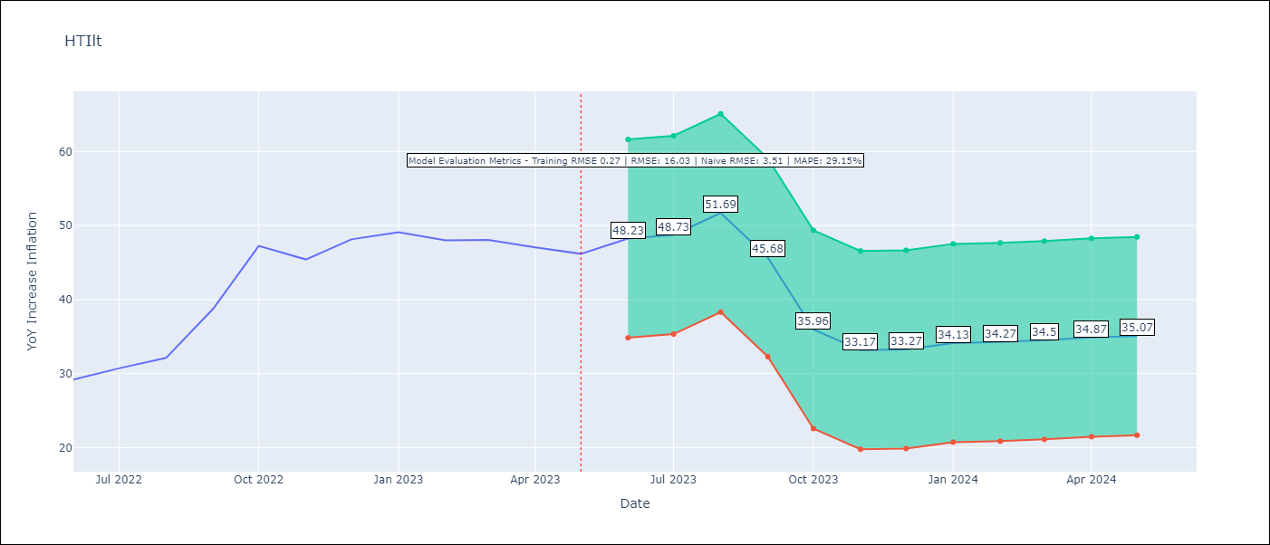

Test Metrics
RMSE | 16.03
Naive RMSE | 3.51
MAPE | 29.15%

Test Predictions
Date | Predicted | Actual
2022-06-01 | 30.12 | 29.19
2022-07-01 | 30.8 | 30.71
2022-08-01 | 32.42 | 32.12
2022-09-01 | 31.35 | 38.76
2022-10-01 | 27.26 | 47.25
2022-11-01 | 25.3 | 45.42
2022-12-01 | 26.37 | 48.13
2023-01-01 | 27.64 | 49.09
2023-02-01 | 28.06 | 48
2023-03-01 | 28.78 | 48.06
2023-04-01 | 29.87 | 47.04
2023-05-01 | 31.14 | 46.18

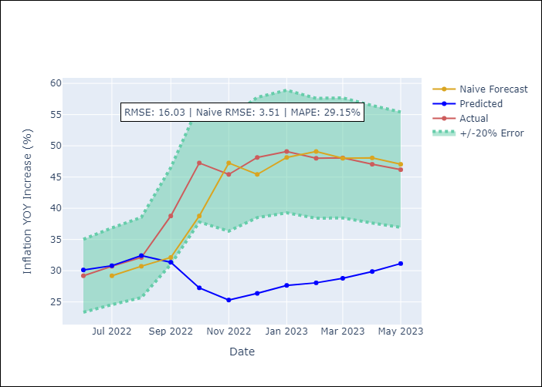

Appendix A: Model Summary
Model | ARIMA(1, 2, 2)x(2, 0, [], 12)
Sample | 01-01-2011- 05-01-2023
No. of Observations | 149
Terms | P-value (Statistical significance)
ar.L1 | 0.026
ma.L1 | 0.985
ma.L2 | 0.973
ar.S.L12 | 0.000
ar.S.L24 | 0.000
sigma2 | 0.973

Assumptions | P-value | Interpretation
Ljung-Box (L1) | 0.83
Heteroskedasticity | 0.06
Jarque-Bera | 0.00
Skew | 0.64
Kurtosis | 6.16

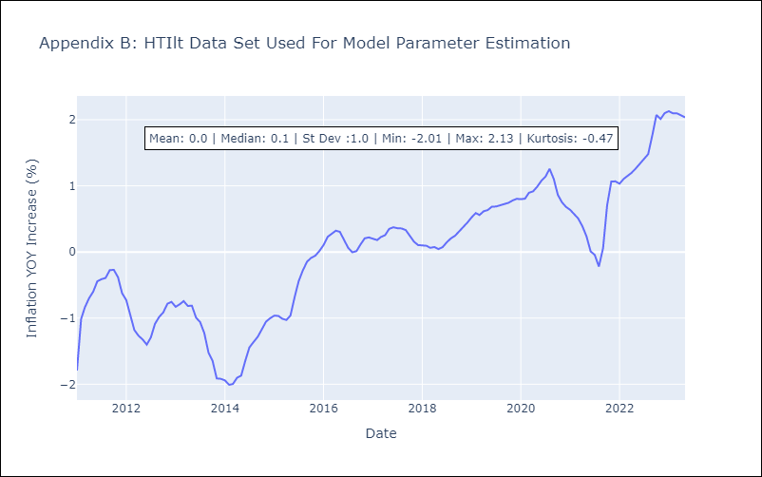

Appendix C: Residuals Analysis
Mean | 0.01
White Noise? | No - Correlation at Lags [ 1 2 3 4 5 6 7 8 9 10 11 12]
Normal? | No

JAMlt
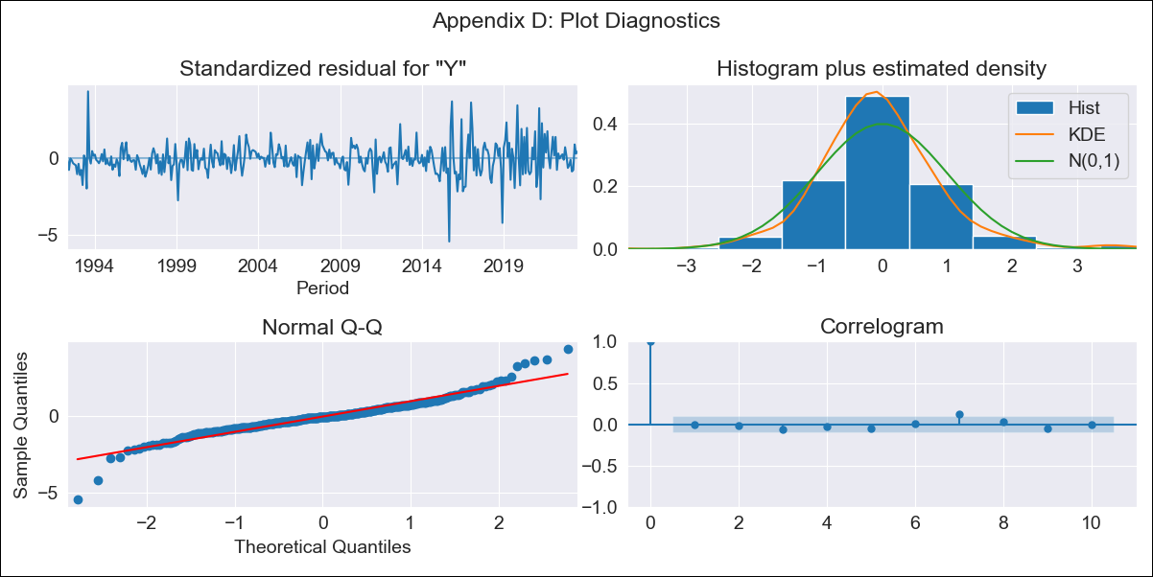
JAMlt - Inflation - Next 12 months forecast as of: 2023-07-01

Model | ARIMA - [(0, 1, 2), (1, 0, 1, 12)]
Training Data | 1991-01-01 to 2022-08-01
Test Data | 2022-08-01 to 2023-07-01

Date | Inflation Change YoY % | Lower Bound - 95% Confidence Interval | Upper Bound - 95% Confidence Interval
2023-08-01 | 6.58 | 6.06 | 7.1
2023-09-01 | 6.54 | 6.01 | 7.06
2023-10-01 | 6.28 | 5.76 | 6.81
2023-11-01 | 6.24 | 5.71 | 6.76
2023-12-01 | 6.38 | 5.85 | 6.9
2024-01-01 | 6.51 | 5.99 | 7.04
2024-02-01 | 6.6 | 6.07 | 7.12
2024-03-01 | 6.8 | 6.27 | 7.32
2024-04-01 | 7.21 | 6.68 | 7.73
2024-05-01 | 6.94 | 6.41 | 7.46
2024-06-01 | 6.82 | 6.3 | 7.35
2024-07-01 | 6.6 | 6.08 | 7.13

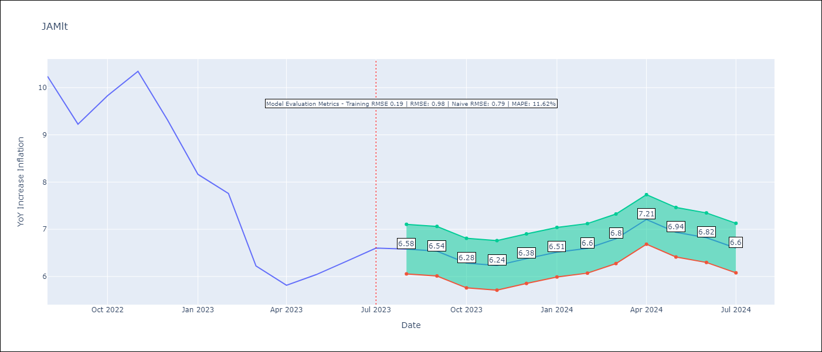

Test Metrics
RMSE | 0.98
Naive RMSE | 0.79
MAPE | 11.62%

Test Predictions
Date | Predicted | Actual
2022-08-01 | 9.96 | 10.24
2022-09-01 | 9.12 | 9.23
2022-10-01 | 8.88 | 9.83
2022-11-01 | 9.04 | 10.34
2022-12-01 | 8.76 | 9.32
2023-01-01 | 8.3 | 8.16
2023-02-01 | 8.17 | 7.76
2023-03-01 | 7.32 | 6.22
2023-04-01 | 7.67 | 5.81
2023-05-01 | 7.41 | 6.04
2023-06-01 | 7.45 | 6.32
2023-07-01 | 7.27 | 6.6

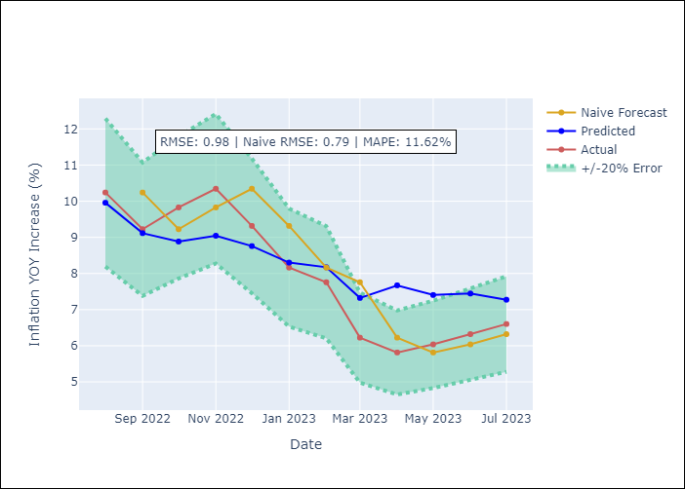

Appendix A: Model Summary
Model | ARIMA(0, 1, 2)x(1, 0, [1], 12)
Sample | 01-01-1991- 07-01-2023
No. of Observations | 391
Terms | P-value (Statistical significance)
ma.L1 | 0.000
ma.L2 | 0.002
ar.S.L12 | 0.033
ma.S.L12 | 0.000
sigma2 | 0.000

Assumptions | P-value | Interpretation
Ljung-Box (L1) | 0.85
Heteroskedasticity | 0.00
Jarque-Bera | 0.00
Skew | 0.08
Kurtosis | 7.61

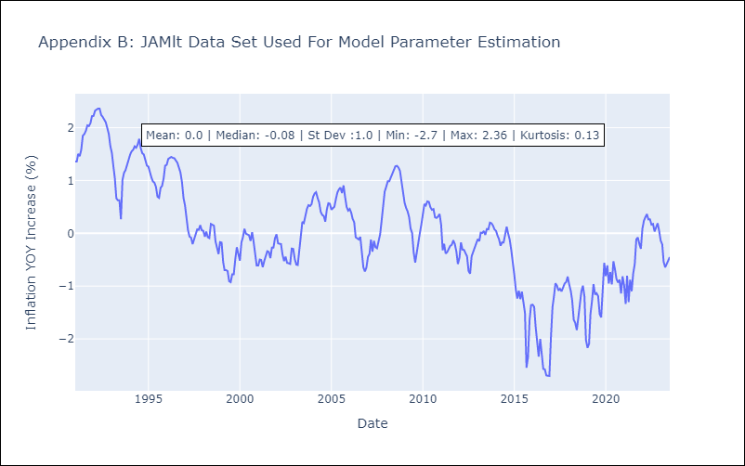

Appendix C: Residuals Analysis
Mean | -0.01
White Noise? | Yes
Normal? | No

TTOlt

TTOlt - Inflation - Next 12 months forecast as of: 2023-07-01

Model | ARIMA - [(3, 0, 0), (0, 0, 2, 12)]
Training Data | 1991-01-01 to 2022-08-01
Test Data | 2022-08-01 to 2023-07-01

Date | Inflation Change YoY % | Lower Bound - 95% Confidence Interval | Upper Bound - 95% Confidence Interval
2023-08-01 | 5.69 | 4.84 | 6.53
2023-09-01 | 5.59 | 4.75 | 6.44
2023-10-01 | 4.52 | 3.67 | 5.36
2023-11-01 | 4.55 | 3.71 | 5.39
2023-12-01 | 4.39 | 3.55 | 5.24
2024-01-01 | 4.34 | 3.5 | 5.19
2024-02-01 | 4.52 | 3.68 | 5.37
2024-03-01 | 4.7 | 3.85 | 5.54
2024-04-01 | 4.78 | 3.93 | 5.62
2024-05-01 | 4.89 | 4.05 | 5.74
2024-06-01 | 4.74 | 3.89 | 5.58
2024-07-01 | 4.33 | 3.49 | 5.18

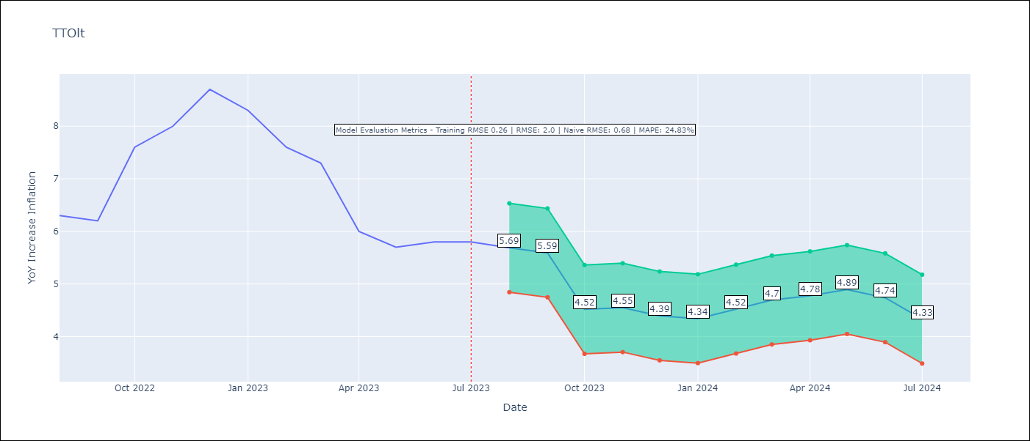

Test Metrics
RMSE | 2.0
Naive RMSE | 0.68
MAPE | 24.83%

Test Predictions
Date | Predicted | Actual
2022-08-01 | 6.06 | 6.3
2022-09-01 | 5.86 | 6.2
2022-10-01 | 5.16 | 7.6
2022-11-01 | 5.48 | 8
2022-12-01 | 5.66 | 8.7
2023-01-01 | 5.35 | 8.3
2023-02-01 | 5.25 | 7.6
2023-03-01 | 5.36 | 7.3
2023-04-01 | 4.64 | 6
2023-05-01 | 4.62 | 5.7
2023-06-01 | 4.47 | 5.8
2023-07-01 | 3.91 | 5.8

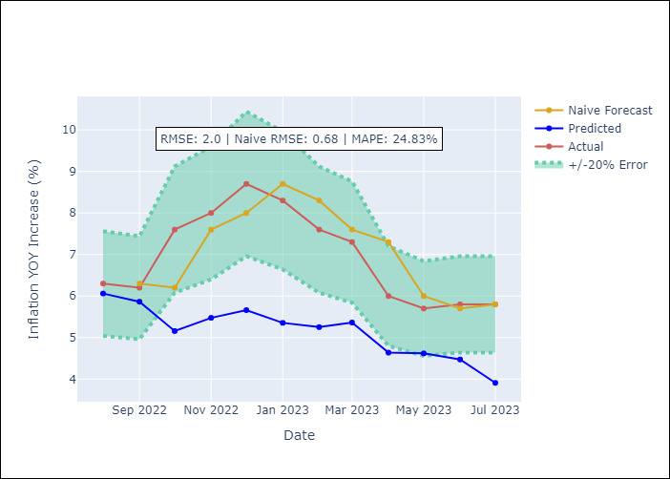

Appendix A: Model Summary
Model | ARIMA(3, 0, 0)x(0, 0, [1, 2], 12)
Sample | 01-01-1991- 07-01-2023
No. of Observations | 391
Terms | P-value (Statistical significance)
const | 0.712
ar.L1 | 0.000
ar.L2 | 0.688
ar.L3 | 0.043
ma.S.L12 | 0.000
ma.S.L24 | 0.039
sigma2 | 0.000

Assumptions | P-value | Interpretation
Ljung-Box (L1) | 0.99
Heteroskedasticity | 0.27
Jarque-Bera | 0.00
Skew | 0.11
Kurtosis | 5.54

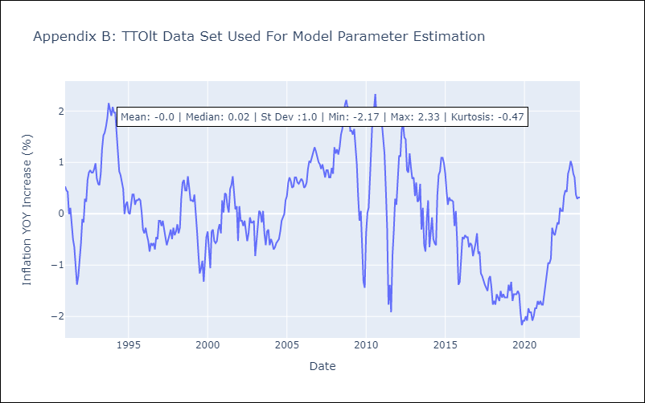

Appendix C: Residuals Analysis
Mean | 0.0
White Noise? | Yes
Normal? | No

