BRA
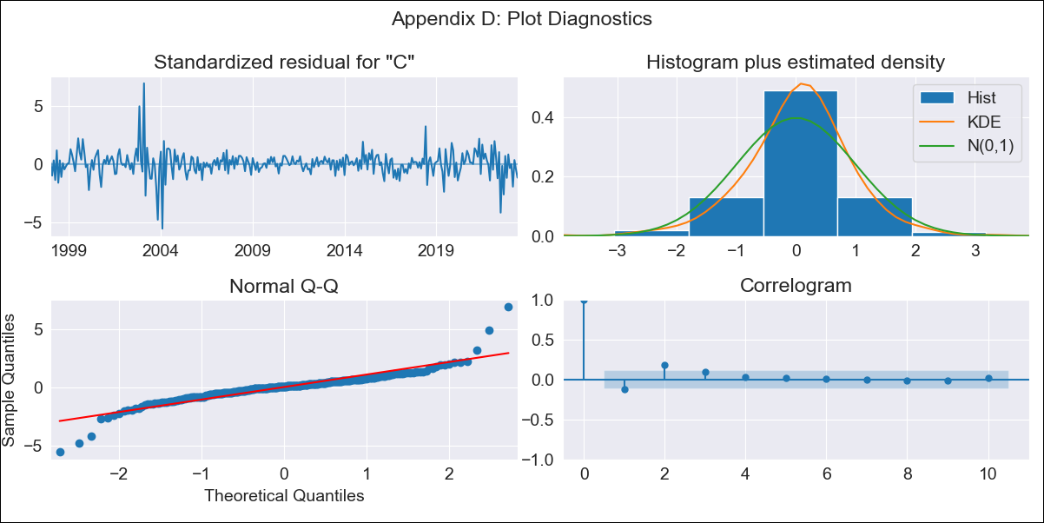

BRA - Inflation - Next 12 months forecast as of: 2023-06-01

Model | SARIMAX - [(3, 0, 1), (0, 0, 0, 12)] | Exogenous Variables | (0, 'Exchange Rate - U.S Dollar'), (1, 'Interest Rates (Discount Rate)'), (2, 'Interest Rates (Gov Securities/Treasury Bills)'), (3, 'M1 Money Supply')
Training Data | 1997-10-01 to 2022-07-01
Test Data | 2022-07-01 to 2023-06-01

Date | Inflation Change YoY % | Lower Bound - 95% Confidence Interval | Upper Bound - 95% Confidence Interval
2023-07-01 | 2.77 | 1.84 | 3.7
2023-08-01 | 2.65 | 0.88 | 4.41
2023-09-01 | 2.57 | 0.19 | 4.96
2023-10-01 | 2.54 | -0.38 | 5.46
2023-11-01 | 2.51 | -0.86 | 5.88
2023-12-01 | 2.49 | -1.28 | 6.26
2024-01-01 | 2.47 | -1.65 | 6.59
2024-02-01 | 2.45 | -1.99 | 6.9
2024-03-01 | 2.43 | -2.31 | 7.17
2024-04-01 | 2.41 | -2.61 | 7.43
2024-05-01 | 2.39 | -2.88 | 7.67
2024-06-01 | 2.37 | -3.15 | 7.89

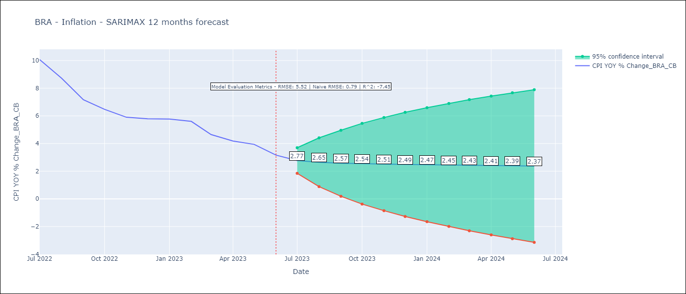

Test Metrics
RMSE | 5.52
Naive RMSE | 0.92
R^2 | -7.45

Test Predictions
Date | Predicted | Actual
2022-07-01 | 11.93 | 10.07
2022-08-01 | 11.89 | 8.73
2022-09-01 | 11.8 | 7.17
2022-10-01 | 11.68 | 6.47
2022-11-01 | 11.55 | 5.9
2022-12-01 | 11.4 | 5.79
2023-01-01 | 11.24 | 5.77
2023-02-01 | 11.09 | 5.6
2023-03-01 | 10.93 | 4.65
2023-04-01 | 10.76 | 4.18
2023-05-01 | 10.6 | 3.94
2023-06-01 | 10.44 | 3.16

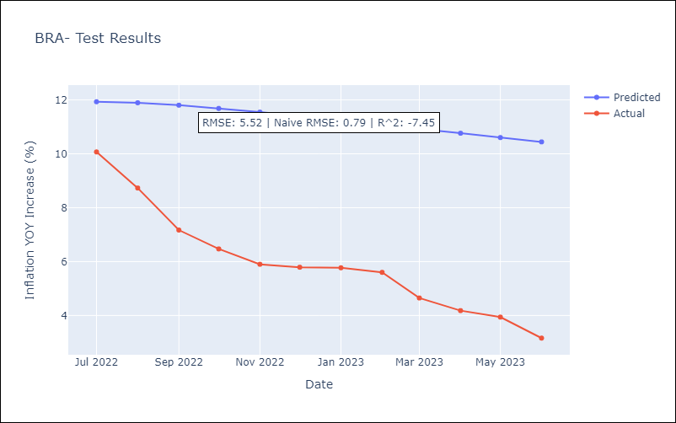

Appendix A: Model Summary
Model | SARIMAX(3, 0, 1)
Sample | 10-01-1997- 06-01-2023
No. of Observations | 309
Terms | P-value (Statistical significance)
(0, 'Exchange Rate - U.S Dollar') | 0.513
(1, 'Interest Rates (Discount Rate)') | 0.432
(2, 'Interest Rates (Gov Securities/Treasury Bills)') | 0.493
(3, 'M1 Money Supply') | 0.971
ar.L1 | 0.000
ar.L2 | 0.167
ar.L3 | 0.057
ma.L1 | 0.000
sigma2 | 0.000
Assumptions | P-value | Interpretation
Ljung-Box (L1) | 0.02 | Residuals are not independent.
Heteroskedasticity | 0.00 | Residuals have different variances.
Jarque-Bera | 0.00 | Residuals are not normally distributed.
Skew | 0.18 | Positive skew - model underestimates the mean.
Kurtosis | 13.03 | Residuals contain more extreme outliers than in a normal distribution.

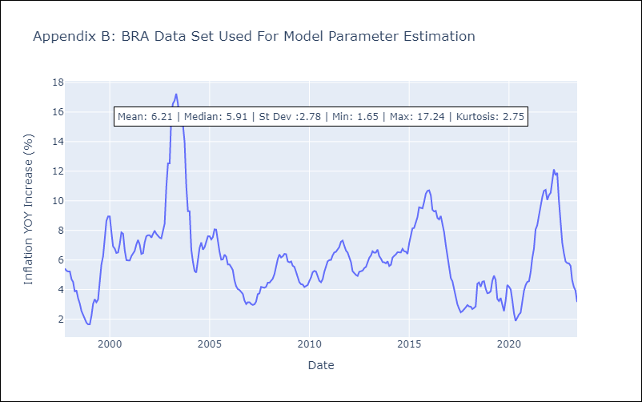

Appendix C: Residuals Analysis
Mean | 0.03
Variance | 0.35
White Noise? | No - Correlation at Lags [12]
Heteroskedastic? - ARCH | Yes
Normal? | No

