CHL
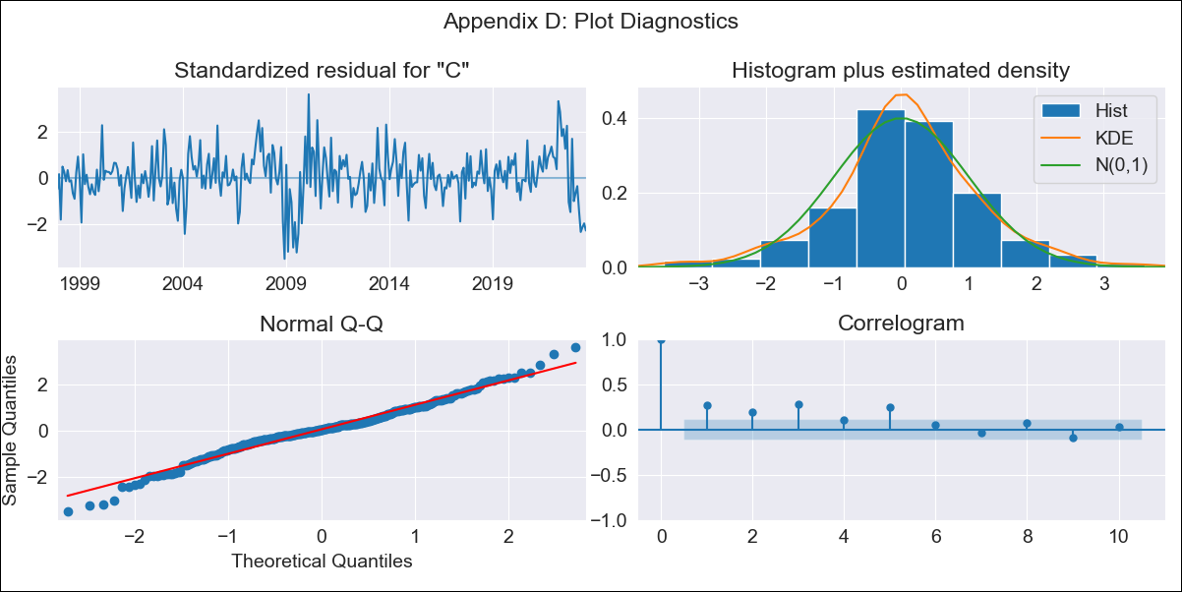

CHL - Inflation - Next 12 months forecast as of: 2023-07-01

Model | SARIMAX - [(1, 0, 1), (0, 0, 0, 12)] | Exogenous Variables | (0, 'interest rates (90-day rates/yields)'), (1, 'interest rates (long term government bond yields)'), (2, 'unemployment'), (3, 'm1 money supply'), (4, 'spot exchange rate')
Training Data | 1997-10-01 to 2022-08-01
Test Data | 2022-08-01 to 2023-07-01

Date | Inflation Change YoY % | Lower Bound - 95% Confidence Interval | Upper Bound - 95% Confidence Interval
2023-08-01 | 6.34 | 5.44 | 7.24
2023-09-01 | 6.29 | 4.94 | 7.64
2023-10-01 | 6.24 | 4.56 | 7.92
2023-11-01 | 6.16 | 4.21 | 8.11
2023-12-01 | 6.11 | 3.92 | 8.29
2024-01-01 | 6.12 | 3.73 | 8.52
2024-02-01 | 6.02 | 3.44 | 8.6
2024-03-01 | 5.99 | 3.23 | 8.74
2024-04-01 | 5.95 | 3.03 | 8.86
2024-05-01 | 5.91 | 2.84 | 8.98
2024-06-01 | 5.86 | 2.66 | 9.07
2024-07-01 | 5.83 | 2.49 | 9.17

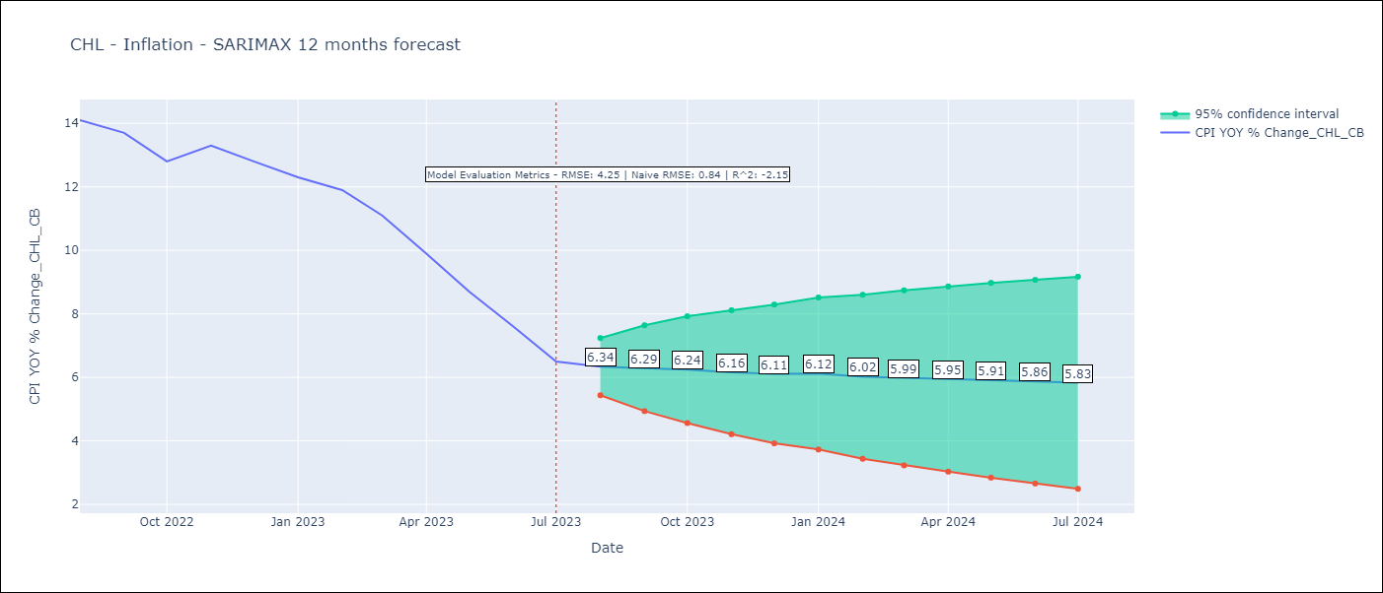

Test Metrics
RMSE | 4.25
Naive RMSE | 0.86
R^2 | -2.15

Test Predictions
Date | Predicted | Actual
2022-08-01 | 13.34 | 14.1
2022-09-01 | 13.5 | 13.7
2022-10-01 | 13.66 | 12.8
2022-11-01 | 13.83 | 13.3
2022-12-01 | 14 | 12.8
2023-01-01 | 14.17 | 12.3
2023-02-01 | 14.34 | 11.9
2023-03-01 | 14.51 | 11.1
2023-04-01 | 14.69 | 9.9
2023-05-01 | 14.87 | 8.7
2023-06-01 | 15.06 | 7.6
2023-07-01 | 15.24 | 6.5

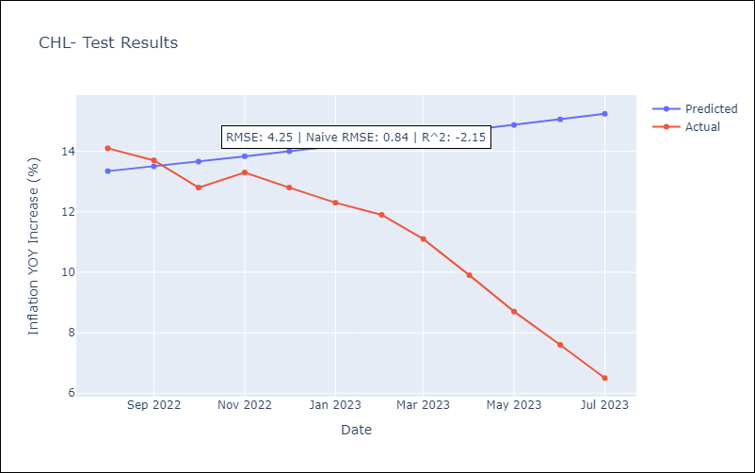

Appendix A: Model Summary
Model | SARIMAX(1, 0, 1)
Sample | 10-01-1997- 07-01-2023
No. of Observations | 310
Terms | P-value (Statistical significance)
(0, 'interest rates (90-day rates/yields)') | 0.010
(1, 'interest rates (long term government bond yields)') | 0.036
(2, 'unemployment') | 0.758
(3, 'm1 money supply') | 0.630
(4, 'spot exchange rate') | 0.244
ar.L1 | 0.000
ma.L1 | 0.011
sigma2 | 0.000
Assumptions | P-value | Interpretation
Ljung-Box (L1) | 0.00 | Residuals are not independent.
Heteroskedasticity | 0.11 | Residuals have the same variance.
Jarque-Bera | 0.00 | Residuals are not normally distributed.
Skew | -0.13 | Negative skew - Model overestimates the mean.
Kurtosis | 4.17 | Residuals contain more extreme outliers than in a normal distribution.

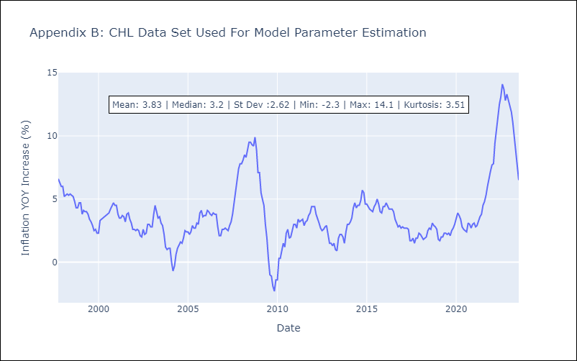

Appendix C: Residuals Analysis
Mean | 0.04
Variance | 0.35
White Noise? | No - Correlation at Lags [ 1 2 3 4 5 6 7 8 9 10 11 12]
Heteroskedastic? - ARCH | Yes
Normal? | No

