ARG
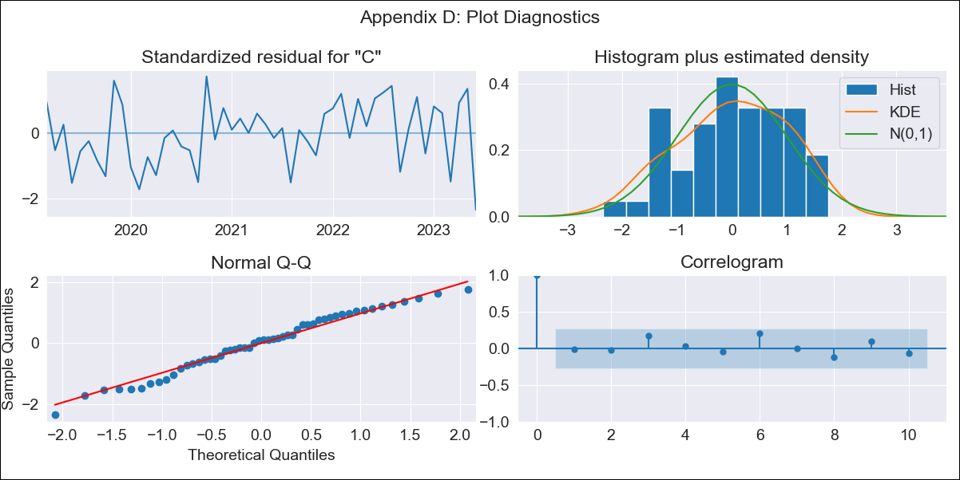
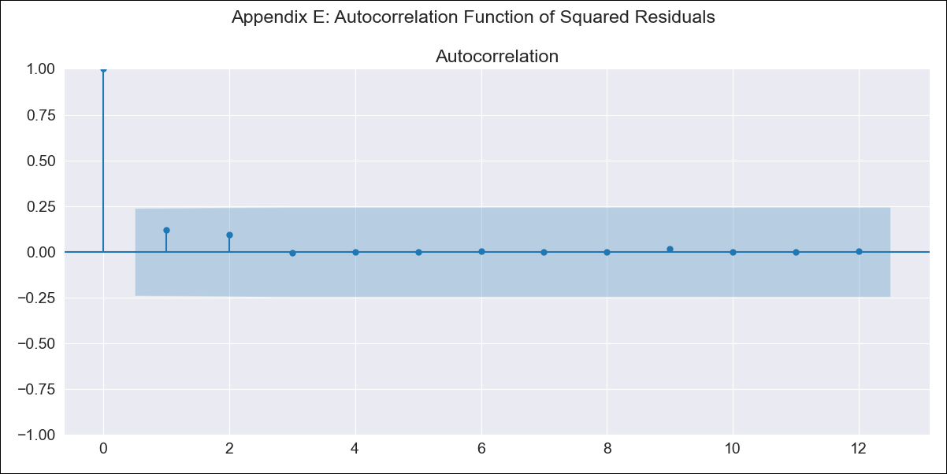
ARG - Inflation - Next 12 months forecast as of: 2023-06-01

Model | SARIMAX - [(3, 0, 2), (0, 0, 1, 12)] | Exogenous Variables | (0, 'exchange rate'), (1, 'm1 money supply'), (2, 'm2 money supply'), (3, 'exchange rate (real broad effective)')
Training Data | 2017-12-01 to 2022-07-01
Test Data | 2022-07-01 to 2023-06-01

Date | Inflation Change YoY % | Lower Bound - 95% Confidence Interval | Upper Bound - 95% Confidence Interval
2023-07-01 | 119.17 | 115.98 | 122.36
2023-08-01 | 121.64 | 116.08 | 127.19
2023-09-01 | 125.46 | 117.73 | 133.19
2023-10-01 | 129.22 | 119.37 | 139.06
2023-11-01 | 132.38 | 120.53 | 144.23
2023-12-01 | 136.62 | 122.86 | 150.39
2024-01-01 | 140.33 | 124.75 | 155.91
2024-02-01 | 144.05 | 126.75 | 161.35
2024-03-01 | 149.19 | 130.26 | 168.11
2024-04-01 | 153.4 | 132.94 | 173.85
2024-05-01 | 157 | 135.09 | 178.91
2024-06-01 | 162.86 | 139.58 | 186.14

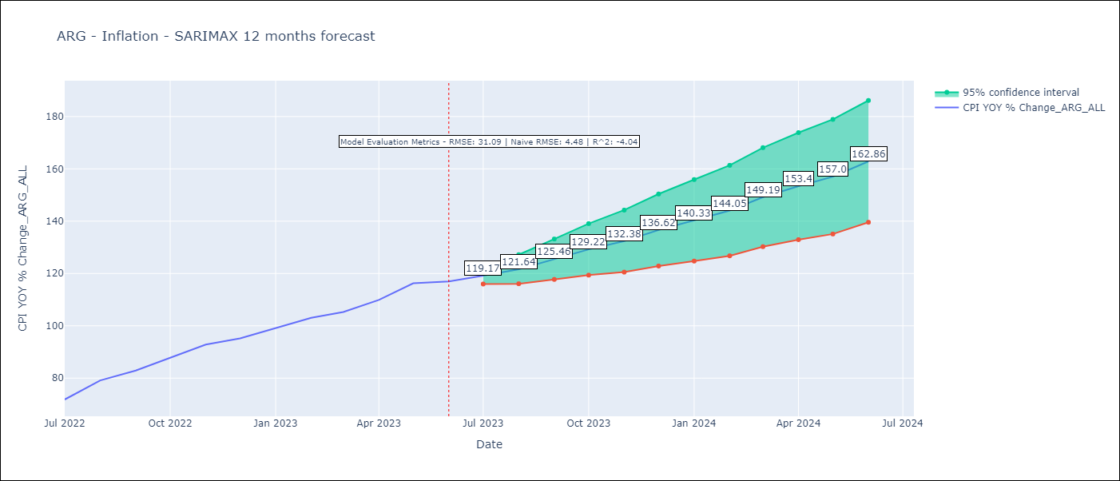

Test Metrics
RMSE | 31.09
Naive RMSE | 4.72
R^2 | -4.04

Test Predictions
Date | Predicted | Actual
2022-07-01 | 65.14 | 71.83
2022-08-01 | 65.09 | 79.11
2022-09-01 | 65.81 | 82.9
2022-10-01 | 66.64 | 87.8
2022-11-01 | 67.99 | 92.82
2022-12-01 | 68.62 | 95.19
2023-01-01 | 69.07 | 99.01
2023-02-01 | 68.71 | 103.06
2023-03-01 | 69.23 | 105.25
2023-04-01 | 69.31 | 109.89
2023-05-01 | 70.07 | 116.26
2023-06-01 | 70.68 | 116.97

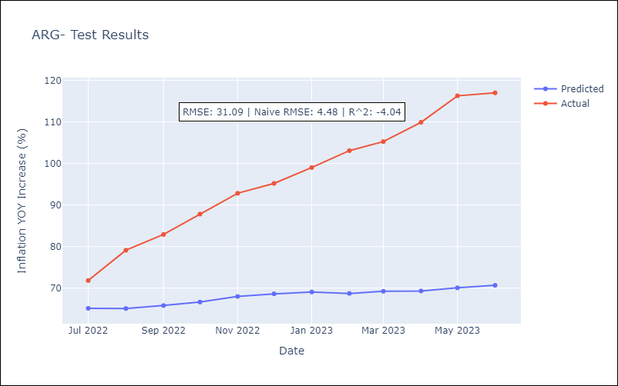

Appendix A: Model Summary
Model | SARIMAX(3, 0, 2)x(0, 0, [1], 12)
Sample | 12-01-2017- 06-01-2023
No. of Observations | 67
Terms | P-value (Statistical significance)
(0, 'exchange rate') | 0.004
(1, 'm1 money supply') | 0.865
(2, 'm2 money supply') | 0.998
(3, 'exchange rate (real broad effective)') | 0.009
ar.L1 | 0.353
ar.L2 | 0.975
ar.L3 | 0.780
ma.L1 | 0.976
ma.L2 | 0.672
ma.S.L12 | 0.202
sigma2 | 0.003
Assumptions | P-value | Interpretation
Ljung-Box (L1) | 0.91 | Residuals are independent.
Heteroskedasticity | 0.52 | Residuals have the same variance.
Jarque-Bera | 0.43 | Residuals are normally distributed.
Skew | -0.27 | Negative skew - Model overestimates the mean.
Kurtosis | 2.31 | Residuals do not contain more extreme outliers than in a normal distribution.

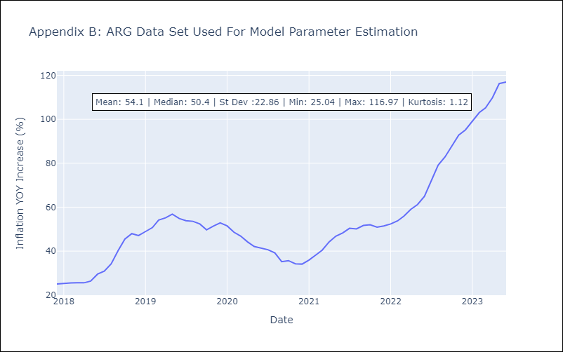

Appendix C: Residuals Analysis
Mean | 0.3
Variance | 24.77
White Noise? | Yes
Heteroskedastic? - ARCH | No
Normal? | No

