BRA
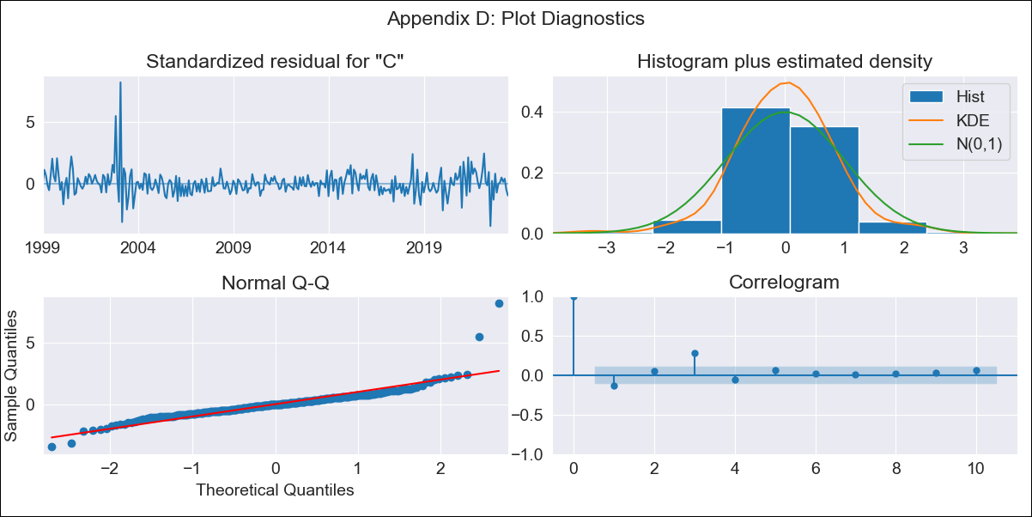

BRA - Inflation - Next 12 months forecast as of: 2023-06-01

Model | SARIMAX - [(1, 0, 2), (0, 0, 1, 12)] | Exogenous Variables | (0, 'Exchange Rate - U.S Dollar'), (1, 'Interest Rates (Discount Rate)'), (2, 'Interest Rates (Gov Securities/Treasury Bills)'), (3, 'M1 Money Supply')
Training Data | 1997-10-01 to 2022-07-01
Test Data | 2022-07-01 to 2023-06-01

Date | Inflation Change YoY % | Lower Bound - 95% Confidence Interval | Upper Bound - 95% Confidence Interval
2023-07-01 | 3.89 | 3.11 | 4.66
2023-08-01 | 4.43 | 2.93 | 5.93
2023-09-01 | 5.1 | 3.01 | 7.2
2023-10-01 | 5.08 | 2.53 | 7.63
2023-11-01 | 5.24 | 2.3 | 8.18
2023-12-01 | 5.33 | 2.05 | 8.62
2024-01-01 | 5.35 | 1.76 | 8.94
2024-02-01 | 5.13 | 1.25 | 9.01
2024-03-01 | 4.93 | 0.79 | 9.07
2024-04-01 | 4.69 | 0.31 | 9.08
2024-05-01 | 4.74 | 0.12 | 9.36
2024-06-01 | 5.15 | 0.3 | 9.99

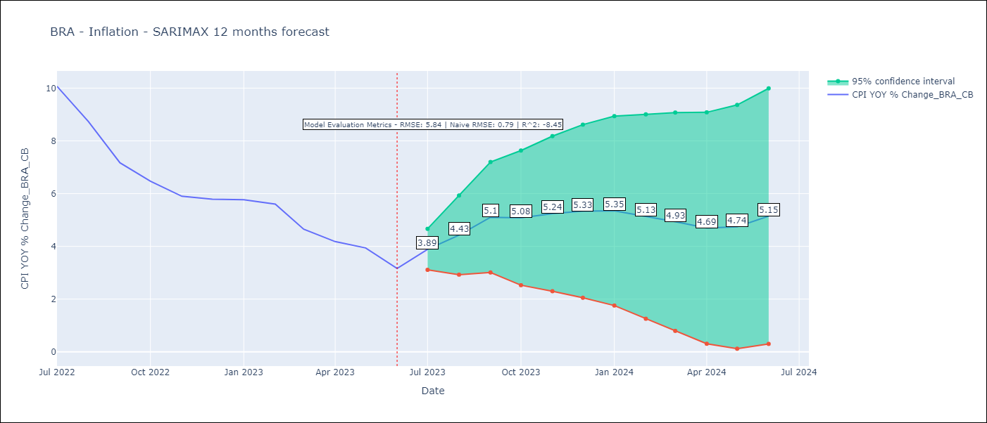

Test Metrics
RMSE | 5.84
Naive RMSE | 0.92
R^2 | -8.45

Test Predictions
Date | Predicted | Actual
2022-07-01 | 11.83 | 10.07
2022-08-01 | 11.84 | 8.73
2022-09-01 | 11.71 | 7.17
2022-10-01 | 11.6 | 6.47
2022-11-01 | 11.56 | 5.9
2022-12-01 | 11.68 | 5.79
2023-01-01 | 11.62 | 5.77
2023-02-01 | 11.57 | 5.6
2023-03-01 | 11.39 | 4.65
2023-04-01 | 11.21 | 4.18
2023-05-01 | 11.25 | 3.94
2023-06-01 | 11.2 | 3.16

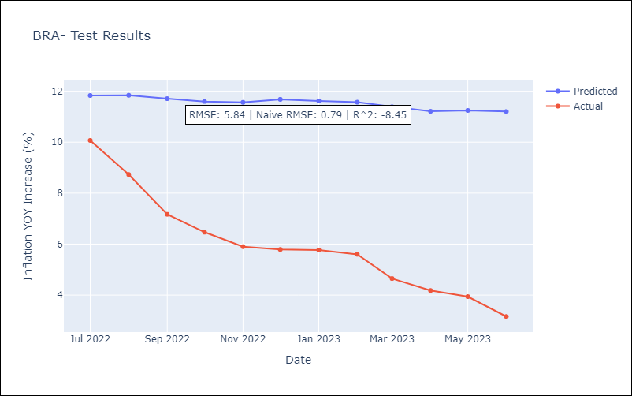

Appendix A: Model Summary
Model | SARIMAX(1, 0, 2)x(0, 0, [1], 12)
Sample | 10-01-1997- 06-01-2023
No. of Observations | 309
Terms | P-value (Statistical significance)
(0, 'Exchange Rate - U.S Dollar') | 0.200
(1, 'Interest Rates (Discount Rate)') | 0.669
(2, 'Interest Rates (Gov Securities/Treasury Bills)') | 0.589
(3, 'M1 Money Supply') | 0.112
ar.L1 | 0.000
ma.L1 | 0.000
ma.L2 | 0.000
ma.S.L12 | 0.000
sigma2 | 0.000
Assumptions | P-value | Interpretation
Ljung-Box (L1) | 0.02 | Residuals are not independent.
Heteroskedasticity | 0.00 | Residuals have different variances.
Jarque-Bera | 0.00 | Residuals are not normally distributed.
Skew | 2.24 | Positive skew - model underestimates the mean.
Kurtosis | 20.68 | Residuals contain more extreme outliers than in a normal distribution.

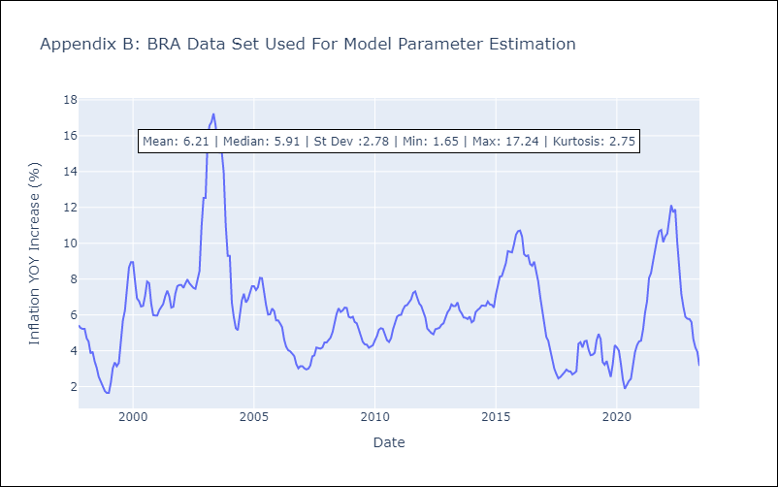

Appendix C: Residuals Analysis
Mean | 0.03
Variance | 0.26
White Noise? | No - Correlation at Lags [3 4 5 6 7]
Heteroskedastic? - ARCH | Yes
Normal? | No

