BRA
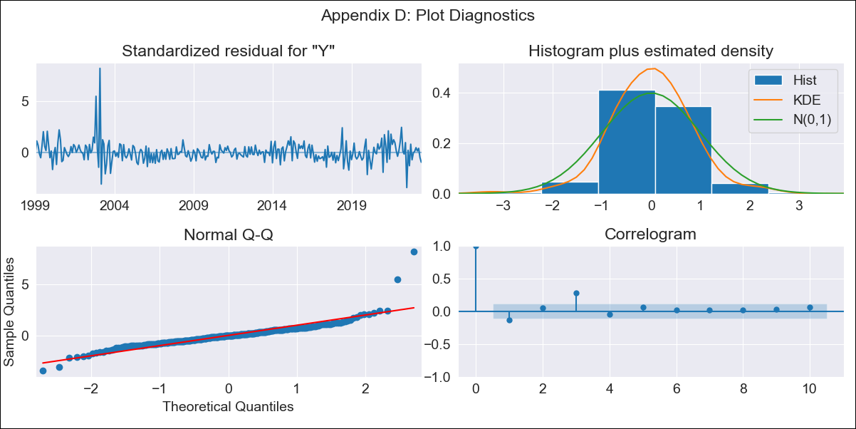

BRA - Inflation - Next 12 months forecast as of: 2023-06-01

Model | SARIMAX - [(1, 0, 2), (0, 0, 1, 12)] | Exogenous Variables | (0, 'Exchange Rate - U.S Dollar'), (1, 'Interest Rates (Discount Rate)'), (2, 'Interest Rates (Gov Securities/Treasury Bills)'), (3, 'M1 Money Supply')
Training Data | 1997-10-01 to 2022-07-01
Test Data | 2022-07-01 to 2023-06-01

Date | Inflation Change YoY % | Lower Bound - 95% Confidence Interval | Upper Bound - 95% Confidence Interval
2023-07-01 | 3.89 | 3.11 | 4.67
2023-08-01 | 4.43 | 2.93 | 5.94
2023-09-01 | 5.12 | 3.02 | 7.21
2023-10-01 | 5.1 | 2.55 | 7.66
2023-11-01 | 5.27 | 2.32 | 8.21
2023-12-01 | 5.37 | 2.08 | 8.65
2024-01-01 | 5.38 | 1.79 | 8.98
2024-02-01 | 5.18 | 1.3 | 9.06
2024-03-01 | 5 | 0.86 | 9.14
2024-04-01 | 4.77 | 0.38 | 9.16
2024-05-01 | 4.83 | 0.2 | 9.45
2024-06-01 | 5.24 | 0.39 | 10.09

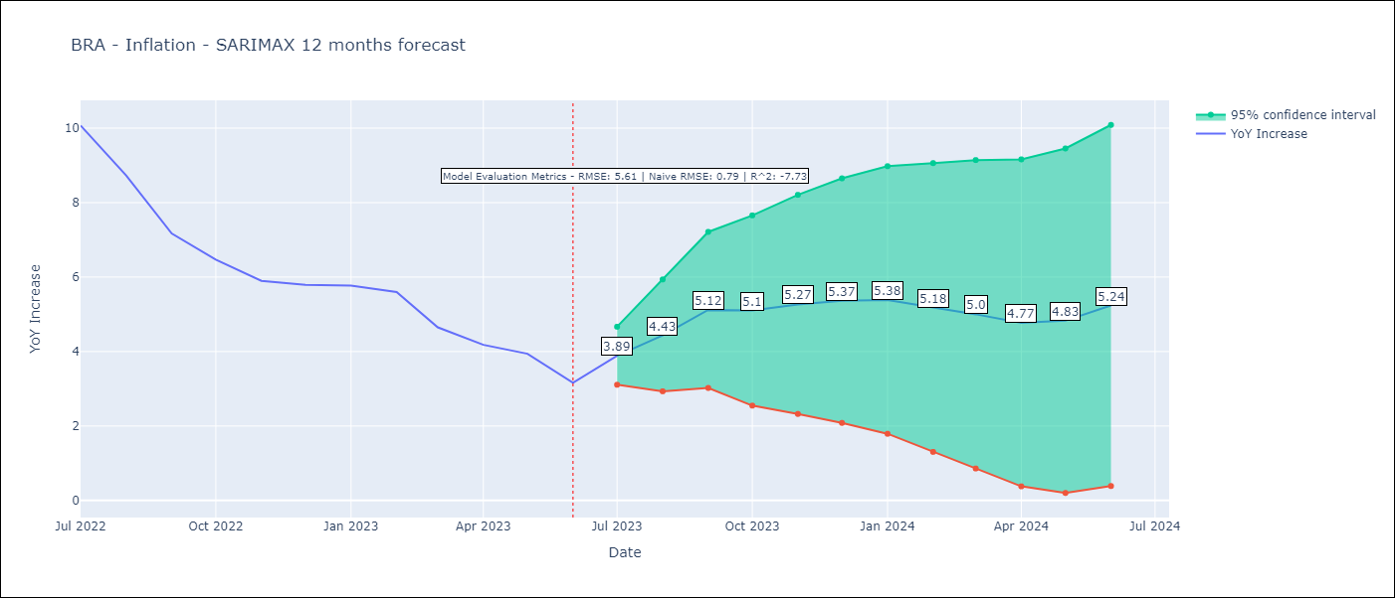

Test Metrics
RMSE | 5.61
Naive RMSE | 0.92
R^2 | -7.73

Test Predictions
Date | Predicted | Actual
2022-07-01 | 11.8 | 10.07
2022-08-01 | 11.78 | 8.73
2022-09-01 | 11.62 | 7.17
2022-10-01 | 11.47 | 6.47
2022-11-01 | 11.41 | 5.9
2022-12-01 | 11.48 | 5.79
2023-01-01 | 11.39 | 5.77
2023-02-01 | 11.31 | 5.6
2023-03-01 | 11.1 | 4.65
2023-04-01 | 10.9 | 4.18
2023-05-01 | 10.9 | 3.94
2023-06-01 | 10.82 | 3.16

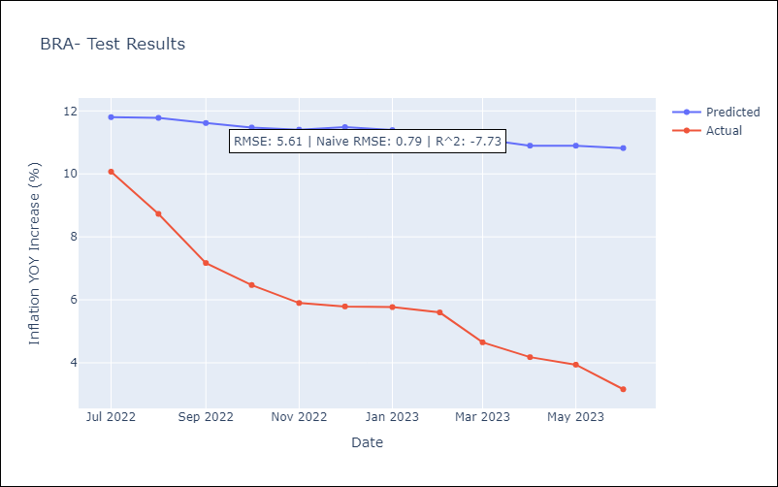

Appendix A: Model Summary
Model | SARIMAX(1, 0, 2)x(0, 0, [1], 12)
Sample | 10-01-1997- 06-01-2023
No. of Observations | 309
Terms | P-value (Statistical significance)
(0, 'Exchange Rate - U.S Dollar') | 0.238
(1, 'Interest Rates (Discount Rate)') | 0.754
(2, 'Interest Rates (Gov Securities/Treasury Bills)') | 0.704
(3, 'M1 Money Supply') | 0.096
ar.L1 | 0.000
ma.L1 | 0.000
ma.L2 | 0.000
ma.S.L12 | 0.000
sigma2 | 0.000
Assumptions | P-value | Interpretation
Ljung-Box (L1) | 0.02 | Residuals are not independent.
Heteroskedasticity | 0.00 | Residuals have different variances.
Jarque-Bera | 0.00 | Residuals are not normally distributed.
Skew | 2.25 | Positive skew - model underestimates the mean.
Kurtosis | 20.76 | Residuals contain more extreme outliers than in a normal distribution.

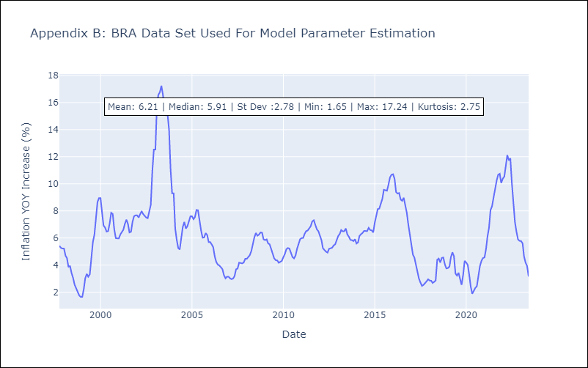

Appendix C: Residuals Analysis
Mean | 0.03
Variance | 0.26
White Noise? | No - Correlation at Lags [3 4 5 6 7]
Heteroskedastic? - ARCH | Yes
Normal? | No

