BRA
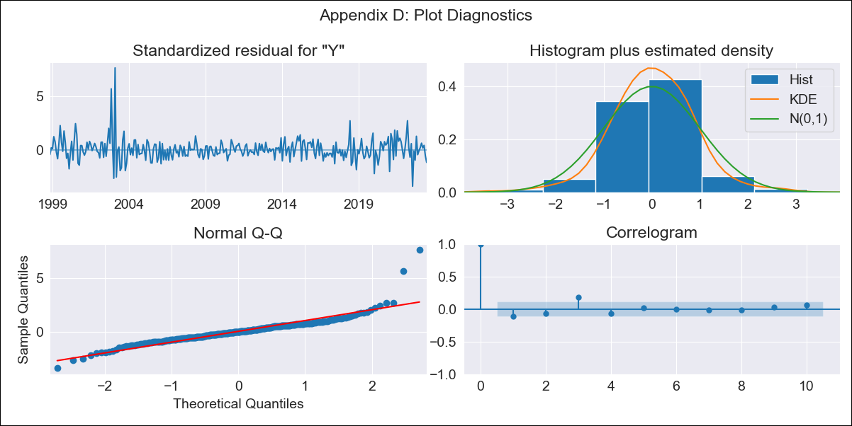

BRA - Inflation - Next 12 months forecast as of: 2023-06-01

Model | SARIMAX - [(2, 0, 0), (0, 0, 1, 12)] | Exogenous Variables | (0, 'Exchange Rate - U.S Dollar'), (1, 'Interest Rates (Discount Rate)'), (2, 'Interest Rates (Gov Securities/Treasury Bills)'), (3, 'M1 Money Supply')
Training Data | 1997-10-01 to 2022-07-01
Test Data | 2022-07-01 to 2023-06-01

Date | Inflation Change YoY % | Lower Bound - 95% Confidence Interval | Upper Bound - 95% Confidence Interval
2023-07-01 | 3.83 | 3.09 | 4.57
2023-08-01 | 4.25 | 2.86 | 5.64
2023-09-01 | 4.81 | 2.81 | 6.8
2023-10-01 | 4.71 | 2.16 | 7.26
2023-11-01 | 4.8 | 1.75 | 7.84
2023-12-01 | 4.86 | 1.36 | 8.36
2024-01-01 | 4.82 | 0.91 | 8.74
2024-02-01 | 4.59 | 0.29 | 8.88
2024-03-01 | 4.38 | -0.27 | 9.03
2024-04-01 | 4.1 | -0.88 | 9.09
2024-05-01 | 4.12 | -1.17 | 9.42
2024-06-01 | 4.51 | -1.07 | 10.1

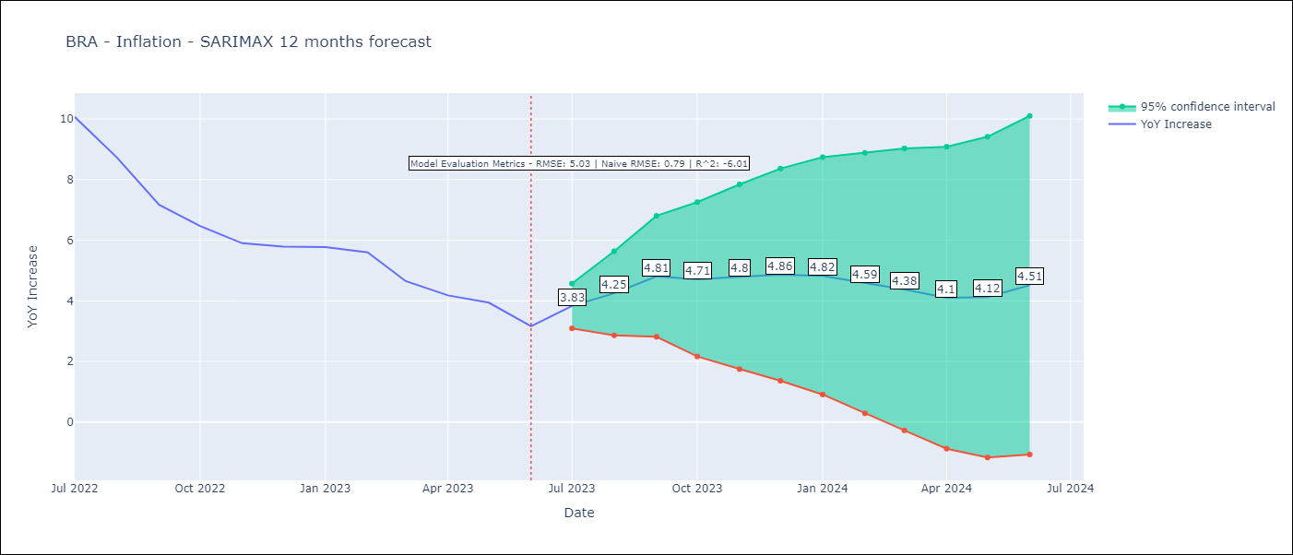

Test Metrics
RMSE | 5.03
Naive RMSE | 0.92
R^2 | -6.01

Test Predictions
Date | Predicted | Actual
2022-07-01 | 11.74 | 10.07
2022-08-01 | 11.5 | 8.73
2022-09-01 | 11.24 | 7.17
2022-10-01 | 10.99 | 6.47
2022-11-01 | 10.88 | 5.9
2022-12-01 | 11.05 | 5.79
2023-01-01 | 10.93 | 5.77
2023-02-01 | 10.78 | 5.6
2023-03-01 | 10.39 | 4.65
2023-04-01 | 10.03 | 4.18
2023-05-01 | 10.02 | 3.94
2023-06-01 | 9.92 | 3.16

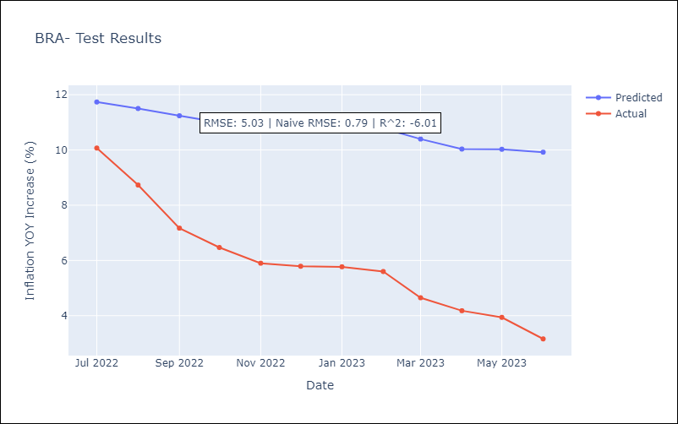

Appendix A: Model Summary
Model | SARIMAX(2, 0, 0)x(0, 0, [1], 12)
Sample | 10-01-1997- 06-01-2023
No. of Observations | 309
Terms | P-value (Statistical significance)
(0, 'Exchange Rate - U.S Dollar') | 0.096
(1, 'Interest Rates (Discount Rate)') | 0.868
(2, 'Interest Rates (Gov Securities/Treasury Bills)') | 0.125
(3, 'M1 Money Supply') | 0.124
ar.L1 | 0.000
ar.L2 | 0.000
ma.S.L12 | 0.000
sigma2 | 0.000
Assumptions | P-value | Interpretation
Ljung-Box (L1) | 0.06 | Residuals are independent.
Heteroskedasticity | 0.00 | Residuals have different variances.
Jarque-Bera | 0.00 | Residuals are not normally distributed.
Skew | 1.87 | Positive skew - model underestimates the mean.
Kurtosis | 16.43 | Residuals contain more extreme outliers than in a normal distribution.

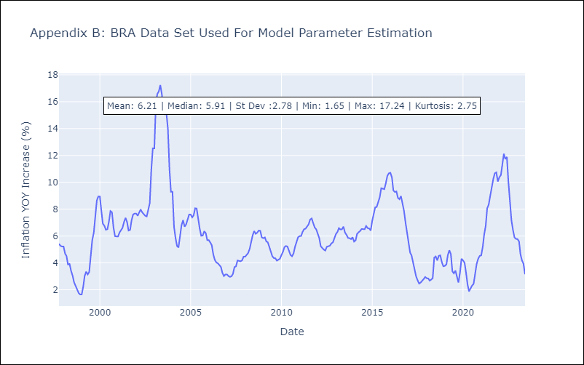

Appendix C: Residuals Analysis
Mean | 0.03
Variance | 0.28
White Noise? | No - Correlation at Lags [ 1 2 3 4 5 6 7 8 9 10 11 12]
Heteroskedastic? - ARCH | Yes
Normal? | No

