CHL
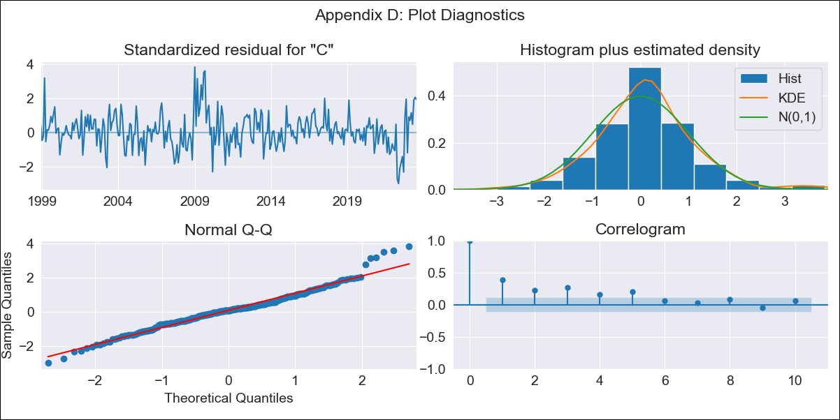

CHL - Inflation - Next 12 months forecast as of: 2023-07-01

Model | SARIMAX - [(2, 0, 1), (1, 0, 0, 12)] | Exogenous Variables | (0, 'interest rates (90-day rates/yields)'), (1, 'interest rates (long term government bond yields)'), (2, 'unemployment'), (3, 'm1 money supply'), (4, 'spot exchange rate')
Training Data | 1997-10-01 to 2022-08-01
Test Data | 2022-08-01 to 2023-07-01

Date | Inflation Change YoY % | Lower Bound - 95% Confidence Interval | Upper Bound - 95% Confidence Interval
2023-08-01 | -5.85 | -13.78 | 2.08
2023-09-01 | -112.16 | -189.56 | -34.76
2023-10-01 | -1051.28 | -1740.83 | -361.72
2023-11-01 | -9324.87 | -15404.74 | -3245
2023-12-01 | -82173.79 | -135716.04 | -28631.54
2024-01-01 | -723619.14 | -1195072.7 | -252165.57
2024-02-01 | -6371614.87 | -10522821.1 | -2220408.64
2024-03-01 | -56102806.22 | -92654616.97 | -19550995.47
2024-04-01 | -493991114.77 | -815833613.62 | -172148615.92
2024-05-01 | -4349643156.8 | -7183499795 | -1515786518.6
2024-06-01 | -38299059844 | -63251461880 | -13346657808
2024-07-01 | -3.372271998E+11 | -5.5693569131E+11 | -1.1751870828E+11

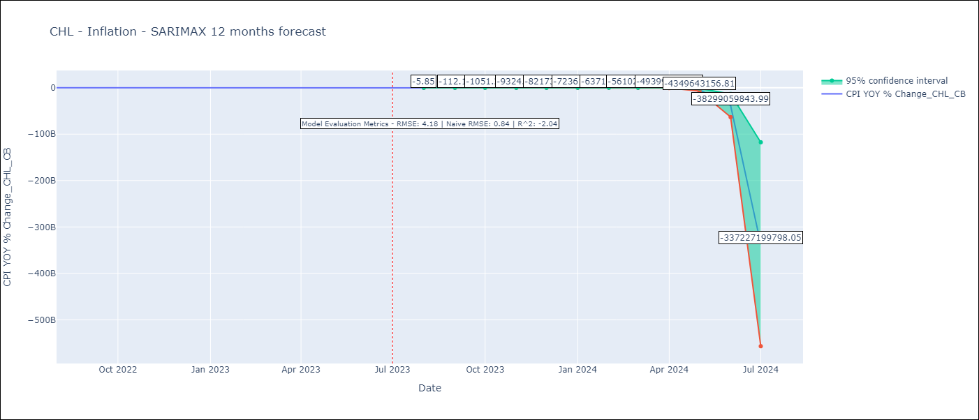

Test Metrics
RMSE | 4.18
Naive RMSE | 0.86
R^2 | -2.04

Test Predictions
Date | Predicted | Actual
2022-08-01 | 13.72 | 14.1
2022-09-01 | 14.18 | 13.7
2022-10-01 | 14.5 | 12.8
2022-11-01 | 14.71 | 13.3
2022-12-01 | 14.93 | 12.8
2023-01-01 | 15.14 | 12.3
2023-02-01 | 15.33 | 11.9
2023-03-01 | 15 | 11.1
2023-04-01 | 14.78 | 9.9
2023-05-01 | 14.6 | 8.7
2023-06-01 | 14.38 | 7.6
2023-07-01 | 14.27 | 6.5

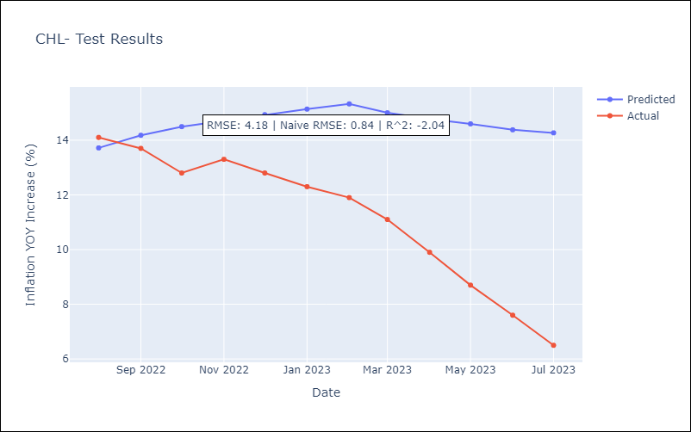

Appendix A: Model Summary
Model | SARIMAX(2, 0, 1)x(1, 0, [], 12)
Sample | 10-01-1997- 07-01-2023
No. of Observations | 310
Terms | P-value (Statistical significance)
(0, 'interest rates (90-day rates/yields)') | 0.029
(1, 'interest rates (long term government bond yields)') | 0.415
(2, 'unemployment') | 0.468
(3, 'm1 money supply') | 0.764
(4, 'spot exchange rate') | 0.032
ar.L1 | 0.000
ar.L2 | 0.000
ma.L1 | 0.045
ar.S.L12 | 0.000
sigma2 | 0.320
Assumptions | P-value | Interpretation
Ljung-Box (L1) | 0.00 | Residuals are not independent.
Heteroskedasticity | 0.36 | Residuals have the same variance.
Jarque-Bera | 0.00 | Residuals are not normally distributed.
Skew | 0.36 | Positive skew - model underestimates the mean.
Kurtosis | 4.55 | Residuals contain more extreme outliers than in a normal distribution.

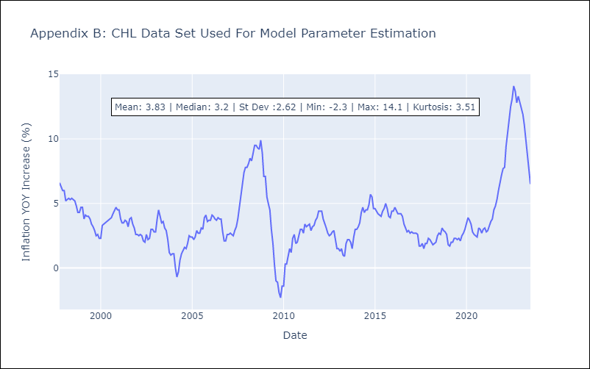

Appendix C: Residuals Analysis
Mean | 0.25
Variance | 24.35
White Noise? | No - Correlation at Lags [ 1 2 3 4 5 6 7 8 9 10 11 12]
Heteroskedastic? - ARCH | Yes
Normal? | No

