BRA
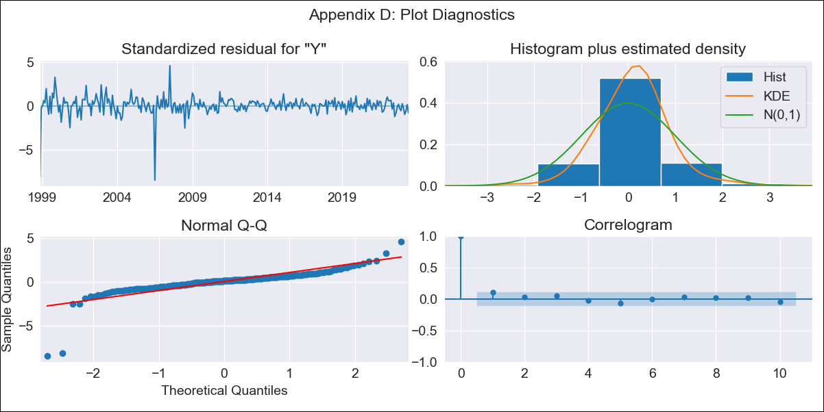

BRA - Inflation - Next 12 months forecast as of: 2023-06-01

Model | SARIMAX - [(2, 0, 0), (0, 0, 1, 12)] | Exogenous Variables | (0, 'Exchange Rate - U.S Dollar'), (1, 'Interest Rates (Discount Rate)'), (2, 'Interest Rates (Gov Securities/Treasury Bills)'), (3, 'M1 Money Supply'), (4, 'm2 money supply')
Training Data | 1997-10-01 to 2022-07-01
Test Data | 2022-07-01 to 2023-06-01

Date | Inflation Change YoY % | Lower Bound - 95% Confidence Interval | Upper Bound - 95% Confidence Interval
2023-07-01 | 2.09 | -2.06 | 6.24
2023-08-01 | 1.61 | -3.63 | 6.86
2023-09-01 | 1.63 | -4.47 | 7.73
2023-10-01 | 1.78 | -4.97 | 8.54
2023-11-01 | 1.7 | -5.58 | 8.98
2023-12-01 | 1.45 | -6.25 | 9.15
2024-01-01 | 1.14 | -6.92 | 9.2
2024-02-01 | 0.93 | -7.42 | 9.29
2024-03-01 | 0.29 | -8.32 | 8.9
2024-04-01 | 0.09 | -8.74 | 8.91
2024-05-01 | 0.54 | -8.47 | 9.55
2024-06-01 | 0.14 | -9.02 | 9.31

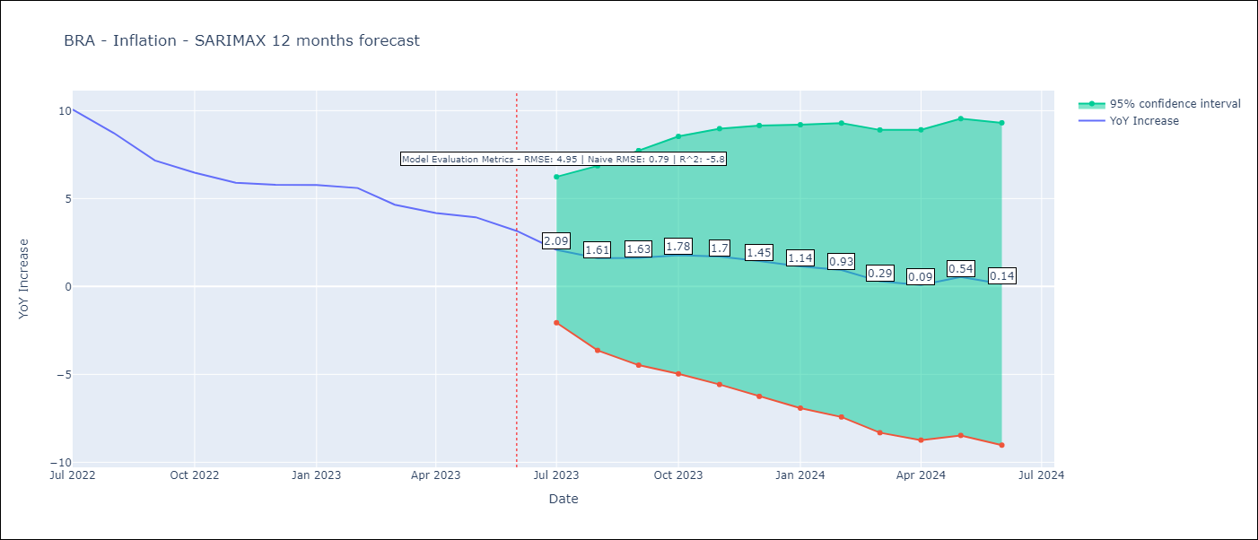

Test Metrics
RMSE | 4.95
Naive RMSE | 0.92
R^2 | -5.8

Test Predictions
Date | Predicted | Actual
2022-07-01 | 12 | 10.07
2022-08-01 | 11.92 | 8.73
2022-09-01 | 10.68 | 7.17
2022-10-01 | 10.11 | 6.47
2022-11-01 | 9.83 | 5.9
2022-12-01 | 9.82 | 5.79
2023-01-01 | 10.54 | 5.77
2023-02-01 | 10.6 | 5.6
2023-03-01 | 10.82 | 4.65
2023-04-01 | 11.14 | 4.18
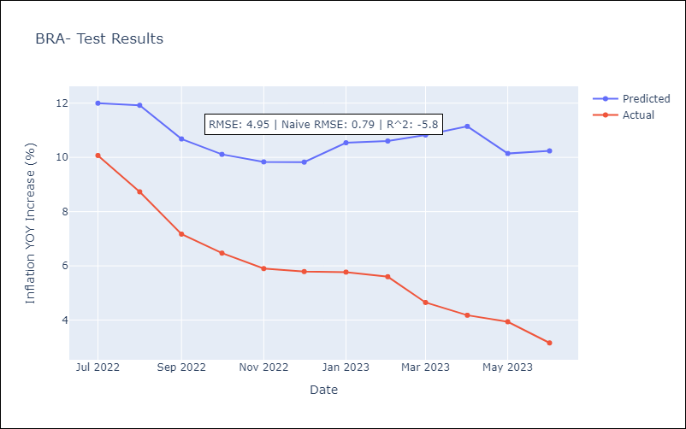
2023-05-01 | 10.14 | 3.94
2023-06-01 | 10.24 | 3.16

Appendix A: Model Summary
Model | SARIMAX(2, 0, 0)x(0, 0, [1], 12)
Sample | 10-01-1997- 06-01-2023
No. of Observations | 309
Terms | P-value (Statistical significance)
(0, 'Exchange Rate - U.S Dollar') | 0.000
(1, 'Interest Rates (Discount Rate)') | 0.000
(2, 'Interest Rates (Gov Securities/Treasury Bills)') | 0.000
(3, 'M1 Money Supply') | 0.000
(4, 'm2 money supply') | 0.998
ar.L1 | 0.000
ar.L2 | 0.000
ma.S.L12 | 0.000
sigma2 | 0.000
Assumptions | P-value | Interpretation
Ljung-Box (L1) | 0.08 | Residuals are independent.
Heteroskedasticity | 0.00 | Residuals have different variances.
Jarque-Bera | 0.00 | Residuals are not normally distributed.
Skew | -3.17 | Negative skew - Model overestimates the mean.
Kurtosis | 31.60 | Residuals contain more extreme outliers than in a normal distribution.

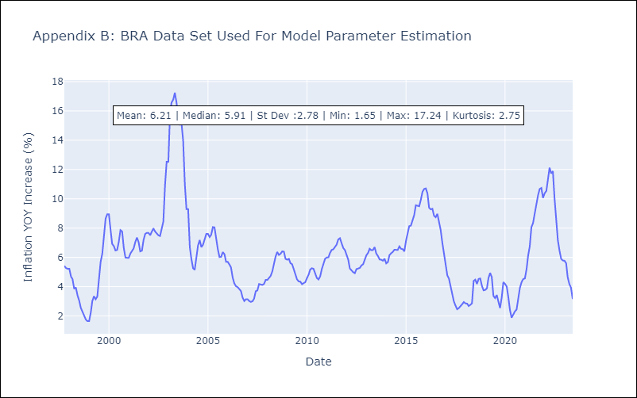

Appendix C: Residuals Analysis
Mean | 0.15
Variance | 5.62
White Noise? | No - Correlation at Lags [12]
Heteroskedastic? - ARCH | No
Normal? | No

