Best_Brazil
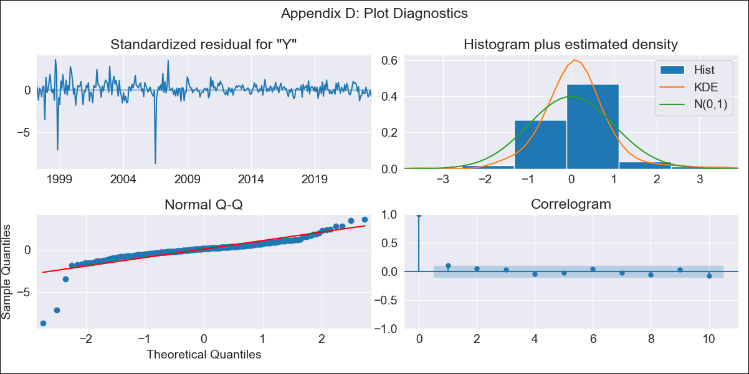

Best_Brazil - Inflation - Next 12 months forecast as of: 2023-06-01

Model | SARIMAX - [(3, 0, 0), (0, 0, 1, 12)] | Exogenous Variables | (0, 'Exchange Rate - U.S Dollar'), (1, 'Interest Rates (Discount Rate)'), (2, 'Interest Rates (Gov Securities/Treasury Bills)'), (3, 'M1 Money Supply'), (4, 'm2 money supply')
Training Data | 1996-02-01 to 2022-07-01
Test Data | 2022-07-01 to 2023-06-01

Date | Inflation Change YoY % | Lower Bound - 95% Confidence Interval | Upper Bound - 95% Confidence Interval
2023-07-01 | 2.29 | -1.79 | 6.37
2023-08-01 | 2.3 | -2.76 | 7.36
2023-09-01 | 1.71 | -3.82 | 7.23
2023-10-01 | 1.46 | -4.59 | 7.5
2023-11-01 | 1.03 | -5.48 | 7.54
2023-12-01 | 1.13 | -5.74 | 8.01
2024-01-01 | 1.25 | -5.95 | 8.45
2024-02-01 | 1.1 | -6.38 | 8.59
2024-03-01 | 0.83 | -6.91 | 8.57
2024-04-01 | 1.17 | -6.79 | 9.13
2024-05-01 | 1.59 | -6.57 | 9.75
2024-06-01 | 1.48 | -6.86 | 9.82

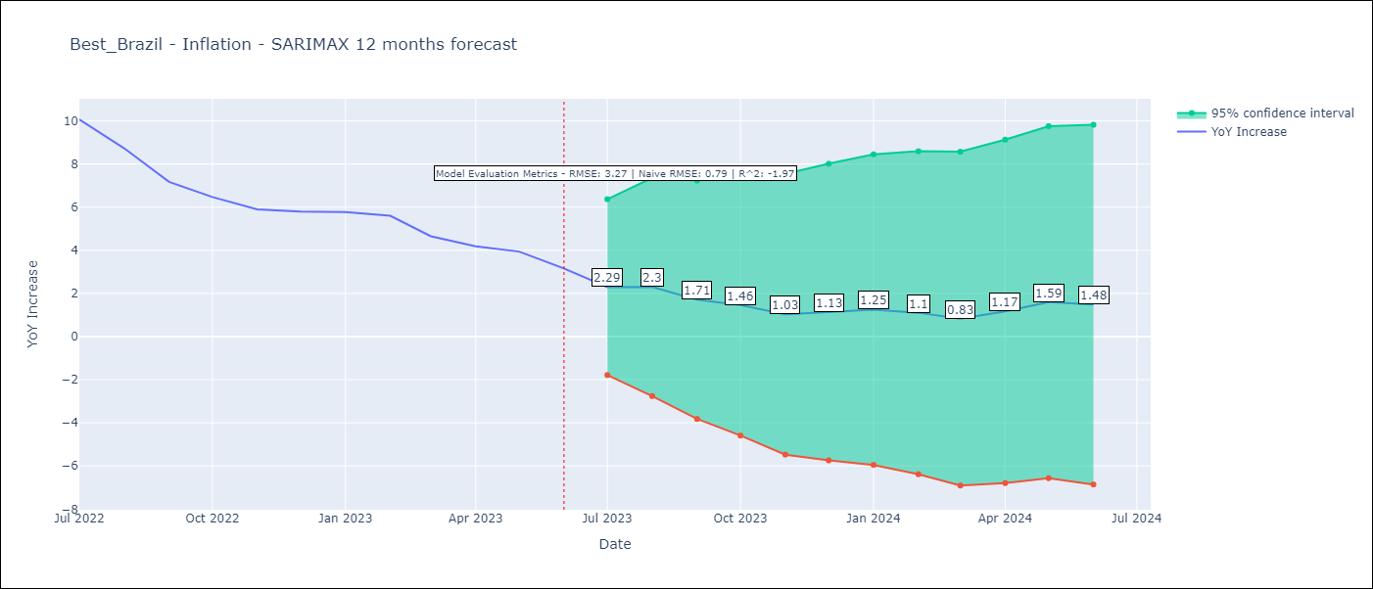

Test Metrics
RMSE | 3.27
Naive RMSE | 0.92
R^2 | -1.97

Test Predictions
Date | Predicted | Actual
2022-07-01 | 11.69 | 10.07
2022-08-01 | 10.91 | 8.73
2022-09-01 | 9.75 | 7.17
2022-10-01 | 9.08 | 6.47
2022-11-01 | 8.73 | 5.9
2022-12-01 | 8.46 | 5.79
2023-01-01 | 8.68 | 5.77
2023-02-01 | 8.6 | 5.6
2023-03-01 | 8.68 | 4.65
2023-04-01 | 8.68 | 4.18
2023-05-01 | 7.9 | 3.94
2023-06-01 | 7.93 | 3.16

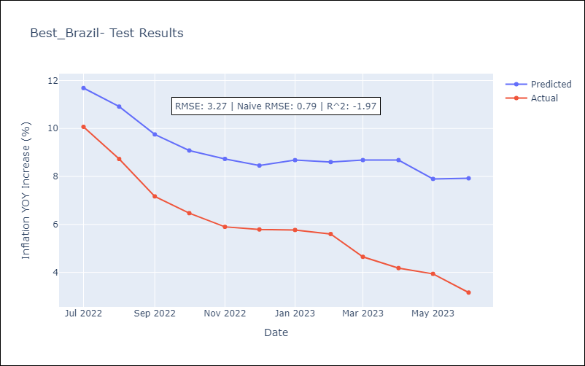

Appendix A: Model Summary
Model | SARIMAX(3, 0, 0)x(0, 0, [1], 12)
Sample | 02-01-1996- 06-01-2023
No. of Observations | 329
Terms | P-value (Statistical significance)
(0, 'Exchange Rate - U.S Dollar') | 0.000
(1, 'Interest Rates (Discount Rate)') | 0.000
(2, 'Interest Rates (Gov Securities/Treasury Bills)') | 0.000
(3, 'M1 Money Supply') | 0.000
(4, 'm2 money supply') | 0.705
ar.L1 | 0.000
ar.L2 | 0.000
ar.L3 | 0.000
ma.S.L12 | 0.000
sigma2 | 0.000
Assumptions | P-value | Interpretation
Ljung-Box (L1) | 0.07 | Residuals are independent.
Heteroskedasticity | 0.00 | Residuals have different variances.
Jarque-Bera | 0.00 | Residuals are not normally distributed.
Skew | -2.92 | Negative skew - Model overestimates the mean.
Kurtosis | 28.91 | Residuals contain more extreme outliers than in a normal distribution.

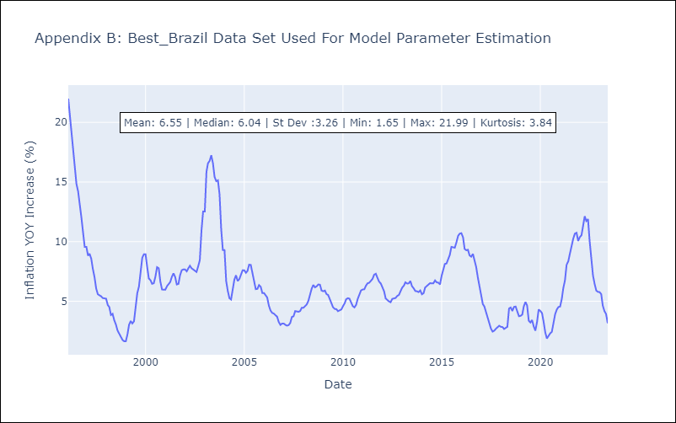

Appendix C: Residuals Analysis
Mean | 0.12
Variance | 4.36
White Noise? | No - Correlation at Lags [11 12]
Heteroskedastic? - ARCH | No
Normal? | No

