new_b2r
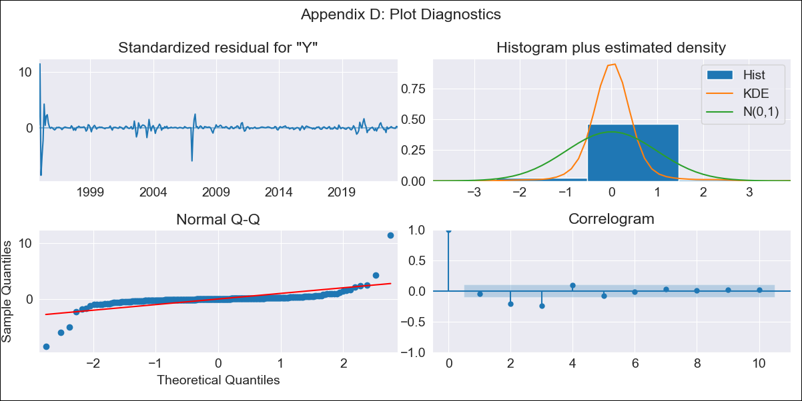
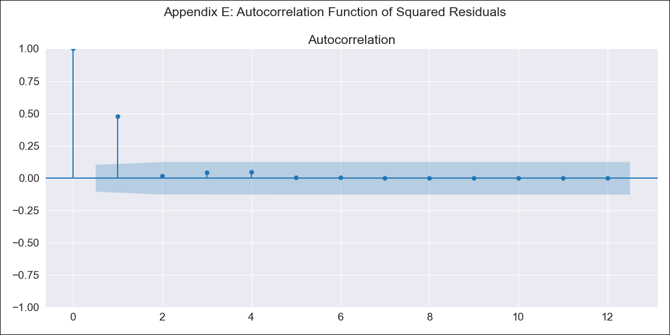
new_b2r - Inflation - Next 12 months forecast as of: 2023-06-01

Model | SARIMAX - [(3, 2, 1), (0, 0, 0, 12)] | Exogenous Variables | (0, 'Exchange Rate - U.S Dollar'), (1, 'Interest Rates (Discount Rate)'), (2, 'Interest Rates (Gov Securities/Treasury Bills)'), (3, 'M1 Money Supply')
Training Data | 1994-07-01 to 2022-07-01
Test Data | 2022-07-01 to 2023-06-01

Date | Inflation Change YoY % | Lower Bound - 95% Confidence Interval | Upper Bound - 95% Confidence Interval
2023-07-01 | 2.5 | -31.6 | 36.6
2023-08-01 | 4.25 | -39.13 | 47.63
2023-09-01 | 4.09 | -51.33 | 59.5
2023-10-01 | 3.93 | -67.4 | 75.26
2023-11-01 | 4.21 | -78.19 | 86.61
2023-12-01 | 3.77 | -91.07 | 98.62
2024-01-01 | 3.49 | -103.37 | 110.35
2024-02-01 | 3.19 | -114.13 | 120.51
2024-03-01 | 2.9 | -125.15 | 130.95
2024-04-01 | 2.98 | -135.05 | 141.01
2024-05-01 | 2.65 | -144.77 | 150.06
2024-06-01 | 2.46 | -154.18 | 159.11

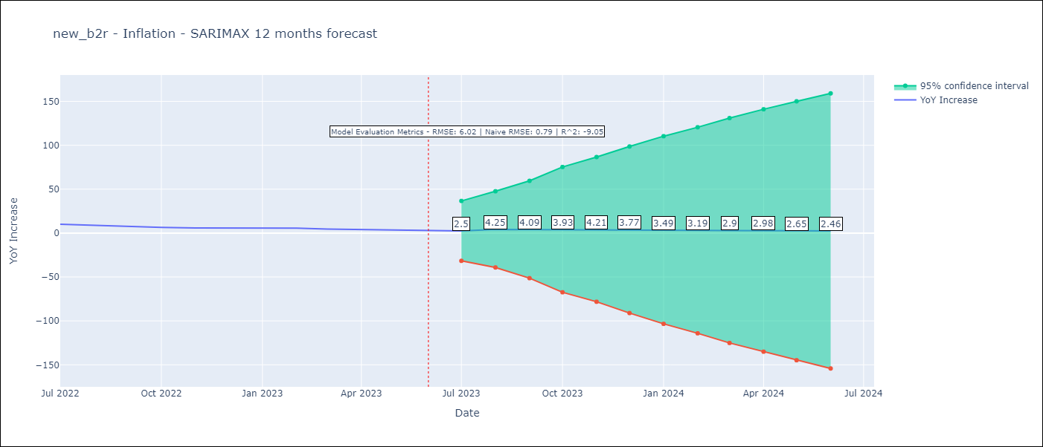

Test Metrics
RMSE | 6.02
Naive RMSE | 0.92
R^2 | -9.05

Test Predictions
Date | Predicted | Actual
2022-07-01 | 11.72 | 10.07
2022-08-01 | 11.2 | 8.73
2022-09-01 | 10.77 | 7.17
2022-10-01 | 10.74 | 6.47
2022-11-01 | 10.77 | 5.9
2022-12-01 | 10.9 | 5.79
2023-01-01 | 11.14 | 5.77
2023-02-01 | 11.42 | 5.6
2023-03-01 | 11.75 | 4.65
2023-04-01 | 12.12 | 4.18
2023-05-01 | 12.51 | 3.94
2023-06-01 | 12.92 | 3.16

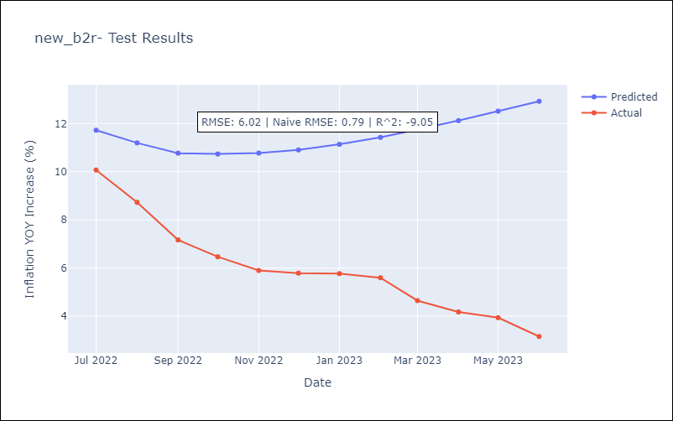

Appendix A: Model Summary
Model | SARIMAX(3, 2, 1)
Sample | 07-01-1994- 06-01-2023
No. of Observations | 348
Terms | P-value (Statistical significance)
(0, 'Exchange Rate - U.S Dollar') | 0.000
(1, 'Interest Rates (Discount Rate)') | 0.098
(2, 'Interest Rates (Gov Securities/Treasury Bills)') | 0.000
(3, 'M1 Money Supply') | 0.955
ar.L1 | 0.000
ar.L2 | 0.000
ar.L3 | 0.000
ma.L1 | 0.996
sigma2 | 0.996
Assumptions | P-value | Interpretation
Ljung-Box (L1) | 0.37 | Residuals are independent.
Heteroskedasticity | 0.00 | Residuals have different variances.
Jarque-Bera | 0.00 | Residuals are not normally distributed.
Skew | 1.83 | Positive skew - model underestimates the mean.
Kurtosis | 71.02 | Residuals contain more extreme outliers than in a normal distribution.

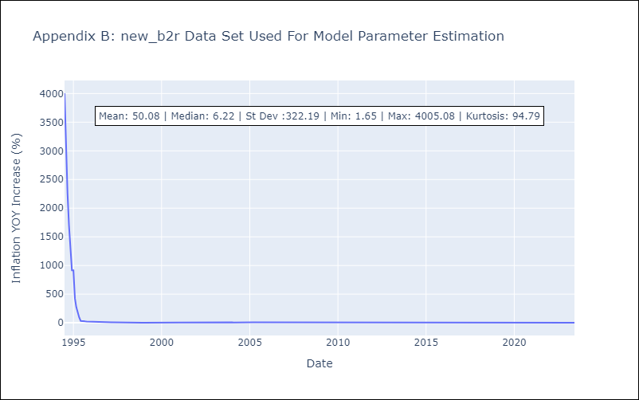

Appendix C: Residuals Analysis
Mean | 4.7
Variance | 80942.61
White Noise? | No - Correlation at Lags [ 1 2 3 4 5 6 7 8 9 10 11 12]
Heteroskedastic? - ARCH | Yes
Normal? | No

